benchmarking_results
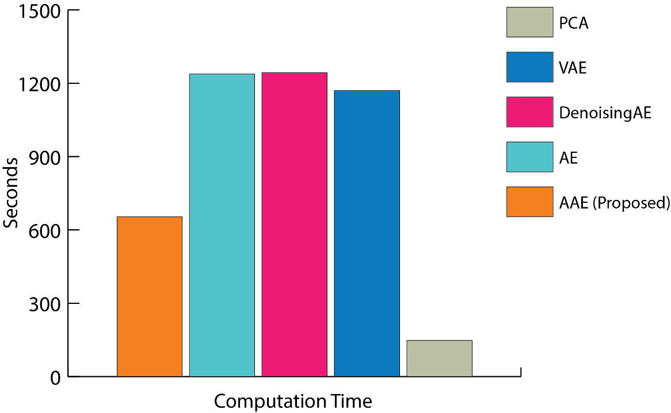
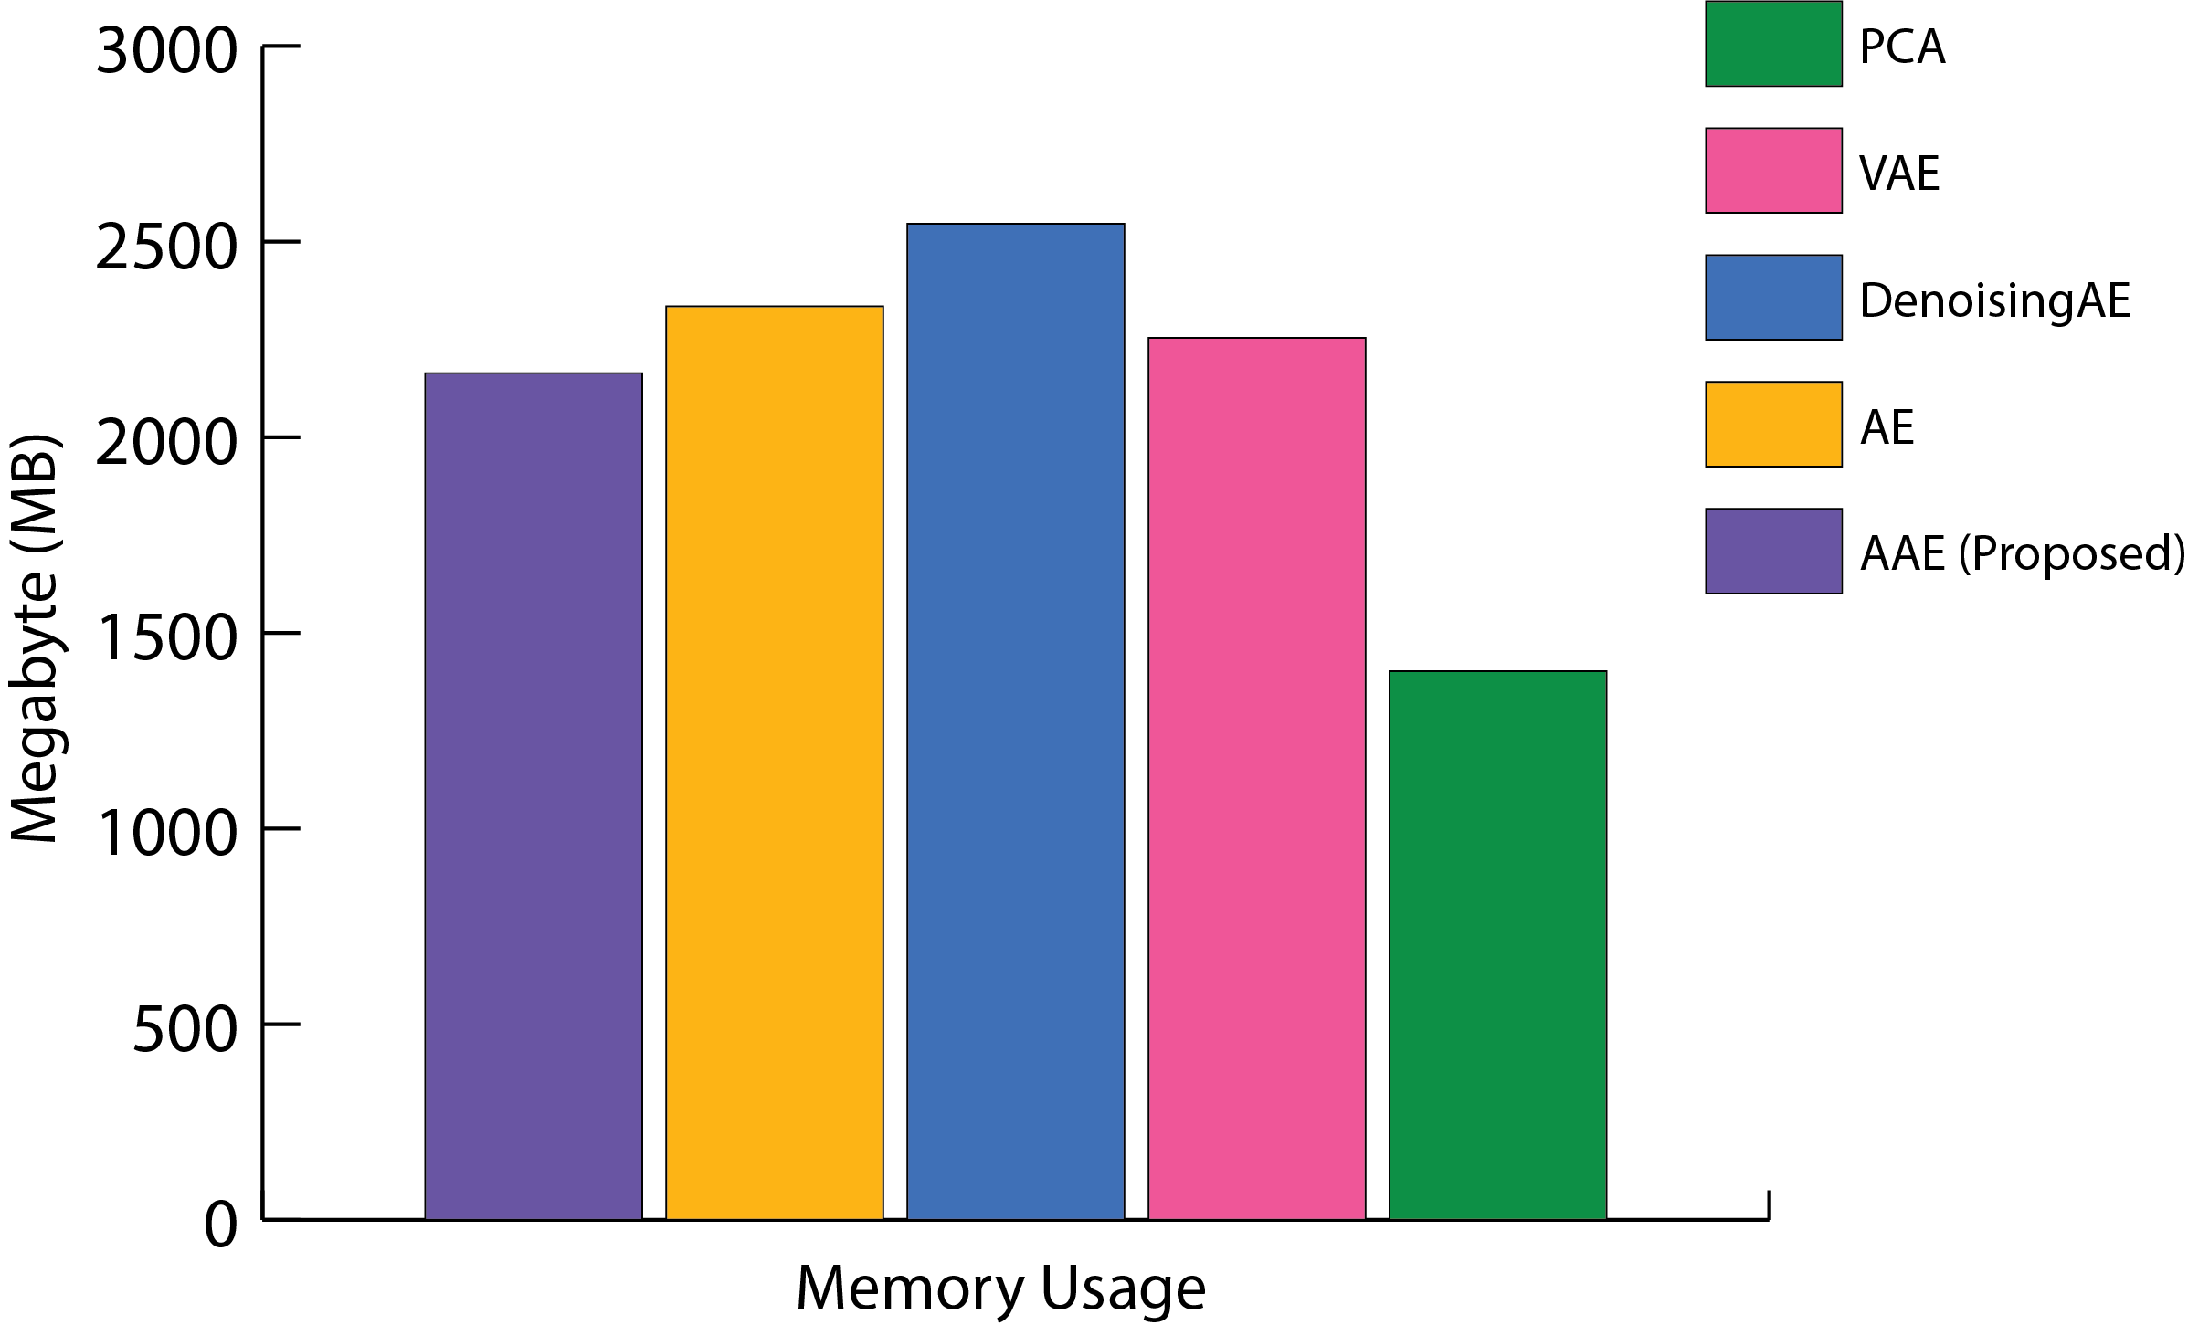
Benchmarking results of various feature extractor methods such as PCA, AAE, AE , DAE and VAE while classifying (using twelve classifiers) various cancer subtypes using BRCA dataset.

Model | CPU Usage (%) | Wall Clock Time (min:sec) | Memory Usage (MiB) | Memory Usage (MB)
PCA | 18.7 | 2:28:00 | 1337 | 1402.513
VAE (2 layer & Fine Tuning) | 20.2 | 19:30:00 | 2149 | 2254.301
VAE (from saved model) | 26.1 | 2:22:00 | 2082 | 2184.018
AAE (2 layer & FineTuning) | 24.1 | 10:54:00 | 2063 | 2164.087
AAE (from saved model) | 26.8 | 2:15:00 | 2078 | 2179.822
DAE (2 layer & Fine Tuning) | 22.2 | 20:43:00 | 2428 | 2546.972
DAE (from saved model) | 27.7 | 2:42:00 | 2342 | 2456.758
AE (2 layer & Fine Tuning) | 21.8 | 20:38:00 | 2226 | 2335.074
AE (from saved model) | 26.8 | 2:34:00 | 2083 | 2185.067

