Chart1
 | 377
 | 370
 | 35
 | 377
 | 55
 | 35
 | 35
 | 389
 | 395
 | 395
 | 34
 | 410
 | 411
 | 409
 | 411
 | 416
 | 417
 | 422
 | 425
 | 36
 | 432
 | 443
 | 443
 | 35
 | 450
 | 490
 | 490
 | 490
 | 490
 | 490
 | 490
 | 490
 | 490
 | 490
 | 490
 | 490
 | 490
 | 490
 | 408
 | 411
 | 412
 | 320
 | 320
 | 320
 | 317
 | 320
 | 318
 | 490
 | 406
 | 393
...

FirstScanOfShortWall
0:0 touched True steps 377 | 0 | 0 | TRUE | 377 | Max reach is 490
0:1 touched True steps 370 | 0 | 1 | TRUE | 370
0:2 touched True steps 35 | 0 | 2 | TRUE | 35
0:3 touched True steps 377 | 0 | 3 | TRUE | 377
0:4 touched True steps 55 | 0 | 4 | TRUE | 55
0:5 touched True steps 35 | 0 | 5 | TRUE | 35
0:6 touched True steps 35 | 0 | 6 | TRUE | 35 | 34 | steps to 80mm from COR
0:7 touched True steps 389 | 0 | 7 | TRUE | 389 | 316 | steps 17.68mm from COR
0:8 touched True steps 395 | 0 | 8 | TRUE | 395 | 323 | steps 17.5mm from COR
0:9 touched True steps 395 | 0 | 9 | TRUE | 395 | 434 | steps 5mm from COR
0:10 touched True steps 34 | 0 | 10 | TRUE | 34 | 409 | steps to COR
0:11 touched True steps 410 | 0 | 11 | TRUE | 410
0:12 touched True steps 411 | 0 | 12 | TRUE | 411
0:13 touched True steps 409 | 0 | 13 | TRUE | 409
0:14 touched True steps 411 | 0 | 14 | TRUE | 411
0:15 touched True steps 416 | 0 | 15 | TRUE | 416
0:16 touched True steps 417 | 0 | 16 | TRUE | 417
0:17 touched True steps 422 | 0 | 17 | TRUE | 422
0:18 touched True steps 425 | 0 | 18 | TRUE | 425
0:19 touched True steps 36 | 0 | 19 | TRUE | 36
0:20 touched True steps 432 | 0 | 20 | TRUE | 432
0:21 touched True steps 443 | 0 | 21 | TRUE | 443
0:22 touched True steps 443 | 0 | 22 | TRUE | 443
0:23 touched True steps 35 | 0 | 23 | TRUE | 35
0:24 touched True steps 450 | 0 | 24 | TRUE | 450
0:25 touched False steps 490 | 0 | 25 | FALSE | 490
0:26 touched False steps 490 | 0 | 26 | FALSE | 490
0:27 touched False steps 490 | 0 | 27 | FALSE | 490
0:28 touched False steps 490 | 0 | 28 | FALSE | 490
0:29 touched False steps 490 | 0 | 29 | FALSE | 490
0:30 touched False steps 490 | 0 | 30 | FALSE | 490
0:31 touched False steps 490 | 0 | 31 | FALSE | 490
0:32 touched False steps 490 | 0 | 32 | FALSE | 490
0:33 touched False steps 490 | 0 | 33 | FALSE | 490
0:34 touched False steps 490 | 0 | 34 | FALSE | 490
0:35 touched False steps 490 | 0 | 35 | FALSE | 490
0:36 touched False steps 490 | 0 | 36 | FALSE | 490
0:37 touched False steps 490 | 0 | 37 | FALSE | 490
0:38 touched True steps 408 | 0 | 38 | TRUE | 408
0:39 touched True steps 411 | 0 | 39 | TRUE | 411
0:40 touched True steps 412 | 0 | 40 | TRUE | 412
0:41 touched True steps 320 | 0 | 41 | TRUE | 320 | Sorted |  | mm From COR
0:42 touched True steps 320 | 0 | 42 | TRUE | 320 | 34 | Table Edge | 80
0:43 touched True steps 320 | 0 | 43 | TRUE | 320 | 35 | Table Edge
0:44 touched True steps 317 | 0 | 44 | TRUE | 317 | 35 | Table Edge
0:45 touched True steps 320 | 0 | 45 | TRUE | 320 | 35 | Table Edge
0:46 touched True steps 318 | 0 | 46 | TRUE | 318 | 35 | Table Edge
0:47 touched False steps 490 | 0 | 47 | FALSE | 490 | 36 | Table Edge
0:48 touched True steps 406 | 0 | 48 | TRUE | 406 | 55 | Snag
0:49 touched True steps 393 | 0 | 49 | TRUE | 393 | 316 | End of block | 17.68
0:50 touched True steps 394 | 0 | 50 | TRUE | 394 | 317 | End of block
0:51 touched True steps 390 | 0 | 51 | TRUE | 390 | 317 | End of block
0:52 touched True steps 390 | 0 | 52 | TRUE | 390 | 317 | End of block
0:53 touched True steps 391 | 0 | 53 | TRUE | 391 | 317 | End of block
0:54 touched True steps 393 | 0 | 54 | TRUE | 393 | 317 | End of block
0:55 touched True steps 394 | 0 | 55 | TRUE | 394 | 318 | End of block
0:56 touched True steps 399 | 0 | 56 | TRUE | 399 | 318 | End of block
0:57 touched True steps 403 | 0 | 57 | TRUE | 403 | 319 | End of block
0:58 touched True steps 404 | 0 | 58 | TRUE | 404 | 319 | End of block
0:59 touched True steps 409 | 0 | 59 | TRUE | 409 | 320 | End of block
0:60 touched True steps 409 | 0 | 60 | TRUE | 409 | 320 | End of block
0:61 touched True steps 414 | 0 | 61 | TRUE | 414 | 320 | End of block
0:62 touched True steps 415 | 0 | 62 | TRUE | 415 | 320 | End of block
0:63 touched True steps 421 | 0 | 63 | TRUE | 421 | 320 | End of block
0:64 touched True steps 418 | 0 | 64 | TRUE | 418 | 320 | End of block
0:65 touched True steps 427 | 0 | 65 | TRUE | 427 | 320 | End of block
0:66 touched True steps 429 | 0 | 66 | TRUE | 429 | 320 | End of block
0:67 touched True steps 435 | 0 | 67 | TRUE | 435 | 320 | End of block
0:68 touched True steps 435 | 0 | 68 | TRUE | 435 | 320 | End of block
0:69 touched True steps 438 | 0 | 69 | TRUE | 438 | 321 | End of block
0:70 touched True steps 442 | 0 | 70 | TRUE | 442 | 321 | End of block
0:71 touched True steps 445 | 0 | 71 | TRUE | 445 | 321 | End of block
0:72 touched True steps 449 | 0 | 72 | TRUE | 449 | 321 | End of block
0:73 touched True steps 455 | 0 | 73 | TRUE | 455 | 321 | End of block
0:74 touched True steps 461 | 0 | 74 | TRUE | 461 | 323 | End of block | 17.5
0:75 touched True steps 469 | 0 | 75 | TRUE | 469 | 369
0:76 touched True steps 471 | 0 | 76 | TRUE | 471 | 370
0:77 touched True steps 471 | 0 | 77 | TRUE | 471 | 370
0:78 touched True steps 478 | 0 | 78 | TRUE | 478 | 372
0:79 touched True steps 476 | 0 | 79 | TRUE | 476 | 372
0:80 touched True steps 483 | 0 | 80 | TRUE | 483 | 374
0:81 touched True steps 483 | 0 | 81 | TRUE | 483 | 377
0:82 touched True steps 490 | 0 | 82 | TRUE | 490 | 377
0:83 touched False steps 490 | 0 | 83 | FALSE | 490 | 378
0:84 touched False steps 490 | 0 | 84 | FALSE | 490 | 380
0:85 touched False steps 490 | 0 | 85 | FALSE | 490 | 383
0:86 touched False steps 490 | 0 | 86 | FALSE | 490 | 388
0:87 touched False steps 490 | 0 | 87 | FALSE | 490 | 388
0:88 touched False steps 490 | 0 | 88 | FALSE | 490 | 388
0:89 touched True steps 411 | 0 | 89 | TRUE | 411 | 388
0:90 touched True steps 410 | 0 | 90 | TRUE | 410 | 389
0:91 touched True steps 414 | 0 | 91 | TRUE | 414 | 390
0:92 touched True steps 319 | 0 | 92 | TRUE | 319 | 390
0:93 touched True steps 321 | 0 | 93 | TRUE | 321 | 390
0:94 touched True steps 320 | 0 | 94 | TRUE | 320 | 390
0:95 touched True steps 320 | 0 | 95 | TRUE | 320 | 391
0:96 touched True steps 321 | 0 | 96 | TRUE | 321 | 393
0:97 touched True steps 323 | 0 | 97 | TRUE | 323 | 393
0:98 touched False steps 490 | 0 | 98 | FALSE | 490 | 393
0:99 touched False steps 490 | 0 | 99 | FALSE | 490 | 394
0:100 touched True steps 450 | 0 | 100 | TRUE | 450 | 394
0:101 touched True steps 402 | 0 | 101 | TRUE | 402 | 395
0:102 touched True steps 388 | 0 | 102 | TRUE | 388 | 395
1:0 touched True steps 372 | 1 | 0 | TRUE | 372 | 395
1:1 touched True steps 370 | 1 | 1 | TRUE | 370 | 395
1:2 touched True steps 369 | 1 | 2 | TRUE | 369 | 395
1:3 touched True steps 372 | 1 | 3 | TRUE | 372 | 396
1:4 touched True steps 374 | 1 | 4 | TRUE | 374 | 396
1:5 touched True steps 378 | 1 | 5 | TRUE | 378 | 398
1:6 touched True steps 383 | 1 | 6 | TRUE | 383 | 399
1:7 touched True steps 380 | 1 | 7 | TRUE | 380 | 400
1:8 touched True steps 390 | 1 | 8 | TRUE | 390 | 401
1:9 touched True steps 388 | 1 | 9 | TRUE | 388 | 402
1:10 touched True steps 396 | 1 | 10 | TRUE | 396 | 402
1:11 touched True steps 395 | 1 | 11 | TRUE | 395 | 403
1:12 touched True steps 401 | 1 | 12 | TRUE | 401 | 403
1:13 touched True steps 403 | 1 | 13 | TRUE | 403 | 403
1:14 touched True steps 405 | 1 | 14 | TRUE | 405 | 404
1:15 touched True steps 412 | 1 | 15 | TRUE | 412 | 405
1:16 touched True steps 409 | 1 | 16 | TRUE | 409 | 406
1:17 touched True steps 416 | 1 | 17 | TRUE | 416 | 408
1:18 touched True steps 418 | 1 | 18 | TRUE | 418 | 408
1:19 touched True steps 421 | 1 | 19 | TRUE | 421 | 408
1:20 touched True steps 422 | 1 | 20 | TRUE | 422 | 408
1:21 touched True steps 427 | 1 | 21 | TRUE | 427 | 409
1:22 touched True steps 428 | 1 | 22 | TRUE | 428 | 409
1:23 touched True steps 435 | 1 | 23 | TRUE | 435 | 409
1:24 touched True steps 437 | 1 | 24 | TRUE | 437 | 409
1:25 touched True steps 443 | 1 | 25 | TRUE | 443 | 410
1:26 touched True steps 450 | 1 | 26 | TRUE | 450 | 410
1:27 touched True steps 475 | 1 | 27 | TRUE | 475 | 410
1:28 touched False steps 490 | 1 | 28 | FALSE | 490 | 410
1:29 touched False steps 490 | 1 | 29 | FALSE | 490 | 411
1:30 touched False steps 490 | 1 | 30 | FALSE | 490 | 411
1:31 touched False steps 490 | 1 | 31 | FALSE | 490 | 411
1:32 touched False steps 490 | 1 | 32 | FALSE | 490 | 411
1:33 touched False steps 490 | 1 | 33 | FALSE | 490 | 412
1:34 touched False steps 490 | 1 | 34 | FALSE | 490 | 412
1:35 touched False steps 490 | 1 | 35 | FALSE | 490 | 412
1:36 touched False steps 490 | 1 | 36 | FALSE | 490 | 412
1:37 touched False steps 490 | 1 | 37 | FALSE | 490 | 414
1:38 touched False steps 490 | 1 | 38 | FALSE | 490 | 414
1:39 touched False steps 490 | 1 | 39 | FALSE | 490 | 415
1:40 touched True steps 410 | 1 | 40 | TRUE | 410 | 415
1:41 touched True steps 408 | 1 | 41 | TRUE | 408 | 416
1:42 touched True steps 321 | 1 | 42 | TRUE | 321 | 416
1:43 touched True steps 317 | 1 | 43 | TRUE | 317 | 417
1:44 touched True steps 320 | 1 | 44 | TRUE | 320 | 417
1:45 touched True steps 318 | 1 | 45 | TRUE | 318 | 418
1:46 touched True steps 317 | 1 | 46 | TRUE | 317 | 418
1:47 touched True steps 316 | 1 | 47 | TRUE | 316 | 420
1:48 touched True steps 317 | 1 | 48 | TRUE | 317 | 421
1:49 touched False steps 490 | 1 | 49 | FALSE | 490 | 421
1:50 touched True steps 415 | 1 | 50 | TRUE | 415 | 422
1:51 touched True steps 398 | 1 | 51 | TRUE | 398 | 422
1:52 touched True steps 396 | 1 | 52 | TRUE | 396 | 422
1:53 touched True steps 390 | 1 | 53 | TRUE | 390 | 425
1:54 touched True steps 388 | 1 | 54 | TRUE | 388 | 425
1:55 touched True steps 388 | 1 | 55 | TRUE | 388 | 426
1:56 touched True steps 393 | 1 | 56 | TRUE | 393 | 427
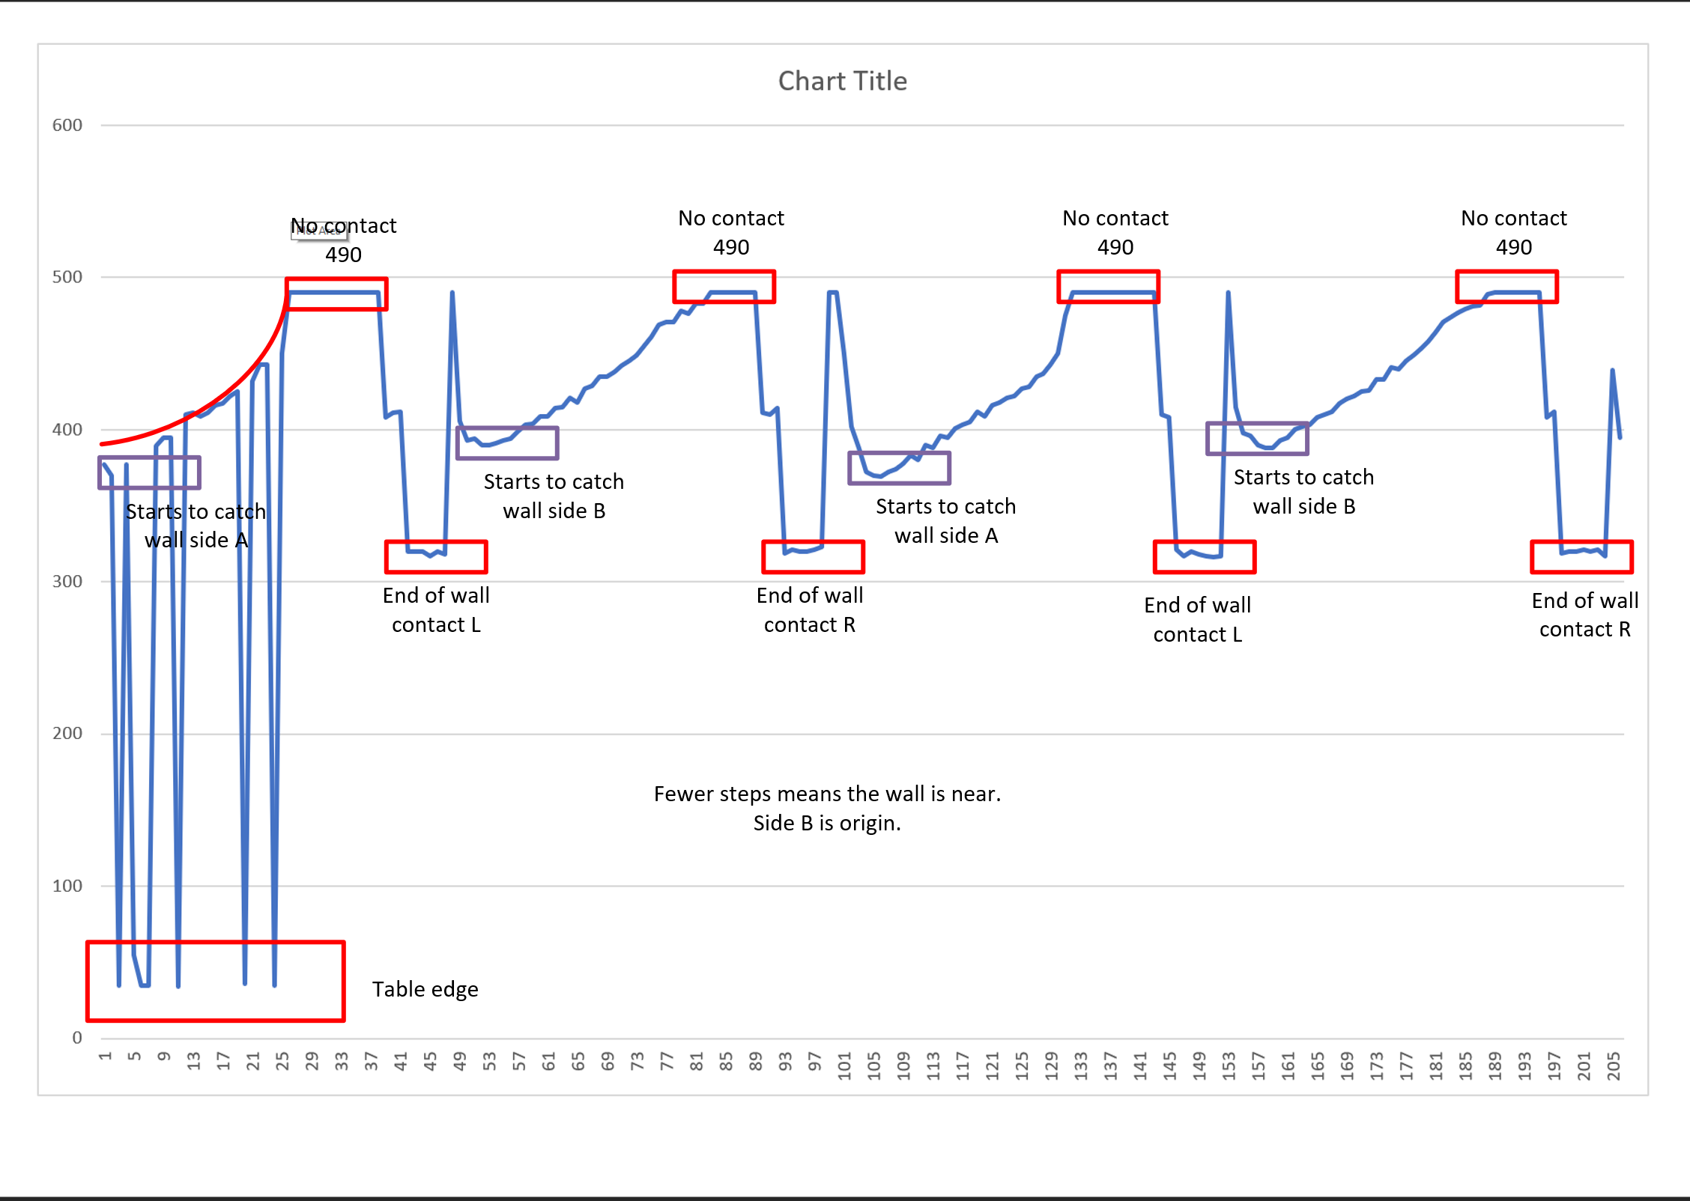
1:57 touched True steps 395 | 1 | 57 | TRUE | 395 | 427
1:58 touched True steps 400 | 1 | 58 | TRUE | 400 | 428
1:59 touched True steps 402 | 1 | 59 | TRUE | 402 | 429
1:60 touched True steps 403 | 1 | 60 | TRUE | 403 | 432
1:61 touched True steps 408 | 1 | 61 | TRUE | 408 | 433
1:62 touched True steps 410 | 1 | 62 | TRUE | 410 | 433
1:63 touched True steps 412 | 1 | 63 | TRUE | 412 | 435
1:64 touched True steps 417 | 1 | 64 | TRUE | 417 | 435
1:65 touched True steps 420 | 1 | 65 | TRUE | 420 | 435
1:66 touched True steps 422 | 1 | 66 | TRUE | 422 | 437
1:67 touched True steps 425 | 1 | 67 | TRUE | 425 | 438
1:68 touched True steps 426 | 1 | 68 | TRUE | 426 | 439
1:69 touched True steps 433 | 1 | 69 | TRUE | 433 | 440
1:70 touched True steps 433 | 1 | 70 | TRUE | 433 | 441
1:71 touched True steps 441 | 1 | 71 | TRUE | 441 | 442
1:72 touched True steps 440 | 1 | 72 | TRUE | 440 | 443
1:73 touched True steps 445 | 1 | 73 | TRUE | 445 | 443
1:74 touched True steps 449 | 1 | 74 | TRUE | 449 | 443
1:75 touched True steps 453 | 1 | 75 | TRUE | 453 | 445
1:76 touched True steps 458 | 1 | 76 | TRUE | 458 | 445
1:77 touched True steps 464 | 1 | 77 | TRUE | 464 | 449
1:78 touched True steps 471 | 1 | 78 | TRUE | 471 | 449
1:79 touched True steps 474 | 1 | 79 | TRUE | 474 | 450
1:80 touched True steps 477 | 1 | 80 | TRUE | 477 | 450
1:81 touched True steps 479 | 1 | 81 | TRUE | 479 | 450
1:82 touched True steps 481 | 1 | 82 | TRUE | 481 | 453
1:83 touched True steps 482 | 1 | 83 | TRUE | 482 | 455
1:84 touched True steps 489 | 1 | 84 | TRUE | 489 | 458
1:85 touched False steps 490 | 1 | 85 | FALSE | 490 | 461
1:86 touched False steps 490 | 1 | 86 | FALSE | 490 | 464
1:87 touched False steps 490 | 1 | 87 | FALSE | 490 | 469
1:88 touched False steps 490 | 1 | 88 | FALSE | 490 | 471
1:89 touched False steps 490 | 1 | 89 | FALSE | 490 | 471
1:90 touched False steps 490 | 1 | 90 | FALSE | 490 | 471
1:91 touched False steps 490 | 1 | 91 | FALSE | 490 | 474
1:92 touched True steps 408 | 1 | 92 | TRUE | 408 | 475
1:93 touched True steps 412 | 1 | 93 | TRUE | 412 | 476
1:94 touched True steps 319 | 1 | 94 | TRUE | 319 | 477
1:95 touched True steps 320 | 1 | 95 | TRUE | 320 | 478
1:96 touched True steps 320 | 1 | 96 | TRUE | 320 | 479
1:97 touched True steps 321 | 1 | 97 | TRUE | 321 | 481
1:98 touched True steps 320 | 1 | 98 | TRUE | 320 | 482
1:99 touched True steps 321 | 1 | 99 | TRUE | 321 | 483
1:100 touched True steps 317 | 1 | 100 | TRUE | 317 | 483
1:101 touched True steps 439 | 1 | 101 | TRUE | 439 | 489
1:102 touched True steps 395 | 1 | 102 | TRUE | 395 | 490

ShortWallCalibration
 |  |  | -6.202 | 416.87

 | MM from COR | Steps
 |  | 0 | 67.215414382
pin in outer hole 50mm COR 106 steps | 50 | 106 | 50.124153499
pin 2nd hold 40mm COR 167 steps | 40 | 167 | 40.288616575
pin 3rd hold 30mm COR 233 steps | 30 | 233 | 29.646888101
pin 4th hold 20mm COR 289 steps | 20 | 289 | 20.617542728
Short wall end 17.5mm COR 319 steps | 17 | 319 | 15.780393421
Short wall 2.5mm COR 401 | 2 | 401 | 2.5588519832
Short wall 0mm COR 417 steps | 0 | 417 | -0.020960980329

 |  | 417 |  |  | y = -6.202x + 416.87

Sheet2
34 | 80 | steps to 80mm from COR |  | Tape Measure reads | Steps | Distance from core
316 | 17.68 | steps 17.68mm from COR |  |  | 0 | 85.362776025
323 | 17.5 | steps 17.5mm from COR |  |  | 34 | 80
409 | 5 | steps 5mm from COR | 80 mm = 118 | 80 | 118 | 50 | 317
434 | 0 | steps to COR | 75 mm = 153 | 75 | 153 | 45 | 6.34
 |  |  | 70 mm = 179 | 70 | 179 | 40
 |  |  | 65 mm = 211 | 65 | 211 | 35
 |  |  | 60 mm = 239 | 60 | 239 | 30
 |  |  | 55 mm = 274 | 55 | 274 | 25
 |  |  | 50 mm = 300 | 50 | 300 | 20
 |  |  |  |  | 323 | 17.5
 |  |  | 45 mm = 333 | 45 | 333 | 15
 |  |  | 40 mm = 367 | 40 | 367 | 10
 |  |  | 35 mm = 389 | 35 | 389 | 5
 |  |  | 30 mm = 435 | 30 | 435 | 0
 |  |  | 30 mm = 431 | 30 | 431 | 0
 |  |  | 25 mm = 461 | 25 | 461 | -5

 |  |  |  |  |  |  |  | = -0.2065x + 85.891

