BatteryChart
Current Draw by Stryfe Flywheel motors
 | Sample 1 | Sample 2
1 | 950.2 | 989.93
2 | 916.38 | 868.57
3 | 817.89 | 772.78
4 | 736.79 | 696.72
5 | 669.54 | 633.32
6 | 613.57 | 584.75
7 | 566.11 | 541.68
8 | 523.48 | 504.03
9 | 485.66 | 466.09
10 | 451.33 | 438.74
11 | 423.57 | 413.43
12 | 402.7 | 387.97
13 | 388.12 | 373.14
14 | 367.58 | 345.15
15 | 349.93 | 325.39
16 | 340.61 | 315.33
17 | 330.92 | 301.82
18 | 318.02 | 290.74
19 | 311.55 | 282.33
20 | 303.36 | 273.49
21 | 298.01 | 267.53
22 | 291.97 | 268.03
23 | 286.67 | 264.36
24 | 282.72 | 260.11
25 | 284.33 | 257.17
26 | 280.98 | 254.68
27 | 277.02 | 253.66
28 | 274.31 | 254.31
29 | 269.71 | 249.85
30 | 268.56 | 248.59
31 | 267.1 | 243.75
32 | 265.1 | 245.57
33 | 266.52 | 245.87
34 | 262.67 | 237.94
35 | 260.63 | 241.01
36 | 258.69 | 416.69
37 | 259.22 | 408.22
38 | 257.09 | 378.16
39 | 256.85 | 359.68
40 | 256.33 | 346.59
41 | 252.33 | 328.56
42 | 250.87 | 314.09
43 | 323.11 | 306.07
44 | 428.34 | 296.82
45 | 403.05 | 294.1
46 | 382.56 | 288.52
47 | 364.52 | 284.5
48 | 349.91 | 280.64
49 | 335.92 | 271.31
50 | 324.11 | 268.8
...

BatteryMeasurements
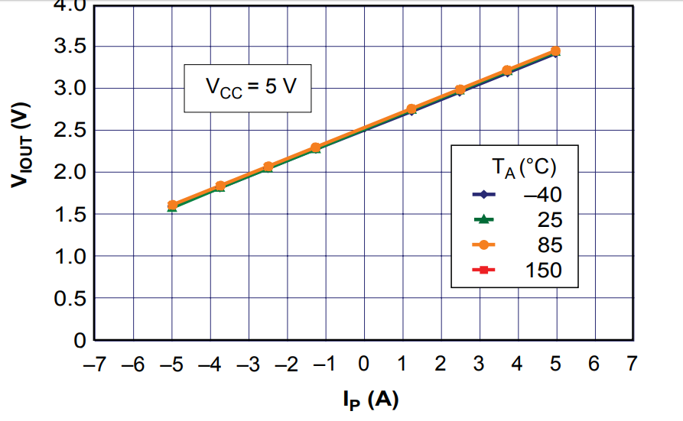

2.5
2.685 | -0.185 | -0.925
2.315 | 0.37 | 1.85

Voltage out varies from just above 1.5V to just below 3.5
2.5V in the middle
plus or minus 1V

Time | Sample 1 | Sample 2
1 | 950.2 | 989.93
2 | 916.38 | 868.57
3 | 817.89 | 772.78
4 | 736.79 | 696.72
5 | 669.54 | 633.32
6 | 613.57 | 584.75
7 | 566.11 | 541.68
8 | 523.48 | 504.03
9 | 485.66 | 466.09
10 | 451.33 | 438.74
11 | 423.57 | 413.43
12 | 402.7 | 387.97
13 | 388.12 | 373.14
14 | 367.58 | 345.15
15 | 349.93 | 325.39
16 | 340.61 | 315.33
17 | 330.92 | 301.82
18 | 318.02 | 290.74
19 | 311.55 | 282.33
20 | 303.36 | 273.49
21 | 298.01 | 267.53
22 | 291.97 | 268.03
23 | 286.67 | 264.36
24 | 282.72 | 260.11
25 | 284.33 | 257.17
26 | 280.98 | 254.68
27 | 277.02 | 253.66
28 | 274.31 | 254.31
29 | 269.71 | 249.85
30 | 268.56 | 248.59
31 | 267.1 | 243.75
32 | 265.1 | 245.57
33 | 266.52 | 245.87
34 | 262.67 | 237.94
35 | 260.63 | 241.01
36 | 258.69 | 416.69
37 | 259.22 | 408.22
38 | 257.09 | 378.16
39 | 256.85 | 359.68
40 | 256.33 | 346.59
41 | 252.33 | 328.56
42 | 250.87 | 314.09
43 | 323.11 | 306.07
44 | 428.34 | 296.82
45 | 403.05 | 294.1
46 | 382.56 | 288.52
47 | 364.52 | 284.5
48 | 349.91 | 280.64
49 | 335.92 | 271.31
50 | 324.11 | 268.8
51 | 313.31 | 267.1
52 | 307.94 | 263.21
53 | 299.34 | 258.91
54 | 293.86 | 256.3
55 | 288.74 | 248.61
56 | 282.5 | 242.05
57 | 278.42 | 248.02
58 | 275.88 | 452.81
59 | 271.01 | 420.59
60 | 269.58 | 391.18
61 | 266.14 | 367.17
62 | 263.86 | 350.84
63 | 263.71 | 333.32
64 | 263.13 | 319.09
65 | 262 | 307.6
66 | 259.87 | 299.54
67 | 259.95 | 294.56
68 | 259.23 | 282.98
69 | 259.83 | 278.38
70 | 255.78 | 268.71
71 | 297.41 | 268.62
72 | 456.26 | 265.52
73 | 425.93 | 260.74
74 | 402.81 | 258.59
75 | 381.24 | 256.02
76 | 367.89 | 248.18
77 | 348.39 | 245.92
78 | 335.77 | 243.59
79 | 322.13 | 246.35
80 | 313.53 | 244.6
81 | 305.29 | 242.81
82 | 298.82 | 238.55
83 | 290.1 | 225.6
84 | 284.61 | 288.44
85 | 280.75 | 427.73
86 | 272.88 | 397.73
87 | 270.68 | 365.8
88 | 268.68 | 344.3
89 | 265.75 | 324.87
90 | 257.72 | 315.13
91 | 258.13 | 304.64
92 | 257.24 | 298.06
93 | 254.61 | 287.89
94 | 295.29 | 280.39
95 | 444.01
96 | 418.46
97 | 396.41
98 | 375.29
99 | 365.87
100 | 349.97
101 | 329.95
102 | 123.6

1
1
1
1

CombinedChart
Current draw during shooting
 | Battery1 | Battery2 | 5V
1 | 950.2 | 989.93 | 547.8
2 | 916.38 | 868.57 | 684.58
3 | 817.89 | 772.78 | 631.23
4 | 736.79 | 696.72 | 577.43
5 | 669.54 | 633.32 | 538.67
6 | 613.57 | 584.75 | 507.95
7 | 566.11 | 541.68 | 477.04
8 | 523.48 | 504.03 | 451.22
9 | 485.66 | 466.09 | 425.61
10 | 451.33 | 438.74 | 403.66
11 | 423.57 | 413.43 | 386.73
12 | 402.7 | 387.97 | 369.36
13 | 388.12 | 373.14 | 353.62
14 | 367.58 | 345.15 | 340.16
15 | 349.93 | 325.39 | 329.58
16 | 340.61 | 315.33 | 319.31
17 | 330.92 | 301.82 | 307.68
18 | 318.02 | 290.74 | 298.1
19 | 311.55 | 282.33 | 294.28
20 | 303.36 | 273.49 | 284.07
21 | 298.01 | 267.53 | 279.98
22 | 291.97 | 268.03 | 274.29
23 | 286.67 | 264.36 | 269.65
24 | 282.72 | 260.11 | 262.89
25 | 284.33 | 257.17 | 260.07
26 | 280.98 | 254.68 | 255.43
27 | 277.02 | 253.66 | 252.59
28 | 274.31 | 254.31 | 246.68
29 | 269.71 | 249.85 | 246.88
30 | 268.56 | 248.59 | 246.68
31 | 267.1 | 243.75 | 245.38
32 | 265.1 | 245.57 | 245.1
33 | 266.52 | 245.87 | 242.21
34 | 262.67 | 237.94 | 243.64
35 | 260.63 | 241.01 | 240.39
36 | 258.69 | 416.69 | 241.82
37 | 259.22 | 408.22 | 241.75
38 | 257.09 | 378.16 | 239.06
39 | 256.85 | 359.68 | 234.86
40 | 256.33 | 346.59 | 237.36
41 | 252.33 | 328.56 | 237.04
42 | 250.87 | 314.09 | 235.17
43 | 323.11 | 306.07 | 234.58
44 | 428.34 | 296.82 | 234.63
45 | 403.05 | 294.1 | 235.09
46 | 382.56 | 288.52 | 236.68
47 | 364.52 | 284.5 | 237.38
48 | 349.91 | 280.64 | 233.49
49 | 335.92 | 271.31 | 233.16
50 | 324.11 | 268.8 | 233.28
...

