Sayfa1
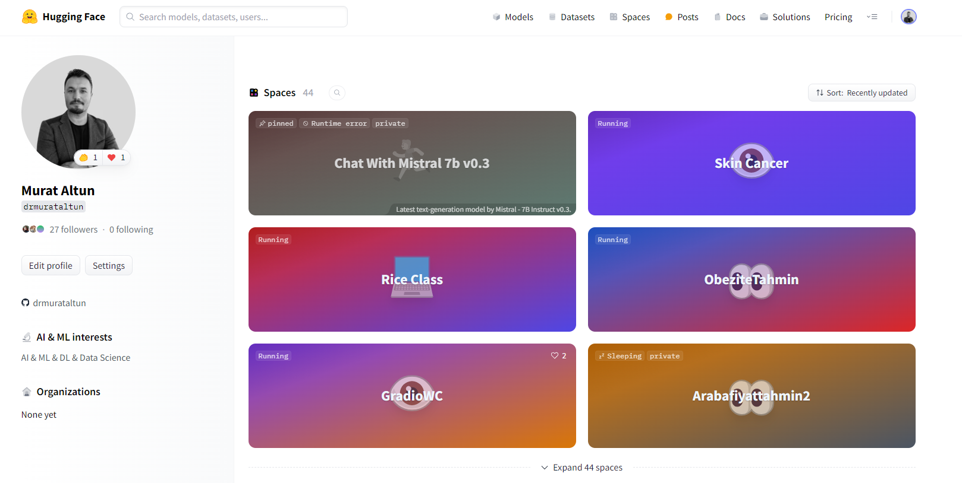
SN | Proje Adı | Kaggle Bağlantısı | Deploy/Uygulama Bağlantısı
1 | 5 Flowers | https://www.kaggle.com/code/drmurataltun/5-flowers-auto-keras | Auto Keras kullandım.
2 | A Large Fish Classification | https://www.kaggle.com/code/drmurataltun/a-large-scale-fish/ | -
3 | AI Glass Detection | https://www.kaggle.com/code/drmurataltun/ai-glass-detection | -
4 | American Express Predict | https://www.kaggle.com/code/drmurataltun/c-5-amex-predict-with-spark | -
5 | Binary Classification with a Bank Churn Dataset | https://www.kaggle.com/code/drmurataltun/binary-classification-with-a-bank-churn-dataset | https://churnanalys.streamlit.app/
6 | Chest X-Ray Images (Pneumonia) | https://www.kaggle.com/code/drmurataltun/c13-chest-x-ray-images-pneumonia | https://huggingface.co/spaces/drmurataltun/chest_xray
7 | Classification Model For NFL Big Data Bowl 2024 | https://www.kaggle.com/code/drmurataltun/classification-model-for-nfl-big-data-bowl-2024 | -
8 | Classification with an Academic Success Dataset | https://www.kaggle.com/code/drmurataltun/c2-classification-with-an-academic-success-dataset | -
9 | Data Manipulation and Data Visualization | https://www.kaggle.com/code/drmurataltun/titanic-data-visualization-and-predict | ilk Bronz Madalyam olduğu için bunu da eklemek istedim
10 | MC Prediction Siroz | https://www.kaggle.com/code/drmurataltun/c3-multi-class-prediction-of-cirrhosis-outcomes-pi | https://sirozml.streamlit.app/
11 | Multi-Class Prediction of Obesity Risk | https://www.kaggle.com/code/drmurataltun/c9-mastering-classification-obezite | https://huggingface.co/spaces/drmurataltun/ObeziteTahmin
12 | My Data set | https://www.kaggle.com/datasets/drmurataltun/antalya-muratpaa-daire-kira-cretleri-2024-ocak/data | Bu veri uygulamada web kazıma ile oluşturduğum emlak kiralık daire veri setini kaggle yükledim ve hızlı başlangıç için ona bir nb oluşturdum. Yapmadığım uygulamalrı da yapmak için bunu denedim. Üstüne bunu öğrencilerim için yarışma haline getireceğim.
13 | NextEra Energy Inc. Stocks Modelleme | https://www.kaggle.com/code/drmurataltun/nextera-energy-inc-stocks-zaman-serisi
14 | Regression with a Mohs Hardness | https://www.kaggle.com/code/drmurataltun/c8-regression-with-a-mohs-hardness | https://mohshardness.streamlit.app/
15 | Rice Classification % 99 Accuracy CNN | https://www.kaggle.com/code/drmurataltun/rice-classification-99-accuracy-cnn | https://huggingface.co/spaces/drmurataltun/rice_class
16 | San Fransisco Crime | https://www.kaggle.com/code/drmurataltun/san-francisco-crimes-catboostclassifier | -
17 | Santander Customer Transaction | https://www.kaggle.com/code/drmurataltun/santander-customer-transaction | -
18 | Smoker Status Prediction using Bio-Signals | https://www.kaggle.com/code/drmurataltun/notebookd80d01ab88 | https://smoker.streamlit.app/
19 | Titanic Auto ML - Deploy | https://www.kaggle.com/code/drmurataltun/c1-titanic-auto-ml | https://titanicpredict.streamlit.app/
20 | Tr Banknot Classsification | https://www.kaggle.com/code/drmurataltun/c-12-tl-banknot | https://huggingface.co/spaces/drmurataltun/turkishbanknot

 | Hugging Face | https://huggingface.co/drmurataltun | Bootcamp boyunca toplam 44 proje
 | Kaggle Profile | https://www.kaggle.com/drmurataltun | toplam 130 Notebook 25 Açık proje

