Model
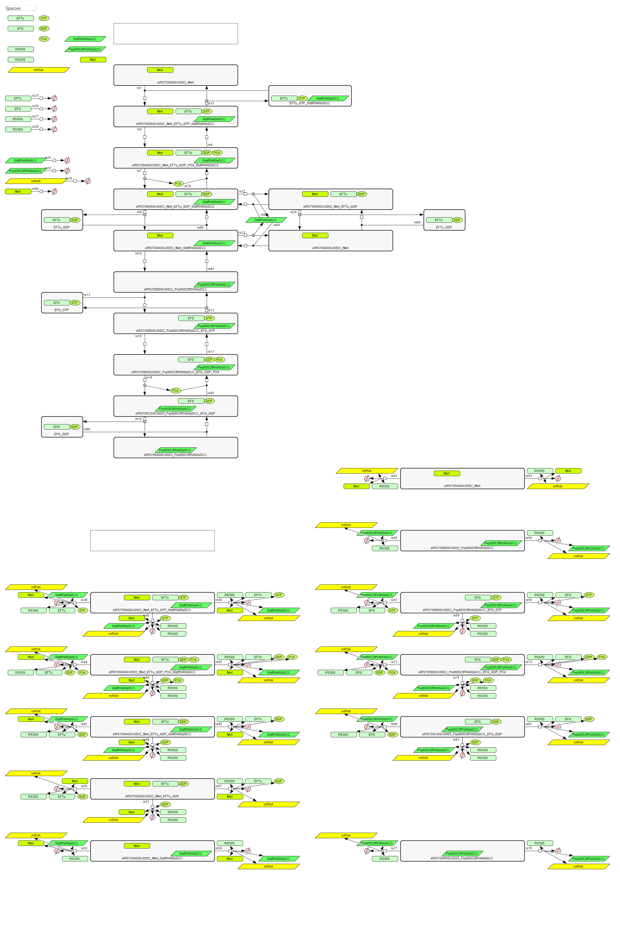
Elongation_Ca2_pept0002

