Model
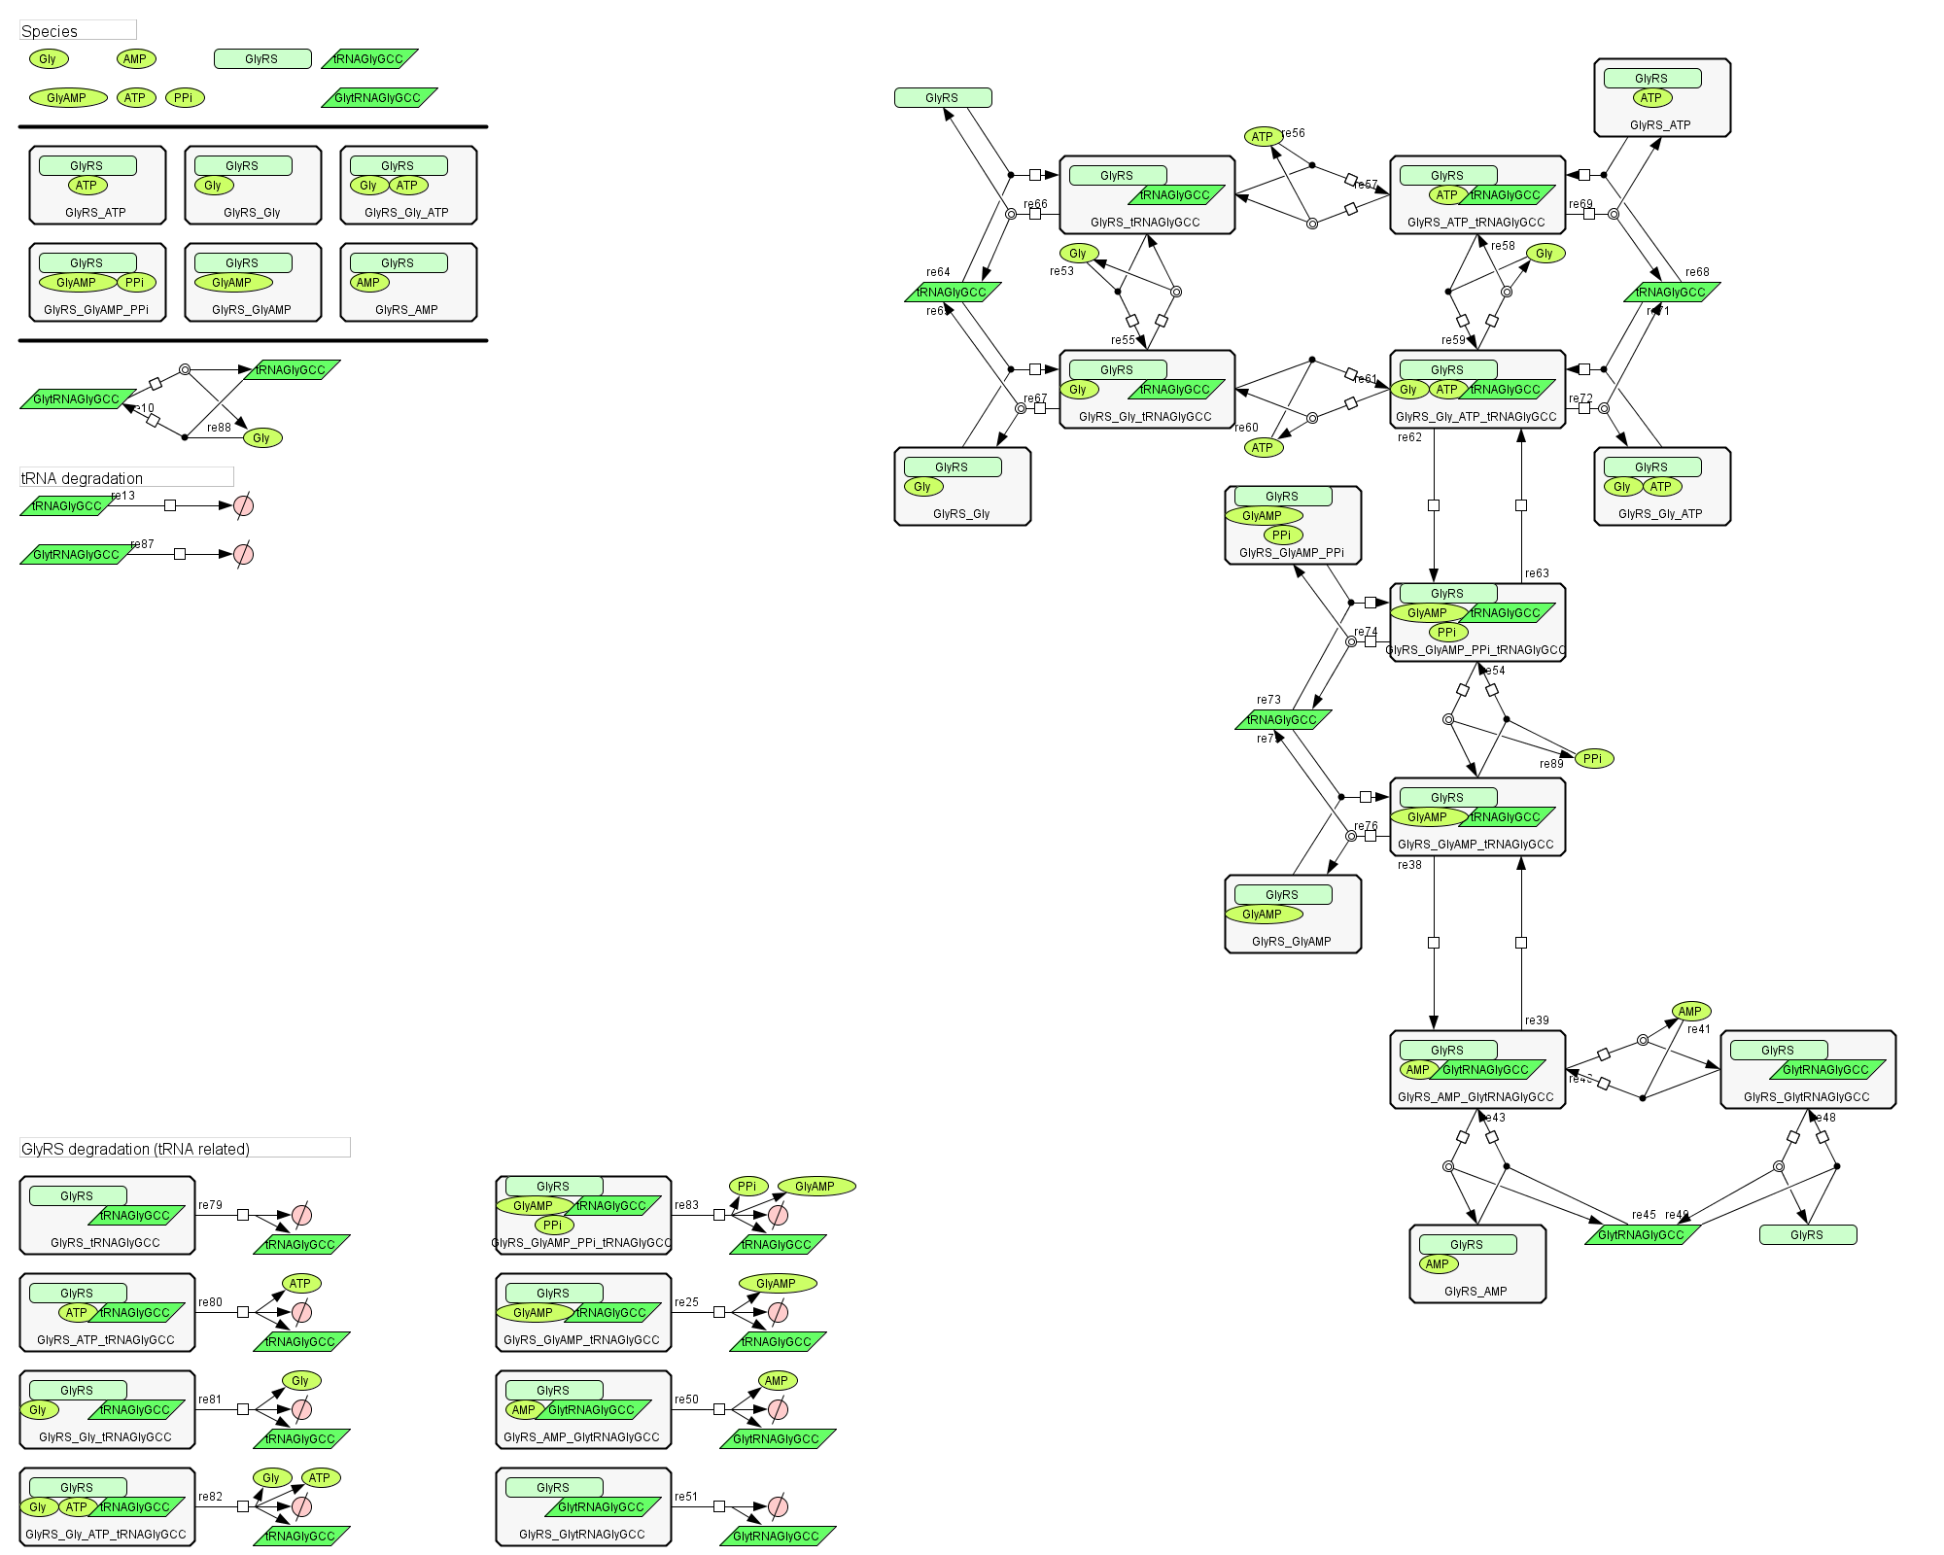
Aminoacylation_B_GlyGCC

