Model
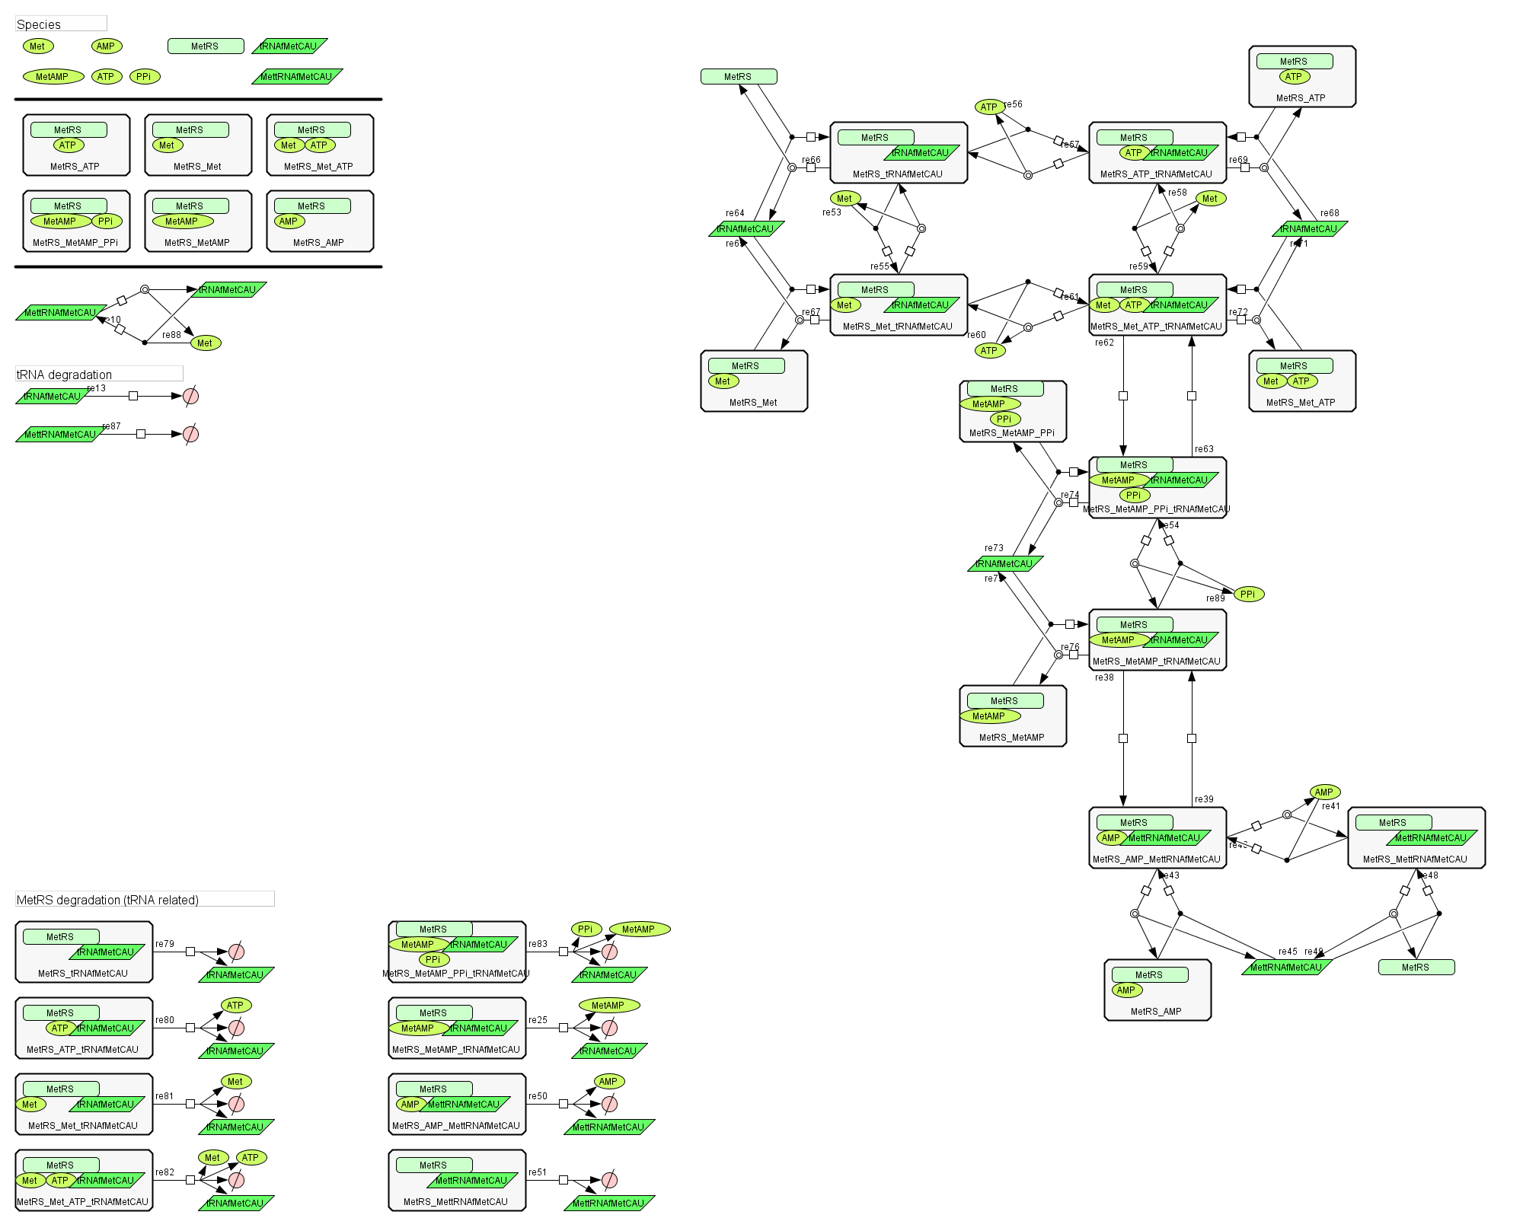
Aminoacylation_B_fMetCAU

