Sheet1
 |  |  |  |  |  |  |  |  |  |  |  |  |  |  |  |  |  |  |  |  |  |  |  |  |  |  |  |  |  |  |  |  |  |  |  |  |  |  |  |  |  |  |  |  |  |  |  |  |  |  | G

 |  |  |  |  |  |  |  |  |  |  |  |  |  |  |  |  |  |  |  |  |  |  |  | Moon's Exterior

 |  |  |  |  |  |  |  |  |  |  |  |  |  |  |  |  |  |  |  |  |  |  |  |  |  |  |  |  |  |  |  |  |  |  |  |  |  |  |  |  |  |  |  |  |  |  |  |  |  |  |  | IS Rooms
 |  |  |  |  |  |  |  |  | good pearl spot |  |  |  |  |  |  |  |  |  |  |  |  |  |  |  |  |  |  |  |  |  |  |  |  |  |  |  |  |  |  |  |  |  |  |  |  |  |  |  |  |  |  | 12
 |  |  |  |  |  |  |  |  | broken room (dead end) -> |  |  | 8 |  |  |  |  |  |  |  |  |  |  |  |  |  |  |  |  |  |  |  |  |  |  |  |  |  |  |  |  |  |  |  |  |  |  |  |  |  |  |  | Spire remake
 |  |  |  |  |  |  |  |  |  |  |  | * |  |  |  |  |  |  |  |  |  |  |  |  |  |  |  |  |  |  |  |  |  |  |  |  |  |  |  |  |  |  |  |  |  |  |  |  |  |  |  | 5
 |  |  |  |  |  |  |  |  |  |  |  | 1 |  |  |  |  |  |  |  |  |  |  |  |  |  |  |  |  |  |  |  |  |  |  |  |  |  |  |  |  |  |  |  |  |  |  |  |  |  |  |  | Gates
 |  |  |  |  |  |  |  |  |  |  |  |  |  |  |  |  |  |  |  |  |  |  |  |  |  |  |  |  |  |  |  |  |  |  |  |  |  |  |  |  |  |  |  |  |  |  |  |  |  |  |  | 2

 |  |  |  |  |  |  |  |  |  |  |  | *
 |  |  |  |  |  |  |  |  |  |  |  | 2 |  |  |  |  |  |  |  |  |  |  |  |  |  |  |  |  |  |  |  |  |  | to Looks to the Moon |  |  |  |  |  |  |  | on-way exit from Looks to the moon
 |  |  |  |  |  |  |  |  |  |  |  | * |  |  |  |  |  |  |  |  |  |  |  |  |  |  |  |  |  | 28 |  |  | * | GA
 |  |  |  |  |  |  |  |  |  |  |  | 3 |  |  |  |  |  |  |  |  |  |  |  |  |  |  |  |  |  | *
* |  |  |  |  |  |  |  |  |  |  |  | * |  |  |  |  |  |  |  |  |  |  |  |  |  |  | 26 |  | * | 25
 |  |  |  |  |  |  |  |  |  |  |  | 5 |  |  |  |  |  |  |  |  |  |  |  |  |  |  | |
 |  |  |  |  |  |  |  |  |  |  |  | * |  |  |  |  |  |  |  |  |  |  |  |  |  |  | | |  |  | * |  |  |  |  |  |  |  |  | D04
 |  |  |  |  |  |  |  |  |  |  |  | 14 |  |  |  |  |  |  |  |  |  |  |  |  |  |  | 12 | * | 21 |  |  |  |  |  |  |  |  |  |  |  |  | GA
 |  |  |  |  |  |  |  |  |  |  |  |  |  |  |  |  |  |  |  |  |  |  |  |  |  |  |  |  | * |  | * |  |  |  |  |  |  | / | S01
 |  |  |  |  |  |  |  |  |  |  |  | * | 13 |  |  | * | 19 |  | * | 9 |  | * | 17 |  |  |  |  | * | 20 |  | 31 | * | 11 |  | * | 8
 |  |  |  |  |  |  |  |  |  |  |  |  |  |  |  |  | * |  |  |  |  |  |  |  |  |  |  |  |  | ^
 |  |  |  |  |  |  |  |  |  |  |  |  |  |  |  |  | 7 |  |  |  |  |  |  |  |  |  |  |  |  | | |  |  |  |  |  |  |  | *
 |  |  |  |  |  |  |  |  |  |  |  |  |  |  |  |  |  |  |  |  |  |  |  |  |  |  |  |  |  | Entrence location for looks to the moon |  |  |  |  |  |  |  | 27
 |  |  |  |  |  |  |  |  |  |  |  |  |  |  |  |  |  | * | 6
 |  |  |  |  |  |  |  |  |  |  |  |  |  |  |  |  |  |  |  |  |  |  |  |  |  |  |  |  |  |  |  |  |  |  |  | 29 | *

 |  |  |  |  |  |  |  |  |  |  |  |  |  |  |  |  |  |  | * |  |  |  |  |  |  |  |  |  |  |  |  |  |  |  |  |  | o | 33
 |  |  |  |  |  |  |  |  |  |  |  |  |  |  |  |  |  |  | 16

 |  |  |  |  |  |  |  |  |  |  |  |  |  |  |  |  | 22 | * |  |  |  |  |  |  |  |  |  |  |  |  |  |  |  |  |  |  |  | *
 |  |  |  |  |  |  |  |  |  |  |  |  |  |  |  |  |  |  |  |  |  |  |  |  |  |  |  |  |  |  |  |  |  |  |  |  |  | 32
 |  |  |  |  |  |  |  |  |  |  |  |  |  |  |  |  |  | * | 23 |  |  |  |  |  |  |  | Fixed version for continuity
 |  |  |  |  |  |  |  |  |  |  |  |  |  |  |  |  |  |  |  |  |  |  |  |  |  |  |  |  |  |  |  |  |  |  |  |  | *
 |  |  |  |  |  |  |  |  |  |  |  |  |  |  |  |  |  |  | * |  |  |  |  |  |  |  |  |  |  |  |  |  |  |  |  | 30
 |  |  |  |  |  |  |  |  |  |  |  |  |  |  |  |  |  |  | 24

 |  |  |  |  |  |  |  |  |  |  |  |  |  |  | to shoreline |  | GA | * |  |  |  |  |  |  |  |  |  |  |  |  |  |  |  |  |  | *

 |  |  |  |  |  |  |  |  |  |  |  |  |  |  |  |  |  |  |  |  |  |  |  |  |  |  |  |  |  |  |  |  |  |  |  | L01

 |  |  |  |  |  |  |  |  |  |  |  |  |  |  |  |  |  |  |  |  |  |  |  |  |  |  |  |  |  |  |  |  |  |  |  | *

 |  |  |  |  |  |  |  |  |  |  |  |  |  |  |  |  |  |  |  |  |  |  |  |  |  |  |  |  |  |  |  |  |  |  |  |  |  | *
 |  |  |  |  |  |  |  |  |  |  |  |  |  |  |  |  |  |  |  |  |  |  |  |  |  |  |  |  |  |  |  |  |  |  |  |  |  | GA
 |  |  |  |  |  |  |  |  |  |  |  |  |  |  |  |  |  |  |  |  |  |  |  |  |  |  |  |  |  |  |  |  |  |  |  |  |  | to siphonal system

 |  |  |  |  |  |  |  |  |  |  |  |  |  |  |  |  |  |  |  |  |  |  |  |  |  |  |  |  |  |  |  |  |  |  |  |  |  |  |  | 3,4

 |  |  |  |  |  |  |  |  |  |  |  |  |  |  |  |  |  |  |  |  |  |  |  |  |  |  |  |  |  |  |  |  |  |  | otter | *
 |  |  |  |  |  |  |  |  |  |  |  |  |  |  | Moon's Interior

 |  |  |  |  |  |  |  |  |  |  |  |  |  |  | AI |  |  |  |  |  |  |  |  |  |  |  |  |  |  |  |  |  |  |  | *
 |  |  |  |  |  |  |  |  |  |  |  |  |  |  | *
 |  |  |  |  |  |  |  | I01 |  |  |  | S10 |  | G01 |  |  |  |  |  |  |  |  |  |  |  |  |  |  |  |  |  |  |  |  |  | *
Room | cameras |  |  |  | S06 | A16 | * |  |  |  | * | A15 | *
 |  |  |  |  |  | * |  |  |  |  |  |  |  |  |  |  | * | D07 | * | C04 |  |  | * | M04 | * | M01
 |  | E01 | * | C09 |  |  |  |  |  |  |  |  |  |  |  |  |  |  |  |  |  |  |  | * |  | * | M03 | * | A07 |  |  |  |  |  | F09 |  |  |  |  |  | good color for outlaw |  |  |  |  |  |  |  |  | 1
 |  |  |  |  |  | * |  |  |  |  |  |  |  |  | * |  |  |  |  |  |  |  |  | A14 |  |  | / |  |  |  |  |  |  |  |  | otter |  |  |  |  | #c6819f
 |  |  |  |  |  | T01 |  |  |  |  |  |  |  |  | G02 | * | A03 |  |  |  |  |  |  | * | M06 | - |  |  |  |  |  |  |  |  |  |  |  |  |  |  |  |  |  |  |  | 1
 |  |  |  |  |  |  |  |  |  |  |  |  |  |  |  |  |  |  |  |  |  |  |  |  | * | M05 | * | M07 | * | F01
 |  |  |  |  |  |  |  | T02 |  |  |  |  |  |  | * |  |  |  |  |  |  |  |  |  |  |  |  |  |  |  |  |  |  |  |  | C02
 |  |  |  |  |  |  | * |  |  |  | * | D03 | * | J03 |  |  |  |  |  |  |  |  |  |  |  |  |  |  |  |  |  |  |  |  |  | otter
 |  |  |  |  |  | * |  |  |  |  |  |  |  |  |  |  | S01
 |  |  |  |  | G09 |  |  |  | *
 |  |  |  |  |  |  | * | T03
 |  |  |  |  | * |  |  |  |  |  |  |  |  |  |  |  |  |  |  |  |  |  |  |  |  |  |  |  |  | * |  |  |  |  |  | D08
 |  |  |  |  | A04 |  |  |  | * |  |  |  |  |  |  |  |  |  |  |  |  |  |  |  |  | GA | * | D01 |  |  |  |  |  |  |  |  |  |  |  |  |  |  |  |  |  |  |  |  |  |  |  |  |  |  |  |  |  |  |  |  |  | Moon's Exterior
 |  |  |  |  | * |  |  |  | T04 |  |  |  |  |  |  |  |  |  |  |  |  |  |  |  |  |  |  |  |  |  |  |  |  |  | F04 |  |  |  |  |  |  |  |  |  |  |  |  |  |  |  |  |  |  |  |  |  |  |  |  |  |  | GA
 |  |  |  |  | T05 |  |  |  |  |  |  |  |  |  |  |  |  |  |  |  |  |  |  |  |  |  |  |  |  |  |  |  |  |  |  | otter |  |  |  |  |  |  |  |  |  |  |  |  |  |  |  |  |  |  |  |  |  |  |  |  |  | *
 |  |  |  |  |  |  |  |  |  |  |  |  |  |  |  |  |  |  |  |  |  |  |  |  |  |  |  |  |  |  |  |  |  |  |  |  |  |  |  |  |  |  |  |  |  |  |  |  |  |  |  |  |  |  |  | S06 |  |  |  | v03 | riv
 |  |  |  |  |  |  |  |  |  |  |  |  |  |  |  |  |  |  |  |  |  |  |  |  |  |  |  |  |  |  |  |  |  |  |  |  |  | Pebbles' Exterior |  |  |  |  |  |  |  |  |  |  |  |  |  |  |  |  |  | B04 |  | 2 |  |  | *
 |  |  |  |  |  | * |  |  | * |  |  |  |  |  |  |  |  |  |  |  |  |  |  |  |  |  |  |  |  |  |  |  |  |  |  |  | L02 | GA | * | riv |  |  | Shoreline |  | 2 |  |  |  | 5 |  |  | 1 |  |  |  |  | * |  |  |  | riv
 |  |  |  |  |  | D05 | * | F02 |  |  |  | 1 |  |  |  |  |  |  |  |  |  |  |  |  |  |  |  |  |  |  |  |  |  |  |  |  |  |  |  | F04 |  |  | GA | * | B01 |  | * | B02 |  |  | * | B03 | * | A05 |  | * | B05 |  |  | v02
 |  |  |  |  |  |  |  |  |  |  |  | S02 |  |  |  |  |  |  |  |  |  |  |  |  |  |  |  |  |  |  |  |  |  |  |  |  |  |  |  | 6 |  |  |  |  |  |  | S01 |  |  |  |  |  |  |  |  |  | * |  |  | 4
 |  |  |  |  |  |  |  |  |  | * | B04 |  |  |  |  |  |  |  |  |  |  |  |  |  |  |  |  |  |  |  |  |  |  |  |  |  |  |  |  |  |  |  |  |  |  |  |  |  | | |  |  |  |  |  |  |  | V08 |  |  |  |  |  |  | Rooms to fix"
 |  |  |  |  |  |  |  |  |  |  |  |  | * | B03 |  |  | * | J01 |  |  | * |  |  |  |  |  |  |  |  |  |  |  |  |  |  |  |  | desalination filter |  | * |  |  |  |  |  |  |  | 1 | Drain | - | V06 |  |  |  |  |  | * |  |  |  |  |  |  | SL_D03 | water level
 |  |  |  |  |  |  |  |  |  |  |  |  |  |  |  |  |  |  |  |  | * |  |  |  |  |  |  |  |  |  |  |  |  |  |  |  |  |  |  | riv |  |  |  |  |  |  |  |  |  |  |  | * |  |  |  |  |  |  |  |  |  |  |  | SL_A13
 |  |  |  |  |  |  |  | 38 |  |  |  |  |  |  | * |  |  |  |  |  |  |  |  |  |  |  |  |  |  |  |  |  |  |  |  |  |  |  |  | F03 | S05 |  |  |  |  |  | V01 |  | * | V04 |  |  |  |  | / |  | V07 |  | \ |  | *
 |  |  |  |  |  |  |  |  |  |  |  |  |  |  | B02 |  |  |  |  |  |  |  |  |  |  |  |  |  |  |  |  |  |  |  |  |  |  |  |  | 4 |  |  |  |  |  |  | * |  |  |  |  |  |  |  |  |  |  |  |  | V05
 |  |  |  |  |  |  |  |  |  |  |  |  |  |  | * |  |  |  |  |  |  |  |  |  |  |  |  |  |  |  |  |  |  |  |  |  |  |  |  |  |  |  |  |  |  |  | G04 |  |  |  | | |  |  |  |  |  |  |  |  |  |  | *
 |  |  |  |  |  |  |  |  |  |  |  |  |  |  | B01 |  |  |  |  |  |  |  |  |  |  |  |  |  |  |  |  |  |  |  |  |  |  |  |  |  | * | riv |  |  |  |  |  |  |  |  |  |  |  | G03 | * | G01 |  |  |  | * | G02
 |  |  |  |  |  |  |  |  |  |  |  |  |  |  |  |  |  |  |  |  |  |  |  |  |  |  |  |  |  |  |  |  |  |  |  |  |  |  |  |  |  | F02 |  |  |  |  |  | * |  |  | Gravity Amplifier |  | * |  |  |  |  | 5 |  |  |  |  | S02
 |  |  |  |  |  |  |  |  |  |  |  |  |  |  | * |  |  |  |  |  |  |  |  |  |  |  |  |  |  |  |  |  |  |  |  |  |  |  |  |  |  | 3 |  |  |  |  |  |  |  |  |  |  |  | 3 |  |  |  |  |  |  | 5
 |  |  |  |  |  |  |  |  |  |  |  |  |  |  | GA |  |  |  |  |  |  |  |  |  |  |  |  |  |  |  |  |  |  |  |  |  |  |  |  |  |  | * |  |  |  |  |  |  |  |  | 6
 |  |  |  |  |  |  |  |  |  |  |  |  |  |  |  |  |  |  |  |  |  |  |  |  |  |  |  |  |  |  |  |  |  |  |  |  |  |  |  |  |  | riv |  |  |  |  |  |  |  |  | Gravity Pump
 |  |  |  |  |  |  |  |  |  |  |  |  |  |  |  |  |  |  |  |  |  |  |  |  |  |  |  |  |  |  |  |  |  |  |  |  |  |  |  |  | 1 | F01
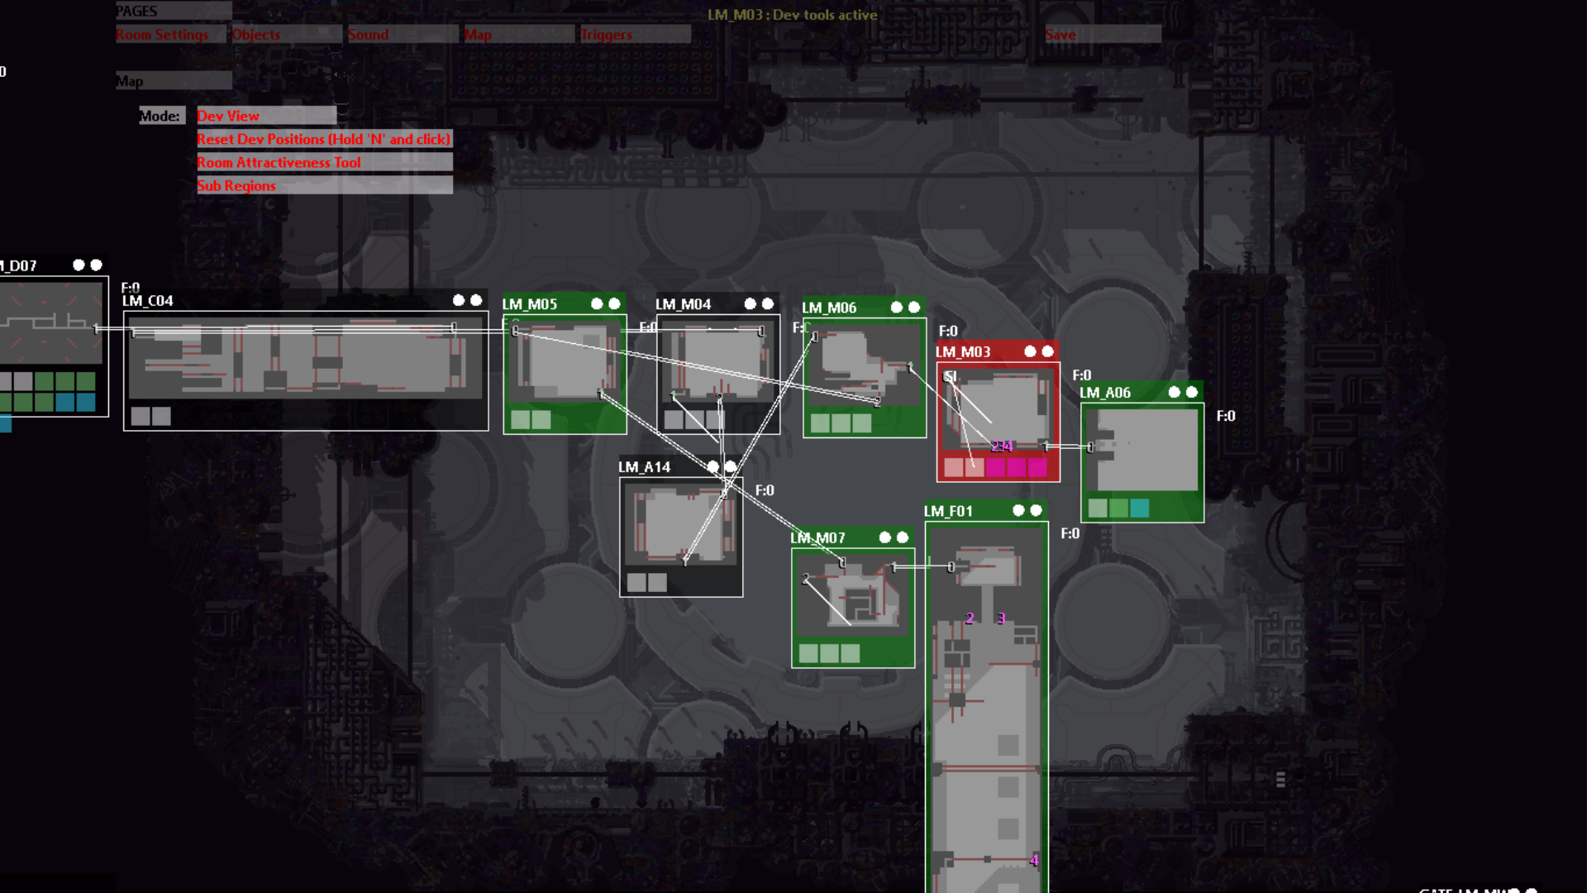
 |  |  |  |  |  |  |  |  |  |  |  |  |  |  |  |  |  |  |  |  |  |  |  |  |  |  |  |  |  |  |  |  |  |  |  |  |  |  |  |  |  | |

