Sheet1
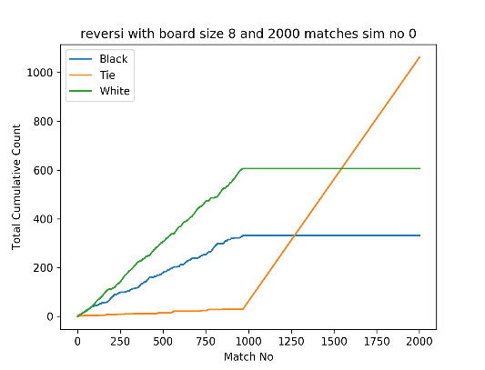
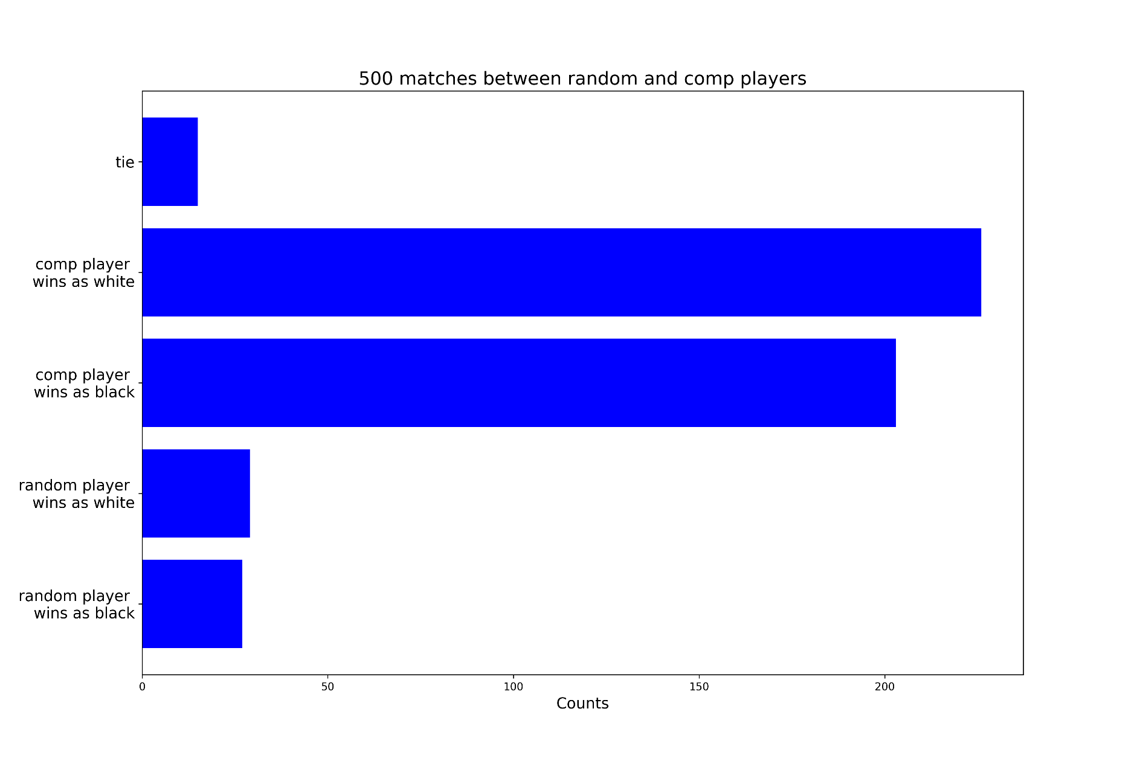
Tie Game From Sim 2 |  |  |  |  |  |  |  | Tie Game From Sim 3 |  |  |  |  |  |  |  | Weights Sim 0
0 | 0 | 0 | 0 | 0 | 0 | 0 | 0 | 0 | 0 | 0 | 0 | 0 | 0 | 0 | 0 | 412 | 0 | -6 | 108 | 120 | 148 | -39 | 424
0 | 0 | 0 | 0 | 0 | 0 | 0 | 0 | 0 | 0 | 0 | 0 | 0 | 0 | 0 | 0 | -98 | -124 | -138 | 20 | -96 | -108 | -219 | 17
0 | 0 | 0 | 0 | 0 | 0 | 0 | 0 | 0 | 0 | 0 | 0 | 0 | 0 | 0 | 0 | 59 | 28 | 214 | -105 | -212 | 191 | -144 | 44
0 | 0 | 0 | -1 | 1 | 0 | 0 | 0 | 0 | 0 | 0 | -1 | 1 | 0 | 0 | 0 | -121 | -140 | -23 | 0 | 0 | -207 | -192 | 76
0 | 0 | 0 | 1 | -1 | 0 | 0 | 0 | 0 | 0 | 0 | 1 | -1 | 0 | 0 | 0 | 275 | -159 | -225 | 0 | 0 | 275 | -106 | 196
0 | 0 | 0 | 0 | 0 | 0 | 0 | 0 | 0 | 0 | 0 | 0 | 0 | 0 | 0 | 0 | 52 | 6 | 79 | -222 | -126 | -106 | -97 | -42
0 | 0 | 0 | 0 | 0 | 0 | 0 | 0 | 0 | 0 | 0 | 0 | 0 | 0 | 0 | 0 | -186 | 281 | -158 | 248 | -64 | 242 | -214 | -100
0 | 0 | 0 | 0 | 0 | 0 | 0 | 0 | 0 | 0 | 0 | 0 | 0 | 0 | 0 | 0 | 154 | -53 | 58 | -2 | -50 | 146 | -124 | 362

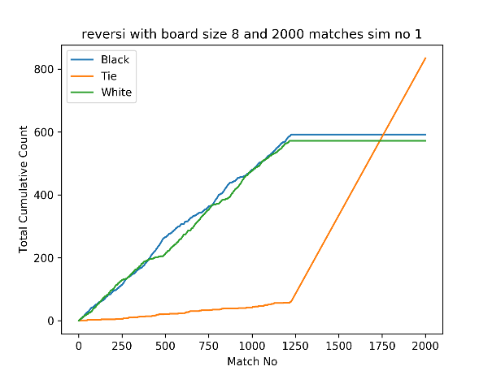
 |  |  |  |  |  |  |  |  |  |  |  |  |  |  |  | Weights Sim1
0 | 0 | 0 | 0 | 0 | 0 | 0 | 0 | 0 | 0 | 0 | 0 | 0 | 0 | 0 | 0 | 256 | -64 | 98 | -106 | 122 | 24 | -117 | 349
0 | 0 | 0 | 0 | 0 | 0 | 0 | 0 | 0 | 0 | 0 | 0 | 0 | 0 | 0 | 0 | -64 | -66 | 54 | -60 | -62 | 26 | 36 | -126
0 | 0 | 0 | 0 | 0 | 0 | 0 | 0 | 0 | 0 | 0 | 0 | 0 | 0 | 0 | 0 | 92 | -36 | 62 | -38 | -108 | -102 | -26 | 42
0 | 0 | 0 | -1 | 1 | 0 | 0 | 0 | 0 | 0 | 0 | -1 | -1 | -1 | 0 | 0 | -74 | -86 | 68 | 0 | 0 | 30 | -118 | 136
0 | 0 | -1 | -1 | -1 | 0 | 0 | 0 | 0 | 0 | 0 | 1 | -1 | 0 | 0 | 0 | 82 | -84 | 32 | 0 | 0 | -44 | -70 | -46
0 | 0 | 0 | 0 | 0 | 0 | 0 | 0 | 0 | 0 | 0 | 0 | 0 | 0 | 0 | 0 | 30 | -30 | -68 | 34 | 0 | -34 | 62 | 72
0 | 0 | 0 | 0 | 0 | 0 | 0 | 0 | 0 | 0 | 0 | 0 | 0 | 0 | 0 | 0 | -72 | -54 | 44 | -58 | -46 | 58 | -176 | -166
0 | 0 | 0 | 0 | 0 | 0 | 0 | 0 | 0 | 0 | 0 | 0 | 0 | 0 | 0 | 0 | 397 | -82 | -26 | 102 | -80 | 148 | -135 | 463

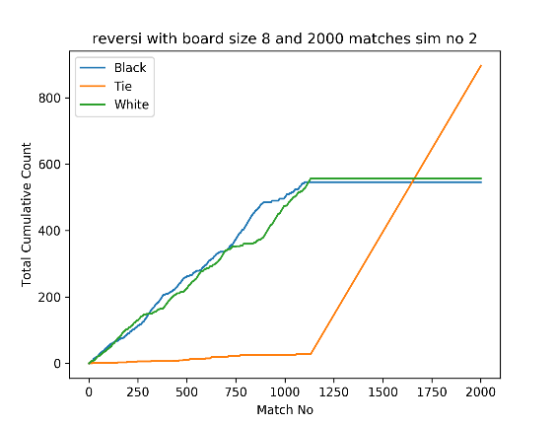
 |  |  |  |  |  |  |  |  |  |  |  |  |  |  |  | Weights Sim 2
0 | 0 | 0 | 0 | 0 | 0 | 0 | 0 | 0 | 0 | 0 | 0 | 0 | 0 | 0 | 0 | 556 | -107 | 79 | 37 | 103 | 43 | 59 | 323
0 | 0 | 0 | 0 | 0 | 0 | 0 | 0 | 0 | 0 | 0 | 0 | 0 | 0 | 0 | 0 | -111 | -227 | 155 | 77 | -29 | 29 | -201 | -31
0 | 0 | 0 | 0 | 0 | 0 | 0 | 0 | 0 | 0 | 0 | 0 | 0 | 1 | 0 | 0 | 125 | -73 | 13 | -42 | -223 | 17 | -215 | 33
0 | 0 | 0 | -1 | 1 | 0 | 0 | 0 | 0 | 0 | 0 | -1 | 1 | -1 | 0 | 0 | 27 | -129 | -33 | 0 | 0 | -199 | 13 | 121
0 | 0 | -1 | 1 | -1 | 0 | 0 | 0 | 0 | 0 | 0 | 1 | -1 | 0 | 0 | 0 | 49 | 23 | 3 | 0 | 0 | 101 | -85 | -191
0 | 0 | 1 | 0 | 0 | 0 | 0 | 0 | 0 | 0 | 0 | 0 | 0 | 0 | 0 | 0 | 99 | -99 | -9 | -44 | -95 | 19 | -67 | 69
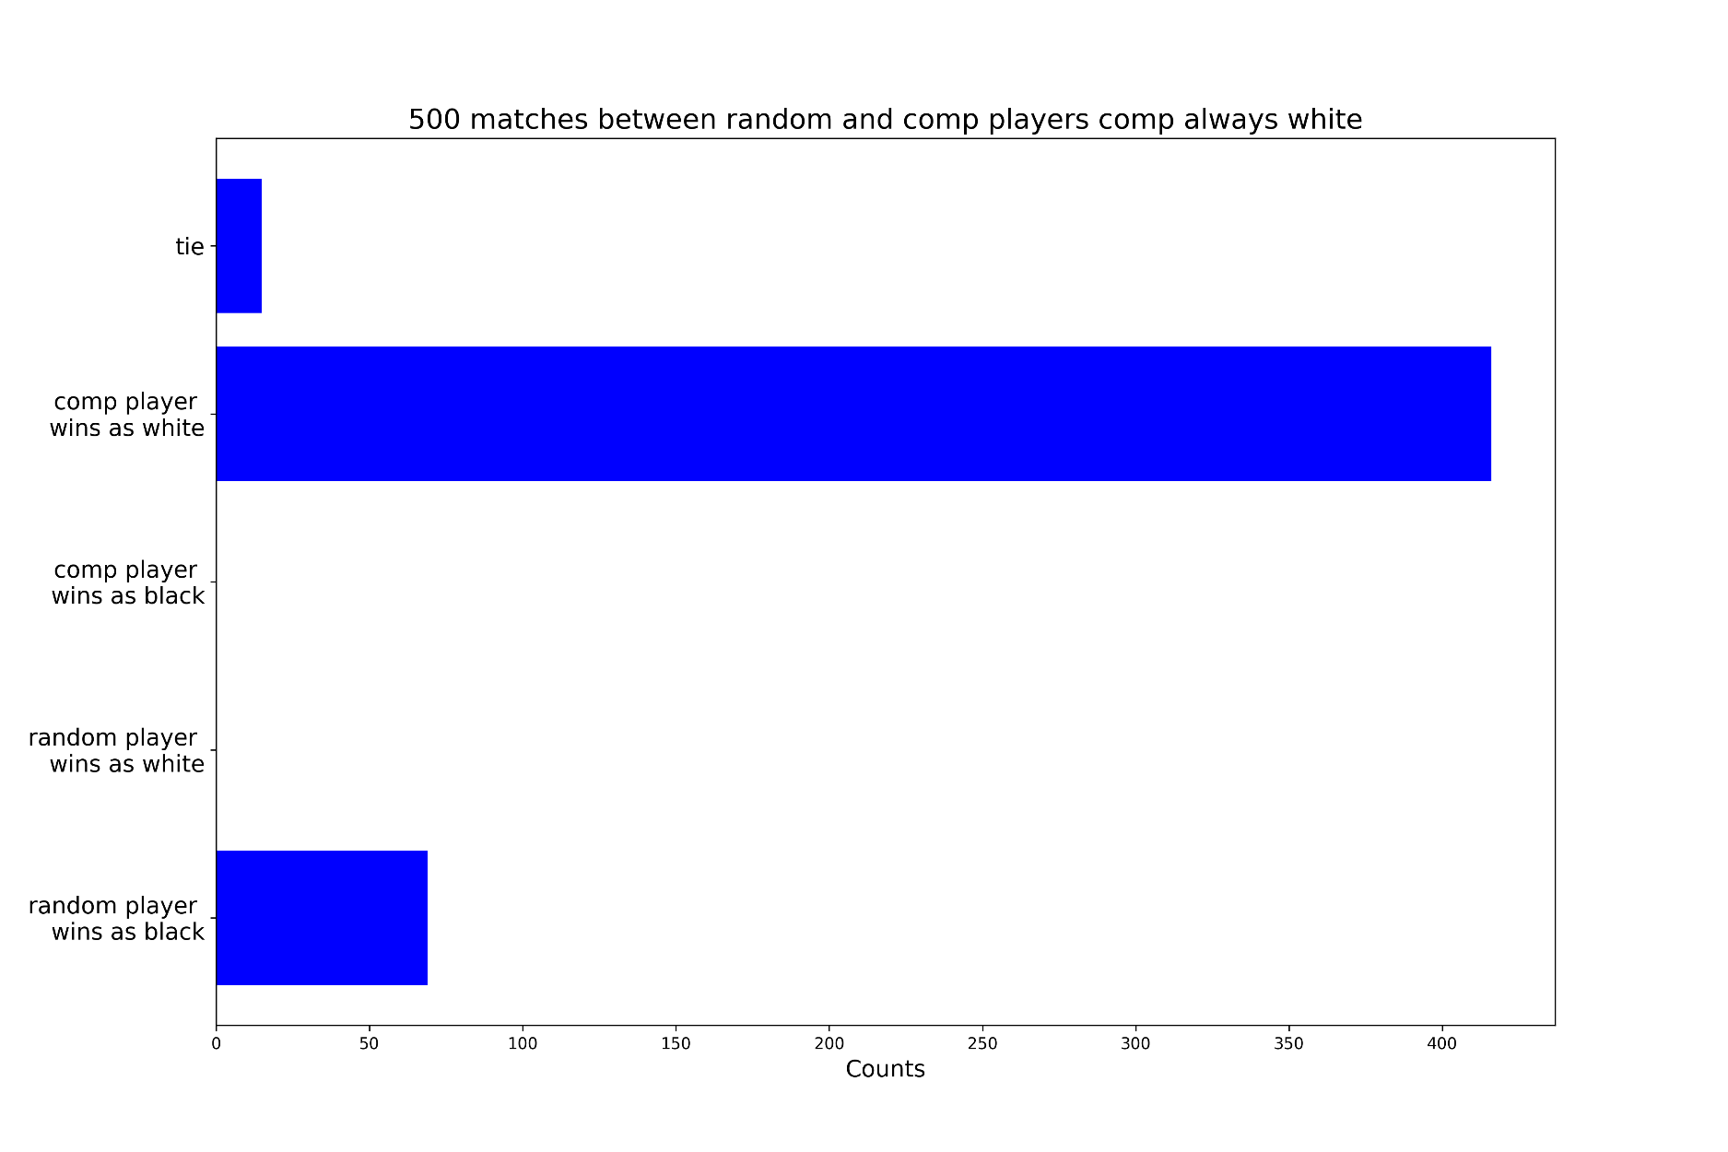
0 | 0 | 0 | 0 | 0 | 0 | 0 | 0 | 0 | 0 | 0 | 0 | 0 | 0 | 0 | 0 | -26 | -214 | 1 | -43 | 51 | -13 | 33 | -139
0 | 0 | 0 | 0 | 0 | 0 | 0 | 0 | 0 | 0 | 0 | 0 | 0 | 0 | 0 | 0 | 506 | 33 | 25 | 67 | -121 | 49 | -74 | 225

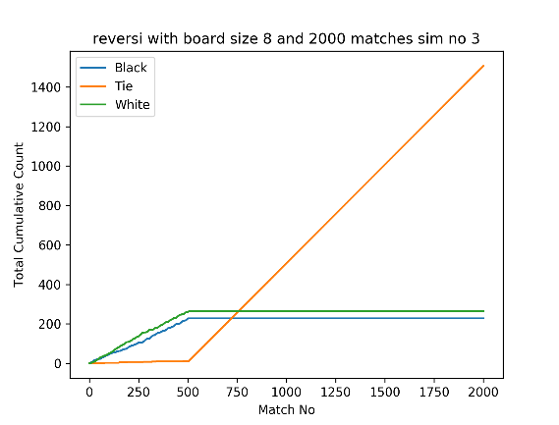
 |  |  |  |  |  |  |  |  |  |  |  |  |  |  |  | Weights Sim 3
0 | 0 | 0 | 0 | 0 | 0 | 0 | 0 | 0 | 0 | 0 | 0 | 0 | 0 | 0 | 0 | 194 | 20 | 54 | -38 | 70 | -32 | 35 | 183
0 | 0 | 0 | 0 | 0 | 0 | 0 | 0 | 0 | 0 | 0 | 0 | 0 | -1 | 0 | 0 | 11 | -99 | 26 | -62 | 18 | -8 | -46 | 13
0 | 0 | 0 | 0 | 0 | 0 | 0 | 0 | 0 | 0 | 0 | 0 | 0 | -1 | 0 | 0 | -13 | 65 | 26 | -103 | -82 | 28 | -38 | -70
0 | 0 | 0 | -1 | 1 | 0 | 0 | 0 | 0 | 0 | 0 | -1 | 1 | -1 | 0 | 0 | 57 | -67 | -79 | 0 | 0 | -6 | 4 | 66
0 | 0 | -1 | 1 | -1 | 0 | 0 | 0 | 0 | 0 | 0 | 1 | -1 | 0 | 0 | 0 | -9 | 107 | -81 | 0 | 0 | 14 | -63 | -52
0 | 0 | -1 | 0 | 0 | 0 | 0 | 0 | 0 | 0 | 0 | 0 | 0 | 0 | 0 | 0 | 3 | -12 | 12 | -36 | 24 | -4 | -82 | 74
0 | 0 | -1 | 0 | 0 | 0 | 0 | 0 | 0 | 0 | 0 | 0 | 0 | 0 | 0 | 0 | -43 | -27 | -15 | -80 | 10 | 2 | -78 | -34
0 | 0 | 0 | 0 | 0 | 0 | 0 | 0 | 0 | 0 | 0 | 0 | 0 | 0 | 0 | 0 | 173 | -13 | 10 | 26 | -2 | 40 | -38 | 186

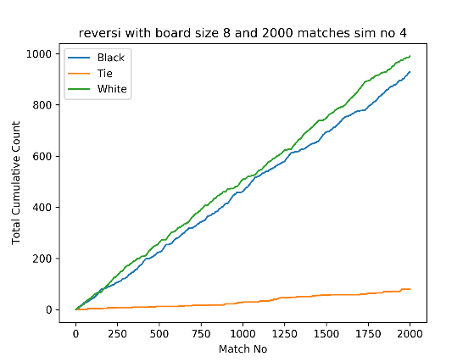
 |  |  |  |  |  |  |  |  |  |  |  |  |  |  |  | Weights Sim 4
0 | 0 | 0 | 0 | 0 | 0 | 0 | 0 | 0 | 0 | 0 | 0 | 0 | 0 | 0 | 0 | 875 | -221 | 119 | 109 | -189 | 257 | -248 | 546
0 | 0 | 0 | 0 | 0 | 0 | 0 | 0 | 0 | 0 | 0 | 0 | 0 | -1 | 0 | 0 | -292 | -322 | 21 | -79 | 25 | -37 | -234 | 90
0 | 0 | 0 | 0 | 0 | 0 | 0 | 0 | 0 | 0 | 0 | 0 | 0 | -1 | 0 | 0 | 265 | -87 | 54 | -305 | -3 | 53 | -249 | 133
0 | 0 | 0 | -1 | 1 | 0 | 0 | 0 | 0 | 0 | 0 | -1 | 1 | -1 | 0 | 0 | 51 | -329 | 7 | 0 | 0 | 11 | -215 | 295
0 | 0 | -1 | 1 | 1 | 1 | 0 | 0 | 0 | 0 | 0 | 1 | 1 | 0 | 0 | 0 | -39 | 39 | 13 | 0 | 0 | 53 | -231 | -175
0 | 0 | -1 | 0 | 0 | 0 | 0 | 0 | 0 | 0 | 0 | 0 | 1 | 0 | 0 | 0 | 181 | 75 | 77 | -261 | 45 | 3 | -62 | 185
0 | 0 | -1 | 0 | 0 | 0 | 0 | 0 | 0 | 0 | 0 | 0 | 0 | 0 | 0 | 0 | -227 | -225 | -227 | -201 | -31 | 167 | -174 | -191
0 | 0 | 0 | 0 | 0 | 0 | 0 | 0 | 0 | 0 | 0 | 0 | 0 | 0 | 0 | 0 | 668 | 137 | 19 | 195 | 31 | 131 | -209 | 558

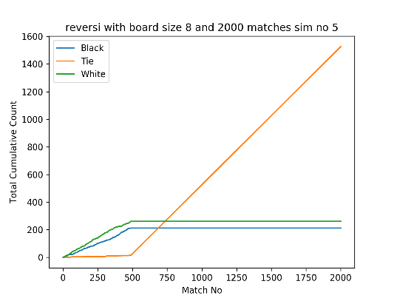
 |  |  |  |  |  |  |  |  |  |  |  |  |  |  |  | Weights Sim 5
0 | 0 | 0 | 0 | 0 | 0 | 0 | 0 | 0 | 0 | 0 | 0 | 0 | 0 | 0 | 0 | 175 | -9 | 13 | -9 | -11 | 15 | -83 | 180
0 | 0 | 0 | 0 | 0 | 0 | 0 | 0 | 0 | 0 | 0 | 0 | 0 | -1 | 0 | 0 | -52 | -89 | -83 | 39 | -81 | 41 | -73 | 24
0 | 0 | 0 | 0 | 0 | 0 | 0 | 0 | 0 | 0 | 0 | 0 | 0 | -1 | 0 | 0 | 61 | -5 | 15 | 19 | -25 | -25 | 1 | 37
0 | 0 | 0 | -1 | 1 | 0 | 0 | 0 | 0 | 0 | 0 | -1 | -1 | -1 | 0 | 0 | 41 | -13 | 17 | 0 | 0 | -85 | 49 | -37
0 | 0 | -1 | 1 | -1 | 1 | 0 | 0 | 0 | 0 | 0 | -1 | 1 | 0 | 0 | 0 | -7 | 11 | -89 | 0 | 0 | 31 | -7 | 43
0 | 0 | -1 | 0 | 0 | -1 | 0 | 0 | 0 | 0 | -1 | 0 | 1 | 0 | 0 | 0 | -5 | -49 | 27 | -95 | -83 | -75 | -11 | 51
0 | 0 | -1 | 0 | 0 | 0 | 0 | 0 | 0 | 0 | 0 | 0 | 0 | 0 | 0 | 0 | 26 | -59 | -9 | 49 | 39 | 73 | -87 | -32 | The graphs and the weight matrices are indicative of the fact that a local optimum has been quickly reached
0 | 0 | 0 | 0 | 0 | 0 | 0 | 0 | 0 | 0 | 0 | 0 | 0 | 0 | 0 | 0 | 203 | -49 | 37 | -41 | 1 | -7 | 32 | 184 | and the game has learned one of the best straategies, ie, it cannot still beat any possible intelligence thrown
 |  |  |  |  |  |  |  |  |  |  |  |  |  |  |  |  |  |  |  |  |  |  |  | at it.
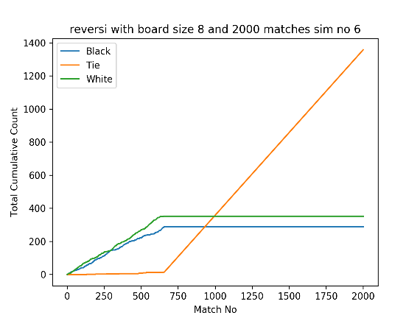
 |  |  |  |  |  |  |  |  |  |  |  |  |  |  |  | Weights Sim 6 |  |  |  |  |  |  |  | The current method is to keep adjusting the weights after every game, at the positions where the winner played
0 | 0 | 0 | 0 | 0 | 0 | 0 | 0 | 0 | 0 | 0 | 0 | 0 | 0 | 0 | 0 | 298 | -33 | 97 | -19 | 11 | 41 | -93 | 272 | increase the weight by 1 and at the other positions, decrease it by 1. Nothing to be done at tie positions
0 | 0 | 0 | 0 | 0 | 0 | 0 | 0 | 0 | 0 | 0 | 0 | 0 | -1 | 0 | 0 | -108 | -110 | -109 | -111 | 99 | -25 | -83 | 42 | When one of the weights is played against a random player, the results are quite good as majority of the time
0 | 0 | 0 | 0 | 0 | 0 | 0 | 0 | 0 | 0 | 1 | 0 | 0 | -1 | 0 | 0 | 157 | -83 | 101 | -131 | -99 | 113 | -49 | -69 | the machine player with the learned weights is winning, so, in effect something has been learned, although not quite good enough
0 | 0 | 0 | -1 | 1 | 0 | 0 | 0 | 0 | 0 | 0 | 1 | -1 | -1 | 0 | 0 | -23 | -85 | -21 | 0 | 0 | -133 | 53 | 87 | A decision tree of future game states might perform better, this learned weights player could be useful for teaching a neural network
0 | 1 | 1 | 1 | -1 | 1 | 0 | 0 | 0 | 0 | 0 | -1 | 1 | 0 | 0 | 0 | 8 | -139 | -35 | 0 | 0 | 65 | -35 | 23 | More tweaking is required to incorporate the state of the game into updating the decisions.
0 | 0 | -1 | 0 | 0 | -1 | 0 | 0 | 0 | 0 | -1 | 0 | 1 | 0 | 0 | 0 | 87 | -15 | 67 | -37 | -128 | -32 | -31 | 119
0 | 0 | -1 | 0 | 0 | 0 | 0 | 0 | 0 | 0 | 0 | 0 | 0 | 0 | 0 | 0 | -73 | -107 | -129 | 31 | -5 | 51 | -115 | -85
0 | 0 | 0 | 0 | 0 | 0 | 0 | 0 | 0 | 0 | 0 | 0 | 0 | 0 | 0 | 0 | 234 | 65 | 45 | 43 | -17 | 31 | -51 | 291
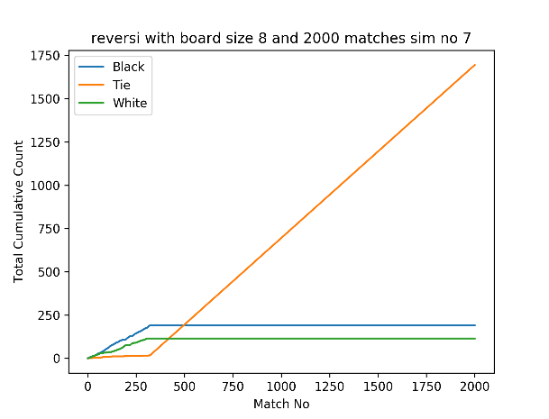
 |  |  |  |  |  |  |  |  |  |  |  |  |  |  |  | Weights Sim 7
0 | 0 | 0 | 0 | 0 | 0 | 0 | 0 | 0 | 0 | 0 | 0 | 0 | 0 | 0 | 0 | 119 | -49 | 52 | 30 | -60 | 24 | 8 | 111
0 | 0 | 0 | 0 | 0 | 0 | 0 | 0 | 0 | 0 | 0 | 0 | 0 | -1 | 0 | 0 | 6 | -36 | -64 | -8 | 0 | -26 | -78 | -30
0 | 0 | 0 | 0 | 0 | 0 | 0 | 0 | 0 | 0 | 1 | 0 | 0 | -1 | 0 | 0 | 28 | -14 | 0 | 2 | -74 | 82 | -34 | 58
0 | 0 | 0 | -1 | 1 | 0 | 0 | 0 | 0 | 0 | 0 | 1 | -1 | -1 | 0 | 0 | 24 | -23 | -64 | 0 | 0 | -38 | 0 | -14
-1 | -1 | -1 | -1 | -1 | 1 | 0 | 0 | 0 | 0 | 0 | -1 | -1 | -1 | 0 | 0 | 14 | -50 | 80 | 0 | 0 | -12 | 50 | 20
0 | 0 | -1 | 0 | 0 | -1 | 0 | 0 | 0 | 0 | -1 | 0 | 1 | 0 | 0 | 0 | 6 | -58 | -58 | 82 | -62 | -24 | -6 | 12
0 | 0 | -1 | 0 | 0 | 0 | 0 | 0 | 0 | 0 | 0 | 0 | 0 | 0 | 0 | 0 | 16 | -58 | 62 | -60 | -48 | 32 | -48 | -4
0 | 0 | 0 | 0 | 0 | 0 | 0 | 0 | 0 | 0 | 0 | 0 | 0 | 0 | 0 | 0 | 112 | -14 | 10 | 6 | 28 | -8 | 2 | 112
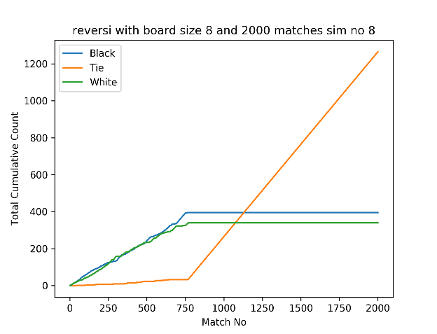
 |  |  |  |  |  |  |  |  |  |  |  |  |  |  |  | Weights Sim 8
0 | 0 | 0 | 0 | 0 | 0 | 0 | 0 | 0 | 0 | 0 | 0 | 0 | 0 | 0 | 0 | 303 | -14 | -10 | 106 | -116 | -76 | 32 | 164
0 | 0 | 0 | 0 | 0 | 0 | 0 | 0 | 0 | 0 | 0 | 0 | 0 | -1 | 0 | 0 | -33 | -120 | 4 | -10 | 40 | 64 | -28 | 8
0 | 0 | 0 | 0 | 0 | 0 | 0 | 0 | 0 | 0 | 1 | 0 | 0 | -1 | 0 | 0 | 52 | -18 | -16 | -94 | -126 | 98 | -6 | 46
0 | 0 | 0 | -1 | 1 | 0 | 0 | 0 | 0 | 0 | 0 | 1 | 1 | 1 | 1 | 0 | 22 | -18 | -121 | 0 | 0 | -118 | -40 | -44
-1 | -1 | -1 | -1 | -1 | 1 | 0 | 0 | 0 | 0 | 0 | -1 | -1 | 1 | 0 | 0 | -12 | 74 | -20 | 0 | 0 | -118 | 42 | 162
0 | 0 | -1 | 0 | 0 | 1 | 0 | 0 | 0 | 0 | -1 | 0 | 1 | 0 | 0 | 0 | 84 | -12 | -20 | 70 | -22 | 64 | -54 | 76
0 | 0 | -1 | 0 | 0 | 1 | 0 | 0 | 0 | 0 | 0 | 0 | 0 | 0 | 0 | 0 | -11 | -114 | -104 | -120 | -122 | -124 | -105 | -9
0 | 0 | 0 | 0 | 0 | 0 | 0 | 0 | 0 | 0 | 0 | 0 | 0 | 0 | 0 | 0 | 177 | -10 | 120 | -22 | 150 | -32 | 76 | 191

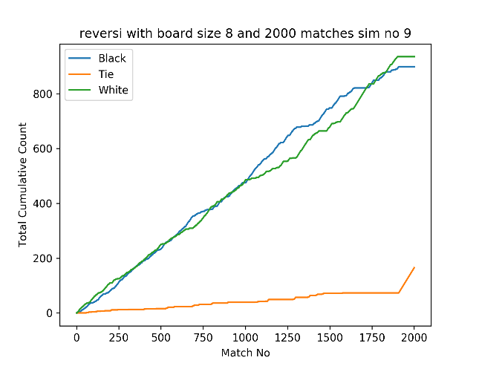
 |  |  |  |  |  |  |  |  |  |  |  |  |  |  |  | Weights Sim 9
0 | 0 | 0 | 0 | 0 | 0 | 0 | 0 | 0 | 0 | 0 | 0 | 0 | 0 | 0 | 0 | 855 | 199 | 16 | -178 | 168 | -134 | 78 | 798
0 | 0 | 0 | 0 | 0 | 0 | 0 | 0 | 0 | 0 | 0 | 0 | 0 | -1 | 0 | 0 | -132 | -290 | 46 | 88 | 12 | 148 | -232 | -252
0 | 0 | 0 | 0 | 0 | 0 | 0 | 0 | 0 | 0 | 1 | 0 | 0 | -1 | 0 | 0 | 184 | -174 | -18 | -254 | -304 | -300 | -42 | 208
0 | 0 | 0 | -1 | 1 | 0 | 0 | 0 | 0 | 0 | 0 | 1 | 1 | 1 | 1 | 0 | -28 | -24 | 46 | 0 | 0 | -10 | 154 | -68
-1 | -1 | -1 | -1 | -1 | 1 | 0 | 0 | 0 | 0 | 0 | -1 | -1 | 1 | 0 | 0 | -24 | -262 | -4 | 0 | 0 | -92 | -184 | 102
0 | 0 | -1 | 0 | 0 | -1 | 0 | 0 | 0 | 0 | -1 | 0 | -1 | 0 | 0 | 0 | 144 | -6 | 34 | -6 | -154 | 270 | -262 | 152
0 | 0 | -1 | 0 | 0 | 1 | -1 | 0 | 0 | 0 | 0 | 0 | -1 | 0 | 0 | 0 | -132 | -288 | -112 | 200 | -306 | -248 | -332 | -108
0 | 0 | 0 | 0 | 0 | 0 | 0 | 0 | 0 | 0 | 0 | 0 | 0 | 0 | 0 | 0 | 803 | -268 | 180 | -28 | -56 | 280 | -250 | 805

0 | 0 | 0 | 0 | 0 | 0 | 0 | 0 | 0 | 0 | 0 | 0 | 0 | 0 | 0 | 0
0 | 0 | 0 | 0 | 0 | 0 | 0 | 0 | 0 | 0 | 0 | 0 | 1 | -1 | 0 | 0
0 | 0 | 0 | 0 | 0 | 0 | 0 | 0 | 0 | 0 | 1 | 0 | 0 | 1 | 0 | 0
0 | 0 | 1 | 1 | 1 | 0 | 0 | 0 | 0 | 0 | 0 | 1 | 1 | 1 | 1 | 0
-1 | -1 | -1 | -1 | -1 | 1 | 0 | 0 | 0 | 0 | 0 | -1 | -1 | 1 | 0 | 0
0 | 0 | -1 | 0 | 0 | -1 | 0 | 0 | 0 | 0 | -1 | 0 | -1 | 0 | 0 | 0
0 | 0 | -1 | 0 | 0 | 1 | -1 | 0 | 0 | 0 | 0 | 0 | -1 | 0 | 0 | 0
0 | 0 | 0 | 0 | 0 | 0 | 0 | 0 | 0 | 0 | 0 | 0 | 0 | 0 | 0 | 0

0 | 0 | 0 | 0 | 0 | 0 | 0 | 0 | 0 | 0 | 0 | 0 | 0 | 0 | 0 | 0
0 | 0 | 0 | 0 | 0 | 0 | 0 | 0 | 0 | 0 | 0 | 0 | 1 | -1 | 0 | 0
0 | 0 | 0 | 0 | 0 | 0 | 0 | 0 | 0 | 0 | 1 | 0 | 0 | -1 | 0 | 0
0 | 0 | 1 | 1 | 1 | 0 | 0 | 0 | 0 | 0 | 0 | 1 | 1 | -1 | 1 | 0
-1 | -1 | -1 | -1 | -1 | 1 | 0 | 0 | 0 | 0 | 0 | -1 | -1 | -1 | 0 | 0
0 | 0 | -1 | 0 | 0 | -1 | 0 | 0 | 0 | 0 | -1 | 0 | -1 | -1 | 0 | 0
0 | 0 | -1 | 0 | -1 | -1 | -1 | 0 | 0 | 0 | 0 | 0 | -1 | 0 | 0 | 0
0 | 0 | 0 | 0 | 0 | 0 | 0 | 0 | 0 | 0 | 0 | 0 | 0 | 0 | 0 | 0

0 | 0 | 0 | 0 | 0 | 0 | 0 | 0 | 0 | 0 | 0 | 0 | 0 | 0 | 0 | 0
0 | 0 | 0 | 0 | 0 | 0 | 0 | 0 | 0 | 0 | 0 | 0 | 1 | -1 | 0 | 0
0 | 0 | 0 | 0 | 0 | 0 | 0 | 0 | 0 | 0 | 1 | 0 | 0 | -1 | 0 | 0
0 | 0 | 1 | 1 | 1 | 0 | 0 | 0 | 0 | 0 | 0 | 1 | 1 | -1 | 1 | 0
-1 | -1 | -1 | -1 | 1 | 1 | 0 | 0 | 0 | 0 | 0 | -1 | 1 | -1 | 0 | 0
0 | 0 | -1 | 0 | 0 | 1 | 0 | 0 | 0 | 0 | -1 | 0 | 1 | -1 | 0 | 0
0 | 0 | -1 | 0 | -1 | -1 | 1 | 0 | 0 | 0 | 0 | 0 | 1 | 0 | 0 | 0
0 | 0 | 0 | 0 | 0 | 0 | 0 | 1 | 0 | 0 | 0 | 0 | 1 | 0 | 0 | 0

0 | 0 | 0 | 0 | 0 | 0 | 0 | 0 | 0 | 0 | 0 | 0 | 0 | 0 | 0 | 0
0 | 0 | 0 | 0 | 0 | 0 | 0 | 0 | 0 | 0 | 0 | 0 | 1 | -1 | 0 | 0
0 | 0 | 0 | 0 | 0 | -1 | 0 | 0 | 0 | 0 | 1 | 0 | 0 | -1 | 0 | 0
0 | 0 | 1 | 1 | -1 | 0 | 0 | 0 | 0 | 0 | 0 | 1 | 1 | -1 | -1 | -1
-1 | -1 | -1 | -1 | 1 | 1 | 0 | 0 | 0 | 0 | 0 | -1 | 1 | -1 | 0 | 0
0 | 0 | -1 | 0 | 0 | 1 | 0 | 0 | 0 | 0 | -1 | 0 | 1 | -1 | 0 | 0
0 | 0 | -1 | 0 | -1 | -1 | 1 | 0 | 0 | 0 | 0 | 0 | 1 | 0 | 0 | 0
0 | 0 | 0 | 0 | 0 | 0 | 0 | 1 | 0 | 0 | 0 | 0 | 1 | 0 | 0 | 0

0 | 0 | 0 | 0 | 0 | 0 | 0 | 0 | 0 | 0 | 0 | 0 | 0 | 0 | 0 | 0
0 | 0 | 0 | 0 | 0 | 0 | 0 | 0 | 0 | 0 | 0 | 0 | 1 | -1 | 0 | 0
0 | 0 | 0 | 0 | 0 | -1 | 0 | 0 | 0 | 0 | 1 | 0 | 0 | -1 | 0 | 0
0 | 0 | 1 | 1 | -1 | 0 | 0 | 0 | 0 | 0 | 0 | 1 | 1 | -1 | -1 | -1
-1 | 1 | -1 | -1 | 1 | 1 | 0 | 0 | 0 | 0 | 0 | 1 | 1 | -1 | 0 | 0
1 | 0 | -1 | 0 | 0 | 1 | 0 | 0 | 0 | 0 | 1 | 0 | 1 | -1 | 0 | 0
0 | 0 | -1 | 0 | -1 | -1 | 1 | 0 | 0 | 1 | 0 | 0 | 1 | 0 | 0 | 0
0 | 0 | 0 | 0 | 0 | 0 | 0 | 1 | 0 | 0 | 0 | 0 | 1 | 0 | 0 | 0

0 | 0 | 0 | 0 | 0 | 0 | 0 | 0 | 0 | 0 | 0 | 0 | 0 | 0 | 0 | 0
0 | 0 | 0 | 0 | 0 | 0 | 0 | 0 | 0 | 0 | 0 | 0 | 1 | -1 | 0 | 0
0 | 0 | 0 | 0 | 0 | -1 | 0 | 0 | 0 | 0 | 1 | 0 | 0 | -1 | 0 | 0
-1 | 0 | 1 | 1 | -1 | 0 | 0 | 0 | 0 | 0 | 0 | 1 | -1 | -1 | -1 | -1
-1 | -1 | -1 | -1 | 1 | 1 | 0 | 0 | 0 | 0 | 0 | -1 | 1 | -1 | 0 | 0
1 | 0 | -1 | 0 | 0 | 1 | 0 | 0 | 0 | 0 | -1 | 0 | 1 | -1 | 0 | 0
0 | 0 | -1 | 0 | -1 | -1 | 1 | 0 | 0 | -1 | 0 | 0 | 1 | 0 | 0 | 0
0 | 0 | 0 | 0 | 0 | 0 | 0 | 1 | -1 | 0 | 0 | 0 | 1 | 0 | 0 | 0

0 | 0 | 0 | 0 | 0 | 0 | 0 | 0 | 0 | 0 | 0 | 0 | 0 | 0 | 0 | 0
0 | 0 | 0 | 0 | 0 | 0 | 0 | 0 | 0 | 0 | 0 | 0 | 1 | -1 | 0 | 0
1 | 0 | 0 | 0 | 0 | -1 | 0 | 0 | 0 | 0 | 1 | 0 | 0 | -1 | 0 | 0
1 | 0 | 1 | 1 | -1 | 0 | 0 | 0 | 0 | 0 | 0 | 1 | -1 | -1 | -1 | -1
1 | -1 | -1 | -1 | 1 | 1 | 0 | 0 | 0 | 0 | 0 | 1 | 1 | -1 | 0 | 0
1 | 0 | -1 | 0 | 0 | 1 | 0 | 0 | 0 | 0 | -1 | 1 | 1 | -1 | 0 | 0
0 | 0 | -1 | 0 | -1 | -1 | 1 | 0 | 0 | -1 | 0 | 0 | 1 | 0 | 0 | 0
0 | 0 | 0 | 0 | 0 | 0 | 0 | 1 | -1 | 0 | 0 | 0 | 1 | 0 | 0 | 0

0 | 0 | 0 | 0 | 0 | 0 | 0 | 0 | 0 | 0 | 0 | 0 | 0 | 0 | 0 | 0
0 | 0 | 0 | 0 | 0 | 0 | 0 | 0 | 0 | 0 | 0 | 0 | 1 | -1 | 0 | 0
1 | 0 | -1 | 0 | 0 | -1 | 0 | 0 | 0 | 0 | 1 | 0 | 0 | -1 | 0 | 0
1 | 0 | -1 | 1 | -1 | 0 | 0 | 0 | 0 | 0 | 0 | 1 | -1 | -1 | -1 | -1
1 | -1 | -1 | -1 | 1 | 1 | 0 | 0 | 0 | 0 | 0 | 1 | 1 | -1 | 0 | 0
1 | 0 | -1 | 0 | 0 | 1 | 0 | 0 | 0 | 0 | -1 | 1 | 1 | -1 | 0 | 0
0 | 0 | -1 | 0 | -1 | -1 | 1 | 0 | 0 | -1 | 0 | 0 | -1 | 0 | 0 | 0
0 | 0 | 0 | 0 | 0 | 0 | 0 | 1 | -1 | 0 | 0 | -1 | 1 | 0 | 0 | 0

0 | 0 | 0 | 0 | 0 | 0 | 0 | 0 | 0 | 0 | 0 | 0 | 0 | 0 | 0 | 0
0 | 0 | 0 | 0 | 0 | 0 | 0 | 0 | 0 | 0 | 0 | 0 | 1 | -1 | 0 | 0
1 | 0 | -1 | 0 | 0 | -1 | 0 | 0 | 0 | 0 | 1 | 0 | 0 | -1 | 0 | 0
1 | 0 | -1 | 1 | -1 | 0 | 0 | 0 | 0 | 0 | 0 | 1 | -1 | -1 | -1 | -1
1 | -1 | -1 | -1 | 1 | 1 | 0 | 0 | 0 | 0 | 0 | 1 | 1 | -1 | 0 | 0
1 | 0 | -1 | 0 | 0 | 1 | 0 | 0 | 0 | 0 | -1 | 1 | 1 | -1 | 0 | 0
0 | 0 | -1 | 0 | 1 | -1 | 1 | 0 | 0 | -1 | 0 | 0 | 1 | 0 | 0 | 0
0 | 0 | 0 | 1 | 0 | 0 | 0 | 1 | -1 | 0 | 0 | -1 | 1 | 1 | 0 | 0

0 | 0 | 0 | 0 | 0 | 0 | 0 | 0 | 0 | 0 | 0 | 0 | 0 | 0 | 0 | 0
0 | 0 | 0 | 0 | 0 | 0 | 0 | 0 | 0 | 0 | 0 | 0 | 1 | -1 | 0 | 0
1 | 0 | -1 | -1 | 0 | -1 | 0 | 0 | 0 | 0 | 1 | 0 | 0 | -1 | 0 | 0
1 | 0 | -1 | -1 | -1 | 0 | 0 | 0 | 0 | 0 | 0 | 1 | -1 | -1 | -1 | -1
1 | -1 | -1 | -1 | 1 | 1 | 0 | 0 | 0 | 0 | 0 | 1 | -1 | -1 | 0 | 0
1 | 0 | -1 | 0 | 0 | 1 | 0 | 0 | 0 | 0 | -1 | -1 | 1 | -1 | 0 | 0
0 | 0 | -1 | 0 | 1 | -1 | 1 | 0 | 0 | -1 | -1 | 0 | 1 | 0 | 0 | 0
0 | 0 | 0 | 1 | 0 | 0 | 0 | 1 | -1 | 0 | 0 | -1 | 1 | 1 | 0 | 0

0 | 0 | 0 | 0 | 0 | 0 | 0 | 0 | 0 | 0 | 0 | 0 | 0 | 0 | 0 | 0
0 | 0 | 1 | 0 | 0 | 0 | 0 | 0 | 0 | 0 | 0 | 0 | 1 | -1 | 0 | 0
1 | 0 | -1 | 1 | 0 | -1 | 0 | 0 | 0 | 0 | 1 | 0 | 0 | -1 | 0 | 0
1 | 0 | -1 | -1 | 1 | 0 | 0 | 0 | 0 | 0 | 0 | 1 | -1 | -1 | -1 | -1
1 | -1 | -1 | -1 | 1 | 1 | 0 | 0 | 0 | 0 | 0 | 1 | -1 | -1 | 0 | 0
1 | 0 | -1 | 0 | 0 | 1 | 0 | 0 | 0 | 0 | -1 | -1 | 1 | -1 | 0 | 0
0 | 0 | -1 | 0 | 1 | -1 | 1 | 0 | 0 | -1 | -1 | 0 | 1 | 0 | 0 | 0
0 | 0 | 0 | 1 | 0 | 0 | 0 | 1 | -1 | 0 | 1 | 1 | 1 | 1 | 0 | 0

0 | 0 | -1 | 0 | 0 | 0 | 0 | 0 | 0 | 0 | 0 | -1 | 0 | 0 | 0 | 0
0 | 0 | -1 | 0 | 0 | 0 | 0 | 0 | 0 | 0 | 0 | 0 | -1 | -1 | 0 | 0
1 | 0 | -1 | 1 | 0 | -1 | 0 | 0 | 0 | 0 | 1 | 0 | 0 | -1 | 0 | 0
1 | 0 | -1 | -1 | 1 | 0 | 0 | 0 | 0 | 0 | 0 | 1 | -1 | -1 | -1 | -1
1 | -1 | -1 | -1 | 1 | 1 | 0 | 0 | 0 | 0 | 0 | 1 | -1 | -1 | 0 | 0
1 | 0 | -1 | 0 | 0 | 1 | 0 | 0 | 0 | 0 | -1 | -1 | 1 | -1 | 0 | 0
0 | 0 | -1 | 0 | 1 | -1 | 1 | 0 | 0 | -1 | -1 | 0 | 1 | 0 | 0 | 0
0 | 0 | 0 | 1 | 0 | 0 | 0 | 1 | -1 | 0 | 1 | 1 | 1 | 1 | 0 | 0

0 | 0 | -1 | 0 | 0 | 0 | 0 | 0 | 0 | 0 | 0 | -1 | 0 | 0 | 0 | 0
0 | 0 | -1 | 0 | 0 | 0 | 0 | 0 | 0 | 0 | 0 | 0 | -1 | -1 | 0 | 0
1 | 0 | -1 | 1 | 0 | -1 | 0 | 0 | 0 | 0 | 1 | 0 | 0 | -1 | 0 | 0
1 | 0 | -1 | -1 | 1 | 0 | 0 | 0 | 0 | 0 | 0 | 1 | -1 | -1 | -1 | -1
1 | -1 | -1 | -1 | 1 | 1 | 0 | 0 | 0 | 0 | 0 | 1 | -1 | -1 | 0 | 0
1 | 0 | -1 | 0 | 0 | 1 | 0 | 0 | 1 | 0 | -1 | -1 | 1 | -1 | 0 | 0
0 | 0 | -1 | 0 | 1 | 1 | 1 | 0 | 0 | 1 | -1 | 0 | 1 | 0 | 0 | 0
0 | 0 | 0 | 1 | 0 | 1 | 0 | 1 | -1 | 0 | 1 | 1 | 1 | 1 | 0 | 0

0 | 0 | -1 | 0 | 0 | 0 | 0 | 0 | 0 | 0 | 0 | -1 | 0 | 0 | 0 | 0
0 | 0 | -1 | -1 | 0 | 0 | 0 | 0 | 0 | 0 | 0 | 0 | -1 | -1 | 0 | 0
1 | 0 | -1 | -1 | 0 | -1 | 0 | 0 | 0 | 0 | 1 | 0 | 0 | -1 | 0 | 0
1 | 0 | -1 | -1 | 1 | 0 | 0 | 0 | 0 | 0 | 0 | 1 | -1 | -1 | -1 | -1
1 | -1 | -1 | -1 | 1 | 1 | 0 | 0 | 0 | 0 | 0 | 1 | -1 | -1 | 0 | 0
1 | 0 | -1 | 0 | 0 | 1 | 0 | 0 | 1 | 0 | -1 | -1 | 1 | -1 | 0 | 0
0 | 0 | -1 | 0 | 1 | 1 | 1 | 0 | -1 | -1 | -1 | 0 | 1 | 0 | 0 | 0
0 | 0 | 0 | 1 | 0 | 1 | 0 | 1 | -1 | 0 | 1 | 1 | 1 | 1 | 0 | 0

0 | 0 | -1 | 0 | 0 | 0 | 0 | 0 | 0 | 0 | 0 | -1 | 0 | 0 | 0 | 0
0 | 0 | -1 | -1 | 1 | 0 | 0 | 0 | 0 | 0 | 0 | 0 | -1 | -1 | 0 | 0
1 | 0 | -1 | 1 | 0 | -1 | 0 | 0 | 0 | 0 | 1 | 0 | 0 | -1 | 0 | 0
1 | 0 | 1 | -1 | 1 | 0 | 0 | 0 | 0 | 0 | 0 | 1 | -1 | -1 | -1 | -1
1 | 1 | -1 | -1 | 1 | 1 | 0 | 0 | 0 | 0 | 0 | 1 | -1 | -1 | 0 | 0
1 | 0 | -1 | 0 | 0 | 1 | 0 | 0 | 1 | 1 | 1 | 1 | 1 | -1 | 0 | 0
0 | 0 | -1 | 0 | 1 | 1 | 1 | 0 | -1 | -1 | 1 | 0 | 1 | 0 | 0 | 0
0 | 0 | 0 | 1 | 0 | 1 | 0 | 1 | -1 | 0 | 1 | 1 | 1 | 1 | 0 | 0

0 | 0 | -1 | -1 | 0 | 0 | 0 | 0 | 0 | 0 | 0 | -1 | 0 | 0 | 0 | 0
0 | 0 | -1 | -1 | -1 | 0 | 0 | 0 | 0 | 0 | 0 | 0 | -1 | -1 | 0 | 0
1 | 0 | -1 | 1 | 0 | -1 | 0 | 0 | 0 | 0 | 1 | 0 | 0 | -1 | 0 | 0
1 | 0 | 1 | -1 | 1 | 0 | 0 | 0 | 0 | 0 | 0 | 1 | -1 | -1 | -1 | -1
1 | 1 | -1 | -1 | 1 | 1 | 0 | 0 | 0 | -1 | 0 | 1 | -1 | -1 | 0 | 0
1 | 0 | -1 | 0 | 0 | 1 | 0 | 0 | 1 | -1 | 1 | 1 | 1 | -1 | 0 | 0
0 | 0 | -1 | 0 | 1 | 1 | 1 | 0 | -1 | -1 | 1 | 0 | 1 | 0 | 0 | 0
0 | 0 | 0 | 1 | 0 | 1 | 0 | 1 | -1 | 0 | 1 | 1 | 1 | 1 | 0 | 0

0 | 0 | -1 | -1 | 0 | 1 | 0 | 0 | 0 | 0 | 0 | -1 | 0 | 0 | 0 | 0
0 | 0 | -1 | -1 | 1 | 0 | 0 | 0 | 0 | 0 | 0 | 0 | -1 | -1 | 0 | 0
1 | 0 | -1 | 1 | 0 | -1 | 0 | 0 | 0 | 0 | 1 | 0 | 0 | -1 | 0 | 0
1 | 0 | 1 | -1 | 1 | 0 | 0 | 0 | 1 | 0 | 0 | 1 | -1 | -1 | -1 | -1
1 | 1 | -1 | -1 | 1 | 1 | 0 | 0 | 0 | 1 | 0 | 1 | -1 | -1 | 0 | 0
1 | 0 | -1 | 0 | 0 | 1 | 0 | 0 | 1 | -1 | 1 | 1 | 1 | -1 | 0 | 0
0 | 0 | -1 | 0 | 1 | 1 | 1 | 0 | -1 | -1 | 1 | 0 | 1 | 0 | 0 | 0
0 | 0 | 0 | 1 | 0 | 1 | 0 | 1 | -1 | 0 | 1 | 1 | 1 | 1 | 0 | 0

0 | 0 | -1 | -1 | 0 | 1 | 0 | 0 | 0 | 0 | 0 | -1 | 0 | 0 | 0 | 0
0 | 0 | -1 | -1 | -1 | -1 | 0 | 0 | 0 | 0 | 0 | 0 | -1 | -1 | 0 | 0
1 | 0 | -1 | 1 | 0 | -1 | 0 | 0 | 0 | 0 | 1 | 0 | 0 | -1 | 0 | 0
1 | 0 | 1 | -1 | 1 | 0 | 0 | 0 | 1 | 0 | 0 | 1 | -1 | -1 | -1 | -1
1 | 1 | -1 | -1 | 1 | 1 | 0 | 0 | -1 | 1 | 0 | 1 | -1 | -1 | 0 | 0
1 | 0 | -1 | 0 | 0 | 1 | 0 | 0 | -1 | -1 | 1 | 1 | 1 | -1 | 0 | 0
0 | 0 | -1 | 0 | 1 | 1 | 1 | 0 | -1 | -1 | 1 | 0 | 1 | 0 | 0 | 0
0 | 0 | 0 | 1 | 0 | 1 | 0 | 1 | -1 | 0 | 1 | 1 | 1 | 1 | 0 | 0

0 | 0 | -1 | -1 | 0 | 1 | 0 | 0 | 0 | 0 | 0 | -1 | 0 | 0 | 0 | 0
0 | 0 | -1 | -1 | -1 | -1 | 0 | 0 | 0 | 0 | 0 | 0 | -1 | -1 | 0 | 0
1 | 0 | -1 | 1 | 0 | -1 | 0 | 0 | 0 | 0 | 1 | 0 | 0 | -1 | 0 | 0
1 | 0 | 1 | -1 | 1 | 0 | 0 | 0 | 1 | 0 | 0 | 1 | -1 | -1 | -1 | -1
1 | 1 | 1 | -1 | 1 | 1 | 0 | 0 | -1 | 1 | 0 | 1 | -1 | -1 | 0 | 0
1 | 0 | 1 | 0 | 0 | 1 | 0 | 0 | -1 | 1 | 1 | 1 | 1 | -1 | 0 | 0
0 | 0 | 1 | 0 | 1 | 1 | 1 | 0 | -1 | 1 | 1 | 0 | 1 | 0 | 0 | 0
0 | 0 | 1 | 1 | 0 | 1 | 0 | 1 | -1 | 1 | 1 | 1 | 1 | 1 | 0 | 0

0 | 0 | -1 | -1 | 0 | 1 | 0 | 0 | 0 | 0 | 0 | -1 | 0 | 0 | 0 | 0
0 | 0 | -1 | -1 | -1 | -1 | 0 | 0 | 0 | 0 | 0 | 0 | -1 | -1 | 0 | 0
1 | 0 | -1 | -1 | 0 | -1 | 0 | 0 | -1 | 0 | 1 | 0 | 0 | -1 | 0 | 0
1 | 0 | 1 | -1 | -1 | 0 | 0 | 0 | -1 | 0 | 0 | 1 | -1 | -1 | -1 | -1
1 | 1 | 1 | -1 | 1 | -1 | 0 | 0 | -1 | 1 | 0 | 1 | -1 | -1 | 0 | 0
1 | 0 | 1 | 0 | 0 | 1 | -1 | 0 | -1 | 1 | 1 | 1 | 1 | -1 | 0 | 0
0 | 0 | 1 | 0 | 1 | 1 | 1 | 0 | -1 | 1 | 1 | 0 | 1 | 0 | 0 | 0
0 | 0 | 1 | 1 | 0 | 1 | 0 | 1 | -1 | 1 | 1 | 1 | 1 | 1 | 0 | 0

0 | 0 | -1 | -1 | 0 | 1 | 0 | 0 | 0 | 0 | 0 | -1 | 0 | 0 | 0 | 0
0 | 0 | -1 | -1 | -1 | -1 | 0 | 0 | 0 | 0 | 0 | 0 | -1 | -1 | 0 | 0
1 | 0 | -1 | -1 | 0 | -1 | 0 | 0 | -1 | 0 | 1 | 0 | 0 | -1 | 1 | 0
1 | 0 | 1 | -1 | -1 | 0 | 0 | 0 | -1 | 0 | 0 | 1 | -1 | 1 | -1 | -1
1 | 1 | 1 | -1 | 1 | -1 | 0 | 0 | -1 | 1 | 0 | 1 | 1 | -1 | 0 | 0
1 | 0 | 1 | 0 | 0 | 1 | 1 | 1 | -1 | 1 | 1 | 1 | 1 | -1 | 0 | 0
0 | 0 | 1 | 0 | 1 | 1 | 1 | 0 | -1 | 1 | 1 | 0 | 1 | 0 | 0 | 0
0 | 0 | 1 | 1 | 0 | 1 | 0 | 1 | -1 | 1 | 1 | 1 | 1 | 1 | 0 | 0

0 | 0 | -1 | -1 | 0 | 1 | 0 | 0 | 0 | 0 | 0 | -1 | 0 | 0 | 0 | 0
0 | 0 | -1 | -1 | -1 | -1 | 0 | 0 | 0 | 0 | 0 | 0 | -1 | -1 | 0 | 0
1 | -1 | -1 | -1 | 0 | -1 | 0 | 0 | -1 | 0 | 1 | 0 | 0 | -1 | 1 | 0
1 | 0 | -1 | -1 | -1 | 0 | 0 | 0 | -1 | 0 | 0 | 1 | -1 | 1 | -1 | -1
1 | 1 | 1 | -1 | 1 | -1 | 0 | 0 | -1 | 1 | 0 | 1 | 1 | -1 | 0 | 0
1 | 0 | 1 | 0 | 0 | 1 | 1 | 1 | -1 | 1 | 1 | 1 | 1 | -1 | 0 | 0
0 | 0 | 1 | 0 | 1 | 1 | 1 | 0 | -1 | 1 | 1 | 0 | 1 | 0 | 0 | 0
0 | 0 | 1 | 1 | 0 | 1 | 0 | 1 | -1 | -1 | -1 | -1 | -1 | -1 | -1 | 0

0 | 0 | -1 | -1 | 0 | 1 | 0 | 0 | 0 | 0 | 0 | -1 | 1 | 0 | 0 | 0
0 | 0 | -1 | -1 | -1 | -1 | 0 | 0 | 0 | 0 | 0 | 0 | -1 | 1 | 0 | 0
1 | -1 | -1 | -1 | 0 | -1 | 0 | 0 | -1 | 0 | 1 | 0 | 0 | -1 | 1 | 0
1 | 0 | -1 | -1 | -1 | 0 | 0 | 0 | -1 | 0 | 0 | 1 | -1 | 1 | -1 | -1
1 | 1 | 1 | -1 | 1 | 1 | 1 | 0 | -1 | 1 | 0 | 1 | 1 | -1 | 0 | 0
1 | 0 | 1 | 0 | 0 | 1 | 1 | 1 | -1 | 1 | 1 | 1 | 1 | -1 | 0 | 0
0 | 0 | 1 | 0 | 1 | 1 | 1 | 0 | -1 | 1 | 1 | 0 | 1 | 0 | 0 | 0
0 | 0 | 1 | 1 | 0 | 1 | 0 | 1 | -1 | -1 | -1 | -1 | -1 | -1 | -1 | 0

0 | 0 | -1 | -1 | 0 | 1 | 0 | 0 | 0 | 0 | 0 | -1 | 1 | 0 | 0 | 0
0 | 0 | -1 | -1 | -1 | -1 | 0 | 0 | 0 | 0 | 0 | 0 | -1 | 1 | 0 | -1
1 | -1 | -1 | -1 | 0 | -1 | 0 | 0 | -1 | 0 | 1 | 0 | 0 | -1 | -1 | 0
1 | 0 | -1 | -1 | -1 | 0 | 0 | 0 | -1 | 0 | 0 | 1 | -1 | -1 | -1 | -1
1 | 1 | 1 | -1 | -1 | 1 | 1 | 0 | -1 | 1 | 0 | 1 | -1 | -1 | 0 | 0
1 | 0 | 1 | 0 | -1 | 1 | 1 | 1 | -1 | 1 | 1 | -1 | 1 | -1 | 0 | 0
0 | 0 | 1 | 0 | 1 | 1 | 1 | 0 | -1 | 1 | -1 | 0 | 1 | 0 | 0 | 0
0 | 0 | 1 | 1 | 0 | 1 | 0 | 1 | -1 | -1 | -1 | -1 | -1 | -1 | -1 | 0

0 | 0 | -1 | -1 | 0 | 1 | 0 | 0 | 0 | 0 | 1 | 1 | 1 | 0 | 0 | 0
0 | 0 | -1 | -1 | -1 | -1 | 0 | 0 | 0 | 0 | 0 | 0 | -1 | 1 | 0 | -1
1 | -1 | -1 | -1 | 0 | -1 | 0 | 0 | -1 | 0 | 1 | 0 | 0 | -1 | -1 | 0
1 | 0 | -1 | -1 | -1 | 0 | 0 | 0 | -1 | 0 | 0 | 1 | -1 | -1 | -1 | -1
1 | 1 | 1 | -1 | -1 | 1 | 1 | 0 | -1 | 1 | 0 | 1 | -1 | -1 | 0 | 0
1 | 0 | 1 | 0 | 1 | 1 | 1 | 1 | -1 | 1 | 1 | -1 | 1 | -1 | 0 | 0
0 | 0 | 1 | 1 | 1 | 1 | 1 | 0 | -1 | 1 | -1 | 0 | 1 | 0 | 0 | 0
0 | 0 | 1 | 1 | 0 | 1 | 0 | 1 | -1 | -1 | -1 | -1 | -1 | -1 | -1 | 0

0 | 0 | -1 | -1 | 0 | 1 | 0 | 0 | 0 | 0 | 1 | 1 | 1 | -1 | 0 | 0
0 | 0 | -1 | -1 | -1 | -1 | 0 | 0 | 0 | 0 | 0 | 0 | -1 | -1 | 0 | -1
1 | -1 | -1 | -1 | 0 | -1 | 0 | 0 | -1 | 0 | 1 | 0 | 0 | -1 | -1 | 0
1 | 0 | -1 | -1 | -1 | 0 | 0 | 0 | -1 | 0 | 0 | 1 | -1 | -1 | -1 | -1
1 | 1 | 1 | -1 | -1 | 1 | 1 | 0 | -1 | 1 | 0 | 1 | -1 | -1 | 0 | 0
1 | 0 | 1 | 0 | -1 | 1 | 1 | 1 | -1 | 1 | 1 | -1 | 1 | -1 | 0 | 0
0 | 0 | 1 | 1 | 1 | -1 | 1 | 0 | -1 | 1 | -1 | 0 | 1 | 0 | 0 | 0
0 | 0 | 1 | 1 | 0 | 1 | -1 | 1 | -1 | -1 | -1 | -1 | -1 | -1 | -1 | 0

0 | 0 | -1 | -1 | 0 | 1 | 0 | 0 | 0 | 0 | 1 | 1 | 1 | 1 | 1 | 0
0 | 0 | -1 | -1 | -1 | -1 | 0 | 0 | 0 | 0 | 0 | 0 | -1 | -1 | 0 | -1
1 | -1 | -1 | -1 | 0 | -1 | 0 | 0 | -1 | 0 | 1 | 0 | 0 | -1 | -1 | 0
1 | 0 | -1 | -1 | -1 | 0 | 0 | 0 | -1 | 0 | 0 | 1 | -1 | -1 | -1 | -1
1 | 1 | 1 | -1 | -1 | 1 | 1 | 0 | -1 | 1 | 0 | 1 | -1 | -1 | 0 | 0
1 | 0 | 1 | 1 | 1 | 1 | 1 | 1 | -1 | 1 | 1 | -1 | 1 | -1 | 0 | 0
0 | 0 | 1 | 1 | 1 | -1 | 1 | 0 | -1 | 1 | -1 | 0 | 1 | 0 | 0 | 0
0 | 0 | 1 | 1 | 0 | 1 | -1 | 1 | -1 | -1 | -1 | -1 | -1 | -1 | -1 | 0

0 | 0 | -1 | -1 | 0 | 1 | 0 | 0 | 0 | 0 | 1 | 1 | 1 | 1 | 1 | 0
0 | 0 | -1 | -1 | -1 | -1 | 0 | 0 | 0 | 0 | 0 | 0 | -1 | -1 | 0 | -1
1 | -1 | -1 | -1 | 0 | -1 | 0 | 0 | -1 | 0 | 1 | 0 | 0 | -1 | -1 | 0
1 | 0 | -1 | -1 | -1 | 0 | 0 | 0 | -1 | -1 | 0 | 1 | -1 | -1 | -1 | -1
1 | 1 | 1 | -1 | -1 | 1 | 1 | 0 | -1 | -1 | 0 | 1 | -1 | -1 | 0 | 0
1 | 0 | 1 | -1 | 1 | 1 | 1 | 1 | -1 | -1 | 1 | -1 | 1 | -1 | 0 | 0
0 | 0 | -1 | 1 | 1 | -1 | 1 | 0 | -1 | -1 | -1 | 0 | 1 | 0 | 0 | 0
0 | -1 | 1 | 1 | 0 | 1 | -1 | 1 | -1 | -1 | -1 | -1 | -1 | -1 | -1 | 0

0 | 0 | -1 | -1 | 0 | 1 | 0 | 0 | 0 | 0 | 1 | 1 | 1 | 1 | 1 | 0
0 | 0 | -1 | -1 | -1 | -1 | 0 | 0 | 0 | 0 | 0 | 0 | -1 | 1 | 0 | -1
1 | -1 | -1 | -1 | 0 | -1 | 0 | 0 | -1 | 0 | 1 | 0 | 0 | 1 | -1 | 0
1 | 0 | -1 | -1 | -1 | 0 | 0 | 0 | -1 | -1 | 0 | 1 | -1 | 1 | -1 | -1
1 | 1 | 1 | -1 | -1 | 1 | 1 | 0 | -1 | -1 | 0 | 1 | -1 | 1 | 0 | 0
1 | 0 | 1 | -1 | 1 | 1 | 1 | 1 | -1 | -1 | 1 | -1 | 1 | 1 | 0 | 0
0 | 0 | -1 | 1 | 1 | -1 | 1 | 0 | -1 | -1 | -1 | 0 | 1 | 1 | 0 | 0
1 | 1 | 1 | 1 | 0 | 1 | -1 | 1 | -1 | -1 | -1 | -1 | -1 | -1 | -1 | 0

0 | 0 | -1 | -1 | 0 | 1 | 0 | 0 | 0 | 0 | 1 | 1 | 1 | 1 | 1 | 0
0 | 0 | -1 | -1 | -1 | -1 | 0 | 0 | 0 | 0 | 0 | 0 | -1 | -1 | -1 | -1
1 | -1 | -1 | -1 | 0 | -1 | 0 | 0 | -1 | 0 | 1 | 0 | 0 | -1 | -1 | 0
1 | 0 | -1 | -1 | -1 | 0 | -1 | 0 | -1 | -1 | 0 | 1 | -1 | 1 | -1 | -1
1 | 1 | 1 | -1 | -1 | 1 | -1 | 0 | -1 | -1 | 0 | 1 | -1 | 1 | 0 | 0
1 | 0 | 1 | -1 | 1 | 1 | -1 | 1 | -1 | -1 | 1 | -1 | 1 | 1 | 0 | 0
0 | 0 | -1 | 1 | 1 | -1 | -1 | 0 | -1 | -1 | -1 | 0 | 1 | 1 | 0 | 0
1 | 1 | 1 | 1 | 0 | 1 | -1 | 1 | -1 | -1 | -1 | -1 | -1 | -1 | -1 | 0

0 | 0 | -1 | -1 | 0 | 1 | 0 | 0 | 0 | 0 | 1 | 1 | 1 | 1 | 1 | 1
0 | 0 | -1 | -1 | -1 | -1 | 0 | 0 | 0 | 0 | 0 | 0 | -1 | -1 | 1 | -1
1 | -1 | -1 | -1 | 0 | -1 | 0 | 0 | -1 | 0 | 1 | 0 | 0 | 1 | -1 | 0
1 | 0 | -1 | -1 | -1 | 0 | -1 | 1 | -1 | -1 | 0 | 1 | 1 | 1 | -1 | -1
1 | 1 | 1 | -1 | -1 | 1 | 1 | 0 | -1 | -1 | 0 | 1 | -1 | 1 | 0 | 0
1 | 0 | 1 | -1 | 1 | 1 | -1 | 1 | -1 | -1 | 1 | -1 | 1 | 1 | 0 | 0
0 | 0 | -1 | 1 | 1 | -1 | -1 | 0 | -1 | -1 | -1 | 0 | 1 | 1 | 0 | 0
1 | 1 | 1 | 1 | 0 | 1 | -1 | 1 | -1 | -1 | -1 | -1 | -1 | -1 | -1 | 0

0 | 0 | -1 | -1 | 0 | 1 | 0 | 0 | 0 | 0 | 1 | 1 | 1 | 1 | 1 | 1
0 | 0 | -1 | -1 | -1 | -1 | 0 | 0 | 0 | 0 | 0 | -1 | -1 | -1 | 1 | -1
1 | -1 | -1 | -1 | 0 | -1 | 0 | 0 | -1 | 0 | -1 | 0 | 0 | 1 | -1 | 0
1 | 0 | -1 | -1 | -1 | 0 | -1 | 1 | -1 | -1 | 0 | 1 | 1 | 1 | -1 | -1
1 | 1 | -1 | -1 | -1 | 1 | 1 | 0 | -1 | -1 | 0 | 1 | -1 | 1 | 0 | 0
1 | -1 | -1 | -1 | 1 | 1 | -1 | 1 | -1 | -1 | 1 | -1 | 1 | 1 | 0 | 0
0 | 0 | -1 | 1 | 1 | -1 | -1 | 0 | -1 | -1 | -1 | 0 | 1 | 1 | 0 | 0
1 | 1 | 1 | 1 | 0 | 1 | -1 | 1 | -1 | -1 | -1 | -1 | -1 | -1 | -1 | 0

0 | 0 | -1 | -1 | 0 | 1 | 0 | 0 | 0 | 0 | 1 | 1 | 1 | 1 | 1 | 1
0 | 0 | -1 | -1 | -1 | -1 | 0 | 0 | 0 | 0 | 1 | 1 | 1 | 1 | 1 | -1
1 | -1 | -1 | -1 | 0 | -1 | 0 | 1 | -1 | 0 | -1 | 0 | 0 | 1 | -1 | 0
1 | 0 | -1 | -1 | -1 | 0 | 1 | 1 | -1 | -1 | 0 | 1 | 1 | 1 | -1 | -1
1 | 1 | -1 | -1 | -1 | 1 | 1 | 0 | -1 | -1 | 0 | 1 | -1 | 1 | 0 | 0
1 | -1 | -1 | -1 | 1 | 1 | -1 | 1 | -1 | -1 | 1 | -1 | 1 | 1 | 0 | 0
0 | 0 | -1 | 1 | 1 | -1 | -1 | 0 | -1 | -1 | -1 | 0 | 1 | 1 | 0 | 0
1 | 1 | 1 | 1 | 0 | 1 | -1 | 1 | -1 | -1 | -1 | -1 | -1 | -1 | -1 | 0

0 | 0 | -1 | -1 | 0 | 1 | 0 | 0 | 0 | 0 | 1 | 1 | 1 | 1 | 1 | 1
0 | 0 | -1 | -1 | -1 | -1 | 0 | 0 | 0 | 0 | 1 | 1 | 1 | 1 | 1 | -1
1 | -1 | -1 | -1 | 0 | -1 | 0 | 1 | -1 | 0 | -1 | 0 | 0 | 1 | -1 | 0
1 | 0 | -1 | -1 | -1 | 0 | 1 | 1 | -1 | -1 | 0 | 1 | 1 | 1 | -1 | -1
1 | 1 | -1 | -1 | -1 | 1 | 1 | 0 | -1 | -1 | 0 | 1 | -1 | -1 | -1 | 0
1 | -1 | -1 | -1 | -1 | 1 | -1 | 1 | -1 | -1 | 1 | -1 | 1 | -1 | 0 | 0
0 | 0 | -1 | -1 | -1 | -1 | -1 | 0 | -1 | -1 | -1 | 0 | -1 | 1 | 0 | 0
1 | 1 | 1 | 1 | -1 | -1 | -1 | 1 | -1 | -1 | -1 | -1 | -1 | -1 | -1 | 0

0 | 1 | -1 | -1 | 0 | 1 | 0 | 0 | 0 | 0 | 1 | 1 | 1 | 1 | 1 | 1
0 | 0 | 1 | -1 | -1 | -1 | 0 | 0 | 0 | 0 | 1 | 1 | 1 | 1 | 1 | -1
1 | -1 | -1 | 1 | 0 | -1 | 0 | 1 | -1 | 0 | -1 | 0 | 0 | 1 | -1 | 0
1 | 0 | -1 | -1 | 1 | 0 | 1 | 1 | -1 | -1 | 0 | 1 | 1 | 1 | -1 | -1
1 | 1 | -1 | -1 | -1 | 1 | 1 | 0 | -1 | -1 | 0 | 1 | -1 | -1 | 1 | 0
1 | -1 | -1 | -1 | -1 | 1 | -1 | 1 | -1 | -1 | 1 | -1 | 1 | -1 | 0 | 1
0 | 0 | -1 | -1 | -1 | -1 | -1 | 0 | -1 | -1 | -1 | 0 | -1 | 1 | 0 | 0
1 | 1 | 1 | 1 | -1 | -1 | -1 | 1 | -1 | -1 | -1 | -1 | -1 | -1 | -1 | 0

-1 | -1 | -1 | -1 | 0 | 1 | 0 | 0 | 0 | 0 | 1 | 1 | 1 | 1 | 1 | 1
0 | 0 | 1 | -1 | -1 | -1 | 0 | 0 | 0 | 0 | 1 | 1 | 1 | 1 | 1 | -1
1 | -1 | -1 | 1 | 0 | -1 | 0 | 1 | -1 | 0 | -1 | 0 | 0 | 1 | -1 | 0
1 | 0 | -1 | -1 | 1 | 0 | 1 | 1 | -1 | -1 | 0 | 1 | 1 | 1 | -1 | -1
1 | 1 | -1 | -1 | -1 | 1 | 1 | 0 | -1 | -1 | 0 | 1 | -1 | -1 | -1 | -1
1 | -1 | -1 | -1 | -1 | 1 | -1 | 1 | -1 | -1 | 1 | -1 | 1 | -1 | 0 | 1
0 | 0 | -1 | -1 | -1 | -1 | -1 | 0 | -1 | -1 | -1 | 0 | -1 | 1 | 0 | 0
1 | 1 | 1 | 1 | -1 | -1 | -1 | 1 | -1 | -1 | -1 | -1 | -1 | -1 | -1 | 0

-1 | -1 | -1 | -1 | 0 | 1 | 0 | 0 | 0 | 0 | 1 | 1 | 1 | 1 | 1 | 1
0 | 0 | 1 | -1 | -1 | -1 | 0 | 0 | 0 | 0 | 1 | 1 | 1 | 1 | 1 | 1
1 | -1 | -1 | 1 | 0 | -1 | 0 | 1 | -1 | 0 | -1 | 0 | 0 | 1 | 1 | 1
1 | 1 | 1 | 1 | 1 | 0 | 1 | 1 | -1 | -1 | 0 | 1 | 1 | 1 | 1 | 1
1 | 1 | -1 | -1 | -1 | 1 | 1 | 0 | -1 | -1 | 0 | 1 | -1 | 1 | -1 | 1
1 | -1 | -1 | -1 | -1 | 1 | -1 | 1 | -1 | -1 | 1 | -1 | 1 | -1 | 0 | 1
0 | 0 | -1 | -1 | -1 | -1 | -1 | 0 | -1 | -1 | -1 | 0 | -1 | 1 | 0 | 0
1 | 1 | 1 | 1 | -1 | -1 | -1 | 1 | -1 | -1 | -1 | -1 | -1 | -1 | -1 | 0

-1 | -1 | -1 | -1 | 0 | 1 | 0 | 0 | 0 | 0 | 1 | 1 | 1 | 1 | 1 | 1
0 | 0 | 1 | -1 | -1 | -1 | 0 | 0 | 0 | 0 | 1 | 1 | 1 | 1 | 1 | 1
1 | -1 | -1 | 1 | 0 | -1 | 0 | 1 | -1 | 0 | -1 | 0 | 0 | 1 | 1 | 1
1 | 1 | 1 | 1 | 1 | 0 | -1 | 1 | -1 | -1 | 0 | 1 | 1 | 1 | 1 | 1
1 | 1 | -1 | -1 | -1 | -1 | -1 | -1 | -1 | -1 | 0 | 1 | -1 | 1 | -1 | 1
1 | -1 | -1 | -1 | -1 | 1 | -1 | 1 | -1 | -1 | 1 | -1 | 1 | -1 | 0 | 1
0 | 0 | -1 | -1 | -1 | -1 | -1 | 0 | -1 | -1 | -1 | 0 | -1 | -1 | -1 | 0
1 | 1 | 1 | 1 | -1 | -1 | -1 | 1 | -1 | -1 | -1 | -1 | -1 | -1 | -1 | 0

-1 | -1 | -1 | -1 | 1 | 1 | 0 | 0 | 0 | 0 | 1 | 1 | 1 | 1 | 1 | 1
0 | 0 | 1 | 1 | -1 | -1 | 0 | 0 | 0 | 0 | 1 | 1 | 1 | 1 | 1 | 1
1 | -1 | 1 | 1 | 0 | -1 | 0 | 1 | -1 | 0 | -1 | 0 | 0 | 1 | 1 | 1
1 | 1 | 1 | 1 | 1 | 0 | -1 | 1 | -1 | -1 | 0 | 1 | 1 | 1 | 1 | 1
1 | 1 | -1 | -1 | -1 | -1 | -1 | -1 | -1 | -1 | 0 | 1 | 1 | 1 | -1 | 1
1 | -1 | -1 | -1 | -1 | 1 | -1 | 1 | -1 | -1 | 1 | -1 | 1 | 1 | 0 | 1
0 | 0 | -1 | -1 | -1 | -1 | -1 | 0 | -1 | -1 | -1 | 0 | -1 | -1 | 1 | 0
1 | 1 | 1 | 1 | -1 | -1 | -1 | 1 | -1 | -1 | -1 | -1 | -1 | -1 | -1 | 1

-1 | -1 | -1 | -1 | -1 | -1 | -1 | 0 | 0 | 0 | 1 | 1 | 1 | 1 | 1 | 1
0 | 0 | 1 | 1 | -1 | -1 | 0 | 0 | 0 | 0 | 1 | 1 | 1 | 1 | 1 | 1
1 | -1 | 1 | 1 | 0 | -1 | 0 | 1 | -1 | 0 | -1 | 0 | 0 | 1 | 1 | 1
1 | 1 | 1 | 1 | 1 | 0 | -1 | 1 | -1 | -1 | 0 | 1 | 1 | 1 | 1 | 1
1 | 1 | -1 | -1 | -1 | -1 | -1 | -1 | -1 | -1 | 0 | 1 | 1 | 1 | -1 | 1
1 | -1 | -1 | -1 | -1 | 1 | -1 | 1 | -1 | -1 | 1 | -1 | 1 | 1 | 0 | 1
0 | 0 | -1 | -1 | -1 | -1 | -1 | 0 | -1 | -1 | -1 | 0 | -1 | -1 | -1 | -1
1 | 1 | 1 | 1 | -1 | -1 | -1 | 1 | -1 | -1 | -1 | -1 | -1 | -1 | -1 | 1

-1 | -1 | -1 | -1 | -1 | -1 | -1 | 0 | 0 | 0 | 1 | 1 | 1 | 1 | 1 | 1
0 | 0 | 1 | 1 | -1 | -1 | 0 | 0 | 0 | 0 | 1 | 1 | 1 | 1 | 1 | 1
1 | -1 | 1 | 1 | 0 | -1 | 0 | 1 | -1 | 0 | 1 | 0 | 0 | 1 | 1 | 1
1 | 1 | 1 | 1 | 1 | 0 | -1 | 1 | -1 | -1 | 1 | 1 | 1 | 1 | 1 | 1
1 | 1 | 1 | -1 | -1 | -1 | -1 | -1 | -1 | -1 | 0 | 1 | 1 | 1 | -1 | 1
1 | 1 | -1 | -1 | -1 | 1 | -1 | 1 | -1 | -1 | 1 | -1 | 1 | 1 | 0 | 1
1 | 0 | -1 | -1 | -1 | -1 | -1 | 0 | -1 | -1 | -1 | 0 | -1 | -1 | -1 | -1
1 | 1 | 1 | 1 | -1 | -1 | -1 | 1 | -1 | -1 | -1 | -1 | -1 | -1 | -1 | 1

-1 | -1 | -1 | -1 | -1 | -1 | -1 | 0 | 0 | 0 | 1 | 1 | 1 | 1 | 1 | 1
0 | 0 | 1 | 1 | -1 | -1 | 0 | -1 | 0 | 0 | 1 | 1 | 1 | 1 | 1 | 1
1 | -1 | 1 | 1 | 0 | -1 | 0 | -1 | -1 | -1 | 1 | 0 | 0 | 1 | 1 | 1
1 | 1 | 1 | 1 | 1 | 0 | -1 | -1 | -1 | -1 | -1 | 1 | 1 | 1 | 1 | 1
1 | 1 | 1 | -1 | -1 | -1 | -1 | -1 | -1 | -1 | 0 | -1 | 1 | 1 | -1 | 1
1 | 1 | -1 | -1 | -1 | 1 | -1 | 1 | -1 | -1 | 1 | -1 | -1 | 1 | 0 | 1
1 | 0 | -1 | -1 | -1 | -1 | -1 | 0 | -1 | -1 | -1 | 0 | -1 | -1 | -1 | -1
1 | 1 | 1 | 1 | -1 | -1 | -1 | 1 | -1 | -1 | -1 | -1 | -1 | -1 | -1 | 1

-1 | -1 | -1 | -1 | -1 | -1 | -1 | 1 | 0 | 0 | 1 | 1 | 1 | 1 | 1 | 1
0 | 0 | 1 | 1 | -1 | -1 | 0 | 1 | 0 | 0 | 1 | 1 | 1 | 1 | 1 | 1
1 | -1 | 1 | 1 | 0 | -1 | 0 | 1 | -1 | -1 | 1 | 0 | 0 | 1 | 1 | 1
1 | 1 | 1 | 1 | 1 | 0 | -1 | 1 | -1 | -1 | -1 | 1 | 1 | 1 | 1 | 1
1 | 1 | 1 | -1 | -1 | -1 | -1 | 1 | -1 | -1 | 0 | 1 | 1 | 1 | -1 | 1
1 | 1 | -1 | -1 | -1 | 1 | -1 | 1 | -1 | -1 | 1 | 1 | 1 | 1 | 0 | 1
1 | 0 | -1 | -1 | -1 | -1 | -1 | 0 | -1 | -1 | -1 | 1 | -1 | -1 | -1 | -1
1 | 1 | 1 | 1 | -1 | -1 | -1 | 1 | -1 | -1 | -1 | -1 | -1 | -1 | -1 | 1

-1 | -1 | -1 | -1 | -1 | -1 | -1 | 1 | 0 | 0 | 1 | 1 | 1 | 1 | 1 | 1
0 | 0 | 1 | 1 | -1 | -1 | 0 | 1 | 0 | 0 | 1 | 1 | 1 | 1 | 1 | 1
1 | -1 | 1 | 1 | 0 | -1 | 0 | 1 | -1 | -1 | 1 | 0 | 0 | 1 | 1 | 1
1 | -1 | 1 | 1 | 1 | 0 | -1 | 1 | -1 | -1 | -1 | 1 | 1 | 1 | 1 | 1
1 | -1 | 1 | -1 | -1 | -1 | -1 | 1 | -1 | -1 | -1 | -1 | -1 | -1 | -1 | 1
1 | -1 | -1 | -1 | -1 | 1 | -1 | 1 | -1 | -1 | -1 | -1 | 1 | 1 | 0 | 1
1 | -1 | -1 | -1 | -1 | -1 | -1 | 0 | -1 | -1 | -1 | 1 | -1 | -1 | -1 | -1
1 | 1 | 1 | 1 | -1 | -1 | -1 | 1 | -1 | -1 | -1 | -1 | -1 | -1 | -1 | 1

-1 | -1 | -1 | -1 | -1 | -1 | -1 | 1 | 0 | 0 | 1 | 1 | 1 | 1 | 1 | 1
1 | 0 | 1 | 1 | -1 | -1 | 0 | 1 | 1 | 0 | 1 | 1 | 1 | 1 | 1 | 1
...

