Problem3
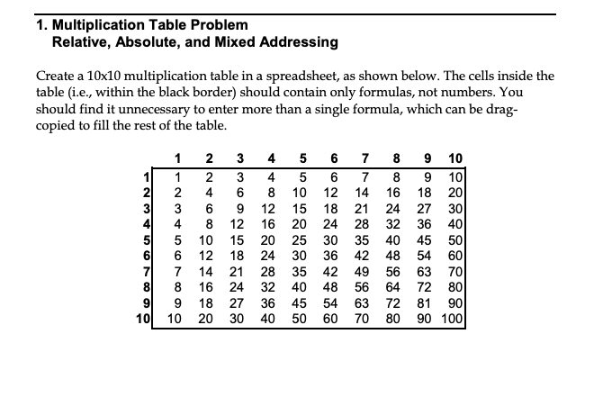
DO THIS PROBLEM USING ONLY *ONE* FORMULA THAT YOU'VE COPIED AND DRAGGED TO THE ENTIRE SHEET

