Sheet1
Query
-- Selects the edges that are within a distance of 0.0003 of a greenspace and updates their cost on the edges table
-- open_spaces_utrecht_splitted is the polygon layer with the greenspaces
-- wkb_geometry is its geometry field
with closest_edges as (select e.id, e.the_geom, o.ogc_fid
from edges e
inner join open_spaces o
on ST_DWithin(e.the_geom, o.the_geom, 0.0003)
)
update edges set cost = cost/100 from closest_edges where closest_edges.id=edges.id
Comparison of gist and spgist indices
Comparing indices
Test run | Without index | gist (msec) | spgist (msec) | brin (sec)
1 | >30 | 1414 | 1175 | >30
2 |  | 1785 | 1065 | >5
3 |  | 1034 | 1331 | >5
4 |  | 1987 | 1206 | >5
5 |  | 1543 | 1240 | -
6 |  | 1605 | 1057 | -
7 |  | 1364 | 1130 | -
8 |  | 1057 | 1206 | -
9 |  | 1039 | 1093 | -
10 |  | 1245 | 1206 | -
 |  | 4+700
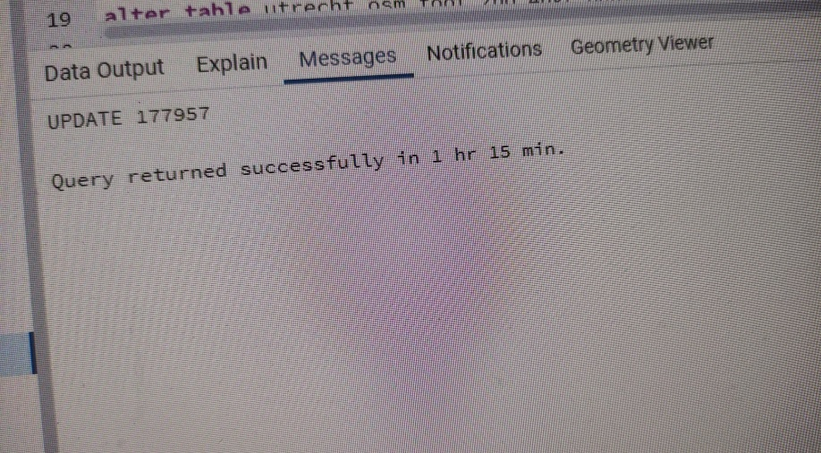
AMAZING !!!

Comparison of gist and spgist indices

Note, this was on another query (its previous version)

