Sheet1
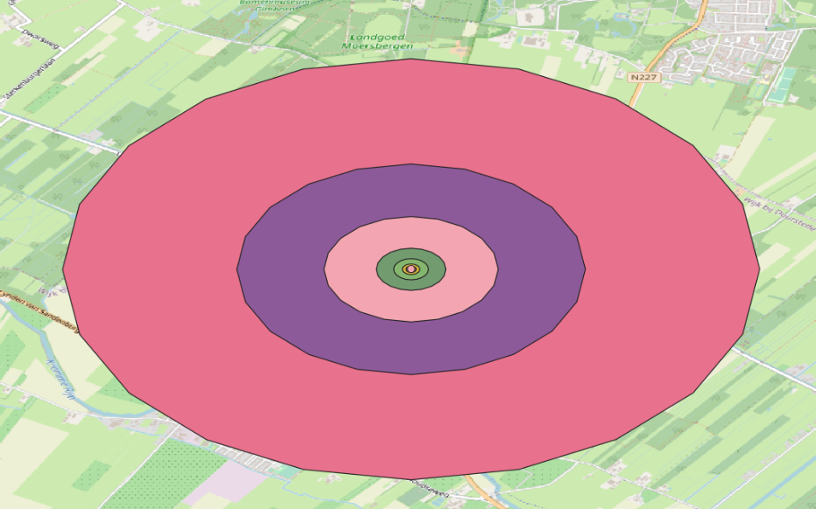
Distance comparison on the buffers N-S and E-W

Distances
lat | y | lon | x
0.00009 | 10 | 0.00015 | 16.19
0.00018 | 20 | 0.00029 | 32.43
0.00027 | 30 | 0.00044 | 48.44
0.00045 | 50 | 0.00073 | 80.81
0.0009 | 100 | 0.00146 | 162
0.0018 | 200 | 0.00291 | 324.16
0.00449 | 500 | 0.00729 | 809.48
0.00899 | 1000 | 0.01457 | 1620.78
0.01797 | 2000 | 0.02914 | 3242.45

