Resistencia
Resistencia de muro

Geometría
t | 14 | cm | Resumen
H | 3 | cm | Pr | 56.05 | Ton
Lm | 434 | cm | VmR | 6.38 | Ton
Sep máx | 4.5 | cm | VsR | 8.52 | Ton
At | 6076 | cm² | Vm+s | 14.89 | Ton
Peso | 32.8104 | kg | vm | 5.25
w | 0.00756 | t/m

Castillos
hc | 15 | cm | Resistencia de los materiales
bc | 15 | cm | fp* | 100 | kg/cm²
f'c | 150 | kg/cm² | fm* | 20 | kg/cm²
fy | 4200 | kg/cm² | vm* | 3 | kg/cm²
As | 2.84 | cm²
AsMin | 1.4 | cm²

Factores de resistencia (NTC-M 3.1.4)
FRa | 0.6 | Axial
FRv | 0.7 | Cortante

Resistencia a compresión

FE | 0.7 | NTC-M 3.2.2
FR | 0.6
PR | 56.04816 | Ton

Resistencia a cortante (NTC-M 5.4.2)
FR | 0.7

VmrMax | 19.1394 | Ton

P | 0 | kg
VmR | 6.3798 | Ton

Resistencia del acero de refuerzo horizontal

fyh | 4200 | kg/cm²
sep | 60 | cm
Ash por hilada | 0.71 | cm²

Cuantía
ph | 0.00084523809524
min | 0.00071428571429
máx | 0.0014285714286

factor de eficiencia
phfyh | 3.55
Interpolación | 0.92666666667
n | 0.6

Vsr | 9.059316 | Ton

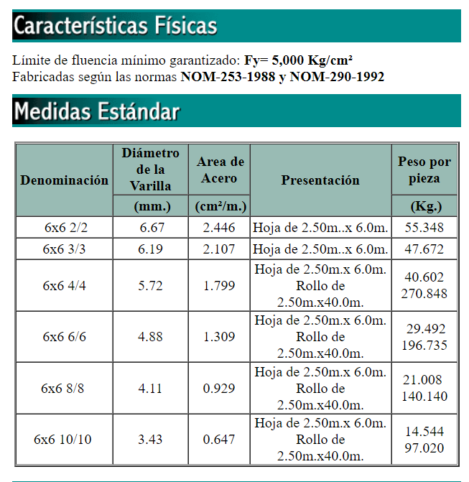
Malla
Fr | 0.7
diam | 0.343 | cm
area | 0.18480261705
sep | 15 | cm
phy | 0.00088001246215
fyh | 5000 | kg/cm2
At | 6076 | cm2
k1 | 0.91 |  | min | 0.91
alpha | 0.045
fm | 20
fan | 1 |  | coeficiente de huecos
ns | 0.5
n | 0.455
Vsr | 8.5150269841 | ton

