Test 1
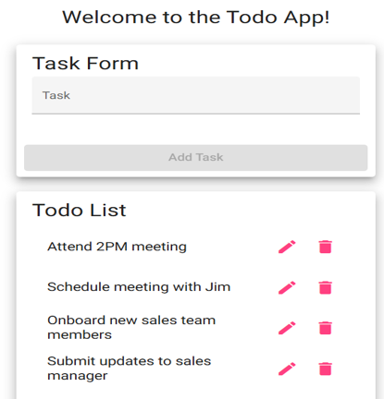
Test 1 | Ensure To Do List is Displayed
 | Test Objective: Make Sure users can view the list of todo items when they access the app. | Developer: Alex Zayas | Peer tester: Andres Melendez
 |  | Date tested: <2025/01/30> | Date tested: <2025/02/01>
Step | Action | Expected results: | Developer pass/fail | Tester pass/fail
 |  |  |  | + Screenshot
1 | Open https://buwebdev.github.io/todo/ in a browser | The page loads successfully without errors | Pass | Pass
2 | Check if the Todo List section is visible | A list of existing todo tasks is displayed | Pass | Pass
3 | Ensure the tasks are presented in a readable format | Tasks should be listed clearly with edit and delete icons next to each task | Pass | Pass
Comments | The test verifies that the user can access the todo list and view existing tasks. If tasks are not displayed, verify the API call or database connection.

Test 2
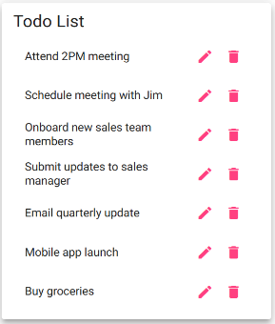
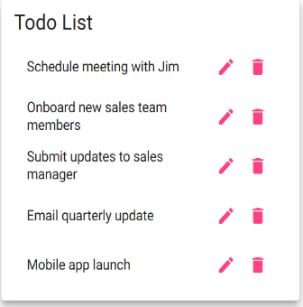
Test 2 | Create a new Todo Task
 | Test Objective: Validate that a user can successfully create a new todo task. | Developer: Alex Zayas | Peer tester: Andres Melendez
 |  | Date tested: <2025/01/30> | Date tested: <2025/02/01>
Step | Action | Expected results: | Developer pass/fail | Tester pass/fail
 |  |  |  | + Screenshot
1 | Navigate to the Todo App | The application loads successfully | Pass | Pass
2 | Enter a new task into the Task Form field | The input field accepts text input | Pass | Pass
3 | Click the “Add Task” button | The new task appears in the Todo List section | Pass | Pass
4 | Refresh the page | The newly added task should still be present in the list | Fail | Fail
Comments | The test verifies successful task creation but identifies a critical issue where tasks do not persist after a page refresh. This suggests additional storage mechanisms, such as local storage or database integration.

Test 3
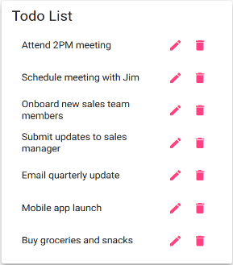
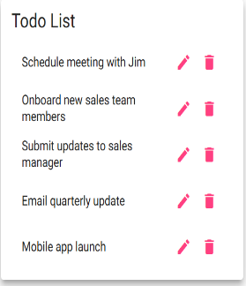
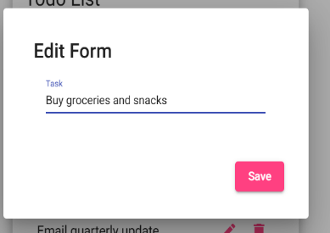
Test 3 | Edit an Existing Todo Task
 | Test Objective: Confirm that users can edit an existing todo task. | Developer: Alex Zayas | Peer tester: Andres Melendez
 |  | Date tested: <2025/01/30> | Date tested: <2025/02/01>
Step | Action | Expected results: | Developer pass/fail | Tester pass/fail
 |  |  |  | + Screenshot
1 | Click the edit icon next to an existing task | An input field appears allowing the user to edit the task | Pass | Pass
2 | Modify the task text and save changes | The updated task should replace the old text | Pass | Pass
3 | Refresh the page | The edited task should still reflect the changes | Fail | Fail
Comments | The test confirms that tasks can be edited but highlights a failure where edits are not retained after a page refresh. This could indicate issues with event handlers or storage updates.

Test 4
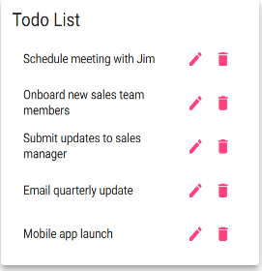
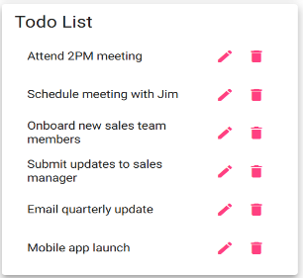
Test 4 | Delete a Todo Task
 | Test Objective: Ensure users can delete an existing task from the Todo List. | Developer: Alex Zayas | Peer tester: Andres Melendez
 |  | Date tested: <2025/01/30> | Date tested: <2025/02/01>
Step | Action | Expected results: | Developer pass/fail | Tester pass/fail
 |  |  |  | + Screenshot
1 | Click the trash icon next to an existing task | The task is removed from the list | Pass | Pass
2 | Refresh the page | The deleted task should no longer appear in the list | Fail | Fail
Comments | The test confirms that tasks can be deleted, but notes that deleted tasks reappear after refreshing the page. This indicates that the delete operation might not update the data source correctly.

