Car Controller Pins
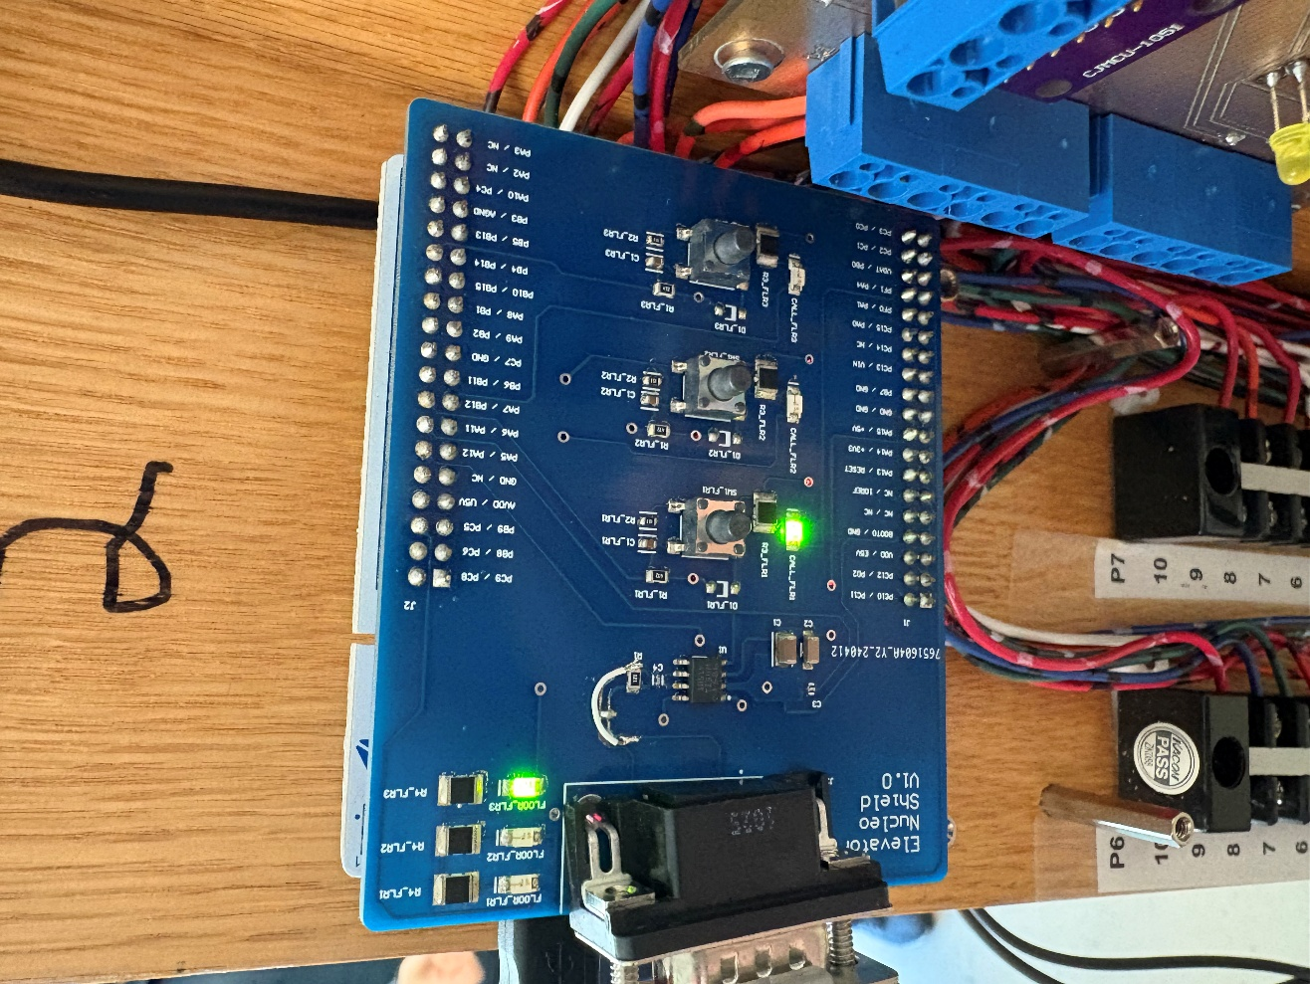
STM Pin Name | GPIO Mode | GPIO PuPd | Maximum Output | Cube Name | Description
PA4 | Output Push Pull | No pull-up and no pull-down | Low | PB1 LED | LED mounted below Floor 1 (PB1 Button)
PA5 | Output Push Pull | No pull-up and no pull-down | Low | LD2 [Green Led] | Green Light on physical STM board, used for debugging only
PA6 | Output Push Pull | No pull-up and no pull-down | Low | PB2 LED | LED mounted below Floor 2 (PB2 Button)
PA7 | Output Push Pull | No pull-up and no pull-down | Low | PB3 LED | LED mounted below Floor 3 (PB3 Button)
PB0 | Output Push Pull | No pull-up and no pull-down | Low | F2 Indicator | Indicator in top left (Middle) that indicates floor two
PB1 PB2 PB3
PB1 | Output Push Pull | No pull-up and no pull-down | Low | F3 Indicator | Indicator in top left (right) that indicates floor three
PB12 | External Interrupt Mode with Falling edge trigger detection | No pull-up and no pull-down | n/a | PB1 | Pushbutton 1 interrupt pin
PB14 | External Interrupt Mode with Falling edge trigger detection | No pull-up and no pull-down | n/a | PB3 | Pushbutton 2 interrupt pin
PB15 | External Interrupt Mode with Falling edge trigger detection | No pull-up and no pull-down | n/a | PB2 | Pushbutton 3 interrupt pin
PC5 | Output Push Pull | No pull-up and no pull-down | Low | F1 Indicator | Indicator in top left (Left) that indicates floor one
PC6 | Output Push Pull | No pull-up and no pull-down | Low | ExtLED3 | External Pushbutton LED 3: Door Open Indicator
PC8 | Output Push Pull | No pull-up and no pull-down | Low | ExtLED2 | External Pushbutton LED 2 (Used by group 4 for other floors): Close Door Request
PC9 | Output Push Pull | No pull-up and no pull-down | Low | ExtLED1 | External Pushbutton LED 1 :Open Door Request
PC10 | External Interrupt Mode with Falling edge trigger detection | No pull-up and no pull-down | n/a | ExtPB1 | External Pushbutton 1 Interrupt PIN (Proposed) (Open Door Request)
PC11 | External Interrupt Mode with Falling edge trigger detection | No pull-up and no pull-down | n/a | ExtPB2 | External Pushbutton 2 Interrupt PIN (Proposed)
PD2 | External Interrupt Mode with Falling edge trigger detection | No pull-up and no pull-down | n/a | ExtPB3 | External Pushbutton 3 Interrupt PIN (Proposed)

