Dataset1
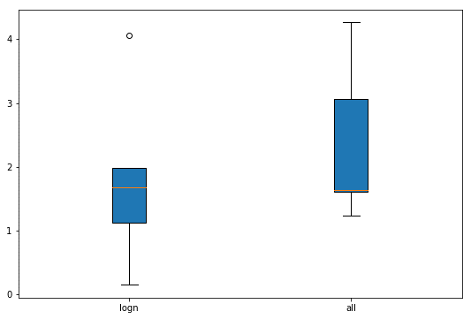
 | Logn Features | All features
Batch 1 | 1.1291442906 | 1.6329820498
Batch 2 | 1.9873131359 | 3.0612861494
Batch 3 | 4.0579399782 | 4.2611235464
Batch 4 | 1.6725215727 | 1.6025621383
Batch 5 | 0.15555710266 | 1.234199963
Average | 1.800495216 | 2.3584307694

Dataset2
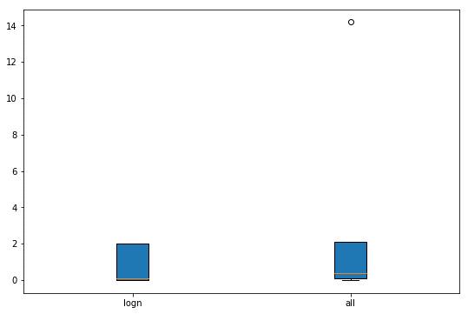
 | Logn Features | All features
Batch 1 | 1.9887484542 | 14.192882803
Batch 2 | 0.0034803411159 | 0.010907269021
Batch 3 | 0.082663862543 | 0.084658424417
Batch 4 | 0.01946549416 | 0.39505641757
Batch 5 | 1.9889530368 | 2.090258859
Average | 0.81666223776 | 3.3547527546

Dataset3
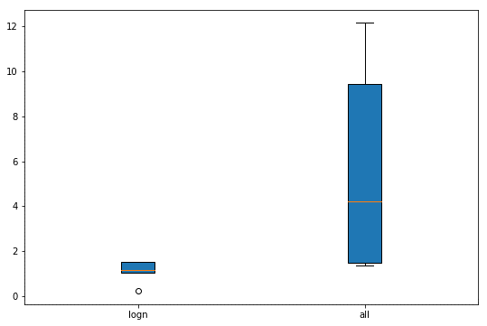
 | Logn Features | All features
Batch 1 | 0.22779561264 | 1.473879513
Batch 2 | 1.4984453097 | 4.1914292472
Batch 3 | 1.5170318444 | 9.4261413977
Batch 4 | 1.0476785876 | 1.3668388077
Batch 5 | 1.1426408606 | 12.158660849
Average | 1.086718443 | 5.7233899629

Dataset4
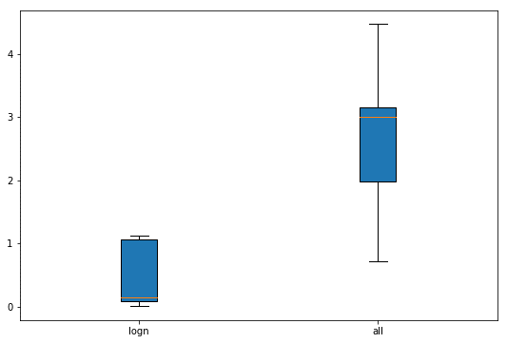
 | Logn Features | All features
Batch 1 | 0.089511348749 | 4.4711647536
Batch 2 | 1.069102258 | 3.1509954456
Batch 3 | 1.1178414227 | 1.976874082
Batch 4 | 0.14893061231 | 3.0092373909
Batch 5 | 0.011824171877 | 0.71383111588
Average | 0.48744196272 | 2.6644205576

Dataset5
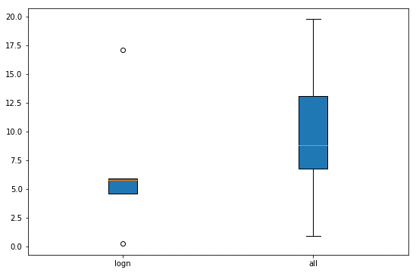
 | Logn Features | All features
Batch 1 | 4.6414247028 | 6.7568706058
Batch 2 | 5.9163893425 | 8.8197557157
Batch 3 | 5.7998264634 | 13.081461591
Batch 4 | 0.27721777741 | 0.90689773743
Batch 5 | 17.105909089 | 19.753639279
Average | 6.748153475 | 9.8637249859

Dataset6
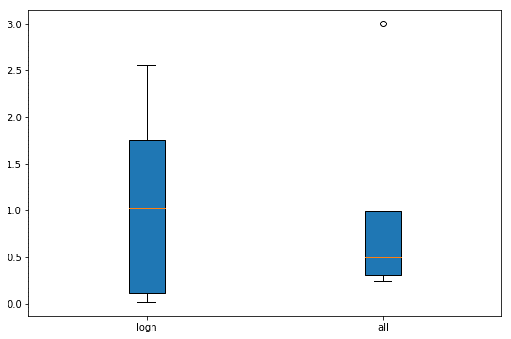
 | Logn Features | All features
Batch 1 | 1.0270224131 | 0.49520227152
Batch 2 | 0.015636457957 | 0.24463960869
Batch 3 | 0.11153826955 | 0.30312826839
Batch 4 | 2.5609942283 | 0.99604991044
Batch 5 | 1.7567234204 | 3.0022949768
Average | 1.0943829579 | 1.0082630072

Dataset7
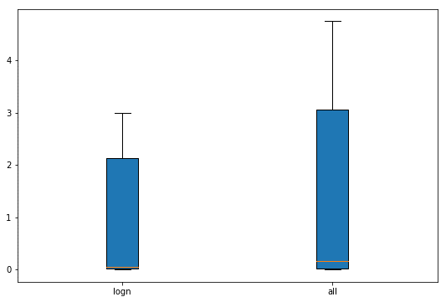
 | Logn Features | All features
Batch 1 | 2.1253873826 | 3.060703506
Batch 2 | 0.050318201545 | 0.16619562946
Batch 3 | 0.0070607280053 | 0.0068543495554
Batch 4 | 0.022556323199 | 0.022090499946
Batch 5 | 3.0005172809 | 4.744082558
Average | 1.0411679832 | 1.5999853086

