Munka1
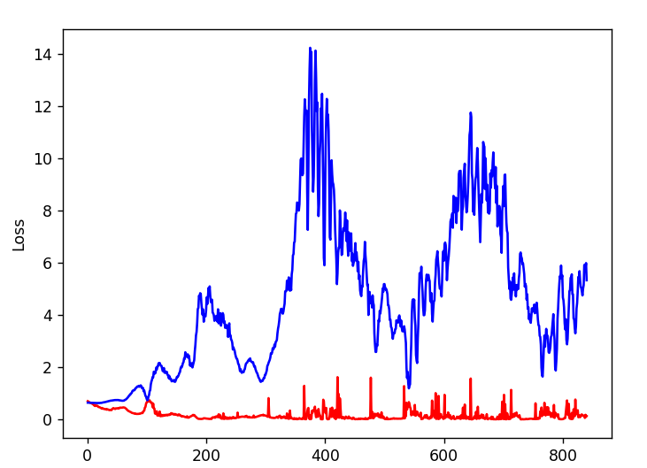
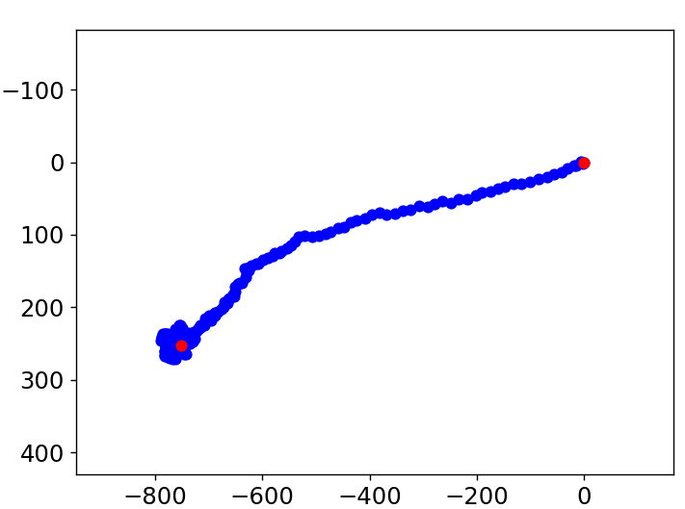
GAN training params

Discriminator Layers | Generator Layers | Dropout | LeakyRelu Negative slope | Batch size | Epochs | Z: input noise | Learning Rate
512,256,128,1 | 256,512,1024,1500,1998 | 0.1 | 0.2 | 32 | 15 | 100 | 0.0001

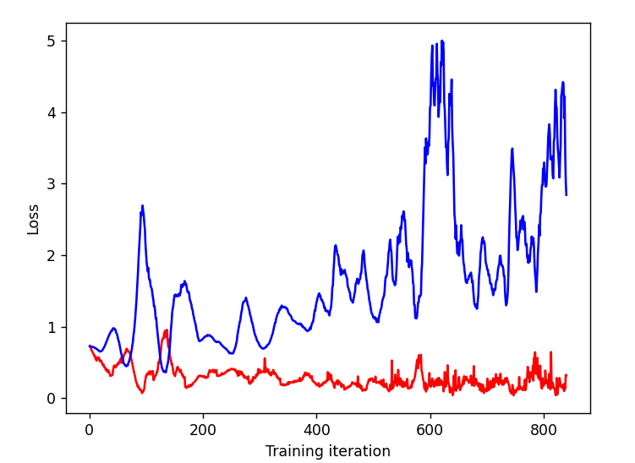
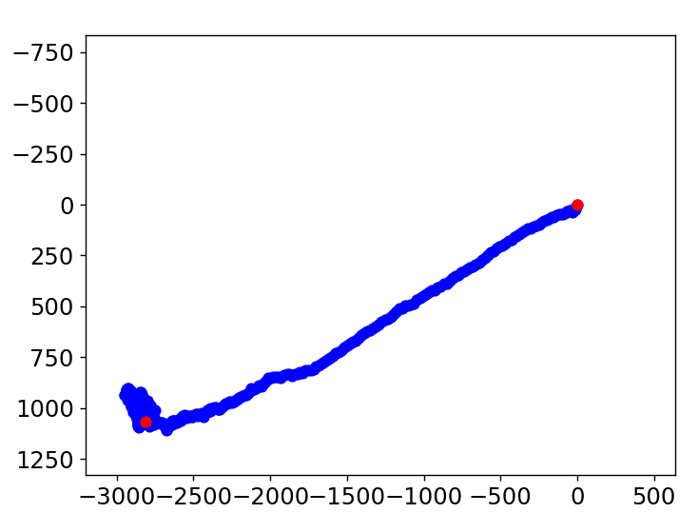

Discriminator Layers | Generator Layers | Dropout | LeakyRelu Negative slope | Batch size | Epochs | Z: input noise | Learning Rate
512,256,128,1 | 256,512,1024,1500,1998 | 0.5 | 0.2 | 32 | 15 | 100 | 0.0001

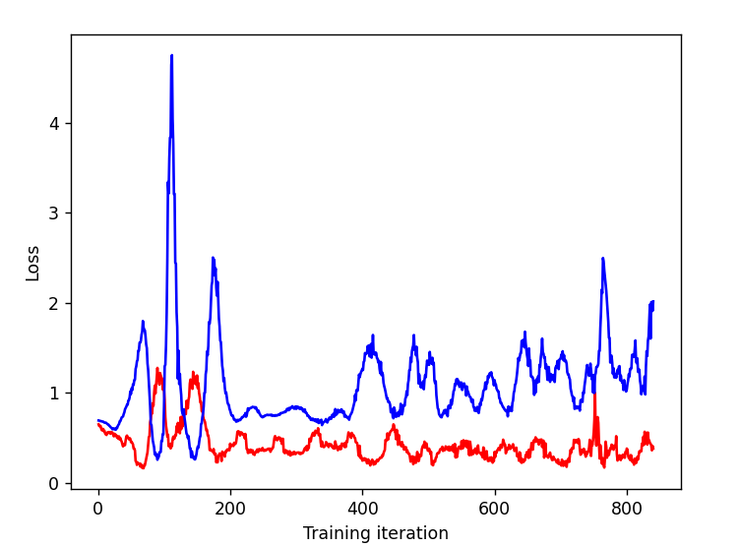
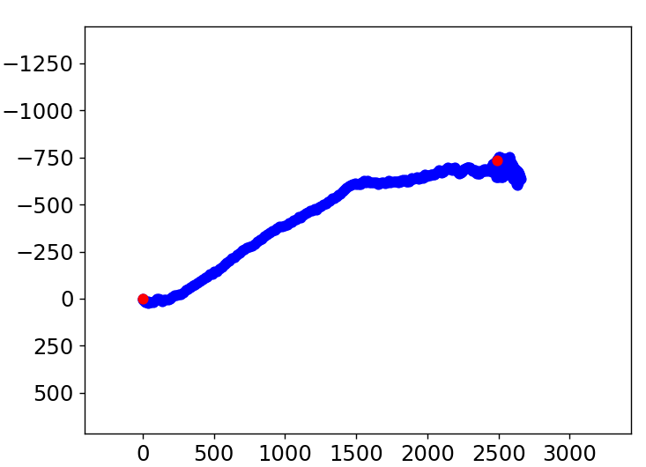

Discriminator Layers | Generator Layers | Dropout | LeakyRelu Negative slope | Batch size | Epochs | Z: input noise | Learning Rate
1028,512,256,128,1 | 256,512,1024,1500,1998 | 0.5 | 0.2 | 32 | 15 | 100 | 0.0001

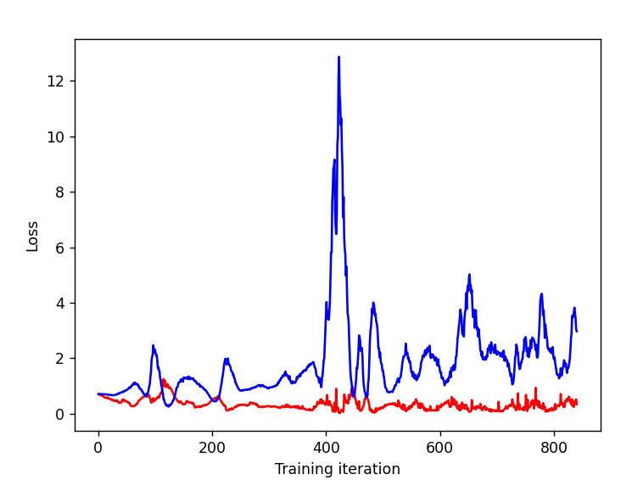
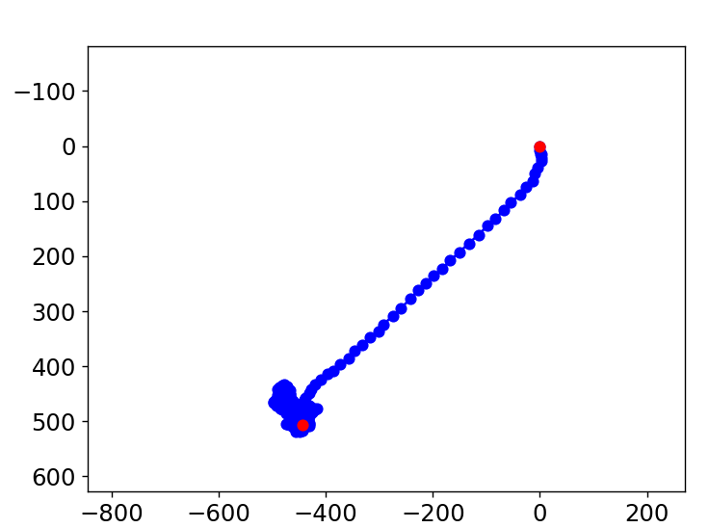

Discriminator Layers | Generator Layers | Dropout | LeakyRelu Negative slope | Batch size | Epochs | Z: input noise | Learning Rate
1028,512,256,128,1 | 256,512,1024,1998 | 0.5 | 0.2 | 32 | 15 | 100 | 0.0001
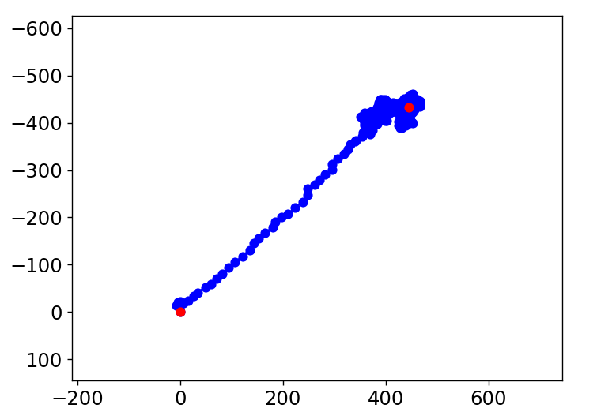
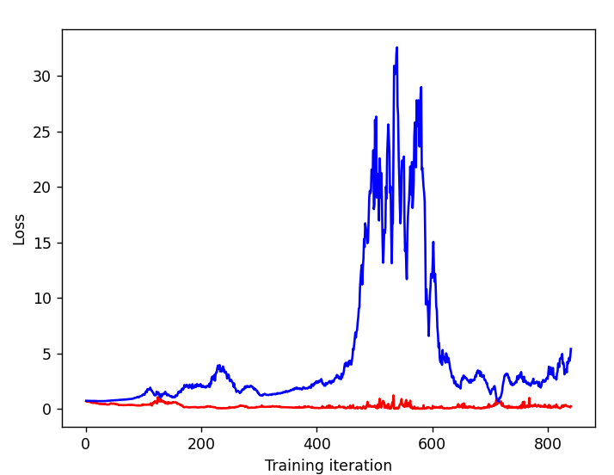

Discriminator Layers | Generator Layers | Dropout | LeakyRelu Negative slope | Batch size | Epochs | Z: input noise | Learning Rate
1028,512,256,128,1 | 256,512,1024,1998 | 0.2 | 0.2 | 32 | 15 | 100 | 0.0001

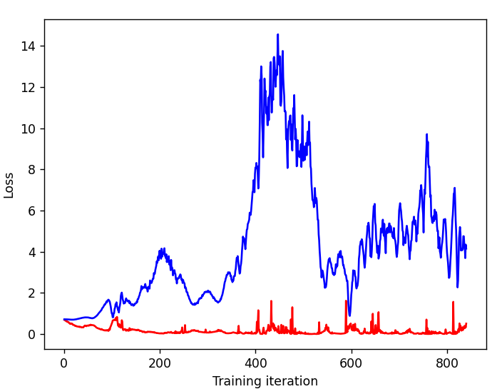
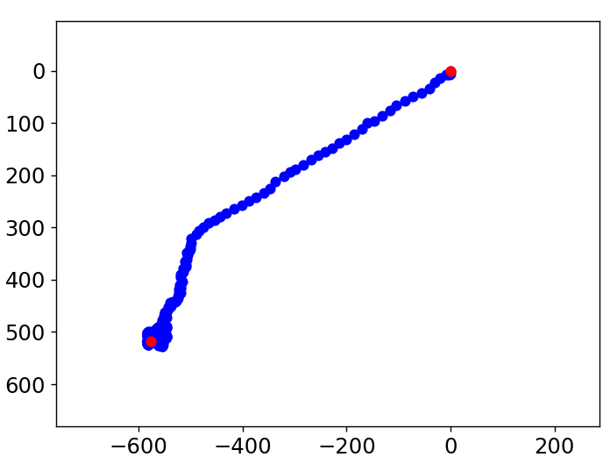

Discriminator Layers | Generator Layers | Dropout | LeakyRelu Negative slope | Batch size | Epochs | Z: input noise | Learning Rate
1028,512,256,128,1 | 256,512,1024,1998 | 0.2 | 0.2 | 32 | 15 | 75 | 0.0001

