PKL-HQ
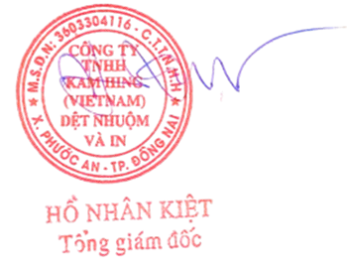
KAM HING (VIETNAM) TEXTILE PRINTING AND DYEING COMPANY LIMITED
NHON TRACH 6A SUBDIVISION, NHON TRACH 6 INDUSTRIAL PARK,PHUOC AN COMMUNE, DONG NAI PROVINCE, VIET NAM
PACKING LIST
BUYER/FOR ACCOUNT |  |  | KAM HING PIECE WORKS LTD |  |  |  |  | No.: |  | KHV-MNA150726-01
OF APPLICANT: |  |  | UNIT A, 23/F., TML TOWER, 3 HOI SHING ROAD, |  |  |  |  | Date: |  | 15/07/2026
 |  |  | TSUEN WAN, N.T., HONG KONG |  |  |  |  | VENDOR NAME : |  | MAXHILL MANAGEMENT SERVICES PTE LTD.
CONSIGNEE/ NOTIFY PARTY: |  |  | PT Nirwana Alabare Garment |  |  |  |  | VENDOR P.O. NO. : |  | 265K0104-LOT A-CHASE-DF00252
 |  |  | Jl. Raya Rancaekek - Majalaya No.289,Desa Solokan Jeruk , |  |  |  |  | STYLE NO.: |  | S#692926 HOL26
 |  |  | Kecamatan Solokan Jeruk,Kabupaten Bandung Jawa Barat 40382,Indonesia |  |  |  |  | P.O. NO. : |  | KZ260600036
 |  |  | Tel: +62 285962076 ID : 74.540.692.6-444.000 |  |  |  |  | CONTRACT NO. : |  | 01KHV-KFPW/2025
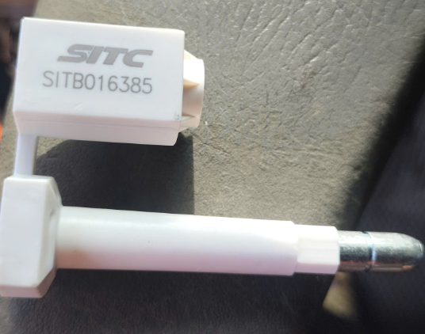
Means of transport: |  |  | BY VESSEL |  |  |  |  | Booking No. |  | SITSGJT0709G189957
Port of Loading: |  |  | HO CHI MINH CITY, VIETNAM |  |  |  |  | Container No.: |  | SITU2469545
Port of Discharge: |  |  | JAKARTA, INDONESIA |  |  |  |  | Seal No.: |  | SITB016385
Partial Shipment: |  |  | Allowed |  |  |  |  | ETD DATE: |  | 21-Jul-26
Transhipment: |  |  | Allowed |  |  |  |  | ETA DATE: |  | 24-Jul-26
Terms of Payment: |  |  | T/T 30 days |  |  |  |  | Payment information:
Trade Terms: |  |  | FOB, HO CHI MINH CITY PORT, VIETNAM |  |  |  |  | Account name: | KAM HING (VIETNAM) TEXTILE PRINTING AND DYEING COMPANY LIMITED
 |  |  |  |  |  |  |  | Account number: 1106 2809 8368( USD)
 |  |  |  |  |  |  |  | Bank name : | Vietnam Joint Stock Commercial Bank For Industry and Trade - Branch No.6
 |  |  |  |  |  |  |  |  | Ho Chi Minh City
 |  |  |  |  |  |  |  | Bank address: | 1A - 1B - 2 Floor, A part of 11 Floor, 635B Building, Nguyen Trai Street, Cho Lon Ward,
 |  |  |  |  |  |  |  |  | Ho Chi Minh City, Vietnam
 |  |  |  |  |  |  |  | Swift code: | ICBVVNVX922
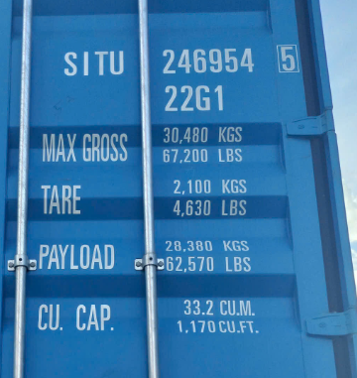
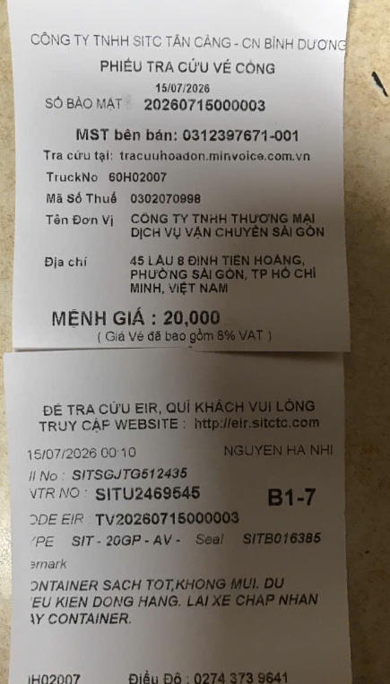
No. | RD No. | PO No. | Description of goods | Color and Reference No. | Batch No. | Rolls | Quantity NW (Kg) | Quantity GW (Kg) | Quantity Length (Yds) | Quantity Length (MTR) | Quantity NW (Lbs) | Quantity GW (Lbs) | CONT/SEAL NO
1 | RD1057305 | KZ260600036 | 40S/1COTTON +20D SPANDEX JERSEY(95%BCI COTTON 5%SPANDEX),WIDTH: 62"/64", WEIGHT: 155 G/M2 | Calla Lily | V26002660 | 24.0 | 544.9 | 552.1 | 2,441.70 | 2,232.69 | 1,201.31 | 1,217.15 | SITU2469545/SITB016385
2 |  |  |  | Black Jack | V26002765 | 20.0 | 545.3 | 551.25 | 2,421.85 | 2,214.58 | 1,202.09 | 1,215.29
TOTAL |  |  |  |  |  | 44.00 | 1,090.15 | 1,103.35 | 4,863.55 | 4,447.27 | 2,403.40 | 2,432.44

TOTAL: |  | 44 | ROLLS / | 4,863.55 | YDS/ | 3.82 | CBM
NW: |  | 1,090.15 | KGS / | 2,403.40 | LBS
GW: |  | 1,103.35 | KGS / | 2,432.44 | LBS
 |  | 4,447.27 | MTR
 |  |  |  |  |  |  |  |  |  | KAM HING (VIETNAM) TEXTILE PRINTING AND DYEING COMPANY LIMITED

