CL
 |  |  |  |  | Time taken: 42.7788724899292 seconds |  |  |  | Time taken: 27.96388268470764 seconds
 |  | Feature selection recommend: ['ALFA'] |  |  | Feature selection of 'CL' recommend: ['ALFA'] |  |  |  | Feature selection of 'CL' recommend: ['ALFA']
 |  | Estimator : RandomForestRegressor(), reports : |  |  | Estimator : DecisionTreeRegressor(), reports : |  |  |  | Estimator : LinearRegression(), reports :
 |  | No of Feats | Chosen Feats | Scores | No of Feats | Chosen Feats | Scores |  | No of Feats | Chosen Feats | Scores
 | 0 | 1 | [ALFA] | -0.001 | 0 | 1 | [ALFA] | -0.001 | 0 | 1 | [ALFA] | -0.004
 | 1 | 2 | [ALFA, BETA] | -0.001 | 1 | 2 | [ALFA, BETA] | -0.001 | 1 | 1 | [ALFA] | -0.004
 | 2 | 2 | [ALFA, BETA] | -0.001 | 2 | 2 | [ALFA, BETA] | -0.001 | 2 | 1 | [ALFA] | -0.004
 | 3 | 2 | [ALFA, BETA] | -0.001 | 3 | 2 | [ALFA, BETA] | -0.001 | 3 | 1 | [ALFA] | -0.004
 | 4 | 2 | [ALFA, BETA] | -0.001 | 4 | 2 | [ALFA, BETA] | -0.001 | 4 | 1 | [ALFA] | -0.004
 | 5 | 2 | [ALFA, BETA] | -0.001 | 5 | 2 | [ALFA, BETA] | -0.001 | 5 | 1 | [ALFA] | -0.004
 | 6 | 2 | [ALFA, BETA] | -0.001 | 6 | 2 | [ALFA, BETA] | -0.001 | 6 | 1 | [ALFA] | -0.004
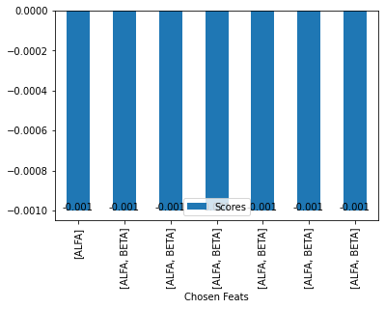
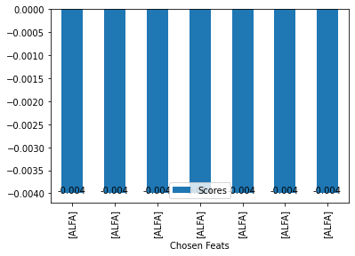

=========================================================================================================================

CD
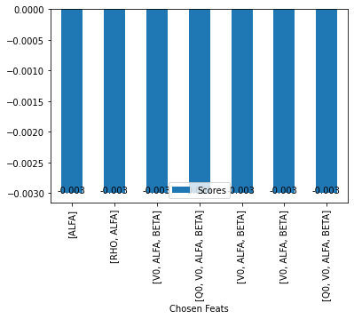
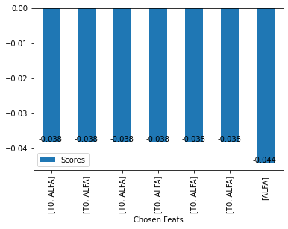
 |  |  |  | Time taken: 41.30299234390259 seconds |  |  |  | Time taken: 30.983945608139038 seconds
Feature selection recommend: ['ALFA'] |  |  |  | Feature selection of 'CD' recommend: ['ALFA'] |  |  |  | Feature selection of 'CD' recommend: ['T0', 'ALFA']
Estimator : RandomForestRegressor(), reports : |  |  |  | Estimator : DecisionTreeRegressor(), reports : |  |  |  | Estimator : LinearRegression(), reports :
No of Feats | Chosen Feats | Scores |  | No of Feats | Chosen Feats | Scores |  | No of Feats | Chosen Feats | Scores
0 | 1 | [ALFA] | -0.003 | 0 | 1 | [ALFA] | -0.004 | 1 | 2 | [T0, ALFA] | -0.038
1 | 2 | [RHO, ALFA] | -0.003 | 1 | 1 | [ALFA] | -0.004 | 2 | 2 | [T0, ALFA] | -0.038
2 | 3 | [V0, ALFA, BETA] | -0.003 | 2 | 1 | [ALFA] | -0.004 | 3 | 2 | [T0, ALFA] | -0.038
3 | 4 | [Q0, V0, ALFA, BETA] | -0.003 | 3 | 1 | [ALFA] | -0.004 | 4 | 2 | [T0, ALFA] | -0.038
4 | 3 | [V0, ALFA, BETA] | -0.003 | 4 | 1 | [ALFA] | -0.004 | 5 | 2 | [T0, ALFA] | -0.038
5 | 3 | [V0, ALFA, BETA] | -0.003 | 5 | 1 | [ALFA] | -0.004 | 6 | 2 | [T0, ALFA] | -0.038
6 | 4 | [Q0, V0, ALFA, BETA] | -0.003 | 6 | 1 | [ALFA] | -0.004 | 0 | 1 | [ALFA] | -0.044

CM25
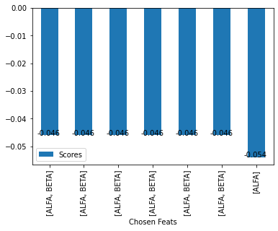

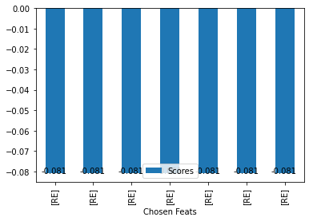
 |  |  |  | Time taken: 37.97034430503845 seconds |  |  |  | Time taken: 31.26433515548706 seconds
Feature selection recommend: ['ALFA', 'BETA'] |  |  |  | Feature selection of 'CM25' recommend: ['ALFA', 'BETA'] |  |  |  | Feature selection of 'CM25' recommend: ['RE']
Estimator : RandomForestRegressor(), reports : |  |  |  | Estimator : DecisionTreeRegressor(), reports : |  |  |  | Estimator : LinearRegression(), reports :
No of Feats | Chosen Feats | Scores |  | No of Feats | Chosen Feats | Scores |  | No of Feats | Chosen Feats | Scores
1 | 2 | [ALFA, BETA] | -0.046 | 1 | 2 | [ALFA, BETA] | -0.053 | 0 | 1 | [RE] | -0.081
2 | 2 | [ALFA, BETA] | -0.046 | 2 | 2 | [ALFA, BETA] | -0.053 | 1 | 1 | [RE] | -0.081
3 | 2 | [ALFA, BETA] | -0.046 | 3 | 2 | [ALFA, BETA] | -0.053 | 2 | 1 | [RE] | -0.081
4 | 2 | [ALFA, BETA] | -0.046 | 4 | 2 | [ALFA, BETA] | -0.053 | 3 | 1 | [RE] | -0.081
5 | 2 | [ALFA, BETA] | -0.046 | 5 | 2 | [ALFA, BETA] | -0.053 | 4 | 1 | [RE] | -0.081
6 | 2 | [ALFA, BETA] | -0.046 | 6 | 2 | [ALFA, BETA] | -0.053 | 5 | 1 | [RE] | -0.081
0 | 1 | [ALFA] | -0.054 | 0 | 1 | [ALFA] | -0.062 | 6 | 1 | [RE] | -0.081

CYAW
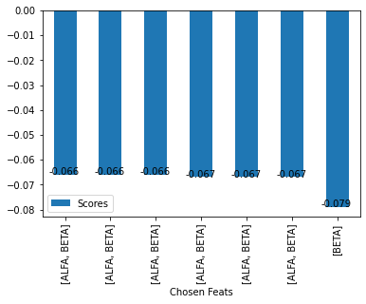

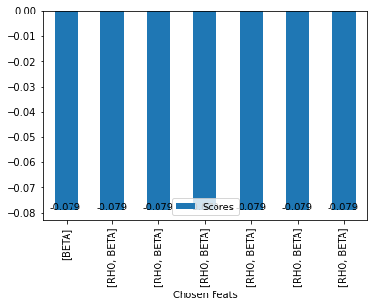
Time taken: 3012.8280379772186 seconds |  |  |  |  | Time taken: 36.01001262664795 seconds |  |  |  | Time taken: 31.773627519607544 seconds

 | Feature selection recommend: ['ALFA', 'BETA'] |  |  |  | Feature selection of 'CYAW' recommend: ['ALFA', 'BETA'] |  |  |  | Feature selection of 'CYAW' recommend: ['BETA']
 | Estimator : RandomForestRegressor(), reports : |  |  |  | Estimator : DecisionTreeRegressor(), reports : |  |  |  | Estimator : LinearRegression(), reports :
 | No of Feats | Chosen Feats | Scores |  | No of Feats | Chosen Feats | Scores |  | No of Feats | Chosen Feats | Scores
 | 3 | 2 | [ALFA, BETA] | -0.066 | 1 | 2 | [ALFA, BETA] | -0.073 | 0 | 1 | [BETA] | -0.079
 | 5 | 2 | [ALFA, BETA] | -0.066 | 2 | 2 | [ALFA, BETA] | -0.073 | 1 | 2 | [RHO, BETA] | -0.079
 | 6 | 2 | [ALFA, BETA] | -0.066 | 3 | 2 | [ALFA, BETA] | -0.073 | 2 | 2 | [RHO, BETA] | -0.079
 | 1 | 2 | [ALFA, BETA] | -0.067 | 4 | 2 | [ALFA, BETA] | -0.073 | 3 | 2 | [RHO, BETA] | -0.079
 | 2 | 2 | [ALFA, BETA] | -0.067 | 5 | 2 | [ALFA, BETA] | -0.073 | 4 | 2 | [RHO, BETA] | -0.079
 | 4 | 2 | [ALFA, BETA] | -0.067 | 6 | 2 | [ALFA, BETA] | -0.073 | 5 | 2 | [RHO, BETA] | -0.079
 | 0 | 1 | [BETA] | -0.079 | 0 | 1 | [BETA] | -0.084 | 6 | 2 | [RHO, BETA] | -0.079

CROLL
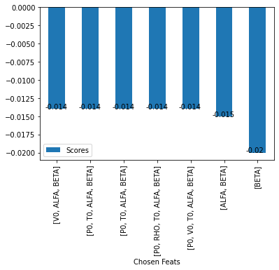
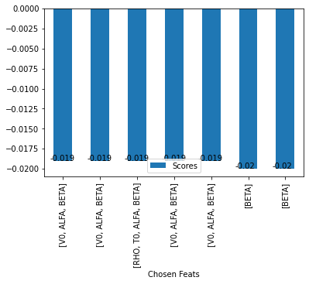
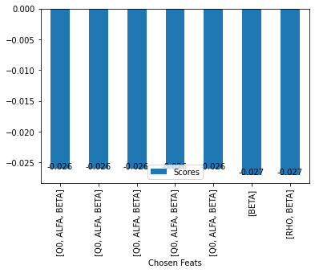
Time taken: 5178.040372133255 seconds |  |  |  |  | Time taken: 52.543657064437866 seconds |  |  |  | Time taken: 33.730616092681885 seconds

 | Feature selection recommend: ['V0', 'ALFA', 'BETA'] |  |  |  | Feature selection of 'CROLL' recommend: ['V0', 'ALFA', 'BETA'] |  |  |  | Feature selection of 'CROLL' recommend: ['Q0', 'ALFA', 'BETA']
 | Estimator : RandomForestRegressor(), reports : |  |  |  | Estimator : DecisionTreeRegressor(), reports : |  |  |  | Estimator : LinearRegression(), reports :
 | No of Feats | Chosen Feats | Scores |  | No of Feats | Chosen Feats | Scores |  | No of Feats | Chosen Feats | Scores
 | 2 | 3 | [V0, ALFA, BETA] | -0.014 | 2 | 3 | [V0, ALFA, BETA] | -0.019 | 2 | 3 | [Q0, ALFA, BETA] | -0.026
 | 3 | 4 | [P0, T0, ALFA, BETA] | -0.014 | 3 | 3 | [V0, ALFA, BETA] | -0.019 | 3 | 3 | [Q0, ALFA, BETA] | -0.026
 | 4 | 4 | [P0, T0, ALFA, BETA] | -0.014 | 4 | 4 | [RHO, T0, ALFA, BETA] | -0.019 | 4 | 3 | [Q0, ALFA, BETA] | -0.026
 | 5 | 5 | [P0, RHO, T0, ALFA, BETA] | -0.014 | 5 | 3 | [V0, ALFA, BETA] | -0.019 | 5 | 3 | [Q0, ALFA, BETA] | -0.026
 | 6 | 5 | [P0, V0, T0, ALFA, BETA] | -0.014 | 6 | 3 | [V0, ALFA, BETA] | -0.019 | 6 | 3 | [Q0, ALFA, BETA] | -0.026
 | 1 | 2 | [ALFA, BETA] | -0.015 | 0 | 1 | [BETA] | -0.02 | 0 | 1 | [BETA] | -0.027
 | 0 | 1 | [BETA] | -0.02 | 1 | 1 | [BETA] | -0.02 | 1 | 2 | [RHO, BETA] | -0.027

CY
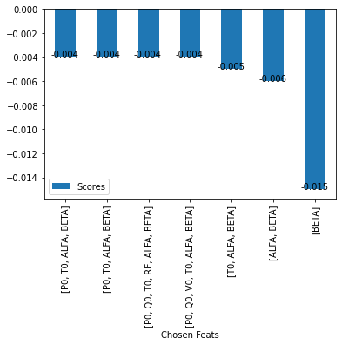
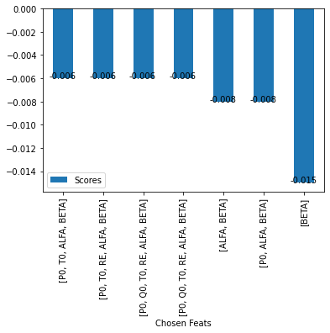
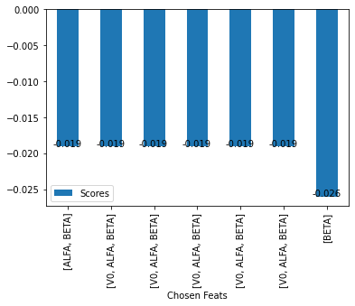
Time taken: 4112.520437002182 seconds |  |  |  |  | Time taken: 61.647600412368774 seconds |  |  |  | Time taken: 32.851935386657715 seconds

 | Feature selection recommend: ['P0', 'T0', 'ALFA', 'BETA'] |  |  |  | Feature selection of 'CY' recommend: ['P0', 'T0', 'ALFA', 'BETA'] |  |  |  | Feature selection of 'CY' recommend: ['ALFA', 'BETA']
 | Estimator : RandomForestRegressor(), reports : |  |  |  | Estimator : DecisionTreeRegressor(), reports : |  |  |  | Estimator : LinearRegression(), reports :
 | No of Feats | Chosen Feats | Scores |  | No of Feats | Chosen Feats | Scores |  | No of Feats | Chosen Feats | Scores
 | 3 | 4 | [P0, T0, ALFA, BETA] | -0.004 | 3 | 4 | [P0, T0, ALFA, BETA] | -0.006 | 1 | 2 | [ALFA, BETA] | -0.019
 | 4 | 4 | [P0, T0, ALFA, BETA] | -0.004 | 4 | 5 | [P0, T0, RE, ALFA, BETA] | -0.006 | 2 | 3 | [V0, ALFA, BETA] | -0.019
 | 5 | 6 | [P0, Q0, T0, RE, ALFA, BETA] | -0.004 | 5 | 6 | [P0, Q0, T0, RE, ALFA, BETA] | -0.006 | 3 | 3 | [V0, ALFA, BETA] | -0.019
 | 6 | 6 | [P0, Q0, V0, T0, ALFA, BETA] | -0.004 | 6 | 6 | [P0, Q0, T0, RE, ALFA, BETA] | -0.006 | 4 | 3 | [V0, ALFA, BETA] | -0.019
 | 2 | 3 | [T0, ALFA, BETA] | -0.005 | 1 | 2 | [ALFA, BETA] | -0.008 | 5 | 3 | [V0, ALFA, BETA] | -0.019
 | 1 | 2 | [ALFA, BETA] | -0.006 | 2 | 3 | [P0, ALFA, BETA] | -0.008 | 6 | 3 | [V0, ALFA, BETA] | -0.019
 | 0 | 1 | [BETA] | -0.015 | 0 | 1 | [BETA] | -0.015 | 0 | 1 | [BETA] | -0.026

