year_of_drivers
year | avg_age_in_years
1950 | 36.83
1951 | 37.02
1952 | 36.07
1953 | 34.82
1954 | 34.5
1955 | 34.7
1956 | 34.76
1994 was the last season with the average of age of F1 driver > 30.
1957 | 33.32
1958 | 33.8
1959 | 33.25
1960 | 33.53
1961 | 31.02
1962 | 30.87
1963 | 31.73
1964 | 32.03
1965 | 31.27
1966 | 32.05
1967 | 32.25
1968 | 32.1
1969 | 32.65
1970 | 31.87
1971 | 32.15
1972 | 31.74
1994 was the last season with the average of age of F1 driver > 30.
1973 | 31.45
1974 | 31.42
1975 | 30.9
1976 | 30.56
1977 | 30.68 | MIN | MAX | DIFFERENCE | PERCENTAGE | ROUNDED
1978 | 30.97 | 27.19 | 37.02 | 9.83 | 26.553214479 | 27
1979 | 30.9
1980 | 30.4
1981 | 29.97
Here’s the breakdown of the drivers for the 2025 Formula 1 season along with their ages:
Max Verstappen (Red Bull) – born September 30, 1997, will be 28 years old.
Sergio Perez (Red Bull) – born January 26, 1990, will be 35 years old.
Charles Leclerc (Ferrari) – born October 16, 1997, will be 28 years old.
Lewis Hamilton (Ferrari) – born January 7, 1985, will be 40 years old.
Kimi Antonelli (Mercedes) – born August 25, 2006, will be 19 years old.
George Russell (Mercedes) – born February 15, 1998, will be 27 years old.
Lando Norris (McLaren) – born November 13, 1999, will be 26 years old.
Oscar Piastri (McLaren) – born April 6, 2001, will be 24 years old.
Lance Stroll (Aston Martin) – born October 29, 1998, will be 27 years old.
Fernando Alonso (Aston Martin) – born July 29, 1981, will be 43 years old.
Pierre Gasly (Alpine) – born February 7, 1996, will be 29 years old.
Jack Doohan (Alpine) – born January 20, 2003, will be 22 years old.
Alex Albon (Williams) – born March 23, 1996, will be 29 years old.
Carlos Sainz (Williams) – born September 1, 1994, will be 31 years old.
Yuki Tsunoda (RB) – born May 11, 2000, will be 25 years old.
Oliver Bearman (Haas) – born May 8, 2005, will be 20 years old.
Esteban Ocon (Haas) – born September 17, 1996, will be 29 years old.
Nico Hülkenberg (Sauber) – born August 19, 1987, will be 37 years old.
Now, let's calculate the average age:
Max Verstappen: 28
Sergio Perez: 35
Charles Leclerc: 28
Lewis Hamilton: 40
Kimi Antonelli: 19
George Russell: 27
Lando Norris: 26
Oscar Piastri: 24
Lance Stroll: 27
Fernando Alonso: 43
Pierre Gasly: 29
Jack Doohan: 22
Alex Albon: 29
Carlos Sainz: 31
Yuki Tsunoda: 25
Oliver Bearman: 20
Esteban Ocon: 29
Nico Hülkenberg: 37
Total sum of ages: 528 years
Number of drivers: 18
Average age:
52818=29.33\frac{528}{18} = 29.3318528​=29.33
So, the average age of the 2025 F1 drivers is approximately 29.3 years.
1982 | 30.28
1983 | 30.22
1984 | 29.76
1985 | 30.77
1986 | 31.41
1987 | 30.29
1988 | 30.43
1989 | 30.15
1990 | 30.18
1991 | 30.15
1992 | 30.1
1993 | 30.88
1994 | 29.68
1995 | 29.8
1996 | 29.29
1997 | 28.68
1998 | 28.51
1999 | 29.61
2000 | 28.66
2001 | 28.24
2002 | 28.9
2003 | 28.77
2004 | 27.93
2005 | 28.78
2006 | 29.15
2007 | 28.21
2008 | 28.39
2009 | 28.2
2010 | 28.57
2011 | 29.43
2012 | 29.23
2013 | 27.53
2014 | 27.4
2015 | 27.19
2016 | 27.33
2017 | 27.66
2018 | 27.56
2019 | 27.53
2020 | 27.87
2021 | 28.25
2022 | 28.5
2023 | 28.57
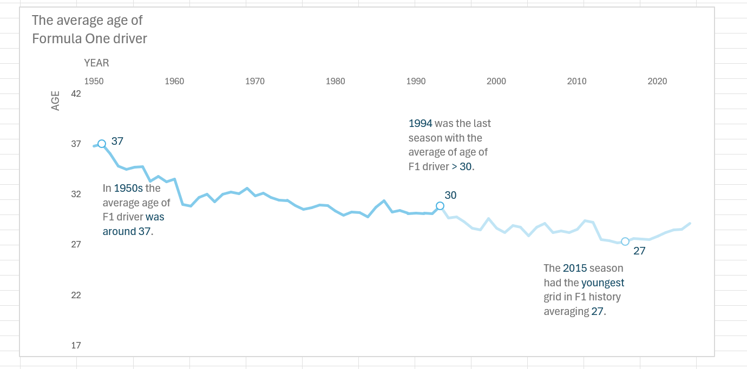
2024 | 29.16
2025 | 29.3

