Sheet1
P1 | P2 | P3 | P4 | Loser | Winner | Every player have considered that should drop biggest in exteame case:
9 | 11 | 7 | 12 | P4 | P3
13 | 25 | 0 | 4 | P2 | P3
10 | 12 | 8 | 0 | P2 | P4 | e.g. OP+MaxColor when all of cards on her hand are green, choose the biggest value and drop into the smallest number cauldron
19 | 18 | 6 | 2 | P1 | P4 | 4 6 10 4 10 1 2 3 4 5 6 7 8 9 10 20
8 | 2 | 8 | 12 | P4 | P2 | 4 6 10 9 20 1 2 3 4 5 6 7 8 9 10 11 12 13 14 15 16 17 18 19 20 110
 |  |  |  | #N/A | #N/A | 4 6 10 9 20 1 2 3 4 5 6 7 8 9 10 11 12 13 14 15 16 17 18 19 20 50
 |  |  |  | #N/A | #N/A | 4 6 10 4 15 1 1 1 3 3 3 5 5 5 7 7 7 9 9 9 20
15 | 14 | 18 | 11 | P3 | P4
23 | 25 | 21 | 0 | P2 | P4 |  | Rank | win | lose
22 | 27 | 12 | 0 | P2 | P4 | P4RedOP_M.exe | 2 | 22 | 6
38 | 27 | 10 | 6 | P1 | P4 | P3GreenOP.exe | 1 | 25 | 7
19 | 13 | 5 | 26 | P4 | P3 | P2YellowSmall.exe | 4 | 6 | 31
11 | 17 | 19 | 20 | P4 | P1 | P1BlueRandom.exe | 3 | 7 | 16
11 | 30 | 0 | 24 | P2 | P3
9 | 8 | 26 | 19 | P3 | P2
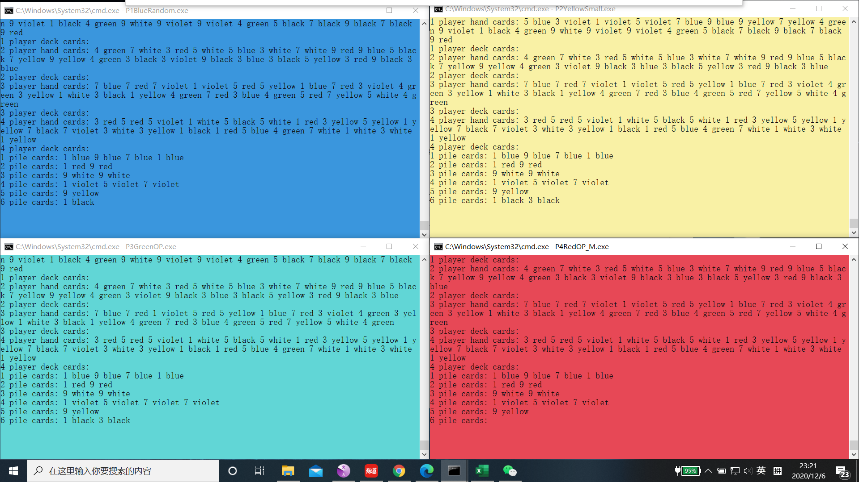
 |  |  |  | #N/A | #N/A
 |  |  |  | #N/A | #N/A
6 | 15 | 0 | 0 | P2 | P3
0 | 18 | 2 | 0 | P2 | P1
12 | 22 | 5 | 10 | P2 | P3
31 | 17 | 4 | 14 | P1 | P3
27 | 29 | 8 | 0 | P2 | P4
19 | 22 | 12 | 5 | P2 | P4
13 | 19 | 13 | 2 | P2 | P4
4 | 26 | 12 | 15 | P2 | P1
18 | 18 | 15 | 0 | P1 | P4
14 | 24 | 0 | 22 | P2 | P3
19 | 10 | 23 | 9 | P3 | P4
7 | 22 | 13 | 17 | P2 | P1
17 | 13 | 11 | 8 | P1 | P4
20 | 10 | 5 | 14 | P1 | P3
18 | 22 | 13 | 2 | P2 | P4
20 | 30 | 10 | 12 | P2 | P3
27 | 18 | 2 | 2 | P1 | P3
16 | 26 | 5 | 18 | P2 | P3
12 | 29 | 12 | 12 | P2 | P1
18 | 22 | 9 | 6 | P2 | P4
2 | 35 | 0 | 24 | P2 | P3
16 | 15 | 0 | 23 | P4 | P3
20 | 19 | 6 | 8 | P1 | P3
28 | 18 | 9 | 14 | P1 | P3
27 | 26 | 0 | 8 | P1 | P3
16 | 12 | 0 | 15 | P1 | P3
11 | 10 | 19 | 15 | P3 | P2
18 | 19 | 12 | 8 | P2 | P4
20 | 22 | 5 | 10 | P2 | P3
16 | 25 | 12 | 16 | P2 | P3
11 | 22 | 8 | 7 | P2 | P4
6 | 19 | 10 | 18 | P2 | P1
 |  |  |  | #N/A | #N/A
18 | 11 | 20 | 14 | P3 | P2
12 | 26 | 5 | 7 | P2 | P3
21 | 15 | 11 | 17 | P1 | P3
9 | 11 | 14 | 2 | P3 | P4
26 | 16 | 5 | 25 | P1 | P3
18 | 7 | 10 | 23 | P4 | P2
12 | 20 | 17 | 9 | P2 | P4
13 | 24 | 5 | 8 | P2 | P3
23 | 10 | 10 | 15 | P1 | P2
18 | 28 | 7 | 0 | P2 | P4
10 | 23 | 17 | 22 | P2 | P1
12 | 20 | 21 | 7 | P3 | P4
18 | 18 | 5 | 0 | P1 | P4
15 | 17 | 0 | 14 | P2 | P3
23 | 20 | 18 | 10 | P1 | P4

