Cover
Prototype Design
[HBS]

Version: 1.3
11/9/2016

SignUp Screen
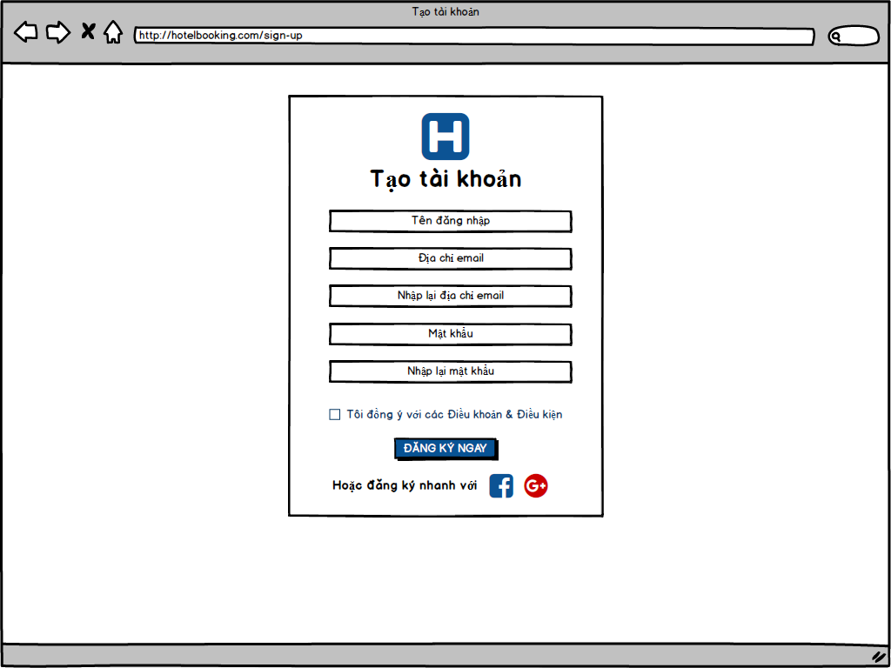
Screen ID | SYS010 | Create | NhatNH
Screen Name | Sign Up | Review
 |  | Approve

Login Screen
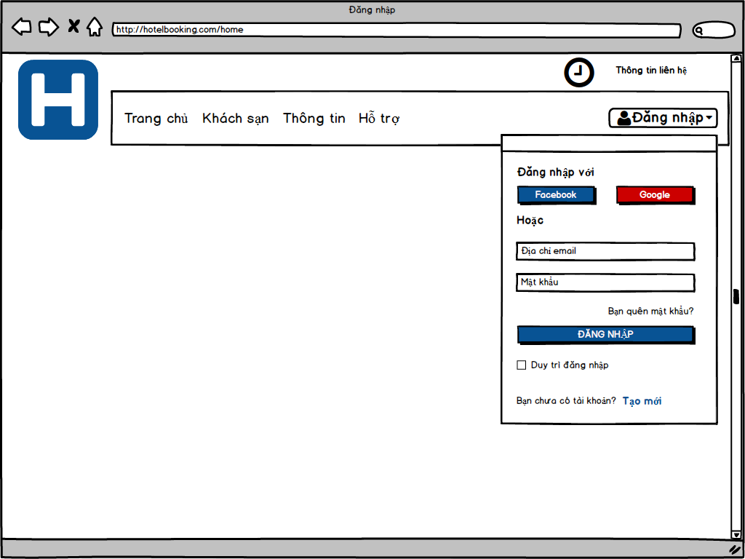
Screen ID | SYS011 | Create | NhatNH
Screen Name | Login | Review
 |  | Approve

Change Password Screen
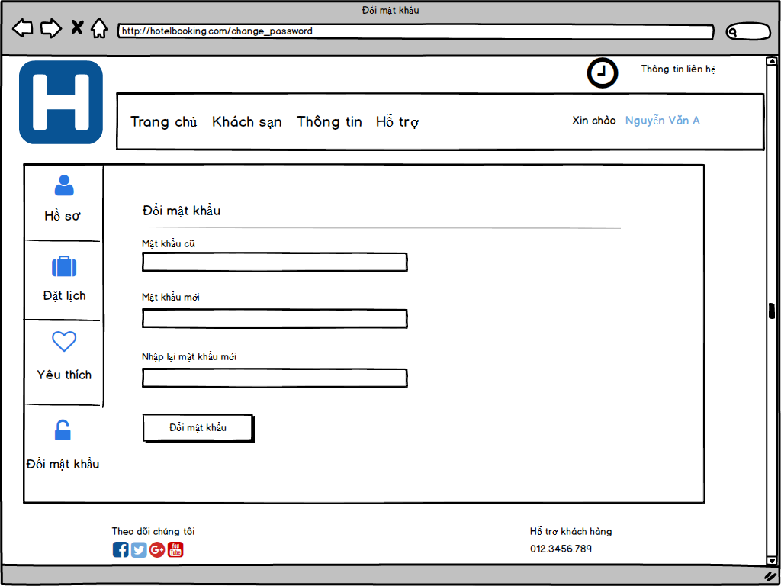
Screen ID | SYS012 | Create | LyNH
Screen Name | Change Password | Review
 |  | Approve

Forget Password Screen
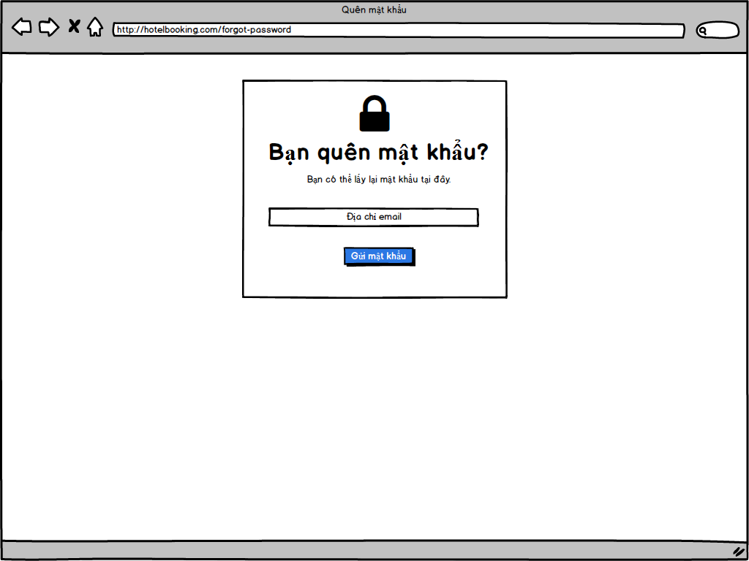
Screen ID | SYS015 | Create | NhatNH
Screen Name | Forget Password | Review
 |  | Approve

UserProfile Screen
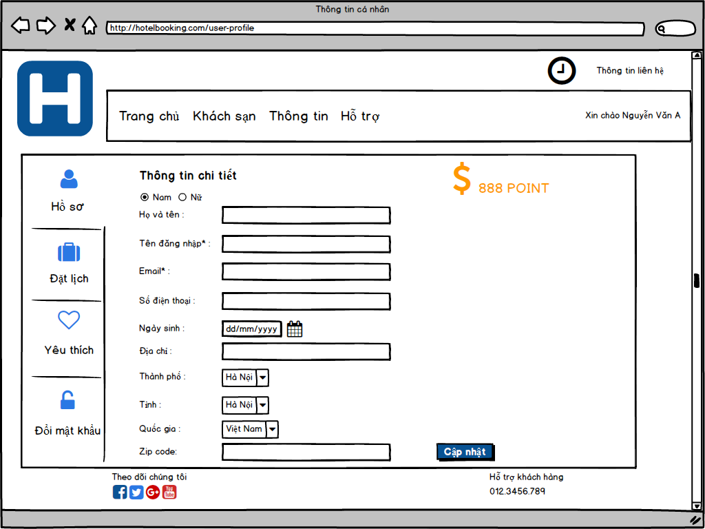
Screen ID | SYS014 | Create | NhatNH
Screen Name | User Profile | Review
 |  | Approve

Home Screen
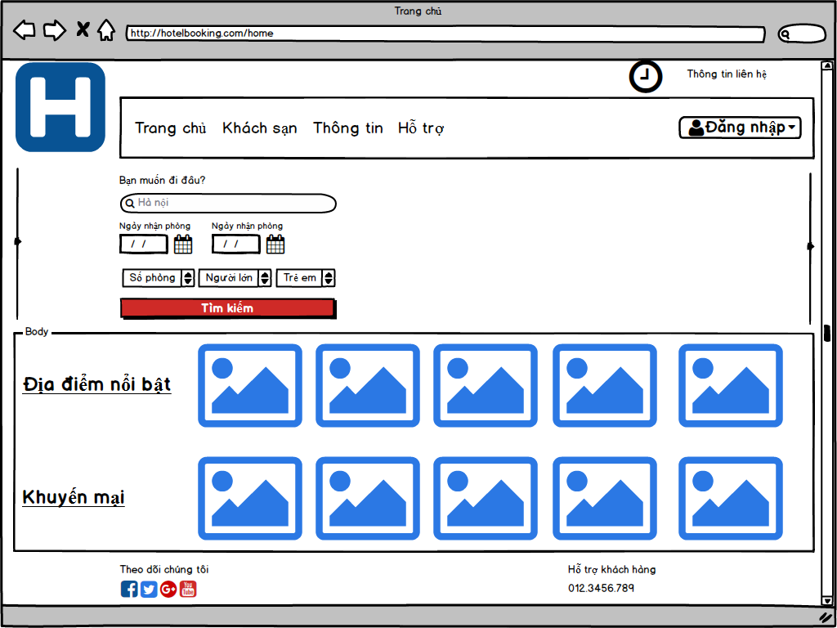
Screen ID | SYS020 | Create | NhatNH
Screen Name | Home | Review
 |  | Approve

Function List Screen
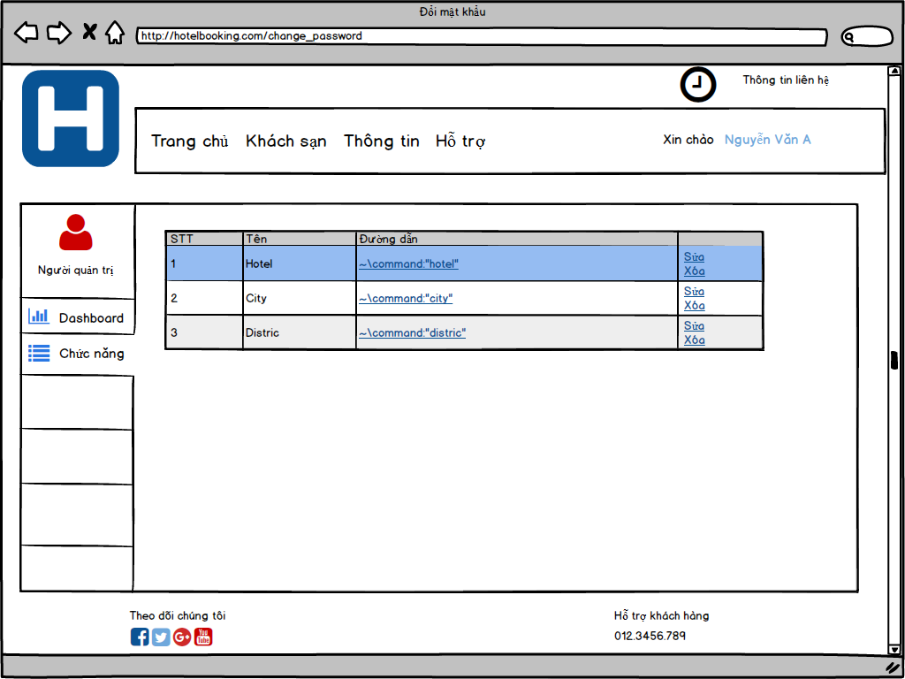
Screen ID | SYS040 | Create | LyNH
Screen Name | Function List | Review
 |  | Approve

User List Screen
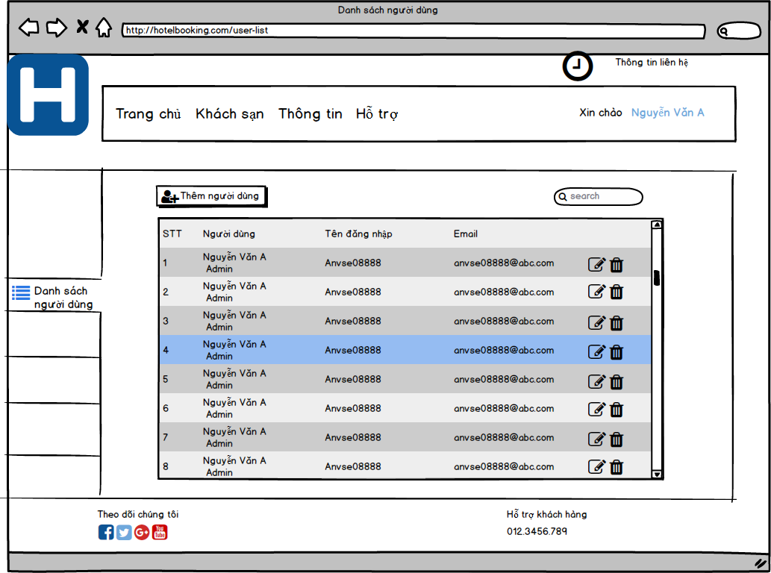
Screen ID | SYS050 | Create | NhatNH
Screen Name | User List | Review
 |  | Approve

User Add Screen
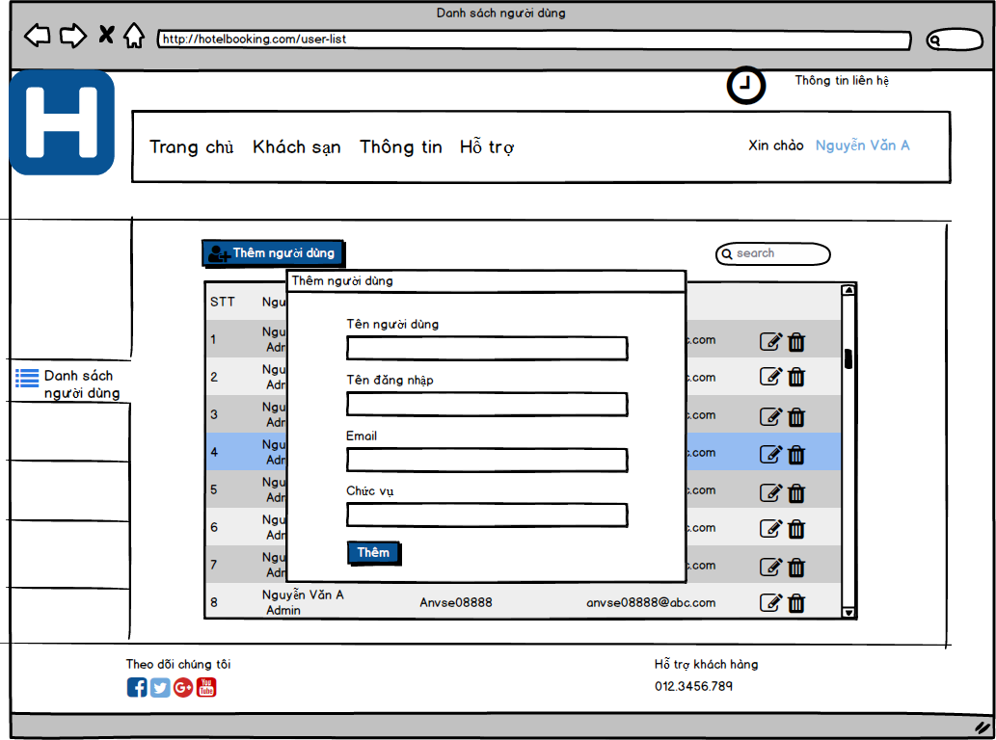
Screen ID | SYS051 | Create | NhatNH
Screen Name | User Add | Review
 |  | Approve

User Update Screen
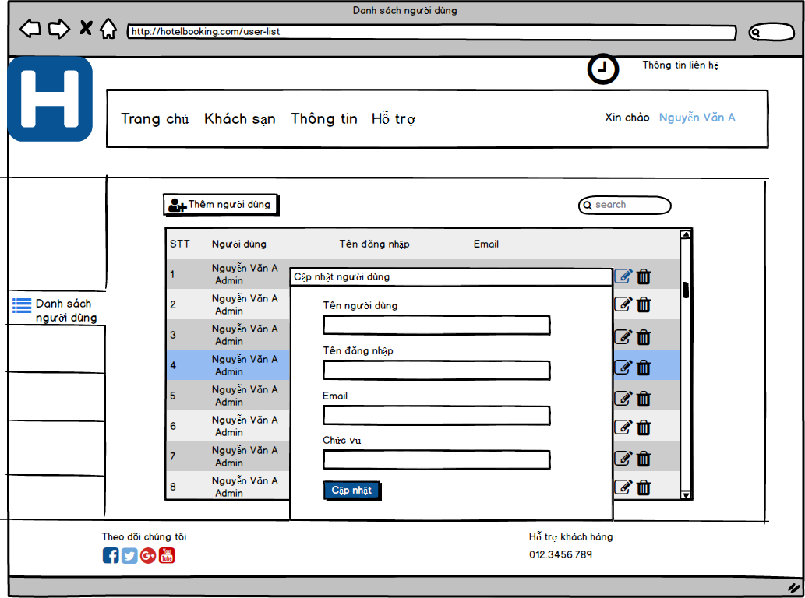
Screen ID | SYS052 | Create | NhatNH
Screen Name | User Update | Review
 |  | Approve

City List Screen
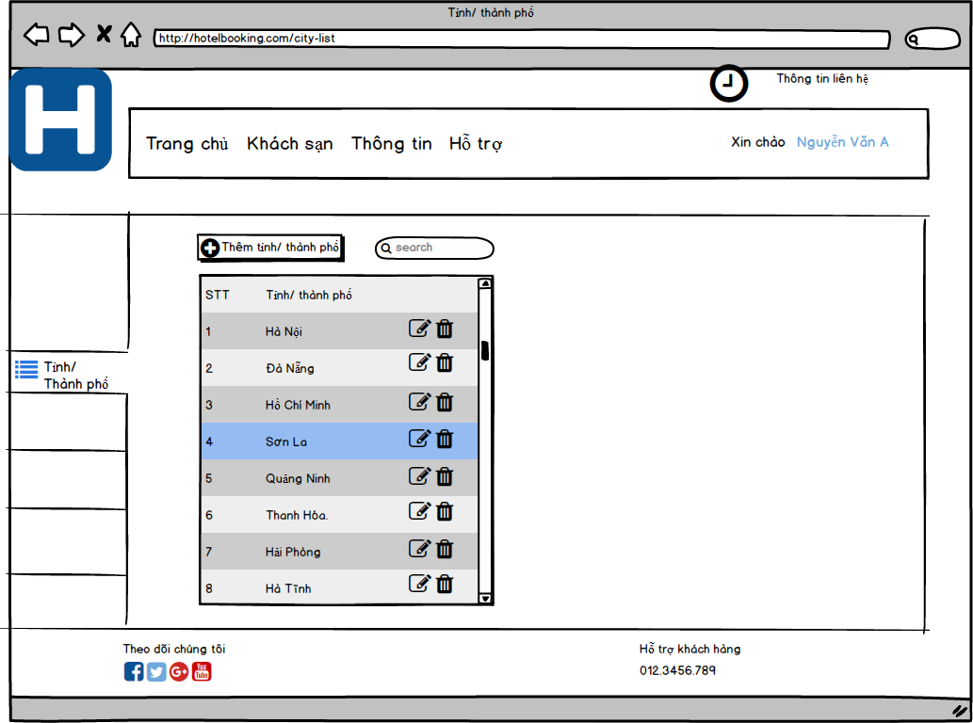
Screen ID | MST010 | Create | NhatNH
Screen Name | City List | Review
 |  | Approve

City Add Screen
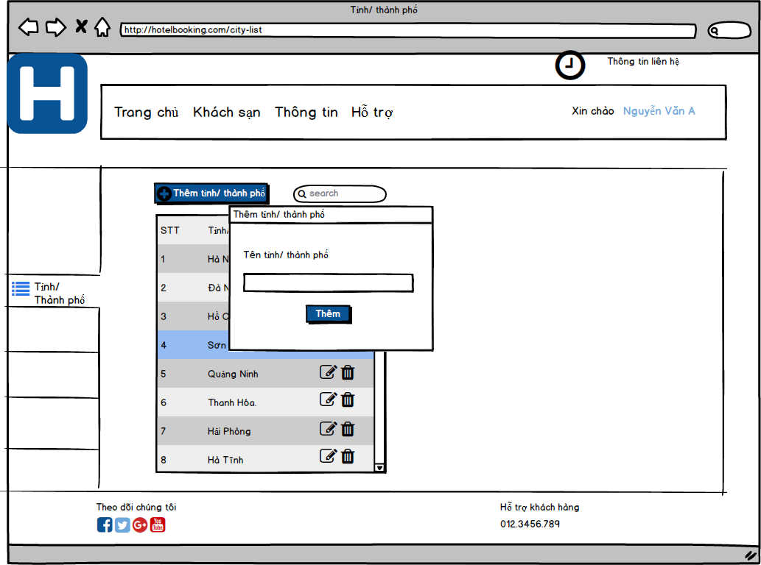
Screen ID | MST011 | Create | NhatNH
Screen Name | City Add | Review
 |  | Approve

City Update Screen
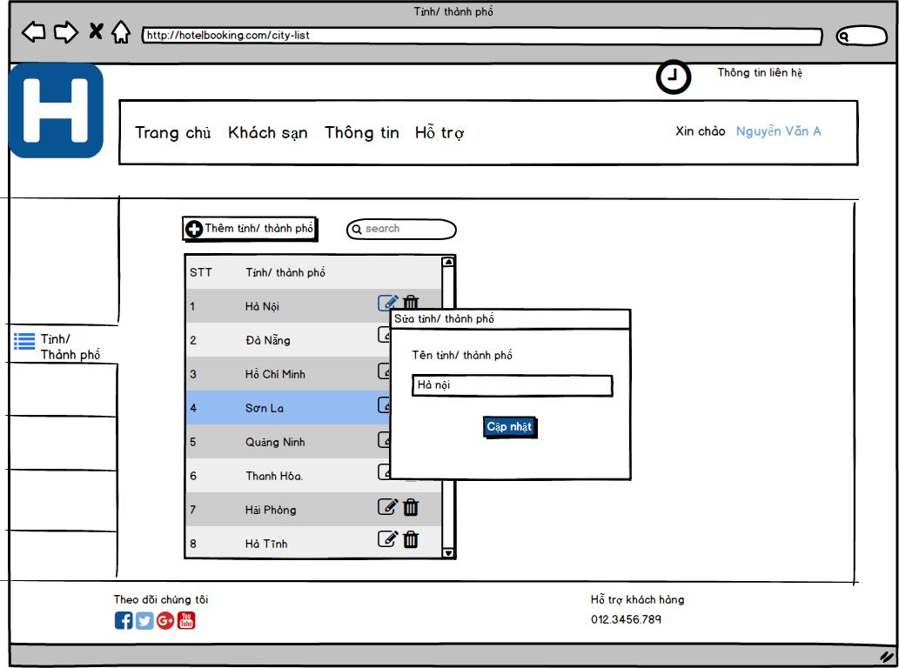
Screen ID | MST012 | Create | NhatNH
Screen Name | City Update | Review
 |  | Approve

District List Screen

Screen ID | MST020 | Create | NhatNH
Screen Name | District List | Review
 |  | Approve

District Add Screen
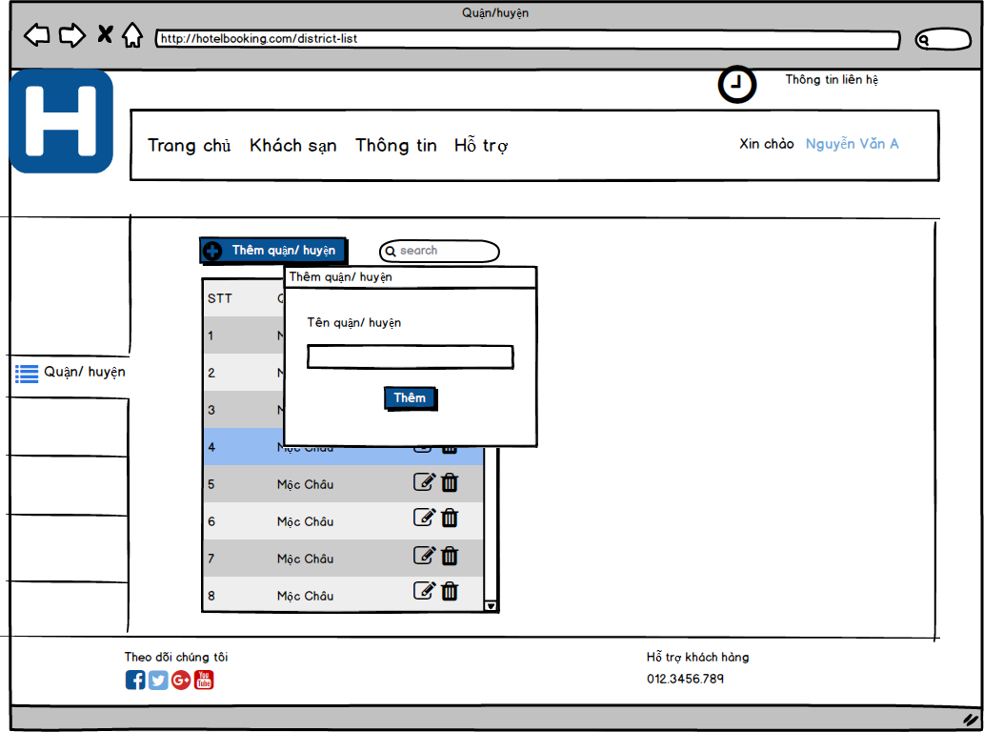
Screen ID | MST021 | Create | NhatNH
Screen Name | District Add | Review
 |  | Approve

District Update Screen
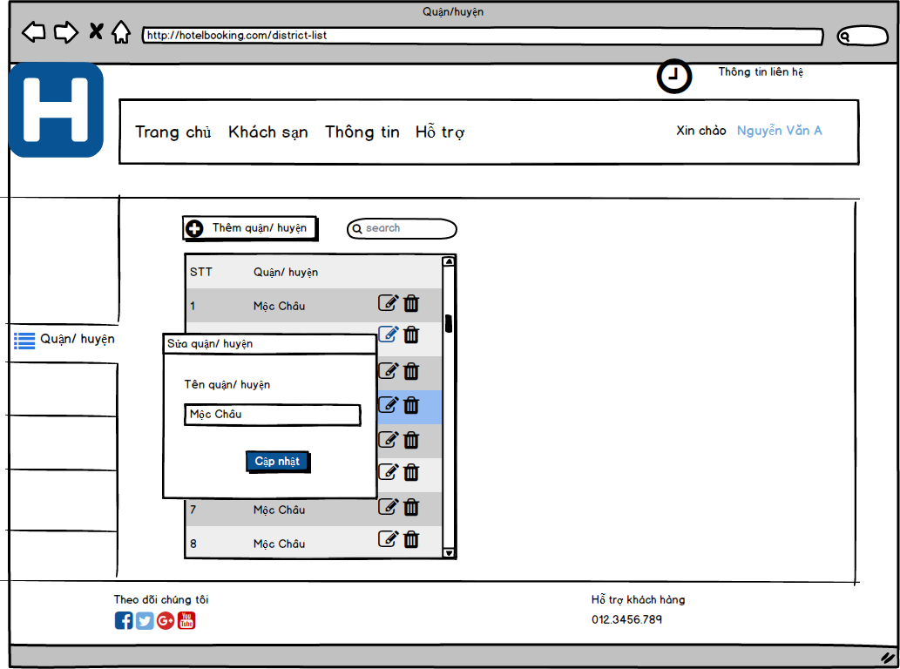
Screen ID | MST022 | Create | NhatNH
Screen Name | District Update | Review
 |  | Approve

Location List Screen

Screen ID | MST030 | Create | NhatNH
Screen Name | Location List | Review
 |  | Approve

Location Add Screen

Screen ID | MST031 | Create | NhatNH
Screen Name | Location Add | Review
 |  | Approve

Location Update Screen
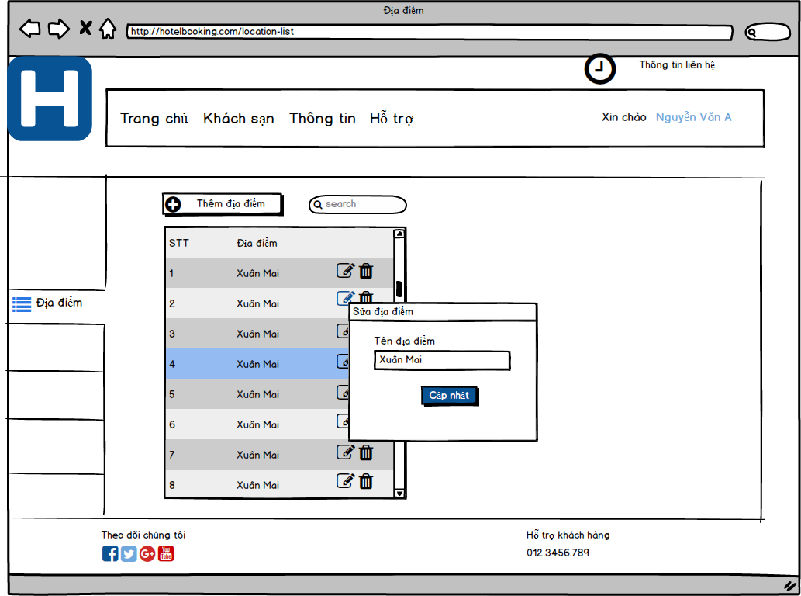
Screen ID | MST032 | Create | NhatNH
Screen Name | Location Update | Review
 |  | Approve

Service List
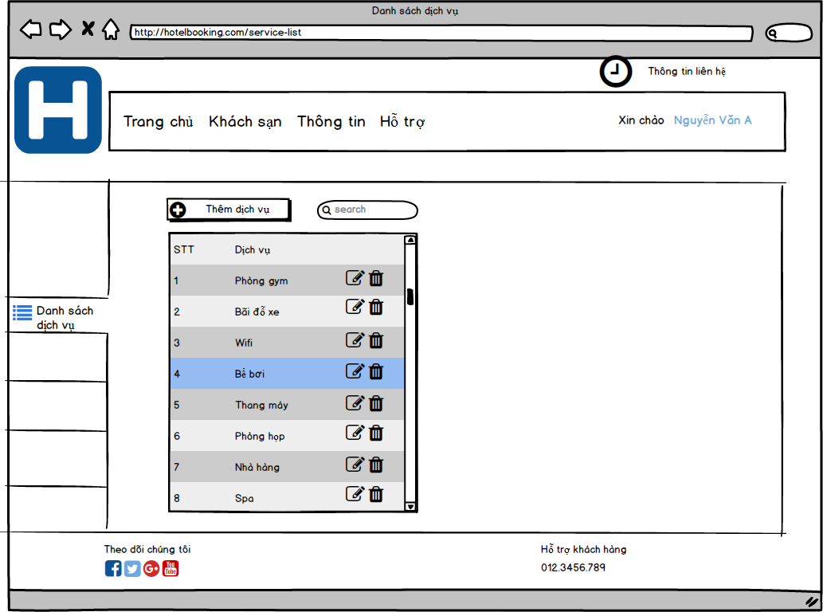
Screen ID | MST060 | Create | NhatNH
Screen Name | Service List | Review
 |  | Approve

Service Add
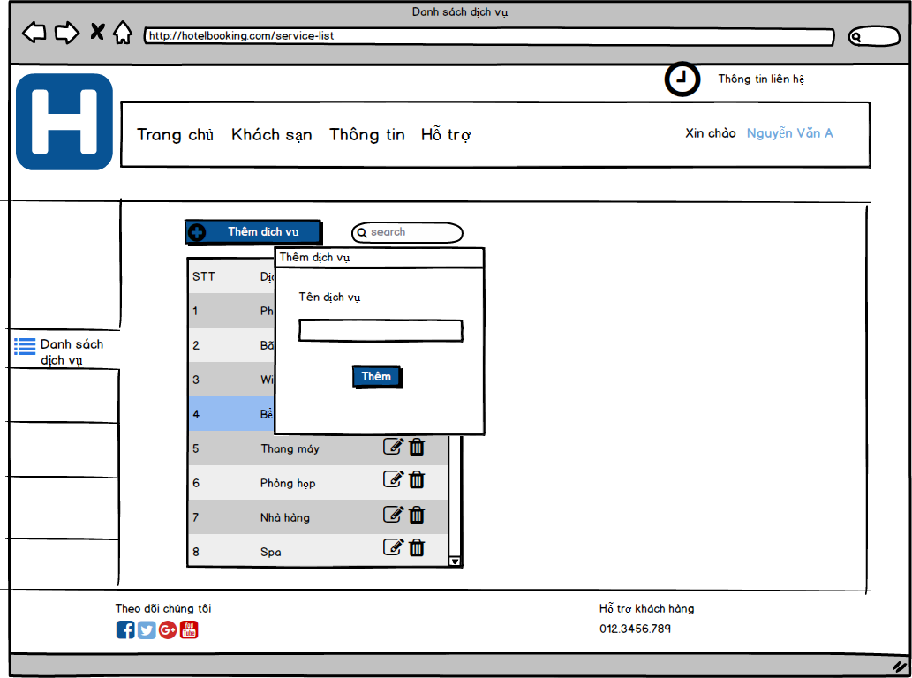
Screen ID | MST061 | Create | NhatNH
Screen Name | Service Add | Review
 |  | Approve

Service Update
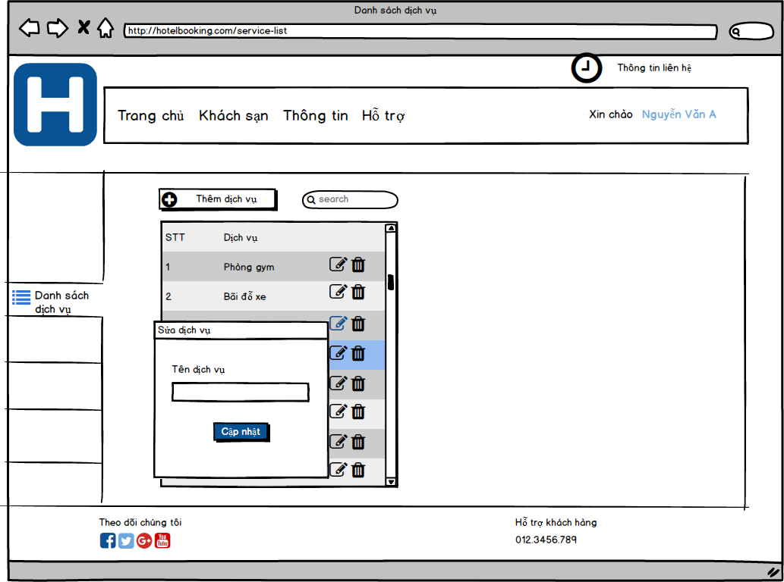
Screen ID | MST062 | Create | NhatNH
Screen Name | Service Update | Review
 |  | Approve

Room List
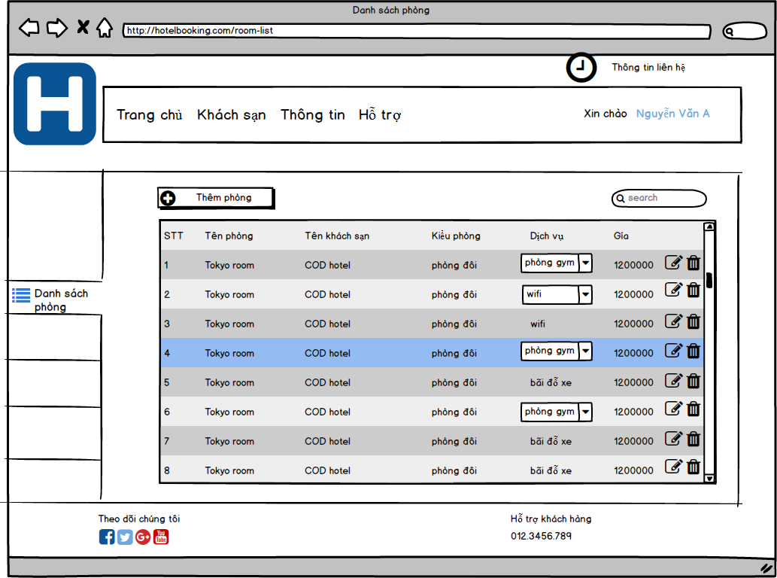
Screen ID | MST070 | Create | NhatNH
Screen Name | Room List | Review
 |  | Approve

Room Add
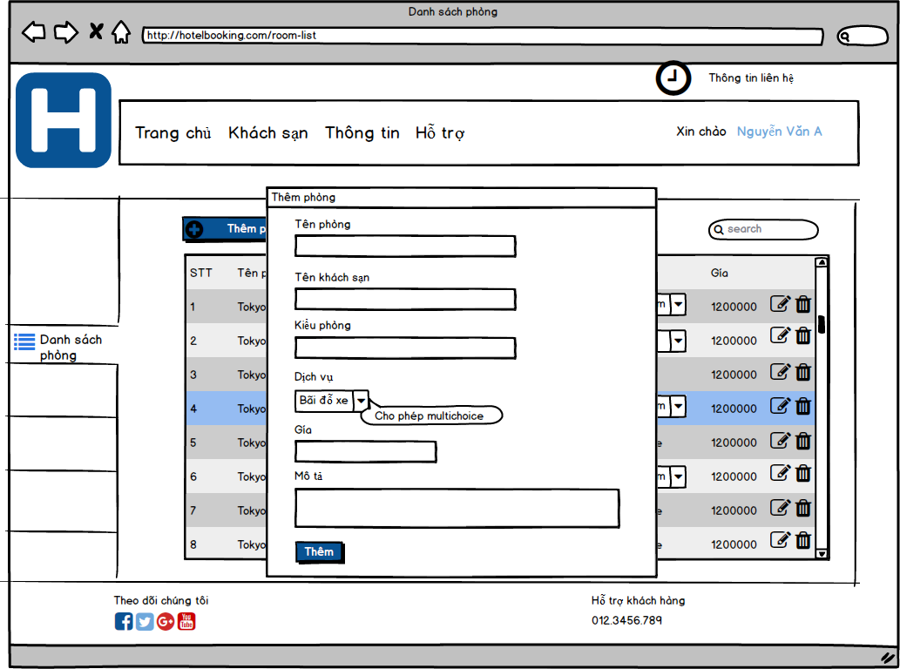
Screen ID | MST071 | Create | NhatNH
Screen Name | Room Add | Review
 |  | Approve

Room Update
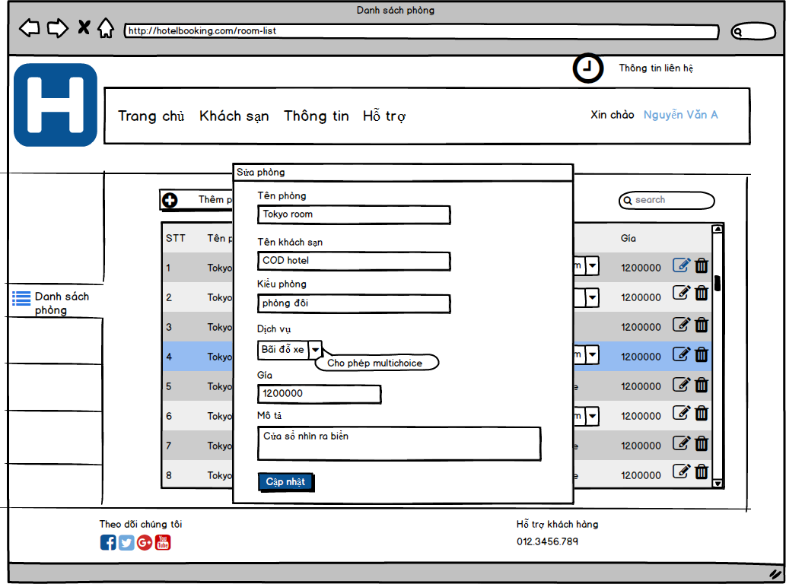
Screen ID | MST072 | Create | NhatNH
Screen Name | Room Update | Review
 |  | Approve

