Cover
Prototype Design
[HBS]

Version: 1.5
12/9/2016

SignUp Screen
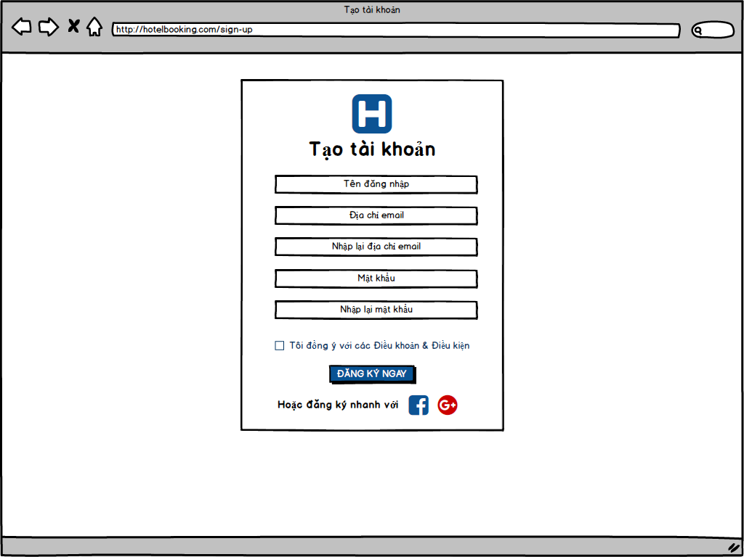
Screen ID |  | Create | NhatNH
Screen Name | Sign Up | Review
 |  | Approve

Login Screen
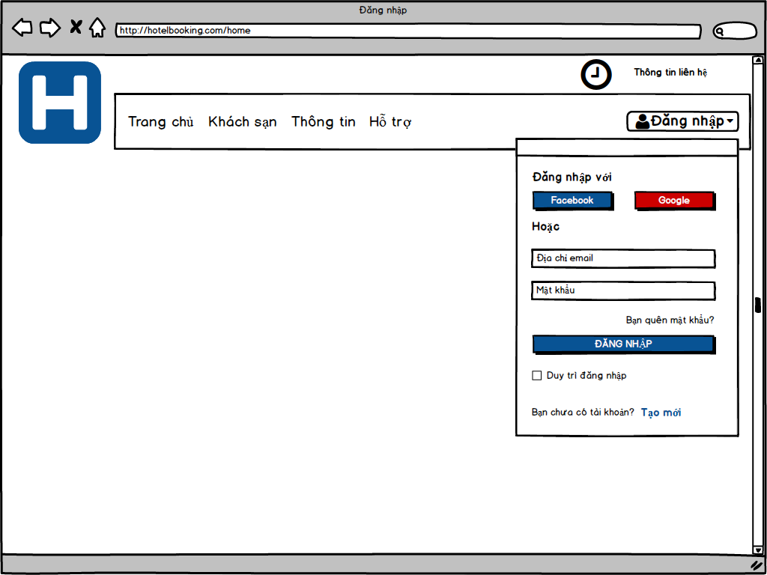
Screen ID |  | Create | NhatNH
Screen Name | Login | Review
 |  | Approve

Change Password Screen
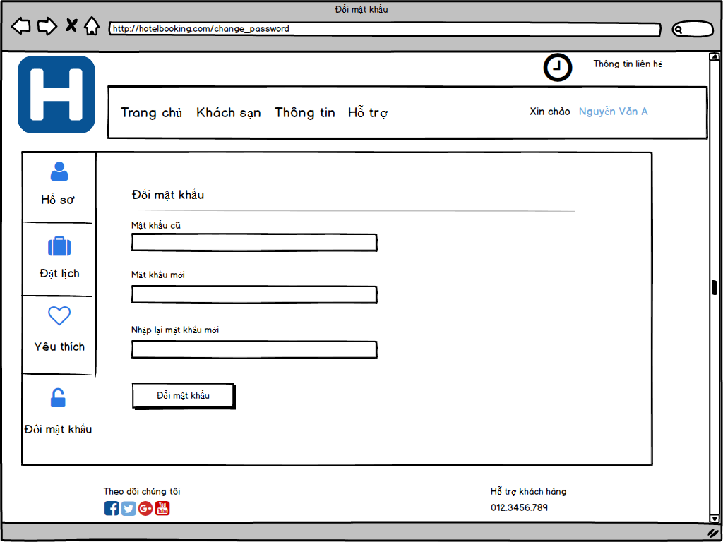
Screen ID |  | Create | LyNH
Screen Name | Change Password | Review
 |  | Approve

Forget Password Screen
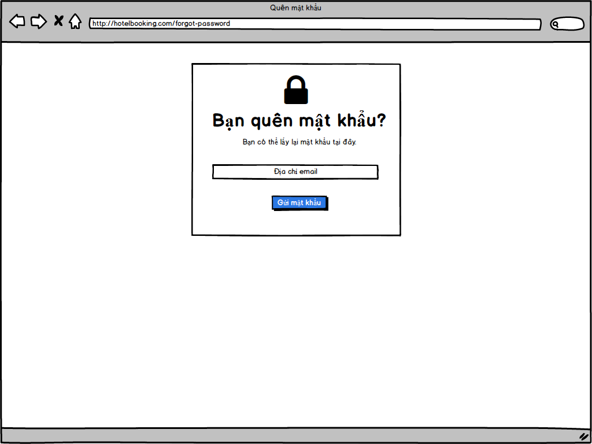
Screen ID |  | Create | NhatNH
Screen Name | Forget Password | Review
 |  | Approve

UserProfile Screen
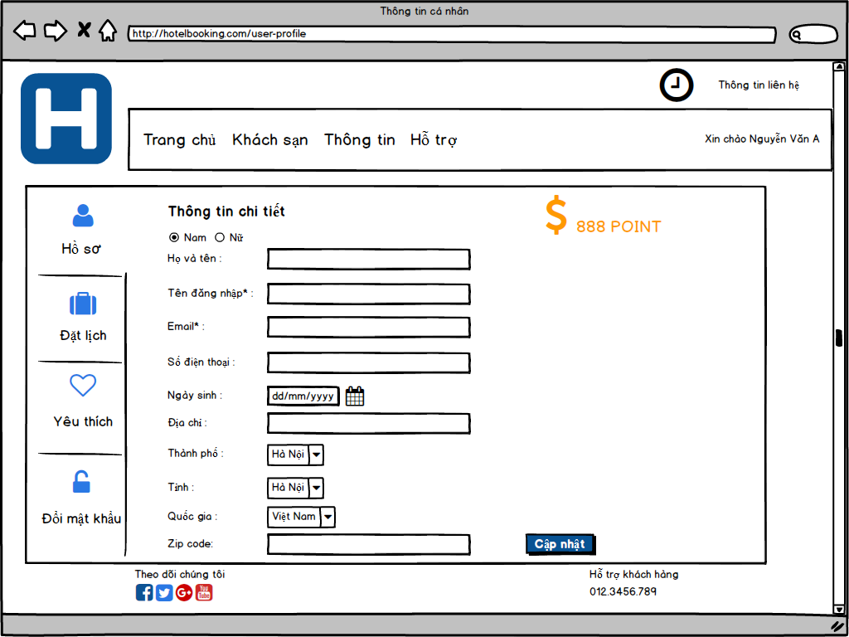
Screen ID |  | Create | NhatNH
Screen Name | User Profile | Review
 |  | Approve

Home Screen
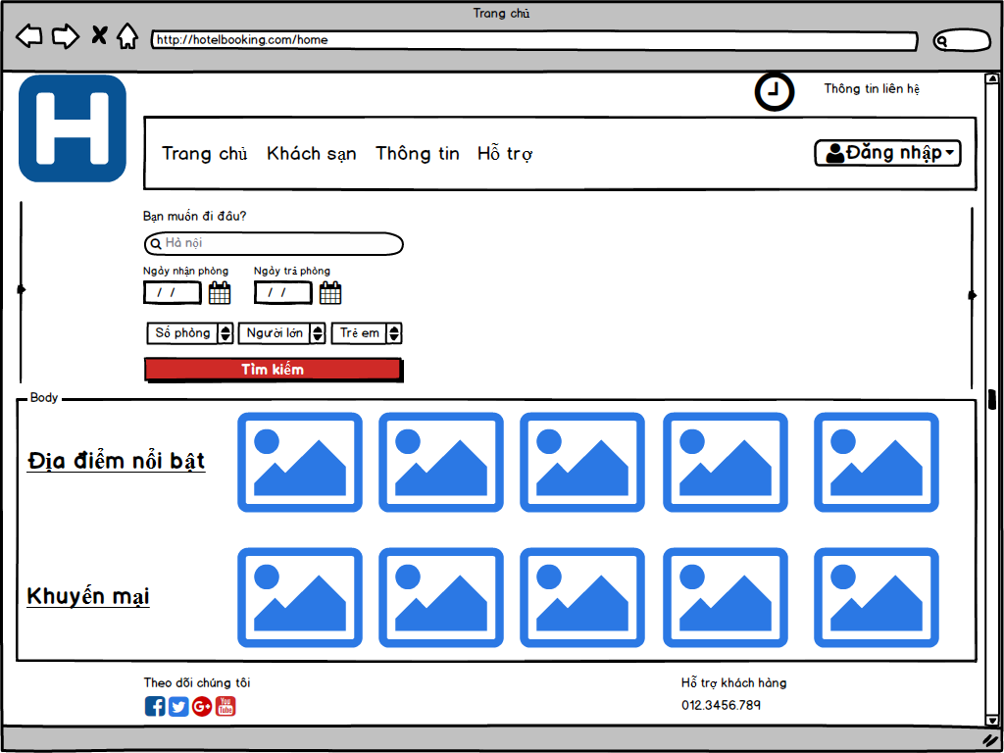
Screen ID |  | Create | NhatNH
Screen Name | Home | Review
 |  | Approve

Function Management Screen
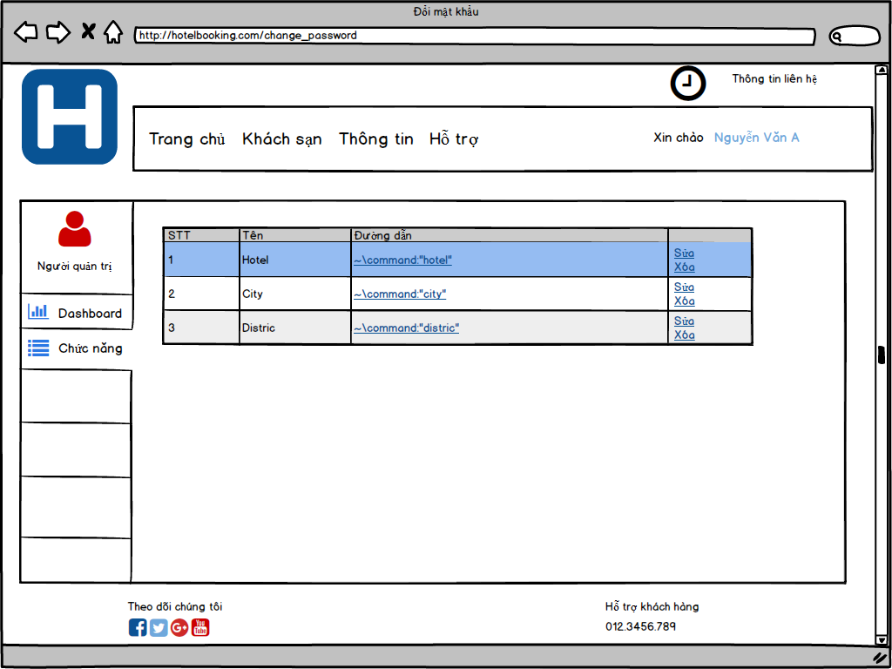
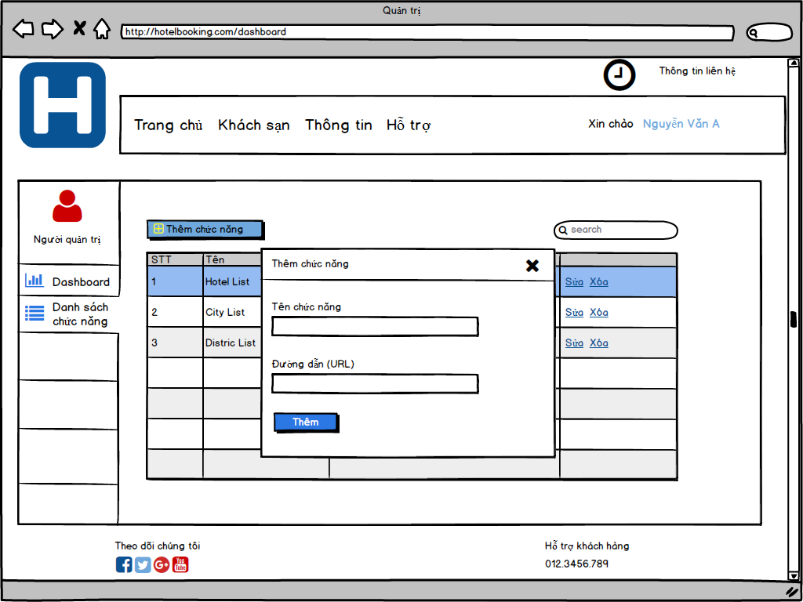
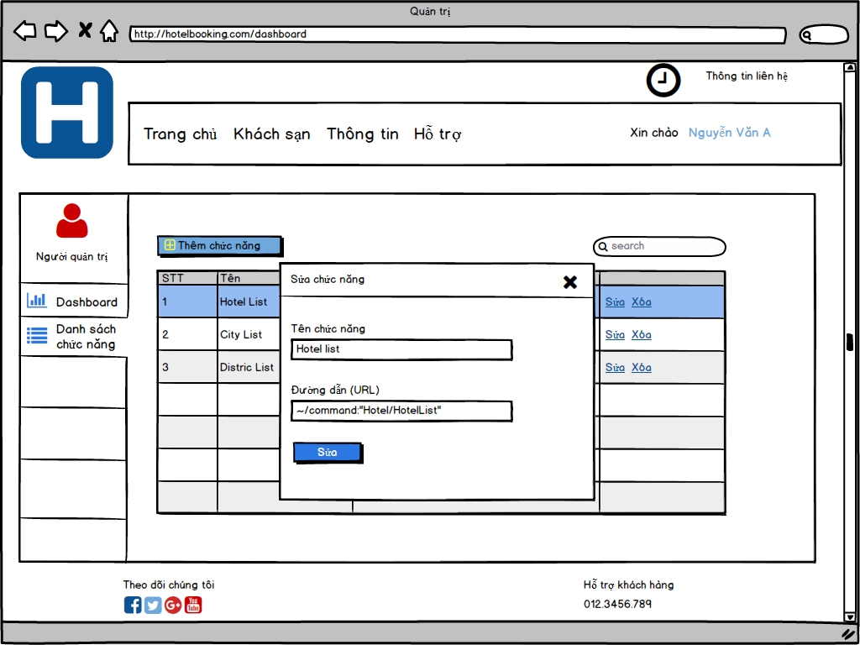
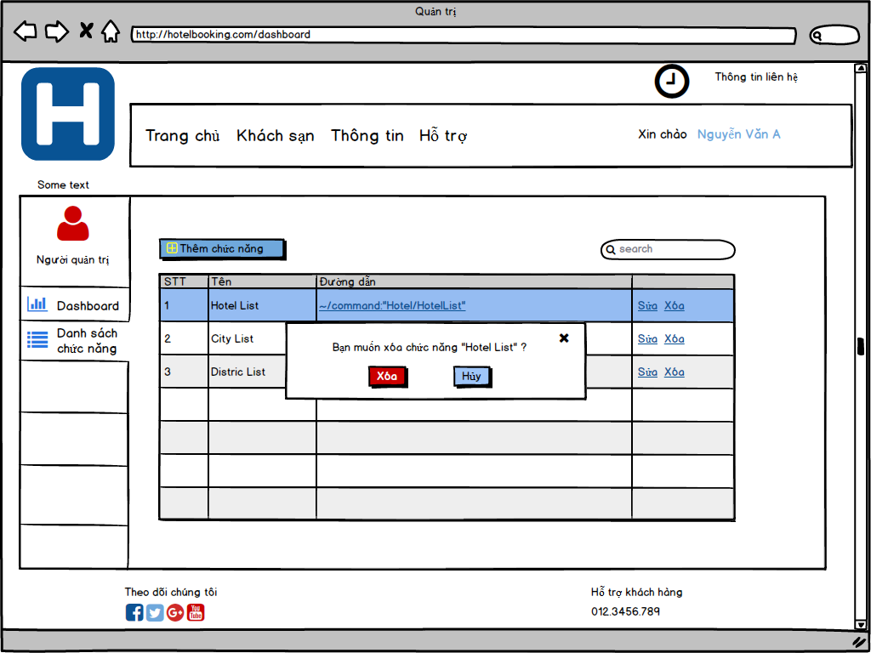
Screen ID |  | Create | LyNH
Screen Name | Function Management | Review
 |  | Approve

Function Authorization
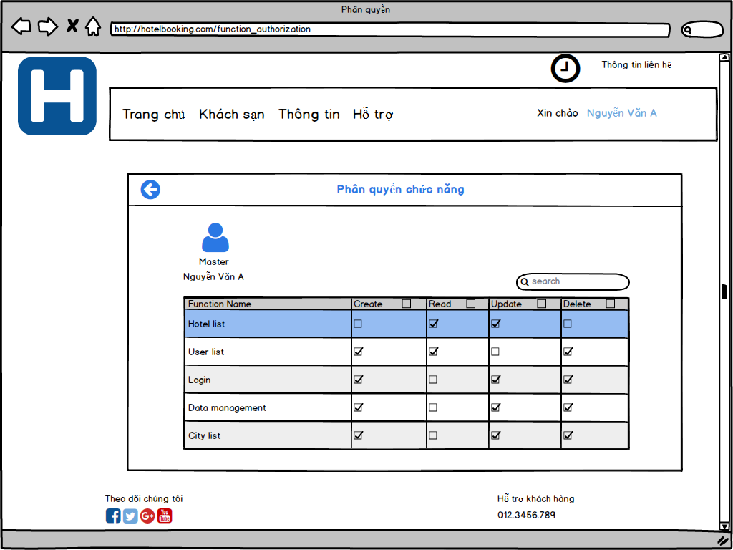
Screen ID |  | Create | LyNH
Screen Name | Function Authorization | Review
 |  | Approve

User Management Screen
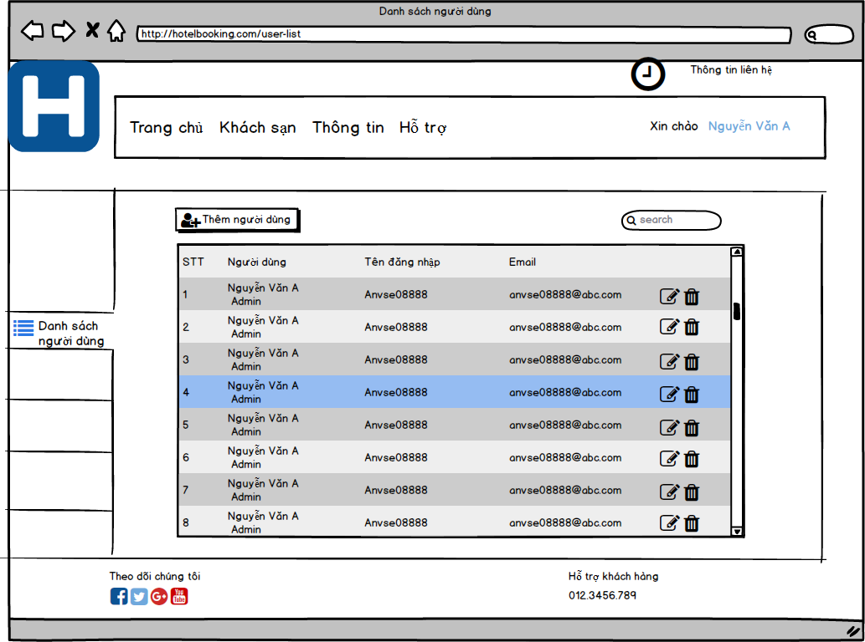
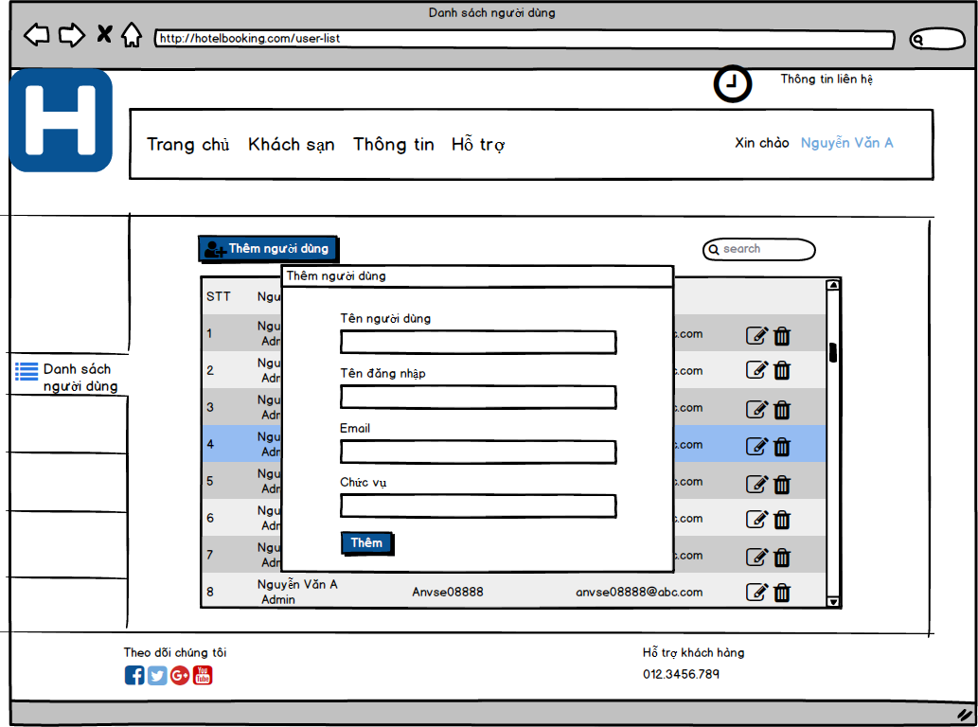
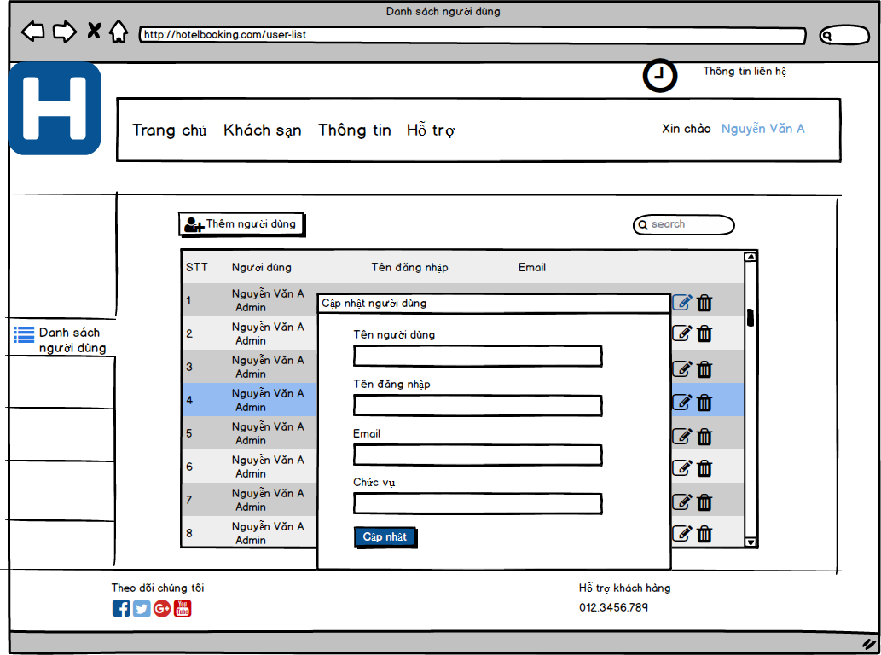
Screen ID |  | Create | NhatNH
Screen Name | User Management | Review
 |  | Approve

Data Authorization Screen
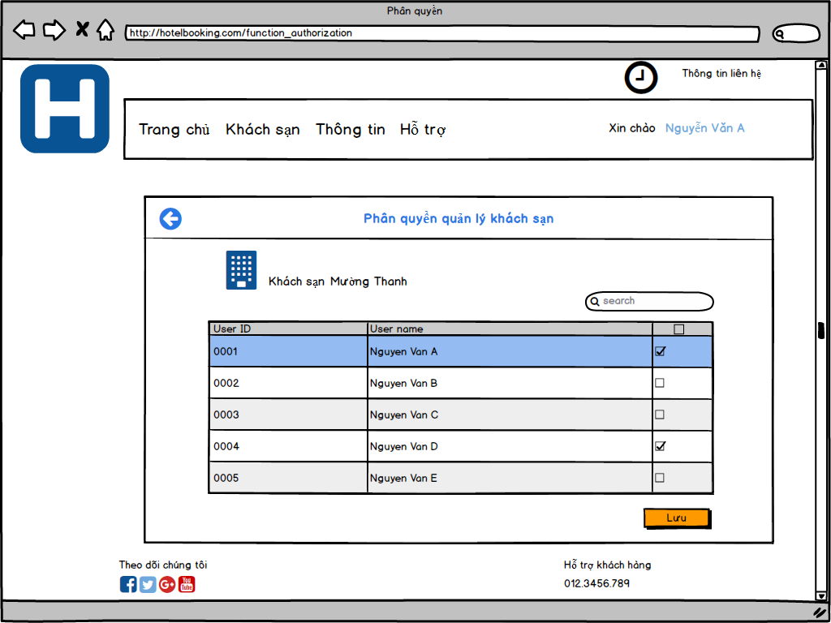
Screen ID |  | Create | LyNH
Screen Name | Data Authorization | Review
 |  | Approve

System setting Screen
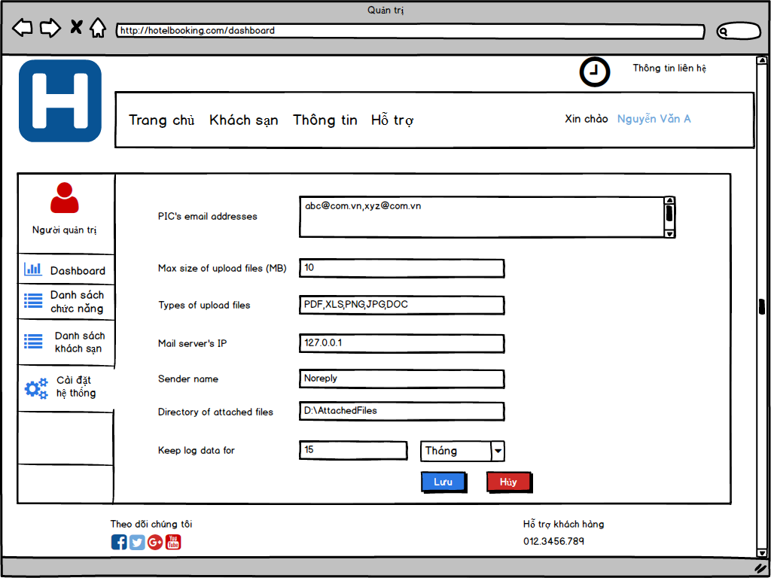
Screen ID |  | Create | LyNH
Screen Name | System Setting | Review
 |  | Approve

System Infomation Screen
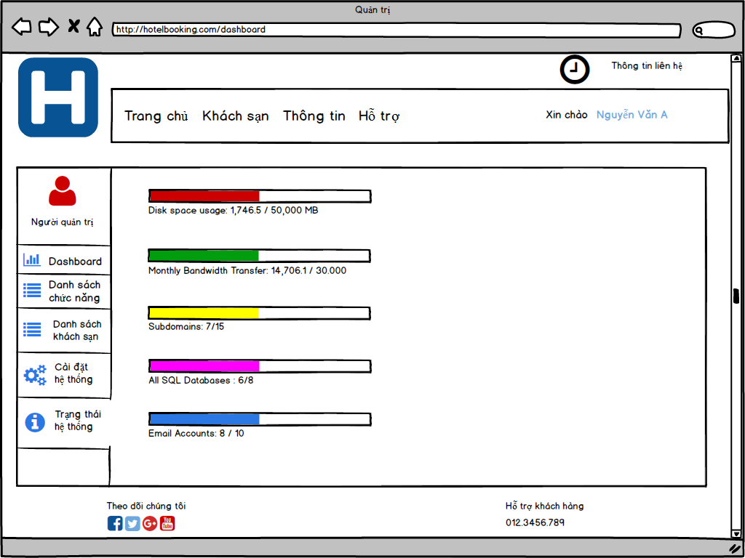
Screen ID |  | Create | LyNH
Screen Name | System Information | Review
 |  | Approve

City Management Screen
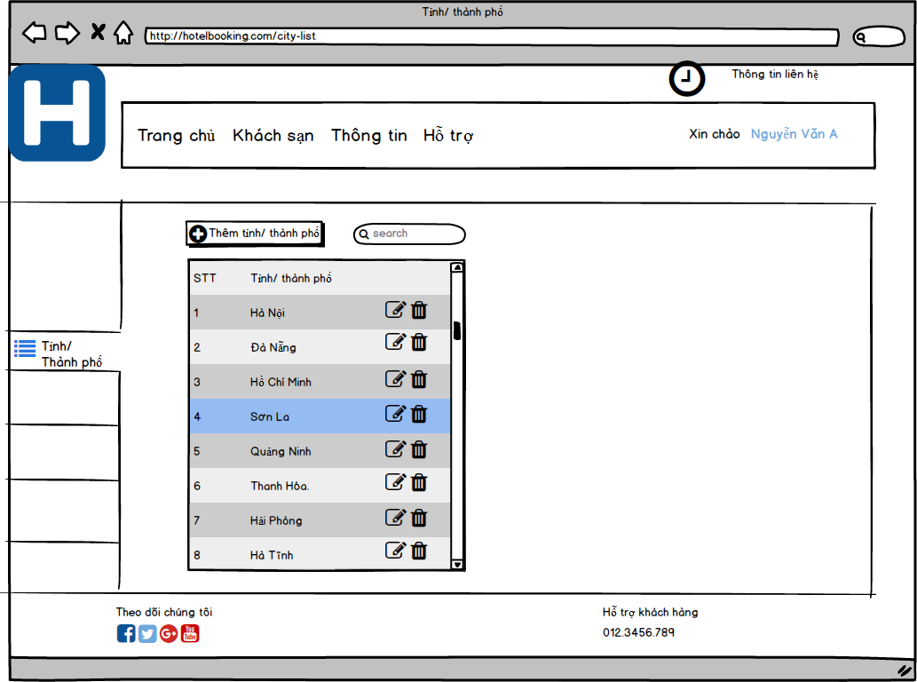
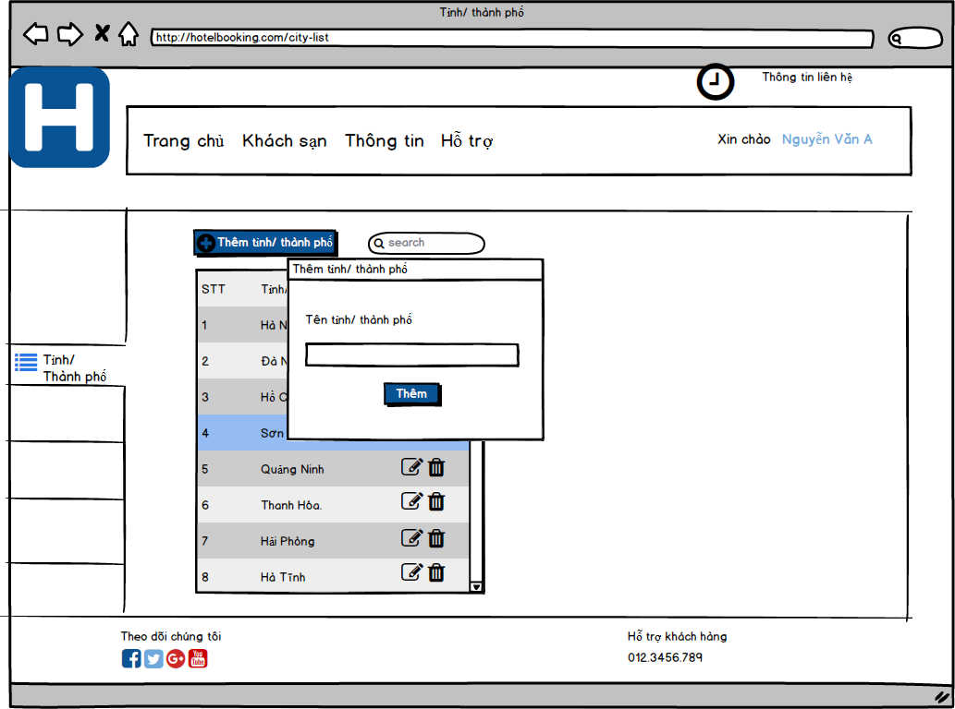
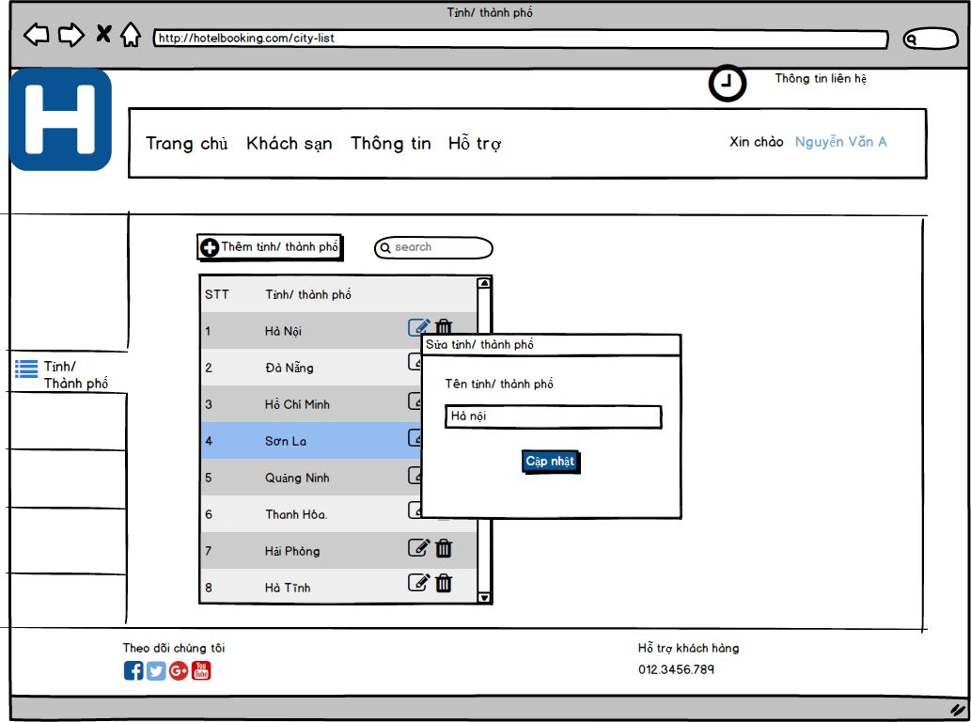
Screen ID |  | Create | NhatNH
Screen Name | City Management | Review
 |  | Approve

District Management Screen

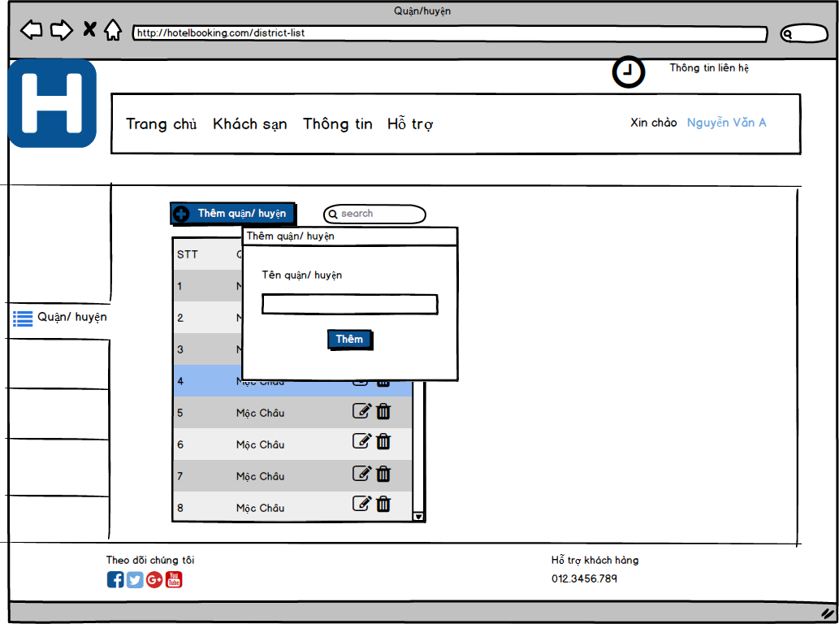
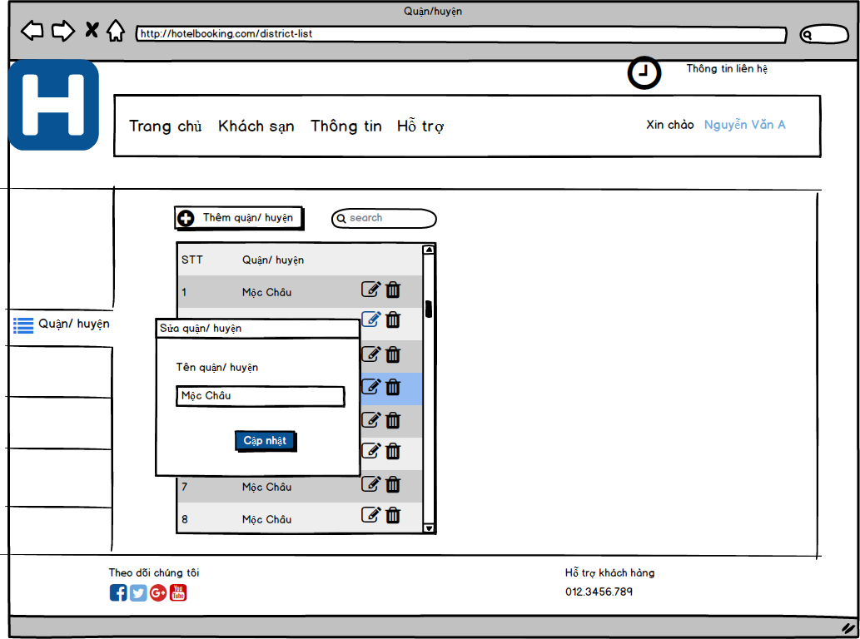
Screen ID |  | Create | NhatNH
Screen Name | District Management | Review
 |  | Approve

Location Management Screen


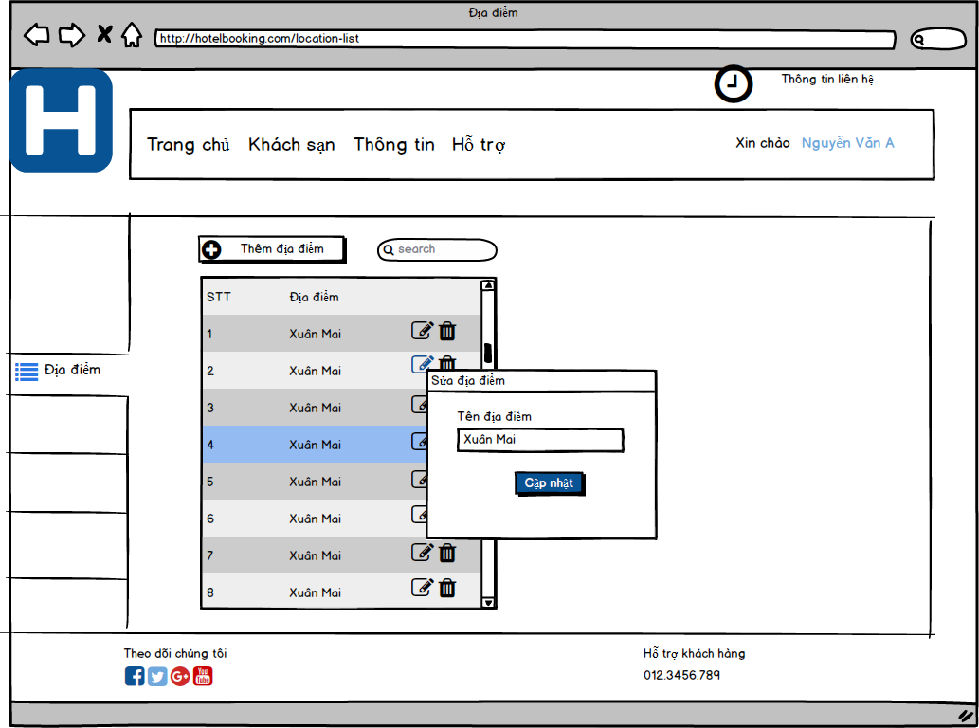
Screen ID |  | Create | NhatNH
Screen Name | Location Management | Review
 |  | Approve

Hotel Management Screen
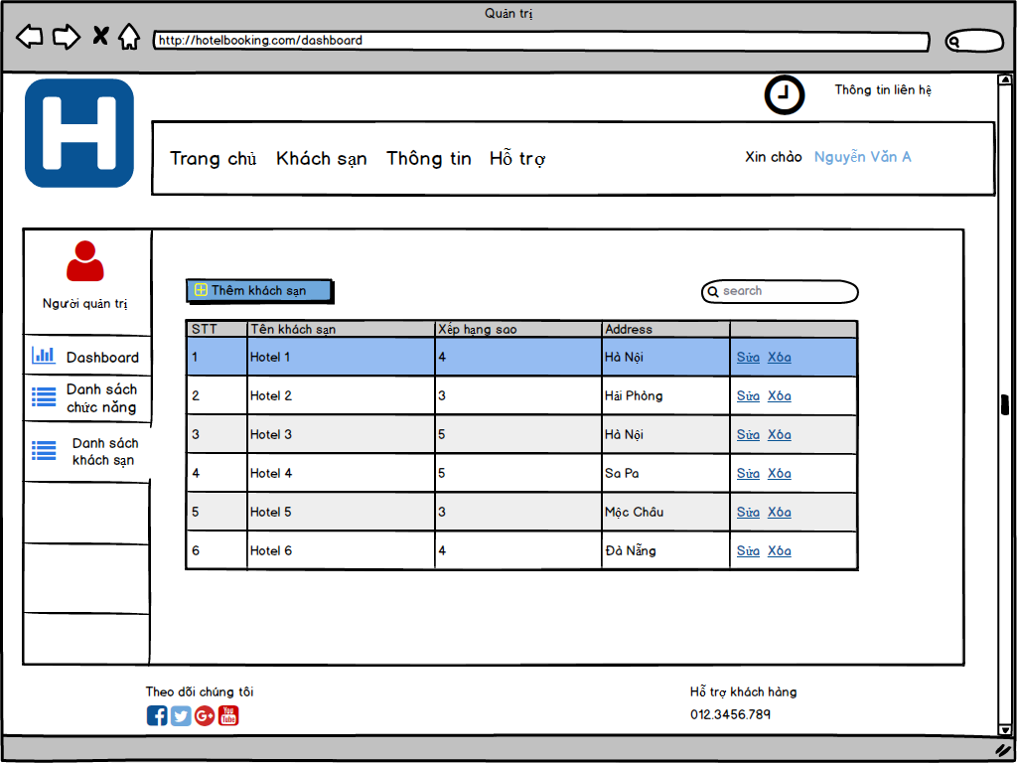
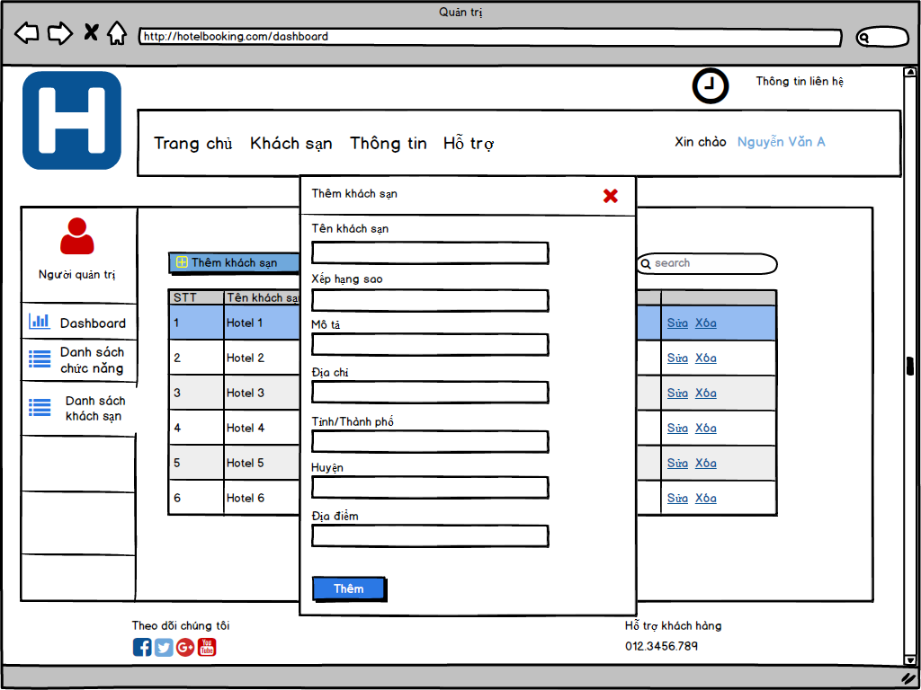
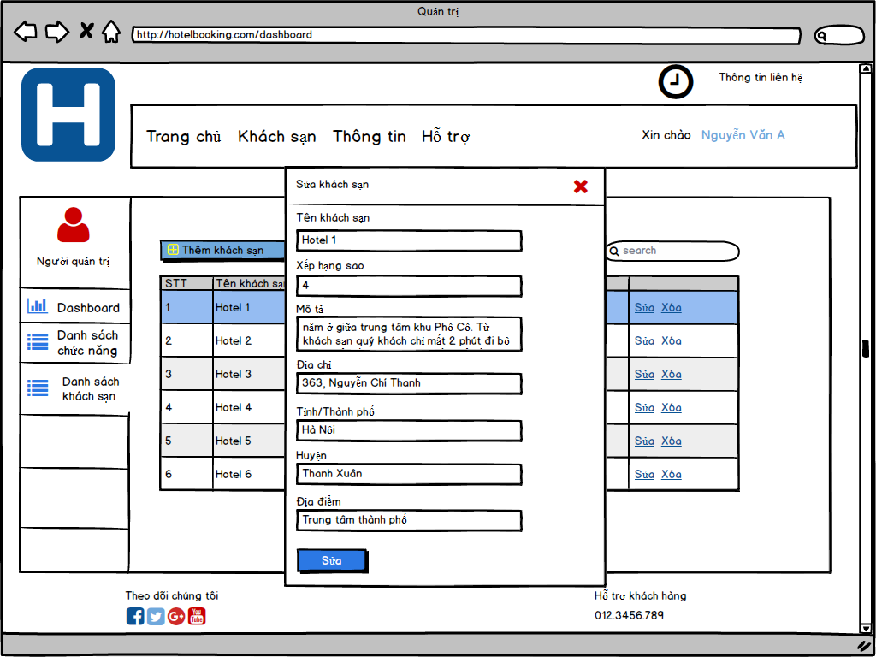
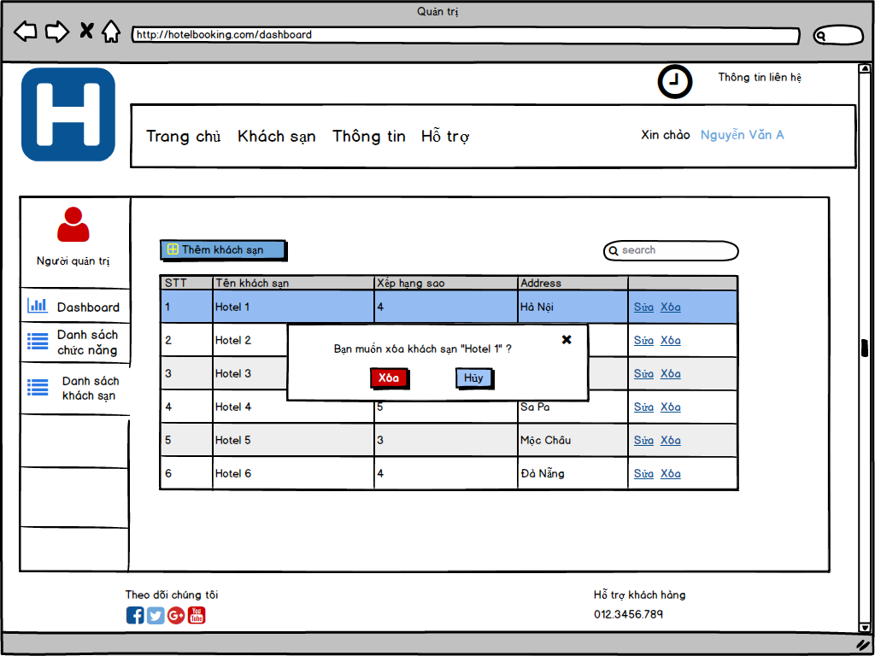
Screen ID |  | Create | LyNH
Screen Name | Hotel Management | Review
 |  | Approve

Service Management Screen
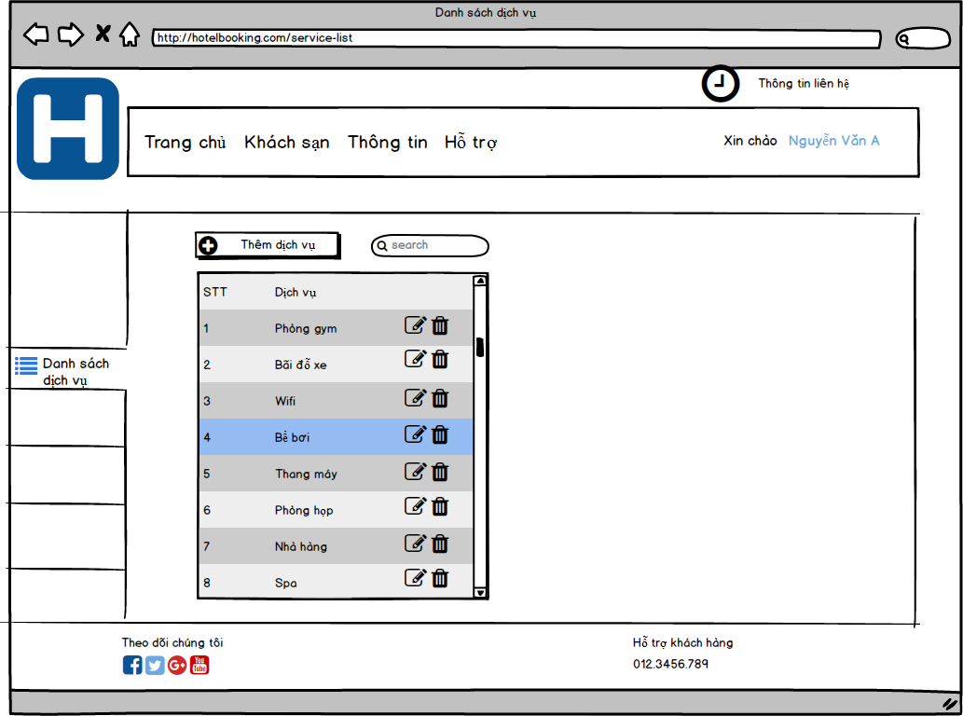
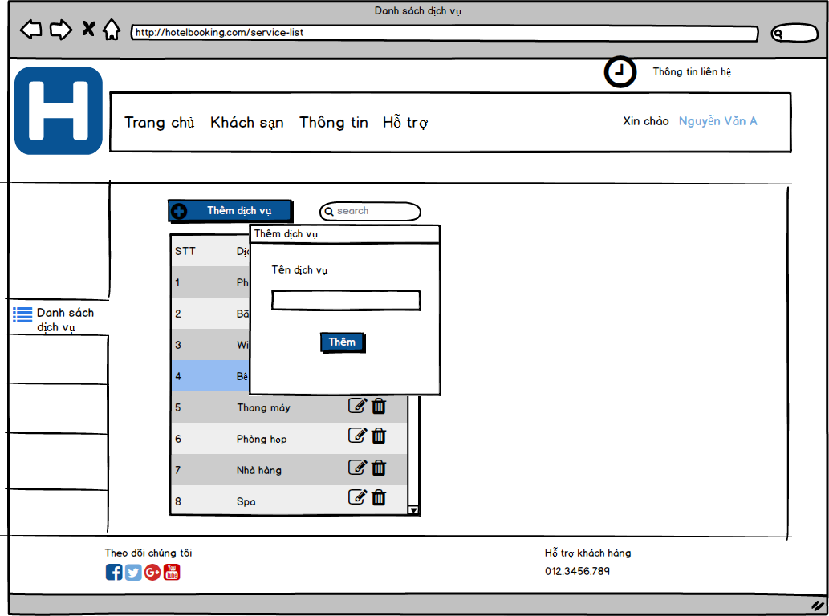
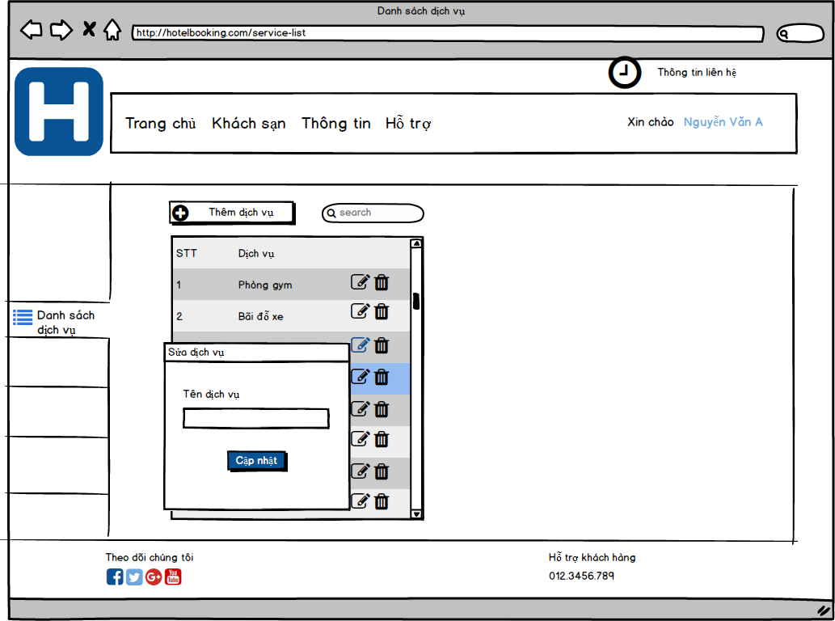
Screen ID |  | Create | NhatNH
Screen Name | Service Management | Review
 |  | Approve

Room Management Screen
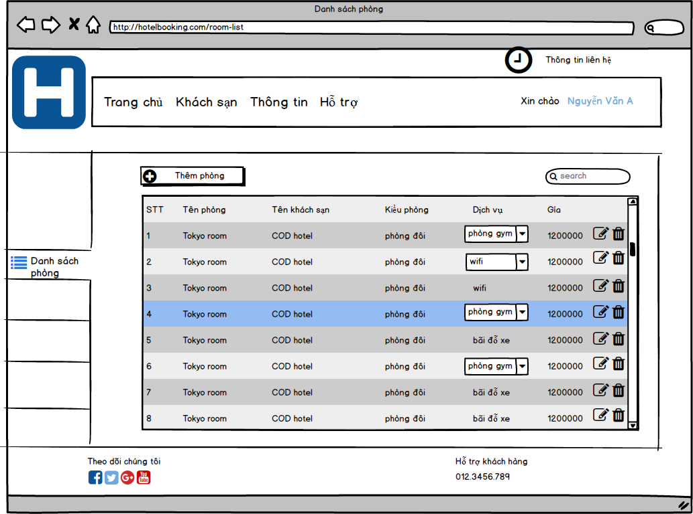
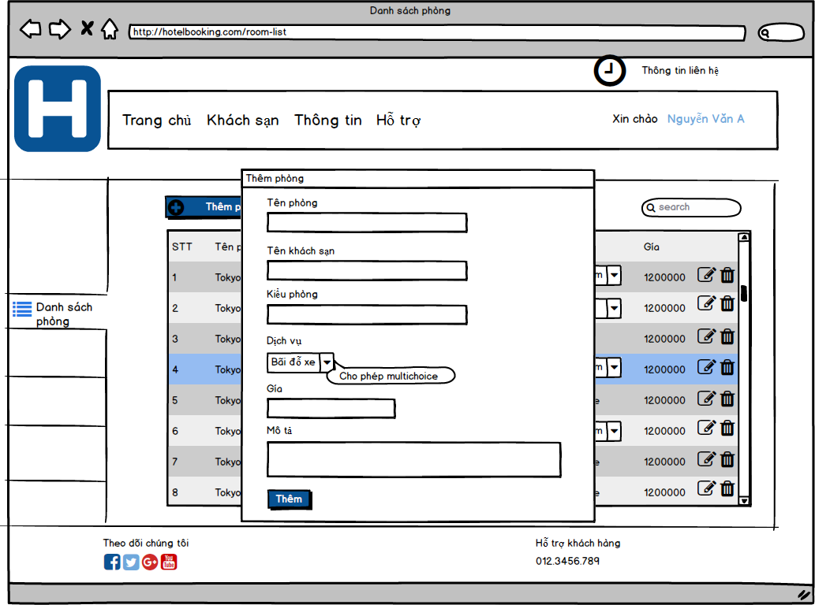
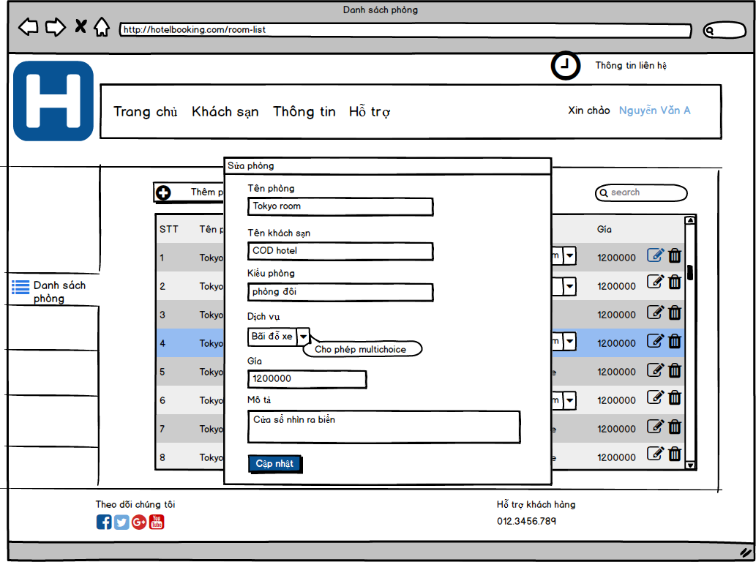
Screen ID |  | Create | NhatNH
Screen Name | Room Management | Review
 |  | Approve

Result Screen
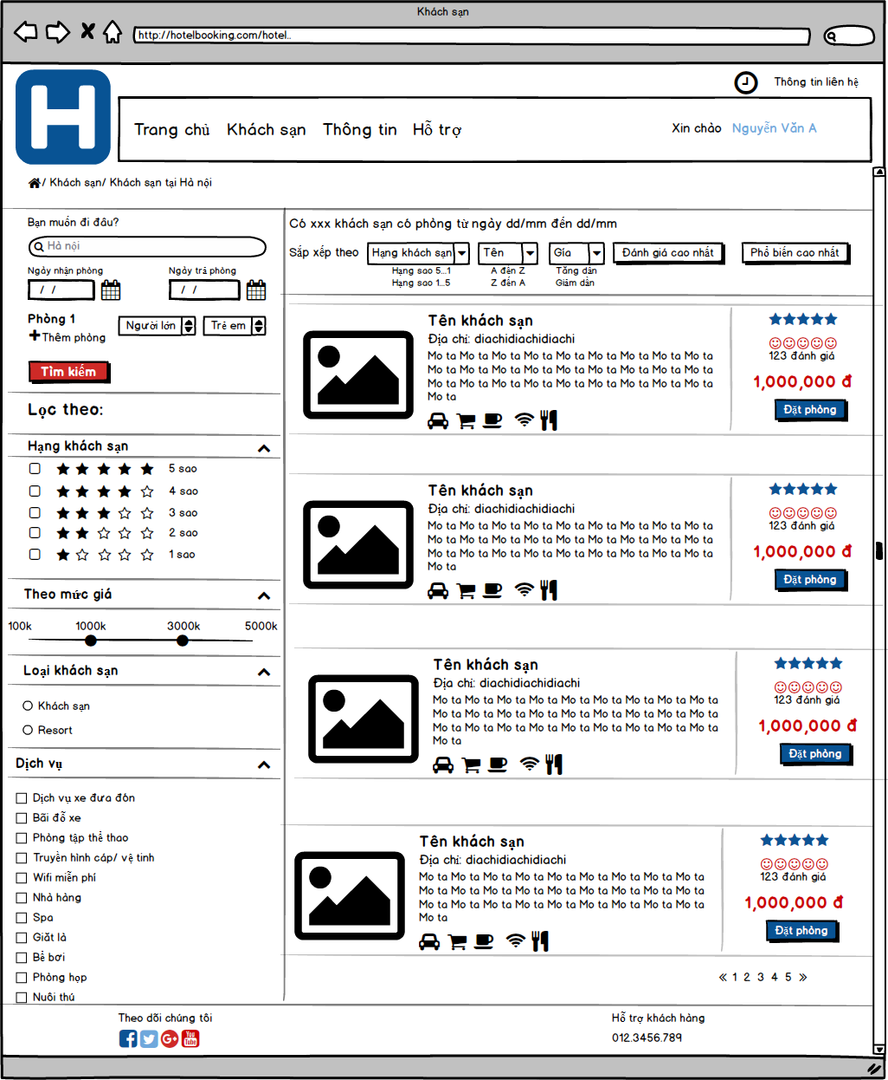
Screen ID |  | Create | NhatNH
Screen Name | Result | Review
 |  | Approve

