Sheet2
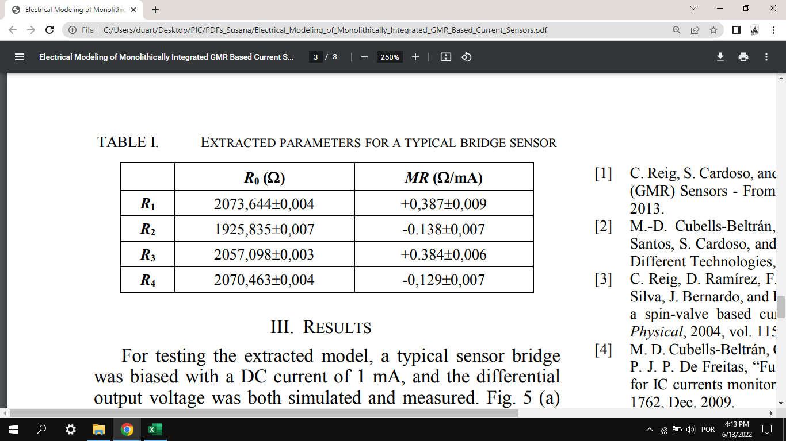
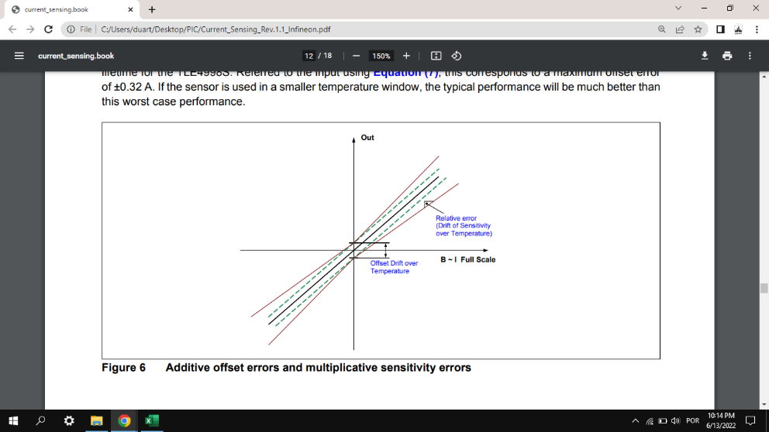
Sample | Graph | k | Erro | b | Erro | chi^2 | n_d | chi^2/n_d
1st | Resistance (Magnetic Field), Ohm [Oe] | 3.465960E+00 | 1.749000E-04 | 3.003180E+04 | 9.667700E-03 | 27146.5 | 105 | 258.53809524
 | Voltage (Magnetic Field), V [Oe] | 3.465960E-06 | 1.749000E-10 | 3.003180E-02 | 9.667700E-09 | 27146.5 | 105 | 258.53809524
 | MR (Magnetic Field), %[Oe] | 1.173670E-02 | 1.749000E-05 | 1.643320E+00 | 9.667600E-07 | 41.4803 | 105 | 0.39505047619
 | Current (Magnetic Field), A[Oe] | 2.853310E-02 | 1.749000E-08 | 1.749000E-08 | 9.667700E-04 | 2.88682 | 105 | 0.02749352381
 | Voltage (Current), V[A] | 1.214710E-04 | 6.129600E-09 | 3.003180E-02 | 9.667700E-09 | 27146.4 | 105 | 258.53714286
 |  |  |  |  |  |  |  | #DIV/0!
 |  |  |  |  |  |  |  | #DIV/0!
 |  |  |  |  |  |  |  | #DIV/0!
 |  |  |  |  |  |  |  | #DIV/0!
 | FAZER GRÁFICO DE R EUM FUNÇÃO DE I e determinar MR, como no PDF do artigo da Susana!!! |  |  |  |  |  |  | #DIV/0!
 | Não obrigatorio, pois é V(I), basta dividir tudo pela Ibias |  |  |  |  |  |  | #DIV/0!
 | Por Tabela com R_0 (ordenada na origem) e MR (declive), em ohm e ohm/mA, resp

Sinomags | Graph | a | Erro | b | Erro b | chi2 | n_d | chi2/n_d
 | Average before | 3.1421E+00 | 2.50E-03 | -1.70E+00 | 2.32E-02 | 2.23291 | 3.70E+01 | 6.03E-02
 | LL | 3.1418E+00 | 1.45E-03 | -1.67E+00 | 1.62E-02 | 9.40734 | 3.70E+01 | 2.54E-01
 | LR | 3.1554E+00 | 1.45E-03 | -1.73E+00 | 1.62E-02 | 2.44E+01 | 3.70E+01 | 6.59E-01
 | HL | 3.13E+00 | 1.45E-03 | -1.67E+00 | 1.62E-02 | 10.3898 | 3.70E+01 | 2.81E-01
 | HR | 3.14E+00 | 1.45E-03 | -1.76E+00 | 1.62E-02 | 14.8667 | 3.70E+01 | 4.02E-01
 | Average after Centro | 3.14176E+00 | 2.63520E-03 | -1.70319E+00 | 2.35390E-02 | 1.88705 | 3.70E+01 | 5.100E-02

 | I_H | Declive | Erro | chi^2 | chi^2/n_d
 |  | 3.5047E+01 | 3.0647E-02 | 1.42E-06 | 1.34E-08

