Sheet1
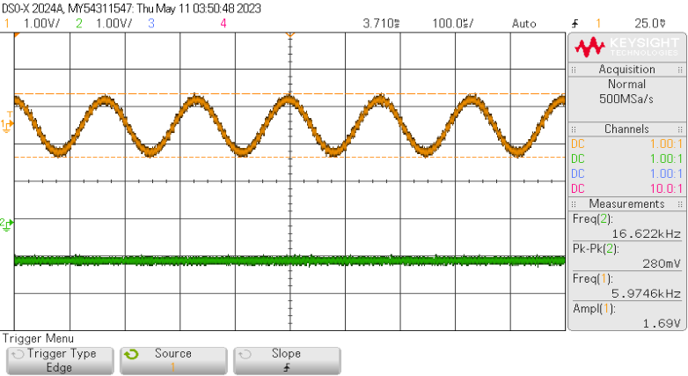
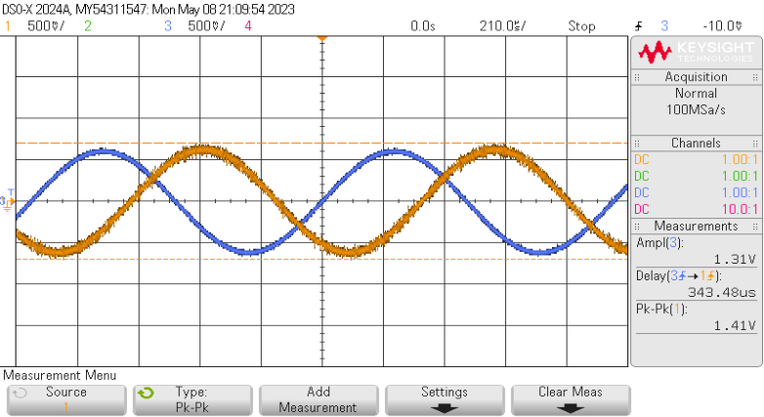
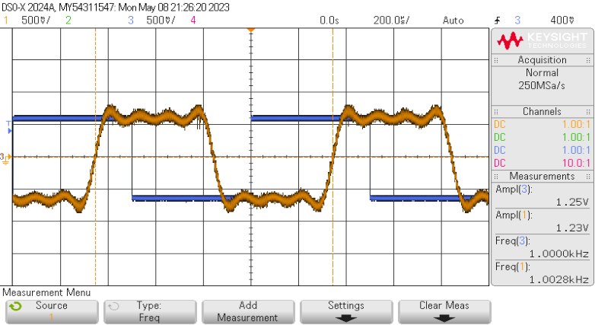
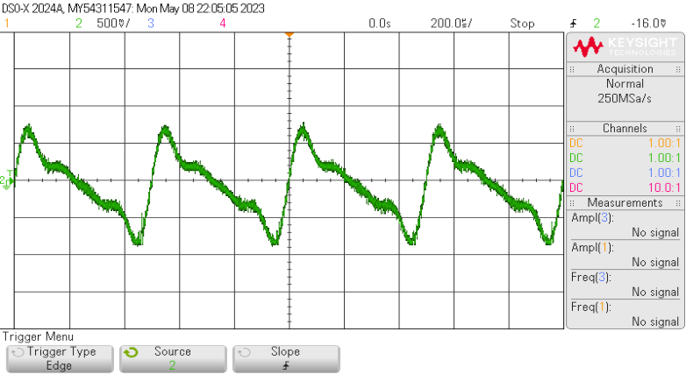
Initial settings |  | Loop original | 1kHz | Square | 1kHz | Delta=8192 | Gain=1/2
 |  |  |  |  |  |  |  | f_square=100Hz
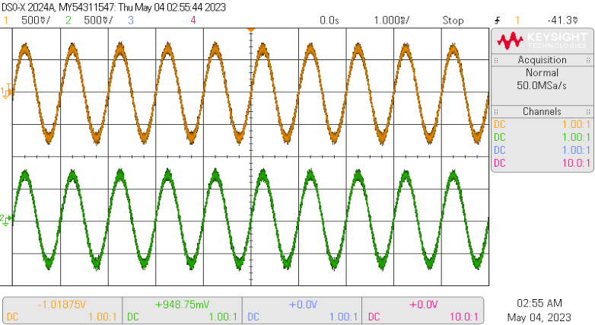
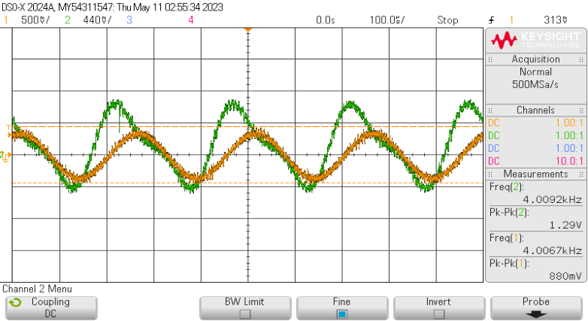
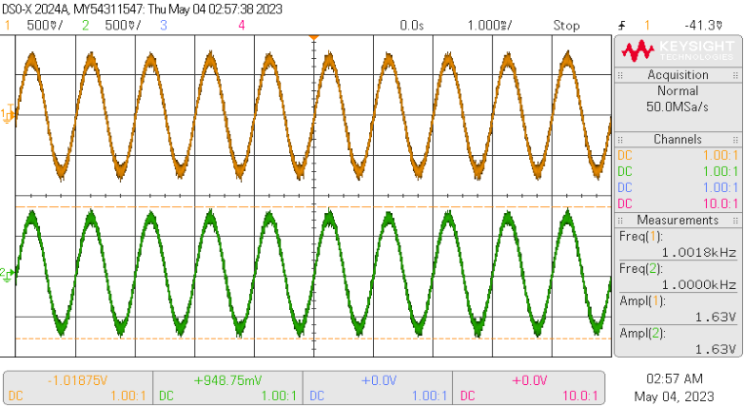
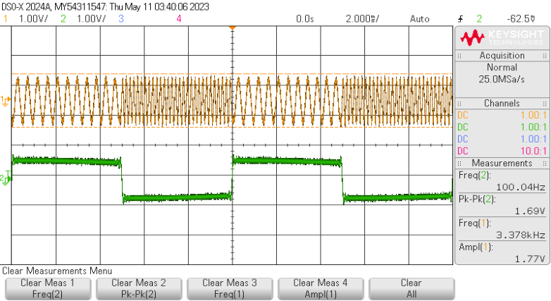

 |  |  |  | 3kH<
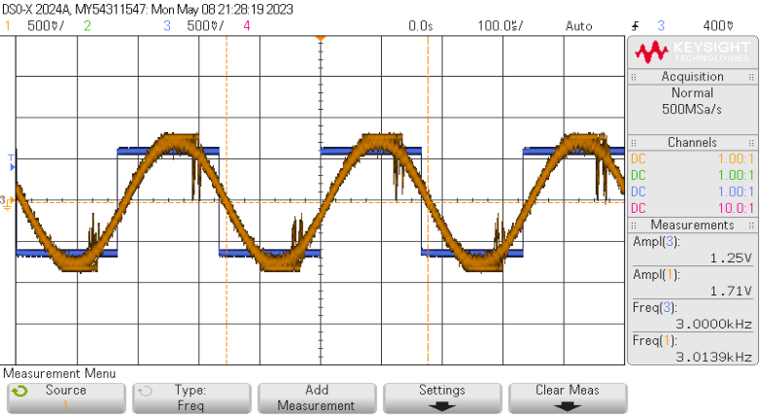
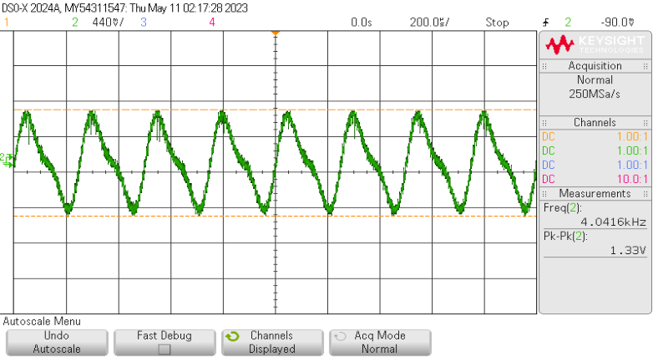
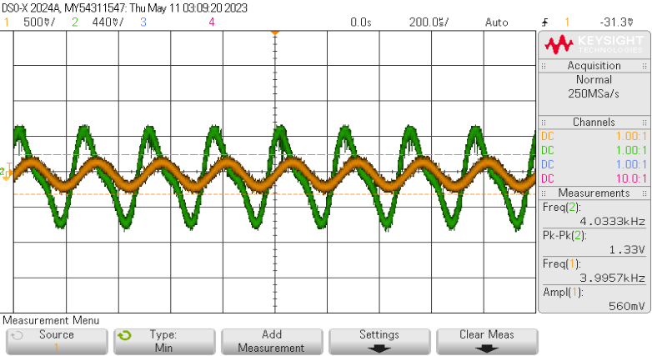
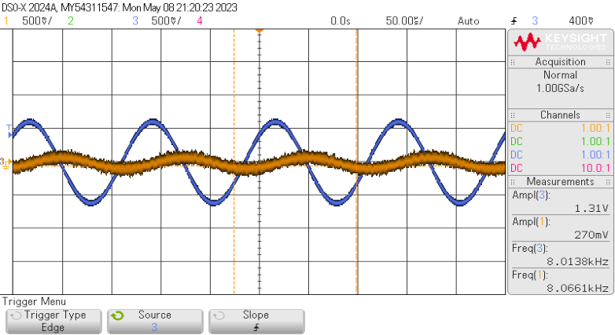
 |  |  |  |  |  | Delta=Delta_0 | Gain=1/4
 |  | 8kH<
Index varia de 0 a 15, Gain é 32 | Antes de alterar |  |  |  |  |  |  | Zoom_In se uma das frequencias
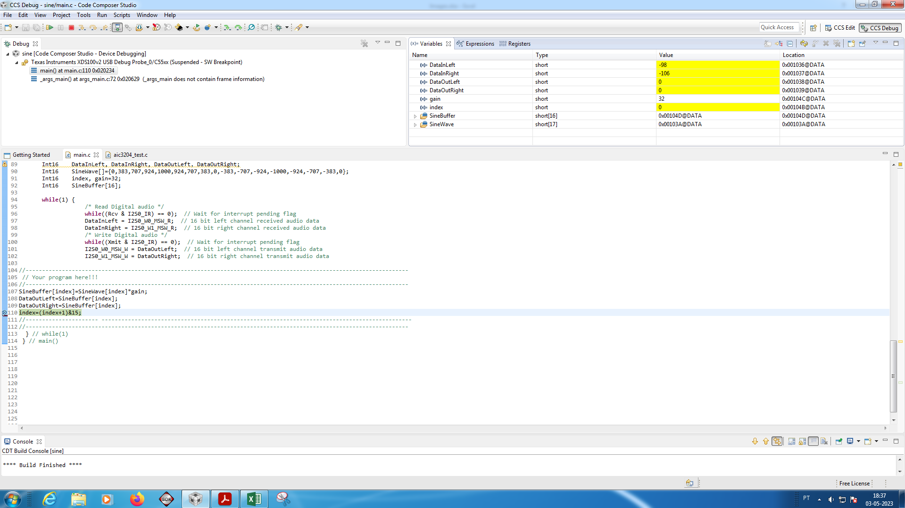
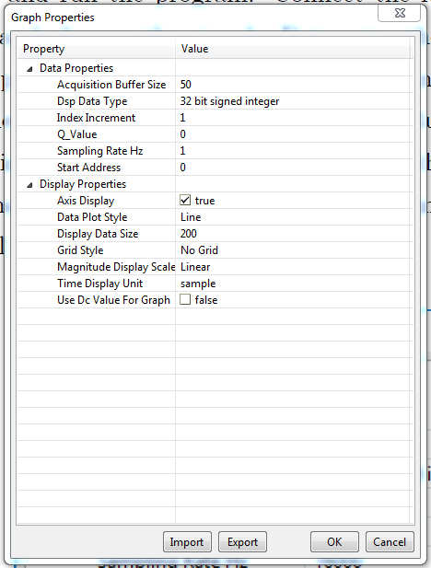
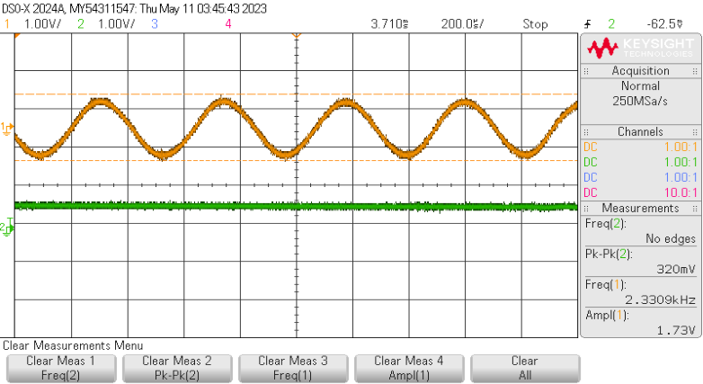

 |  |  |  | 7kHz
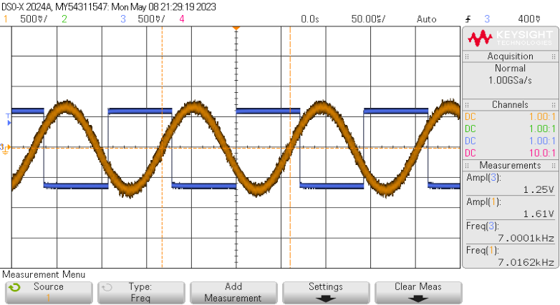
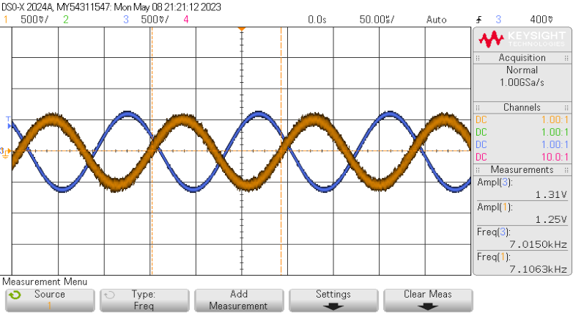
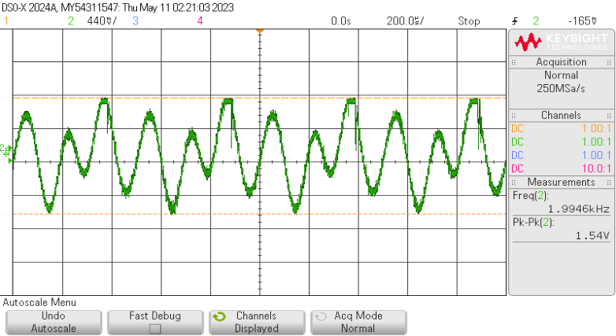
 |  |  |  |  |  | Delta=Delta_max
 |  | 7kHz
 |  |  |  |  |  |  |  | Zoom_In se outra das frequencias
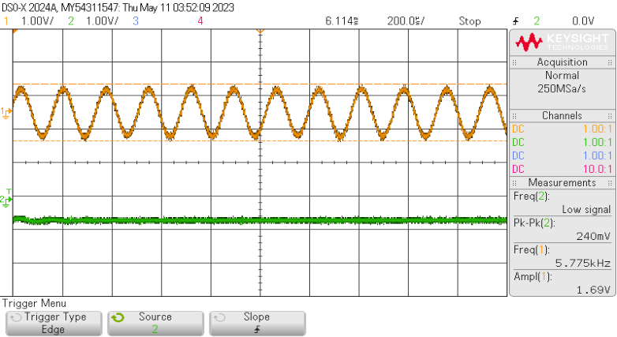

 |  |  |  | 10kHz
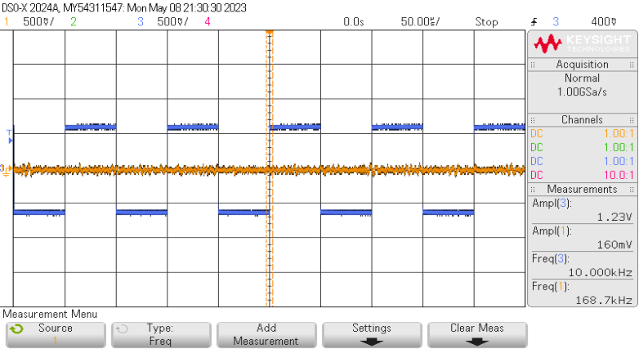

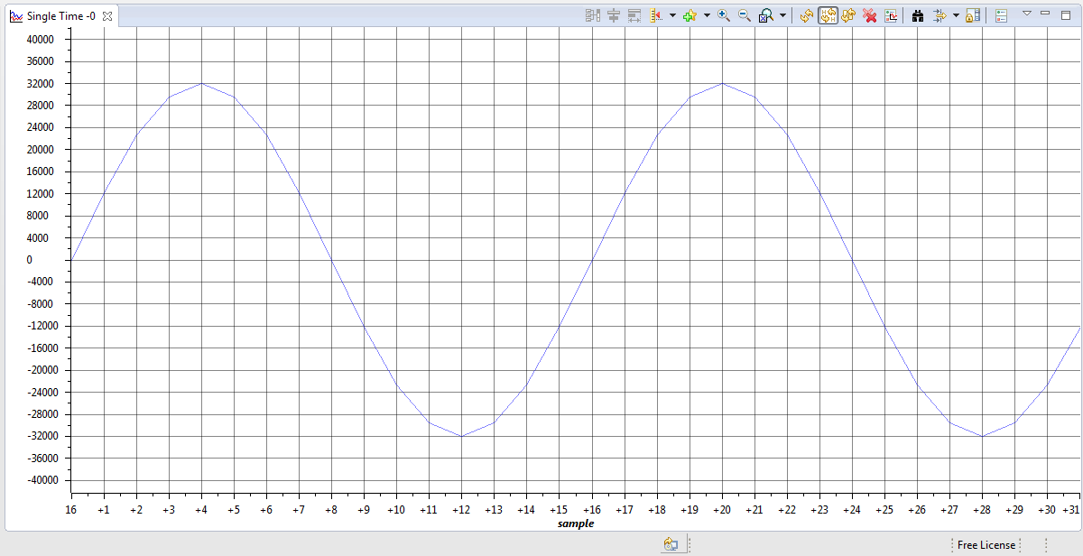

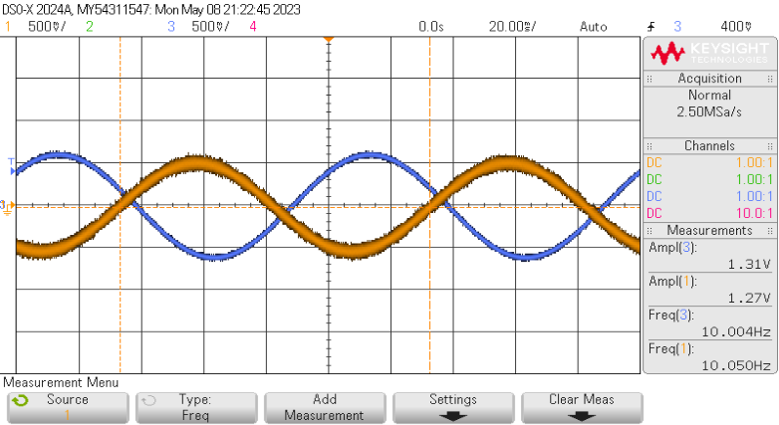
 |  | 10H<
 |  |  |  |  |  |  |  |  | Colocando DatInLeft=-32767

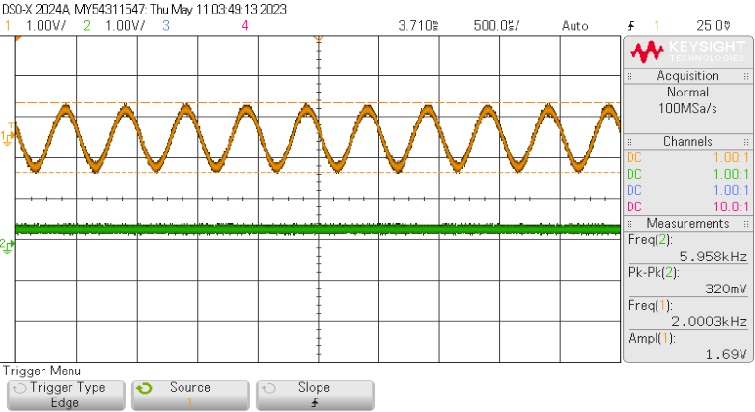
 |  |  |  |  |  | lut, delta_0
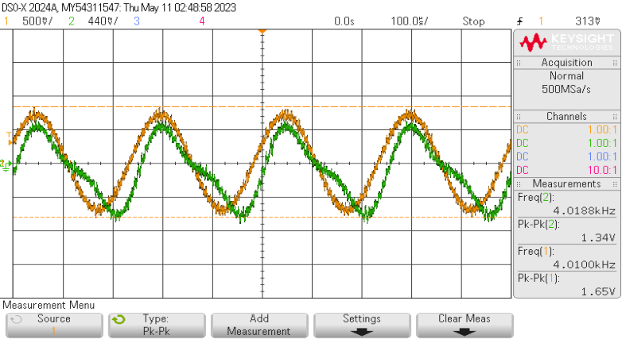

 |  | 1Hz
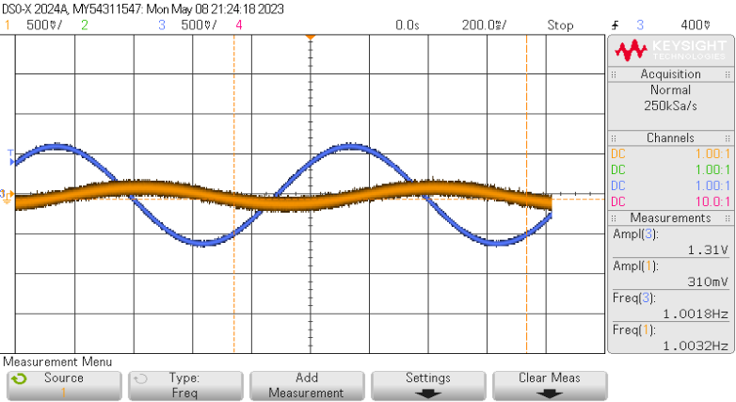
Gain 33
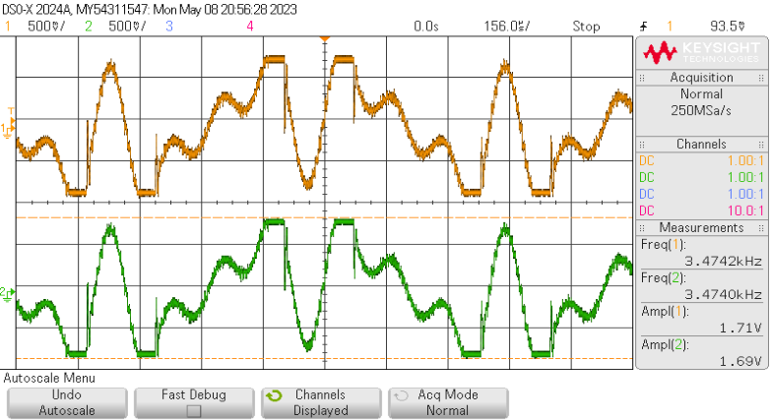

 |  |  |  |  |  |  |  |  | Colocando DatInLeft=32767

15Maio
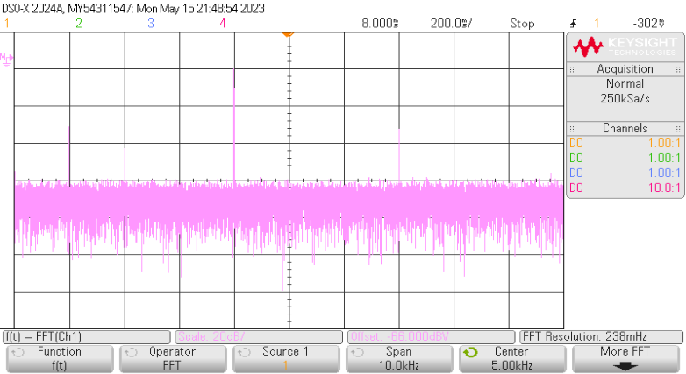
k=0, Delta_0, 4kHz
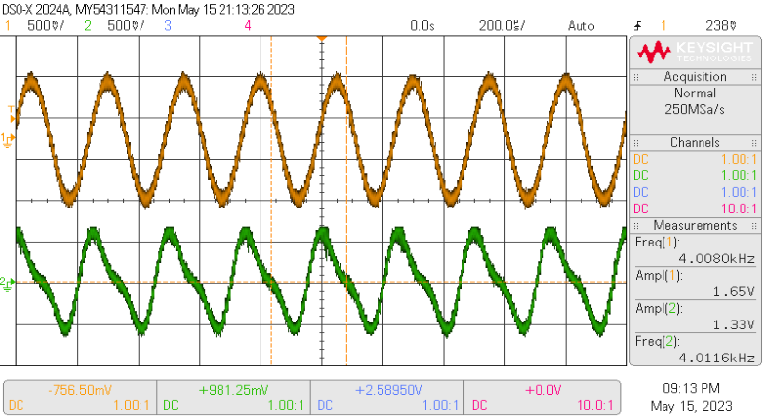

Inutil
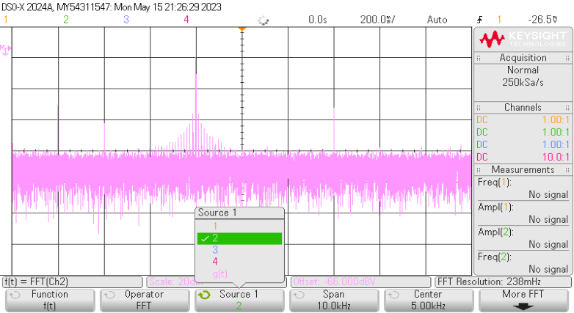

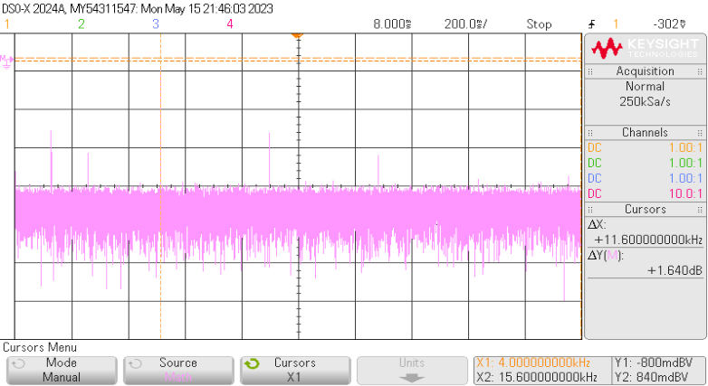
fo=4kHz, com interpo
 |  | f0=4kHz
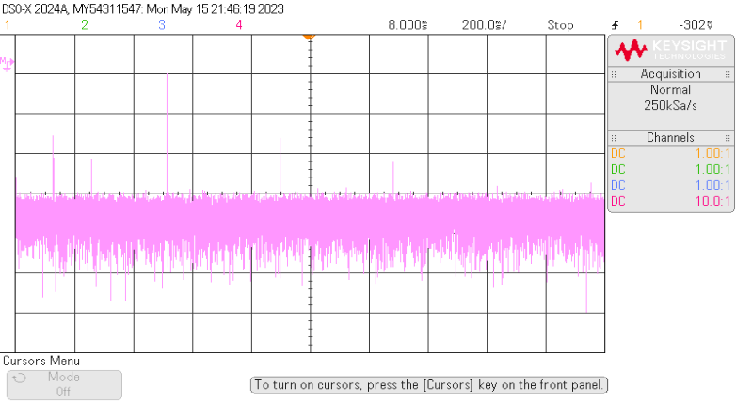
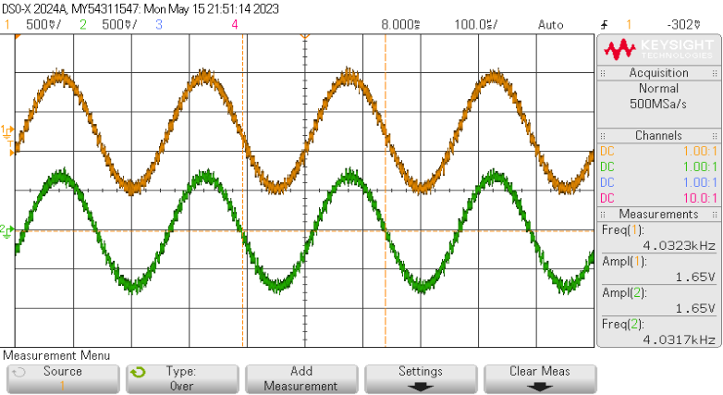

fo=4kHz, sem interpo

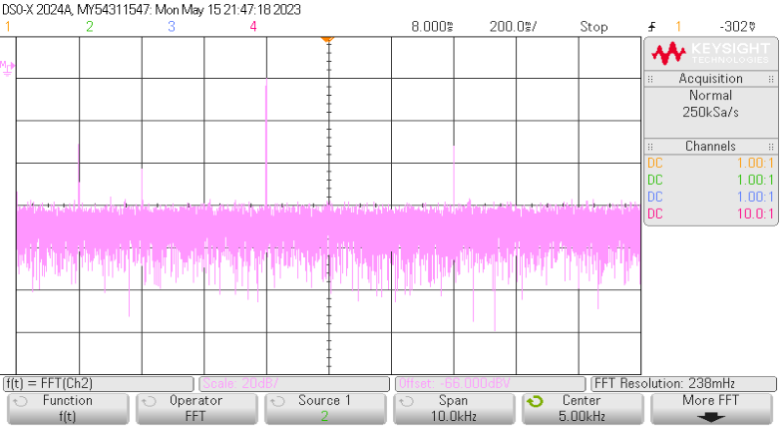

f0=3.9991, sem interpol | f0=3.9991
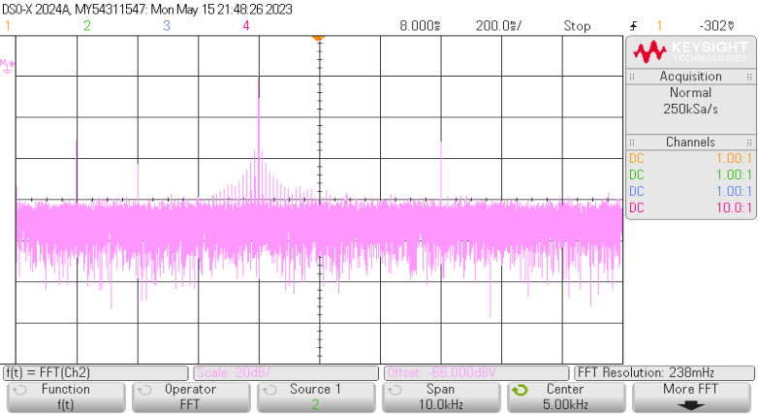


f0=3.9991, com interpol

Normal
Time (Secs) | CHAN1 | CHAN2 | Time (Secs) | CHAN1 | CHAN2 | loop original | Time (Secs) | CHAN1 | CHAN3 | 8kH< | Time (Secs) | CHAN1 | CHAN3 | 7kHz | Time (Secs) | CHAN1 | CHAN3 | 10H< | Time (Secs) | CHAN1 | CHAN3 | 1Hz | Time (Secs) | CHAN1 | CHAN3 | Square 1kHz | Time (Secs) | CHAN1 | CHAN3 | 3kH< | Time (Secs) | CHAN1 | CHAN3 | 7kHz | Time (Secs) | CHAN1 | CHAN3 | 10kHz | Time (Secs) | CHAN1 | CHAN3 | Delta=8192 | Time (Secs) | CHAN2 | Delta=Delta_0 | Time (Secs) | CHAN2 | Delta=Delta_max | Time (Secs) | CHAN2 | lut, DELTA_0 | Time (Secs) | CHAN1 | CHAN2 | Gain=1/2 | Time (Secs) | CHAN1 | CHAN2 | Gain=1/4 | Time (Secs) | CHAN1 | CHAN2 | f_square=100Hz | Time (Secs) | CHAN1 | CHAN2
-0.0025 | -0.09908289664 | -0.1065326976 | -0.00078 | -0.14278138752 | -0.1320301824 |  | -0.00105 | -0.38190955776 | -0.2060050304 |  | -0.00025 | -0.06030150912 | 0.4020100608 |  | -0.00025 | -0.18090452736 | 0.44221106688 |  | -0.1 | -0.502512576 | 0.4020100608 |  | -1 | -0.08040201216 | 0.38190955776 |  | -0.001 | -0.62311559424 | -0.62311559424 |  | -0.0005 | 0.18090452736 | 0.6030150912 |  | -0.00025 | -0.62311559424 | 0.6030150912 |  | -0.00025 | 0 | 0.6030150912 |  | -0.001 | -0.06030150912 |  | -0.001 | -0.0920577856 |  | -0.001 | -0.23356532864 |  | -0.0005 | 0.34170855168 | -0.14150754304 |  | -0.0005 | 0.34170855168 | 0.442211072 |  | -0.0005 | 0 | 0.47758795776 |  | -0.01 | 0.7539576384 | 0.0145726976
-0.00249 | -0.19958541184 | -0.1065326976 | -0.00077688 | -0.1829823936 | -0.17223118848 |  | -0.0010458 | -0.4020100608 | -0.16580402432 |  | -0.000249 | -0.02010050304 | 0.42211056384 |  | -0.000249 | -0.2010050304 | 0.42211056384 |  | -0.0996 | -0.502512576 | 0.4020100608 |  | -0.996352 | -0.16080402432 | 0.4020100608 |  | -0.000996 | -0.64321609728 | 0.58291458816 |  | -0.000498 | 0.18090452736 | -0.62311559424 |  | -0.000249 | -0.6030150912 | 0.62311559424 |  | -0.000249 | -0.02010050304 | -0.64321609728 |  | -0.000996 | 0.1005025152 |  | -0.000996 | -0.05668089984 |  | -0.000996 | -0.0920577856 |  | -0.000498 | 0.34170855168 | -0.1768844288 |  | -0.000498 | 0.36180905472 | 0.47758795776 |  | -0.000498 | -0.02010050304 | 0.442211072 |  | -0.00996 | 0.5127515712 | 0.6175878656
-0.00248 | -0.21968591488 | -0.2070352128 | -0.00077376 | -0.16288189056 | -0.15213068544 |  | -0.0010416 | -0.42211056384 | -0.16580402432 |  | -0.000248 | 0 | 0.44221106688 |  | -0.000248 | -0.18090452736 | 0.4020100608 |  | -0.0992 | -0.46231156992 | 0.4020100608 |  | -0.992704 | -0.14070352128 | 0.4020100608 |  | -0.000992 | -0.64321609728 | 0.6030150912 |  | -0.000496 | 0.12060301824 | -0.62311559424 |  | -0.000248 | -0.68341710336 | 0.6030150912 |  | -0.000248 | -0.02010050304 | -0.64321609728 |  | -0.000992 | 0.2010050304 |  | -0.000992 | 0.06713820032 |  | -0.000992 | -0.02130401408 |  | -0.000496 | 0.42211056384 | -0.07075377152 |  | -0.000496 | 0.28140704256 | 0.42452262912 |  | -0.000496 | -0.02010050304 | 0.5306532864 |  | -0.00992 | 0.1509424704 | 0.6577888768
-0.00247 | -0.23978641792 | -0.26733672192 | -0.00077064 | -0.24328390272 | -0.25263320064 |  | -0.0010374 | -0.44221106688 | -0.14570352128 |  | -0.000247 | 0 | 0.46231156992 |  | -0.000247 | -0.22110553344 | 0.4020100608 |  | -0.0988 | -0.48241207296 | 0.4020100608 |  | -0.989056 | -0.16080402432 | 0.42211056384 |  | -0.000988 | -0.64321609728 | 0.6030150912 |  | -0.000494 | 0.04020100608 | -0.62311559424 |  | -0.000247 | -0.6030150912 | 0.62311559424 |  | -0.000247 | 0 | -0.62311559424 |  | -0.000988 | 0.24120603648 |  | -0.000988 | 0.12020352896 |  | -0.000988 | 0.03176131456 |  | -0.000494 | 0.36180905472 | -0.12381910016 |  | -0.000494 | 0.3015075456 | 0.42452262912 |  | -0.000494 | -0.04020100608 | 0.442211072 |  | -0.00988 | -0.1706656192 | 0.5773868544
-0.00246 | -0.19958541184 | -0.22713571584 | -0.00076752 | -0.22318339968 | -0.21243219456 |  | -0.0010332 | -0.4020100608 | -0.14570352128 |  | -0.000246 | -0.02010050304 | 0.48241207296 |  | -0.000246 | -0.14070352128 | 0.38190955776 |  | -0.0984 | -0.52261307904 | 0.42211056384 |  | -0.985408 | -0.08040201216 | 0.42211056384 |  | -0.000984 | -0.72361810944 | 0.6030150912 |  | -0.000492 | 0.04020100608 | -0.62311559424 |  | -0.000246 | -0.54271358208 | 0.58291458816 |  | -0.000246 | -0.04020100608 | -0.64321609728 |  | -0.000984 | 0.38190955776 |  | -0.000984 | 0.19095730048 |  | -0.000984 | 0.04944975744 |  | -0.000492 | 0.42211056384 | -0.05306532864 |  | -0.000492 | 0.36180905472 | 0.37145730048 |  | -0.000492 | -0.02010050304 | 0.54834172928 |  | -0.00984 | -0.53247472 | 0.5773868544
DSO-X 2024A 19:14, 10-05-2023
-0.00245 | -0.23978641792 | -0.28743722496 | -0.0007644 | -0.24328390272 | -0.2325326976 |  | -0.001029 | -0.44221106688 | -0.1055025152 |  | -0.000245 | -0.02010050304 | 0.48241207296 |  | -0.000245 | -0.08040201216 | 0.34170855168 |  | -0.098 | -0.48241207296 | 0.44221106688 |  | -0.98176 | -0.06030150912 | 0.42211056384 |  | -0.00098 | -0.7035176064 | 0.58291458816 |  | -0.00049 | 0.06030150912 | -0.64321609728 |  | -0.000245 | -0.46231156992 | 0.58291458816 |  | -0.000245 | -0.02010050304 | -0.62311559424 |  | -0.00098 | 0.4020100608 |  | -0.00098 | 0.261711072 |  | -0.00098 | 0.1732688576 |  | -0.00049 | 0.502512576 | 0.0884422144 |  | -0.00049 | 0.34170855168 | 0.37145730048 |  | -0.00049 | 0.06030150912 | 0.54834172928 |  | -0.0098 | -0.7736807872 | 0.6175878656
DSO-X 2024A 12:18, 08-05-2023
 | CHAN1 | CHAN2
-0.0025 | -0.09908289664 | -0.1065326976
-0.00249 | -0.19958541184 | -0.1065326976
-0.00248 | -0.21968591488 | -0.2070352128
-0.00247 | -0.23978641792 | -0.26733672192
-0.00246 | -0.19958541184 | -0.22713571584
-0.00245 | -0.23978641792 | -0.28743722496
-0.00244 | -0.3804899392 | -0.4080402432
-0.00243 | -0.40059044224 | -0.4080402432
-0.00242 | -0.42069094528 | -0.36783923712
-0.00241 | -0.44079144832 | -0.42814074624
-0.0024 | -0.52119346048 | -0.46834175232
-0.00239 | -0.5814949696 | -0.52864326144
-0.00238 | -0.52119346048 | -0.5085427584
-0.00237 | -0.5814949696 | -0.56884426752
-0.00236 | -0.5814949696 | -0.54874376448
-0.00235 | -0.64179647872 | -0.66934678272
-0.00234 | -0.60159547264 | -0.62914577664
-0.00233 | -0.60159547264 | -0.62914577664
-0.00232 | -0.60159547264 | -0.6090452736
-0.00231 | -0.64179647872 | -0.66934678272
-0.0023 | -0.66189698176 | -0.66934678272
-0.00229 | -0.66189698176 | -0.68944728576
-0.00228 | -0.72219849088 | -0.64924627968
-0.00227 | -0.64179647872 | -0.66934678272
-0.00226 | -0.64179647872 | -0.64924627968
-0.00225 | -0.66189698176 | -0.66934678272
-0.00224 | -0.64179647872 | -0.66934678272
-0.00223 | -0.6819974848 | -0.64924627968
-0.00222 | -0.64179647872 | -0.62914577664
-0.00221 | -0.5814949696 | -0.6090452736
-0.0022 | -0.62169597568 | -0.56884426752
-0.00219 | -0.56139446656 | -0.52864326144
-0.00218 | -0.56139446656 | -0.52864326144
-0.00217 | -0.52119346048 | -0.56884426752
-0.00216 | -0.52119346048 | -0.48844225536
-0.00215 | -0.40059044224 | -0.42814074624
-0.00214 | -0.42069094528 | -0.38793974016
-0.00213 | -0.40059044224 | -0.38793974016
-0.00212 | -0.279987424 | -0.307537728
-0.00211 | -0.30008792704 | -0.26733672192
-0.0021 | -0.21968591488 | -0.24723621888
-0.00209 | -0.23978641792 | -0.24723621888
-0.00208 | -0.15938440576 | -0.14673370368
-0.00207 | -0.19958541184 | -0.18693470976
-0.00206 | -0.11918339968 | -0.14673370368
-0.00205 | -0.01868088448 | -0.06633169152
-0.00204 | 0.00141961856 | -0.02613068544
-0.00203 | 0.06172112768 | 0.03417082368
-0.00202 | 0.0215201216 | 0.11457283584
-0.00201 | 0.10192213376 | 0.11457283584
...
-0.00244 | -0.3804899392 | -0.4080402432 | -0.00076128 | -0.30358541184 | -0.25263320064 |  | -0.0010248 | -0.46231156992 | -0.1055025152 |  | -0.000244 | -0.02010050304 | 0.52261307904 |  | -0.000244 | 0 | 0.32160804864 |  | -0.0976 | -0.48241207296 | 0.46231156992 |  | -0.978112 | -0.1005025152 | 0.44221106688 |  | -0.000976 | -0.68341710336 | 0.6030150912 |  | -0.000488 | 0.02010050304 | -0.64321609728 |  | -0.000244 | -0.46231156992 | 0.6030150912 |  | -0.000244 | -0.02010050304 | -0.64321609728 |  | -0.000976 | 0.502512576 |  | -0.000976 | 0.38553017216 |  | -0.000976 | 0.15558041472 |  | -0.000488 | 0.46231156992 | 0.05306532864 |  | -0.000488 | 0.34170855168 | 0.33608041472 |  | -0.000488 | -0.06030150912 | 0.49527640064 |  | -0.00976 | -0.6932787648 | 0.5773868544
-0.00243 | -0.40059044224 | -0.4080402432 | -0.00075816 | -0.26338440576 | -0.25263320064 |  | -0.0010206 | -0.48241207296 | -0.1055025152 |  | -0.000243 | 0.02010050304 | 0.54271358208 |  | -0.000243 | 0.02010050304 | 0.3015075456 |  | -0.0972 | -0.56281408512 | 0.46231156992 |  | -0.974464 | -0.1005025152 | 0.48241207296 |  | -0.000972 | -0.64321609728 | 0.62311559424 |  | -0.000486 | -0.1005025152 | -0.62311559424 |  | -0.000243 | -0.46231156992 | 0.6030150912 |  | -0.000243 | -0.02010050304 | -0.64321609728 |  | -0.000972 | 0.54271358208 |  | -0.000972 | 0.3501532864 |  | -0.000972 | 0.24402262912 |  | -0.000486 | 0.502512576 | 0.03537688576 |  | -0.000486 | 0.3015075456 | 0.30070352896 |  | -0.000486 | 0 | 0.49527640064 |  | -0.00972 | -0.4922737088 | 0.6175878656
DSO-X 2024A 12:30, 08-05-2023
 | CHAN1 | CHAN2
-0.00078 | -0.14278138752 | -0.1320301824
-0.00077688 | -0.1829823936 | -0.17223118848
-0.00077376 | -0.16288189056 | -0.15213068544
-0.00077064 | -0.24328390272 | -0.25263320064
-0.00076752 | -0.22318339968 | -0.21243219456
-0.0007644 | -0.24328390272 | -0.2325326976
-0.00076128 | -0.30358541184 | -0.25263320064
-0.00075816 | -0.26338440576 | -0.25263320064
-0.00075504 | -0.2834849088 | -0.31293470976
-0.00075192 | -0.30358541184 | -0.31293470976
-0.0007488 | -0.26338440576 | -0.25263320064
-0.00074568 | -0.30358541184 | -0.31293470976
-0.00074256 | -0.26338440576 | -0.27273370368
-0.00073944 | -0.22318339968 | -0.2325326976
-0.00073632 | -0.30358541184 | -0.27273370368
-0.0007332 | -0.24328390272 | -0.2325326976
-0.00073008 | -0.1829823936 | -0.17223118848
-0.00072696 | -0.24328390272 | -0.2325326976
-0.00072384 | -0.1829823936 | -0.15213068544
-0.00072072 | -0.16288189056 | -0.15213068544
-0.0007176 | -0.20308289664 | -0.19233169152
-0.00071448 | -0.16288189056 | -0.15213068544
-0.00071136 | -0.12268088448 | -0.11192967936
-0.00070824 | -0.12268088448 | -0.1320301824
-0.00070512 | -0.12268088448 | -0.11192967936
-0.000702 | -0.12268088448 | -0.1320301824
-0.00069888 | -0.16288189056 | -0.1320301824
-0.00069576 | -0.1829823936 | -0.17223118848
-0.00069264 | -0.20308289664 | -0.17223118848
-0.00068952 | -0.16288189056 | -0.17223118848
-0.0006864 | -0.24328390272 | -0.25263320064
-0.00068328 | -0.22318339968 | -0.2325326976
-0.00068016 | -0.2834849088 | -0.27273370368
-0.00067704 | -0.383987424 | -0.35313571584
-0.00067392 | -0.383987424 | -0.35313571584
-0.0006708 | -0.40408792704 | -0.433537728
-0.00066768 | -0.4844899392 | -0.47373873408
-0.00066456 | -0.50459044224 | -0.51393974016
-0.00066144 | -0.5849924544 | -0.55414074624
-0.00065832 | -0.5849924544 | -0.59434175232
-0.0006552 | -0.70559547264 | -0.67474376448
-0.00065208 | -0.72569597568 | -0.71494477056
-0.00064896 | -0.6854949696 | -0.67474376448
-0.00064584 | -0.74579647872 | -0.75514577664
-0.00064272 | -0.74579647872 | -0.7350452736
-0.0006396 | -0.7859974848 | -0.77524627968
-0.00063648 | -0.7859974848 | -0.75514577664
-0.00063336 | -0.74579647872 | -0.75514577664
-0.00063024 | -0.76589698176 | -0.75514577664
-0.00062712 | -0.74579647872 | -0.7350452736
...
DSO-X 2024A 12:43, 08-05-2023
 | CHAN1 | CHAN3
-0.00105 | -0.38190955776 | -0.2060050304
-0.0010458 | -0.4020100608 | -0.16580402432
-0.0010416 | -0.42211056384 | -0.16580402432
-0.0010374 | -0.44221106688 | -0.14570352128
-0.0010332 | -0.4020100608 | -0.14570352128
-0.001029 | -0.44221106688 | -0.1055025152
-0.0010248 | -0.46231156992 | -0.1055025152
-0.0010206 | -0.48241207296 | -0.1055025152
-0.0010164 | -0.502512576 | -0.06530150912
-0.0010122 | -0.48241207296 | -0.06530150912
-0.001008 | -0.46231156992 | -0.04520100608
-0.0010038 | -0.46231156992 | -0.02510050304
-0.0009996 | -0.502512576 | -0.005
-0.0009954 | -0.56281408512 | 0.01510050304
-0.0009912 | -0.54271358208 | 0.01510050304
-0.000987 | -0.54271358208 | 0.03520100608
-0.0009828 | -0.56281408512 | 0.05530150912
-0.0009786 | -0.56281408512 | 0.07540201216
-0.0009744 | -0.62311559424 | 0.07540201216
-0.0009702 | -0.54271358208 | 0.11560301824
-0.000966 | -0.52261307904 | 0.11560301824
-0.0009618 | -0.54271358208 | 0.13570352128
-0.0009576 | -0.58291458816 | 0.13570352128
-0.0009534 | -0.58291458816 | 0.15580402432
-0.0009492 | -0.58291458816 | 0.15580402432
-0.000945 | -0.58291458816 | 0.21610553344
-0.0009408 | -0.62311559424 | 0.21610553344
-0.0009366 | -0.58291458816 | 0.21610553344
-0.0009324 | -0.58291458816 | 0.25630653952
-0.0009282 | -0.64321609728 | 0.25630653952
-0.000924 | -0.6030150912 | 0.25630653952
-0.0009198 | -0.62311559424 | 0.25630653952
-0.0009156 | -0.68341710336 | 0.2965075456
-0.0009114 | -0.62311559424 | 0.31660804864
-0.0009072 | -0.62311559424 | 0.33670855168
-0.000903 | -0.6030150912 | 0.35680905472
-0.0008988 | -0.64321609728 | 0.33670855168
-0.0008946 | -0.62311559424 | 0.35680905472
-0.0008904 | -0.62311559424 | 0.37690955776
-0.0008862 | -0.64321609728 | 0.3970100608
-0.000882 | -0.62311559424 | 0.3970100608
-0.0008778 | -0.58291458816 | 0.43721106688
-0.0008736 | -0.6030150912 | 0.41711056384
-0.0008694 | -0.62311559424 | 0.45731156992
-0.0008652 | -0.58291458816 | 0.43721106688
-0.000861 | -0.58291458816 | 0.45731156992
-0.0008568 | -0.56281408512 | 0.45731156992
-0.0008526 | -0.56281408512 | 0.497512576
-0.0008484 | -0.6030150912 | 0.497512576
-0.0008442 | -0.56281408512 | 0.497512576
...
DSO-X 2024A 13:00, 08-05-2023
 | CHAN1 | CHAN3
-0.001 | -0.62311559424 | -0.62311559424
-0.000996 | -0.64321609728 | 0.58291458816
-0.000992 | -0.64321609728 | 0.6030150912
-0.000988 | -0.64321609728 | 0.6030150912
-0.000984 | -0.72361810944 | 0.6030150912
-0.00098 | -0.7035176064 | 0.58291458816
-0.000976 | -0.68341710336 | 0.6030150912
-0.000972 | -0.64321609728 | 0.62311559424
-0.000968 | -0.66331660032 | 0.62311559424
-0.000964 | -0.7035176064 | 0.6030150912
-0.00096 | -0.7035176064 | 0.62311559424
-0.000956 | -0.68341710336 | 0.6030150912
-0.000952 | -0.68341710336 | 0.6030150912
-0.000948 | -0.68341710336 | 0.6030150912
-0.000944 | -0.68341710336 | 0.6030150912
-0.00094 | -0.66331660032 | 0.6030150912
-0.000936 | -0.64321609728 | 0.6030150912
-0.000932 | -0.68341710336 | 0.62311559424
-0.000928 | -0.68341710336 | 0.6030150912
-0.000924 | -0.62311559424 | 0.6030150912
-0.00092 | -0.64321609728 | 0.6030150912
-0.000916 | -0.64321609728 | 0.6030150912
-0.000912 | -0.62311559424 | 0.6030150912
-0.000908 | -0.58291458816 | 0.58291458816
-0.000904 | -0.64321609728 | 0.6030150912
-0.0009 | -0.62311559424 | 0.6030150912
-0.000896 | -0.56281408512 | 0.6030150912
-0.000892 | -0.66331660032 | 0.6030150912
-0.000888 | -0.62311559424 | 0.6030150912
-0.000884 | -0.64321609728 | 0.62311559424
-0.00088 | -0.66331660032 | 0.62311559424
-0.000876 | -0.62311559424 | 0.6030150912
-0.000872 | -0.64321609728 | 0.6030150912
-0.000868 | -0.66331660032 | 0.58291458816
-0.000864 | -0.64321609728 | 0.6030150912
-0.00086 | -0.66331660032 | 0.6030150912
-0.000856 | -0.68341710336 | 0.62311559424
-0.000852 | -0.72361810944 | 0.6030150912
-0.000848 | -0.72361810944 | 0.62311559424
-0.000844 | -0.74371861248 | 0.62311559424
-0.00084 | -0.64321609728 | 0.6030150912
-0.000836 | -0.7035176064 | 0.58291458816
-0.000832 | -0.68341710336 | 0.62311559424
-0.000828 | -0.68341710336 | 0.6030150912
-0.000824 | -0.66331660032 | 0.6030150912
-0.00082 | -0.68341710336 | 0.6030150912
-0.000816 | -0.62311559424 | 0.6030150912
-0.000812 | -0.6030150912 | 0.6030150912
-0.000808 | -0.6030150912 | 0.62311559424
-0.000804 | -0.58291458816 | 0.6030150912
...
DSO-X 2024A 13:00, 08-05-2023
 | CHAN1 | CHAN3
-0.0005 | 0.18090452736 | 0.6030150912
-0.000498 | 0.18090452736 | -0.62311559424
-0.000496 | 0.12060301824 | -0.62311559424
-0.000494 | 0.04020100608 | -0.62311559424
-0.000492 | 0.04020100608 | -0.62311559424
-0.00049 | 0.06030150912 | -0.64321609728
-0.000488 | 0.02010050304 | -0.64321609728
-0.000486 | -0.1005025152 | -0.62311559424
-0.000484 | -0.02010050304 | -0.64321609728
-0.000482 | -0.04020100608 | -0.64321609728
-0.00048 | -0.14070352128 | -0.64321609728
-0.000478 | -0.16080402432 | -0.62311559424
-0.000476 | -0.2010050304 | -0.62311559424
-0.000474 | -0.16080402432 | -0.64321609728
-0.000472 | -0.28140704256 | -0.64321609728
-0.00047 | -0.32160804864 | -0.64321609728
-0.000468 | -0.28140704256 | -0.64321609728
-0.000466 | -0.3015075456 | -0.64321609728
-0.000464 | -0.44221106688 | -0.62311559424
-0.000462 | -0.42211056384 | -0.64321609728
-0.00046 | -0.4020100608 | -0.62311559424
-0.000458 | -0.44221106688 | -0.64321609728
-0.000456 | -0.502512576 | -0.66331660032
-0.000454 | -0.502512576 | -0.66331660032
-0.000452 | -0.502512576 | -0.64321609728
-0.00045 | -0.56281408512 | -0.66331660032
-0.000448 | -0.54271358208 | -0.64321609728
-0.000446 | -0.66331660032 | -0.64321609728
-0.000444 | -0.54271358208 | -0.64321609728
-0.000442 | -0.66331660032 | -0.64321609728
-0.00044 | -0.58291458816 | -0.64321609728
-0.000438 | -0.68341710336 | -0.64321609728
-0.000436 | -0.66331660032 | -0.64321609728
-0.000434 | -0.66331660032 | -0.64321609728
-0.000432 | -0.76381911552 | -0.64321609728
-0.00043 | -0.7035176064 | -0.62311559424
-0.000428 | -0.76381911552 | -0.64321609728
-0.000426 | -0.76381911552 | -0.62311559424
-0.000424 | -0.74371861248 | -0.62311559424
-0.000422 | -0.8040201216 | -0.64321609728
-0.00042 | -0.72361810944 | -0.66331660032
-0.000418 | -0.76381911552 | -0.64321609728
-0.000416 | -0.8040201216 | -0.64321609728
-0.000414 | -0.8040201216 | -0.64321609728
-0.000412 | -0.74371861248 | -0.64321609728
-0.00041 | -0.78391961856 | -0.62311559424
-0.000408 | -0.78391961856 | -0.64321609728
-0.000406 | -0.82412062464 | -0.64321609728
-0.000404 | -0.76381911552 | -0.64321609728
-0.000402 | -0.72361810944 | -0.64321609728
...
DSO-X 2024A, CHAN2 13:39, 08-05-2023
DSO-X 2024A, CHAN2 17:51, 10-05-2023
DSO-X 2024A, CHAN2 17:54, 10-05-2023
-0.00242 | -0.42069094528 | -0.36783923712 | -0.00075504 | -0.2834849088 | -0.31293470976 |  | -0.0010164 | -0.502512576 | -0.06530150912 |  | -0.000242 | 0.02010050304 | 0.52261307904 |  | -0.000242 | 0.04020100608 | 0.28140704256 |  | -0.0968 | -0.54271358208 | 0.46231156992 |  | -0.970816 | -0.12060301824 | 0.46231156992 |  | -0.000968 | -0.66331660032 | 0.62311559424 |  | -0.000484 | -0.02010050304 | -0.64321609728 |  | -0.000242 | -0.502512576 | 0.6030150912 |  | -0.000242 | -0.06030150912 | -0.64321609728 |  | -0.000968 | 0.56281408512 |  | -0.000968 | 0.42090705792 |  | -0.000968 | 0.261711072 |  | -0.000484 | 0.56281408512 | 0.12381910016 |  | -0.000484 | 0.4020100608 | 0.3537688576 |  | -0.000484 | 0.06030150912 | 0.51296484352 |  | -0.00968 | -0.2108666304 | 0.5773868544
DSO-X 2024A 12:54, 08-05-2023
 | CHAN1 | CHAN3
-0.00025 | -0.18090452736 | 0.44221106688
-0.000249 | -0.2010050304 | 0.42211056384
-0.000248 | -0.18090452736 | 0.4020100608
-0.000247 | -0.22110553344 | 0.4020100608
-0.000246 | -0.14070352128 | 0.38190955776
-0.000245 | -0.08040201216 | 0.34170855168
-0.000244 | 0 | 0.32160804864
-0.000243 | 0.02010050304 | 0.3015075456
-0.000242 | 0.04020100608 | 0.28140704256
-0.000241 | 0 | 0.24120603648
-0.00024 | -0.02010050304 | 0.22110553344
-0.000239 | -0.02010050304 | 0.2010050304
-0.000238 | 0.06030150912 | 0.18090452736
-0.000237 | 0.12060301824 | 0.14070352128
-0.000236 | 0.18090452736 | 0.12060301824
-0.000235 | 0.16080402432 | 0.1005025152
-0.000234 | 0.2010050304 | 0.06030150912
-0.000233 | 0.2010050304 | 0.04020100608
-0.000232 | 0.14070352128 | 0.04020100608
-0.000231 | 0.18090452736 | 0
-0.00023 | 0.24120603648 | -0.04020100608
-0.000229 | 0.32160804864 | -0.06030150912
-0.000228 | 0.32160804864 | -0.1005025152
-0.000227 | 0.32160804864 | -0.12060301824
-0.000226 | 0.36180905472 | -0.16080402432
-0.000225 | 0.34170855168 | -0.18090452736
-0.000224 | 0.32160804864 | -0.2010050304
-0.000223 | 0.32160804864 | -0.22110553344
-0.000222 | 0.4020100608 | -0.24120603648
-0.000221 | 0.46231156992 | -0.26130653952
-0.00022 | 0.46231156992 | -0.3015075456
-0.000219 | 0.42211056384 | -0.32160804864
-0.000218 | 0.42211056384 | -0.36180905472
-0.000217 | 0.44221106688 | -0.36180905472
-0.000216 | 0.48241207296 | -0.4020100608
-0.000215 | 0.46231156992 | -0.4020100608
-0.000214 | 0.46231156992 | -0.44221106688
-0.000213 | 0.48241207296 | -0.46231156992
-0.000212 | 0.56281408512 | -0.46231156992
-0.000211 | 0.54271358208 | -0.48241207296
-0.00021 | 0.52261307904 | -0.502512576
-0.000209 | 0.44221106688 | -0.52261307904
-0.000208 | 0.48241207296 | -0.54271358208
-0.000207 | 0.502512576 | -0.54271358208
-0.000206 | 0.52261307904 | -0.56281408512
-0.000205 | 0.52261307904 | -0.54271358208
-0.000204 | 0.502512576 | -0.6030150912
-0.000203 | 0.48241207296 | -0.58291458816
-0.000202 | 0.48241207296 | -0.6030150912
-0.000201 | 0.52261307904 | -0.6030150912
...
DSO-X 2024A 12:56, 08-05-2023
 | CHAN1 | CHAN3
-0.1 | -0.502512576 | 0.4020100608
-0.0996 | -0.502512576 | 0.4020100608
-0.0992 | -0.46231156992 | 0.4020100608
-0.0988 | -0.48241207296 | 0.4020100608
-0.0984 | -0.52261307904 | 0.42211056384
-0.098 | -0.48241207296 | 0.44221106688
-0.0976 | -0.48241207296 | 0.46231156992
-0.0972 | -0.56281408512 | 0.46231156992
-0.0968 | -0.54271358208 | 0.46231156992
-0.0964 | -0.54271358208 | 0.48241207296
-0.096 | -0.58291458816 | 0.502512576
-0.0956 | -0.56281408512 | 0.52261307904
-0.0952 | -0.48241207296 | 0.52261307904
-0.0948 | -0.54271358208 | 0.52261307904
-0.0944 | -0.54271358208 | 0.54271358208
-0.094 | -0.56281408512 | 0.54271358208
-0.0936 | -0.54271358208 | 0.54271358208
-0.0932 | -0.56281408512 | 0.54271358208
-0.0928 | -0.54271358208 | 0.54271358208
-0.0924 | -0.54271358208 | 0.56281408512
-0.092 | -0.56281408512 | 0.56281408512
-0.0916 | -0.52261307904 | 0.56281408512
-0.0912 | -0.54271358208 | 0.58291458816
-0.0908 | -0.56281408512 | 0.58291458816
-0.0904 | -0.52261307904 | 0.58291458816
-0.09 | -0.6030150912 | 0.58291458816
-0.0896 | -0.56281408512 | 0.58291458816
-0.0892 | -0.58291458816 | 0.6030150912
-0.0888 | -0.54271358208 | 0.6030150912
-0.0884 | -0.52261307904 | 0.6030150912
-0.088 | -0.54271358208 | 0.6030150912
-0.0876 | -0.52261307904 | 0.6030150912
-0.0872 | -0.502512576 | 0.6030150912
-0.0868 | -0.52261307904 | 0.6030150912
-0.0864 | -0.56281408512 | 0.58291458816
-0.086 | -0.56281408512 | 0.6030150912
-0.0856 | -0.502512576 | 0.6030150912
-0.0852 | -0.502512576 | 0.58291458816
-0.0848 | -0.48241207296 | 0.6030150912
-0.0844 | -0.52261307904 | 0.6030150912
-0.084 | -0.48241207296 | 0.6030150912
-0.0836 | -0.48241207296 | 0.58291458816
-0.0832 | -0.46231156992 | 0.58291458816
-0.0828 | -0.44221106688 | 0.6030150912
-0.0824 | -0.46231156992 | 0.58291458816
-0.082 | -0.4020100608 | 0.58291458816
-0.0816 | -0.4020100608 | 0.56281408512
-0.0812 | -0.46231156992 | 0.58291458816
-0.0808 | -0.44221106688 | 0.58291458816
-0.0804 | -0.42211056384 | 0.56281408512
...
DSO-X 2024A 12:57, 08-05-2023
 | CHAN1 | CHAN3
-1 | -0.08040201216 | 0.38190955776
-0.996352 | -0.16080402432 | 0.4020100608
-0.992704 | -0.14070352128 | 0.4020100608
-0.989056 | -0.16080402432 | 0.42211056384
-0.985408 | -0.08040201216 | 0.42211056384
-0.98176 | -0.06030150912 | 0.42211056384
-0.978112 | -0.1005025152 | 0.44221106688
-0.974464 | -0.1005025152 | 0.48241207296
-0.970816 | -0.12060301824 | 0.46231156992
-0.967168 | -0.1005025152 | 0.48241207296
-0.96352 | -0.08040201216 | 0.48241207296
-0.959872 | -0.1005025152 | 0.502512576
-0.956224 | -0.08040201216 | 0.502512576
-0.952576 | -0.06030150912 | 0.502512576
-0.948928 | -0.1005025152 | 0.52261307904
-0.94528 | -0.1005025152 | 0.502512576
-0.941632 | -0.06030150912 | 0.52261307904
-0.937984 | -0.08040201216 | 0.54271358208
-0.934336 | -0.08040201216 | 0.54271358208
-0.930688 | -0.1005025152 | 0.54271358208
-0.92704 | -0.08040201216 | 0.56281408512
-0.923392 | -0.14070352128 | 0.56281408512
-0.919744 | -0.08040201216 | 0.56281408512
-0.916096 | -0.06030150912 | 0.58291458816
-0.912448 | -0.06030150912 | 0.56281408512
-0.9088 | -0.08040201216 | 0.58291458816
-0.905152 | -0.06030150912 | 0.58291458816
-0.901504 | -0.06030150912 | 0.58291458816
-0.897856 | -0.04020100608 | 0.58291458816
-0.894208 | -0.04020100608 | 0.58291458816
-0.89056 | -0.08040201216 | 0.58291458816
-0.886912 | -0.08040201216 | 0.6030150912
-0.883264 | -0.06030150912 | 0.6030150912
-0.879616 | -0.08040201216 | 0.6030150912
-0.875968 | -0.02010050304 | 0.6030150912
-0.87232 | -0.04020100608 | 0.6030150912
-0.868672 | -0.08040201216 | 0.58291458816
-0.865024 | -0.04020100608 | 0.6030150912
-0.861376 | -0.02010050304 | 0.58291458816
-0.857728 | -0.04020100608 | 0.62311559424
-0.85408 | -0.04020100608 | 0.6030150912
-0.850432 | -0.02010050304 | 0.6030150912
-0.846784 | -0.06030150912 | 0.6030150912
-0.843136 | -0.02010050304 | 0.6030150912
-0.839488 | -0.02010050304 | 0.6030150912
-0.83584 | 0.02010050304 | 0.58291458816
-0.832192 | 0 | 0.56281408512
-0.828544 | -0.02010050304 | 0.58291458816
-0.824896 | -0.02010050304 | 0.58291458816
-0.821248 | 0.02010050304 | 0.58291458816
...
DSO-X 2024A 13:02, 08-05-2023
 | CHAN1 | CHAN3
-0.00025 | -0.62311559424 | 0.6030150912
-0.000249 | -0.6030150912 | 0.62311559424
-0.000248 | -0.68341710336 | 0.6030150912
-0.000247 | -0.6030150912 | 0.62311559424
-0.000246 | -0.54271358208 | 0.58291458816
-0.000245 | -0.46231156992 | 0.58291458816
-0.000244 | -0.46231156992 | 0.6030150912
-0.000243 | -0.46231156992 | 0.6030150912
-0.000242 | -0.502512576 | 0.6030150912
-0.000241 | -0.502512576 | 0.58291458816
-0.00024 | -0.502512576 | 0.6030150912
-0.000239 | -0.42211056384 | 0.6030150912
-0.000238 | -0.3015075456 | 0.62311559424
-0.000237 | -0.28140704256 | 0.6030150912
-0.000236 | -0.28140704256 | 0.6030150912
-0.000235 | -0.28140704256 | 0.6030150912
-0.000234 | -0.26130653952 | 0.6030150912
-0.000233 | -0.3015075456 | 0.6030150912
-0.000232 | -0.28140704256 | 0.6030150912
-0.000231 | -0.2010050304 | 0.6030150912
-0.00023 | -0.06030150912 | 0.6030150912
-0.000229 | -0.04020100608 | 0.6030150912
-0.000228 | -0.06030150912 | 0.6030150912
-0.000227 | -0.06030150912 | 0.6030150912
-0.000226 | -0.04020100608 | 0.6030150912
-0.000225 | -0.08040201216 | 0.6030150912
-0.000224 | -0.08040201216 | 0.6030150912
-0.000223 | 0.04020100608 | 0.6030150912
-0.000222 | 0.14070352128 | 0.6030150912
-0.000221 | 0.18090452736 | 0.6030150912
-0.00022 | 0.22110553344 | 0.6030150912
-0.000219 | 0.18090452736 | 0.6030150912
-0.000218 | 0.16080402432 | 0.62311559424
-0.000217 | 0.14070352128 | 0.6030150912
-0.000216 | 0.2010050304 | 0.6030150912
-0.000215 | 0.3015075456 | 0.58291458816
-0.000214 | 0.38190955776 | -0.62311559424
-0.000213 | 0.38190955776 | -0.62311559424
-0.000212 | 0.4020100608 | -0.64321609728
-0.000211 | 0.38190955776 | -0.64321609728
-0.00021 | 0.38190955776 | -0.62311559424
-0.000209 | 0.38190955776 | -0.64321609728
-0.000208 | 0.38190955776 | -0.64321609728
-0.000207 | 0.52261307904 | -0.64321609728
-0.000206 | 0.56281408512 | -0.62311559424
-0.000205 | 0.52261307904 | -0.64321609728
-0.000204 | 0.58291458816 | -0.64321609728
-0.000203 | 0.56281408512 | -0.64321609728
-0.000202 | 0.56281408512 | -0.6030150912
-0.000201 | 0.58291458816 | -0.64321609728
...
DSO-X 2024A 13:03, 08-05-2023
DSO-X 2024A 18:21, 10-05-2023
DSO-X 2024A 18:29, 10-05-2023
DSO-X 2024A 18:42, 10-05-2023
-0.00241 | -0.44079144832 | -0.42814074624 | -0.00075192 | -0.30358541184 | -0.31293470976 |  | -0.0010122 | -0.48241207296 | -0.06530150912 |  | -0.000241 | -0.02010050304 | 0.56281408512 |  | -0.000241 | 0 | 0.24120603648 |  | -0.0964 | -0.54271358208 | 0.48241207296 |  | -0.967168 | -0.1005025152 | 0.48241207296 |  | -0.000964 | -0.7035176064 | 0.6030150912 |  | -0.000482 | -0.04020100608 | -0.64321609728 |  | -0.000241 | -0.502512576 | 0.58291458816 |  | -0.000241 | 0 | -0.62311559424 |  | -0.000964 | 0.64321609728 |  | -0.000964 | 0.49166082944 |  | -0.000964 | 0.36784172928 |  | -0.000482 | 0.62311559424 | 0.19457287168 |  | -0.000482 | 0.3015075456 | 0.2653266432 |  | -0.000482 | -0.02010050304 | 0.56603017216 |  | -0.00964 | 0.1911434816 | 0.6175878656
DSO-X 2024A 12:53, 08-05-2023
 | CHAN1 | CHAN3
-0.00025 | -0.06030150912 | 0.4020100608
-0.000249 | -0.02010050304 | 0.42211056384
-0.000248 | 0 | 0.44221106688
-0.000247 | 0 | 0.46231156992
-0.000246 | -0.02010050304 | 0.48241207296
-0.000245 | -0.02010050304 | 0.48241207296
-0.000244 | -0.02010050304 | 0.52261307904
-0.000243 | 0.02010050304 | 0.54271358208
-0.000242 | 0.02010050304 | 0.52261307904
-0.000241 | -0.02010050304 | 0.56281408512
-0.00024 | 0.04020100608 | 0.56281408512
-0.000239 | 0.02010050304 | 0.58291458816
-0.000238 | -0.04020100608 | 0.58291458816
-0.000237 | -0.02010050304 | 0.58291458816
-0.000236 | 0 | 0.6030150912
-0.000235 | 0.04020100608 | 0.58291458816
-0.000234 | 0.04020100608 | 0.6030150912
-0.000233 | 0 | 0.6030150912
-0.000232 | 0.04020100608 | 0.6030150912
-0.000231 | 0.04020100608 | 0.58291458816
-0.00023 | -0.02010050304 | 0.6030150912
-0.000229 | 0 | 0.58291458816
-0.000228 | 0.04020100608 | 0.58291458816
-0.000227 | 0.08040201216 | 0.56281408512
-0.000226 | 0.02010050304 | 0.56281408512
-0.000225 | 0.02010050304 | 0.56281408512
-0.000224 | -0.02010050304 | 0.52261307904
-0.000223 | 0.04020100608 | 0.52261307904
-0.000222 | 0.06030150912 | 0.502512576
-0.000221 | 0.02010050304 | 0.46231156992
-0.00022 | 0.06030150912 | 0.46231156992
-0.000219 | 0.04020100608 | 0.44221106688
-0.000218 | 0.02010050304 | 0.42211056384
-0.000217 | 0 | 0.4020100608
-0.000216 | 0.04020100608 | 0.38190955776
-0.000215 | -0.02010050304 | 0.36180905472
-0.000214 | 0.04020100608 | 0.34170855168
-0.000213 | 0.02010050304 | 0.3015075456
-0.000212 | 0.08040201216 | 0.26130653952
-0.000211 | 0.04020100608 | 0.24120603648
-0.00021 | 0 | 0.22110553344
-0.000209 | 0 | 0.16080402432
-0.000208 | 0.06030150912 | 0.16080402432
-0.000207 | 0.04020100608 | 0.12060301824
-0.000206 | 0.06030150912 | 0.12060301824
-0.000205 | 0 | 0.1005025152
-0.000204 | 0.02010050304 | 0.06030150912
-0.000203 | 0 | 0
-0.000202 | 0 | -0.02010050304
-0.000201 | 0 | -0.04020100608
...
-0.0024 | -0.52119346048 | -0.46834175232 | -0.0007488 | -0.26338440576 | -0.25263320064 |  | -0.001008 | -0.46231156992 | -0.04520100608 |  | -0.00024 | 0.04020100608 | 0.56281408512 |  | -0.00024 | -0.02010050304 | 0.22110553344 |  | -0.096 | -0.58291458816 | 0.502512576 |  | -0.96352 | -0.08040201216 | 0.48241207296 |  | -0.00096 | -0.7035176064 | 0.62311559424 |  | -0.00048 | -0.14070352128 | -0.64321609728 |  | -0.00024 | -0.502512576 | 0.6030150912 |  | -0.00024 | -0.02010050304 | -0.64321609728 |  | -0.00096 | 0.7035176064 |  | -0.00096 | 0.47397238656 |  | -0.00096 | 0.33246484352 |  | -0.00048 | 0.6030150912 | 0.19457287168 |  | -0.00048 | 0.38190955776 | 0.33608041472 |  | -0.00048 | 0.08040201216 | 0.58371861504 |  | -0.0096 | 0.47255056 | 0.5773868544
-0.00239 | -0.5814949696 | -0.52864326144 | -0.00074568 | -0.30358541184 | -0.31293470976 |  | -0.0010038 | -0.46231156992 | -0.02510050304 |  | -0.000239 | 0.02010050304 | 0.58291458816 |  | -0.000239 | -0.02010050304 | 0.2010050304 |  | -0.0956 | -0.56281408512 | 0.52261307904 |  | -0.959872 | -0.1005025152 | 0.502512576 |  | -0.000956 | -0.68341710336 | 0.6030150912 |  | -0.000478 | -0.16080402432 | -0.62311559424 |  | -0.000239 | -0.42211056384 | 0.6030150912 |  | -0.000239 | 0.02010050304 | -0.64321609728 |  | -0.000956 | 0.68341710336 |  | -0.000956 | 0.54472615808 |  | -0.000956 | 0.40321861504 |  | -0.000478 | 0.58291458816 | 0.19457287168 |  | -0.000478 | 0.32160804864 | 0.24763820032 |  | -0.000478 | 0.08040201216 | 0.40683418624 |  | -0.00956 | 0.7137566272 | 0.6175878656
-0.00238 | -0.52119346048 | -0.5085427584 | -0.00074256 | -0.26338440576 | -0.27273370368 |  | -0.0009996 | -0.502512576 | -0.005 |  | -0.000238 | -0.04020100608 | 0.58291458816 |  | -0.000238 | 0.06030150912 | 0.18090452736 |  | -0.0952 | -0.48241207296 | 0.52261307904 |  | -0.956224 | -0.08040201216 | 0.502512576 |  | -0.000952 | -0.68341710336 | 0.6030150912 |  | -0.000476 | -0.2010050304 | -0.62311559424 |  | -0.000238 | -0.3015075456 | 0.62311559424 |  | -0.000238 | -0.1005025152 | -0.64321609728 |  | -0.000952 | 0.66331660032 |  | -0.000952 | 0.47397238656 |  | -0.000952 | 0.4385955008 |  | -0.000476 | 0.6030150912 | 0.28301508608 |  | -0.000476 | 0.34170855168 | 0.21226131456 |  | -0.000476 | 0.02010050304 | 0.45989951488 |  | -0.00952 | 0.5529525824 | 0.5773868544
-0.00237 | -0.5814949696 | -0.56884426752 | -0.00073944 | -0.22318339968 | -0.2325326976 |  | -0.0009954 | -0.56281408512 | 0.01510050304 |  | -0.000237 | -0.02010050304 | 0.58291458816 |  | -0.000237 | 0.12060301824 | 0.14070352128 |  | -0.0948 | -0.54271358208 | 0.52261307904 |  | -0.952576 | -0.06030150912 | 0.502512576 |  | -0.000948 | -0.68341710336 | 0.6030150912 |  | -0.000474 | -0.16080402432 | -0.64321609728 |  | -0.000237 | -0.28140704256 | 0.6030150912 |  | -0.000237 | -0.06030150912 | -0.64321609728 |  | -0.000948 | 0.72361810944 |  | -0.000948 | 0.54472615808 |  | -0.000948 | 0.45628394368 |  | -0.000474 | 0.64321609728 | 0.30070352896 |  | -0.000474 | 0.3015075456 | 0.22994975744 |  | -0.000474 | 0.08040201216 | 0.54834172928 |  | -0.00948 | 0.271545504 | 0.5773868544
-0.00236 | -0.5814949696 | -0.54874376448 | -0.00073632 | -0.30358541184 | -0.27273370368 |  | -0.0009912 | -0.54271358208 | 0.01510050304 |  | -0.000236 | 0 | 0.6030150912 |  | -0.000236 | 0.18090452736 | 0.12060301824 |  | -0.0944 | -0.54271358208 | 0.54271358208 |  | -0.948928 | -0.1005025152 | 0.52261307904 |  | -0.000944 | -0.68341710336 | 0.6030150912 |  | -0.000472 | -0.28140704256 | -0.64321609728 |  | -0.000236 | -0.28140704256 | 0.6030150912 |  | -0.000236 | -0.02010050304 | -0.64321609728 |  | -0.000944 | 0.62311559424 |  | -0.000944 | 0.56241460096 |  | -0.000944 | 0.4385955008 |  | -0.000472 | 0.68341710336 | 0.33608041472 |  | -0.000472 | 0.32160804864 | 0.24763820032 |  | -0.000472 | 0.08040201216 | 0.51296484352 |  | -0.00944 | -0.0902635968 | 0.5773868544
-0.00235 | -0.64179647872 | -0.66934678272 | -0.0007332 | -0.24328390272 | -0.2325326976 |  | -0.000987 | -0.54271358208 | 0.03520100608 |  | -0.000235 | 0.04020100608 | 0.58291458816 |  | -0.000235 | 0.16080402432 | 0.1005025152 |  | -0.094 | -0.56281408512 | 0.54271358208 |  | -0.94528 | -0.1005025152 | 0.502512576 |  | -0.00094 | -0.66331660032 | 0.6030150912 |  | -0.00047 | -0.32160804864 | -0.64321609728 |  | -0.000235 | -0.28140704256 | 0.6030150912 |  | -0.000235 | 0.04020100608 | -0.64321609728 |  | -0.00094 | 0.66331660032 |  | -0.00094 | 0.47397238656 |  | -0.00094 | 0.42090705792 |  | -0.00047 | 0.66331660032 | 0.33608041472 |  | -0.00047 | 0.32160804864 | 0.21226131456 |  | -0.00047 | 0.06030150912 | 0.442211072 |  | -0.0094 | -0.4520726976 | 0.6175878656
-0.00234 | -0.60159547264 | -0.62914577664 | -0.00073008 | -0.1829823936 | -0.17223118848 |  | -0.0009828 | -0.56281408512 | 0.05530150912 |  | -0.000234 | 0.04020100608 | 0.6030150912 |  | -0.000234 | 0.2010050304 | 0.06030150912 |  | -0.0936 | -0.54271358208 | 0.54271358208 |  | -0.941632 | -0.06030150912 | 0.52261307904 |  | -0.000936 | -0.64321609728 | 0.6030150912 |  | -0.000468 | -0.28140704256 | -0.64321609728 |  | -0.000234 | -0.26130653952 | 0.6030150912 |  | -0.000234 | 0.02010050304 | -0.64321609728 |  | -0.000936 | 0.6030150912 |  | -0.000936 | 0.42090705792 |  | -0.000936 | 0.38553017216 |  | -0.000468 | 0.7035176064 | 0.42452262912 |  | -0.000468 | 0.28140704256 | 0.14150754304 |  | -0.000468 | 0.14070352128 | 0.49527640064 |  | -0.00936 | -0.6932787648 | 0.5371858432
-0.00233 | -0.60159547264 | -0.62914577664 | -0.00072696 | -0.24328390272 | -0.2325326976 |  | -0.0009786 | -0.56281408512 | 0.07540201216 |  | -0.000233 | 0 | 0.6030150912 |  | -0.000233 | 0.2010050304 | 0.04020100608 |  | -0.0932 | -0.56281408512 | 0.54271358208 |  | -0.937984 | -0.08040201216 | 0.54271358208 |  | -0.000932 | -0.68341710336 | 0.62311559424 |  | -0.000466 | -0.3015075456 | -0.64321609728 |  | -0.000233 | -0.3015075456 | 0.6030150912 |  | -0.000233 | -0.08040201216 | -0.6030150912 |  | -0.000932 | 0.6030150912 |  | -0.000932 | 0.45628394368 |  | -0.000932 | 0.31477640064 |  | -0.000466 | 0.7035176064 | 0.37145730048 |  | -0.000466 | 0.28140704256 | 0.19457287168 |  | -0.000466 | 0.08040201216 | 0.42452262912 |  | -0.00932 | -0.6932787648 | 0.5773868544
-0.00232 | -0.60159547264 | -0.6090452736 | -0.00072384 | -0.1829823936 | -0.15213068544 |  | -0.0009744 | -0.62311559424 | 0.07540201216 |  | -0.000232 | 0.04020100608 | 0.6030150912 |  | -0.000232 | 0.14070352128 | 0.04020100608 |  | -0.0928 | -0.54271358208 | 0.54271358208 |  | -0.934336 | -0.08040201216 | 0.54271358208 |  | -0.000928 | -0.68341710336 | 0.6030150912 |  | -0.000464 | -0.44221106688 | -0.62311559424 |  | -0.000232 | -0.28140704256 | 0.6030150912 |  | -0.000232 | -0.04020100608 | -0.64321609728 |  | -0.000928 | 0.52261307904 |  | -0.000928 | 0.40321861504 |  | -0.000928 | 0.36784172928 |  | -0.000464 | 0.76381911552 | 0.42452262912 |  | -0.000464 | 0.32160804864 | 0.19457287168 |  | -0.000464 | 0.1005025152 | 0.442211072 |  | -0.00928 | -0.5726757312 | 0.6175878656
-0.00231 | -0.64179647872 | -0.66934678272 | -0.00072072 | -0.16288189056 | -0.15213068544 |  | -0.0009702 | -0.54271358208 | 0.11560301824 |  | -0.000231 | 0.04020100608 | 0.58291458816 |  | -0.000231 | 0.18090452736 | 0 |  | -0.0924 | -0.54271358208 | 0.56281408512 |  | -0.930688 | -0.1005025152 | 0.54271358208 |  | -0.000924 | -0.62311559424 | 0.6030150912 |  | -0.000462 | -0.42211056384 | -0.64321609728 |  | -0.000231 | -0.2010050304 | 0.6030150912 |  | -0.000231 | -0.04020100608 | -0.64321609728 |  | -0.000924 | 0.46231156992 |  | -0.000924 | 0.33246484352 |  | -0.000924 | 0.261711072 |  | -0.000462 | 0.7035176064 | 0.42452262912 |  | -0.000462 | 0.28140704256 | 0.1768844288 |  | -0.000462 | 0.08040201216 | 0.42452262912 |  | -0.00924 | -0.2510676416 | 0.6175878656
-0.0023 | -0.66189698176 | -0.66934678272 | -0.0007176 | -0.20308289664 | -0.19233169152 |  | -0.000966 | -0.52261307904 | 0.11560301824 |  | -0.00023 | -0.02010050304 | 0.6030150912 |  | -0.00023 | 0.24120603648 | -0.04020100608 |  | -0.092 | -0.56281408512 | 0.56281408512 |  | -0.92704 | -0.08040201216 | 0.56281408512 |  | -0.00092 | -0.64321609728 | 0.6030150912 |  | -0.00046 | -0.4020100608 | -0.62311559424 |  | -0.00023 | -0.06030150912 | 0.6030150912 |  | -0.00023 | -0.02010050304 | -0.64321609728 |  | -0.00092 | 0.42211056384 |  | -0.00092 | 0.27939951488 |  | -0.00092 | 0.20864574336 |  | -0.00046 | 0.72361810944 | 0.442211072 |  | -0.00046 | 0.28140704256 | 0.15919598592 |  | -0.00046 | 0.1005025152 | 0.33608041472 |  | -0.0092 | 0.1107414592 | 0.5773868544
-0.00229 | -0.66189698176 | -0.68944728576 | -0.00071448 | -0.16288189056 | -0.15213068544 |  | -0.0009618 | -0.54271358208 | 0.13570352128 |  | -0.000229 | 0 | 0.58291458816 |  | -0.000229 | 0.32160804864 | -0.06030150912 |  | -0.0916 | -0.52261307904 | 0.56281408512 |  | -0.923392 | -0.14070352128 | 0.56281408512 |  | -0.000916 | -0.64321609728 | 0.6030150912 |  | -0.000458 | -0.44221106688 | -0.64321609728 |  | -0.000229 | -0.04020100608 | 0.6030150912 |  | -0.000229 | -0.02010050304 | -0.64321609728 |  | -0.000916 | 0.46231156992 |  | -0.000916 | 0.24402262912 |  | -0.000916 | 0.1732688576 |  | -0.000458 | 0.74371861248 | 0.47758795776 |  | -0.000458 | 0.26130653952 | 0.14150754304 |  | -0.000458 | 0.14070352128 | 0.38914574336 |  | -0.00916 | 0.47255056 | 0.6175878656
-0.00228 | -0.72219849088 | -0.64924627968 | -0.00071136 | -0.12268088448 | -0.11192967936 |  | -0.0009576 | -0.58291458816 | 0.13570352128 |  | -0.000228 | 0.04020100608 | 0.58291458816 |  | -0.000228 | 0.32160804864 | -0.1005025152 |  | -0.0912 | -0.54271358208 | 0.58291458816 |  | -0.919744 | -0.08040201216 | 0.56281408512 |  | -0.000912 | -0.62311559424 | 0.6030150912 |  | -0.000456 | -0.502512576 | -0.66331660032 |  | -0.000228 | -0.06030150912 | 0.6030150912 |  | -0.000228 | -0.02010050304 | -0.64321609728 |  | -0.000912 | 0.38190955776 |  | -0.000912 | 0.20864574336 |  | -0.000912 | 0.15558041472 |  | -0.000456 | 0.7035176064 | 0.442211072 |  | -0.000456 | 0.26130653952 | 0.1768844288 |  | -0.000456 | 0.08040201216 | 0.31839197184 |  | -0.00912 | 0.5529525824 | 0.5371858432
-0.00227 | -0.64179647872 | -0.66934678272 | -0.00070824 | -0.12268088448 | -0.1320301824 |  | -0.0009534 | -0.58291458816 | 0.15580402432 |  | -0.000227 | 0.08040201216 | 0.56281408512 |  | -0.000227 | 0.32160804864 | -0.12060301824 |  | -0.0908 | -0.56281408512 | 0.58291458816 |  | -0.916096 | -0.06030150912 | 0.58291458816 |  | -0.000908 | -0.58291458816 | 0.58291458816 |  | -0.000454 | -0.502512576 | -0.66331660032 |  | -0.000227 | -0.06030150912 | 0.6030150912 |  | -0.000227 | -0.04020100608 | -0.62311559424 |  | -0.000908 | 0.36180905472 |  | -0.000908 | 0.1732688576 |  | -0.000908 | -0.02130401408 |  | -0.000454 | 0.78391961856 | 0.47758795776 |  | -0.000454 | 0.22110553344 | 0.12381910016 |  | -0.000454 | 0.18090452736 | 0.28301508608 |  | -0.00908 | 0.6333546048 | 0.5371858432
-0.00226 | -0.64179647872 | -0.64924627968 | -0.00070512 | -0.12268088448 | -0.11192967936 |  | -0.0009492 | -0.58291458816 | 0.15580402432 |  | -0.000226 | 0.02010050304 | 0.56281408512 |  | -0.000226 | 0.36180905472 | -0.16080402432 |  | -0.0904 | -0.52261307904 | 0.58291458816 |  | -0.912448 | -0.06030150912 | 0.56281408512 |  | -0.000904 | -0.64321609728 | 0.6030150912 |  | -0.000452 | -0.502512576 | -0.64321609728 |  | -0.000226 | -0.04020100608 | 0.6030150912 |  | -0.000226 | -0.02010050304 | -0.62311559424 |  | -0.000904 | 0.34170855168 |  | -0.000904 | 0.12020352896 |  | -0.000904 | -0.0036155712 |  | -0.000452 | 0.72361810944 | 0.45989951488 |  | -0.000452 | 0.24120603648 | 0.0884422144 |  | -0.000452 | 0.2010050304 | 0.28301508608 |  | -0.00904 | 0.3921485376 | 0.5773868544
-0.00225 | -0.66189698176 | -0.66934678272 | -0.000702 | -0.12268088448 | -0.1320301824 |  | -0.000945 | -0.58291458816 | 0.21610553344 |  | -0.000225 | 0.02010050304 | 0.56281408512 |  | -0.000225 | 0.34170855168 | -0.18090452736 |  | -0.09 | -0.6030150912 | 0.58291458816 |  | -0.9088 | -0.08040201216 | 0.58291458816 |  | -0.0009 | -0.62311559424 | 0.6030150912 |  | -0.00045 | -0.56281408512 | -0.66331660032 |  | -0.000225 | -0.08040201216 | 0.6030150912 |  | -0.000225 | 0.02010050304 | -0.64321609728 |  | -0.0009 | 0.32160804864 |  | -0.0009 | 0.10251508608 |  | -0.0009 | -0.16281155712 |  | -0.00045 | 0.74371861248 | 0.45989951488 |  | -0.00045 | 0.22110553344 | 0.14150754304 |  | -0.00045 | 0.08040201216 | 0.24763820032 |  | -0.009 | 0.1509424704 | 0.6175878656
-0.00224 | -0.64179647872 | -0.66934678272 | -0.00069888 | -0.16288189056 | -0.1320301824 |  | -0.0009408 | -0.62311559424 | 0.21610553344 |  | -0.000224 | -0.02010050304 | 0.52261307904 |  | -0.000224 | 0.32160804864 | -0.2010050304 |  | -0.0896 | -0.56281408512 | 0.58291458816 |  | -0.905152 | -0.06030150912 | 0.58291458816 |  | -0.000896 | -0.56281408512 | 0.6030150912 |  | -0.000448 | -0.54271358208 | -0.64321609728 |  | -0.000224 | -0.08040201216 | 0.6030150912 |  | -0.000224 | -0.02010050304 | -0.64321609728 |  | -0.000896 | 0.24120603648 |  | -0.000896 | 0.04944975744 |  | -0.000896 | -0.1805 |  | -0.000448 | 0.72361810944 | 0.45989951488 |  | -0.000448 | 0.24120603648 | 0.0884422144 |  | -0.000448 | 0.14070352128 | 0.30070352896 |  | -0.00896 | -0.2912686528 | 0.6175878656
-0.00223 | -0.6819974848 | -0.64924627968 | -0.00069576 | -0.1829823936 | -0.17223118848 |  | -0.0009366 | -0.58291458816 | 0.21610553344 |  | -0.000223 | 0.04020100608 | 0.52261307904 |  | -0.000223 | 0.32160804864 | -0.22110553344 |  | -0.0892 | -0.58291458816 | 0.6030150912 |  | -0.901504 | -0.06030150912 | 0.58291458816 |  | -0.000892 | -0.66331660032 | 0.6030150912 |  | -0.000446 | -0.66331660032 | -0.64321609728 |  | -0.000223 | 0.04020100608 | 0.6030150912 |  | -0.000223 | -0.04020100608 | -0.62311559424 |  | -0.000892 | 0.26130653952 |  | -0.000892 | -0.0036155712 |  | -0.000892 | -0.30431910016 |  | -0.000446 | 0.74371861248 | 0.42452262912 |  | -0.000446 | 0.2010050304 | 0.12381910016 |  | -0.000446 | 0.14070352128 | 0.21226131456 |  | -0.00892 | -0.5726757312 | 0.6175878656
-0.00222 | -0.64179647872 | -0.62914577664 | -0.00069264 | -0.20308289664 | -0.17223118848 |  | -0.0009324 | -0.58291458816 | 0.25630653952 |  | -0.000222 | 0.06030150912 | 0.502512576 |  | -0.000222 | 0.4020100608 | -0.24120603648 |  | -0.0888 | -0.54271358208 | 0.6030150912 |  | -0.897856 | -0.04020100608 | 0.58291458816 |  | -0.000888 | -0.62311559424 | 0.6030150912 |  | -0.000444 | -0.54271358208 | -0.64321609728 |  | -0.000222 | 0.14070352128 | 0.6030150912 |  | -0.000222 | -0.04020100608 | -0.64321609728 |  | -0.000888 | 0.2010050304 |  | -0.000888 | 0.04944975744 |  | -0.000888 | -0.3573844288 |  | -0.000444 | 0.7035176064 | 0.47758795776 |  | -0.000444 | 0.16080402432 | 0.03537688576 |  | -0.000444 | 0.12060301824 | 0.19457287168 |  | -0.00888 | -0.7736807872 | 0.5773868544
-0.00221 | -0.5814949696 | -0.6090452736 | -0.00068952 | -0.16288189056 | -0.17223118848 |  | -0.0009282 | -0.64321609728 | 0.25630653952 |  | -0.000221 | 0.02010050304 | 0.46231156992 |  | -0.000221 | 0.46231156992 | -0.26130653952 |  | -0.0884 | -0.52261307904 | 0.6030150912 |  | -0.894208 | -0.04020100608 | 0.58291458816 |  | -0.000884 | -0.64321609728 | 0.62311559424 |  | -0.000442 | -0.66331660032 | -0.64321609728 |  | -0.000221 | 0.18090452736 | 0.6030150912 |  | -0.000221 | -0.04020100608 | -0.64321609728 |  | -0.000884 | 0.22110553344 |  | -0.000884 | -0.02130401408 |  | -0.000884 | -0.48120352896 |  | -0.000442 | 0.7035176064 | 0.442211072 |  | -0.000442 | 0.2010050304 | 0.12381910016 |  | -0.000442 | 0.12060301824 | 0.19457287168 |  | -0.00884 | -0.6128767424 | 0.6175878656
-0.0022 | -0.62169597568 | -0.56884426752 | -0.0006864 | -0.24328390272 | -0.25263320064 |  | -0.000924 | -0.6030150912 | 0.25630653952 |  | -0.00022 | 0.06030150912 | 0.46231156992 |  | -0.00022 | 0.46231156992 | -0.3015075456 |  | -0.088 | -0.54271358208 | 0.6030150912 |  | -0.89056 | -0.08040201216 | 0.58291458816 |  | -0.00088 | -0.66331660032 | 0.62311559424 |  | -0.00044 | -0.58291458816 | -0.64321609728 |  | -0.00022 | 0.22110553344 | 0.6030150912 |  | -0.00022 | -0.02010050304 | -0.64321609728 |  | -0.00088 | 0.16080402432 |  | -0.00088 | -0.0036155712 |  | -0.00088 | -0.60502262912 |  | -0.00044 | 0.68341710336 | 0.40683418624 |  | -0.00044 | 0.16080402432 | 0.0884422144 |  | -0.00044 | 0.12060301824 | 0.1768844288 |  | -0.0088 | -0.4520726976 | 0.6175878656
-0.00219 | -0.56139446656 | -0.52864326144 | -0.00068328 | -0.22318339968 | -0.2325326976 |  | -0.0009198 | -0.62311559424 | 0.25630653952 |  | -0.000219 | 0.04020100608 | 0.44221106688 |  | -0.000219 | 0.42211056384 | -0.32160804864 |  | -0.0876 | -0.52261307904 | 0.6030150912 |  | -0.886912 | -0.08040201216 | 0.6030150912 |  | -0.000876 | -0.62311559424 | 0.6030150912 |  | -0.000438 | -0.68341710336 | -0.64321609728 |  | -0.000219 | 0.18090452736 | 0.6030150912 |  | -0.000219 | 0.02010050304 | -0.64321609728 |  | -0.000876 | 0.16080402432 |  | -0.000876 | -0.05668089984 |  | -0.000876 | -0.64039951488 |  | -0.000438 | 0.72361810944 | 0.42452262912 |  | -0.000438 | 0.12060301824 | 0.05306532864 |  | -0.000438 | 0.14070352128 | 0.14150754304 |  | -0.00876 | -0.0500625856 | 0.6175878656
-0.00218 | -0.56139446656 | -0.52864326144 | -0.00068016 | -0.2834849088 | -0.27273370368 |  | -0.0009156 | -0.68341710336 | 0.2965075456 |  | -0.000218 | 0.02010050304 | 0.42211056384 |  | -0.000218 | 0.42211056384 | -0.36180905472 |  | -0.0872 | -0.502512576 | 0.6030150912 |  | -0.883264 | -0.06030150912 | 0.6030150912 |  | -0.000872 | -0.64321609728 | 0.6030150912 |  | -0.000436 | -0.66331660032 | -0.64321609728 |  | -0.000218 | 0.16080402432 | 0.62311559424 |  | -0.000218 | 0 | -0.64321609728 |  | -0.000872 | 0.18090452736 |  | -0.000872 | -0.07436934272 |  | -0.000872 | -0.69346484352 |  | -0.000436 | 0.6030150912 | 0.3537688576 |  | -0.000436 | 0.12060301824 | 0.0884422144 |  | -0.000436 | 0.18090452736 | 0.1768844288 |  | -0.00872 | 0.271545504 | 0.5371858432
-0.00217 | -0.52119346048 | -0.56884426752 | -0.00067704 | -0.383987424 | -0.35313571584 |  | -0.0009114 | -0.62311559424 | 0.31660804864 |  | -0.000217 | 0 | 0.4020100608 |  | -0.000217 | 0.44221106688 | -0.36180905472 |  | -0.0868 | -0.52261307904 | 0.6030150912 |  | -0.879616 | -0.08040201216 | 0.6030150912 |  | -0.000868 | -0.66331660032 | 0.58291458816 |  | -0.000434 | -0.66331660032 | -0.64321609728 |  | -0.000217 | 0.14070352128 | 0.6030150912 |  | -0.000217 | -0.04020100608 | -0.64321609728 |  | -0.000868 | 0.22110553344 |  | -0.000868 | -0.07436934272 |  | -0.000868 | -0.7111532864 |  | -0.000434 | 0.68341710336 | 0.38914574336 |  | -0.000434 | 0.1005025152 | 0.03537688576 |  | -0.000434 | 0.08040201216 | 0.05306532864 |  | -0.00868 | 0.5529525824 | 0.5773868544
-0.00216 | -0.52119346048 | -0.48844225536 | -0.00067392 | -0.383987424 | -0.35313571584 |  | -0.0009072 | -0.62311559424 | 0.33670855168 |  | -0.000216 | 0.04020100608 | 0.38190955776 |  | -0.000216 | 0.48241207296 | -0.4020100608 |  | -0.0864 | -0.56281408512 | 0.58291458816 |  | -0.875968 | -0.02010050304 | 0.6030150912 |  | -0.000864 | -0.64321609728 | 0.6030150912 |  | -0.000432 | -0.76381911552 | -0.64321609728 |  | -0.000216 | 0.2010050304 | 0.6030150912 |  | -0.000216 | -0.04020100608 | -0.64321609728 |  | -0.000864 | 0.18090452736 |  | -0.000864 | -0.07436934272 |  | -0.000864 | -0.76421861504 |  | -0.000432 | 0.64321609728 | 0.37145730048 |  | -0.000432 | 0.12060301824 | 0 |  | -0.000432 | 0.16080402432 | 0.14150754304 |  | -0.00864 | 0.6333546048 | 0.5773868544
-0.00215 | -0.40059044224 | -0.42814074624 | -0.0006708 | -0.40408792704 | -0.433537728 |  | -0.000903 | -0.6030150912 | 0.35680905472 |  | -0.000215 | -0.02010050304 | 0.36180905472 |  | -0.000215 | 0.46231156992 | -0.4020100608 |  | -0.086 | -0.56281408512 | 0.6030150912 |  | -0.87232 | -0.04020100608 | 0.6030150912 |  | -0.00086 | -0.66331660032 | 0.6030150912 |  | -0.00043 | -0.7035176064 | -0.62311559424 |  | -0.000215 | 0.3015075456 | 0.58291458816 |  | -0.000215 | 0 | -0.64321609728 |  | -0.00086 | 0.18090452736 |  | -0.00086 | -0.10974622848 |  | -0.00086 | -0.78190705792 |  | -0.00043 | 0.66331660032 | 0.3537688576 |  | -0.00043 | 0 | 0.01768844288 |  | -0.00043 | 0.12060301824 | 0.05306532864 |  | -0.0086 | 0.5127515712 | 0.5773868544
-0.00214 | -0.42069094528 | -0.38793974016 | -0.00066768 | -0.4844899392 | -0.47373873408 |  | -0.0008988 | -0.64321609728 | 0.33670855168 |  | -0.000214 | 0.04020100608 | 0.34170855168 |  | -0.000214 | 0.46231156992 | -0.44221106688 |  | -0.0856 | -0.502512576 | 0.6030150912 |  | -0.868672 | -0.08040201216 | 0.58291458816 |  | -0.000856 | -0.68341710336 | 0.62311559424 |  | -0.000428 | -0.76381911552 | -0.64321609728 |  | -0.000214 | 0.38190955776 | -0.62311559424 |  | -0.000214 | -0.02010050304 | -0.64321609728 |  | -0.000856 | 0.16080402432 |  | -0.000856 | -0.12743467136 |  | -0.000856 | -0.76421861504 |  | -0.000428 | 0.6030150912 | 0.31839197184 |  | -0.000428 | 0.04020100608 | 0.05306532864 |  | -0.000428 | 0.12060301824 | 0.05306532864 |  | -0.00856 | 0.1509424704 | 0.5773868544
-0.00213 | -0.40059044224 | -0.38793974016 | -0.00066456 | -0.50459044224 | -0.51393974016 |  | -0.0008946 | -0.62311559424 | 0.35680905472 |  | -0.000213 | 0.02010050304 | 0.3015075456 |  | -0.000213 | 0.48241207296 | -0.46231156992 |  | -0.0852 | -0.502512576 | 0.58291458816 |  | -0.865024 | -0.04020100608 | 0.6030150912 |  | -0.000852 | -0.72361810944 | 0.6030150912 |  | -0.000426 | -0.76381911552 | -0.62311559424 |  | -0.000213 | 0.38190955776 | -0.62311559424 |  | -0.000213 | -0.02010050304 | -0.64321609728 |  | -0.000852 | 0.18090452736 |  | -0.000852 | -0.19818844288 |  | -0.000852 | -0.74653017216 |  | -0.000426 | 0.56281408512 | 0.28301508608 |  | -0.000426 | 0.12060301824 | -0.01768844288 |  | -0.000426 | 0.14070352128 | 0.05306532864 |  | -0.00852 | -0.2108666304 | 0.5773868544
-0.00212 | -0.279987424 | -0.307537728 | -0.00066144 | -0.5849924544 | -0.55414074624 |  | -0.0008904 | -0.62311559424 | 0.37690955776 |  | -0.000212 | 0.08040201216 | 0.26130653952 |  | -0.000212 | 0.56281408512 | -0.46231156992 |  | -0.0848 | -0.48241207296 | 0.6030150912 |  | -0.861376 | -0.02010050304 | 0.58291458816 |  | -0.000848 | -0.72361810944 | 0.62311559424 |  | -0.000424 | -0.74371861248 | -0.62311559424 |  | -0.000212 | 0.4020100608 | -0.64321609728 |  | -0.000212 | -0.02010050304 | -0.62311559424 |  | -0.000848 | 0.22110553344 |  | -0.000848 | -0.19818844288 |  | -0.000848 | -0.81728394368 |  | -0.000424 | 0.52261307904 | 0.30070352896 |  | -0.000424 | 0 | 0 |  | -0.000424 | 0.1005025152 | -0.01768844288 |  | -0.00848 | -0.5726757312 | 0.5773868544
-0.00211 | -0.30008792704 | -0.26733672192 | -0.00065832 | -0.5849924544 | -0.59434175232 |  | -0.0008862 | -0.64321609728 | 0.3970100608 |  | -0.000211 | 0.04020100608 | 0.24120603648 |  | -0.000211 | 0.54271358208 | -0.48241207296 |  | -0.0844 | -0.52261307904 | 0.6030150912 |  | -0.857728 | -0.04020100608 | 0.62311559424 |  | -0.000844 | -0.74371861248 | 0.62311559424 |  | -0.000422 | -0.8040201216 | -0.64321609728 |  | -0.000211 | 0.38190955776 | -0.64321609728 |  | -0.000211 | 0 | -0.66331660032 |  | -0.000844 | 0.18090452736 |  | -0.000844 | -0.21587688576 |  | -0.000844 | -0.78190705792 |  | -0.000422 | 0.54271358208 | 0.2653266432 |  | -0.000422 | -0.04020100608 | -0.07075377152 |  | -0.000422 | 0.1005025152 | 0.05306532864 |  | -0.00844 | -0.733479776 | 0.6175878656
-0.0021 | -0.21968591488 | -0.24723621888 | -0.0006552 | -0.70559547264 | -0.67474376448 |  | -0.000882 | -0.62311559424 | 0.3970100608 |  | -0.00021 | 0 | 0.22110553344 |  | -0.00021 | 0.52261307904 | -0.502512576 |  | -0.084 | -0.48241207296 | 0.6030150912 |  | -0.85408 | -0.04020100608 | 0.6030150912 |  | -0.00084 | -0.64321609728 | 0.6030150912 |  | -0.00042 | -0.72361810944 | -0.66331660032 |  | -0.00021 | 0.38190955776 | -0.62311559424 |  | -0.00021 | -0.02010050304 | -0.64321609728 |  | -0.00084 | 0.18090452736 |  | -0.00084 | -0.23356532864 |  | -0.00084 | -0.69346484352 |  | -0.00042 | 0.502512576 | 0.24763820032 |  | -0.00042 | 0 | -0.03537688576 |  | -0.00042 | 0.12060301824 | 0 |  | -0.0084 | -0.733479776 | 0.5773868544
-0.00209 | -0.23978641792 | -0.24723621888 | -0.00065208 | -0.72569597568 | -0.71494477056 |  | -0.0008778 | -0.58291458816 | 0.43721106688 |  | -0.000209 | 0 | 0.16080402432 |  | -0.000209 | 0.44221106688 | -0.52261307904 |  | -0.0836 | -0.48241207296 | 0.58291458816 |  | -0.850432 | -0.02010050304 | 0.6030150912 |  | -0.000836 | -0.7035176064 | 0.58291458816 |  | -0.000418 | -0.76381911552 | -0.64321609728 |  | -0.000209 | 0.38190955776 | -0.64321609728 |  | -0.000209 | -0.06030150912 | -0.64321609728 |  | -0.000836 | 0.22110553344 |  | -0.000836 | -0.28663065728 |  | -0.000836 | -0.7111532864 |  | -0.000418 | 0.46231156992 | 0.15919598592 |  | -0.000418 | -0.06030150912 | -0.0884422144 |  | -0.000418 | 0.12060301824 | 0.03537688576 |  | -0.00836 | -0.4922737088 | 0.5773868544
-0.00208 | -0.15938440576 | -0.14673370368 | -0.00064896 | -0.6854949696 | -0.67474376448 |  | -0.0008736 | -0.6030150912 | 0.41711056384 |  | -0.000208 | 0.06030150912 | 0.16080402432 |  | -0.000208 | 0.48241207296 | -0.54271358208 |  | -0.0832 | -0.46231156992 | 0.58291458816 |  | -0.846784 | -0.06030150912 | 0.6030150912 |  | -0.000832 | -0.68341710336 | 0.62311559424 |  | -0.000416 | -0.8040201216 | -0.64321609728 |  | -0.000208 | 0.38190955776 | -0.64321609728 |  | -0.000208 | -0.02010050304 | -0.66331660032 |  | -0.000832 | 0.2010050304 |  | -0.000832 | -0.25125377152 |  | -0.000832 | -0.58733418624 |  | -0.000416 | 0.44221106688 | 0.21226131456 |  | -0.000416 | -0.04020100608 | -0.0884422144 |  | -0.000416 | 0.14070352128 | 0 |  | -0.00832 | -0.2510676416 | 0.5371858432
-0.00207 | -0.19958541184 | -0.18693470976 | -0.00064584 | -0.74579647872 | -0.75514577664 |  | -0.0008694 | -0.62311559424 | 0.45731156992 |  | -0.000207 | 0.04020100608 | 0.12060301824 |  | -0.000207 | 0.502512576 | -0.54271358208 |  | -0.0828 | -0.44221106688 | 0.6030150912 |  | -0.843136 | -0.02010050304 | 0.6030150912 |  | -0.000828 | -0.68341710336 | 0.6030150912 |  | -0.000414 | -0.8040201216 | -0.64321609728 |  | -0.000207 | 0.52261307904 | -0.64321609728 |  | -0.000207 | 0 | -0.62311559424 |  | -0.000828 | 0.16080402432 |  | -0.000828 | -0.37507287168 |  | -0.000828 | -0.55195730048 |  | -0.000414 | 0.44221106688 | 0.1768844288 |  | -0.000414 | -0.06030150912 | -0.0884422144 |  | -0.000414 | 0.1005025152 | -0.05306532864 |  | -0.00828 | 0.2313444928 | 0.6175878656
-0.00206 | -0.11918339968 | -0.14673370368 | -0.00064272 | -0.74579647872 | -0.7350452736 |  | -0.0008652 | -0.58291458816 | 0.43721106688 |  | -0.000206 | 0.06030150912 | 0.12060301824 |  | -0.000206 | 0.52261307904 | -0.56281408512 |  | -0.0824 | -0.46231156992 | 0.58291458816 |  | -0.839488 | -0.02010050304 | 0.6030150912 |  | -0.000824 | -0.66331660032 | 0.6030150912 |  | -0.000412 | -0.74371861248 | -0.64321609728 |  | -0.000206 | 0.56281408512 | -0.62311559424 |  | -0.000206 | -0.02010050304 | -0.64321609728 |  | -0.000824 | 0.18090452736 |  | -0.000824 | -0.3573844288 |  | -0.000824 | -0.42813820032 |  | -0.000412 | 0.34170855168 | 0.10613065728 |  | -0.000412 | -0.16080402432 | -0.14150754304 |  | -0.000412 | 0.14070352128 | 0 |  | -0.00824 | 0.5931535936 | 0.5773868544
-0.00205 | -0.01868088448 | -0.06633169152 | -0.0006396 | -0.7859974848 | -0.77524627968 |  | -0.000861 | -0.58291458816 | 0.45731156992 |  | -0.000205 | 0 | 0.1005025152 |  | -0.000205 | 0.52261307904 | -0.54271358208 |  | -0.082 | -0.4020100608 | 0.58291458816 |  | -0.83584 | 0.02010050304 | 0.58291458816 |  | -0.00082 | -0.68341710336 | 0.6030150912 |  | -0.00041 | -0.78391961856 | -0.62311559424 |  | -0.000205 | 0.52261307904 | -0.64321609728 |  | -0.000205 | -0.06030150912 | -0.64321609728 |  | -0.00082 | 0.14070352128 |  | -0.00082 | -0.48120352896 |  | -0.00082 | -0.39276131456 |  | -0.00041 | 0.36180905472 | 0.1768844288 |  | -0.00041 | -0.04020100608 | -0.10613065728 |  | -0.00041 | 0.08040201216 | -0.05306532864 |  | -0.0082 | 0.7539576384 | 0.5773868544
-0.00204 | 0.00141961856 | -0.02613068544 | -0.00063648 | -0.7859974848 | -0.75514577664 |  | -0.0008568 | -0.56281408512 | 0.45731156992 |  | -0.000204 | 0.02010050304 | 0.06030150912 |  | -0.000204 | 0.502512576 | -0.6030150912 |  | -0.0816 | -0.4020100608 | 0.56281408512 |  | -0.832192 | 0 | 0.56281408512 |  | -0.000816 | -0.62311559424 | 0.6030150912 |  | -0.000408 | -0.78391961856 | -0.64321609728 |  | -0.000204 | 0.58291458816 | -0.64321609728 |  | -0.000204 | -0.02010050304 | -0.64321609728 |  | -0.000816 | 0.12060301824 |  | -0.000816 | -0.48120352896 |  | -0.000816 | -0.25125377152 |  | -0.000408 | 0.4020100608 | 0.0884422144 |  | -0.000408 | -0.14070352128 | -0.22994975744 |  | -0.000408 | 0.12060301824 | -0.01768844288 |  | -0.00816 | 0.5931535936 | 0.6175878656
-0.00203 | 0.06172112768 | 0.03417082368 | -0.00063336 | -0.74579647872 | -0.75514577664 |  | -0.0008526 | -0.56281408512 | 0.497512576 |  | -0.000203 | 0 | 0 |  | -0.000203 | 0.48241207296 | -0.58291458816 |  | -0.0812 | -0.46231156992 | 0.58291458816 |  | -0.828544 | -0.02010050304 | 0.58291458816 |  | -0.000812 | -0.6030150912 | 0.6030150912 |  | -0.000406 | -0.82412062464 | -0.64321609728 |  | -0.000203 | 0.56281408512 | -0.64321609728 |  | -0.000203 | -0.02010050304 | -0.64321609728 |  | -0.000812 | 0.1005025152 |  | -0.000812 | -0.55195730048 |  | -0.000812 | -0.23356532864 |  | -0.000406 | 0.24120603648 | 0.0884422144 |  | -0.000406 | -0.2010050304 | -0.14150754304 |  | -0.000406 | 0.06030150912 | -0.07075377152 |  | -0.00812 | 0.3117465152 | 0.6175878656
-0.00202 | 0.0215201216 | 0.11457283584 | -0.00063024 | -0.76589698176 | -0.75514577664 |  | -0.0008484 | -0.6030150912 | 0.497512576 |  | -0.000202 | 0 | -0.02010050304 |  | -0.000202 | 0.48241207296 | -0.6030150912 |  | -0.0808 | -0.44221106688 | 0.58291458816 |  | -0.824896 | -0.02010050304 | 0.58291458816 |  | -0.000808 | -0.6030150912 | 0.62311559424 |  | -0.000404 | -0.76381911552 | -0.64321609728 |  | -0.000202 | 0.56281408512 | -0.6030150912 |  | -0.000202 | -0.02010050304 | -0.64321609728 |  | -0.000808 | 0.06030150912 |  | -0.000808 | -0.5342688576 |  | -0.000808 | -0.07436934272 |  | -0.000404 | 0.26130653952 | 0.0884422144 |  | -0.000404 | -0.1005025152 | -0.21226131456 |  | -0.000404 | 0.16080402432 | 0 |  | -0.00808 | -0.0500625856 | 0.5773868544
-0.00201 | 0.10192213376 | 0.11457283584 | -0.00062712 | -0.74579647872 | -0.7350452736 |  | -0.0008442 | -0.56281408512 | 0.497512576 |  | -0.000201 | 0 | -0.04020100608 |  | -0.000201 | 0.52261307904 | -0.6030150912 |  | -0.0804 | -0.42211056384 | 0.56281408512 |  | -0.821248 | 0.02010050304 | 0.58291458816 |  | -0.000804 | -0.58291458816 | 0.6030150912 |  | -0.000402 | -0.72361810944 | -0.64321609728 |  | -0.000201 | 0.58291458816 | -0.64321609728 |  | -0.000201 | -0.04020100608 | -0.62311559424 |  | -0.000804 | 0.06030150912 |  | -0.000804 | -0.58733418624 |  | -0.000804 | -0.14512311424 |  | -0.000402 | 0.26130653952 | 0.05306532864 |  | -0.000402 | -0.18090452736 | -0.22994975744 |  | -0.000402 | 0.08040201216 | -0.07075377152 |  | -0.00804 | -0.4520726976 | 0.5773868544
-0.002 | 0.16222364288 | 0.17487434496 | -0.000624 | -0.76589698176 | -0.7350452736 |  | -0.00084 | -0.54271358208 | 0.497512576 |  | -0.0002 | 0.04020100608 | -0.1005025152 |  | -0.0002 | 0.54271358208 | -0.6030150912 |  | -0.08 | -0.44221106688 | 0.54271358208 |  | -0.8176 | 0 | 0.58291458816 |  | -0.0008 | -0.58291458816 | 0.62311559424 |  | -0.0004 | -0.76381911552 | -0.64321609728 |  | -0.0002 | 0.52261307904 | -0.64321609728 |  | -0.0002 | -0.02010050304 | -0.64321609728 |  | -0.0008 | 0.12060301824 |  | -0.0008 | -0.58733418624 |  | -0.0008 | 0.04944975744 |  | -0.0004 | 0.24120603648 | 0.05306532864 |  | -0.0004 | -0.2010050304 | -0.2653266432 |  | -0.0004 | 0.1005025152 | -0.07075377152 |  | -0.008 | -0.6530777536 | 0.6175878656
-0.00199 | 0.18232414592 | 0.194974848 | -0.00062088 | -0.76589698176 | -0.75514577664 |  | -0.0008358 | -0.58291458816 | 0.51761307904 |  | -0.000199 | 0.02010050304 | -0.12060301824 |  | -0.000199 | 0.502512576 | -0.64321609728 |  | -0.0796 | -0.46231156992 | 0.54271358208 |  | -0.813952 | 0 | 0.56281408512 |  | -0.000796 | -0.56281408512 | 0.62311559424 |  | -0.000398 | -0.78391961856 | -0.62311559424 |  | -0.000199 | 0.58291458816 | -0.62311559424 |  | -0.000199 | -0.02010050304 | 0.58291458816 |  | -0.000796 | 0.1005025152 |  | -0.000796 | -0.60502262912 |  | -0.000796 | 0.01407287168 |  | -0.000398 | 0.16080402432 | 0.05306532864 |  | -0.000398 | -0.26130653952 | -0.31839197184 |  | -0.000398 | 0.08040201216 | -0.05306532864 |  | -0.00796 | -0.8138817984 | 0.6175878656
-0.00198 | 0.24262565504 | 0.27537686016 | -0.00061776 | -0.76589698176 | -0.7350452736 |  | -0.0008316 | -0.6030150912 | 0.53771358208 |  | -0.000198 | -0.02010050304 | -0.12060301824 |  | -0.000198 | 0.44221106688 | -0.62311559424 |  | -0.0792 | -0.4020100608 | 0.52261307904 |  | -0.810304 | -0.04020100608 | 0.56281408512 |  | -0.000792 | -0.58291458816 | 0.62311559424 |  | -0.000396 | -0.78391961856 | -0.64321609728 |  | -0.000198 | 0.7035176064 | -0.64321609728 |  | -0.000198 | -0.04020100608 | 0.58291458816 |  | -0.000792 | 0.04020100608 |  | -0.000792 | -0.622711072 |  | -0.000792 | 0.12020352896 |  | -0.000396 | 0.1005025152 | -0.03537688576 |  | -0.000396 | -0.22110553344 | -0.2653266432 |  | -0.000396 | 0.04020100608 | -0.0884422144 |  | -0.00792 | -0.53247472 | 0.5773868544
-0.00197 | 0.30292716416 | 0.31557786624 | -0.00061464 | -0.76589698176 | -0.75514577664 |  | -0.0008274 | -0.52261307904 | 0.53771358208 |  | -0.000197 | -0.04020100608 | -0.18090452736 |  | -0.000197 | 0.42211056384 | -0.6030150912 |  | -0.0788 | -0.34170855168 | 0.54271358208 |  | -0.806656 | -0.02010050304 | 0.56281408512 |  | -0.000788 | -0.58291458816 | 0.6030150912 |  | -0.000394 | -0.74371861248 | -0.64321609728 |  | -0.000197 | 0.7035176064 | -0.64321609728 |  | -0.000197 | -0.02010050304 | 0.6030150912 |  | -0.000788 | 0.04020100608 |  | -0.000788 | -0.60502262912 |  | -0.000788 | 0.13789197184 |  | -0.000394 | 0.1005025152 | 0 |  | -0.000394 | -0.18090452736 | -0.31839197184 |  | -0.000394 | 0.06030150912 | -0.05306532864 |  | -0.00788 | -0.2510676416 | 0.6175878656
-0.00196 | 0.36322867328 | 0.31557786624 | -0.00061152 | -0.76589698176 | -0.7350452736 |  | -0.0008232 | -0.54271358208 | 0.53771358208 |  | -0.000196 | -0.04020100608 | -0.22110553344 |  | -0.000196 | 0.42211056384 | -0.62311559424 |  | -0.0784 | -0.32160804864 | 0.52261307904 |  | -0.803008 | 0.02010050304 | 0.56281408512 |  | -0.000784 | -0.6030150912 | 0.62311559424 |  | -0.000392 | -0.76381911552 | -0.64321609728 |  | -0.000196 | 0.62311559424 | -0.62311559424 |  | -0.000196 | -0.02010050304 | 0.58291458816 |  | -0.000784 | 0 |  | -0.000784 | -0.65808795776 |  | -0.000784 | 0.19095730048 |  | -0.000392 | 0.06030150912 | 0 |  | -0.000392 | -0.28140704256 | -0.31839197184 |  | -0.000392 | 0.06030150912 | -0.14150754304 |  | -0.00784 | 0.070540448 | 0.5773868544
-0.00195 | 0.40342967936 | 0.35577887232 | -0.0006084 | -0.76589698176 | -0.7350452736 |  | -0.000819 | -0.502512576 | 0.55781408512 |  | -0.000195 | 0.04020100608 | -0.22110553344 |  | -0.000195 | 0.44221106688 | -0.6030150912 |  | -0.078 | -0.38190955776 | 0.52261307904 |  | -0.79936 | 0.02010050304 | 0.56281408512 |  | -0.00078 | -0.6030150912 | 0.6030150912 |  | -0.00039 | -0.74371861248 | -0.64321609728 |  | -0.000195 | 0.66331660032 | -0.64321609728 |  | -0.000195 | -0.02010050304 | 0.58291458816 |  | -0.00078 | -0.02010050304 |  | -0.00078 | -0.58733418624 |  | -0.00078 | 0.19095730048 |  | -0.00039 | 0.02010050304 | 0 |  | -0.00039 | -0.28140704256 | -0.3537688576 |  | -0.00039 | 0.04020100608 | -0.14150754304 |  | -0.0078 | 0.3921485376 | 0.5371858432
-0.00194 | 0.44363068544 | 0.41608038144 | -0.00060528 | -0.7859974848 | -0.75514577664 |  | -0.0008148 | -0.48241207296 | 0.55781408512 |  | -0.000194 | -0.02010050304 | -0.24120603648 |  | -0.000194 | 0.48241207296 | -0.62311559424 |  | -0.0776 | -0.36180905472 | 0.52261307904 |  | -0.795712 | -0.02010050304 | 0.52261307904 |  | -0.000776 | -0.56281408512 | 0.6030150912 |  | -0.000388 | -0.72361810944 | -0.62311559424 |  | -0.000194 | 0.62311559424 | -0.64321609728 |  | -0.000194 | -0.02010050304 | 0.6030150912 |  | -0.000776 | -0.04020100608 |  | -0.000776 | -0.58733418624 |  | -0.000776 | 0.20864574336 |  | -0.000388 | -0.06030150912 | -0.0884422144 |  | -0.000388 | -0.3015075456 | -0.40683418624 |  | -0.000388 | -0.02010050304 | -0.07075377152 |  | -0.00776 | 0.673555616 | 0.5371858432
-0.00193 | 0.46373118848 | 0.45628138752 | -0.00060216 | -0.72569597568 | -0.7350452736 |  | -0.0008106 | -0.502512576 | 0.57791458816 |  | -0.000193 | 0 | -0.28140704256 |  | -0.000193 | 0.46231156992 | -0.6030150912 |  | -0.0772 | -0.3015075456 | 0.502512576 |  | -0.792064 | 0 | 0.54271358208 |  | -0.000772 | -0.58291458816 | 0.64321609728 |  | -0.000386 | -0.7035176064 | -0.64321609728 |  | -0.000193 | 0.64321609728 | -0.64321609728 |  | -0.000193 | -0.04020100608 | 0.62311559424 |  | -0.000772 | -0.06030150912 |  | -0.000772 | -0.48120352896 |  | -0.000772 | 0.22633418624 |  | -0.000386 | -0.14070352128 | -0.10613065728 |  | -0.000386 | -0.24120603648 | -0.3537688576 |  | -0.000386 | 0.02010050304 | -0.14150754304 |  | -0.00772 | 0.673555616 | 0.5773868544
-0.00192 | 0.50393219456 | 0.4964823936 | -0.00059904 | -0.06237937536 | -0.0315276672 |  | -0.0008064 | -0.46231156992 | 0.55781408512 |  | -0.000192 | 0 | -0.3015075456 |  | -0.000192 | 0.42211056384 | -0.62311559424 |  | -0.0768 | -0.26130653952 | 0.502512576 |  | -0.788416 | 0 | 0.52261307904 |  | -0.000768 | -0.58291458816 | 0.6030150912 |  | -0.000384 | -0.7035176064 | -0.64321609728 |  | -0.000192 | 0.64321609728 | -0.64321609728 |  | -0.000192 | -0.04020100608 | 0.6030150912 |  | -0.000768 | 0.02010050304 |  | -0.000768 | -0.48120352896 |  | -0.000768 | 0.1732688576 |  | -0.000384 | 0 | -0.07075377152 |  | -0.000384 | -0.3015075456 | -0.42452262912 |  | -0.000384 | 0.02010050304 | -0.14150754304 |  | -0.00768 | 0.47255056 | 0.6175878656
-0.00191 | 0.50393219456 | 0.51658289664 | -0.00059592 | -0.56489195136 | -0.55414074624 |  | -0.0008022 | -0.46231156992 | 0.57791458816 |  | -0.000191 | -0.02010050304 | -0.34170855168 |  | -0.000191 | 0.4020100608 | -0.6030150912 |  | -0.0764 | -0.3015075456 | 0.48241207296 |  | -0.784768 | 0 | 0.52261307904 |  | -0.000764 | -0.64321609728 | 0.6030150912 |  | -0.000382 | -0.7035176064 | -0.64321609728 |  | -0.000191 | 0.64321609728 | -0.64321609728 |  | -0.000191 | -0.02010050304 | 0.6030150912 |  | -0.000764 | -0.06030150912 |  | -0.000764 | -0.39276131456 |  | -0.000764 | 0.13789197184 |  | -0.000382 | -0.12060301824 | -0.01768844288 |  | -0.000382 | -0.34170855168 | -0.40683418624 |  | -0.000382 | 0.02010050304 | -0.15919598592 |  | -0.00764 | 0.0303394368 | 0.5773868544
-0.0019 | 0.60443470976 | 0.61708541184 | -0.0005928 | -0.34378641792 | -0.31293470976 |  | -0.000798 | -0.52261307904 | 0.57791458816 |  | -0.00019 | -0.04020100608 | -0.36180905472 |  | -0.00019 | 0.32160804864 | -0.6030150912 |  | -0.076 | -0.24120603648 | 0.46231156992 |  | -0.78112 | 0.02010050304 | 0.54271358208 |  | -0.00076 | -0.62311559424 | 0.6030150912 |  | -0.00038 | -0.7035176064 | -0.64321609728 |  | -0.00019 | 0.68341710336 | -0.64321609728 |  | -0.00019 | 0 | 0.6030150912 |  | -0.00076 | -0.06030150912 |  | -0.00076 | -0.3573844288 |  | -0.00076 | 0.10251508608 |  | -0.00038 | -0.22110553344 | -0.14150754304 |  | -0.00038 | -0.32160804864 | -0.45989951488 |  | -0.00038 | 0.02010050304 | -0.15919598592 |  | -0.0076 | -0.3716706752 | 0.5773868544
-0.00189 | 0.60443470976 | 0.61708541184 | -0.00058968 | -0.14278138752 | -0.15213068544 |  | -0.0007938 | -0.502512576 | 0.57791458816 |  | -0.000189 | -0.02010050304 | -0.38190955776 |  | -0.000189 | 0.28140704256 | -0.6030150912 |  | -0.0756 | -0.28140704256 | 0.44221106688 |  | -0.777472 | 0.04020100608 | 0.52261307904 |  | -0.000756 | -0.66331660032 | 0.62311559424 |  | -0.000378 | -0.66331660032 | -0.64321609728 |  | -0.000189 | 0.64321609728 | -0.64321609728 |  | -0.000189 | -0.02010050304 | 0.6030150912 |  | -0.000756 | -0.02010050304 |  | -0.000756 | -0.19818844288 |  | -0.000756 | 0.0848266432 |  | -0.000378 | -0.2010050304 | -0.0884422144 |  | -0.000378 | -0.26130653952 | -0.37145730048 |  | -0.000378 | -0.04020100608 | -0.19457287168 |  | -0.00756 | -0.6128767424 | 0.5773868544
-0.00188 | 0.60443470976 | 0.5969849088 | -0.00058656 | -0.24328390272 | -0.2325326976 |  | -0.0007896 | -0.48241207296 | 0.5980150912 |  | -0.000188 | -0.02010050304 | -0.42211056384 |  | -0.000188 | 0.28140704256 | -0.58291458816 |  | -0.0752 | -0.32160804864 | 0.46231156992 |  | -0.773824 | 0.08040201216 | 0.502512576 |  | -0.000752 | -0.64321609728 | 0.6030150912 |  | -0.000376 | -0.62311559424 | -0.66331660032 |  | -0.000188 | 0.68341710336 | -0.62311559424 |  | -0.000188 | -0.04020100608 | 0.6030150912 |  | -0.000752 | -0.08040201216 |  | -0.000752 | -0.21587688576 |  | -0.000752 | 0.0848266432 |  | -0.000376 | -0.18090452736 | -0.05306532864 |  | -0.000376 | -0.34170855168 | -0.51296484352 |  | -0.000376 | -0.02010050304 | -0.19457287168 |  | -0.00752 | -0.8138817984 | 0.6175878656
-0.00187 | 0.6245352128 | 0.63718591488 | -0.00058344 | 0.0180226368 | 0.00867333888 |  | -0.0007854 | -0.44221106688 | 0.5980150912 |  | -0.000187 | -0.02010050304 | -0.44221106688 |  | -0.000187 | 0.3015075456 | -0.6030150912 |  | -0.0748 | -0.24120603648 | 0.42211056384 |  | -0.770176 | -0.02010050304 | 0.502512576 |  | -0.000748 | -0.68341710336 | 0.6030150912 |  | -0.000374 | -0.68341710336 | -0.64321609728 |  | -0.000187 | 0.66331660032 | -0.64321609728 |  | -0.000187 | -0.02010050304 | 0.6030150912 |  | -0.000748 | -0.12060301824 |  | -0.000748 | -0.07436934272 |  | -0.000748 | 0.03176131456 |  | -0.000374 | -0.28140704256 | -0.10613065728 |  | -0.000374 | -0.34170855168 | -0.442211072 |  | -0.000374 | -0.04020100608 | -0.21226131456 |  | -0.00748 | -0.6530777536 | 0.5773868544
-0.00186 | 0.66473621888 | 0.63718591488 | -0.00058032 | 0.05822364288 | 0.04887434496 |  | -0.0007812 | -0.44221106688 | 0.5980150912 |  | -0.000186 | -0.02010050304 | -0.46231156992 |  | -0.000186 | 0.34170855168 | -0.58291458816 |  | -0.0744 | -0.26130653952 | 0.42211056384 |  | -0.766528 | 0 | 0.502512576 |  | -0.000744 | -0.68341710336 | 0.6030150912 |  | -0.000372 | -0.62311559424 | -0.64321609728 |  | -0.000186 | 0.64321609728 | -0.64321609728 |  | -0.000186 | -0.02010050304 | 0.58291458816 |  | -0.000744 | -0.14070352128 |  | -0.000744 | -0.03899245696 |  | -0.000744 | -0.07436934272 |  | -0.000372 | -0.32160804864 | -0.10613065728 |  | -0.000372 | -0.38190955776 | -0.47758795776 |  | -0.000372 | -0.06030150912 | -0.22994975744 |  | -0.00744 | -0.331469664 | 0.5773868544
-0.00185 | 0.66473621888 | 0.61708541184 | -0.0005772 | 0.17882666112 | 0.18957786624 |  | -0.000777 | -0.44221106688 | 0.5980150912 |  | -0.000185 | -0.02010050304 | -0.48241207296 |  | -0.000185 | 0.36180905472 | -0.56281408512 |  | -0.074 | -0.24120603648 | 0.42211056384 |  | -0.76288 | 0.04020100608 | 0.48241207296 |  | -0.00074 | -0.68341710336 | 0.58291458816 |  | -0.00037 | -0.64321609728 | -0.64321609728 |  | -0.000185 | 0.66331660032 | -0.64321609728 |  | -0.000185 | 0.04020100608 | 0.6030150912 |  | -0.00074 | -0.12060301824 |  | -0.00074 | 0.13789197184 |  | -0.00074 | -0.0920577856 |  | -0.00037 | -0.32160804864 | -0.14150754304 |  | -0.00037 | -0.28140704256 | -0.42452262912 |  | -0.00037 | -0.04020100608 | -0.22994975744 |  | -0.0074 | 0.0303394368 | 0.5773868544
-0.00184 | 0.68483672192 | 0.697487424 | -0.00057408 | 0.23912817024 | 0.24987937536 |  | -0.0007728 | -0.4020100608 | 0.5980150912 |  | -0.000184 | 0 | -0.48241207296 |  | -0.000184 | 0.32160804864 | -0.56281408512 |  | -0.0736 | -0.2010050304 | 0.38190955776 |  | -0.759232 | 0.02010050304 | 0.46231156992 |  | -0.000736 | -0.66331660032 | 0.6030150912 |  | -0.000368 | -0.56281408512 | -0.66331660032 |  | -0.000184 | 0.64321609728 | -0.64321609728 |  | -0.000184 | 0 | 0.6030150912 |  | -0.000736 | -0.1005025152 |  | -0.000736 | 0.1732688576 |  | -0.000736 | -0.16281155712 |  | -0.000368 | -0.32160804864 | -0.14150754304 |  | -0.000368 | -0.38190955776 | -0.45989951488 |  | -0.000368 | -0.08040201216 | -0.28301508608 |  | -0.00736 | 0.4323495488 | 0.5773868544
-0.00183 | 0.66473621888 | 0.71758792704 | -0.00057096 | 0.29942967936 | 0.2699798784 |  | -0.0007686 | -0.4020100608 | 0.5980150912 |  | -0.000183 | -0.04020100608 | -0.52261307904 |  | -0.000183 | 0.2010050304 | -0.54271358208 |  | -0.0732 | -0.22110553344 | 0.36180905472 |  | -0.755584 | 0 | 0.46231156992 |  | -0.000732 | -0.74371861248 | 0.6030150912 |  | -0.000366 | -0.58291458816 | -0.64321609728 |  | -0.000183 | 0.64321609728 | -0.64321609728 |  | -0.000183 | -0.06030150912 | 0.6030150912 |  | -0.000732 | -0.18090452736 |  | -0.000732 | 0.24402262912 |  | -0.000732 | -0.16281155712 |  | -0.000366 | -0.38190955776 | -0.0884422144 |  | -0.000366 | -0.4020100608 | -0.442211072 |  | -0.000366 | -0.06030150912 | -0.3537688576 |  | -0.00732 | 0.6333546048 | 0.5773868544
-0.00182 | 0.725037728 | 0.71758792704 | -0.00056784 | 0.44013320064 | 0.45088440576 |  | -0.0007644 | -0.38190955776 | 0.5980150912 |  | -0.000182 | -0.04020100608 | -0.54271358208 |  | -0.000182 | 0.18090452736 | -0.52261307904 |  | -0.0728 | -0.2010050304 | 0.38190955776 |  | -0.751936 | 0 | 0.46231156992 |  | -0.000728 | -0.74371861248 | 0.6030150912 |  | -0.000364 | -0.6030150912 | -0.66331660032 |  | -0.000182 | 0.62311559424 | -0.66331660032 |  | -0.000182 | -0.04020100608 | 0.58291458816 |  | -0.000728 | -0.08040201216 |  | -0.000728 | 0.33246484352 |  | -0.000728 | -0.25125377152 |  | -0.000364 | -0.46231156992 | -0.21226131456 |  | -0.000364 | -0.36180905472 | -0.47758795776 |  | -0.000364 | -0.08040201216 | -0.28301508608 |  | -0.00728 | 0.6333546048 | 0.5773868544
-0.00181 | 0.74513823104 | 0.73768843008 | -0.00056472 | 0.46023370368 | 0.4709849088 |  | -0.0007602 | -0.36180905472 | 0.57791458816 |  | -0.000181 | -0.04020100608 | -0.54271358208 |  | -0.000181 | 0.14070352128 | -0.502512576 |  | -0.0724 | -0.18090452736 | 0.36180905472 |  | -0.748288 | 0.02010050304 | 0.44221106688 |  | -0.000724 | -0.78391961856 | 0.6030150912 |  | -0.000362 | -0.502512576 | -0.64321609728 |  | -0.000181 | 0.58291458816 | -0.62311559424 |  | -0.000181 | 0 | 0.56281408512 |  | -0.000724 | -0.16080402432 |  | -0.000724 | 0.33246484352 |  | -0.000724 | -0.28663065728 |  | -0.000362 | -0.42211056384 | -0.12381910016 |  | -0.000362 | -0.32160804864 | -0.38914574336 |  | -0.000362 | -0.06030150912 | -0.30070352896 |  | -0.00724 | 0.3921485376 | 0.5371858432
-0.0018 | 0.76523873408 | 0.75778893312 | -0.0005616 | 0.54063571584 | 0.53128641792 |  | -0.000756 | -0.36180905472 | 0.61811559424 |  | -0.00018 | -0.02010050304 | -0.56281408512 |  | -0.00018 | 0.18090452736 | -0.48241207296 |  | -0.072 | -0.2010050304 | 0.36180905472 |  | -0.74464 | 0.06030150912 | 0.44221106688 |  | -0.00072 | -0.74371861248 | 0.6030150912 |  | -0.00036 | -0.502512576 | -0.64321609728 |  | -0.00018 | 0.56281408512 | -0.64321609728 |  | -0.00018 | 0 | 0.62311559424 |  | -0.00072 | -0.1005025152 |  | -0.00072 | 0.38553017216 |  | -0.00072 | -0.32200754304 |  | -0.00036 | -0.4020100608 | -0.14150754304 |  | -0.00036 | -0.36180905472 | -0.38914574336 |  | -0.00036 | -0.12060301824 | -0.38914574336 |  | -0.0072 | 0.0303394368 | 0.5371858432
-0.00179 | 0.725037728 | 0.75778893312 | -0.00055848 | 0.621037728 | 0.61168843008 |  | -0.0007518 | -0.34170855168 | 0.5980150912 |  | -0.000179 | -0.04020100608 | -0.58291458816 |  | -0.000179 | 0.18090452736 | -0.48241207296 |  | -0.0716 | -0.18090452736 | 0.34170855168 |  | -0.740992 | 0.04020100608 | 0.42211056384 |  | -0.000716 | -0.8040201216 | 0.62311559424 |  | -0.000358 | -0.48241207296 | -0.64321609728 |  | -0.000179 | 0.58291458816 | -0.64321609728 |  | -0.000179 | 0 | 0.6030150912 |  | -0.000716 | -0.18090452736 |  | -0.000716 | 0.50934927232 |  | -0.000716 | -0.32200754304 |  | -0.000358 | -0.52261307904 | -0.19457287168 |  | -0.000358 | -0.36180905472 | -0.42452262912 |  | -0.000358 | -0.08040201216 | -0.38914574336 |  | -0.00716 | -0.331469664 | 0.5371858432
-0.00178 | 0.74513823104 | 0.73768843008 | -0.00055536 | 0.621037728 | 0.63178893312 |  | -0.0007476 | -0.34170855168 | 0.5980150912 |  | -0.000178 | -0.08040201216 | -0.58291458816 |  | -0.000178 | 0.2010050304 | -0.46231156992 |  | -0.0712 | -0.16080402432 | 0.36180905472 |  | -0.737344 | 0.02010050304 | 0.42211056384 |  | -0.000712 | -0.66331660032 | 0.62311559424 |  | -0.000356 | -0.46231156992 | -0.66331660032 |  | -0.000178 | 0.6030150912 | -0.62311559424 |  | -0.000178 | -0.04020100608 | 0.62311559424 |  | -0.000712 | -0.26130653952 |  | -0.000712 | 0.4385955008 |  | -0.000712 | -0.33969598592 |  | -0.000356 | -0.52261307904 | -0.1768844288 |  | -0.000356 | -0.36180905472 | -0.42452262912 |  | -0.000356 | -0.1005025152 | -0.37145730048 |  | -0.00712 | -0.5726757312 | 0.6175878656
-0.00177 | 0.76523873408 | 0.75778893312 | -0.00055224 | 0.68133923712 | 0.69209044224 |  | -0.0007434 | -0.26130653952 | 0.57791458816 |  | -0.000177 | -0.06030150912 | -0.62311559424 |  | -0.000177 | 0.16080402432 | -0.42211056384 |  | -0.0708 | -0.12060301824 | 0.32160804864 |  | -0.733696 | 0 | 0.4020100608 |  | -0.000708 | -0.66331660032 | 0.62311559424 |  | -0.000354 | -0.42211056384 | -0.62311559424 |  | -0.000177 | 0.62311559424 | -0.62311559424 |  | -0.000177 | -0.04020100608 | 0.6030150912 |  | -0.000708 | -0.22110553344 |  | -0.000708 | 0.54472615808 |  | -0.000708 | -0.28663065728 |  | -0.000354 | -0.48241207296 | -0.12381910016 |  | -0.000354 | -0.38190955776 | -0.3537688576 |  | -0.000354 | -0.12060301824 | -0.40683418624 |  | -0.00708 | -0.7736807872 | 0.6175878656
-0.00176 | 0.70493722496 | 0.73768843008 | -0.00054912 | 0.76174124928 | 0.7724924544 |  | -0.0007392 | -0.32160804864 | 0.5980150912 |  | -0.000176 | -0.04020100608 | -0.6030150912 |  | -0.000176 | 0.16080402432 | -0.42211056384 |  | -0.0704 | -0.12060301824 | 0.32160804864 |  | -0.730048 | 0.08040201216 | 0.38190955776 |  | -0.000704 | -0.74371861248 | 0.62311559424 |  | -0.000352 | -0.44221106688 | -0.64321609728 |  | -0.000176 | 0.52261307904 | -0.64321609728 |  | -0.000176 | 0.02010050304 | 0.6030150912 |  | -0.000704 | -0.2010050304 |  | -0.000704 | 0.42090705792 |  | -0.000704 | -0.32200754304 |  | -0.000352 | -0.62311559424 | -0.21226131456 |  | -0.000352 | -0.36180905472 | -0.30070352896 |  | -0.000352 | -0.14070352128 | -0.49527640064 |  | -0.00704 | -0.6932787648 | 0.5773868544
-0.00175 | 0.70493722496 | 0.75778893312 | -0.000546 | 0.7215402432 | 0.71219094528 |  | -0.000735 | -0.24120603648 | 0.5980150912 |  | -0.000175 | -0.02010050304 | -0.6030150912 |  | -0.000175 | 0.02010050304 | -0.38190955776 |  | -0.07 | -0.14070352128 | 0.32160804864 |  | -0.7264 | 0.02010050304 | 0.38190955776 |  | -0.0007 | -0.76381911552 | 0.58291458816 |  | -0.00035 | -0.44221106688 | -0.62311559424 |  | -0.000175 | 0.46231156992 | -0.64321609728 |  | -0.000175 | -0.04020100608 | 0.6030150912 |  | -0.0007 | -0.22110553344 |  | -0.0007 | 0.56241460096 |  | -0.0007 | -0.28663065728 |  | -0.00035 | -0.56281408512 | -0.19457287168 |  | -0.00035 | -0.42211056384 | -0.31839197184 |  | -0.00035 | -0.12060301824 | -0.442211072 |  | -0.007 | -0.3716706752 | 0.5371858432
-0.00174 | 0.70493722496 | 0.67738692096 | -0.00054288 | 0.74164074624 | 0.75239195136 |  | -0.0007308 | -0.36180905472 | 0.5980150912 |  | -0.000174 | -0.04020100608 | -0.62311559424 |  | -0.000174 | -0.04020100608 | -0.36180905472 |  | -0.0696 | -0.12060301824 | 0.28140704256 |  | -0.722752 | 0.08040201216 | 0.4020100608 |  | -0.000696 | -0.64321609728 | 0.6030150912 |  | -0.000348 | -0.36180905472 | -0.62311559424 |  | -0.000174 | 0.502512576 | -0.62311559424 |  | -0.000174 | -0.04020100608 | 0.6030150912 |  | -0.000696 | -0.22110553344 |  | -0.000696 | 0.47397238656 |  | -0.000696 | -0.25125377152 |  | -0.000348 | -0.6030150912 | -0.22994975744 |  | -0.000348 | -0.32160804864 | -0.33608041472 |  | -0.000348 | -0.14070352128 | -0.45989951488 |  | -0.00696 | -0.0098615744 | 0.5773868544
-0.00173 | 0.70493722496 | 0.73768843008 | -0.00053976 | 0.8220427584 | 0.81269346048 |  | -0.0007266 | -0.26130653952 | 0.5980150912 |  | -0.000173 | -0.06030150912 | -0.62311559424 |  | -0.000173 | -0.04020100608 | -0.34170855168 |  | -0.0692 | -0.08040201216 | 0.26130653952 |  | -0.719104 | 0.08040201216 | 0.34170855168 |  | -0.000692 | -0.64321609728 | 0.6030150912 |  | -0.000346 | -0.38190955776 | -0.64321609728 |  | -0.000173 | 0.46231156992 | -0.64321609728 |  | -0.000173 | -0.02010050304 | 0.62311559424 |  | -0.000692 | -0.3015075456 |  | -0.000692 | 0.45628394368 |  | -0.000692 | -0.1805 |  | -0.000346 | -0.62311559424 | -0.21226131456 |  | -0.000346 | -0.4020100608 | -0.2653266432 |  | -0.000346 | -0.2010050304 | -0.5306532864 |  | -0.00692 | 0.3117465152 | 0.5371858432
-0.00172 | 0.74513823104 | 0.71758792704 | -0.00053664 | 0.7215402432 | 0.73229144832 |  | -0.0007224 | -0.26130653952 | 0.5980150912 |  | -0.000172 | -0.06030150912 | -0.64321609728 |  | -0.000172 | 0.04020100608 | -0.34170855168 |  | -0.0688 | -0.06030150912 | 0.28140704256 |  | -0.715456 | 0 | 0.34170855168 |  | -0.000688 | -0.58291458816 | 0.6030150912 |  | -0.000344 | -0.28140704256 | -0.64321609728 |  | -0.000172 | 0.44221106688 | -0.62311559424 |  | -0.000172 | 0 | 0.6030150912 |  | -0.000688 | -0.28140704256 |  | -0.000688 | 0.5270377152 |  | -0.000688 | -0.14512311424 |  | -0.000344 | -0.62311559424 | -0.28301508608 |  | -0.000344 | -0.34170855168 | -0.1768844288 |  | -0.000344 | -0.12060301824 | -0.5306532864 |  | -0.00688 | 0.6333546048 | 0.5773868544
-0.00171 | 0.68483672192 | 0.63718591488 | -0.00053352 | 0.68133923712 | 0.69209044224 |  | -0.0007182 | -0.2010050304 | 0.57791458816 |  | -0.000171 | -0.06030150912 | -0.64321609728 |  | -0.000171 | 0 | -0.3015075456 |  | -0.0684 | -0.06030150912 | 0.24120603648 |  | -0.711808 | 0.06030150912 | 0.34170855168 |  | -0.000684 | -0.56281408512 | 0.6030150912 |  | -0.000342 | -0.34170855168 | -0.62311559424 |  | -0.000171 | 0.46231156992 | -0.62311559424 |  | -0.000171 | -0.04020100608 | 0.6030150912 |  | -0.000684 | -0.32160804864 |  | -0.000684 | 0.47397238656 |  | -0.000684 | -0.05668089984 |  | -0.000342 | -0.64321609728 | -0.31839197184 |  | -0.000342 | -0.38190955776 | -0.21226131456 |  | -0.000342 | -0.16080402432 | -0.5306532864 |  | -0.00684 | 0.7137566272 | 0.5773868544
-0.0017 | 0.66473621888 | 0.697487424 | -0.0005304 | 0.66123873408 | 0.6719899392 |  | -0.000714 | -0.28140704256 | 0.57791458816 |  | -0.00017 | -0.04020100608 | -0.62311559424 |  | -0.00017 | 0 | -0.28140704256 |  | -0.068 | 0 | 0.24120603648 |  | -0.70816 | 0.06030150912 | 0.32160804864 |  | -0.00068 | -0.46231156992 | 0.6030150912 |  | -0.00034 | -0.26130653952 | -0.62311559424 |  | -0.00017 | 0.44221106688 | -0.64321609728 |  | -0.00017 | -0.02010050304 | 0.6030150912 |  | -0.00068 | -0.32160804864 |  | -0.00068 | 0.36784172928 |  | -0.00068 | -0.02130401408 |  | -0.00034 | -0.64321609728 | -0.28301508608 |  | -0.00034 | -0.32160804864 | -0.12381910016 |  | -0.00034 | -0.16080402432 | -0.60140705792 |  | -0.0068 | 0.4323495488 | 0.5773868544
-0.00169 | 0.64463571584 | 0.5969849088 | -0.00052728 | 0.64113823104 | 0.65188943616 |  | -0.0007098 | -0.2010050304 | 0.5980150912 |  | -0.000169 | -0.08040201216 | -0.62311559424 |  | -0.000169 | -0.02010050304 | -0.26130653952 |  | -0.0676 | -0.06030150912 | 0.22110553344 |  | -0.704512 | 0.06030150912 | 0.32160804864 |  | -0.000676 | -0.42211056384 | 0.62311559424 |  | -0.000338 | -0.24120603648 | -0.64321609728 |  | -0.000169 | 0.4020100608 | -0.62311559424 |  | -0.000169 | 0 | 0.6030150912 |  | -0.000676 | -0.32160804864 |  | -0.000676 | 0.36784172928 |  | -0.000676 | 0.0848266432 |  | -0.000338 | -0.68341710336 | -0.2653266432 |  | -0.000338 | -0.32160804864 | -0.12381910016 |  | -0.000338 | -0.16080402432 | -0.54834172928 |  | -0.00676 | 0.1107414592 | 0.496984832
-0.00168 | 0.6245352128 | 0.61708541184 | -0.00052416 | 0.56073621888 | 0.571487424 |  | -0.0007056 | -0.2010050304 | 0.57791458816 |  | -0.000168 | -0.06030150912 | -0.62311559424 |  | -0.000168 | -0.12060301824 | -0.24120603648 |  | -0.0672 | -0.02010050304 | 0.2010050304 |  | -0.700864 | 0.02010050304 | 0.32160804864 |  | -0.000672 | -0.3015075456 | 0.6030150912 |  | -0.000336 | -0.22110553344 | -0.66331660032 |  | -0.000168 | 0.4020100608 | -0.64321609728 |  | -0.000168 | -0.04020100608 | 0.62311559424 |  | -0.000672 | -0.3015075456 |  | -0.000672 | 0.27939951488 |  | -0.000672 | 0.12020352896 |  | -0.000336 | -0.6030150912 | -0.33608041472 |  | -0.000336 | -0.36180905472 | -0.07075377152 |  | -0.000336 | -0.18090452736 | -0.60140705792 |  | -0.00672 | -0.331469664 | 0.5371858432
-0.00167 | 0.58433420672 | 0.57688440576 | -0.00052104 | 0.46023370368 | 0.49108541184 |  | -0.0007014 | -0.18090452736 | 0.57791458816 |  | -0.000167 | -0.04020100608 | -0.6030150912 |  | -0.000167 | -0.18090452736 | -0.2010050304 |  | -0.0668 | 0.02010050304 | 0.2010050304 |  | -0.697216 | 0.08040201216 | 0.3015075456 |  | -0.000668 | -0.34170855168 | 0.6030150912 |  | -0.000334 | -0.24120603648 | -0.64321609728 |  | -0.000167 | 0.3015075456 | -0.62311559424 |  | -0.000167 | 0 | 0.6030150912 |  | -0.000668 | -0.32160804864 |  | -0.000668 | 0.27939951488 |  | -0.000668 | 0.27939951488 |  | -0.000334 | -0.64321609728 | -0.3537688576 |  | -0.000334 | -0.3015075456 | -0.03537688576 |  | -0.000334 | -0.16080402432 | -0.56603017216 |  | -0.00668 | -0.6530777536 | 0.5773868544
-0.00166 | 0.58433420672 | 0.5969849088 | -0.00051792 | 0.39993219456 | 0.41068339968 |  | -0.0006972 | -0.16080402432 | 0.57791458816 |  | -0.000166 | -0.08040201216 | -0.6030150912 |  | -0.000166 | -0.2010050304 | -0.18090452736 |  | -0.0664 | 0 | 0.18090452736 |  | -0.693568 | 0.08040201216 | 0.28140704256 |  | -0.000664 | -0.14070352128 | 0.6030150912 |  | -0.000332 | -0.2010050304 | 0.58291458816 |  | -0.000166 | 0.28140704256 | -0.64321609728 |  | -0.000166 | 0.02010050304 | 0.6030150912 |  | -0.000664 | -0.32160804864 |  | -0.000664 | 0.19095730048 |  | -0.000664 | 0.29708795776 |  | -0.000332 | -0.7035176064 | -0.3537688576 |  | -0.000332 | -0.32160804864 | -0.05306532864 |  | -0.000332 | -0.18090452736 | -0.6190955008 |  | -0.00664 | -0.7736807872 | 0.496984832
-0.00165 | 0.5240326976 | 0.4964823936 | -0.0005148 | 0.37983169152 | 0.3704823936 |  | -0.000693 | -0.12060301824 | 0.55781408512 |  | -0.000165 | -0.06030150912 | -0.58291458816 |  | -0.000165 | -0.14070352128 | -0.14070352128 |  | -0.066 | 0 | 0.16080402432 |  | -0.68992 | 0.14070352128 | 0.28140704256 |  | -0.00066 | -0.12060301824 | 0.6030150912 |  | -0.00033 | -0.08040201216 | 0.58291458816 |  | -0.000165 | 0.26130653952 | -0.64321609728 |  | -0.000165 | -0.04020100608 | 0.6030150912 |  | -0.00066 | -0.3015075456 |  | -0.00066 | 0.15558041472 |  | -0.00066 | 0.40321861504 |  | -0.00033 | -0.66331660032 | -0.3537688576 |  | -0.00033 | -0.32160804864 | 0.05306532864 |  | -0.00033 | -0.16080402432 | -0.60140705792 |  | -0.0066 | -0.6530777536 | 0.5371858432
-0.00164 | 0.46373118848 | 0.45628138752 | -0.00051168 | 0.23912817024 | 0.22977887232 |  | -0.0006888 | -0.14070352128 | 0.55781408512 |  | -0.000164 | -0.08040201216 | -0.58291458816 |  | -0.000164 | -0.16080402432 | -0.12060301824 |  | -0.0656 | 0.06030150912 | 0.16080402432 |  | -0.686272 | 0.04020100608 | 0.26130653952 |  | -0.000656 | -0.02010050304 | 0.6030150912 |  | -0.000328 | -0.16080402432 | 0.6030150912 |  | -0.000164 | 0.3015075456 | -0.64321609728 |  | -0.000164 | -0.04020100608 | 0.6030150912 |  | -0.000656 | -0.36180905472 |  | -0.000656 | 0.0848266432 |  | -0.000656 | 0.45628394368 |  | -0.000328 | -0.68341710336 | -0.42452262912 |  | -0.000328 | -0.26130653952 | 0.14150754304 |  | -0.000328 | -0.2010050304 | -0.65447238656 |  | -0.00656 | -0.331469664 | 0.5371858432
-0.00163 | 0.46373118848 | 0.45628138752 | -0.00050856 | 0.25922867328 | 0.2699798784 |  | -0.0006846 | -0.1005025152 | 0.53771358208 |  | -0.000163 | -0.06030150912 | -0.58291458816 |  | -0.000163 | -0.2010050304 | -0.1005025152 |  | -0.0652 | 0.02010050304 | 0.12060301824 |  | -0.682624 | 0.04020100608 | 0.24120603648 |  | -0.000652 | 0.02010050304 | 0.6030150912 |  | -0.000326 | -0.14070352128 | 0.6030150912 |  | -0.000163 | 0.28140704256 | -0.64321609728 |  | -0.000163 | -0.04020100608 | 0.62311559424 |  | -0.000652 | -0.3015075456 |  | -0.000652 | 0.13789197184 |  | -0.000652 | 0.50934927232 |  | -0.000326 | -0.68341710336 | -0.45989951488 |  | -0.000326 | -0.26130653952 | 0.12381910016 |  | -0.000326 | -0.2010050304 | -0.6190955008 |  | -0.00652 | 0.070540448 | 0.5773868544
-0.00162 | 0.38332917632 | 0.41608038144 | -0.00050544 | -0.00207786624 | -0.01142716416 |  | -0.0006804 | -0.04020100608 | 0.55781408512 |  | -0.000162 | -0.04020100608 | -0.56281408512 |  | -0.000162 | -0.22110553344 | -0.06030150912 |  | -0.0648 | 0 | 0.12060301824 |  | -0.678976 | 0.08040201216 | 0.22110553344 |  | -0.000648 | 0.18090452736 | 0.58291458816 |  | -0.000324 | -0.06030150912 | 0.6030150912 |  | -0.000162 | 0.22110553344 | -0.64321609728 |  | -0.000162 | -0.02010050304 | 0.62311559424 |  | -0.000648 | -0.36180905472 |  | -0.000648 | 0.06713820032 |  | -0.000648 | 0.5270377152 |  | -0.000324 | -0.66331660032 | -0.442211072 |  | -0.000324 | -0.3015075456 | 0.10613065728 |  | -0.000324 | -0.18090452736 | -0.65447238656 |  | -0.00648 | 0.3921485376 | 0.5773868544
-0.00161 | 0.38332917632 | 0.37587937536 | -0.00050232 | 0.03812313984 | 0.00867333888 |  | -0.0006762 | -0.08040201216 | 0.51761307904 |  | -0.000161 | -0.04020100608 | -0.56281408512 |  | -0.000161 | -0.18090452736 | -0.04020100608 |  | -0.0644 | 0.06030150912 | 0.12060301824 |  | -0.675328 | 0.06030150912 | 0.24120603648 |  | -0.000644 | 0.16080402432 | 0.58291458816 |  | -0.000322 | 0.02010050304 | 0.6030150912 |  | -0.000161 | 0.16080402432 | -0.64321609728 |  | -0.000161 | -0.04020100608 | 0.6030150912 |  | -0.000644 | -0.38190955776 |  | -0.000644 | 0.01407287168 |  | -0.000644 | 0.58010304384 |  | -0.000322 | -0.68341710336 | -0.442211072 |  | -0.000322 | -0.2010050304 | 0.28301508608 |  | -0.000322 | -0.2010050304 | -0.67216082944 |  | -0.00644 | 0.6333546048 | 0.5773868544
-0.0016 | 0.34312817024 | 0.31557786624 | -0.0004992 | -0.0824798784 | -0.05162817024 |  | -0.000672 | -0.04020100608 | 0.51761307904 |  | -0.00016 | -0.06030150912 | -0.54271358208 |  | -0.00016 | -0.24120603648 | -0.02010050304 |  | -0.064 | 0.04020100608 | 0.1005025152 |  | -0.67168 | 0.12060301824 | 0.22110553344 |  | -0.00064 | 0.26130653952 | 0.6030150912 |  | -0.00032 | 0 | 0.6030150912 |  | -0.00016 | 0.16080402432 | -0.64321609728 |  | -0.00016 | -0.02010050304 | 0.6030150912 |  | -0.00064 | -0.3015075456 |  | -0.00064 | -0.03899245696 |  | -0.00064 | 0.63316837248 |  | -0.00032 | -0.72361810944 | -0.51296484352 |  | -0.00032 | -0.2010050304 | 0.28301508608 |  | -0.00032 | -0.18090452736 | -0.60140705792 |  | -0.0064 | 0.6333546048 | 0.5773868544
-0.00159 | 0.28282666112 | 0.2954773632 | -0.00049608 | -0.22318339968 | -0.19233169152 |  | -0.0006678 | -0.04020100608 | 0.53771358208 |  | -0.000159 | -0.06030150912 | -0.502512576 |  | -0.000159 | -0.3015075456 | 0 |  | -0.0636 | 0.06030150912 | 0.08040201216 |  | -0.668032 | 0.06030150912 | 0.2010050304 |  | -0.000636 | 0.24120603648 | 0.62311559424 |  | -0.000318 | -0.04020100608 | 0.58291458816 |  | -0.000159 | 0.08040201216 | -0.64321609728 |  | -0.000159 | 0 | 0.6030150912 |  | -0.000636 | -0.32160804864 |  | -0.000636 | -0.02130401408 |  | -0.000636 | 0.6154799296 |  | -0.000318 | -0.58291458816 | -0.54834172928 |  | -0.000318 | -0.24120603648 | 0.24763820032 |  | -0.000318 | -0.22110553344 | -0.68984927232 |  | -0.00636 | 0.3921485376 | 0.5371858432
-0.00158 | 0.24262565504 | 0.25527635712 | -0.00049296 | -0.16288189056 | -0.17223118848 |  | -0.0006636 | -0.02010050304 | 0.51761307904 |  | -0.000158 | -0.06030150912 | -0.48241207296 |  | -0.000158 | -0.36180905472 | 0.02010050304 |  | -0.0632 | 0.16080402432 | 0.06030150912 |  | -0.664384 | 0.14070352128 | 0.18090452736 |  | -0.000632 | 0.42211056384 | 0.62311559424 |  | -0.000316 | 0.04020100608 | 0.6030150912 |  | -0.000158 | 0.04020100608 | -0.64321609728 |  | -0.000158 | -0.04020100608 | 0.6030150912 |  | -0.000632 | -0.3015075456 |  | -0.000632 | -0.0036155712 |  | -0.000632 | 0.63316837248 |  | -0.000316 | -0.64321609728 | -0.5306532864 |  | -0.000316 | -0.18090452736 | 0.31839197184 |  | -0.000316 | -0.16080402432 | -0.60140705792 |  | -0.00632 | 0.0303394368 | 0.5773868544
-0.00157 | 0.20242464896 | 0.194974848 | -0.00048984 | -0.44428893312 | -0.41343722496 |  | -0.0006594 | -0.04020100608 | 0.497512576 |  | -0.000157 | -0.12060301824 | -0.48241207296 |  | -0.000157 | -0.34170855168 | 0.08040201216 |  | -0.0628 | 0.1005025152 | 0.04020100608 |  | -0.660736 | 0.06030150912 | 0.14070352128 |  | -0.000628 | 0.42211056384 | 0.6030150912 |  | -0.000314 | 0.14070352128 | 0.58291458816 |  | -0.000157 | 0.02010050304 | -0.66331660032 |  | -0.000157 | 0 | 0.6030150912 |  | -0.000628 | -0.32160804864 |  | -0.000628 | -0.02130401408 |  | -0.000628 | 0.65085681536 |  | -0.000314 | -0.64321609728 | -0.47758795776 |  | -0.000314 | -0.18090452736 | 0.38914574336 |  | -0.000314 | -0.22110553344 | -0.60140705792 |  | -0.00628 | -0.3716706752 | 0.5371858432
-0.00156 | 0.20242464896 | 0.21507535104 | -0.00048672 | -0.44428893312 | -0.433537728 |  | -0.0006552 | 0 | 0.47741207296 |  | -0.000156 | -0.1005025152 | -0.46231156992 |  | -0.000156 | -0.34170855168 | 0.1005025152 |  | -0.0624 | 0.12060301824 | 0.02010050304 |  | -0.657088 | 0.06030150912 | 0.12060301824 |  | -0.000624 | 0.54271358208 | 0.6030150912 |  | -0.000312 | 0.08040201216 | 0.62311559424 |  | -0.000156 | 0.04020100608 | -0.64321609728 |  | -0.000156 | -0.06030150912 | 0.6030150912 |  | -0.000624 | -0.34170855168 |  | -0.000624 | -0.02130401408 |  | -0.000624 | 0.6154799296 |  | -0.000312 | -0.6030150912 | -0.63678394368 |  | -0.000312 | -0.14070352128 | 0.42452262912 |  | -0.000312 | -0.26130653952 | -0.58371861504 |  | -0.00624 | -0.6530777536 | 0.5371858432
-0.00155 | 0.10192213376 | 0.0944723328 | -0.0004836 | -0.52469094528 | -0.5340402432 |  | -0.000651 | -0.02010050304 | 0.47741207296 |  | -0.000155 | -0.1005025152 | -0.42211056384 |  | -0.000155 | -0.34170855168 | 0.1005025152 |  | -0.062 | 0.12060301824 | 0 |  | -0.65344 | 0.08040201216 | 0.16080402432 |  | -0.00062 | 0.54271358208 | 0.58291458816 |  | -0.00031 | 0.14070352128 | 0.6030150912 |  | -0.000155 | 0.04020100608 | -0.64321609728 |  | -0.000155 | -0.04020100608 | 0.6030150912 |  | -0.00062 | -0.4020100608 |  | -0.00062 | -0.05668089984 |  | -0.00062 | 0.63316837248 |  | -0.00031 | -0.56281408512 | -0.58371861504 |  | -0.00031 | -0.14070352128 | 0.42452262912 |  | -0.00031 | -0.16080402432 | -0.56603017216 |  | -0.0062 | -0.733479776 | 0.5371858432
-0.00154 | 0.0215201216 | 0.05427132672 | -0.00048048 | -0.64529396352 | -0.61444225536 |  | -0.0006468 | 0.06030150912 | 0.45731156992 |  | -0.000154 | -0.02010050304 | -0.4020100608 |  | -0.000154 | -0.34170855168 | 0.14070352128 |  | -0.0616 | 0.16080402432 | 0 |  | -0.649792 | 0.08040201216 | 0.14070352128 |  | -0.000616 | 0.6030150912 | 0.6030150912 |  | -0.000308 | 0.16080402432 | 0.6030150912 |  | -0.000154 | 0.08040201216 | -0.64321609728 |  | -0.000154 | 0.02010050304 | 0.6030150912 |  | -0.000616 | -0.4020100608 |  | -0.000616 | -0.07436934272 |  | -0.000616 | 0.33246484352 |  | -0.000308 | -0.58291458816 | -0.58371861504 |  | -0.000308 | -0.18090452736 | 0.42452262912 |  | -0.000308 | -0.26130653952 | -0.58371861504 |  | -0.00616 | -0.6128767424 | 0.5371858432
-0.00153 | 0.00141961856 | 0.01407032064 | -0.00047736 | -0.64529396352 | -0.6345427584 |  | -0.0006426 | 0.04020100608 | 0.45731156992 |  | -0.000153 | -0.06030150912 | -0.4020100608 |  | -0.000153 | -0.36180905472 | 0.16080402432 |  | -0.0612 | 0.2010050304 | -0.02010050304 |  | -0.646144 | 0.1005025152 | 0.12060301824 |  | -0.000612 | 0.6030150912 | 0.6030150912 |  | -0.000306 | 0.18090452736 | 0.6030150912 |  | -0.000153 | 0 | -0.62311559424 |  | -0.000153 | 0.02010050304 | 0.58291458816 |  | -0.000612 | -0.38190955776 |  | -0.000612 | -0.07436934272 |  | -0.000612 | 0.58010304384 |  | -0.000306 | -0.58291458816 | -0.6190955008 |  | -0.000306 | -0.08040201216 | 0.56603017216 |  | -0.000306 | -0.16080402432 | -0.49527640064 |  | -0.00612 | -0.2510676416 | 0.5773868544
-0.00152 | 0.00141961856 | -0.02613068544 | -0.00047424 | -0.76589698176 | -0.75514577664 |  | -0.0006384 | 0.06030150912 | 0.45731156992 |  | -0.000152 | -0.08040201216 | -0.34170855168 |  | -0.000152 | -0.42211056384 | 0.18090452736 |  | -0.0608 | 0.14070352128 | -0.06030150912 |  | -0.642496 | 0 | 0.1005025152 |  | -0.000608 | 0.66331660032 | 0.6030150912 |  | -0.000304 | 0.24120603648 | 0.6030150912 |  | -0.000152 | -0.14070352128 | -0.66331660032 |  | -0.000152 | -0.06030150912 | 0.6030150912 |  | -0.000608 | -0.44221106688 |  | -0.000608 | -0.12743467136 |  | -0.000608 | 0.49166082944 |  | -0.000304 | -0.502512576 | -0.6190955008 |  | -0.000304 | -0.04020100608 | 0.58371861504 |  | -0.000304 | -0.24120603648 | -0.47758795776 |  | -0.00608 | 0.1107414592 | 0.5773868544
-0.00151 | -0.03878138752 | -0.02613068544 | -0.00047112 | -0.7859974848 | -0.75514577664 |  | -0.0006342 | 0.08040201216 | 0.43721106688 |  | -0.000151 | -0.06030150912 | -0.34170855168 |  | -0.000151 | -0.46231156992 | 0.22110553344 |  | -0.0604 | 0.2010050304 | -0.06030150912 |  | -0.638848 | 0.08040201216 | 0.08040201216 |  | -0.000604 | 0.68341710336 | 0.6030150912 |  | -0.000302 | 0.22110553344 | 0.6030150912 |  | -0.000151 | -0.22110553344 | -0.64321609728 |  | -0.000151 | -0.04020100608 | 0.6030150912 |  | -0.000604 | -0.46231156992 |  | -0.000604 | -0.05668089984 |  | -0.000604 | 0.29708795776 |  | -0.000302 | -0.48241207296 | -0.68984927232 |  | -0.000302 | -0.12060301824 | 0.51296484352 |  | -0.000302 | -0.22110553344 | -0.56603017216 |  | -0.00604 | 0.5529525824 | 0.496984832
-0.0015 | -0.05888189056 | -0.1065326976 | -0.000468 | -0.74579647872 | -0.75514577664 |  | -0.00063 | 0.12060301824 | 0.43721106688 |  | -0.00015 | -0.04020100608 | -0.32160804864 |  | -0.00015 | -0.44221106688 | 0.24120603648 |  | -0.06 | 0.22110553344 | -0.06030150912 |  | -0.6352 | 0.16080402432 | 0.08040201216 |  | -0.0006 | 0.7035176064 | 0.6030150912 |  | -0.0003 | 0.3015075456 | 0.62311559424 |  | -0.00015 | -0.24120603648 | -0.64321609728 |  | -0.00015 | 0 | 0.58291458816 |  | -0.0006 | -0.502512576 |  | -0.0006 | -0.16281155712 |  | -0.0006 | 0.27939951488 |  | -0.0003 | -0.52261307904 | -0.72522615808 |  | -0.0003 | -0.08040201216 | 0.58371861504 |  | -0.0003 | -0.22110553344 | -0.47758795776 |  | -0.006 | 0.6333546048 | 0.5371858432
-0.00149 | -0.09908289664 | -0.1065326976 | -0.00046488 | -0.80609798784 | -0.75514577664 |  | -0.0006258 | 0.06030150912 | 0.3970100608 |  | -0.000149 | -0.1005025152 | -0.3015075456 |  | -0.000149 | -0.42211056384 | 0.26130653952 |  | -0.0596 | 0.22110553344 | -0.06030150912 |  | -0.631552 | 0.14070352128 | 0.06030150912 |  | -0.000596 | 0.7035176064 | 0.6030150912 |  | -0.000298 | 0.28140704256 | 0.62311559424 |  | -0.000149 | -0.22110553344 | -0.62311559424 |  | -0.000149 | 0 | -0.64321609728 |  | -0.000596 | -0.52261307904 |  | -0.000596 | -0.16281155712 |  | -0.000596 | 0.1732688576 |  | -0.000298 | -0.48241207296 | -0.6190955008 |  | -0.000298 | -0.02010050304 | 0.63678394368 |  | -0.000298 | -0.2010050304 | -0.3537688576 |  | -0.00596 | 0.5931535936 | 0.5773868544
-0.00148 | -0.1794849088 | -0.16683420672 | -0.00046176 | -0.76589698176 | -0.75514577664 |  | -0.0006216 | 0.16080402432 | 0.3970100608 |  | -0.000148 | -0.1005025152 | -0.26130653952 |  | -0.000148 | -0.48241207296 | 0.28140704256 |  | -0.0592 | 0.3015075456 | -0.1005025152 |  | -0.627904 | 0.08040201216 | 0.02010050304 |  | -0.000592 | 0.78391961856 | 0.6030150912 |  | -0.000296 | 0.28140704256 | 0.6030150912 |  | -0.000148 | -0.16080402432 | -0.64321609728 |  | -0.000148 | 0 | -0.62311559424 |  | -0.000592 | -0.58291458816 |  | -0.000592 | -0.23356532864 |  | -0.000592 | 0.19095730048 |  | -0.000296 | -0.48241207296 | -0.7075377152 |  | -0.000296 | -0.06030150912 | 0.68984927232 |  | -0.000296 | -0.2010050304 | -0.38914574336 |  | -0.00592 | 0.271545504 | 0.5371858432
-0.00147 | -0.23978641792 | -0.24723621888 | -0.00045864 | -0.76589698176 | -0.75514577664 |  | -0.0006174 | 0.16080402432 | 0.41711056384 |  | -0.000147 | -0.06030150912 | -0.26130653952 |  | -0.000147 | -0.52261307904 | 0.32160804864 |  | -0.0588 | 0.2010050304 | -0.12060301824 |  | -0.624256 | 0.08040201216 | 0.04020100608 |  | -0.000588 | 0.74371861248 | 0.6030150912 |  | -0.000294 | 0.36180905472 | 0.6030150912 |  | -0.000147 | -0.12060301824 | -0.66331660032 |  | -0.000147 | -0.08040201216 | -0.62311559424 |  | -0.000588 | -0.58291458816 |  | -0.000588 | -0.23356532864 |  | -0.000588 | -0.0036155712 |  | -0.000294 | -0.44221106688 | -0.68984927232 |  | -0.000294 | 0.02010050304 | 0.60140705792 |  | -0.000294 | -0.22110553344 | -0.37145730048 |  | -0.00588 | -0.0500625856 | 0.5773868544
-0.00146 | -0.279987424 | -0.26733672192 | -0.00045552 | -0.76589698176 | -0.75514577664 |  | -0.0006132 | 0.18090452736 | 0.37690955776 |  | -0.000146 | -0.06030150912 | -0.2010050304 |  | -0.000146 | -0.48241207296 | 0.32160804864 |  | -0.0584 | 0.24120603648 | -0.14070352128 |  | -0.620608 | 0.04020100608 | 0.02010050304 |  | -0.000584 | 0.72361810944 | 0.6030150912 |  | -0.000292 | 0.4020100608 | 0.6030150912 |  | -0.000146 | -0.22110553344 | -0.62311559424 |  | -0.000146 | -0.02010050304 | -0.62311559424 |  | -0.000584 | -0.64321609728 |  | -0.000584 | -0.2689422144 |  | -0.000584 | 0.01407287168 |  | -0.000292 | -0.38190955776 | -0.67216082944 |  | -0.000292 | -0.02010050304 | 0.67216082944 |  | -0.000292 | -0.2010050304 | -0.33608041472 |  | -0.00584 | -0.5726757312 | 0.496984832
-0.00145 | -0.279987424 | -0.28743722496 | -0.0004524 | -0.76589698176 | -0.7350452736 |  | -0.000609 | 0.18090452736 | 0.37690955776 |  | -0.000145 | -0.06030150912 | -0.18090452736 |  | -0.000145 | -0.52261307904 | 0.36180905472 |  | -0.058 | 0.28140704256 | -0.12060301824 |  | -0.61696 | 0.04020100608 | 0 |  | -0.00058 | 0.72361810944 | 0.6030150912 |  | -0.00029 | 0.4020100608 | 0.58291458816 |  | -0.000145 | -0.3015075456 | -0.64321609728 |  | -0.000145 | -0.02010050304 | -0.62311559424 |  | -0.00058 | -0.66331660032 |  | -0.00058 | -0.33969598592 |  | -0.00058 | -0.16281155712 |  | -0.00029 | -0.42211056384 | -0.7075377152 |  | -0.00029 | 0.02010050304 | 0.68984927232 |  | -0.00029 | -0.18090452736 | -0.28301508608 |  | -0.0058 | -0.733479776 | 0.5371858432
-0.00144 | -0.34028893312 | -0.36783923712 | -0.00044928 | -0.74579647872 | -0.75514577664 |  | -0.0006048 | 0.2010050304 | 0.35680905472 |  | -0.000144 | -0.02010050304 | -0.14070352128 |  | -0.000144 | -0.52261307904 | 0.38190955776 |  | -0.0576 | 0.26130653952 | -0.16080402432 |  | -0.613312 | 0.02010050304 | 0 |  | -0.000576 | 0.7035176064 | 0.6030150912 |  | -0.000288 | 0.4020100608 | 0.6030150912 |  | -0.000144 | -0.4020100608 | -0.64321609728 |  | -0.000144 | -0.04020100608 | -0.62311559424 |  | -0.000576 | -0.76381911552 |  | -0.000576 | -0.39276131456 |  | -0.000576 | -0.12743467136 |  | -0.000288 | -0.3015075456 | -0.67216082944 |  | -0.000288 | 0.08040201216 | 0.68984927232 |  | -0.000288 | -0.16080402432 | -0.1768844288 |  | -0.00576 | -0.733479776 | 0.5371858432
-0.00143 | -0.3804899392 | -0.36783923712 | -0.00044616 | -0.76589698176 | -0.7350452736 |  | -0.0006006 | 0.2010050304 | 0.33670855168 |  | -0.000143 | -0.08040201216 | -0.1005025152 |  | -0.000143 | -0.52261307904 | 0.4020100608 |  | -0.0572 | 0.26130653952 | -0.18090452736 |  | -0.609664 | 0.08040201216 | -0.02010050304 |  | -0.000572 | 0.64321609728 | 0.6030150912 |  | -0.000286 | 0.46231156992 | 0.6030150912 |  | -0.000143 | -0.4020100608 | -0.64321609728 |  | -0.000143 | 0.02010050304 | -0.62311559424 |  | -0.000572 | -0.72361810944 |  | -0.000572 | -0.42813820032 |  | -0.000572 | -0.25125377152 |  | -0.000286 | -0.32160804864 | -0.68984927232 |  | -0.000286 | 0.06030150912 | 0.74291460096 |  | -0.000286 | -0.2010050304 | -0.24763820032 |  | -0.00572 | -0.4118716864 | 0.5773868544
-0.00142 | -0.34028893312 | -0.34773873408 | -0.00044304 | -0.76589698176 | -0.75514577664 |  | -0.0005964 | 0.2010050304 | 0.33670855168 |  | -0.000142 | -0.1005025152 | -0.08040201216 |  | -0.000142 | -0.52261307904 | 0.4020100608 |  | -0.0568 | 0.3015075456 | -0.2010050304 |  | -0.606016 | 0.06030150912 | -0.04020100608 |  | -0.000568 | 0.7035176064 | 0.6030150912 |  | -0.000284 | 0.46231156992 | 0.6030150912 |  | -0.000142 | -0.38190955776 | 0.62311559424 |  | -0.000142 | 0 | -0.64321609728 |  | -0.000568 | -0.84422112768 |  | -0.000568 | -0.51658041472 |  | -0.000568 | -0.32200754304 |  | -0.000284 | -0.26130653952 | -0.68984927232 |  | -0.000284 | 0.02010050304 | 0.7075377152 |  | -0.000284 | -0.2010050304 | -0.19457287168 |  | -0.00568 | -0.0902635968 | 0.496984832
-0.00141 | -0.42069094528 | -0.4080402432 | -0.00043992 | -0.76589698176 | -0.75514577664 |  | -0.0005922 | 0.24120603648 | 0.31660804864 |  | -0.000141 | -0.08040201216 | -0.06030150912 |  | -0.000141 | -0.54271358208 | 0.42211056384 |  | -0.0564 | 0.28140704256 | -0.18090452736 |  | -0.602368 | 0.1005025152 | -0.06030150912 |  | -0.000564 | 0.7035176064 | 0.6030150912 |  | -0.000282 | 0.54271358208 | 0.58291458816 |  | -0.000141 | -0.38190955776 | 0.6030150912 |  | -0.000141 | 0 | -0.62311559424 |  | -0.000564 | -0.78391961856 |  | -0.000564 | -0.49889197184 |  | -0.000564 | -0.42813820032 |  | -0.000282 | -0.26130653952 | -0.68984927232 |  | -0.000282 | 0.12060301824 | 0.68984927232 |  | -0.000282 | -0.18090452736 | -0.0884422144 |  | -0.00564 | 0.271545504 | 0.5371858432
-0.0014 | -0.46089195136 | -0.44824124928 | -0.0004368 | -0.76589698176 | -0.75514577664 |  | -0.000588 | 0.28140704256 | 0.2965075456 |  | -0.00014 | -0.02010050304 | -0.04020100608 |  | -0.00014 | -0.52261307904 | 0.44221106688 |  | -0.056 | 0.32160804864 | -0.2010050304 |  | -0.59872 | 0.02010050304 | -0.06030150912 |  | -0.00056 | 0.66331660032 | 0.6030150912 |  | -0.00028 | 0.502512576 | 0.6030150912 |  | -0.00014 | -0.38190955776 | 0.6030150912 |  | -0.00014 | -0.04020100608 | -0.64321609728 |  | -0.00056 | -0.8040201216 |  | -0.00056 | -0.49889197184 |  | -0.00056 | -0.4458266432 |  | -0.00028 | -0.2010050304 | -0.6190955008 |  | -0.00028 | 0.1005025152 | 0.68984927232 |  | -0.00028 | -0.16080402432 | -0.03537688576 |  | -0.0056 | 0.5931535936 | 0.5371858432
-0.00139 | -0.54129396352 | -0.52864326144 | -0.00043368 | -0.7859974848 | -0.7350452736 |  | -0.0005838 | 0.32160804864 | 0.2965075456 |  | -0.000139 | -0.04020100608 | 0.02010050304 |  | -0.000139 | -0.56281408512 | 0.46231156992 |  | -0.0556 | 0.34170855168 | -0.22110553344 |  | -0.595072 | 0.06030150912 | -0.06030150912 |  | -0.000556 | 0.62311559424 | 0.6030150912 |  | -0.000278 | 0.56281408512 | 0.6030150912 |  | -0.000139 | -0.4020100608 | 0.58291458816 |  | -0.000139 | -0.02010050304 | -0.62311559424 |  | -0.000556 | -0.82412062464 |  | -0.000556 | -0.51658041472 |  | -0.000556 | -0.46351508608 |  | -0.000278 | -0.16080402432 | -0.60140705792 |  | -0.000278 | 0.1005025152 | 0.72522615808 |  | -0.000278 | -0.12060301824 | -0.03537688576 |  | -0.00556 | 0.673555616 | 0.5371858432
-0.00138 | -0.52119346048 | -0.52864326144 | -0.00043056 | -0.76589698176 | -0.7350452736 |  | -0.0005796 | 0.34170855168 | 0.27640704256 |  | -0.000138 | -0.06030150912 | 0.04020100608 |  | -0.000138 | -0.58291458816 | 0.502512576 |  | -0.0552 | 0.36180905472 | -0.26130653952 |  | -0.591424 | 0.04020100608 | -0.1005025152 |  | -0.000552 | 0.66331660032 | 0.6030150912 |  | -0.000276 | 0.54271358208 | 0.62311559424 |  | -0.000138 | -0.44221106688 | 0.58291458816 |  | -0.000138 | -0.02010050304 | -0.62311559424 |  | -0.000552 | -0.84422112768 |  | -0.000552 | -0.60502262912 |  | -0.000552 | -0.51658041472 |  | -0.000276 | -0.2010050304 | -0.68984927232 |  | -0.000276 | 0.16080402432 | 0.72522615808 |  | -0.000276 | -0.16080402432 | -0.03537688576 |  | -0.00552 | 0.5127515712 | 0.5773868544
-0.00137 | -0.5814949696 | -0.54874376448 | -0.00042744 | -0.72569597568 | -0.69484426752 |  | -0.0005754 | 0.28140704256 | 0.27640704256 |  | -0.000137 | -0.04020100608 | 0.06030150912 |  | -0.000137 | -0.56281408512 | 0.502512576 |  | -0.0548 | 0.28140704256 | -0.24120603648 |  | -0.587776 | 0.12060301824 | -0.1005025152 |  | -0.000548 | 0.58291458816 | 0.6030150912 |  | -0.000274 | 0.62311559424 | 0.58291458816 |  | -0.000137 | -0.48241207296 | 0.62311559424 |  | -0.000137 | -0.04020100608 | -0.62311559424 |  | -0.000548 | -0.8040201216 |  | -0.000548 | -0.622711072 |  | -0.000548 | -0.56964574336 |  | -0.000274 | -0.1005025152 | -0.6190955008 |  | -0.000274 | 0.16080402432 | 0.72522615808 |  | -0.000274 | -0.12060301824 | 0.10613065728 |  | -0.00548 | 0.1509424704 | 0.5371858432
-0.00136 | -0.62169597568 | -0.58894477056 | -0.00042432 | -0.32368591488 | -0.29283420672 |  | -0.0005712 | 0.3015075456 | 0.25630653952 |  | -0.000136 | -0.02010050304 | 0.1005025152 |  | -0.000136 | -0.54271358208 | 0.502512576 |  | -0.0544 | 0.3015075456 | -0.28140704256 |  | -0.584128 | 0.02010050304 | -0.12060301824 |  | -0.000544 | 0.6030150912 | 0.6030150912 |  | -0.000272 | 0.62311559424 | 0.6030150912 |  | -0.000136 | -0.58291458816 | 0.6030150912 |  | -0.000136 | -0.04020100608 | -0.66331660032 |  | -0.000544 | -0.82412062464 |  | -0.000544 | -0.65808795776 |  | -0.000544 | -0.56964574336 |  | -0.000272 | -0.02010050304 | -0.54834172928 |  | -0.000272 | 0.18090452736 | 0.58371861504 |  | -0.000272 | -0.18090452736 | 0.07075377152 |  | -0.00544 | -0.1706656192 | 0.5371858432
-0.00135 | -0.54129396352 | -0.6090452736 | -0.0004212 | -0.76589698176 | -0.75514577664 |  | -0.000567 | 0.28140704256 | 0.23620603648 |  | -0.000135 | -0.06030150912 | 0.12060301824 |  | -0.000135 | -0.52261307904 | 0.54271358208 |  | -0.054 | 0.36180905472 | -0.3015075456 |  | -0.58048 | 0.1005025152 | -0.12060301824 |  | -0.00054 | 0.56281408512 | 0.6030150912 |  | -0.00027 | 0.6030150912 | 0.6030150912 |  | -0.000135 | -0.58291458816 | 0.6030150912 |  | -0.000135 | -0.04020100608 | -0.62311559424 |  | -0.00054 | -0.84422112768 |  | -0.00054 | -0.65808795776 |  | -0.00054 | -0.55195730048 |  | -0.00027 | -0.08040201216 | -0.60140705792 |  | -0.00027 | 0.18090452736 | 0.68984927232 |  | -0.00027 | -0.14070352128 | 0.14150754304 |  | -0.0054 | -0.6530777536 | 0.496984832
-0.00134 | -0.60159547264 | -0.6090452736 | -0.00041808 | -0.40408792704 | -0.41343722496 |  | -0.0005628 | 0.4020100608 | 0.21610553344 |  | -0.000134 | -0.06030150912 | 0.16080402432 |  | -0.000134 | -0.54271358208 | 0.54271358208 |  | -0.0536 | 0.36180905472 | -0.3015075456 |  | -0.576832 | 0.04020100608 | -0.14070352128 |  | -0.000536 | 0.56281408512 | 0.6030150912 |  | -0.000268 | 0.66331660032 | 0.62311559424 |  | -0.000134 | -0.56281408512 | 0.6030150912 |  | -0.000134 | 0 | -0.64321609728 |  | -0.000536 | -0.48241207296 |  | -0.000536 | -0.64039951488 |  | -0.000536 | -0.56964574336 |  | -0.000268 | -0.02010050304 | -0.49527640064 |  | -0.000268 | 0.18090452736 | 0.72522615808 |  | -0.000268 | -0.12060301824 | 0.14150754304 |  | -0.00536 | -0.6932787648 | 0.5371858432
-0.00133 | -0.66189698176 | -0.56884426752 | -0.00041496 | -0.42418843008 | -0.41343722496 |  | -0.0005586 | 0.36180905472 | 0.23620603648 |  | -0.000133 | -0.08040201216 | 0.18090452736 |  | -0.000133 | -0.54271358208 | 0.54271358208 |  | -0.0532 | 0.4020100608 | -0.32160804864 |  | -0.573184 | 0.06030150912 | -0.16080402432 |  | -0.000532 | 0.58291458816 | 0.6030150912 |  | -0.000266 | 0.68341710336 | 0.6030150912 |  | -0.000133 | -0.56281408512 | 0.6030150912 |  | -0.000133 | 0 | -0.64321609728 |  | -0.000532 | -0.82412062464 |  | -0.000532 | -0.58733418624 |  | -0.000532 | -0.5342688576 |  | -0.000266 | 0.04020100608 | -0.51296484352 |  | -0.000266 | 0.22110553344 | 0.60140705792 |  | -0.000266 | -0.12060301824 | 0.2653266432 |  | -0.00532 | -0.5726757312 | 0.5371858432
-0.00132 | -0.62169597568 | -0.64924627968 | -0.00041184 | -0.36388692096 | -0.3330352128 |  | -0.0005544 | 0.34170855168 | 0.1960050304 |  | -0.000132 | 0 | 0.18090452736 |  | -0.000132 | -0.52261307904 | 0.56281408512 |  | -0.0528 | 0.4020100608 | -0.3015075456 |  | -0.569536 | 0.02010050304 | -0.18090452736 |  | -0.000528 | 0.56281408512 | 0.62311559424 |  | -0.000264 | 0.64321609728 | 0.58291458816 |  | -0.000132 | -0.54271358208 | 0.6030150912 |  | -0.000132 | -0.06030150912 | -0.64321609728 |  | -0.000528 | -0.56281408512 |  | -0.000528 | -0.58733418624 |  | -0.000528 | -0.55195730048 |  | -0.000264 | 0.08040201216 | -0.42452262912 |  | -0.000264 | 0.24120603648 | 0.6190955008 |  | -0.000264 | -0.1005025152 | 0.30070352896 |  | -0.00528 | -0.331469664 | 0.5371858432
-0.00131 | -0.5814949696 | -0.56884426752 | -0.00040872 | -0.383987424 | -0.35313571584 |  | -0.0005502 | 0.42211056384 | 0.17590452736 |  | -0.000131 | -0.02010050304 | 0.24120603648 |  | -0.000131 | -0.56281408512 | 0.56281408512 |  | -0.0524 | 0.42211056384 | -0.34170855168 |  | -0.565888 | 0.04020100608 | -0.18090452736 |  | -0.000524 | 0.502512576 | 0.6030150912 |  | -0.000262 | 0.68341710336 | 0.6030150912 |  | -0.000131 | -0.502512576 | 0.6030150912 |  | -0.000131 | -0.04020100608 | -0.64321609728 |  | -0.000524 | -0.52261307904 |  | -0.000524 | -0.49889197184 |  | -0.000524 | -0.5342688576 |  | -0.000262 | 0.14070352128 | -0.40683418624 |  | -0.000262 | 0.22110553344 | 0.60140705792 |  | -0.000262 | -0.08040201216 | 0.24763820032 |  | -0.00524 | 0.070540448 | 0.5371858432
...

