Sheet1
Raspberry to STM |  |  |  |  |  |  |  |  |  | Checksum
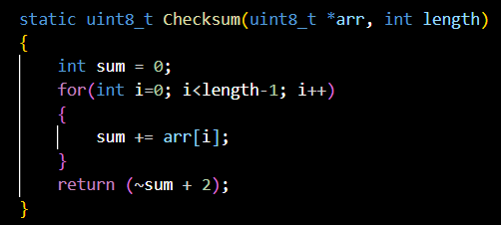
 | Frame1: Motor Info
 |  | byte0 | byte1 | byte2 | byte3 | byte4 | byte5
 | definition | "M" | "T" | "R" | motor position | number of product | Checksum
 | data type | char |  |  | decimal

 |  | Note: motor position = row*10 + column, row and column start from 0

STM to Raspberry

 | Frame2: RFID data
 |  | byte0 | byte1 | byte2 | byte3 | byte4 | … | byte18 | byte19
 | definition | "R" | "I" | "D" | RFID data (16 bytes) |  |  |  | Checksum
 | data type | char |  |  | hex

 | Frame3: Message |  |  |  |  |  |  |  |  | Message ID
 |  | byte0 | byte1 | byte2 | byte3 | byte4 |  |  |  | 0x00 | transaction completed
 | definition | "M" | "S" | "G" | Message ID | Checksum |  |  |  | 0x01 | warning: transaction completed but have to rotate a little bit
 | data type | char |  |  | hex |  |  |  |  | 0x02 | error: transaction can not completed

