Results
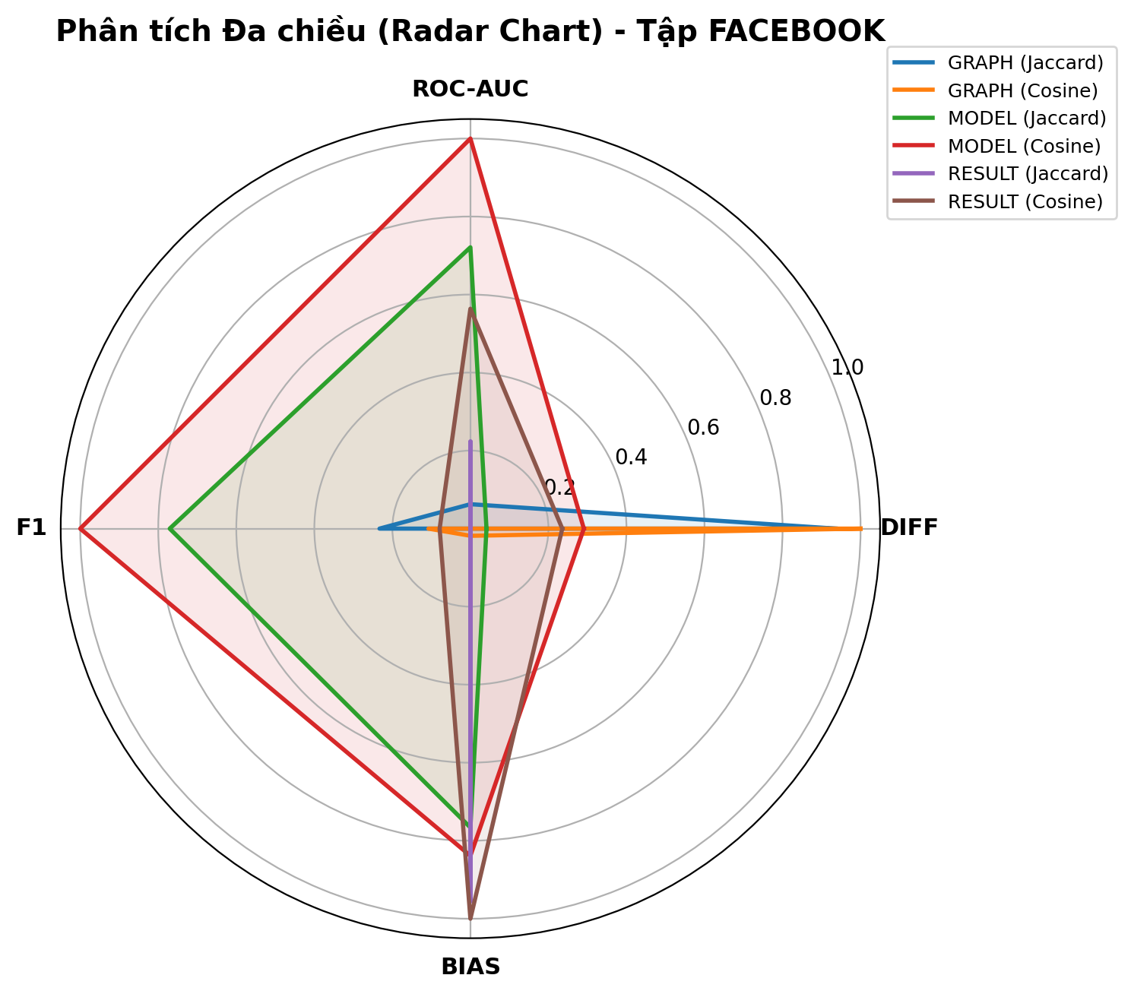
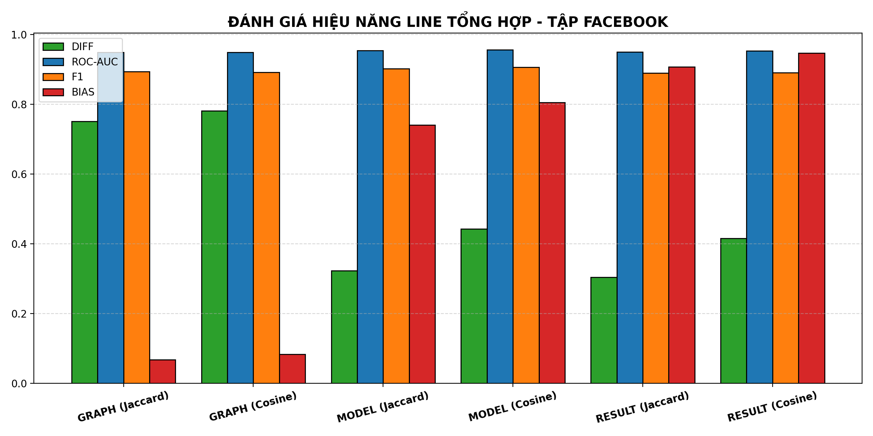
task | metric | diff | roc-auc | f1 | bias | label
GRAPH | Jaccard | 0.75088740899 | 0.94900485961 | 0.89356725146 | 0.067195735051 | GRAPH (Jaccard)
GRAPH | Cosine | 0.78114403998 | 0.94849155296 | 0.89152046784 | 0.083369644651 | GRAPH (Cosine)
MODEL | Jaccard | 0.32324148234 | 0.95439996238 | 0.90233918129 | 0.74101027652 | MODEL (Jaccard)
MODEL | Cosine | 0.44242358859 | 0.95668420711 | 0.90608187135 | 0.8047923726 | MODEL (Cosine)
RESULT | Jaccard | 0.30354260996 | 0.95032048152 | 0.88976608187 | 0.90721423868 | RESULT (Jaccard)
RESULT | Cosine | 0.41599726675 | 0.9531089053 | 0.89105263158 | 0.94655430922 | RESULT (Cosine)

