Sheet1
 |  |  |  |  |  |  |  | op_a_sel
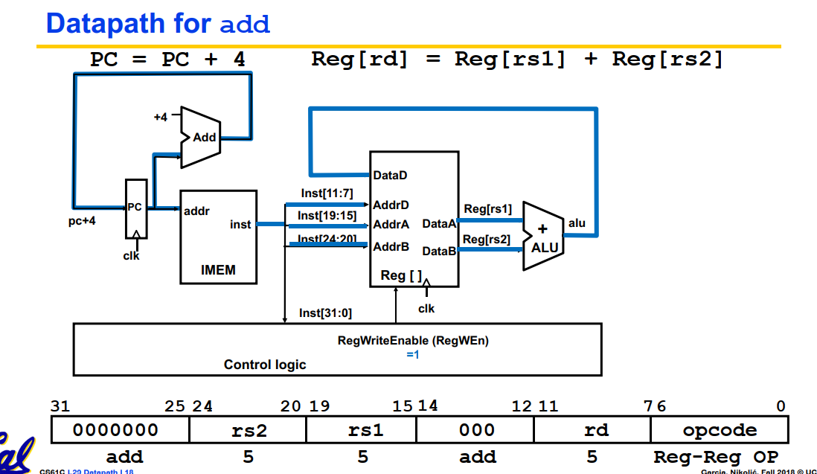
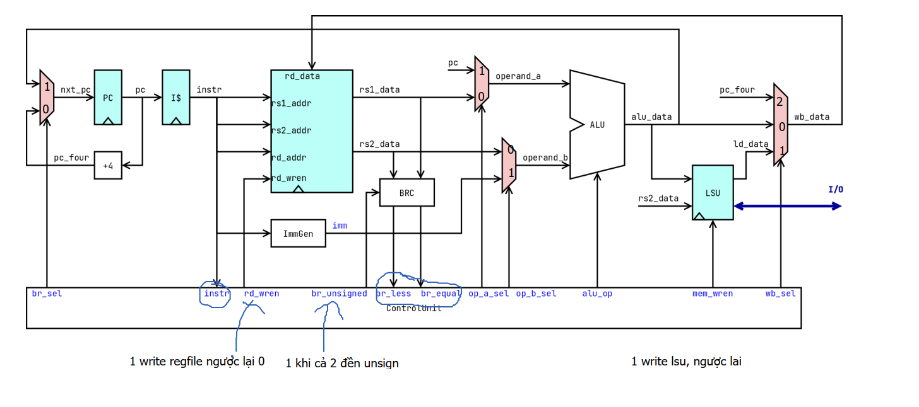

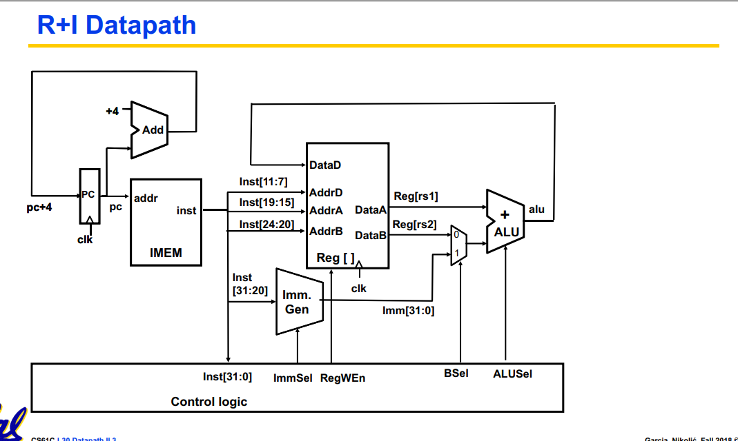
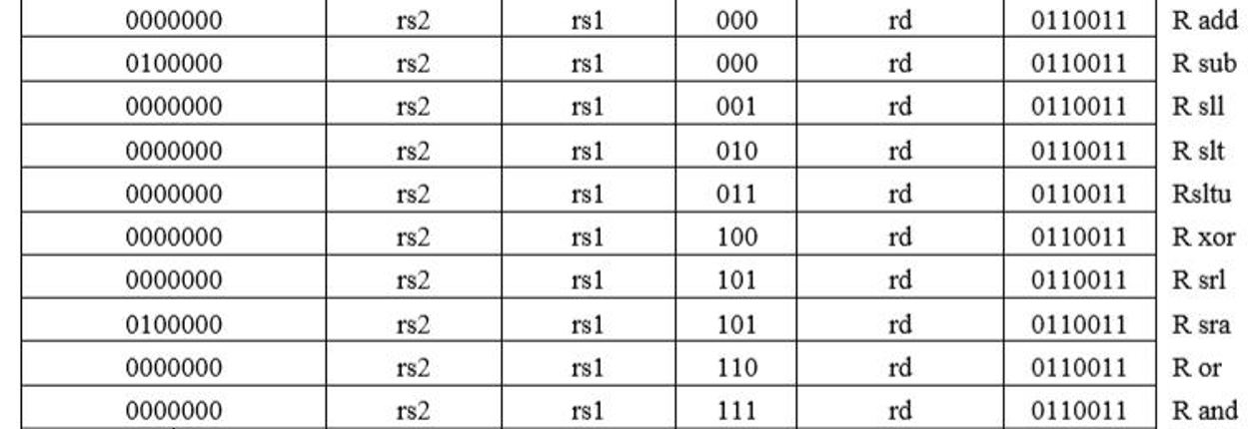
 |  |  |  |  |  |  |  |  |  |  |  |  |  |  | chọn tín hiệu load , store word half word
 |  |  | Phân biệt 2 lệnh bôi đỏ | chọn lệnh | chọn loại lệnh
STT | Format | command name | Inst[30] | inst[14:12] | inst[6:2] | Br_equal | br_less | br_sel | rd_wren | bl_unsigned | op_a_sel | op_b_sel | alu_op | mem_wren | sel_sw | sel_load | wb_sel
1 | R | ADD | 0 | 000 | 01100 | x | x | 0 | 1 | x | 0 | 0 | 0000 | 0 | x | x | 00
2 | R | SUB | 1 | 000 | 01100 | x | x | 0 | 1 | x | 0 | 0 | 0001 | 0 | x | x | 00
3 | R | SLL | 0 | 001 | 01100 | x | x | 0 | 1 | x | 0 | 0 | 0010 | 0 | x | x | 00
4 | R | SLT | 0 | 010 | 01100 | x | x | 0 | 1 | x | 0 | 0 | 0011 | 0 | x | x | 00
5 | R | SLTU | 0 | 011 | 01100 | x | x | 0 | 1 | x | 0 | 0 | 0100 | 0 | x | x | 00
6 | R | XOR | 0 | 100 | 01100 | x | x | 0 | 1 | x | 0 | 0 | 0101 | 0 | x | x | 00
7 | R | SRL | 0 | 101 | 01100 | x | x | 0 | 1 | x | 0 | 0 | 0110 | 0 | x | x | 00
8 | R | SRA | 1 | 101 | 01100 | x | x | 0 | 1 | x | 0 | 0 | 0111 | 0 | x | x | 00
9 | R | OR | 0 | 110 | 01100 | x | x | 0 | 1 | x | 0 | 0 | 1000 | 0 | x | x | 00
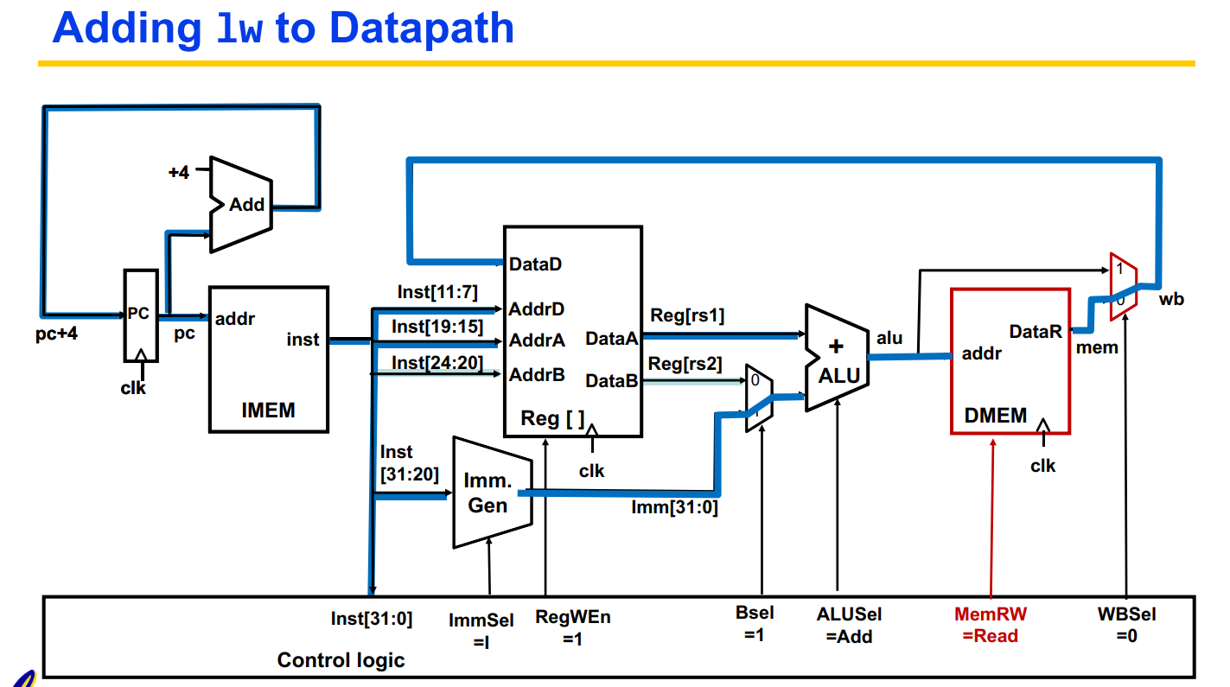
10 | R | AND | 0 | 111 | 01100 | x | x | 0 | 1 | x | 0 | 0 | 1001 | 0 | x | x | 00
 |  |  |  |  |  | x | x | 0 |  |  |  |  |  |  | x
11 | I | ADDI | x | 000 | 00100 | x | x | 0 | 1 | x | 0 | 1 | 0000 | 0 | x | x | 00
12 | I | SLTI | x | 010 | 00100 | x | x | 0 | 1 | x | 0 | 1 | 0011 | 0 | x | x | 00
13 | I | SLTIU | x | 011 | 00100 | x | x | 0 | 1 | x | 0 | 1 | 0100 | 0 | x | x | 00
14 | I | XORI | x | 100 | 00100 | x | x | 0 | 1 | x | 0 | 1 | 0101 | 0 | x | x | 00
15 | I | ORI | x | 110 | 00100 | x | x | 0 | 1 | x | 0 | 1 | 1000 | 0 | x | x | 00
16 | I | ANDI | x | 111 | 00100 | x | x | 0 | 1 | x | 0 | 1 | 1001 | 0 | x | x | 00
17 | I | SLLI | 0/x | 001 | 00100 | x | x | 0 | 1 | x | 0 | 1 | 0010 | 0 | x | x | 00
18 | I | SRLI | 0 | 101 | 00100 | x | x | 0 | 1 | x | 0 | 1 | 0110 | 0 | x | x | 00
19 | I | SRAI | 1 | 101 | 00100 | x | x | 0 | 1 | x | 0 | 1 | 0111 | 0 | x | x | 00

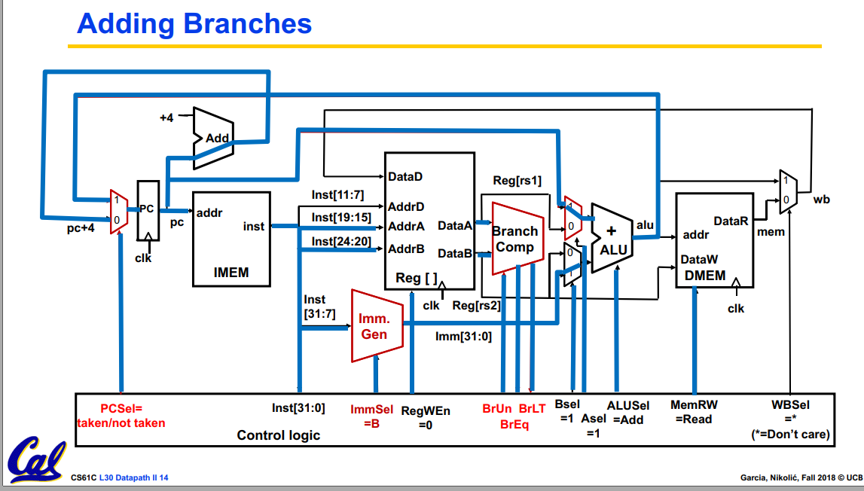
20 | I | LB | x | 000 | 00000 | x | x | 0 | 1 | x | 0 | 1 | 0000 | 0 | x | 000 | 00
21 | I | LH | x | 001 | 00000 | x | x | 0 | 1 | x | 0 | 1 | 0000 | 0 | x | 001 | 00
22 | I | LW | x | 010 | 00000 | x | x | 0 | 1 | x | 0 | 1 | 0000 | 0 | x | 010 | 00
23 | I | LBU | x | 100 | 00000 | x | x | 0 | 1 | x | 0 | 1 | 0000 | 0 | x | (011)100 | 00
24 | I | LHU | x | 101 | 00000 | x | x | 0 | 1 | x | 0 | 1 | 0000 | 0 | x | 101 | 00
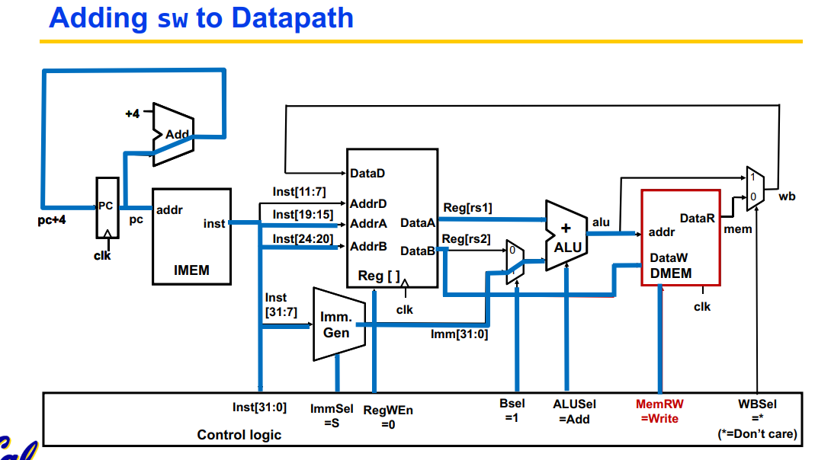
25 | S | SB | x | 000 | 01000 | x | x | 0 | 0 | x | 0 | 1 | 0000 | 1 | 00 | x | x
26 | S | SH | x | 001 | 01000 | x | x | 0 | 0 | x | 0 | 1 | 0000 | 1 | 01 | x | x
27 | S | SW | x | 010 | 01000 | x | x | 0 | 0 | x | 0 | 1 | 0000 | 1 | 10 | x | x

28 | B | BEQ | x | 000 | 11000 | 0 | x | 0 | 0 | x | 1 | 1 | 0000 | 0 | x | x | x
 |  |  |  |  |  | 1 | x | 1
29 | B | BNE | x | 001 | 11000 | 0 | x | 0 | 0 | x | 1 | 1 | 0000 | 0 | x | x | x
 |  |  |  |  |  | 1 | x | 1
30 | B | BLT | x | 100 | 11000 | x | 0 | 0 | 0 | 0 | 1 | 1 | 0000 | 0 | x | x | x
 |  |  |  |  |  | x | 1 | 1
31 | B | BGE | x | 101 | 11000 | x | 0 | 1 | 0 | 0 | 1 | 1 | 0000 | 0 | x | x | x
 |  |  |  |  |  | x | 1 | 0
32 | B | BLTU | x | 110 | 11000 | x | 0 | 0 | 0 | 1 | 1 | 1 | 0000 | 0 | x | x | x
 |  |  |  |  |  | x | 1 | 1
33 | B | BGEU | x | 111 | 11000 | x | 0 | 1 | 0 | 1 | 1 | 1 | 0000 | 0 | x | x | x
 |  |  |  |  |  | x | 1 | 0

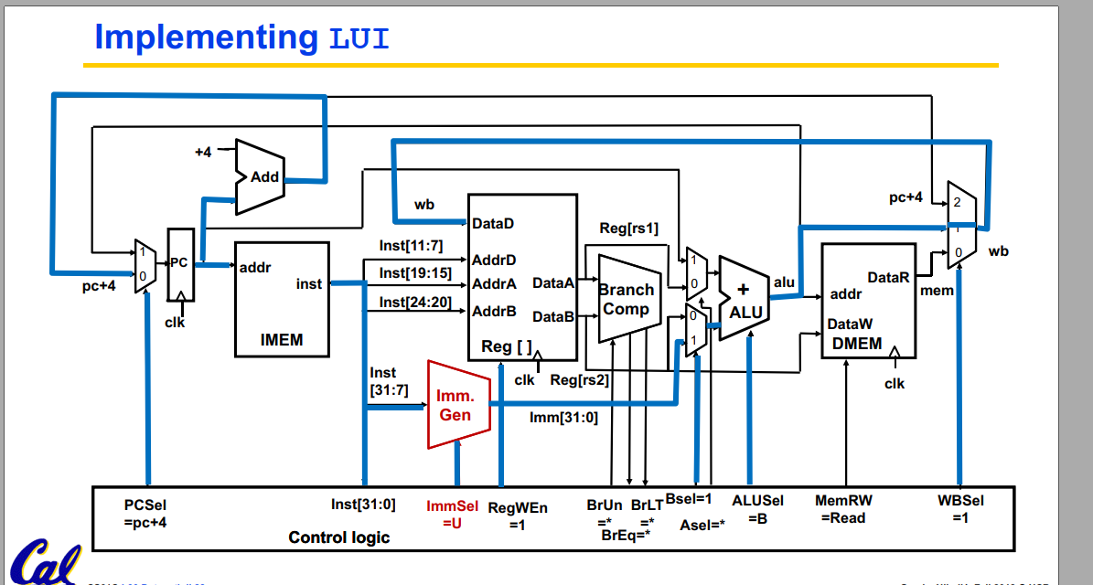
34 | U | LUI | x | x | 01101 | x | x | 0 | 1 | x | x | 1 | 1010 | 0 | x | x | 00
35 | U | AUIPC | x | x | 00101 | x | x | 0 | 1 | x | 1 | 1 | 0000 | 0 | x | x | 00

36 | J | JAL | x | x | 11011 | x | x | 1 | 1 | x | 1 | 1 | 0000 | 0 | x | x | 10
37 | J | JALR | x | 000 | 11001 | x | x | 1 | 1 | x | 0 | 1 | 0000 | 0 | x | x | 10

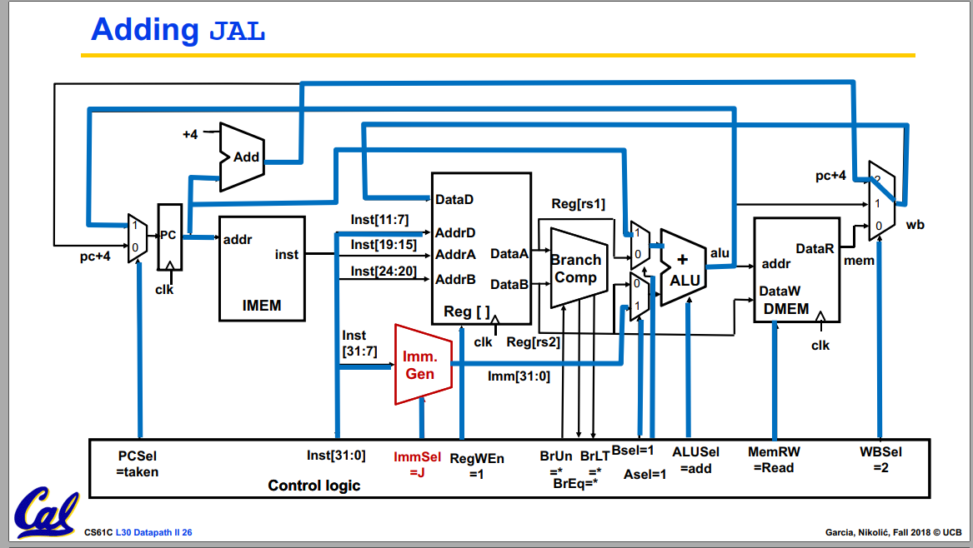
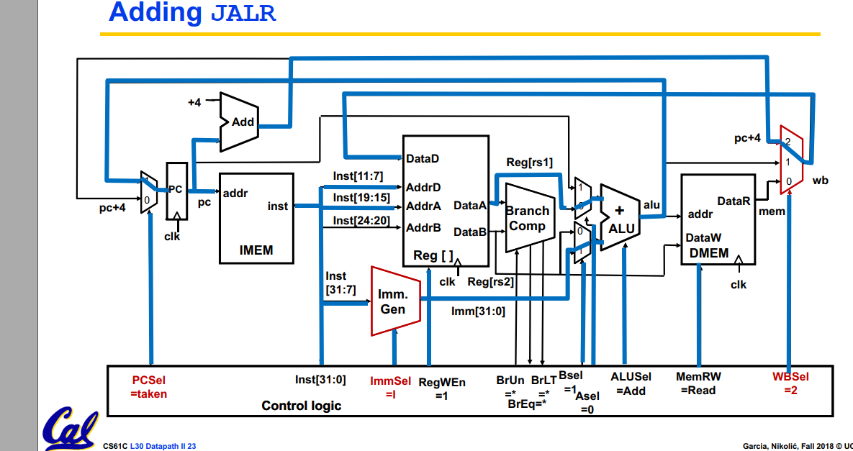
 |  |  |  |  |  |  |  |  | lui alu quăng data ra trưc tiếp

