Tabelle1
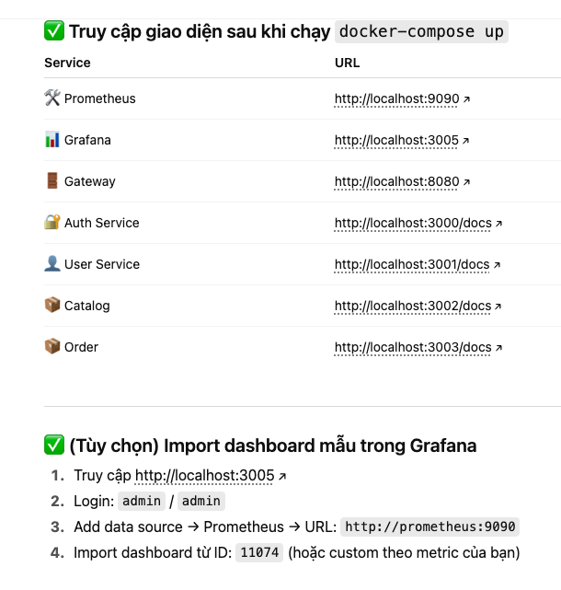
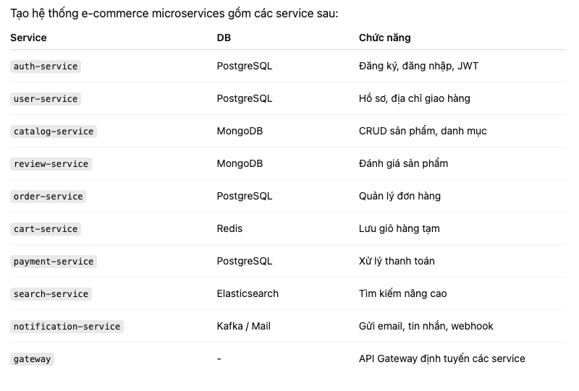

Each service is a separate app.
the auth-service usesthe synchronize mechanism (http) to communicate with the user-service

