freq curve
USGS 04027000 BAD RIVER NEAR ODANAH, WI
 | curve |  | log ticks |  | prob ticks |  | points |  | 5% limit |  | 95% limit |  | expected prob
1.910 | 4.530 | 9 | 3.00 | 8.719 | 5 | 2.754 | 4.442 | 1.910 | 4.634 | 1.910 | 4.447 | 1.992 | 4.530
2.122 | 4.482 | 9 | 3.30 | 8.090 | 5 | 3.035 | 4.314 | 2.122 | 4.581 | 2.122 | 4.405 | 2.730 | 4.361
2.424 | 4.416 | 9 | 3.48 | 7.878 | 5 | 3.214 | 4.303 | 2.424 | 4.505 | 2.424 | 4.345 | 3.385 | 4.216
2.674 | 4.361 | 9 | 3.60 | 7.326 | 5 | 3.349 | 4.217 | 2.674 | 4.443 | 2.674 | 4.296 | 3.736 | 4.139
2.946 | 4.303 | 9 | 3.70 | 7.054 | 5 | 3.460 | 4.167 | 2.946 | 4.377 | 2.946 | 4.243 | 4.482 | 3.984
3.249 | 4.238 | 9 | 3.78 | 6.645 | 5 | 3.554 | 4.164 | 3.249 | 4.304 | 3.249 | 4.184 | 5.000 | 3.879
3.355 | 4.216 | 9 | 3.85 | 6.282 | 5 | 3.637 | 4.155 | 3.355 | 4.279 | 3.355 | 4.164
3.718 | 4.139 | 9 | 3.90 | 5.842 | 5 | 3.711 | 4.140 | 3.718 | 4.194 | 3.718 | 4.094
4.158 | 4.049 | 9 | 3.95 | 5.524 | 5 | 3.779 | 4.140 | 4.158 | 4.094 | 4.158 | 4.009
4.476 | 3.984 | 9 | 4.00 | 5.253 | 5 | 3.842 | 4.114 | 4.476 | 4.025 | 4.476 | 3.947
4.747 | 3.930 | 9 | 4.30 | 5.000 | 5 | 3.901 | 4.107 | 4.747 | 3.968 | 4.747 | 3.893
5.000 | 3.879 | 9 | 4.48 | 4.747 | 5 | 3.956 | 4.093 | 5.000 | 3.916 | 5.000 | 3.842
5.253 | 3.829 | 9 | 4.60 | 4.476 | 5 | 4.008 | 4.086 | 5.253 | 3.866 | 5.253 | 3.791
5.524 | 3.777 | 9 | 4.70 | 4.158 | 5 | 4.057 | 4.086 | 5.524 | 3.814 | 5.524 | 3.735
5.842 | 3.716 | 9 | 4.78 | 3.718 | 5 | 4.104 | 4.068 | 5.842 | 3.756 | 5.842 | 3.670
6.282 | 3.632 | 9 | 4.85 | 3.355 | 5 | 4.150 | 4.061 | 6.282 | 3.678 | 6.282 | 3.578
6.645 | 3.565 | 9 | 4.90 | 2.946 | 5 | 4.193 | 4.061 | 6.645 | 3.615 | 6.645 | 3.503
7.054 | 3.490 | 9 | 4.95 | 2.674 | 5 | 4.235 | 4.049 | 7.054 | 3.547 | 7.054 | 3.419
7.326 | 3.441 | 9 | 5.00 | 2.424 | 5 | 4.276 | 4.041 | 7.326 | 3.503 | 7.326 | 3.364
 |  |  |  | 2.122 | 5 | 4.316 | 4.029
 |  |  |  | 1.910 | 5 | 4.354 | 4.029
 |  |  |  | 1.709 | 5 | 4.392 | 4.004
 |  |  |  | 1.281 | 5 | 4.429 | 4.004
 |  |  |  |  |  | 4.465 | 3.996
 |  |  |  |  |  | 4.500 | 3.985
 |  |  |  |  |  | 4.535 | 3.966
 |  |  |  |  |  | 4.569 | 3.934
 |  |  |  |  |  | 4.603 | 3.928
 |  |  |  |  |  | 4.636 | 3.916
 |  |  |  |  |  | 4.669 | 3.915
 |  |  |  |  |  | 4.702 | 3.913
 |  |  |  |  |  | 4.734 | 3.913
 |  |  |  |  |  | 4.766 | 3.904
 |  |  |  |  |  | 4.797 | 3.904
 |  |  |  |  |  | 4.829 | 3.903
 |  |  |  |  |  | 4.860 | 3.884
 |  |  |  |  |  | 4.891 | 3.884
 |  |  |  |  |  | 4.923 | 3.880
 |  |  |  |  |  | 4.954 | 3.868
 |  |  |  |  |  | 4.985 | 3.865
 |  |  |  |  |  | 5.015 | 3.857
 |  |  |  |  |  | 5.046 | 3.856
 |  |  |  |  |  | 5.077 | 3.854
 |  |  |  |  |  | 5.109 | 3.852
 |  |  |  |  |  | 5.140 | 3.841
 |  |  |  |  |  | 5.171 | 3.833
 |  |  |  |  |  | 5.203 | 3.831
 |  |  |  |  |  | 5.234 | 3.825
 |  |  |  |  |  | 5.266 | 3.824
 |  |  |  |  |  | 5.298 | 3.816
...

Plate I
In general, read skew from contours (called "isopleths").
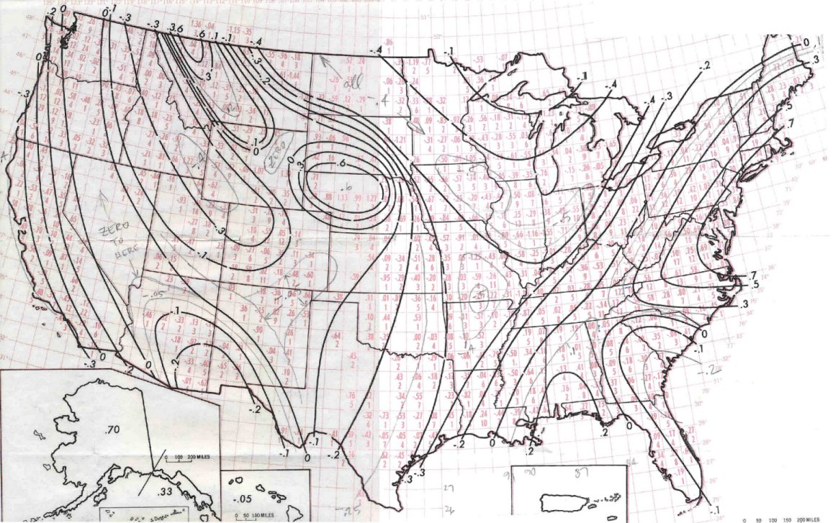
Avg skew
# stations
included

