Cover
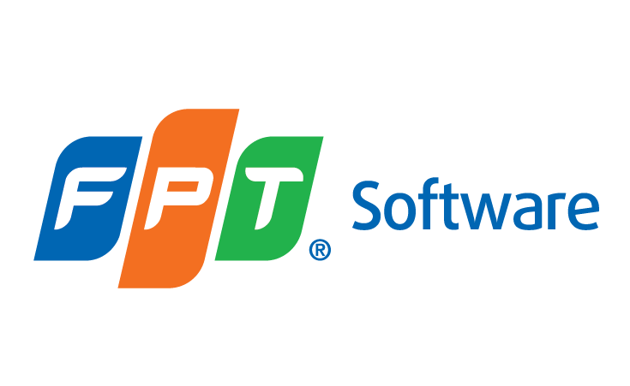

Template

TRAINING TOPIC SYLLABUS

 | Document Code
 | Version | 1.0
 | Effective Date

