Sheet1
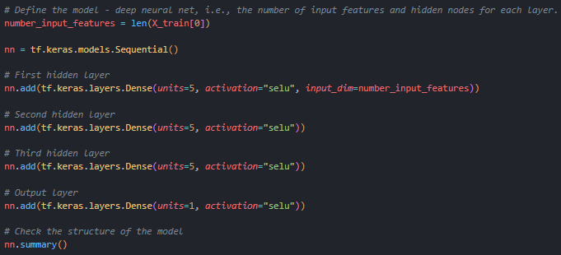
Linear Regression Results

Random Forest Results

Neural Network Results

Neural Network Structure Testing
Layers Tested | Neurons Tested | Activation Functions Tested | Epochs Tested | Loss Tested | Metric Tested
1 | 5 | relu | 100 | Binary Crossentropy | Accuracy
2 | 10 | sigmoid | 250 | MSE | MAE
3 | 15 | elu | 500 |  | Rsquare
4 | 20 | selu | 600
5 | 25 | softmax | 525
**** Best Performance in Green ****

Neural Network Testing Examples
#1
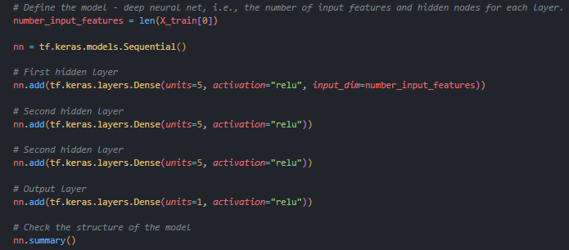

#2
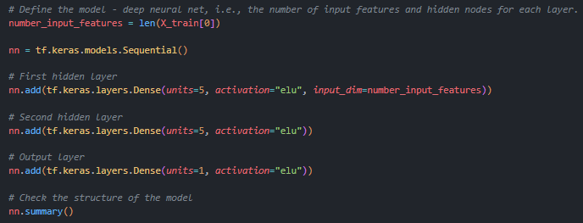

#3
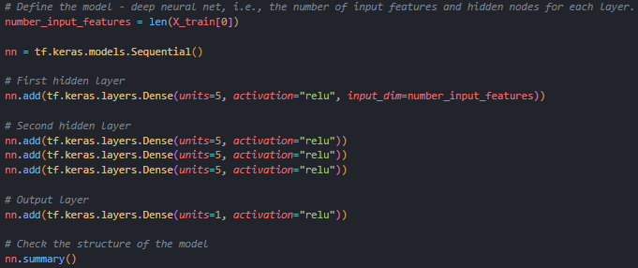

#4 Best Model

