Sheet1
Task 1 |  | Fault result becasuse of code error

NG | NEA | MOVD | SPA | HV | PO | SPR | IGD | IGD+ | TT
95000 | 500 | 0.086521787211 | 0.49910153438 | 6.30E+169 | 0.73214285714 | 7.5823301001 | 0.086521787211 | 2.0653702733 | 100000
90000 | 1000 | 0.27696409892 | 0.68601822696 | 3.25E+161 | 0.65891472868 | 12.707936958 | 0.27696409892 | 3.6346836896 | 100000
70000 | 3000 | 0.091576175212 | 0.32267838371 | 1.39E+202 | 0.6993006993 | 5.5979667324 | 0.091576175212 | 1.7678472615 | 100000
50000 | 5000 | 0.16872495605 | 0.60547632873 | 2.89E+131 | 0.70175438596 | 13.365438943 | 0.16872495605 | 2.0017024876 | 100000
30000 | 7000 | 0.10880792731 | 0.29414127644 | 1.26E+272 | 0.7688172043 | 13.421506909 | 0.10880792731 | 2.2879917287 | 100000
10000 | 9000 | 0.033541950391 | 0.36959946498 | 1.77E+252 | 0.69696969697 | 5.0710796441 | 0.033541950391 | 1.1271556612 | 100000
5000 | 9500 | 0.093854023785 | 0.48678207491 | 3.65E+178 | 0.75352112676 | 17.303842894 | 0.093854023785 | 2.1341908235 | 100000

SPA PO IGD

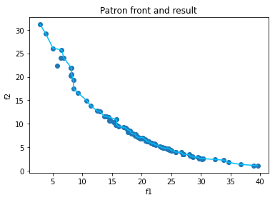
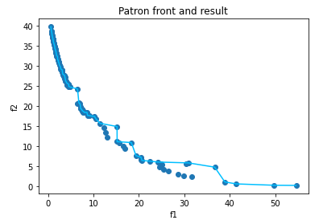
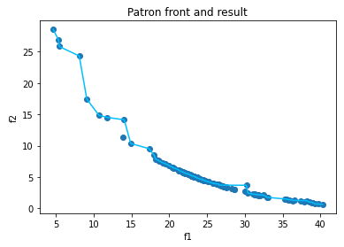

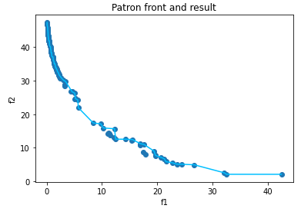
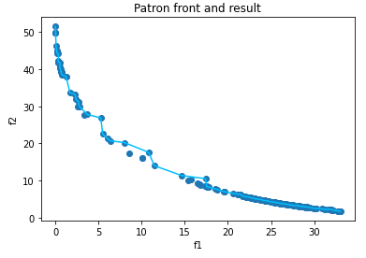
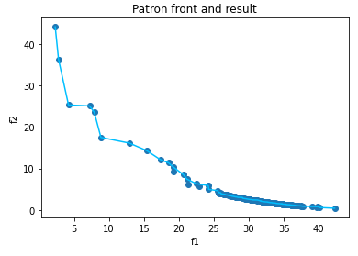

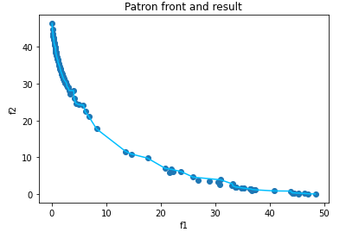

This is a figure to show the pareto front and the result in the set
The order (Ordered by NG):
95000 90000 70000
50000 30000 10000
5000

 | Task 1

 | NG | NEA | MOVD | SPA | HV | PO | SPR | IGD | IGD+ | TT
 | 95000 | 500 | 0.13022797265 | 0.4495907043 | 3.16E+191 | 0.66037735849 | 16.212162746 | 0.13022797265 | 2.3533437619 | 100000
 | 90000 | 1000 | 0.25825188678 | 0.50797283308 | 6.50E+137 | 0.62809917355 | 17.83810664 | 0.25825188678 | 3.212554674 | 100000
 | 70000 | 3000 | 0.11197888339 | 0.43007263553 | 6.99E+233 | 0.78651685393 | 20.679781181 | 0.11197888339 | 2.7715116037 | 100000
 | 50000 | 5000 | 0.12190961949 | 0.61857048936 | 4.32E+67 | 0.72727272727 | 7.7295255519 | 0.12190961949 | 1.922096913 | 100000
 | 30000 | 7000 | 0.15653694948 | 0.75481914822 | 1.73E+102 | 0.73684210526 | 25.634674918 | 0.15653694948 | 1.5143691136 | 100000
 | 10000 | 9000 | 0.093960211114 | 0.33466764929 | 5.16E+269 | 0.71495327103 | 18.911725076 | 0.093960211114 | 3.4162424538 | 100000
 | 5000 | 9500 | 0.096217337085 | 0.33579218897 | 1.19E+238 | 0.68899521531 | 21.802831771 | 0.096217337085 | 1.3254956188 | 100000

SPA PO IGD

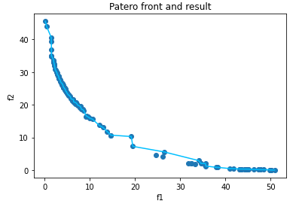
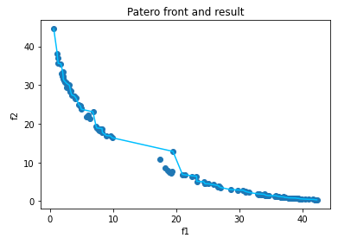
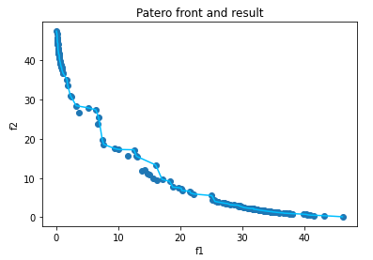

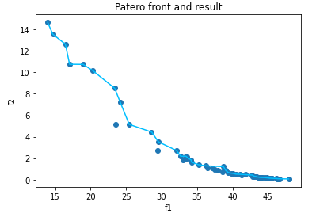

The Order Of the figure :
95000 90000 70000
50000
30000 10000 5000
The figure is the result of patero front and result

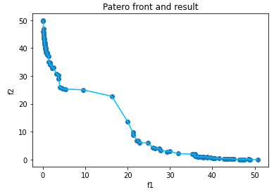
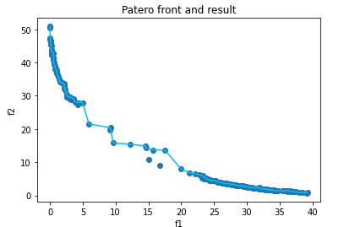
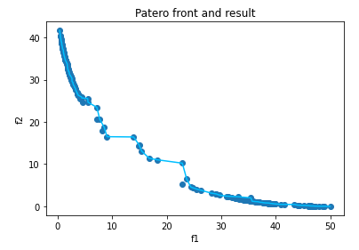

 |  | Task 2

 |  | NG | NEA | MOVD | SPA | HV | PO | SPR | IGD | IGD+ | TT
 |  | 10000 | 1000 | 0.1934436066 | 0.44560817324 | 1.30E+144 | 0.60869565217 | 19.364177556 | 0.1934436066 | 1.6331317952 | 20000
 |  | 30000 | 1000 | 0.08434209599 | 0.52211446314 | 8.66E+234 | 0.73076923077 | 8.5971228746 | 0.08434209599 | 1.5127888382 | 40000
 |  | 50000 | 1000 | 0.23923161852 | 0.59903669225 | 2.74E+115 | 0.640625 | 23.473060984 | 0.23923161852 | 1.9453589408 | 60000
 |  | 100000 | 1000 | 0.21075263072 | 0.58743236777 | 3.36E+176 | 0.68055555556 | 18.524781408 | 0.21075263072 | 3.0637682894 | 110000
 |  | 150000 | 1000 | 0.091501287283 | 0.42578737001 | 1.68E+235 | 0.72670807453 | 12.482521121 | 0.091501287283 | 1.0156964638 | 160000
 |  | 200000 | 1000 | 0.15006354979 | 0.39684520369 | 5.18E+243 | 0.71508379888 | 9.7048190178 | 0.15006354979 | 2.8283681351 | 210000
 |  | 500000 | 1000 | 0.15555126796 | 0.39210382027 | 3.59E+179 | 0.70833333333 | 11.024013931 | 0.15555126796 | 2.2002110108 | 510000

SPA PO IGD

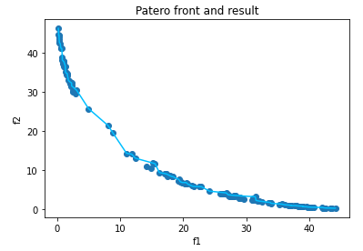
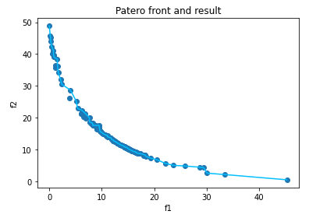
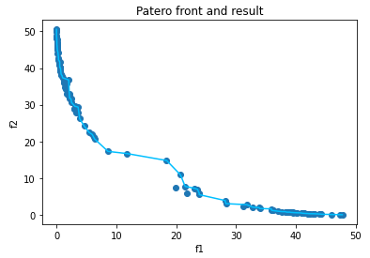

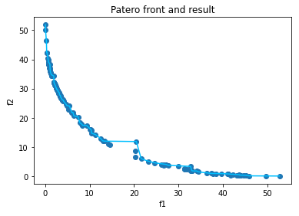

The Order Of the figure :
10000 30000 50000
100000
150000 200000 500000
The figure is the result of patero front and result

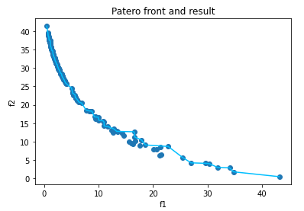
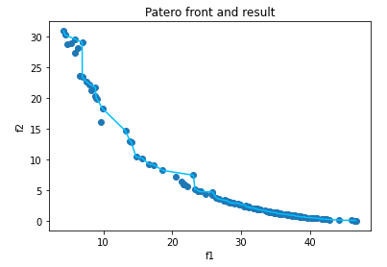
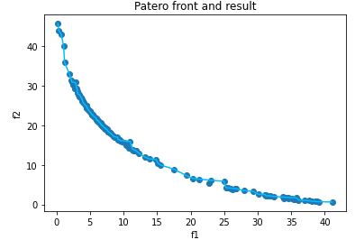

 |  | Task 3

 |  | MOVD | SPA | HV | PO | SPR | IGD | IGD+
 |  | 0.080935367567 | 0.33329177739 | 3.87E+289 | 0.75111111111 | 17.310531643 | 0.080935367567 | 2.6683785017 | Tools
 |  | 0.13478778772 | 0.49408784218 | 1.20E+185 | 0.69784172662 | 16.380845398 | 0.13478778772 | 2.839415925 | Sort and Search
 |  | 0.25960066346 | 0.63343542373 | 3.05E+148 | 0.63076923077 | 20.200938043 | 0.25960066346 | 2.1406805309 | Random Generate

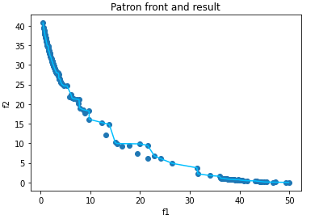
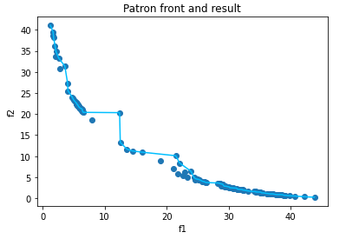
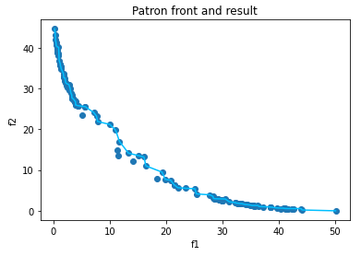

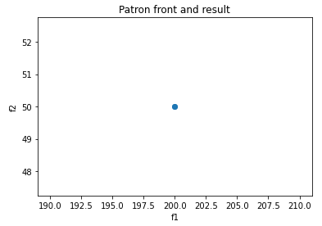

SPA PO IGD
SPA | 0.33329177739 | 0.49408784218 | 0.63343542373
PO | 0.75111111111 | 0.69784172662 | 0.63076923077
IGD | 0.080935367567 | 0.13478778772 | 0.25960066346

