Feuil1
depth (m) | Fo (F') (Fb in MS) | Fm (Fm') | F'BLK (Fr in MS) | aver BLK | Fv/Fm | Fv/Fm ave | std | n | sigma | NOTE:
1 | 1.551 | 1.732 | 0.528 | 0.4974 | 0.39168591224 | 0.40460784098 | 0.0098095501938 | 6 |  | This is the Fv/Fm recorded in July 2017 (which coincide with what was recorded in previous year in July, during practicum course with the student)
 | 1.515 | 1.728 | 0.5366 |  | 0.41111111111
 | 1.518 | 1.726 | 0.5071 |  | 0.40869061414
 | 1.547 | 1.728 | 0.4832 |  | 0.39259259259 |  |  |  |  | Fv/Fm was 03-0.4 at 11-12m
 | 1.511 | 1.729 | 0.4657 |  | 0.41376518219 |  |  |  |  | Looking at CTD from July 2017
 | 1.509 | 1.714 | 0.4638 |  | 0.40980163361
2 | 1.221 | 1.893 | 0.38535833333 | 0.38535833333 | 0.55856224687 | 0.55967238477 | 0.0053007581275 | 4
 | 1.096 | 1.597 |  |  | 0.55501461073
 | 0.9907 | 1.393 |  |  | 0.56544029672

 |  |  |  |  |  |  |  |  |  | Looking at you Sfig, yes,then these cyano bacteria are active until 15m in august, resulkting in potential underestimation of PP that was not measured below 11m…

3 | 1.03 | 1.658 | 0.28 | 0.27331666667 | 0.5436168074 | 0.54168515142 | 0.0066470448242 | 6 |  | Images from CTD |  | You have a 1 m shift in peak of Chl a due to light availability, which illustrate that weather conditions can alter lake structure
 | 1.034 | 1.66 | 0.2807 |  | 0.54175702811
 | 1.044 | 1.662 | 0.2666 |  | 0.53629161653 |  |  |  |  | 4th July 2017 9am (top) noon (bottom)
 | 1.044 | 1.665 | 0.2666 |  | 0.53712712713
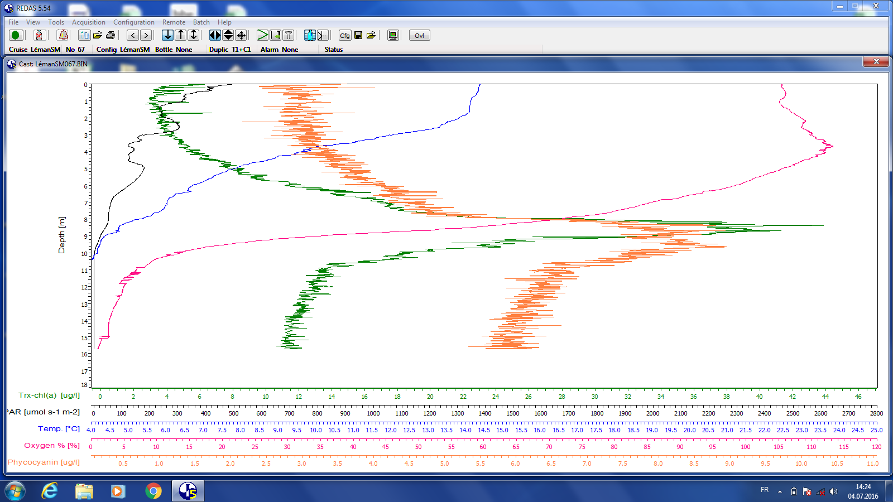
 | 1.025 | 1.685 | 0.2738 |  | 0.55389713155
 | 1.056 | 1.692 | 0.2722 |  | 0.53742119779
4 | 1.196 | 1.93 | 0.3251 | 0.31771666667 | 0.54493091537 | 0.55120074494 | 0.012023766913 | 6
 | 1.191 | 1.899 | 0.3192 |  | 0.54013515886
 | 1.232 | 1.976 | 0.3205 |  | 0.5373060054
 | 1.183 | 1.951 | 0.3116 |  | 0.55649239706
 | 1.168 | 1.957 | 0.3142 |  | 0.56551694771
 | 1.203 | 2.025 | 0.3157 |  | 0.56282304527
5 | 1.05 | 1.597 | 0.3567 | 0.36008333333 | 0.56799206846 | 0.51838462759 | 0.0295499446 | 5
 | 1.367 | 2.061 | 0.3624 |  | 0.51144266537
 | 1.403 | 2.068 | 0.3647 |  | 0.49568826564
 | 1.29 | 1.848 | 0.3574 |  | 0.49679834055
 | 1.25 | 1.854 | 0.3576 |  | 0.52000179791
 |  |  | 0.3617
6 | 1.027 | 1.597 | 0.333 | 0.33084 | 0.56408265498 | 0.55031388366 | 0.016983508551 | 6
 | 1.022 | 1.585 | 0.3294 |  | 0.56393690852
 | 1.112 | 1.768 | 0.3218 |  | 0.55816742081
 | 1.155 | 1.814 | 0.3358 |  | 0.54566703418
 | 1.081 | 1.671 | 0.3342 |  | 0.55107121484
 | 1.088 | 1.574 |  |  | 0.51895806861
7 | 1.262 | 2.053 | 0.3789 | 0.37666666667 | 0.56876116253 | 0.56696520805 | 0.01036001836 | 6
 | 1.299 | 2.144 | 0.3721 |  | 0.56980721393
 | 1.297 | 2.141 | 0.3874 |  | 0.57013856453
 | 1.316 | 2.094 | 0.3629 |  | 0.55141674626
 | 1.276 | 2.043 | 0.3896 |  | 0.55979768315
 | 1.21 | 1.993 | 0.3691 |  | 0.58186987791
8 | 2.147 | 3.738 | 0.5065 | 0.50916666667 | 0.56184233993 | 0.55304084991 | 0.010697352571 | 6
 | 2.27 | 3.864 | 0.504 |  | 0.54429779158
 | 2.063 | 3.465 | 0.515 |  | 0.55156325156
 | 2.055 | 3.5 | 0.5085 |  | 0.55833333333
 | 2.142 | 3.529 | 0.5131 |  | 0.53730990838
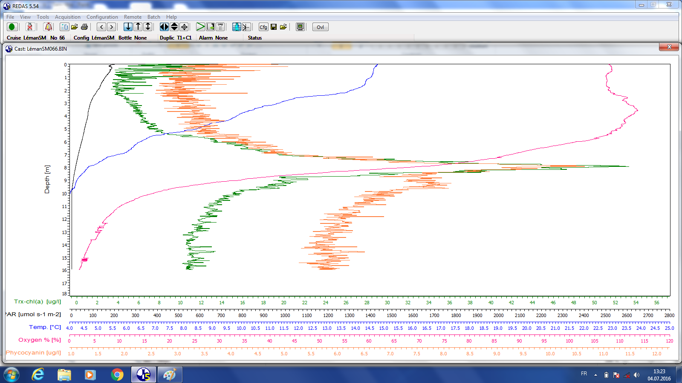
 | 2.002 | 3.431 | 0.5079 |  | 0.56489847469
9 | 4.389 | 8.277 | 0.5786 | 0.55171666667 | 0.53639200999 | 0.53401610714 | 0.0036372012974 | 6
 | 4.296 | 8.002 | 0.5647 |  | 0.53208156294
 | 4.256 | 7.987 | 0.5735 |  | 0.53621092609
 | 4.391 | 8.132 | 0.5116 |  | 0.52787957042
 | 4.377 | 8.276 | 0.5342 |  | 0.53778596746
 | 4.444 | 8.348 | 0.5477 |  | 0.53374660597
10 | 6.867 | 13.13 | 0.6708 | 0.65323333333 | 0.52675044428 | 0.5198983661 | 0.0051243418108 | 5
 | 6.712 | 12.54 | 0.6626 |  | 0.51684476342
 | 6.844 | 12.8 | 0.7104 |  | 0.51634635417
 | 6.995 | 13.09 | 0.5535 |  | 0.5155258467
 | 6.76 | 12.83 | 0.6635 |  | 0.52402442193
 |  |  | 0.6586
11 | 5.017 | 9.458 | 0.4436 | 0.4538 | 0.51753013322 | 0.52585819707 | 0.006672878701 | 6 | 3.4
 | 4.937 | 9.342 | 0.4418 |  | 0.52010276172
 | 4.88 | 9.282 | 0.45 |  | 0.52314156432
 | 4.857 | 9.339 | 0.4679 |  | 0.52851483028
 | 4.874 | 9.498 | 0.4531 |  | 0.53461781428
 | 4.892 | 9.468 | 0.4664 |  | 0.53124207858
13 | 6.714 | 12.99 | 0.5743 | 0.60825 | 0.52996535797 | 0.52492070939 | 0.0054690981606 | 5
 | 6.809 | 13.14 | 0.6149 |  | 0.52810121766
 | 6.999 | 13.35 | 0.5968 |  | 0.52129213483
 | 6.958 | 13.15 | 0.6201 |  | 0.51712927757
 | 6.856 | 13.24 | 0.6422 |  | 0.52811555891
 |  |  | 0.6012
13.5 | 10.97 | 19.81 | 0.5779 | 0.52626666667 | 0.47280498065 | 0.4877256187 | 0.0092547374438 | 5
 | 10.69 | 19.72 | 0.5257 |  | 0.48459770115
 | 10.53 | 19.75 | 0.5011 |  | 0.49348185654
 | 10.49 | 19.72 | 0.5616 |  | 0.49473968898
 | 10.58 | 19.83 | 0.4917 |  | 0.4930038662
 |  |  | 0.4996
14 | 67.39 | 119.3 | 1.089 | 1.0941666667 | 0.44429309863 | 0.45513733707 | 0.0076383680069 | 6
 | 66.71 | 119.3 | 1.065 |  | 0.44999301481 |  |  |  |  | In july 2016, I had measureable Fv/M until 12,.5 albeit low 0.25 and ca 0.05-0.1 at 13m. |  |  |  |  |  | It seems that this layer of cyanobacteria is going deeper in 2017…
 | 66.22 | 118.8 | 1.066 |  | 0.45180274972
 | 65.62 | 119.3 | 1.118 |  | 0.45912964515 |  |  |  |  | You cyanobactera layer is active under extremely low light and low DO level, but we cannot say how efficient their are in fixing C as we do not have PP
 | 65.33 | 119.3 | 1.1 |  | 0.46156049176
 | 64.98 | 119.2 | 1.127 |  | 0.46404502237 |  |  |  |  | I wonder what typoe of cyano is that??? What says the rDNA???
14.5 | 24.43 | 39.37 | 0.732 | 0.72745 | 0.39795402591 | 0.40553803551 | 0.009086389436 | 6
 | 22.87 | 36.88 | 0.709 |  | 0.39960547722 |  |  |  |  | Note that the signal of basal fuorescence if huge, the residual is what is usually seen in previous year in the chemicline, but the basal in 2017/2016-July is ca 1.5
 | 21.39 | 34.32 | 0.7234 |  | 0.39794434732 |  |  |  |  | July 2017 | 12m | STD | n
 | 18.1 | 29.28 | 0.7037 |  | 0.40667520492 |  |  |  |  | Fr | 0.28 | 0.01 | 6
 | 16.08 | 26.02 | 0.6619 |  | 0.40997117602 |  |  |  |  | Fb | 4.07 | 0.8 | 6
 | 14.61 | 23.98 | 0.8347 |  | 0.42107798165 |  |  |  |  | Fv/Fm | 0.431 | 0.004 | 6
15 | 20.91 | 31.21 | 0.6368 | 0.67045 | 0.35150432554 | 0.35646475017 | 0.012649629016 | 5 |  |  | 11m
 | 19.5 | 28.76 | 0.7295 |  | 0.34528685675 |  |  |  |  | Fr | 0.32 | 0.01 | 6
 | 18.43 | 27.14 | 0.699 |  | 0.34563190862 |  |  |  |  | Fb | 8.49 | 0.008 | 6
 | 20.75 | 31.98 | 0.7156 |  | 0.37212163852 |  |  |  |  | Fv/Fm | 0.416 | 0.002 | 6
 | 20.44 | 31.27 | 0.6365 |  | 0.36777902143
 |  |  | 0.6053
16 | 10.1 | 10.1 |  |  | Not detected | 0 |  |  |  | This layer is already thus active in july but deeper in August
 | 9.953 | 9.953
 | 7.45 | 7.45 |  |  |  |  |  |  |  | In the chemocline. Because light level is low, the PP estimated using FrrF data will be low as PAR enters in the formula
 | 5.07 | 5.07 |  |  |  |  |  |  |  | we could use dark-adapted signal at light 0 data from FrrF and use in-situ light level measured
 | 7.739 | 7.739 |  |  |  |  |  |  |  | this is not truly academic and fairly wrong for cyano that rely on PSI (which is not measured here by the FrrF)
 | 10.03 | 10.03
 |  |  |  |  |  |  |  |  |  | Just to give you an idea of such calculation, I calculated at 13.5m the P expected for aug 2017
17 | 4.661 | 4.661 |  |  | Not detected | 0
 | 3.025 | 3.025 |  |  |  |  |  |  |  | P=1.87e-4*F'/Fm'*Sigma*PAR*F0
 | 4.753 | 4.753
 |  |  |  |  |  |  |  |  |  | PAR ca 10 according to your Fig 2 which you can refine with actual numbers
19 | 4.752 | 4.752 |  |  |  |  |  |  |  | at 13.5 |  |  |  | at 11 | PAR ca 50
 | 2.968 | 2.968 |  |  | Not detected | 0 |  |  |  | sigma | 4.915 |  |  | Sigma | 3.4
 | 4.821 | 4.821 |  |  |  |  |  |  |  | P | 0.047920175756 |  |  | P | 0.083869349969

 |  |  |  |  |  |  |  |  |  | at 14 | par 10 |  |  | at 14.5 | par 5
 |  |  |  |  |  |  |  |  |  | sigma | 4.435 |  |  | 3.438
 |  |  |  |  |  |  |  |  |  | P | 0.25437425304 |  |  | 0.033550358323

 |  |  |  |  |  |  |  |  |  | at 15 | PAR 5
 |  |  |  |  |  |  |  |  |  | sigma | 3.67
 |  |  |  |  |  |  |  |  |  | P | 0.025576923119

