Sheet1
Battery Summary
No. | Type | Brief detail | Life Cycles | Specific Power | Specific Energy | Cons | PROS | typical usage
1 | Lead/Acid |  | 100 | 250W/kg | 35Wh/kg | Charging and discharging is very slow. | More suitable for rapid recharge.

1.1 | Valve regulated L/A |  | 800-1500

2 | Nickel Metal Hydride | Ni-Zn, Ni-Fe are not suitable. | 3000 (if the battery operates between 20%and 80% State of Charge) | 2000 | 50-75 | The Ni-MH battery is not expected to improve in specific energy as the 75 Wh/kg is close to its fundamental practical limits. The price of a Ni-MH battery pack is highly dependent on the price of nickel. | Does not deteriorate over time. Like Li/iron.
 |  | -short lifecycle and low specific power

 |  | No cadmium. Environment friendly
 |  | High specific power(2000W/kg)

3 | Lithium-ion

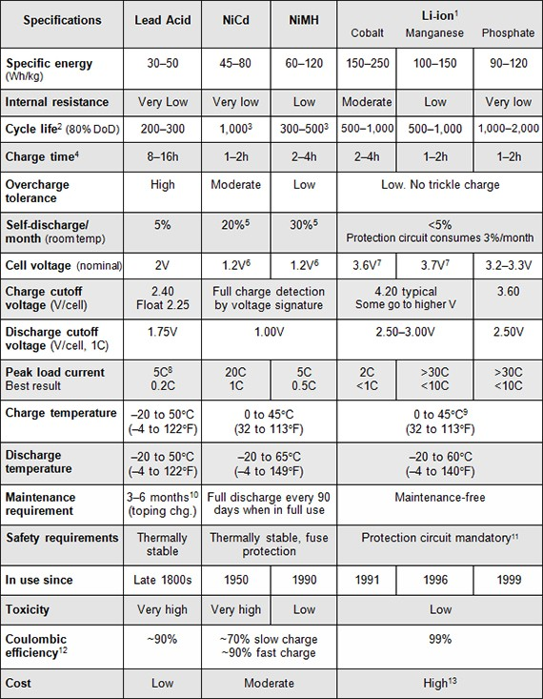
3.1 | Lithium Cobalt Oxide | Energy Dense but low thermal stability |  |  | 150-200 | world could face a cobalt supply shortage soon. Limited current handling capabilities |  | extensively used in portable electronics such as phones, cameras, laptops and have a high demand I n electric vehicles.

3.2 | Lithium Manganese Oxide | Low internal resistance and high temperature stability | 300-700 |  |  | relatively low lifecycles | fast charging and discharging | in applications where high C-rates are required such as power tools. It also has applications in EVs and in medical applications.

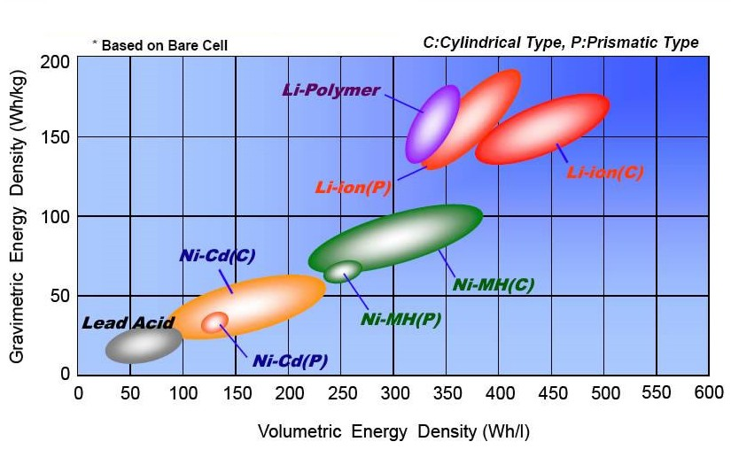
3.3 | Lithium iron phosphate | affordable, safe, and reliable |  |  | 90-160 |  | higher thermal stability long life cycles with low self discharge rates Cost effective | LFP batteries are used in industrial equipment and heavy machinery due to their high thermal stability and great life cycles. They are widely used in EVs, especially in e-bikes, e-rikshaw, and many cars because of their ability to withstand a lot of mechanical and thermal abuse.
3.4 | Lithium Nickel Manganese Cobalt oxide(NMC) | Expensive but high peforming battery |  |  | 150-220 |  | cheaper than other Li-ion low self heating rate | This battery is commonly used to power medical equipment, power tools and is considered as one of the preferred battery chemistries for EVs.
3.5 | Lithium Nockel cobalt aluminum oxide (NCA) | High energy with long life |  |  | 260 | low thermal stability high cost |  | unviable option for consumer electronics. They are a good option for EVs due to their energy density, the NCA batteries must be used in cars with extra safety measures to monitor their performance and other data to keep the drivers secure. The NCA batteries are becoming increasingly important in electric powertrains such as in Tesla and find application in grid storage due to their lifespan and energy density.
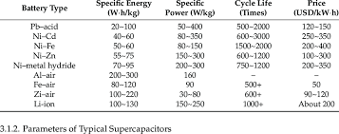
3.6 | Lithium titanate(LTO) | Long life, fast charging using advanced nano technology |  |  | 50-80 | low nominal voltage(2.4) low energy density | high discharge rates around 30c | LTO batteries have potential scope in aerospace, military and are used in battery energy storage systems for storing wind energy and solar energy and for creating smart grids. Their ability to sustain high discharge rates make them a preferred option for frequency control devices for grid applications.

4 | Solid state Battery | still in development
5 | metal air | not fully developped
6 | Sodium nickel chloride | still developping
7 | ultra capacitors |  | 1 million | 5000 | 5 | cant hold much charge as lithium ion | rapid charging and discharging | very suitable for storing the energy from regenerative braking, for climbing hills or sudden acceleration

