List_of_Trainers
Trainer Names | Trainer Emails
Washington, George | georgewashington@gmail.com

The emails listed on this sheet indicate who is allowed to create reinforcement reports. The emails listed will be the only ones that will have their reports saved to the form, otherwise they will be automatically removed from the Spreadsheet.
To revoke those privileges, simply remove the email of the trainer.
Don’t forget to remove viewing privileges for those trainers as well.

Skill_Board
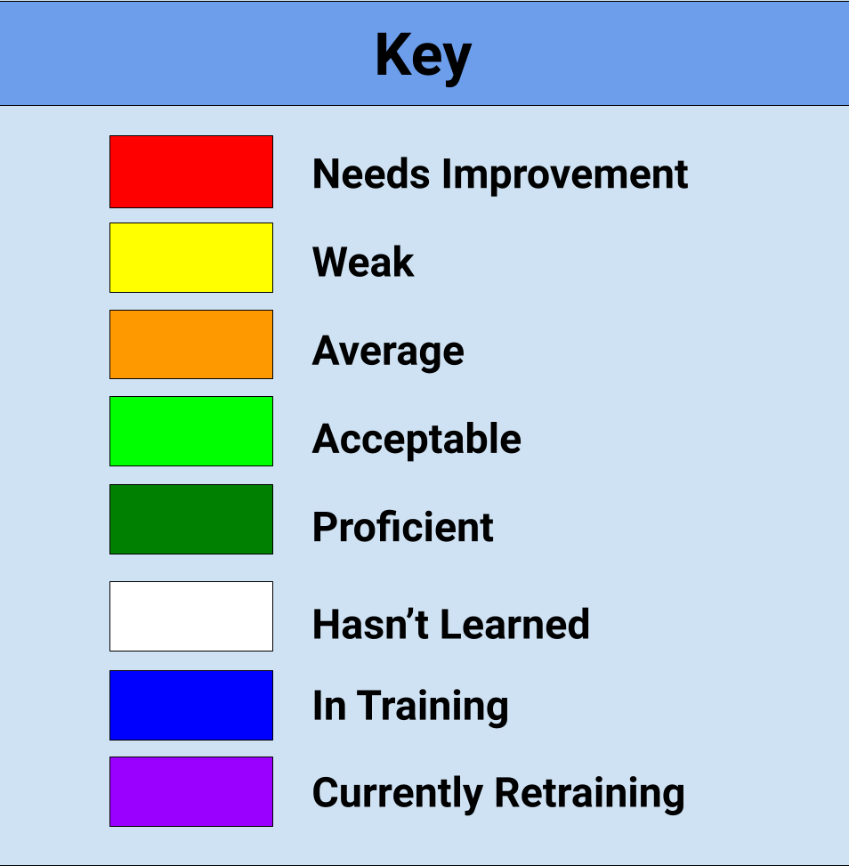
Last, Name | Breading | Buns | Dish | Fries | Machines | Prep | Rotations | Screens | Set-Ups
Washington, George

