Sheet1
 | STAGE 1 - Concept Design
 | ABC - DEF | 58

Key List
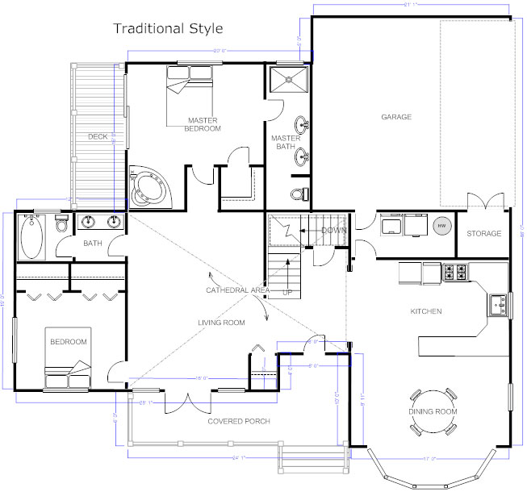
01
01
02DAN HOA CONG VAO English name
DAN HOA CONG VAO |  | DAN HOA CONG VAO
English name |  | English name
DAN HOA CONG VAO
English name
03
DAN HOA CONG VAO
English name
04
DAN HOA CONG VAO
English name
01
DAN HOA CONG VAO
English name
01
DAN HOA CONG VAO
English name
01
DAN HOA CONG VAO
English name
01
DAN HOA CONG VAO
English name

