Sheet1
Plastic case label
Management code：
Location :

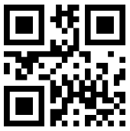
 | G8

Drawer label
Management code:
Location :

 | G29

