Sheet1
Objective | To validate that users can successfully play a full game of Tic Tac Toe, experiencing all the core functionalities such as making moves, winning, drawing, and receiving appropriate game status updates.
Preconditions | The Tic Tac Toe game application is installed and ready to run.
 | Two players are available to play the game (Player 1 as X and Player 2 as O).
Test Steps
1. Launch the Game: | Start the Tic Tac Toe game application. | 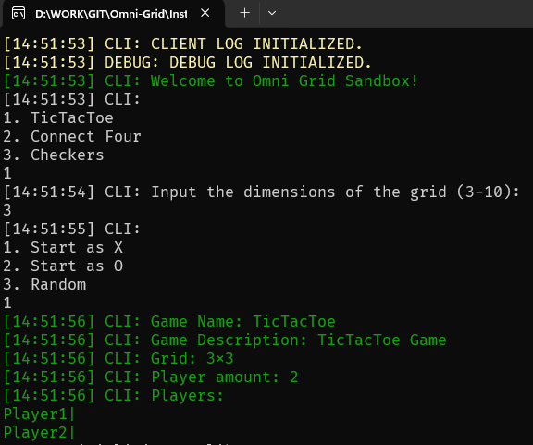
 | Verify that the game loads successfully and the main menu is displayed.
2. Begin a New Game: | Select the option to start a new game.
 | Confirm that the game grid is displayed correctly and is empty. | 
2. Player 1 (X) Makes the First Move: | Player 1 selects a cell to place an 'X'.
 | Confirm that an 'X' appears in the chosen cell. | 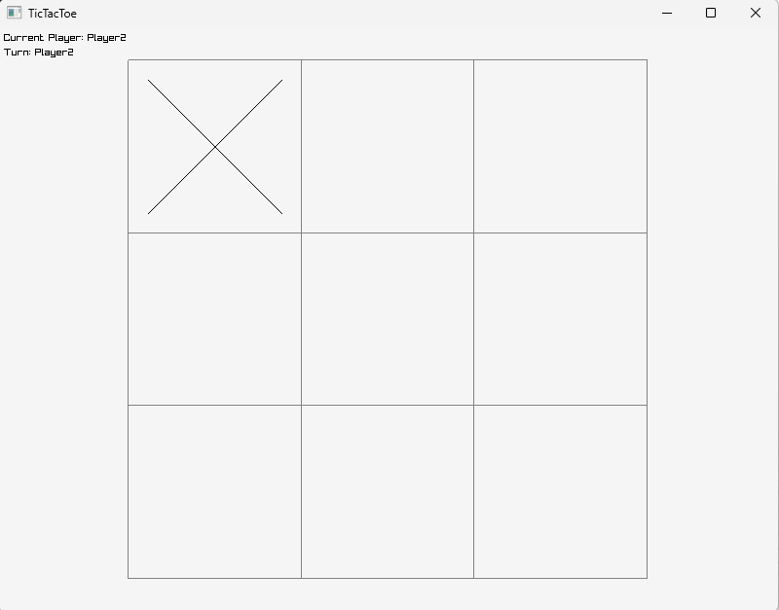
3. Player 2 (O) Makes a Move: | Player 2 selects a different cell to place an 'O'.
 | Confirm that an 'O' appears in the chosen cell. | 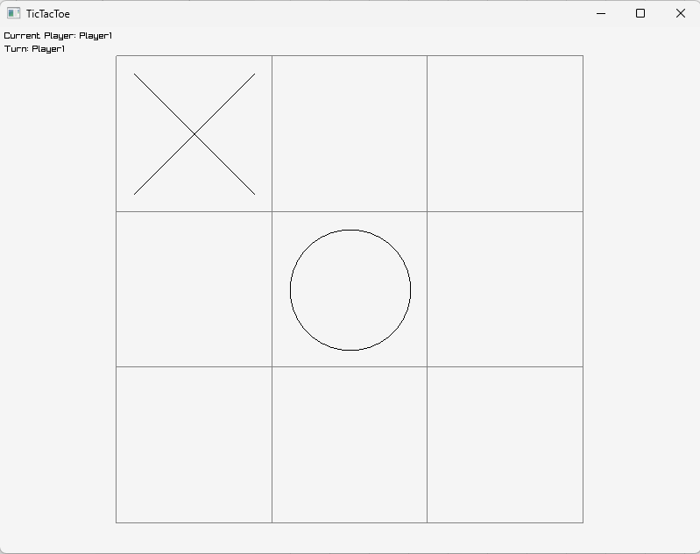
4. Continue the Game: | Players continue to alternate turns, making moves. | 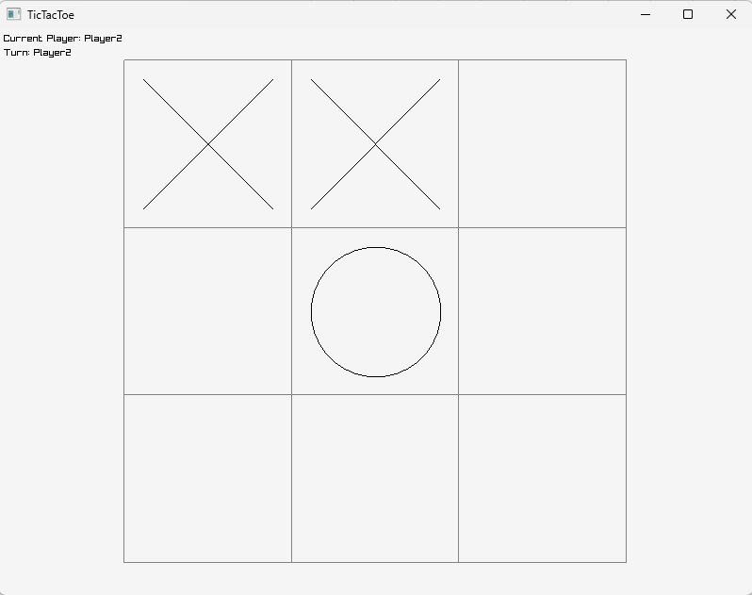
 | Ensure that players cannot select cells that are already occupied. | 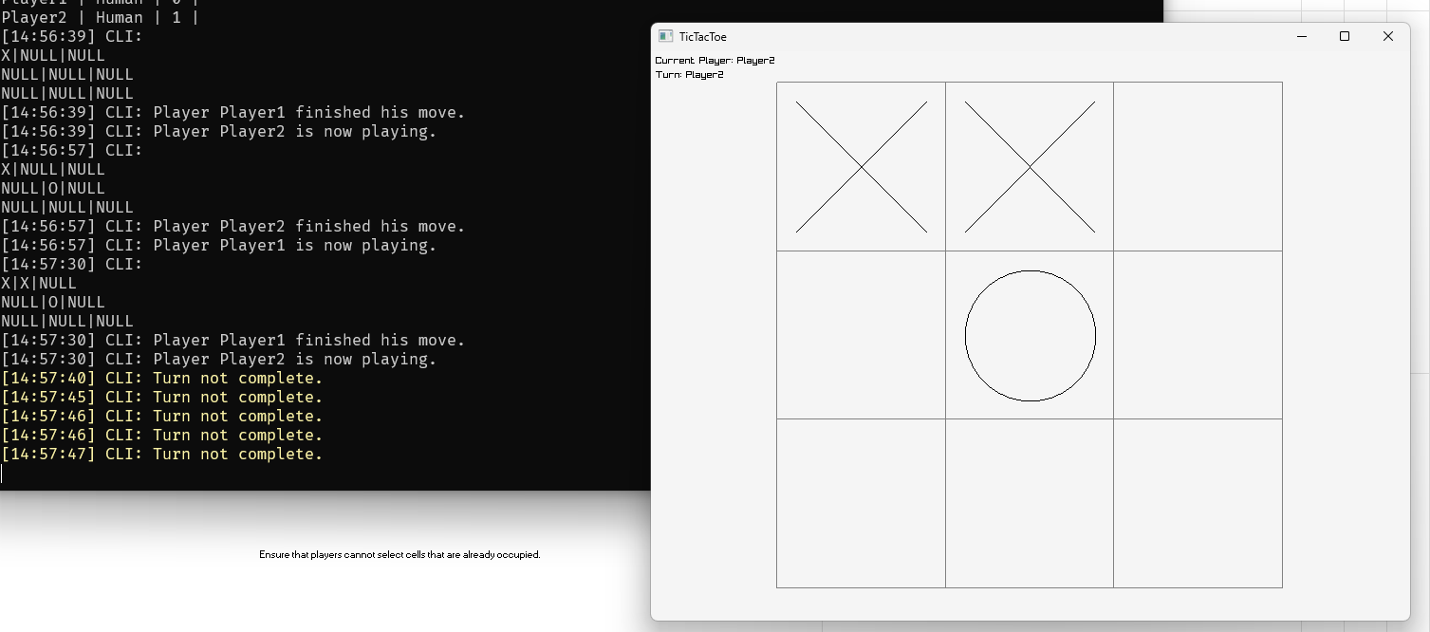 Clicking on occupied cells throws a warning to the console.
 | Confirm that the game does not allow a player to play out of turn. | The system is designed in a way that only one player can make a move at a time.
5. Game Reaches a Conclusion: | Continue playing until one player wins or a draw is reached. | 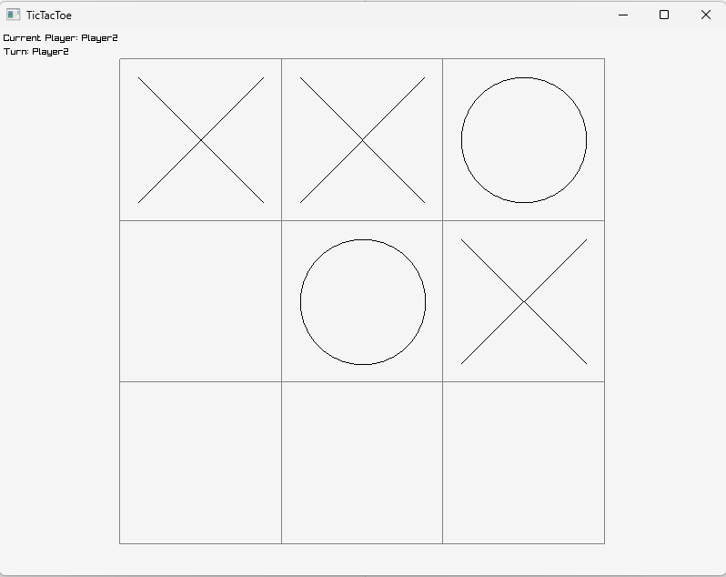 Last move will be made - 'O' will select the bottom left corner.
 | For a win, ensure a row, column, or diagonal is correctly filled with the same symbol. | 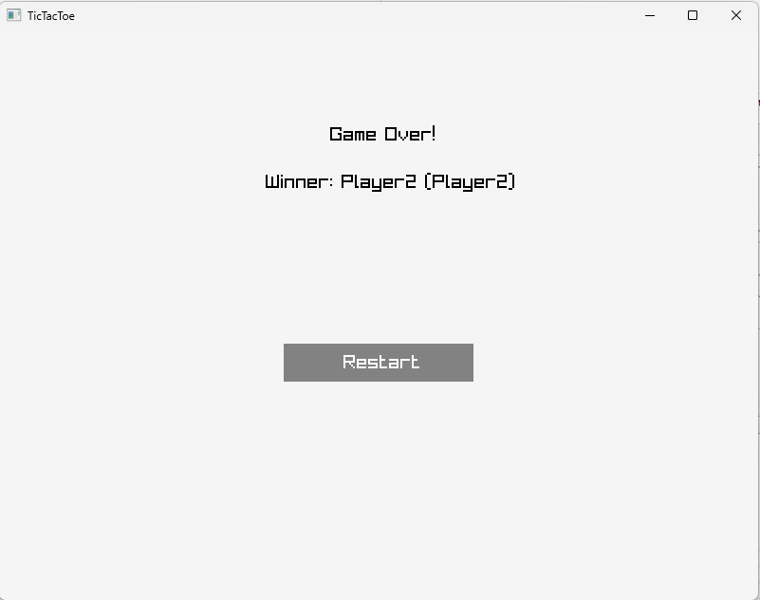
 | For a draw, ensure all cells are filled without any player winning. | 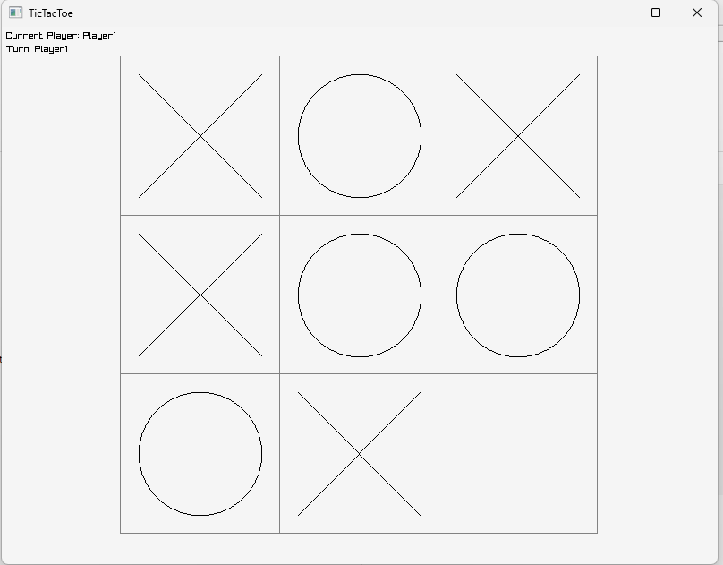 X will be placed in the bottom right corner resulting in a draw. | 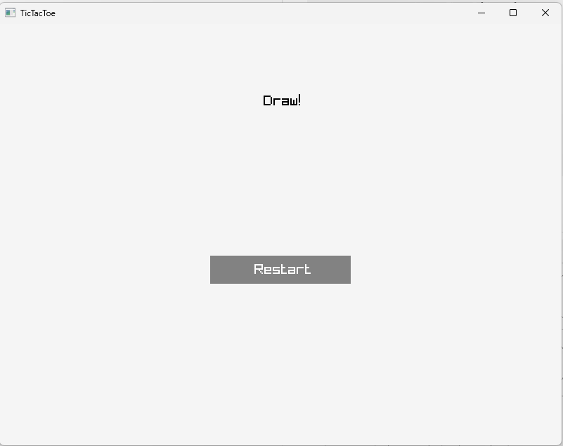
6. Result Announcement: | Confirm that the game announces the winner correctly or declares a draw as per the game outcome.
 | Ensure that the announcement is clearly visible and understandable.
7. End or Restart the Game: | Check if players are given an option to restart a new game or exit. | 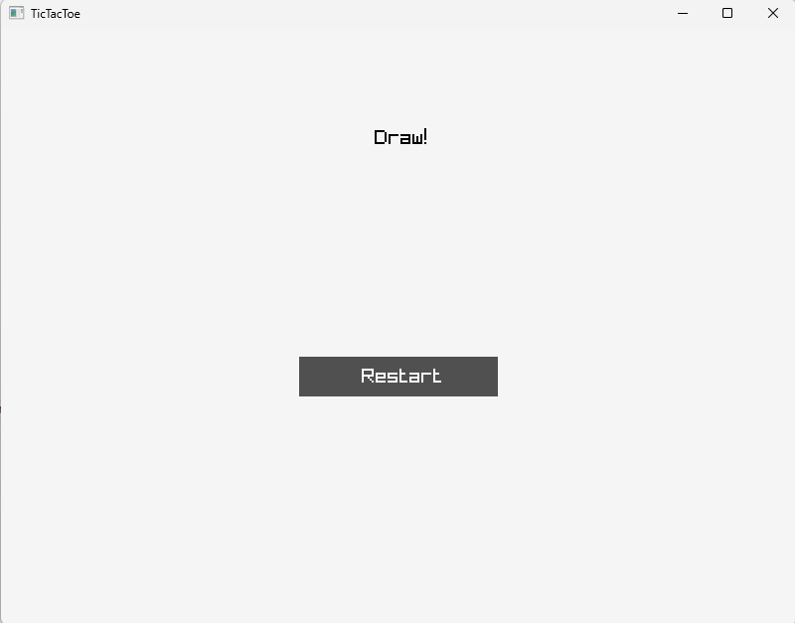 Players can hit the restart button to restart the game or the window 'x' button to close the game. | 

