Sheet1
Objective | To validate that users can successfully play a full game of Connect Four, experiencing all the core functionalities such as making moves, winning, drawing, and receiving appropriate game status updates.
Preconditions | The Connect Four game application is installed and ready to run.
 | Two players are available to play the game (Player 1 as Red and Player 2 as Black).
Test Steps
1. Launch the Game: | Start the Connect Four game application.
 | Verify that the game loads successfully and the main menu is displayed.
2. Begin a New Game: | Select the option to start a new game.
 | Confirm that the game grid is displayed correctly and is empty.
3. Player 1 (Red) Makes the First Move: | Player 1 selects a column to place Red piece.
 | Confirm that a Red piece appears placeable on board.
 | Confirm that a Red piece is placed in the chosen column
4. Player 2 (Black) Makes a Move: | Player 2 selects a column to place a black piece.
 | Confirm black piece appears on board, even above other pieces.
 | Confirm that the black piece is placed on board,
5. Continue the Game: | Players continue to alternate turns, making moves.
 | Ensure that players cannot place pieces on fully occupied columns. | 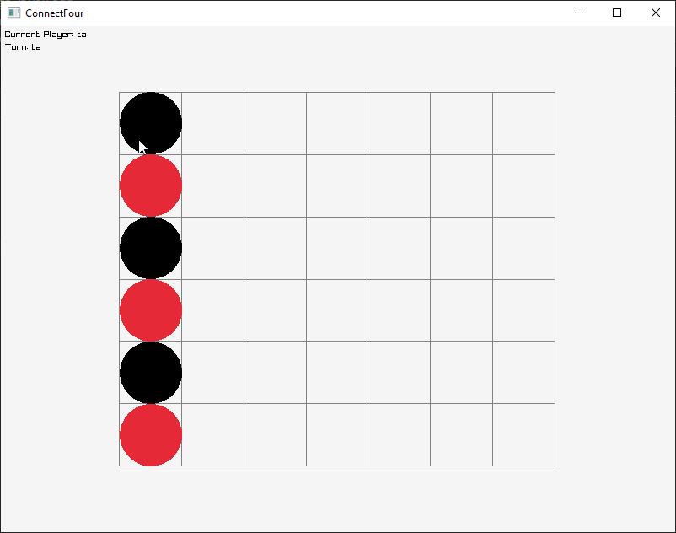 Game prevents putting pieces in column if the column is fully occupied.
 | Confirm that the game does not allow a player to play out of turn. | The system is designed in a way that only one player can make a move at a time.
6. Game Reaches a Conclusion: | Continue playing until one player wins or a draw is reached. | 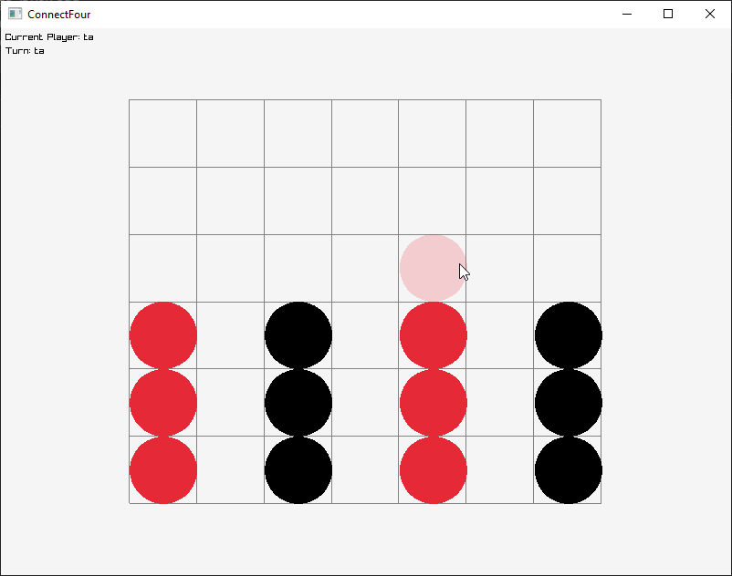 Putting a red piece on 3 vertical reds will achieve a victory
 | For a win, ensure a row, column, or diagonal has four identical pieces filled
 | For a draw, ensure all columns are filled without any player win | 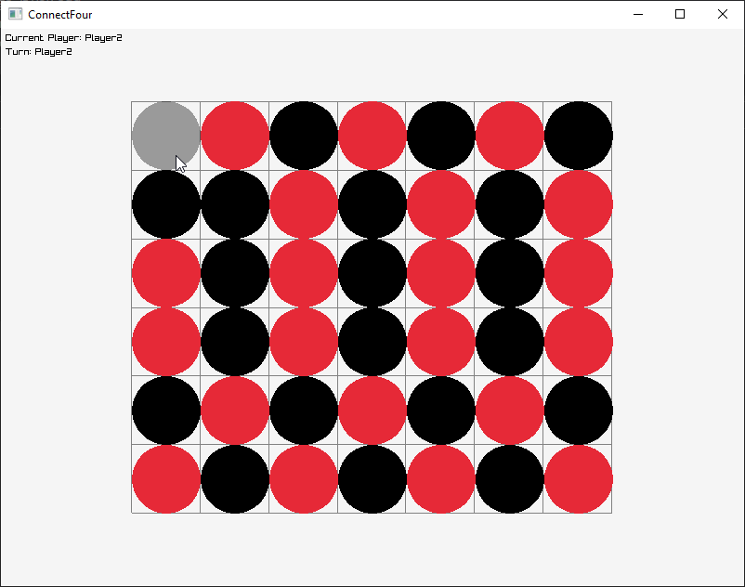 Placing a black piece will enact a draw

7. Result Announcement: | Confirm that the game announces the winner correctly or declares a draw as per the game outcome.
 | Ensure that the announcement is clearly visible and understandable.
8. End or Restart the Game: | Check if players are given an option to restart a new game or exit. | 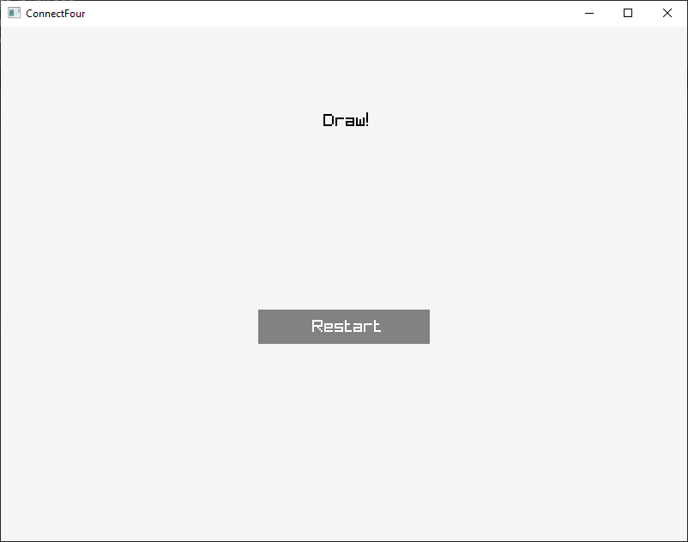 Players can hit the restart button to restart the game or the window 'x' button to close the game.

