SCREENSHOTS
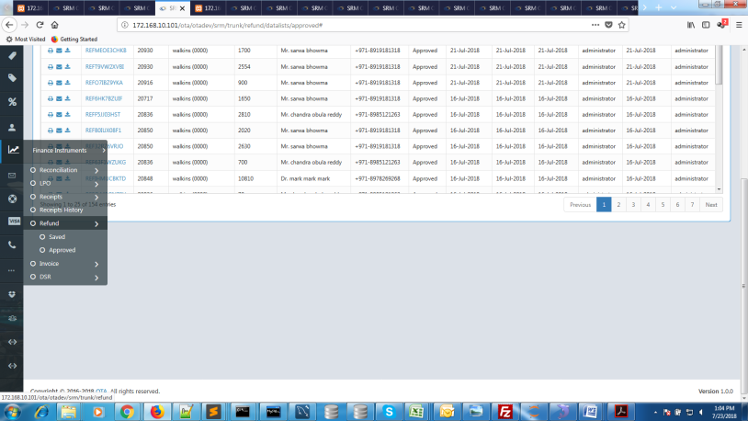
386
screen shot - 1


396
screen shot - 3

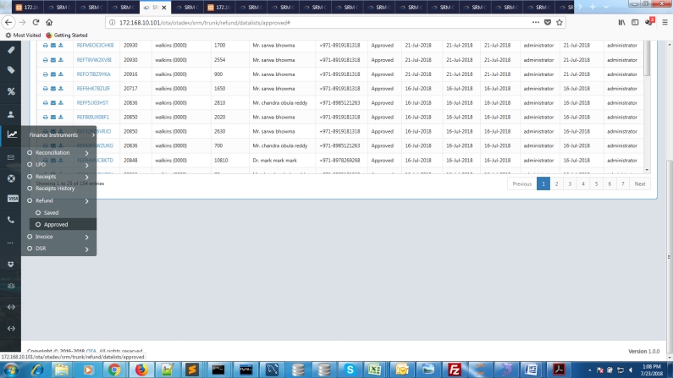
398
screen shot - 4

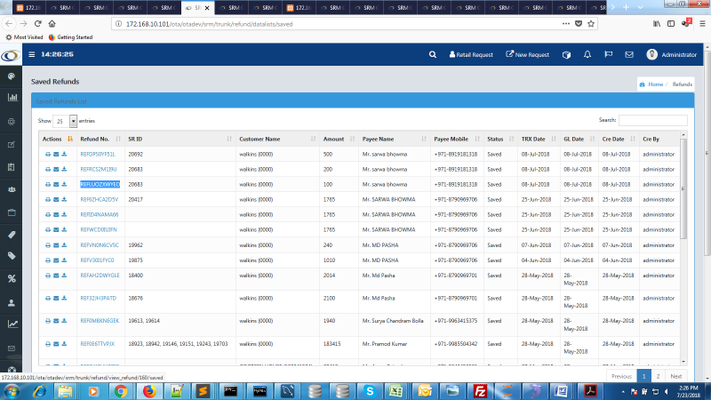
388
screen shot - 2

