연습문제 3.3
Contribution per unit |  | 20 | 30
 |  |  |  |  |  | Amount of Resource Available | X1 | X2 | result | feasibility
 |  | Resource usage per Unit of Each Activity |  | used resources |  |  | 2 | 2 | 100 | O
 |  |  |  |  |  |  | 3 | 3 | 150 | O
 | Resource | 1 | 2 |  |  |  | 2 | 4 | 160 | O | best
 | 1 | 2 | 1 | 10 | <= | 10 | 4 | 2 | 140 | O
 | 2 | 3 | 3 | 20 | <= | 20 | 3 | 4 | 180 | X
 | 3 | 2 | 4 | 20 | <= | 20 | 4 | 3 | 170 | X

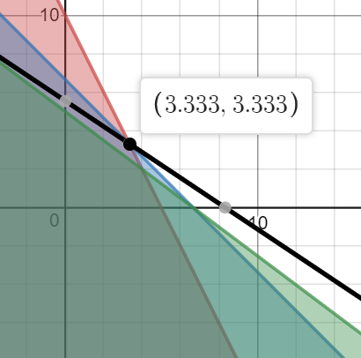
 |  | 1 | 2 |  |  | Total Profit | Maximize (20x + 30y)
 | Activity | 3.3333333333 | 3.3333333333 |  |  | 166.66666667 | subject to
 |  |  |  |  |  |  | 2x + y <= 10
 |  |  |  |  |  |  | 3x + 3y <= 20
 |  |  |  |  |  |  | 3x + 4y <= 20
 |  |  |  |  |  |  | x >= 0, y >= 0

연습문제 3.10
 | 1 | 2
Unit Cost | 60 | 50
 |  |  |  |  | Minimum | x1 | x2 | result | feasibility
Benefit | 1 | 2 |  |  | Acceptable Level | 7 | 7 | 770 | X
1 | 5 | 3 | 60 | >= | 60 | 7 | 8 | 820 | X
2 | 3 | 2 | 37.75 | >= | 30 | 8 | 7 | 830 | X
3 | 7 | 9 | 126 | >= | 126 | 8 | 8 | 880 | O | best
 |  |  |  |  |  | 8 | 9 | 930 | O
 | 1 | 2 |  | Total Cost |  | 9 | 8 | 940 | O
Amount | 6.75 | 8.75 |  | 842.5
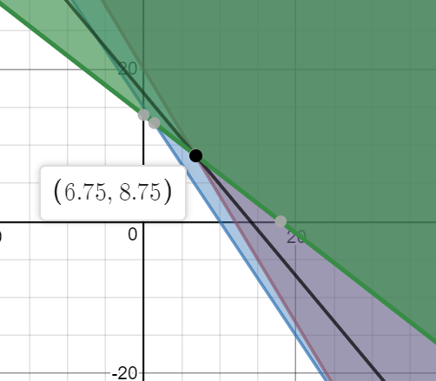
 |  |  |  |  |  | Minimize (60x + 50y)
 |  |  |  |  |  | subject to
 |  |  |  |  |  | 5x + 3y >= 60
 |  |  |  |  |  | 3x + 2y >= 30
 |  |  |  |  |  | 7x + 9y >= 126
 |  |  |  |  |  | x >= 0, y >= 0

