Sheet1
Total ZIP Codes | 45 | St. Louis and St. Louis County
File |  | zipcodes_stl2.csv

Businesses | 477 | All businesses have a $, $$, $$$ or $$$$
File |  | business_unique_data.csv

Reviews | 1048 | All reviews with an identified gender
File |  | review_data.csv

Names | 62074 | All names
File |  | gender names.csv

Businesses and Reviews | 734 | Reviews by business with gender male or female
File |  | total_everything.csv

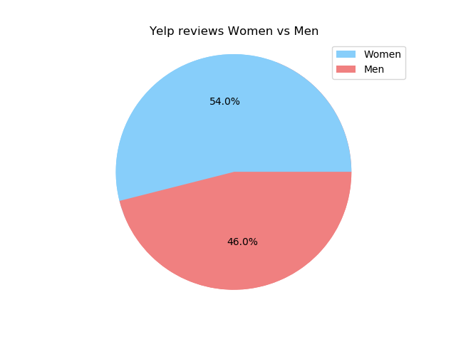
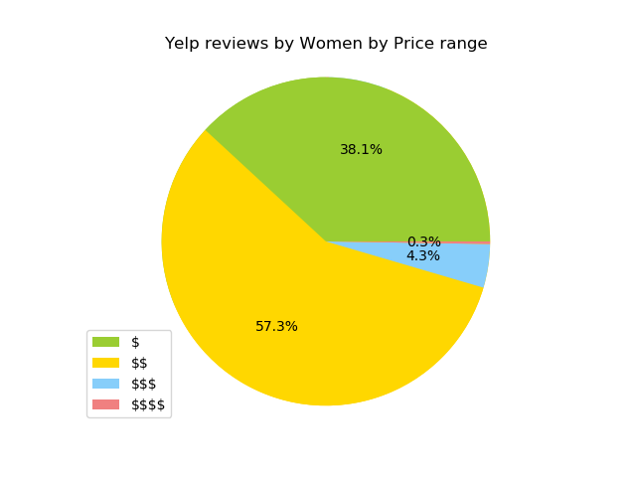
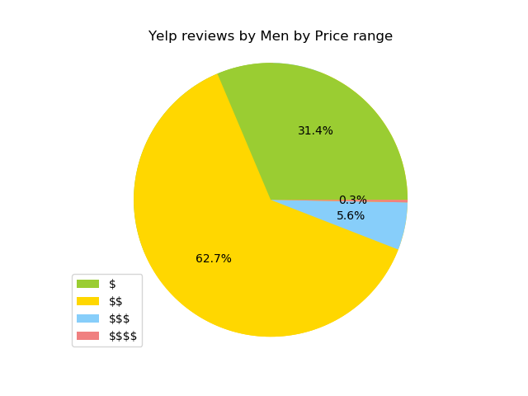
Results:

Men vs Women | Female | 396
 | Male | 338
 |  | 734

Men by price | $ | 106
 | $$ | 212
 | $$$ | 19
 | $$$$ | 1
 |  | 338

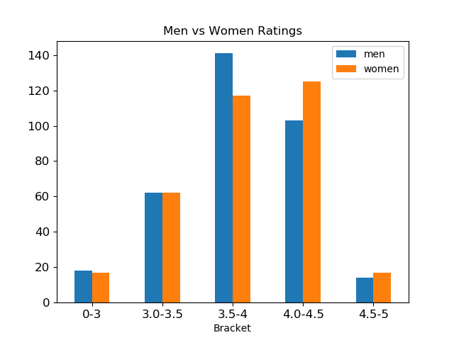
Women by price | $ | 151
 | $$ | 227
 | $$$ | 17
 | $$$$ | 1
 |  | 396

Men vs Women Rating |  | men | women | total
 | Bracket
 | 0-3 | 18 | 17 | 38
 | 3.0-3.5 | 62 | 62 | 132
 | 3.5-4 | 141 | 117 | 288
 | 4.0-4.5 | 103 | 125 | 244
 | 4.5-5 | 14 | 17 | 32
 |  | 338 | 338 | 734
Note: choose same number of reviews as min(men vs women)

