Sheet1
Total ZIP Codes | 45 | St. Louis and St. Louis County
File |  | zipcodes_stl2.csv

Businesses | 477 | All businesses have a $, $$, $$$ or $$$$, after dropping duplicates
File |  | business_unique_data.csv

Reviews | 1419 | All reviews with an identified gender
File |  | review_data.csv

Names | 62074 | All names
File |  | gender names.csv

Businesses and Reviews | 734 | Reviews by business with gender male or female
File |  | total_everything.csv

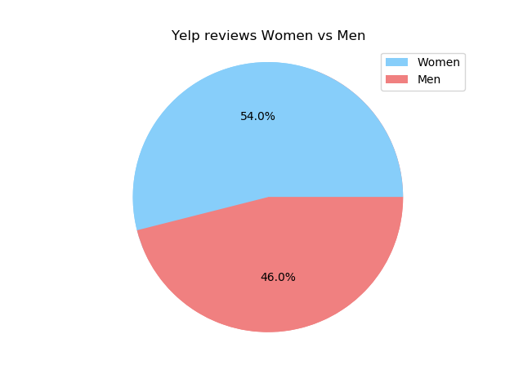
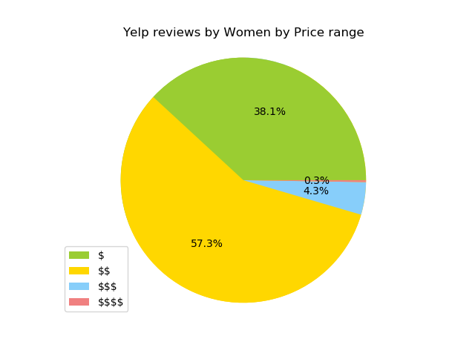
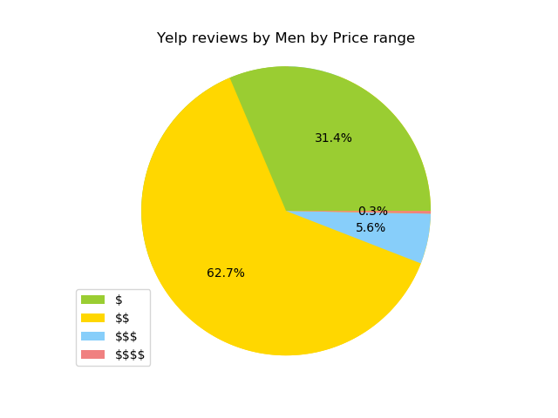
Results:

Men vs Women | Female | 396
 | Male | 338
 |  | 734

Men by price | $ | 106 | 106
 | $$ | 212 | 424
 | $$$ | 19 | 57
 | $$$$ | 1 | 4
 |  | 338 | 591 | 1.7485207101

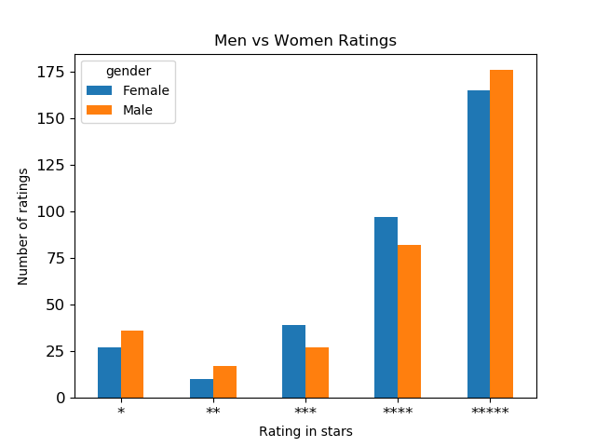
Women by price | $ | 151 | 151
 | $$ | 227 | 454
 | $$$ | 17 | 51
 | $$$$ | 1 | 4
 |  | 396 | 660 | 1.6666666667

Men vs Women Rating |  | Female | Male | total
 | 1 | 27 | 36 | 63
 | 2 | 10 | 17 | 27
 | 3 | 39 | 27 | 66
 | 4 | 97 | 82 | 179
 | 5 | 165 | 176 | 341
 |  | 338 | 338

Note: choose same number of reviews as min(men vs women)

