Analysis
1 Goal is to answer
 | 1-How many card users we acquired from rivals every month?
 | 2-Are card users we acquired from rivals more engaging than normal users?
 | 3-Why do customers who already have cards with rivals still sign our card?
 | 4-Can we trust the data from PCB for cards?
2-Info for analysts
 | Data sources
 |  | PCB card_granted
 |  | CARD_PORTFOLIO from ap_crm

 | Data pool
 |  | Cards matching these conditions
 |  |  | Signed from Mar-2025 to Mar-2026
 |  |  | Is first HCVN card of client (to prevent duplication when analyze)

 | Analysis's approach
 |  | Take the card users of HCVN as base of analysis
 |  | Join with PCB data to identify users having active card at rival at sign month
 |  | Split these clients into 2 groups
 |  |  | TG: HCVN card users having at least 1 active card rival at sign month
 |  |  | CG: HCVN card users havning 0 active card rival at sign month
 |  | Performance between these 2 groups is compared

 | PCB logic note
 |  | Beside info about card status (active/inactive);
 |  | other financial info (amt transaction, balance, etc.) will only be used from PCB if card contract has PCB data requested within the month;
 |  | if cards have multiple request within a month, take the last request
3-Results
 | 1-How many card users we acquired from rivals every month?
 |  | Around 13% of new signed cards are from clients who have active card with rivals
 |  | This number is quite stable each month

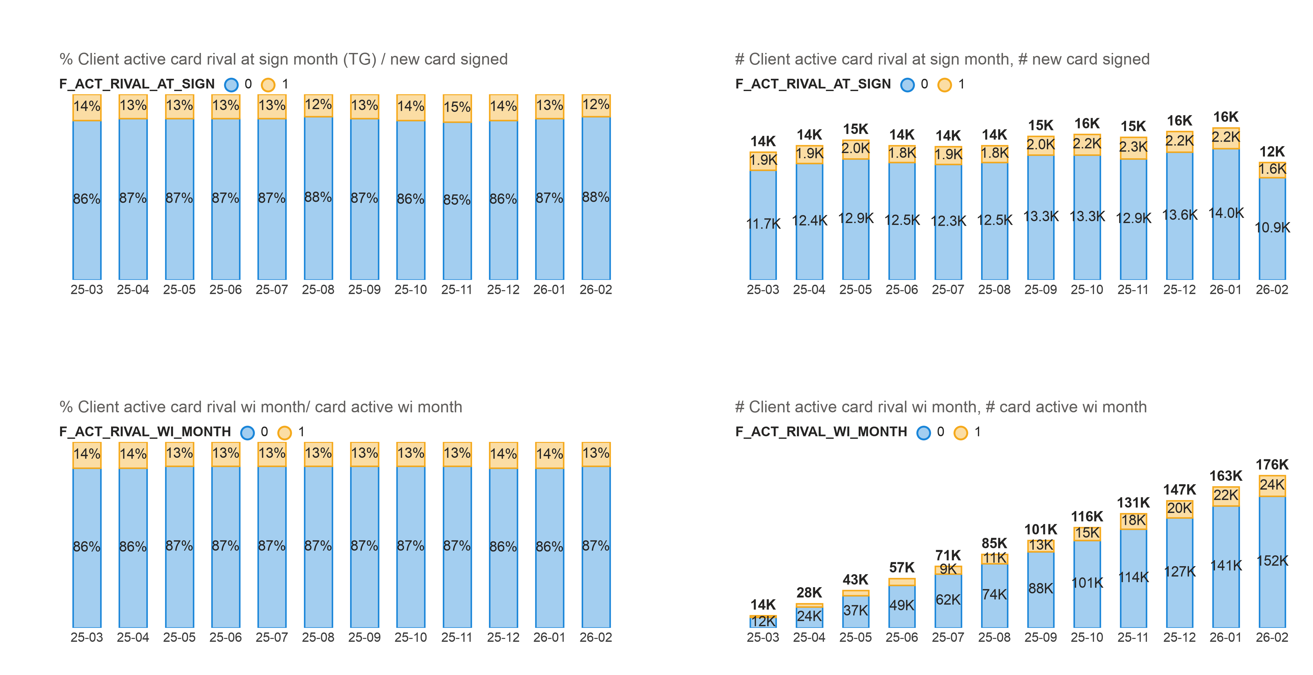

 | 2-Are card users we acquired from rivals more engaging than normal users?
 |  | Yes, TG group out-perform CG in all metrics (e.g. higher transaction rate, higher limit util rate, etc.)

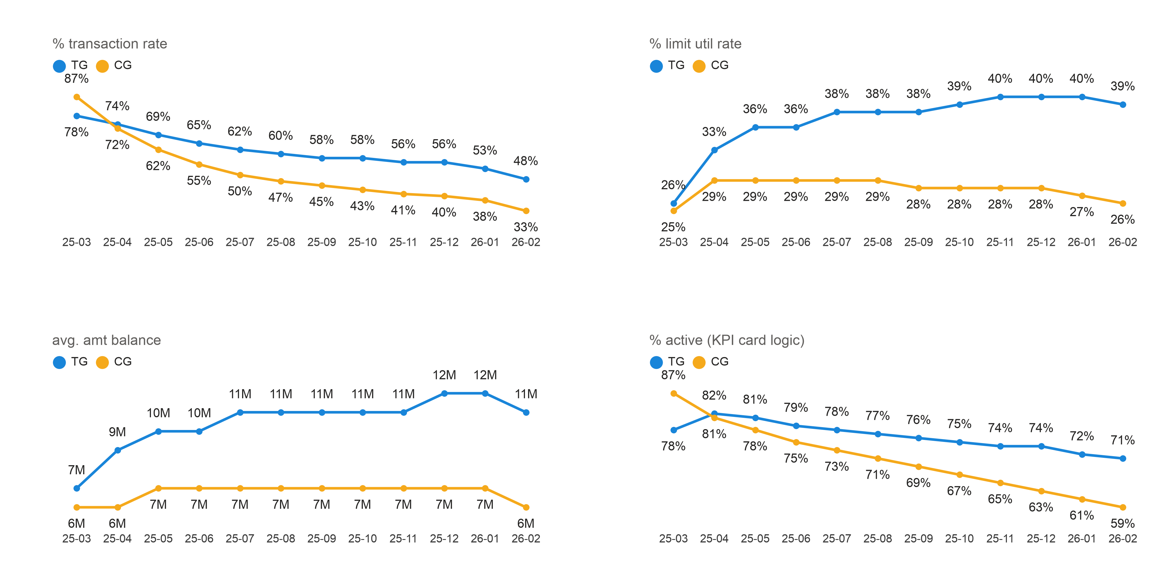

 | 3-Why do customers who already have cards with rivals still sign our card?

 |  | # | Hypothesis |  | Hypothesis is true if
 |  | 1 | Users sign HCVN card because they have utilized all limit from rival's card |  | Limit utilization rate before signing HCVN card is HIGHER than average
 |  | 2 | Users sign HCVN card because they are not satisfied with rival's card (*) |  | Average outstanding balance before signing HCVN is LOWER than average
 |  | 3 | Users are not proactively finding us, but get persuaded by HCVN staffs |  | % BOD1 by SA/TLS of these customers are HIGHER than average

 |  |  | (*) | it’s very tricky to verify this hypothesis if we base solely on data; user-survey can really help in this case;
 |  |  |  | but for the sake of simplicity, this analysis's scope will try to partly answer that question base on what data is showing

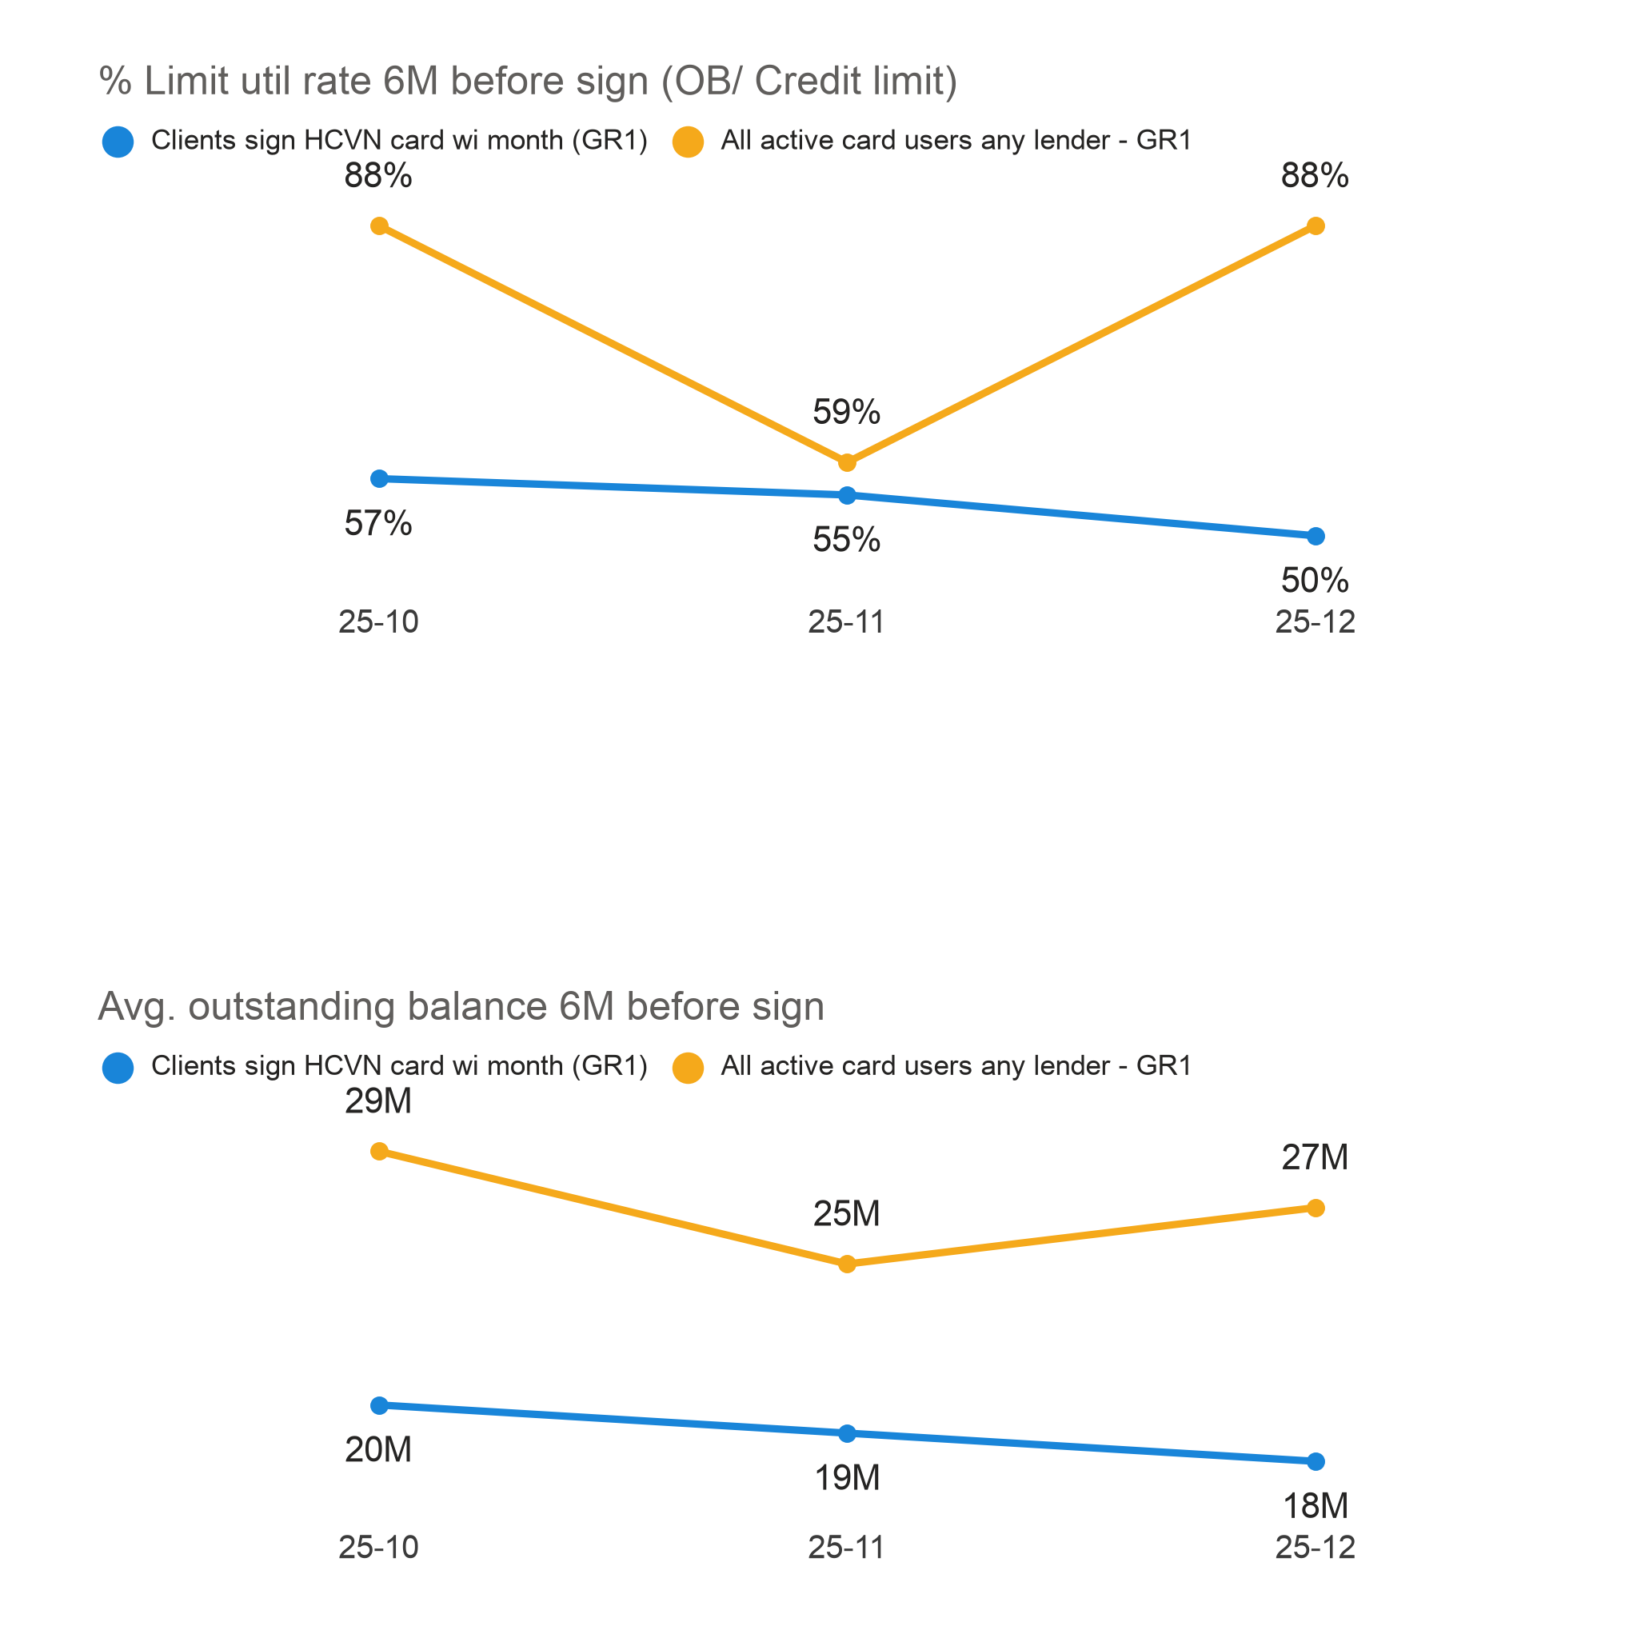
 |  |  |  |  |  | H1 is false, these clients actually has lower limit utilization rate
 |  |  |  |  |  | compared to all other clients (Clients active card at any lender not signing HCVN card)

 |  |  |  |  |  | H2 is true, these clients has lower avg. outstanding balance
 |  |  |  |  |  | compared to all other clients (Clients active card at any lender not signing HCVN card)

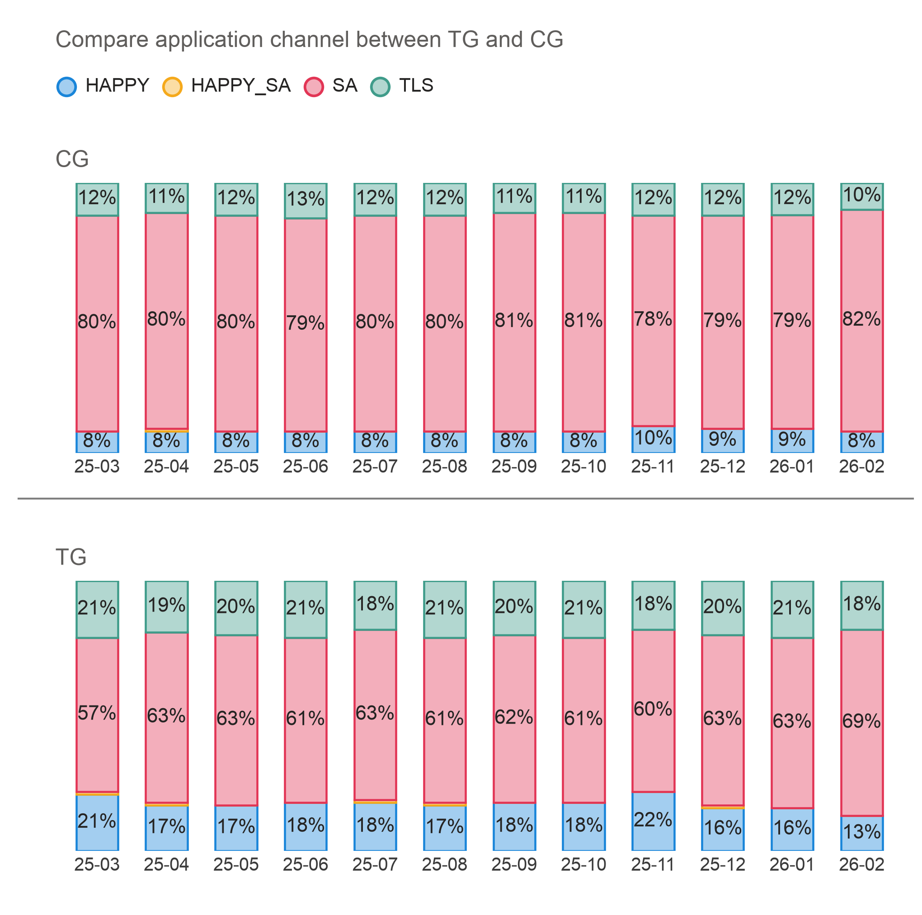
 |  |  |  |  |  | H3 is false, these clients is actually more proactive, with lower % SA/TLS and higher % HAPPY
 |  |  |  |  |  | compared to control group (Clients sign card HCVN but not active card rival at sign month)

 | 4-Can we trust the data from PCB for cards?

 |  | Depends, be carefull when use it, as explained below

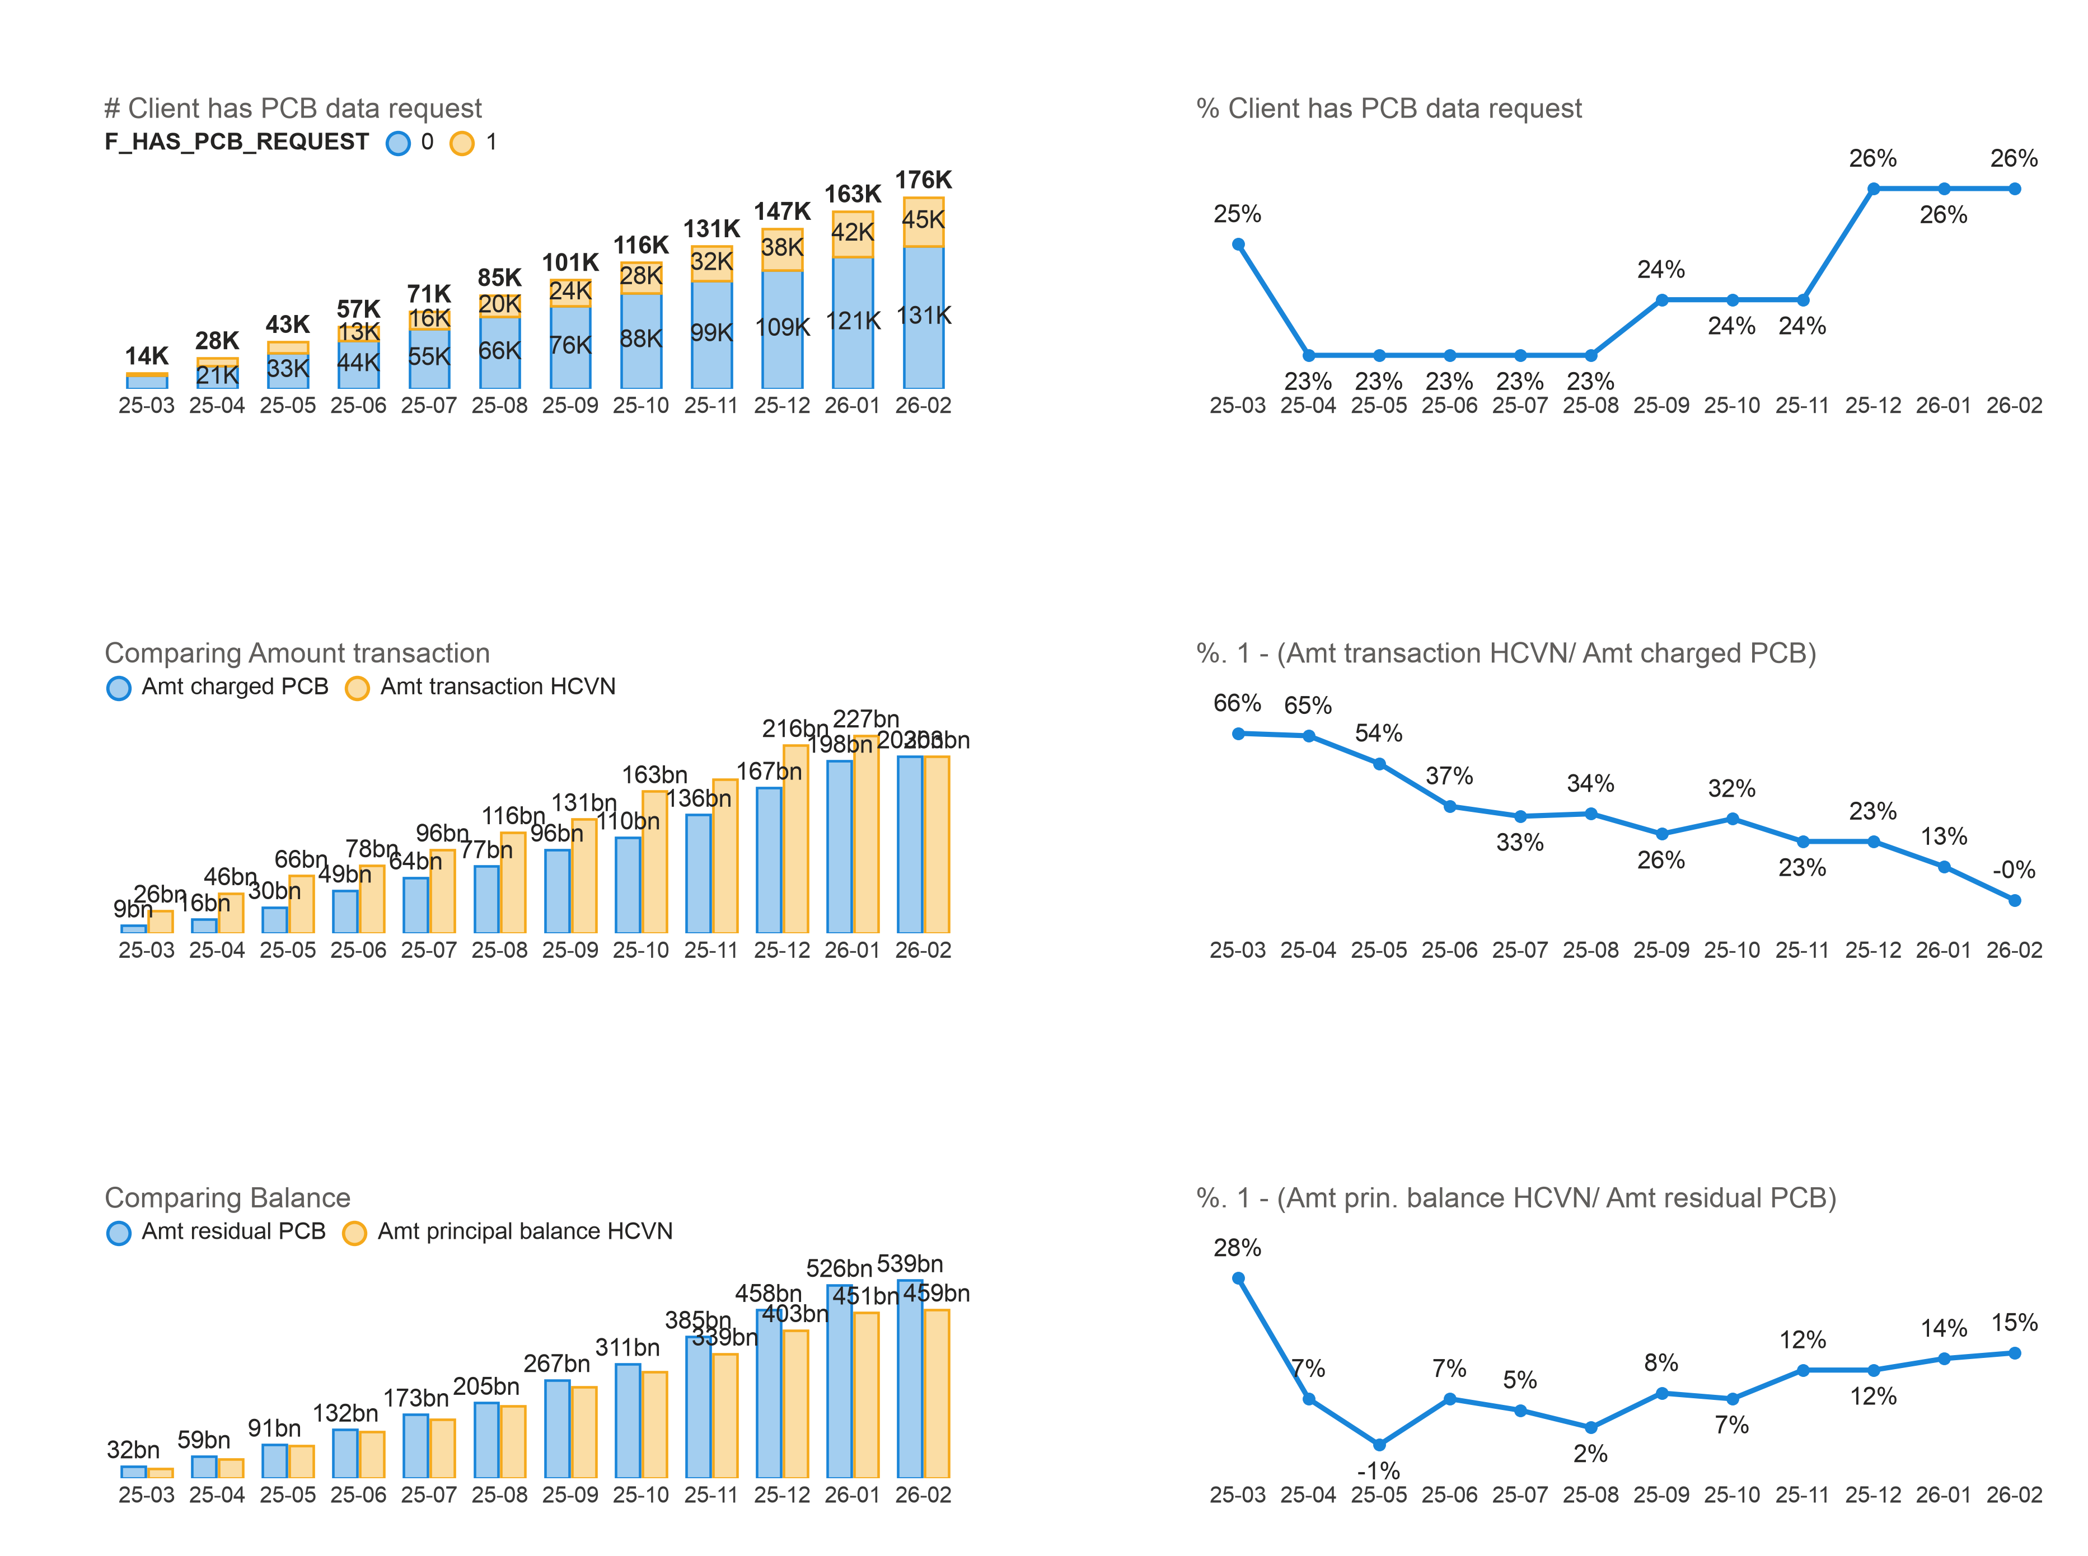
 |  |  |  |  |  |  | Around 20% card users has PCB data requested and updated each month
 |  |  |  |  |  |  | Therefore analyst should be carefull when extracting card balance/ transaction amount from PCB
 |  |  |  |  |  |  | It's suggested to only get these data if that card contract has PCB data updated in the month (which this analysis is doing)

 |  |  |  |  |  |  | Total amount transaction per month from 2 sources has a large difference
 |  |  |  |  |  |  | This analysis has decided to not touch this info since it is not trustable

 |  |  |  |  |  |  | Balance (prin. Balance) has a small difference between 2 sources
 |  |  |  |  |  |  | This information is more trustable (compared to other ones)
 |  |  |  |  |  |  | This analysis utilized this information in answering H1, H2 of question 3

4-Other observation

 | TG has better segmentation distribution.
 | TG has more "Hard Transactor", "EPP transactor"; and fewer "Silent attrition", "Not ready to use"

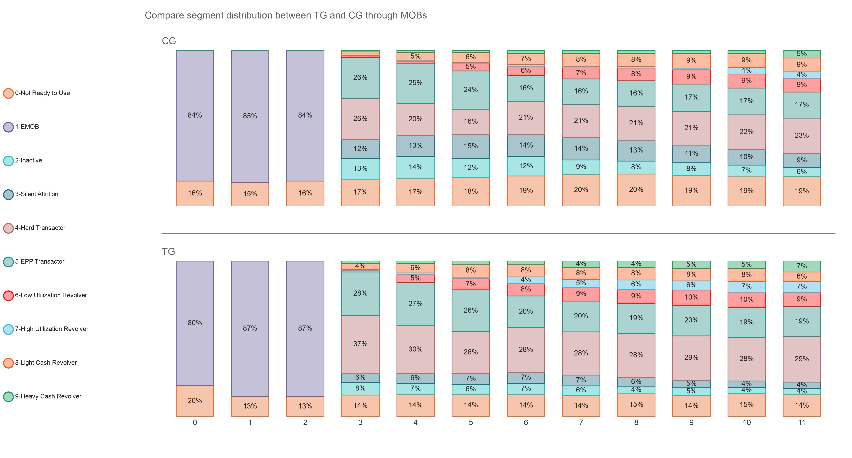

 | Majority of clients when signing HCVN card has only 1 rival card, few of them has 2 cards
 | (include only clients with any active card rival at sign month)

 | BANK card users have better transaction rate and balance, compared to OTHERFIN card users

