Analysis
Overview of active PCB client
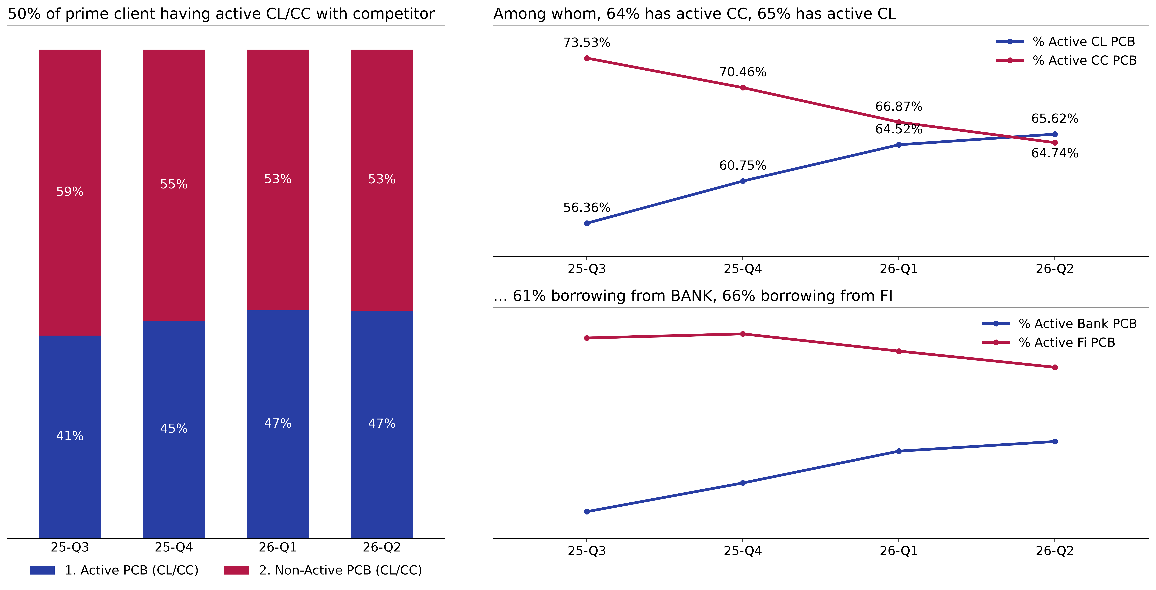

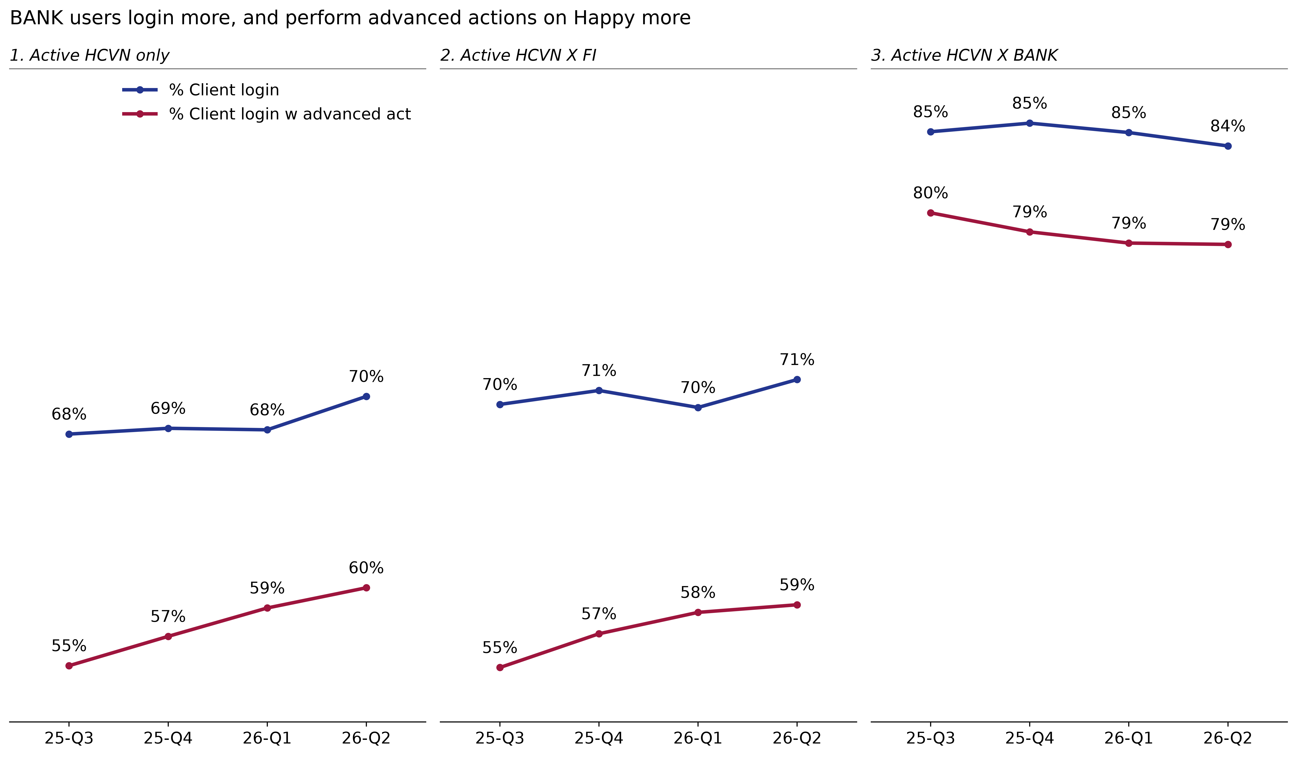
Multi-lenders, especially with BANK, are significantly more Digital
 | [Chart to insert: Multi-lenders, especially with BANK, are significantly more Digital — slot 2/2]

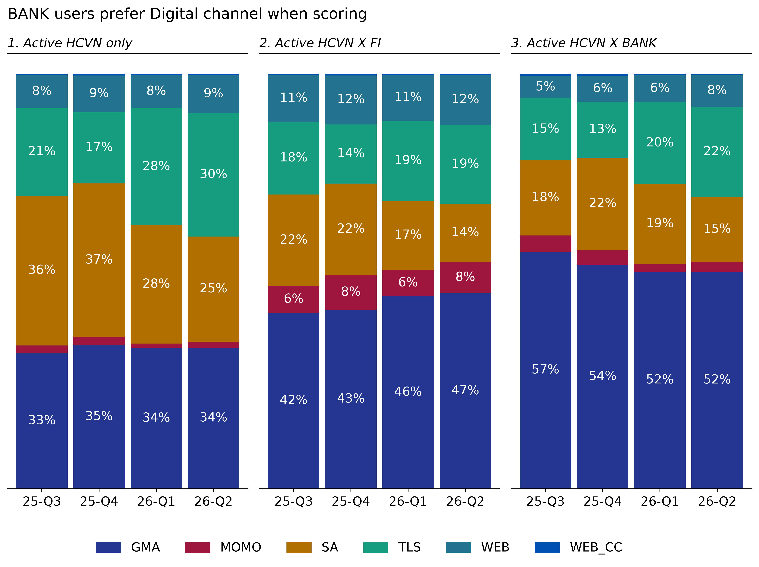
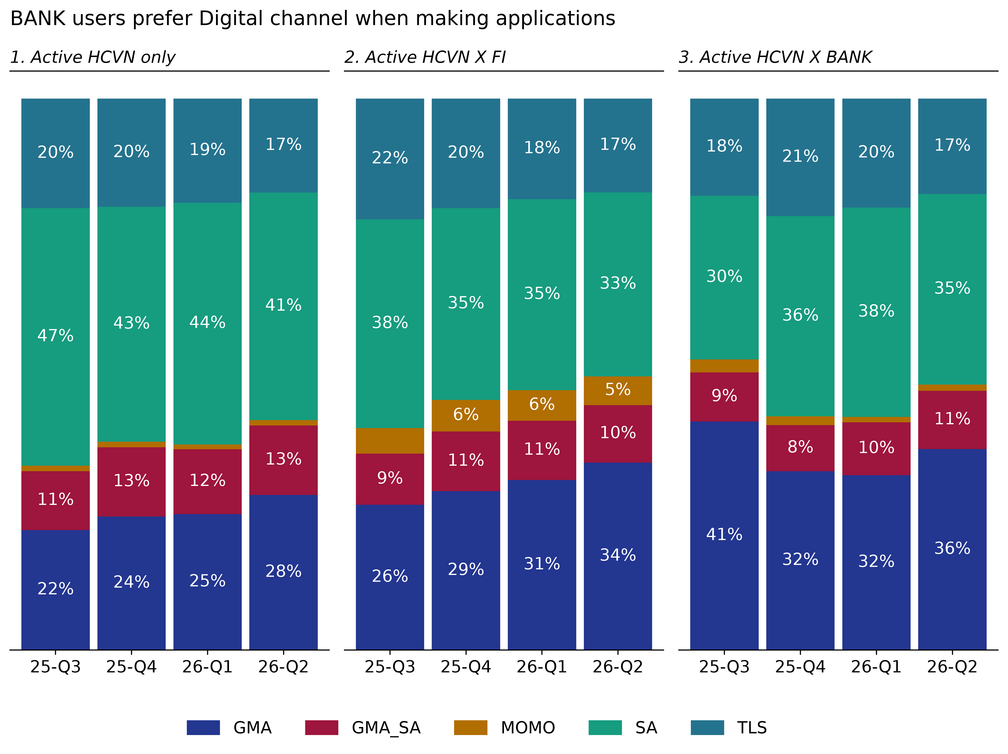

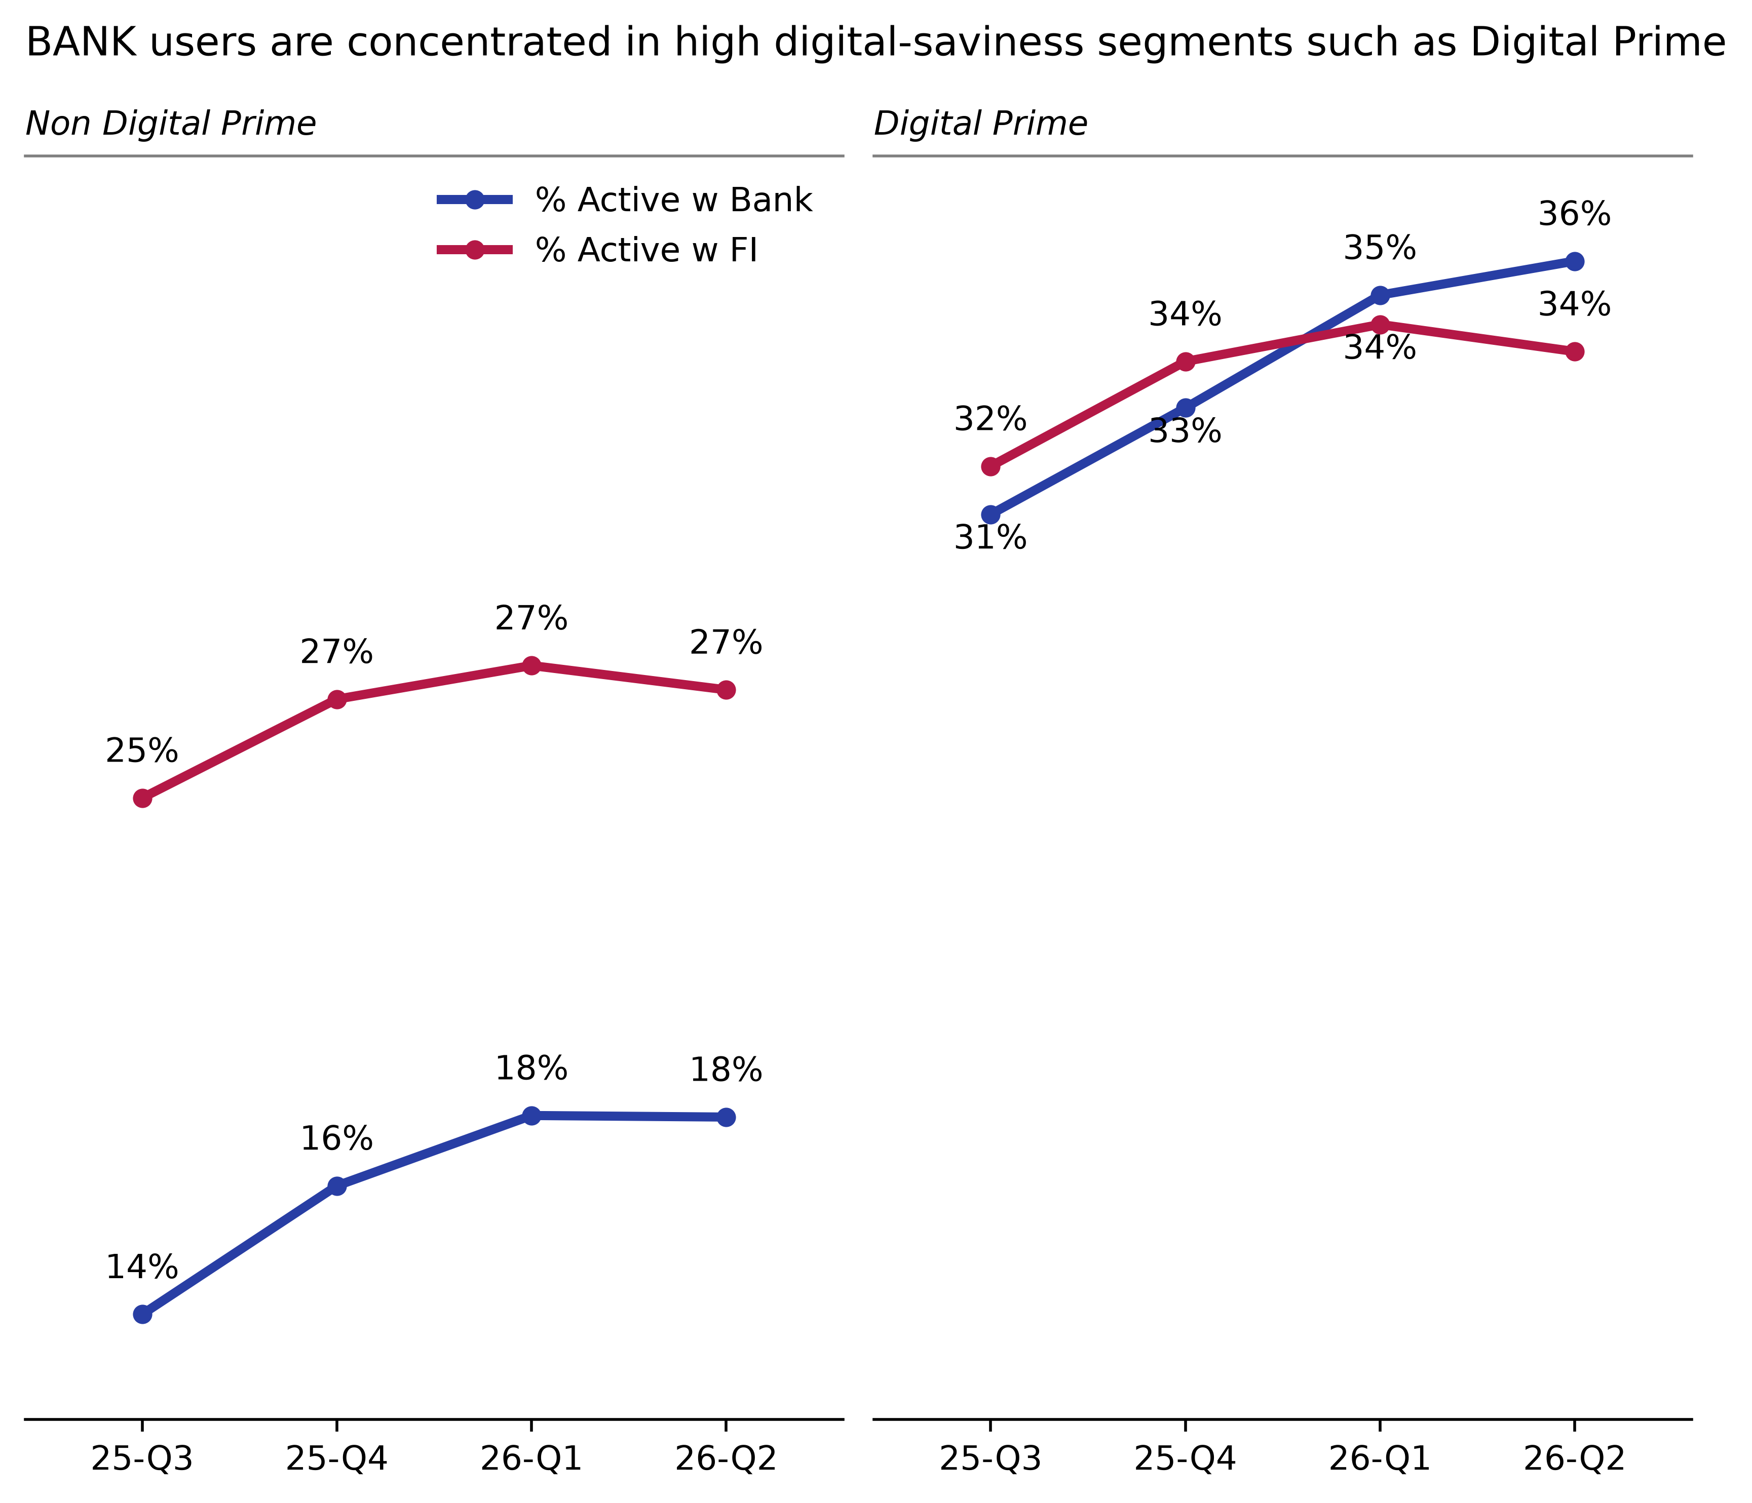
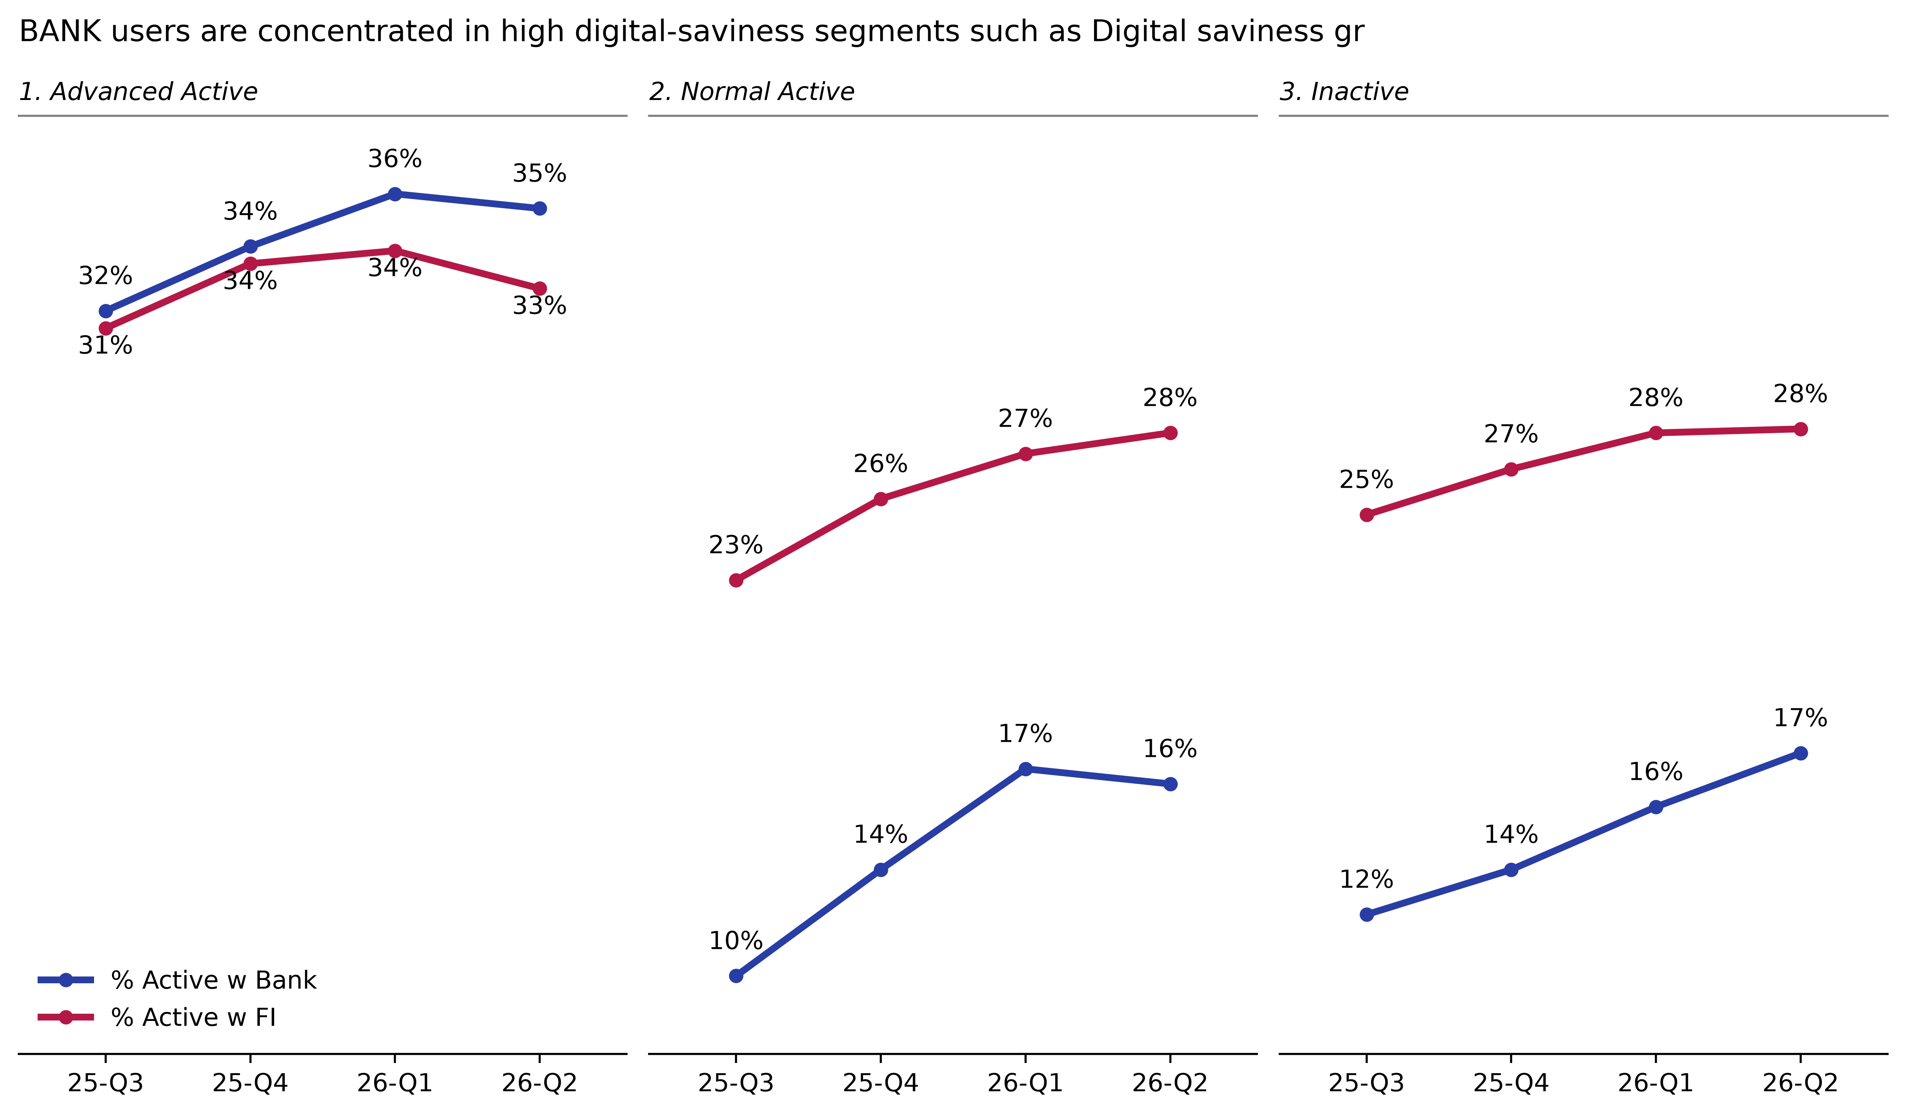

This behavior can be explained by two hypotheses:
[Chart to insert: This behavior can be explained by two hypotheses: — slot 1/1]

