DHA
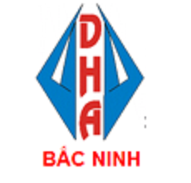
ANNEX No : 27
(To the contract No. GTHS/DHABN 2022)
 | Party A :

 | Party B : | DHA BAC NINH CO., LTD
 |  | TAO DOI INDUSTRIAL CLUSTER, THUA TOWN, LUONG TAI DISTRIC, BAC NINH PROVINCE, VIET NAM

Pursuant the Contract No. GTHS/DHABN 2022), both two parties have agreed to sign this annex to the contract as follows:
Article 1: COMMODITY, QUANTITY, AND UNIT PRICE

No | STYLE | PHOTO | GARMENT DESCRIPTION | TOTAL QTY | Unit | Ex-Fac date | FABRIC&TRIM ETA PORT | FACTORY | Merchandizer | CUT | INPUT | FINISH DATE | X-TY | LINE PRODUCTION | Productivity

