TranThaiTu_DefectList
Defect ID | Title | Screen | Pre-condition | Steps | Expected Results | Actual results | Priority | Serverity | Date | Owner | TC'ID | Build | System | Assign To | Status | Evident (Error Image)
TC_01 | Verify duplicate data restriction | Warehouse | Logged in | 1. After logging in to the website. 2. Tap the Inventory screen. 3. Then click on the warehouse function. 4. Enter the desired warehouse name. 5. Enter the desired warehouse address. 6. After entering, please check the correct information. 7. Press the save information button. 8. Duplicate display check. 9. Duplicate confirmation looks savable. | 7. Press the save information button. 8. Duplicate display check. 9. Duplicate confirmation looks savable. | 9. Duplicate confirmation looks savable. | High | Medium | 2025-11-03 | Tran Thai Tu |  | Build 1.0 | Acer Win 11 | DEV | NEW
TC_02 | Verify search warehouse by name | Warehouse | Logged in | 1. Navigate to “Warehouse ”. 2. Enter the warehouse name in the search field (e.g., “HCM”). 3. Click the search icon or press Enter. 4. Observe the filtered list. 5. Verify that only matching warehouses appear. | 1. The system filters and displays warehouses matching the search keyword. 2. Non-matching warehouses are excluded. 3. The filtered list updates immediately without page reload. | 5. No search button to display | High | Medium | 2025-11-03 | Tran Thai Tu |  | Build 1.1 | Acer Win 11 | DEV | NEW
TC_03 | Verify duplicate warehouse name restriction | Warehouse | Logged in | 1. Click “Add New Warehouse”. 2. Enter Warehouse Name = “HCM Warehouse”. 3. Enter Address = “12 Nguyen Trai, District 1”. 4. Click “Add”. 5. Observe system response. | 1. The system does not allow duplicate names. 2. A message “Warehouse name already exists” appears. 3. The new record is not added. | 5. The system still has duplicate names | High | Medium | 2025-11-03 | Tran Thai Tu |  | Build 1.1 | Acer Win 11 | DEV | NEW
TC_04 | Verify pagination when number of warehouses exceeds page limit | Warehouse | Logged in | 1. Open the “Warehouse ” page. 2. Scroll to the bottom of the list. 3. Observe pagination controls (Next/Previous). 4. Click “Next Page”. 5. Observe the data display. | 1. Pagination controls are displayed correctly. 2. Clicking “Next Page” loads the next set of warehouses. 3. Data changes smoothly without overlapping or repetition. | 5. Not displaying the pages | High | Medium | 2025-11-03 | Tran Thai Tu |  | Build 1.1 | Acer Win 11 | DEV | NEW
TC_05 | Verify table sorting by warehouse name | Warehouse | Logged in | 1. Open the “Warehouse ” page. 2. Click the “Warehouse Name” column header. 3. Observe sorting order (A–Z). 4. Click the same header again. 5. Observe sorting order (Z–A). | 1. Data sorts alphabetically in ascending order (A–Z) on first click. 2. Data sorts in descending order (Z–A) on second click. 3. Sorting works consistently. | 5. Data is not sorted alphabetically from A-Z | High | Medium | 2025-11-03 | Tran Thai Tu |  | Build 1.1 | Acer Win 11 | DEV | NEW
TC_06 | Verify search is case-insensitive | Warehouse | Logged in | 1. Navigate to “Warehouse ”. 2. Type “hcm warehouse” in lowercase into the search bar. 3. Press Enter or click the search icon. 4. Observe the result list. 5. Compare with the uppercase entry. | 1. Search results display both uppercase and lowercase matches. 2. Case differences are ignored by the system. 3. The correct results are returned. | 5. No search button to display | High | Medium | 2025-11-03 | Tran Thai Tu |  | Build 1.1 | Acer Win 11 | DEV | NEW
TC_07 | Verify system handles long warehouse names gracefully | Warehouse | Logged in | 1. Click “Add New Warehouse”. 2. Enter a very long name (over 100 characters). 3. Enter a valid address. 4. Click “Add”. 5. Observe the system response. | 1. The system accepts input up to the allowed length. 2. No layout distortion occurs. 3. If limit exceeded, a validation message is displayed properly. | 5. Unlimited characters that spill out of the form | High | High | 2025-11-03 | Tran Thai Tu |  | Build 1.1 | Acer Win 11 | DEV | NEW
TC_08 | Verify data export to Excel/CSV function | Warehouse | Logged in | 1. Navigate to the “Warehouse Management ” page. 2. Click the “Export” button (Excel/CSV). 3. Wait for the download process. 4. Open the downloaded file. 5. Verify the file contents. | 1. A CSV/Excel file is successfully downloaded. 2. The file contains correct warehouse data. 3. Data headers and values match the UI table. | 5. No file and csv export button | High | Medium | 2025-11-03 | Tran Thai Tu |  | Build 1.1 | Acer Win 11 | DEV | NEW
TC_09 | Verify system response when no warehouse matches filter | Warehouse | Logged in | 1. Navigate to “Warehouse Management”. 2. Use the location filter with a location that has no warehouses (e.g., “Can Tho”). 3. Click “Apply Filter”. 4. Observe the results. 5. Check for any messages displayed. | 1. The warehouse list displays “No data found” message. 2. No warehouse records appear. 3. The system does not display an error. | 5. No search button to display | High | Medium | 2025-11-03 | Tran Thai Tu |  | Build 1.1 | Acer Win 11 | DEV | NEW
TC_10 | Verify search combined with location filter | Warehouse | Logged in | 1. Go to “Warehouse ”. 2. Select Location = “HCM”. 3. Enter search term “Central”. 4. Click “Search”. 5. Observe the filtered result. | 1. The displayed results match both search and filter criteria. 2. Only warehouses from “HCM” containing “Central” appear. 3. Other data is excluded correctly. | 5. No search button to display | High | Medium | 2025-11-03 | Tran Thai Tu |  | Build 1.1 | Acer Win 11 | DEV | NEW
TC_11 | Verify API error message when adding warehouse with duplicate name | Warehouse | Logged in | 1. Add a warehouse “Central Depot”. 2. Attempt to add another “Central Depot”. 3. Observe the API response in DevTools. 4. Check status code. 5. Verify response message. | 1. API returns status 400 or 409. 2. Response message “Warehouse name already exists” appears. 3. No new record is created. | 5.Still display duplicate without error message | High | Medium | 2025-11-03 | Tran Thai Tu |  | Build 1.1 | Acer Win 11 | DEV | NEW
TC_12 | Verify search performance with 1000+ warehouse records | Warehouse | Logged in | 1. Navigate to “Warehouse ”. 2. Enter a common keyword in the search bar. 3. Press “Enter”. 4. Measure response time. 5. Observe if all matching results load correctly. | 1. Search completes within 3 seconds. 2. All relevant records are displayed accurately. 3. No system freeze or lag occurs. | 5. No search button to display | High | Medium | 2025-11-03 | Tran Thai Tu |  | Build 1.1 | Acer Win 11 | DEV | NEW
TC_13 | Verify that you're sure you want to delete the inventory | Warehouse | Logged in | 1. After logging in to the website. 2. Tap the Inventory screen. 3. Then click on the warehouse function. 4. Click the delete inventory button. 5. Enter the warehouse you want to remove. 6. After entering, please check the correct information. 7. Press the delete confirmation button. 8. Check save and see successfully. | 1. After entering, please check the correct information. 2. Press the delete confirmation button. 3. Check save and see successfully. | 8. Check the save and see if it is successful but the confirmation form error is deleted or not. | High | Medium | 2025-11-03 | Tran Thai Tu |  | Build 1.1 | Acer Win 11 | DEV | NEW | 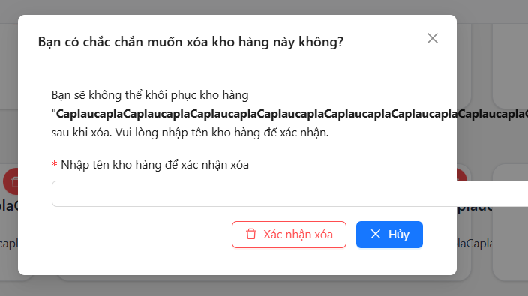
TC_14 | Testing runs on Mobile screens | Warehouse | Logged in | 1. Log in to the web 2. Go to the Warehouse function screen 3.View the display on the phone. 4. Successful display | 4. Successful display | 4. Errors displayed on the phone screen | High | High | 2025-11-03 | Tran Thai Tu |  | Build 1.1 | Acer Win 11 | DEV | NEW
TC_15 | Further testing is successful | Warehouse | Logged in | 1. After logging in to the website. 2. Tap the Inventory screen. 3. Then click on the warehouse function. 4. Enter the desired warehouse name. 5. Enter the desired warehouse address. 6. After entering check the correct information. 7. Press the save information button. 8. Check save and see successfully. | 1. After entering, please check the correct information. 2. Press the delete confirmation button. 3. Check the save frame and view successfully.. | 8. Leave it blank but can still save | High | High | 2025-11-03 | Tran Thai Tu |  | Build 1.1 | Acer Win 11 | DEV | NEW
TC_16 | Mobile Site Audit | Warehouse management screen | Logged in | 1. Log in to the app on your phone. 2. Click "Manage Warehouse". 3. Display the warehouse management screen. | 3. Display the warehouse management screen. 4. Confirm normal display. | 4. Errors displayed on the phone screen | High | High | 2025-11-03 | Tran Thai Tu |  | Build 1.1 | Acer Win 11 | DEV | NEW
TC_17 | Verify sorting | Warehouse management screen | Logged in | 1. Open Inventory List. 2. Click sort by name. 3. Observe order. 4. Sort by quantity. 5. Verify change. | 4. List sorted correctly. 5. Display order updates. | 5. Show unorganized lists | High | Medium | 2025-11-03 | Tran Thai Tu |  | Build 1.1 | Acer Win 11 | DEV | NEW | 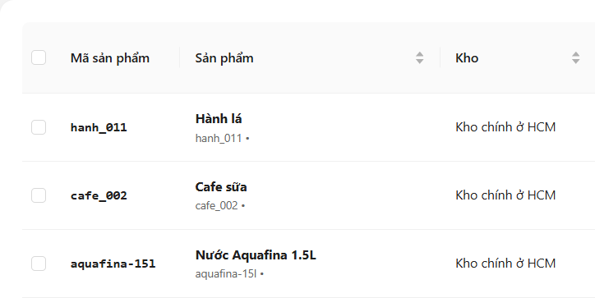
TC_18 | Verify print report | Warehouse management screen | Logged in | 1. Finish audit. 2. Click Print. 3. Choose format. 4. Confirm. 5. Check output. | 4. Report generated. 5. File downloads. | 5. No File Download Button | High | Medium | 2025-11-03 | Tran Thai Tu |  | Build 1.1 | Acer Win 11 | DEV | NEW | 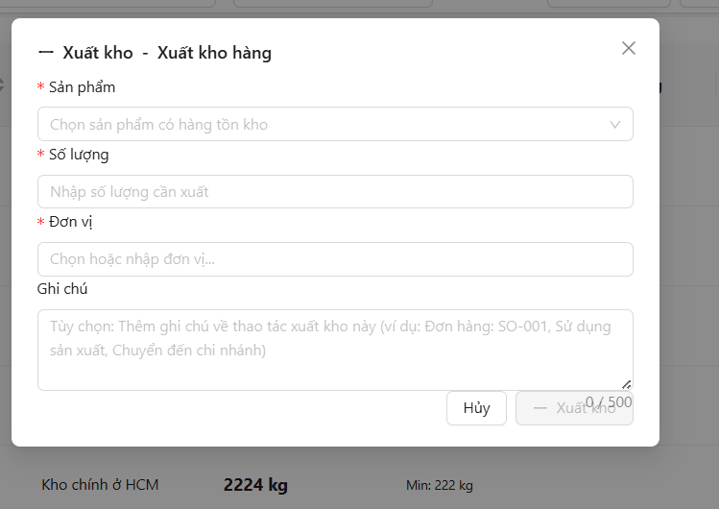
TC_19 | Verify table sorting by warehouse name | Warehouse management screen | Logged in | 1. Open the "Inventory Management" page. 2. Click on the "Ingredients" column header. 3. Comply with the sorting order (A–Z). 4. Click on the same title again. 5. Comply with the sorting order (Z–A). | 1. Data sorts alphabetically in ascending order (A–Z) on first click. 2. Data sorts in descending order (Z–A) on second click. 3. Sorting works consistently. | 5. Show unorganized lists | High | Medium | 2025-11-03 | Tran Thai Tu |  | Build 1.1 | Acer Win 11 | DEV | NEW | 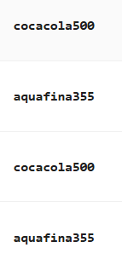
TC_20 | Verify low inventory warning in which city the branch has inventory | Warehouse management screen | Logged in | 1. Open the "Warehouse Management" page. 2. Click on the "Inventory Management" column heading. 3. Display the data to be displayed. 4. Then click "import to stock" to add. 5. Show more successful warehouses in the right branch to add. | 5. After adding the display successfully 6. Display "Main warehouse in Ho Chi Minh City" add warehouse successfully | 6. When adding, I don't know which warehouse to add | High | Medium | 2025-11-03 | Tran Thai Tu |  | Build 1.1 | Acer Win 11 | DEV | NEW
TC_21 | Verify report generation | Warehouse management screen | Logged in | 1. Click Reports. 2. Select “Inventory”. 3. Choose range. 4. Click Generate. 5. View output. | 4. Report created. 5. Data shown. | 5. No button to report data when needed. | High | Medium | 2025-11-03 | Tran Thai Tu |  | Build 1.1 | Acer Win 11 | DEV | NEW
TC_22 | Verify export to PDF | Warehouse management screen | Logged in | 1. Generate report. 2. Click Export PDF. 3. Wait file. 4. Open file. 5. Review format. | 4. File exported. 5. Format correct. | 5. Unable to export PDF files | High | Medium | 2025-11-03 | Tran Thai Tu |  | Build 1.1 | Acer Win 11 | DEV | NEW
TC_23 | Add receipt batch (With Expiry Date) | Raw material inventory | Logged in | 1. Choose the ingredients (Beef fillet). 2. Check the "Have an expiration date" box. 3. Enter a valid expiration date (25/12/2026). 4. Click Warehouse. | 1. Batch added successfully. 2. The expiry date is recorded in the material's lot details. | 4. Expiration date or production date cannot be entered | High | Medium | 2025-11-03 | Tran Thai Tu |  | Build 1.1 | Acer Win 11 | DEV | NEW | 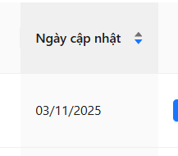
TC_24 | Stocktaking Note | Raw material inventory | Logged in | 1. Enter the quantity of the Actual Inspection. 2. Enter the content in the Notes field (Defective Goods/Damaged Goods). 3. Click Complete Inventory. | 1. Stocktaking successful. 2. The Note content is saved and visible in the stocktake history. | 3. Show more irregularities | High | Medium | 2025-11-03 | Tran Thai Tu |  | Build 1.1 | Acer Win 11 | DEV | NEW | 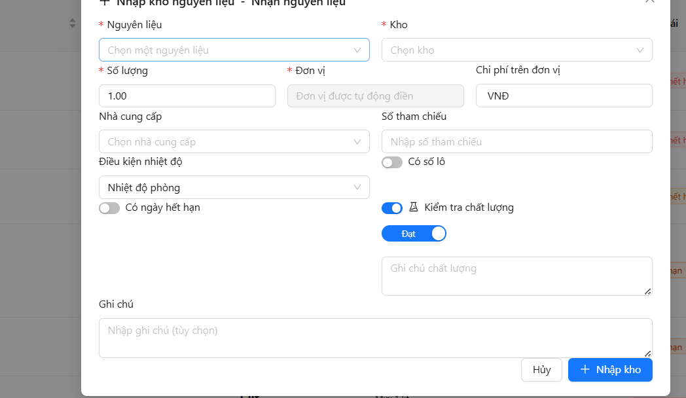
TC_25 | Verify Total parameters (Total Import/Export/Variance) | Raw material inventory | Logged in | 1. Check the figures for Total Import, Total Export, Stock Variance at the top. | 1. The displayed figures match the calculated sum of the transactions in the table. | 3.When the fault cannot be corrected | High | Medium | 2025-11-03 | Tran Thai Tu |  | Build 1.1 | Acer Win 11 | DEV | NEW
TC_26 | Filter only Goods Receipt | Raw material inventory | Logged in | 1. Check the "Goods Receipt" box. 2. Uncheck other types (Export, Addition, Cancellation). 3. Click Search. | 1. Only display Goods Receipt transactions. | 3. Unable to update the date yourself | High | Medium | 2025-11-03 | Tran Thai Tu |  | Build 1.1 | Acer Win 11 | DEV | NEW | 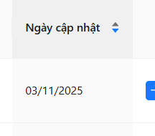
TC_27 | Filter only Goods Issue | Raw material inventory | Logged in | 1. Check the "Goods Issue" box. 2. Uncheck other types. 3. Click Search. | 1. Only display Goods Issue transactions. | 3. Not showing transactions | High | Medium | 2025-11-03 | Tran Thai Tu |  | Build 1.1 | Acer Win 11 | DEV | NEW
TC_28 | Filter only Cancellation (Stocktake Shortage) | Raw material inventory | Logged in | 1. Check the "Cancellation" box. 2. Uncheck other types. 3. Click Search. | 1. Only display Cancellation transactions (resulting from stocktake shortage). | 3. No cancellation button when necessary | High | Medium | 2025-11-03 | Tran Thai Tu |  | Build 1.1 | Acer Win 11 | DEV | NEW
TC_29 | Display interface on various screen sizes | Raw material inventory | Logged in | 1. Change browser window size to simulate Tablet size. 2. Change browser window size to simulate Mobile size. 3. Check layout and component visibility. | 1. The interface is Responsive (layout adjusts automatically). 2. No broken layout, text is not overflowed/hidden. | 3. No trading button | High | Medium | 2025-11-03 | Tran Thai Tu |  | Build 1.1 | Acer Win 11 | DEV | NEW | 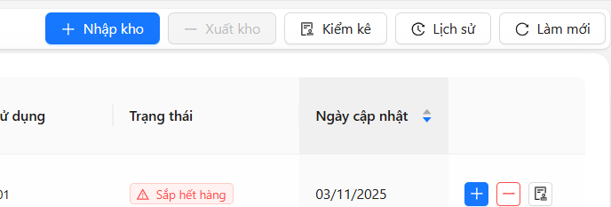
TC_30 | Check the export file button in the history | Raw material inventory | Logged in | 1. Website Login 2. Press the required function. 3. Click on the function history. 4. Click the button to export the data file. 5 Successful Export Confirmation | 4. Click the button to export the data file. 5 Successful Export Confirmation | 5 Unable to export files as required | High | Medium | 2025-11-03 | Tran Thai Tu |  | Build 1.1 | Acer Win 11 | DEV | NEW | 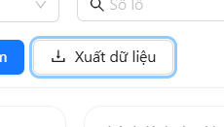
TC_31 | Phone number already exists in the system (Duplicate) | Employee Screen | Login account success | 1. Log in to the software 2. Select Employee 3. Click Add Employee 4. Enter employee A's phone number for employee B 5. Enter remain information 6. Click Create employee | 1. Login successful 2. Employee screen display 3. Create new employee screen display 4. Error display: "Phone number already exist" 5. Can enter normaly 6. Can't Create because phone number error | 6. Can create normaly | High | High | 2025-11-03 | Tran Thai Tu |  | Build 1.0 | Acer Win 11 | Dev | New | 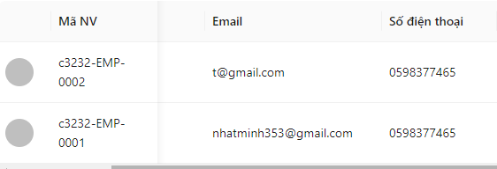
TC_32 | Duplicate name error (case insensitive) | Employee Screen | Login account success | 1. Log in to the software 2. Select Employee 3. Click Add Employee 4. Enter employee name duplicate (lowercase) 5. Enter remain information 6. Click Create employee | 1. Login successful 2. Employee screen display 3. Create new employee screen display 4. Error display: "Name already exist" 5. Can enter normaly 6. Can't Create because phone number error | 6. Can create normaly | High | Medium | 2025-11-03 | Tran Thai Tu |  | Build 1.0 | Acer Win 11 | Dev | New
TC_33 | Layout error on mobile | All Function | Login success | 1. Use mobile device to login the software 2. Check the layout | 1. Login successful 2. Layout display normal | 2.Layout error on mobile | High | High | 2025-11-03 | Tran Thai Tu |  | Build 1.0 | Acer Win 11 | Dev | New | 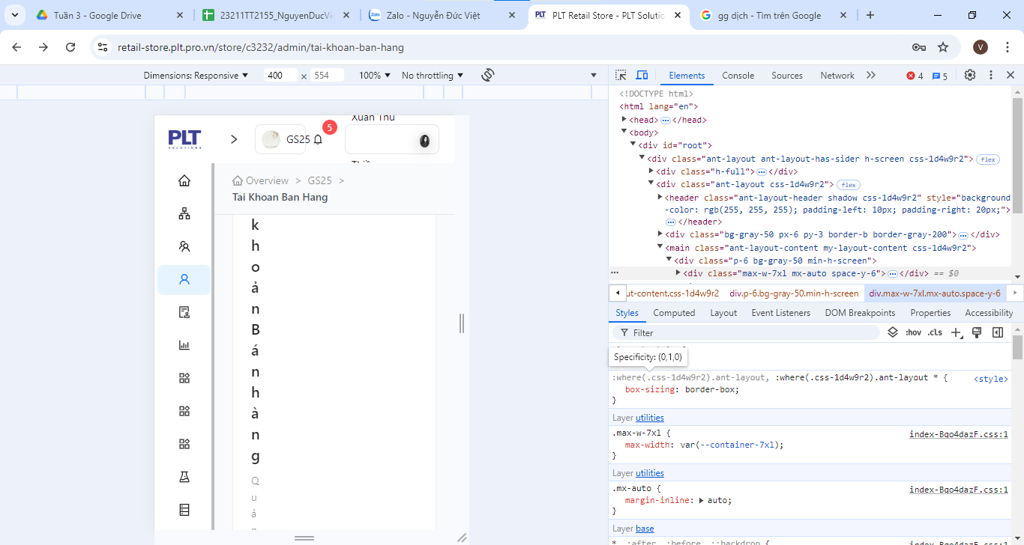
TC_34 | Error can't add the summary of production | Synthetic products | Create a product | 1.Log in to the software 2.Select Synthetic product 3.Click Add the summary of production 4.Input information 5.Click Create | 1.Login successful 2.Synthetic product screen appear 3.Add the summary of production screen appear 4.Can input normally 5.Create successful | 5.Can't create the summary of production | High | Serious | 2025-11-03 | Tran Thai Tu |  | Build 1.0 | Acer Win 11 | Dev | New | 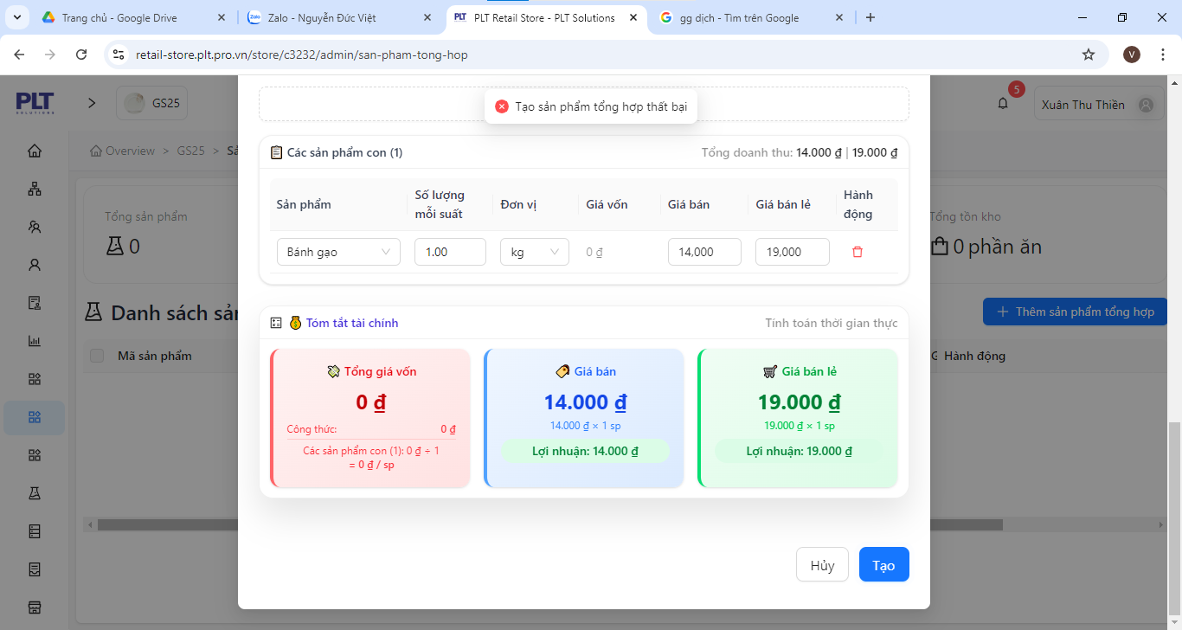
TC_35 | Error can input whitespaces and no error message appear | Employee Screen | Login success | 1.Log in to the software 2.Select Employee 3.Click add employee 4.Input whitespaces at employee name 5.Check the result | 1.Login successful 2.Employee screen appears 3.Add employee screen appear 4.Can input whitespaces 5.Immediatly a error message appear | 5.No error message until click Create | Low | Medium | 2025-11-03 | Tran Thai Tu |  | Build 1.0 | Acer Win 11 | Dev | New | 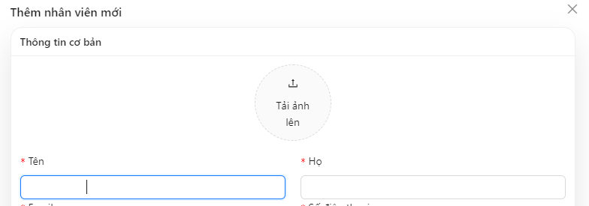
TC_36 | Error can input special characters and no error message appear | Employee Screen | Login success | 1.Log in to the software 2.Select Employee 3.Click add employee 4.Input special characters at employee name 5.Check the result | 1.Login successful 2.Employee screen appears 3.Add employee screen appear 4.Can input special characters 5.Immediatly a error message appear | 5.No error message until click Create | Low | Medium | 2025-11-03 | Tran Thai Tu |  | Build 1.0 | Acer Win 11 | Dev | New | 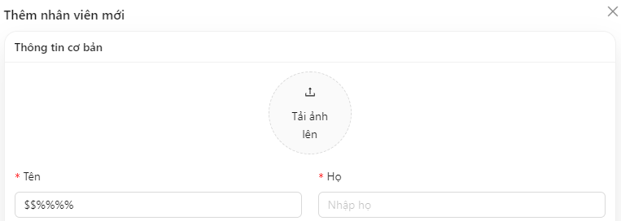
TC_37 | Error filling spaces in non-required fields | Employee Screen | Login success | 1.Log in to the software 2.Select Employee 3.Click add employee 4.Input whitespaces in non-required fields(Relationship field,…) 5.Check the result | 1.Login successful 2.Employee screen appears 3.Add employee screen appear 4.Can input whitespaces 5.Immediatly a error message appear | 5.No error message | Low | Low | 2025-11-03 | Tran Thai Tu |  | Build 1.0 | Acer Win 11 | Dev | New | 
TC_38 | Error can input day of work equal to 1 day in the past | Employee Screen | Login success | 1.Log in to the software 2.Select Employee 3.Click add employee 4.Input day of work equal to 1 day in the past 5.Check the result | 1.Login successful 2.Employee screen appears 3.Add employee screen appear 4.Can input normally 5.Immediatly a error message appear | 5.No error message | Medium | Low | 2025-11-03 | Tran Thai Tu |  | Build 1.0 | Acer Win 11 | Dev | New
TC_39 | Error entering number in position field | Employee Screen | Login success | 1.Log in to the software 2.Select Employee 3.Click add employee 4.Input number in position field 5.Check the result | 1.Login successful 2.Employee screen appears 3.Add employee screen appear 4.Can input normally 5.Immediatly a error message appear | 5.No error message | Medium | Low | 2025-11-03 | Tran Thai Tu |  | Build 1.0 | Acer Win 11 | Dev | New
TC_40 | Error entering special characters in country field | Employee Screen | Login success | 1.Log in to the software 2.Select Employee 3.Click add employee 4.Input special characters in country field 5.Check the result | 1.Login successful 2.Employee screen appears 3.Add employee screen appear 4.Can input normally 5.Immediatly a error message appear | 5.No error message | Medium | Low | 2025-11-03 | Tran Thai Tu |  | Build 1.0 | Acer Win 11 | Dev | New
TC_41 | Error entering whitespaces in country field | Employee Screen | Login success | 1.Log in to the software 2.Select Employee 3.Click add employee 4.Input whitespaces in country field 5.Check the result | 1.Login successful 2.Employee screen appears 3.Add employee screen appear 4.Can input normally 5.Immediatly a error message appear | 5.No error message | Medium | Low | 2025-11-03 | Tran Thai Tu |  | Build 1.0 | Acer Win 11 | Dev | New
TC_42 | Error entering number in country field | Employee Screen | Login success | 1.Log in to the software 2.Select Employee 3.Click add employee 4.Input numbers in country field 5.Check the result | 1.Login successful 2.Employee screen appears 3.Add employee screen appear 4.Can input normally 5.Immediatly a error message appear | 5.No error message | Medium | Low | 2025-11-03 | Tran Thai Tu |  | Build 1.0 | Acer Win 11 | Dev | New
TC_43 | Error entering special characters in city field | Employee Screen | Login success | 1.Log in to the software 2.Select Employee 3.Click add employee 4.Input special characters in city field 5.Check the result | 1.Login successful 2.Employee screen appears 3.Add employee screen appear 4.Can input normally 5.Immediatly a error message appear | 5.No error message | Medium | Medium | 2025-11-03 | Tran Thai Tu |  | Build 1.0 | Acer Win 11 | Dev |  New
TC_44 | Error entering whitespaces in city field | Employee Screen | Login success | 1.Log in to the software 2.Select Employee 3.Click add employee 4.Input whitespaces in city field 5.Check the result | 1.Login successful 2.Employee screen appears 3.Add employee screen appear 4.Can input normally 5.Immediatly a error message appear | 5.No error message | Medium | Low | 2025-11-03 | Tran Thai Tu |  | Build 1.0 | Acer Win 11 | Dev | New | 
TC_45 | Error entering number in city field | Employee Screen | Login success | 1.Log in to the software 2.Select Employee 3.Click add employee 4.Input number in city field 5.Check the result | 1.Login successful 2.Employee screen appears 3.Add employee screen appear 4.Can input normally 5.Immediatly a error message appear | 5.No error message | Medium | Low | 2025-11-03 | Tran Thai Tu |  | Build 1.0 | Acer Win 11 | Dev | New | 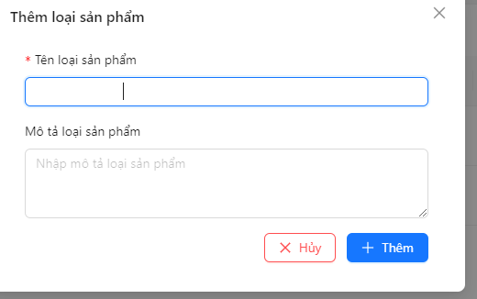 
TC_46 | Error entering whitespaces in product type name | List of product types screen | Login success | 1.Log in to the software 2.Select product type management 3.Click Add new 4.Input whitespace in product type name 5.Click Add | 1.Login successful 2.Product type management screen appear 3.Add new product type screen appear 4.Can input normally 5.Can't Add | 5.Can add normally | Medium | Medium | 2025-11-03 | Tran Thai Tu |  | Build 1.0 | Acer Win 11 | Dev | New | 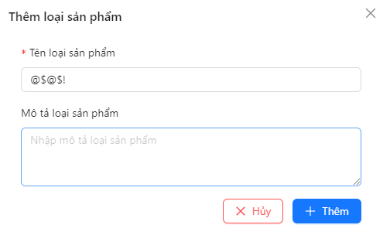
TC_47 | Error entering only number in product type name | List of product types screen | Login success | 1.Log in to the software 2.Select product type management 3.Click Add new 4.Input only number in product type name 5.Click Add | 1.Login successful 2.Product type management screen appear 3.Add new product type screen appear 4.Can input normally 5.Can't Add | 5.Can add normally | Medium | Medium | 2025-11-03 | Tran Thai Tu |  | Build 1.0 | Acer Win 11 | Dev | New
TC_48 | Error entering only special character in product type name | List of product types screen | Login success | 1.Log in to the software 2.Select product type management 3.Click Add new 4.Input only special character in product type name 5.Click Add | 1.Login successful 2.Product type management screen appear 3.Add new product type screen appear 4.Can input normally 5.Can't Add | 5.Can add normally | Medium | Medium | 2025-11-03 | Tran Thai Tu |  | Build 1.0 | Acer Win 11 | Dev | New
TC_49 | Error can enter number in supplier name field | Supplier screen | Login success | 1.Log in to the software 2.Select Supplier 3.Click Add supplier 4.Input only numbers in supplier name 5.Click Add | 1.Login successful 2.Supplier screen appear 3.Add supplier screen appear 4.Can input normally 5.Can't add | 5.Can add normally | High | Medium | 2025-11-03 | Tran Thai Tu |  | Build 1.0 | Acer Win 11 | Dev | New
TC_50 | Error can enter whitespaces in supplier name field | Supplier screen | Login success | 1.Log in to the software 2.Select Supplier 3.Click Add supplier 4.Input only whitespaces in supplier name 5.Click Add | 1.Login successful 2.Supplier screen appear 3.Add supplier screen appear 4.Can input normally 5.Can't add | 5.Can add normally | High | Medium | 2025-11-03 | Tran Thai Tu |  | Build 1.0 | Acer Win 11 | Dev | New

NguyenDucViet_FreeDefectList
Defect ID | Title | Screen | Pre-condition | Steps | Expected Results | Actual results | Priority | Serverity | Date | Owner | TC'ID | Build | System | Assign To | Status | Evident (Hình ảnh lỗi)
DF_01 | Phone number already exists in the system (Duplicate) | Employee Screen | Login account success | 1. Log in to the software 2. Select Employee 3. Click Add Employee 4. Enter employee A's phone number for employee B 5. Enter remain information 6. Click Create employee | 1. Login successful 2. Employee screen display 3. Create new employee screen display 4. Error display: "Phone number already exist" 5. Can enter normaly 6. Can't Create because phone number error | 6. Can create normaly | High | High | 2025-11-03 | Đức Việt | TC_01 | Build 1.0 | Asus Win 10 | Dev | New
DF_02 | Duplicate name error (case insensitive) | Employee Screen | Login account success | 1. Log in to the software 2. Select Employee 3. Click Add Employee 4. Enter employee name duplicate (lowercase) 5. Enter remain information 6. Click Create employee | 1. Login successful 2. Employee screen display 3. Create new employee screen display 4. Error display: "Name already exist" 5. Can enter normaly 6. Can't Create because phone number error | 6. Can create normaly | High | Medium | 2025-11-03 | Đức Việt | TC_02 | Build 1.0 | Asus Win 10 | Dev | New | 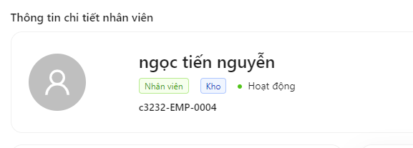
DF_03 | Layout error on mobile | All Function | Login success | 1. Use mobile device to login the software 2. Check the layout | 1. Login successful 2. Layout display normal | 2.Layout error on mobile | High | High | 2025-11-03 | Đức Việt | TC_03 | Build 1.0 | Asus Win 10 | Dev | New
DF_04 | Error can't add the summary of production | Synthetic products | Create a product | 1.Log in to the software 2.Select Synthetic product 3.Click Add the summary of production 4.Input information 5.Click Create | 1.Login successful 2.Synthetic product screen appear 3.Add the summary of production screen appear 4.Can input normally 5.Create successful | 5.Can't create the summary of production | High | Serious | 2025-11-03 | Đức Việt | TC_04 | Build 1.0 | Asus Win 10 | Dev | New
DF_05 | Error can input whitespaces and no error message appear | Employee Screen | Login success | 1.Log in to the software 2.Select Employee 3.Click add employee 4.Input whitespaces at employee name 5.Check the result | 1.Login successful 2.Employee screen appears 3.Add employee screen appear 4.Can input whitespaces 5.Immediatly a error message appear | 5.No error message until click Create | Low | Medium | 2025-11-03 | Đức Việt | TC_05 | Build 1.0 | Asus Win 10 | Dev | New
DF_06 | Error can input special characters and no error message appear | Employee Screen | Login success | 1.Log in to the software 2.Select Employee 3.Click add employee 4.Input special characters at employee name 5.Check the result | 1.Login successful 2.Employee screen appears 3.Add employee screen appear 4.Can input special characters 5.Immediatly a error message appear | 5.No error message until click Create | Low | Medium | 2025-11-03 | Đức Việt | TC_06 | Build 1.0 | Asus Win 10 | Dev | New
DF_07 | Error filling spaces in non-required fields | Employee Screen | Login success | 1.Log in to the software 2.Select Employee 3.Click add employee 4.Input whitespaces in non-required fields(Relationship field,…) 5.Check the result | 1.Login successful 2.Employee screen appears 3.Add employee screen appear 4.Can input whitespaces 5.Immediatly a error message appear | 5.No error message | Low | Low | 2025-11-03 | Đức Việt | TC_07 | Build 1.0 | Asus Win 10 | Dev | New
DF_08 | Error can input day of work equal to 1 day in the past | Employee Screen | Login success | 1.Log in to the software 2.Select Employee 3.Click add employee 4.Input day of work equal to 1 day in the past 5.Check the result | 1.Login successful 2.Employee screen appears 3.Add employee screen appear 4.Can input normally 5.Immediatly a error message appear | 5.No error message | Medium | Low | 2025-11-03 | Đức Việt | TC_08 | Build 1.0 | Asus Win 10 | Dev | New
DF_09 | Error entering number in position field | Employee Screen | Login success | 1.Log in to the software 2.Select Employee 3.Click add employee 4.Input number in position field 5.Check the result | 1.Login successful 2.Employee screen appears 3.Add employee screen appear 4.Can input normally 5.Immediatly a error message appear | 5.No error message | Medium | Low | 2025-11-03 | Đức Việt | TC_09 | Build 1.0 | Asus Win 10 | Dev | New
DF_10 | Error entering special characters in country field | Employee Screen | Login success | 1.Log in to the software 2.Select Employee 3.Click add employee 4.Input special characters in country field 5.Check the result | 1.Login successful 2.Employee screen appears 3.Add employee screen appear 4.Can input normally 5.Immediatly a error message appear | 5.No error message | Medium | Low | 2025-11-03 | Đức Việt | TC_10 | Build 1.0 | Asus Win 10 | Dev | New
DF_11 | Error entering whitespaces in country field | Employee Screen | Login success | 1.Log in to the software 2.Select Employee 3.Click add employee 4.Input whitespaces in country field 5.Check the result | 1.Login successful 2.Employee screen appears 3.Add employee screen appear 4.Can input normally 5.Immediatly a error message appear | 5.No error message | Medium | Low | 2025-11-03 | Đức Việt | TC_11 | Build 1.0 | Asus Win 10 | Dev | New
DF_12 | Error entering number in country field | Employee Screen | Login success | 1.Log in to the software 2.Select Employee 3.Click add employee 4.Input numbers in country field 5.Check the result | 1.Login successful 2.Employee screen appears 3.Add employee screen appear 4.Can input normally 5.Immediatly a error message appear | 5.No error message | Medium | Low | 2025-11-03 | Đức Việt | TC_12 | Build 1.0 | Asus Win 10 | Dev | New
DF_13 | Error entering special characters in city field | Employee Screen | Login success | 1.Log in to the software 2.Select Employee 3.Click add employee 4.Input special characters in city field 5.Check the result | 1.Login successful 2.Employee screen appears 3.Add employee screen appear 4.Can input normally 5.Immediatly a error message appear | 5.No error message | Medium | Medium | 2025-11-03 | Đức Việt | TC_13 | Build 1.0 | Asus Win 10 | Dev | New
DF_14 | Error entering whitespaces in city field | Employee Screen | Login success | 1.Log in to the software 2.Select Employee 3.Click add employee 4.Input whitespaces in city field 5.Check the result | 1.Login successful 2.Employee screen appears 3.Add employee screen appear 4.Can input normally 5.Immediatly a error message appear | 5.No error message | Medium | Low | 2025-11-03 | Đức Việt | TC_14 | Build 1.0 | Asus Win 10 | Dev | New
DF_15 | Error entering number in city field | Employee Screen | Login success | 1.Log in to the software 2.Select Employee 3.Click add employee 4.Input number in city field 5.Check the result | 1.Login successful 2.Employee screen appears 3.Add employee screen appear 4.Can input normally 5.Immediatly a error message appear | 5.No error message | Medium | Low | 2025-11-03 | Đức Việt | TC_15 | Build 1.0 | Asus Win 10 | Dev | New
DF_16 | Error entering whitespaces in product type name | List of product types screen | Login success | 1.Log in to the software 2.Select product type management 3.Click Add new 4.Input whitespace in product type name 5.Click Add | 1.Login successful 2.Product type management screen appear 3.Add new product type screen appear 4.Can input normally 5.Can't Add | 5.Can add normally | Medium | Medium | 2025-11-03 | Đức Việt | TC_16 | Build 1.0 | Asus Win 10 | Dev | New
DF_17 | Error entering only number in product type name | List of product types screen | Login success | 1.Log in to the software 2.Select product type management 3.Click Add new 4.Input only number in product type name 5.Click Add | 1.Login successful 2.Product type management screen appear 3.Add new product type screen appear 4.Can input normally 5.Can't Add | 5.Can add normally | Medium | Medium | 2025-11-03 | Đức Việt | TC_17 | Build 1.0 | Asus Win 10 | Dev | New | 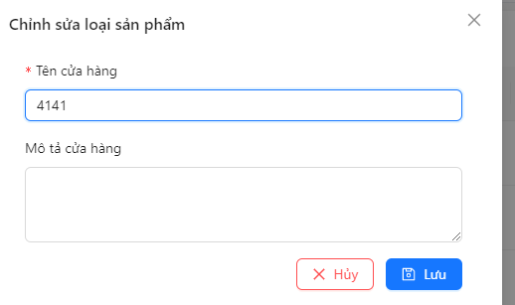
DF_18 | Error entering only special character in product type name | List of product types screen | Login success | 1.Log in to the software 2.Select product type management 3.Click Add new 4.Input only special character in product type name 5.Click Add | 1.Login successful 2.Product type management screen appear 3.Add new product type screen appear 4.Can input normally 5.Can't Add | 5.Can add normally | Medium | Medium | 2025-11-03 | Đức Việt | TC_18 | Build 1.0 | Asus Win 10 | Dev | New
DF_19 | Error can enter number in supplier name field | Supplier screen | Login success | 1.Log in to the software 2.Select Supplier 3.Click Add supplier 4.Input only numbers in supplier name 5.Click Add | 1.Login successful 2.Supplier screen appear 3.Add supplier screen appear 4.Can input normally 5.Can't add | 5.Can add normally | High | Medium | 2025-11-03 | Đức Việt | TC_19 | Build 1.0 | Asus Win 10 | Dev | New
DF_20 | Error can enter specal character in supplier name field | Supplier screen | Login success | 1.Log in to the software 2.Select Supplier 3.Click Add supplier 4.Input only special character in supplier name 5.Click Add | 1.Login successful 2.Supplier screen appear 3.Add supplier screen appear 4.Can input normally 5.Can't add | 5.Can add normally | High | Medium | 2025-11-03 | Đức Việt | TC_20 | Build 1.0 | Asus Win 10 | Dev | New
DF_21 | Error can enter whitespaces in supplier name field | Supplier screen | Login success | 1.Log in to the software 2.Select Supplier 3.Click Add supplier 4.Input only whitespaces in supplier name 5.Click Add | 1.Login successful 2.Supplier screen appear 3.Add supplier screen appear 4.Can input normally 5.Can't add | 5.Can add normally | High | Medium | 2025-11-03 | Đức Việt | TC_21 | Build 1.0 | Asus Win 10 | Dev | New
DF_22 | Error entering contact name with special characters | Add supplier screen | Login success | 1.Log in to the software 2.Select Supplier 3.Click Add supplier 4.Input only special character in contract name 5.Click Add | 1.Login successful 2.Supplier screen appear 3.Add supplier screen appear 4.Can input normally 5.Can't add | 5.Can add normally | Medium | Medium | 2025-11-03 | Đức Việt | TC_22 | Build 1.0 | Asus Win 10 | Dev | New
DF_23 | Error entering contact name with number only | Add supplier screen | Login success | 1.Log in to the software 2.Select Supplier 3.Click Add supplier 4.Input only number in contract name 5.Click Add | 1.Login successful 2.Supplier screen appear 3.Add supplier screen appear 4.Can input normally 5.Can't add | 5.Can add normally | Medium | Medium | 2025-11-03 | Đức Việt | TC_23 | Build 1.0 | Asus Win 10 | Dev | New
DF_24 | Error entering contact name with whitespaces only | Add supplier screen | Login success | 1.Log in to the software 2.Select Supplier 3.Click Add supplier 4.Input only whitespace in contract name 5.Click Add | 1.Login successful 2.Supplier screen appear 3.Add supplier screen appear 4.Can input normally 5.Can't add | 5.Can add normally | Medium | Medium | 2025-11-03 | Đức Việt | TC_24 | Build 1.0 | Asus Win 10 | Dev | New
DF_25 | Error entering dish name by number | Create recipe screen | Have ingredient | 1.Log in to the software 2.Select recipe 3.Click Add recipe 4.Input only number in dish name 5.Click Add | 1.Login successful 2.Recipe screen appear 3.Add recipe screen appear 4.Can input normally 5.Can't add | 5.Can add normally | Medium | Medium | 2025-11-03 | Đức Việt | TC_25 | Build 1.0 | Asus Win 10 | Dev | New
DF_26 | Error entering dish name by special character | Create recipe screen | Have ingredient | 1.Log in to the software 2.Select recipe 3.Click Add recipe 4.Input only special character in dish name 5.Click Add | 1.Login successful 2.Recipe screen appear 3.Add recipe screen appear 4.Can input normally 5.Can't add | 5.Can add normally | Medium | Medium | 2025-11-03 | Đức Việt | TC_26 | Build 1.0 | Asus Win 10 | Dev | New
DF_27 | Error entering dish name by whitespaces | Create recipe screen | Have ingredient | 1.Log in to the software 2.Select recipe 3.Click Add recipe 4.Input only whitespaces in dish name 5.Click Add | 1.Login successful 2.Recipe screen appear 3.Add recipe screen appear 4.Can input normally 5.Can't add | 5.Can add normally | Medium | Medium | 2025-11-03 | Đức Việt | TC_27 | Build 1.0 | Asus Win 10 | Dev | New
DF_28 | Verify duplicate data restriction | Warehouse screen | Logged in | "1. After logging in to the website. 2. Tap the Inventory screen. 3. Then click on the warehouse function. 4. Enter the desired warehouse name. 5. Enter the desired warehouse address. 6. After entering, please check the correct information. 7. Press the save information button. 8. Duplicate display check. 9. Duplicate confirmation looks savable." | "7. Press the save information button. 8. Duplicate display check. 9. Duplicate confirmation looks savable." | 9. Duplicate confirmation looks savable. | High | Medium | 2025-11-03 | Đức Việt | TC_28 | Build 1.0 | Asus Win 10 | Dev | New
DF_29 | Verify search warehouse by name | Warehouse | Logged in | "1. Navigate to “Warehouse ”. 2. Enter the warehouse name in the search field (e.g., “HCM”). 3. Click the search icon or press Enter. 4. Observe the filtered list. 5. Verify that only matching warehouses appear." | "1. The system filters and displays warehouses matching the search keyword. 2. Non-matching warehouses are excluded. 3. The filtered list updates immediately without page reload." | 5. No search button to display | High | Medium | 2025-11-03 | Đức Việt | TC_29 | Build 1.0 | Asus Win 10 | Dev | New
DF_30 | Verify duplicate warehouse name restriction | Warehouse | Logged in | "1. Click “Add New Warehouse”. 2. Enter Warehouse Name = “HCM Warehouse”. 3. Enter Address = “12 Nguyen Trai, District 1”. 4. Click “Add”. 5. Observe system response." | "1. The system does not allow duplicate names. 2. A message “Warehouse name already exists” appears. 3. The new record is not added." | 5. The system still has duplicate names | High | Medium | 2025-11-03 | Đức Việt | TC_30 | Build 1.0 | Asus Win 10 | Dev | New
DF_31 | Verify pagination when number of warehouses exceeds page limit | Warehouse | Logged in | "1. Open the “Warehouse ” page. 2. Scroll to the bottom of the list. 3. Observe pagination controls (Next/Previous). 4. Click “Next Page”. 5. Observe the data display." | "1. Pagination controls are displayed correctly. 2. Clicking “Next Page” loads the next set of warehouses. 3. Data changes smoothly without overlapping or repetition." | 5. Not displaying the pages | High | Medium | 2025-11-03 | Đức Việt | TC_30 | Build 1.0 | Asus Win 10 | Dev | New
DF_32 | Verify table sorting by warehouse name | Warehouse | Logged in | "1. Open the “Warehouse ” page. 2. Click the “Warehouse Name” column header. 3. Observe sorting order (A–Z). 4. Click the same header again. 5. Observe sorting order (Z–A)." | "1. Data sorts alphabetically in ascending order (A–Z) on first click. 2. Data sorts in descending order (Z–A) on second click. 3. Sorting works consistently." | 5. Data is not sorted alphabetically from A-Z | High | Medium | 2025-11-03 | Đức Việt | TC_30 | Build 1.0 | Asus Win 10 | Dev | New

Evident
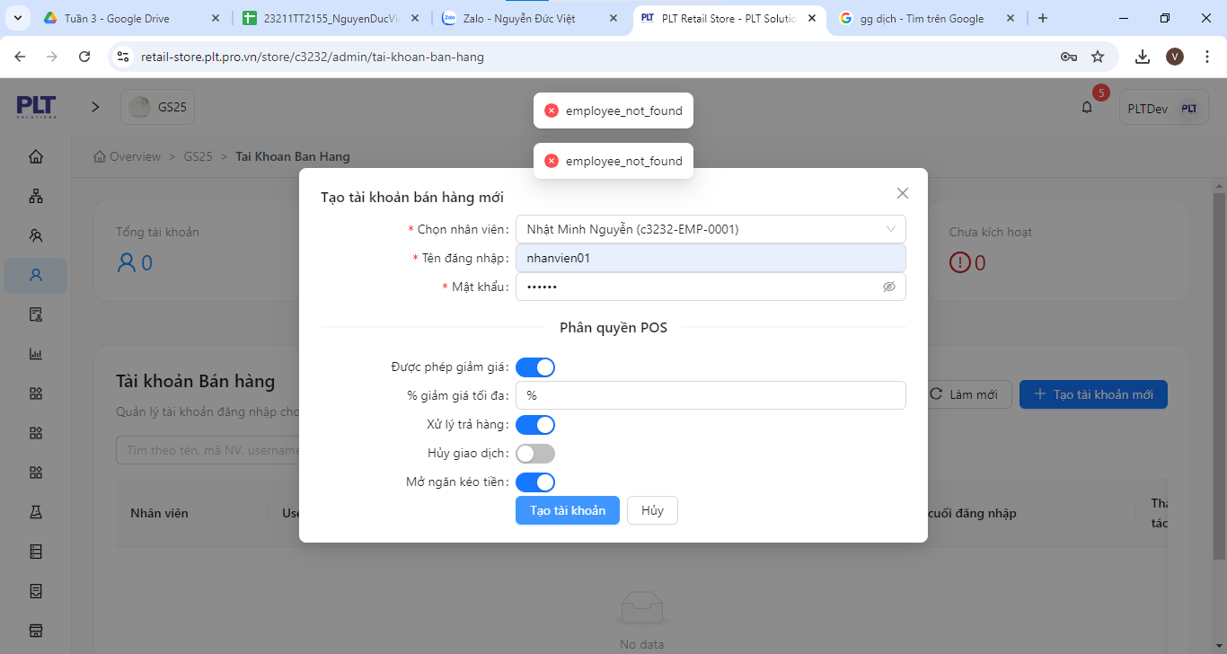
DF_01

DF_02

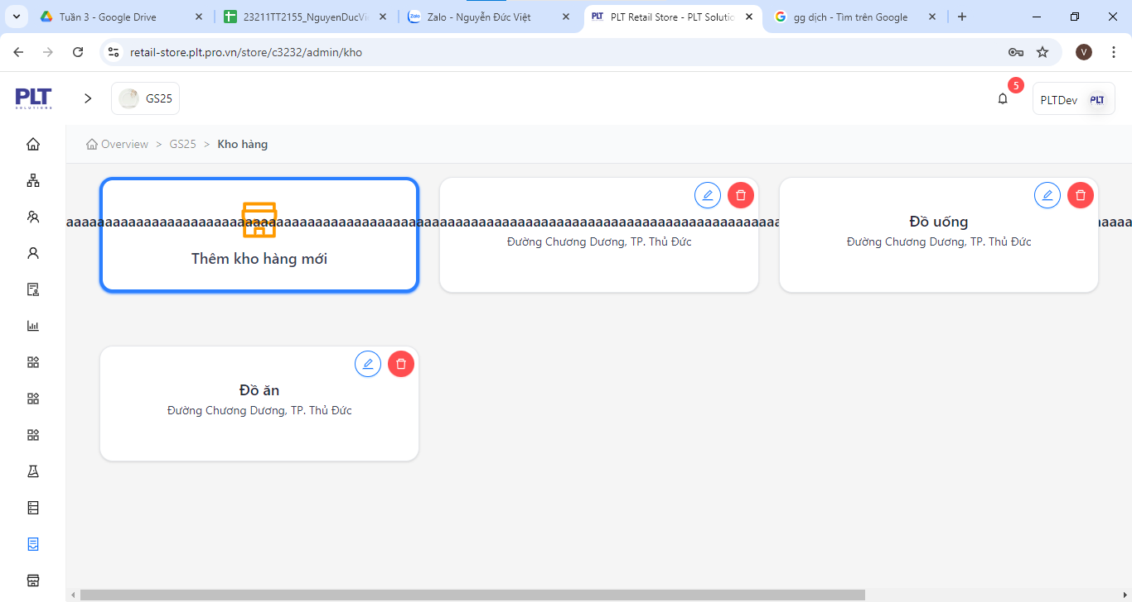
DF_03

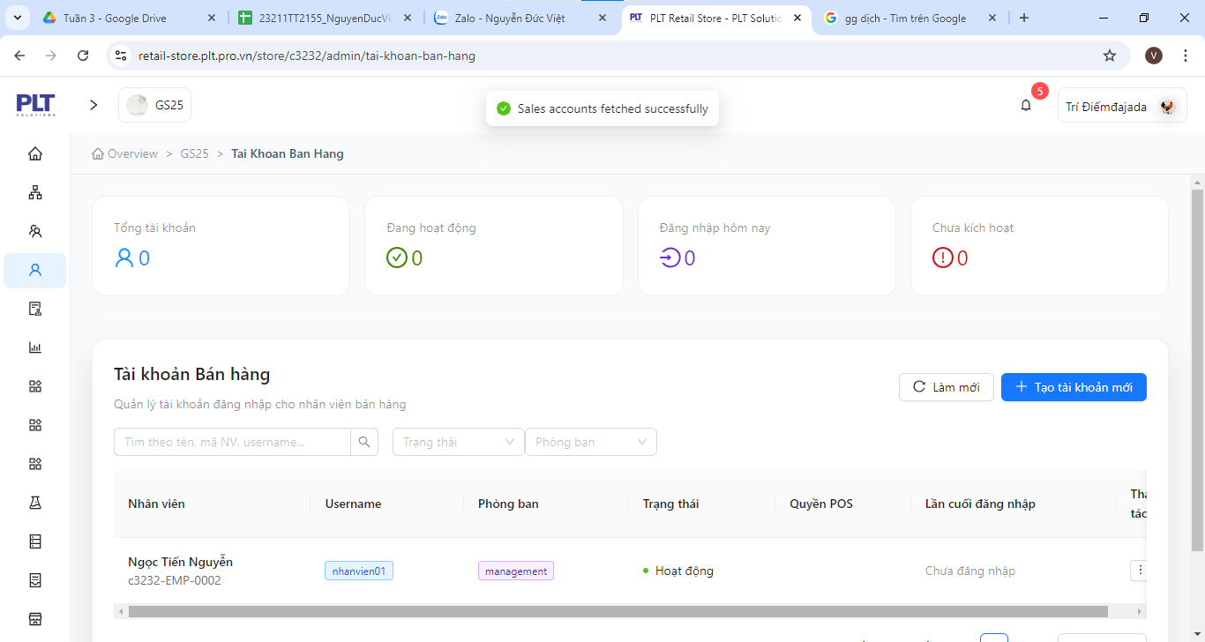
DF_04

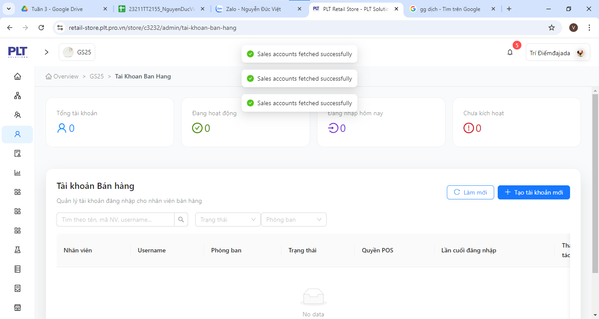

DF_05

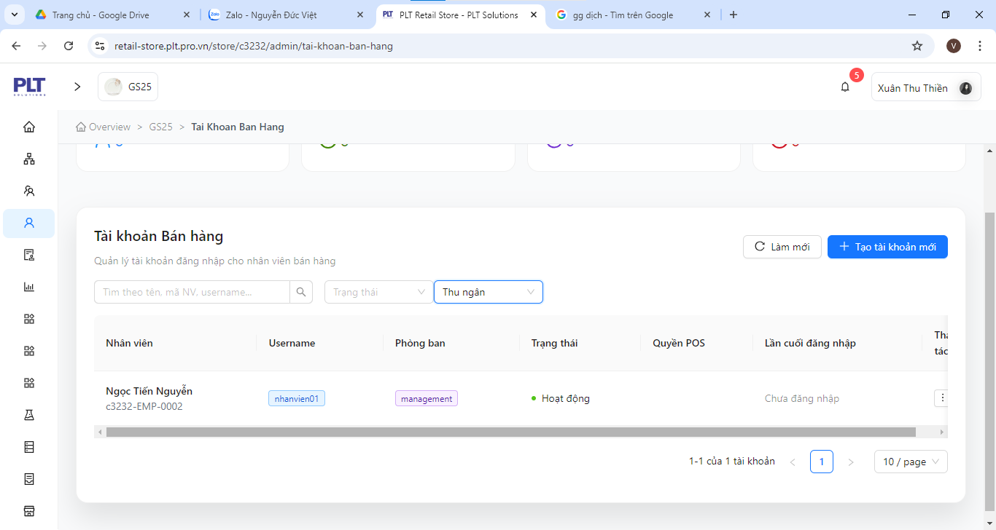
DF_06

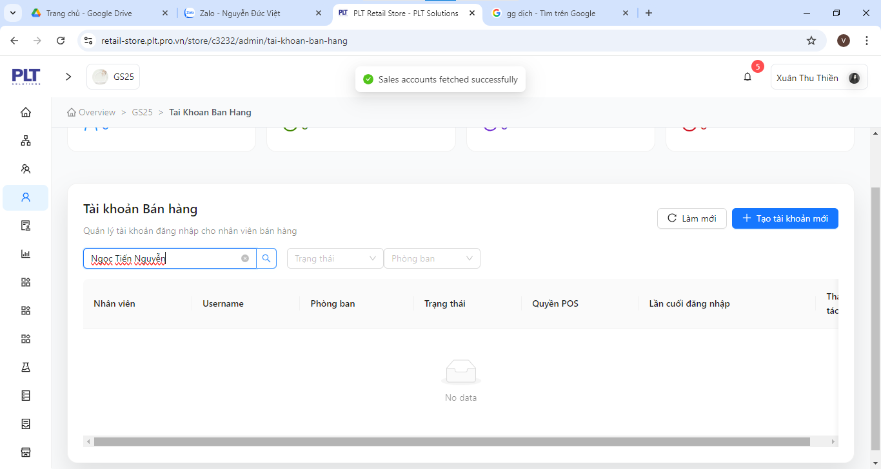
DF_07

DF_08

DinhThienBan_FreeDefectList
DF_ID | Title | Screen Pre-condition | Steps | Expected Results | Actual results | Priority | Serverity | Date | Owner | Build | System Assign To | Status | Evident (Hình ảnh lỗi)
DF_001 | Test numberbox "Number Phone" not enough characters | Employee List Management | 1. Click "Addnew" button. 2. Enter not enough number characters for numberbox "Number Phone". 3. Enter the remaining information correctly. 4. Click "Add" button. | 4. Message: "Enter complete information for Number Phone" | 4. Message: "Add successfully" | Low | Low | 2025-03-11 | Đinh Thiện Bản | ver1.1 | Window 11 | New
DF_002 | Test Database "Number Phone" | Employee List Management | 1. Create an employee with your own phone number. 2. Create a second employee with the phone number taken from the first employee. | 2. Message: "Phone number is duplicated with another employee" | 2. Message: "Add successfully" | High | High | 2025-03-11 | Đinh Thiện Bản | ver1.1 | Window 11 | New
DF_003 | Test data type consistency. | Employee List Management | 1. Identify the table with the CHECK (Price > 0) constraint. 2. Execute: INSERT INTO Ingredient (Salary Amount) VALUES (0); 3. Execute: INSERT INTO Ingredient (Salary Amount) VALUES (20.000.000); | 2. Report error “CHECK constraint violated”. 3. Data has been added successfully. | 2. Data has been added successfully. 3. Data has been added successfully. | High | High | 2025-03-11 | Đinh Thiện Bản | ver1.1 | Window 11 | New
DF_004 | Test add employee then delete add deleted employee | Employee List Management | 1. Create an employee with information correctly. 2. Delete that employee. 3. Add employee with information taken from the deleted employee information. | 2. Message: "Delete Successfully". 3. Message: "Add Succesfully". | 3. Message: "Employee code or email already exists" | High | High | 2025-03-11 | Đinh Thiện Bản | ver1.1 | Window 11 | New
DF_005 | Test functional constraints in database | Employee List Management / Sales Account Management | 1. Create an employee with information correctly. 2. Create an sales account for that employee. 3. Delete that employee. | 3. Message: "The employee cannot delete it because it is still linked to other functions." | 3. Message: "Delete successfully" | High | High | 2025-03-11 | Đinh Thiện Bản | ver1.1 | Window 11 | New
DF_006 | Test list filter function | Sales Account Management | 1. Choose filter "activate". 2. Delete filter. | 1. Show "activate" account list. 2. Show all account list. | 2. Show "No data". | High | High | 2025-03-11 | Đinh Thiện Bản | ver1.1 | Window 11 | New
DF_007 | Test list filter function | Sales Account Management | 1. filter list (sales, cashier, manager, kitchen, warehouse). 2. Choose "Sales". 3. Choose "kitchen" or anything. | 2. Show "Sales" account list. 3. Show filtered accounts list. | 2. Show all account list. 3. Show all account list | High | High | 2025-03-11 | Đinh Thiện Bản | ver1.1 | Window 11 | New | 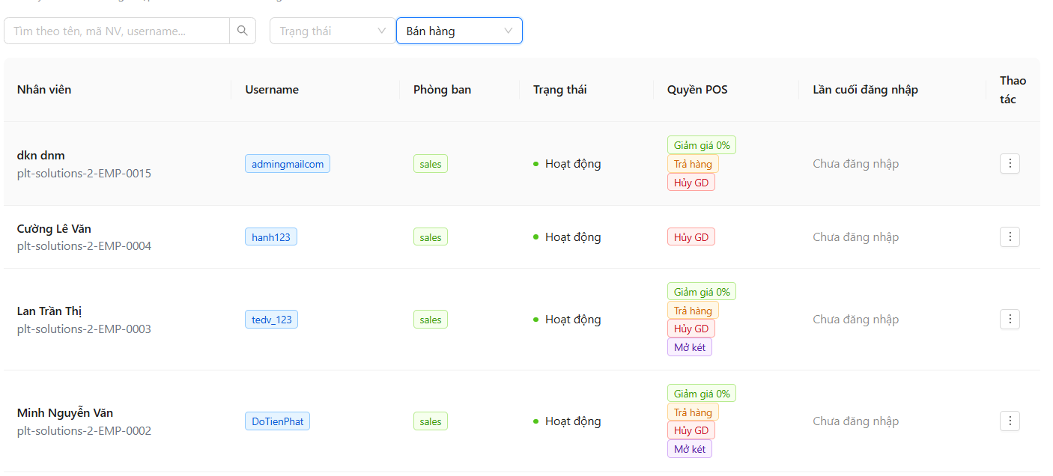
DF_008 | Test sales account summary list | Sales Account Management | 1. Go to function "Sales Account Management". 2. Check account summary list. | 2. Display the correct list. | 2. All are 0 even if there is an active account. | High | High | 2025-03-11 | Đinh Thiện Bản | ver1.1 | Window 11 | New
DF_009 | Test database outside the test value range | Employee List Management | 1. Click "Addnew" button. 2. Insert data outside the test value range for textbox "Fullname". | 2. Message: "input value outside the range" | 2. No message and Insert successfully. | High | High | 2025-03-11 | Đinh Thiện Bản | ver1.1 | Window 11 | New
DF_010 | Test for "NOT NULL" value in database | List of Suppliers | 1. Open the database management tool (SQL Server, MySQL, PostgreSQL, etc.). 2. Identify the table with the column defined as NOT NUL. 3. Observe the system response. 4. Check the data in the table. | 4. The system does not allow adding records. | 4. The system allows adding records. | High | High | 2025-03-11 | Đinh Thiện Bản | ver1.1 | Window 11 | New
DF_011 | Test database outside the test value range | List of Suppliers | 1. Click "Addnew" button. 2. Insert data outside the test value range for textbox "Name of Suppliers". | 2. Message: "input value outside the range" | 2. No message and Insert successfully. | High | High | 2025-03-11 | Đinh Thiện Bản | ver1.1 | Window 11 | New | 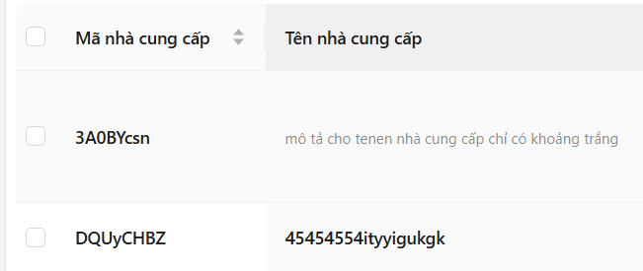
DF_012 | Test for duplicate data in the database | List of Suppliers | 2. Insert 2 or more duplicate supplier data all info except code. | 2. The system does not allow adding records. | 2. The system allows adding records. | High | High | 2025-03-11 | Đinh Thiện Bản | ver1.1 | Window 11 | New
DF_013 | Test database outside the test value range | Product Management | 1. Click "Addnew" button. 2. Insert data outside the test value range for textbox "Name Product". | 2. Message: "input value outside the range" | 2. No message and Insert successfully. | High | High | 2025-03-11 | Đinh Thiện Bản | ver1.1 | Window 11 | New
DF_014 | Test data type consistency. | Product Management | 1. Identify the table with the CHECK (Price > 0) constraint. 2. Execute: INSERT INTO Ingredient (Salary Amount) VALUES (0); | 2. Report error “CHECK constraint violated”. | 2. Data has been added successfully. | High | High | 2025-03-11 | Đinh Thiện Bản | ver1.1 | Window 11 | New
DF_015 | Check database functions | Product Management | 1. Check the database for a search function (Select * From) and filter (Select * From where) | 1. The database has a search function (Select * From) and filter (Select * From where) | 1. The database does not have a search function (Select * From) and filter (Select * From where) | Medium | Medium | 2025-03-11 | Đinh Thiện Bản | ver1.1 | Window 11 | New
DF_016 | Test database outside the test value range | List Product Type Management | 1. Click "Addnew" button. 2. Insert data outside the test value range for textbox "Name Type Product". | 2. Message: "input value outside the range" | 2. No message and Insert successfully. | High | High | 2025-03-11 | Đinh Thiện Bản | ver1.1 | Window 11 | New
DF_017 | Test PRIMARY KEY. | List Product Type Management | 1. Open the database management tool (SQL Server, MySQL, PostgreSQL, etc.). 2. Identify the table with the column defined as NOT NUL (PRIMARY KEY). 3. Observe the system response. 4. Check the data in the table. | 4. The system does not allow adding records. | 4. The system allow adding records. | High | High | 2025-03-11 | Đinh Thiện Bản | ver1.1 | Window 11 | New | 
DF_018 | Test the number of displays on a page | Product Management-Dormula | 1. Go to function "Product Management-Dormula". 2. Choose number of displays on a page. | 2. display the correct number of selected items in 1 page | 2. The selected quantity is not displayed correctly. | Low | Low | 2025-03-11 | Đinh Thiện Bản | ver1.1 | Window 11 | New
DF_019 | Test database outside the test value range | Formula Management | 1. Click "Addnew" button. 2. Insert data outside the test value range for textbox "Name of the dish". | 2. Message: "input value outside the range" | 2. No message and Insert successfully. | High | High | 2025-03-11 | Đinh Thiện Bản | ver1.1 | Window 11 | New
DF_020 | Test database outside the test value range | Product Management-Dormula | 1. Click "Addnew" button. 2. Insert data outside the test value range for textbox "Name Product". | 2. Message: "input value outside the range" | 2. No message and Insert successfully. | High | High | 2025-03-11 | Đinh Thiện Bản | ver1.1 | Window 11 | New

DinhThienBan_DefectList
DF_ID | Title | Screen Pre-condition | Steps | Expected Results | Actual results | Priority | Serverity | Date | Owner | TC'ID | Build | System Assign To | Status | Evident (Hình ảnh lỗi)
DF_001 | Test application system has support 2-step verification (2FA). | Login_Register | 1. Log in to your account on the first device (Phone) if the second device (Computer) requires login then the system will notify 2-step verification (2FA). | 1. When there is a login request from a second device, the system will require 2-step verification on the second device. | 1. No notification sent "2-step verification". | High | High | 31/10 | Đinh Thiện Bản | TC_PRS_0003 | ver1.1 | Window 11 | Open
DF_002 | Test the system to send notification to (Phone number, email associated with account) user when forgetting password or account. | Login_Register | 1. Log in to the account with the wrong password at least once. 2. Click forget account password. | 2. The system will send a notification to the first device logged into the application or send the phone number, email associated with the account for verification. | 2. There is no "forgot password" button. | High | High | 31/10 | Đinh Thiện Bản | TC_PRS_0005 | ver1.1 | Window 11 | Open | 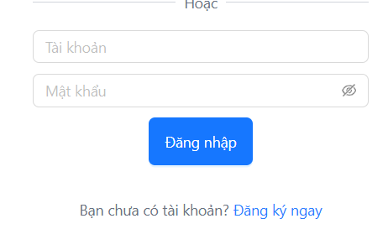
DF_003 | Check "Last Page" Button in "Product Type Management" function screen. | Product Type Management | 1. Log-in to Website or App. 2. Click "Product Type Management" Function screen. 3. Check "Last Page" Button. | 3. "Product Type Management" Function screen have button "Last Page". | 3. There is no "Last Page" button. | Medium | Low | 31/10 | Đinh Thiện Bản | TC_PRS_0001 | ver1.1 | Window 11 | Open
DF_004 | Check "First Page" Button in "Product Type Management" function screen. | Product Type Management | 1. Log-in to Website or App. 2. Click "Product Type Management" Function screen. 3. Go to last page. 4. Check "First Page" Button. | 4. "Product Type Management" Function screen have button "First Page". | 4. There is no "First Page" button. | Medium | Low | 31/10 | Đinh Thiện Bản | TC_PRS_0002 | ver1.1 | Window 11 | Open
DF_005 | Check textbox "Search" in "Product Type Management" function screen. | Product Type Management | 1. Log-in to Website or App. 2. Click "Product Type Management" Function screen. 3. Check textbox "Search". | 3. "Product Type Management" Function screen have textbox "Search". | 3. There is no "Search" textbox. | Medium | Low | 31/10 | Đinh Thiện Bản | TC_PRS_0005 | ver1.1 | Window 11 | Open
DF_006 | Check "Classify" button in "Product Type Management" function screen. | Product Type Management | 1. Click "Product Type Management" Function screen. 2. Check "Classify" button. | 2. "Product Type Management" Function screen have button "Classify". | 3. There is no "Classify" function. | Low | Low | 31/10 | Đinh Thiện Bản | TC_PRS_0011 | ver1.1 | Window 11 | Open
DF_007 | Test the "Page" numberbox input to move to the desired page | Product Type Management | 1. Log-in to Website or App. 2. Click "Product Type Management" Function screen. 3. Enter number content to numberbox. 4. Choose "Enter" button. | 4. Go to the desired page that the user entered in the "Page" numberbox. | 3. Cannot specify in "Page Number" textbox | Medium | Low | 31/10 | Đinh Thiện Bản | TC_PRS_0003 | ver1.1 | Window 11 | Open
DF_008 | Test open "Product Type Management" function screen with Mobile IOS operating system. | Product Type Management | 1. Open "Product Type Management" Function screen with Mobile IOS operating system. | 1. The application or website still works fine on Mobile IOS operating system | 1. When using the website with IOS operating system on the phone, the form is broken. | High | High | 31/10 | Đinh Thiện Bản | TC_PRS_0020 | ver1.1 | Window 11 | Open
DF_009 | Test open "Product Type Management" function screen with Mobile Android operating system. | Product Type Management | 1. Open "Product Type Management" Function screen with Mobile Android operating system. | 1. The application or website still works fine on Mobile Android operating system | 1. When using the website with Android operating system on the phone, the form is broken. | High | High | 31/10 | Đinh Thiện Bản | TC_PRS_0021 | ver1.1 | Window 11 | Open
DF_010 | Test system handles multiple users simultaneously. | Product Type Management | 1. Simulate about 100 people active in the app or website. | 1. The system does not crash, lag, crack application,... | 1. The system crash, lag, crack application,... | High | High | 31/10 | Đinh Thiện Bản | TC_PRS_0049 | ver1.1 | Window 11 | Open
DF_011 | Test response time when multiple users access at the same time. | Product Type Management | 1. Simulate about 100 people active in the app or website. 2. Those 100 people do the same operation. | 2. The system does not crash, lag, crack application,... | 2. The system crash, lag, crack application,... | High | High | 31/10 | Đinh Thiện Bản | TC_PRS_0050 | ver1.1 | Window 11 | Open
DF_012 | Test what happens when 200 people visit at the same time during peak hours. | Product Type Management | 1. Simulate about 200 people active in the application. 2. 200 people accessing at the same time during peak hours. | 2. The system does not crash, lag, crack application,... if the system is overloaded, it notifies the user. | 2. The system does not crash, lag, crack application,... if the system is overloaded, it notifies the user. | High | High | 31/10 | Đinh Thiện Bản | TC_PRS_0051 | ver1.1 | Window 11 | Open
DF_013 | Test system crashes or refuses to recover when there are many people accessing it. | Product Type Management | 1. Simulates a situation where many people access an application or website until the website crashes | 1. Message: "The system is currently unresponsive." | 1. The system crash, lag, crack application,... | High | High | 31/10 | Đinh Thiện Bản | TC_PRS_0052 | ver1.1 | Window 11 | Open
DF_014 | The test system serving 100 users continuously for 24 hours has memory leakage. | Product Type Management | 1. Simulate 100 active accounts 24 hours a day. | 1. The system continuously serves 100 users for 24 hours without memory leakage or data loss. | 1. The system crash, lag, crack application,... | High | High | 31/10 | Đinh Thiện Bản | TC_PRS_0053 | ver1.1 | Window 11 | Open
DF_015 | Test textbox "Product ID" enter wrong content | Synthetic Products Management | 1. Go to "Add Synthetic Product". 2. Enter wrong content for textbox "Product ID". 3. Enter correct for the remaining items. 4. Click "Create". | 4. Message: "Please enter the correct format for the product ID (Ex: SP-002)". | 4. "Create success". | Low | Low | 31/10 | Đinh Thiện Bản | TC_PRS_0055 | ver1.1 | Window 11 | Open
DF_016 | Test textbox "Name Product" enter wrong content | Synthetic Products Management | 1. Go to "Add Synthetic Product". 2. Enter wrong content for textbox "Name Product". 3. Enter correct for the remaining items. 4. Click "Create". | 4. Message: "Please enter the correct format for the name product (Ex: Capuchino)". | 4. "Create success". | Low | Low | 31/10 | Đinh Thiện Bản | TC_PRS_0061 | ver1.1 | Window 11 | Open
DF_017 | Text "Add Synthetic Products" | Synthetic Products Management | 1. Go to "Add Synthetic Product". 2. Enter wrong content for textbox "Name Product". 3. Enter correct for the remaining items. 4. Click "Create". 5. Click "Add Synthetic Product" again. | 4. Message: "Add Successfully". 5. Old information will be deleted. | 5. Old information is not deleted but still remains. | Medium | Low | 31/10 | Đinh Thiện Bản | TC_PRS_0116 | ver1.1 | Window 11 | New | 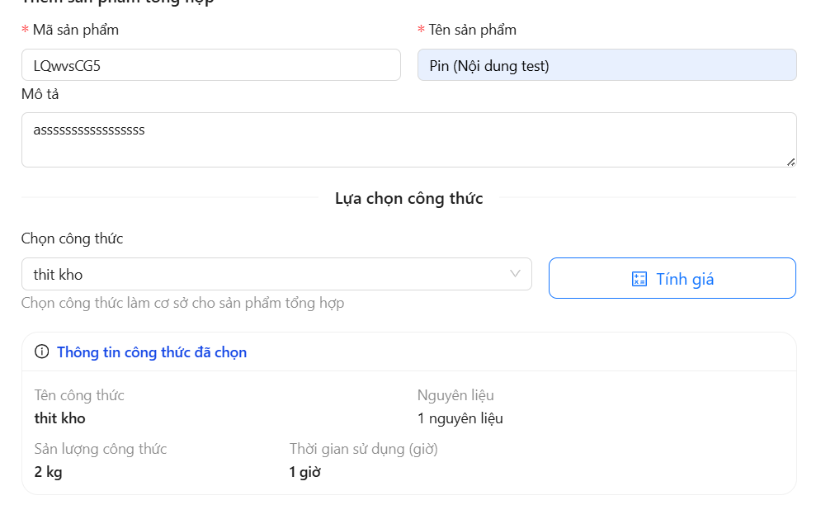
DF_018 | Text character limit for textbox "Name Product" | Synthetic Products Management | 1. Go to "Add Synthetic Product". 2. Enter more than the character limit content for textbox "Name Product". 3. Enter correct for the remaining items. 4. Click "Create". | 4. Message: "Add Failed". | 4. Message: "Add Successfully". | Medium | Low | 31/10 | Đinh Thiện Bản | TC_PRS_0117 | ver1.1 | Window 11 | New
DF_019 | Text test swipe to page transition. | Synthetic Products Management | 1. Go to "Add Synthetic Product". 2. Swipe to the bottom of the page to use the page turning function. | 2. Swipe to the bottom of the page to use the page turning function | 2. Cannot swipe to the bottom of the page to use the page turning function | Medium | Low | 31/10 | Đinh Thiện Bản | TC_PRS_0118 | ver1.1 | Window 11 | New
DF_020 | Functional redundancy | Synthetic Products Management | 1. Go to "Add Synthetic Product". | 1. Display all products in 1 page using scroll bar to view, or divide products into multiple pages. | 1. Show all products in 1 page using scroll bar to view, but still show product page without using this function. | Medium | Medium | 31/10 | Đinh Thiện Bản | TC_PRS_0119 | ver1.1 | Window 11 | New
DF_021 | There is no "Ingredients" page division | Ingredient Management | 1. Go to "Ingredient Management". | 1. There is a "Ingredients" page division. | 1. There is no "Ingredients" page division. | High | Medium | 31/10 | Đinh Thiện Bản | TC_PRS_0061 | ver1.1 | Window 11 | New
DF_022 | Test the scrollbar in the "Ingredients" page | Ingredient Management | 1. Go to "Ingredient Management". | 1. There is a scroll bar in the "Ingredients" page | 1. There is no scroll bar in the "Ingredients" page | High | Medium | 31/10 | Đinh Thiện Bản | TC_PRS_0062 | ver1.1 | Window 11 | New
DF_023 | There is no "Recipe" page division | Recipe Management | 1. Go to "Recipe Management". | 1. There is a "Recipe" page division. | 1. There is no "Recipe" page division. | High | Medium | 31/10 | Đinh Thiện Bản | TC_PRS_0044 | ver1.1 | Window 11 | New
DF_024 | Test the scrollbar in the "Recipe" page | Recipe Management | 1. Go to "Recipe Management". | 1. There is a scroll bar in the "Recipe" page | 1. There is no scroll bar in the "Recipe" page | High | Medium | 31/10 | Đinh Thiện Bản | TC_PRS_0045 | ver1.1 | Window 11 | New
DF_025 | Test the "Notification" window | "Notifications" Management Window | 1. Go to "Notification" window. | 1. There is a scroll bar in the "Notification" window | 1. There is no scroll bar in the "Notification" window | High | Medium | 31/10 | Đinh Thiện Bản |  | ver1.1 | Window 11 | New | 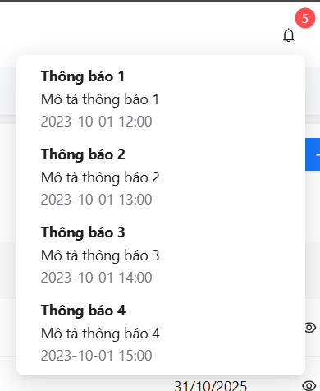
DF_026 | Test "Add Synthetic Products" duplicate product name. | Synthetic Products Management | 1. Go to "Add Synthetic Product". 2. Create two Synthetic Product same name. | 2. On the second product, the error message is: "Duplicate product name" | 2. No error message on second product: "In product naming" | Medium | Low | 31/10 | Đinh Thiện Bản | TC_PRS_0120 | ver1.1 | Window 11 | Open | 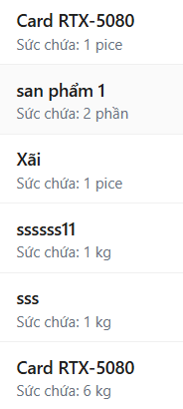
DF_027 | Test insert, update, delete operations. | Ingredient Management | 1. Implementation: INSERT INTO Ingredient (IngredientID, Name) VALUES (1011, 'Cafe); INSERT INTO Ingredient (IngredientID, Name) VALUES (1011, 'Tea'); | 1. The system reports duplicate IngredientID error, not allowing o add records. | 1. The system reports: "warehouse_not_found". | High | High | 31/10 | Đinh Thiện Bản | TC_PRS_0055 | ver1.1 | Window 11 | Open | 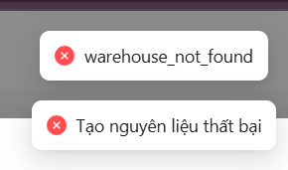
DF_028 | Check "Last Page" Button in "Ingredient Management"function screen. | Ingredient Management | 1. Log-in to Website or App. 2. Click "Ingredient Management"Function screen. 3. Check "Last Page" Button. | 3. "Ingredient Management"Function screen have button "Last Page". | 3. There is no "Last Page" button. | Medium | Low | 31/10 | Đinh Thiện Bản | TC_PRS_0001 | ver1.1 | Window 11 | Open
DF_029 | Check "First Page" Button in "Ingredient Management"function screen. | Ingredient Management | 1. Log-in to Website or App. 2. Click "Ingredient Management"Function screen. 3. Go to last page. 4. Check "First Page" Button. | 4. "Ingredient Management"Function screen have button "First Page". | 4. There is no "First Page" button. | Medium | Low | 31/10 | Đinh Thiện Bản | TC_PRS_0002 | ver1.1 | Window 11 | Open
DF_030 | Test the "Page" numberbox input to move to the desired page | Ingredient Management | 1. Log-in to Website or App. 2. Click "Ingredient Management"Function screen. 3. Enter number content to numberbox "Page number". 4. Choose "Enter" button. | 4. Go to the desired page that the user entered in the "Page" numberbox. | 2. Cann't target to numberbox "Page number". 4. Does not go to the desired page that the user entered in the "Page" number box. | Medium | Low | 31/10 | Đinh Thiện Bản | TC_PRS_0003 | ver1.1 | Window 11 | Open

HoPhamPhuocDuy_Free&DefectList
Defect ID | Title | Screen | Pre-condition | Steps | Expected Results | Actual results | Priority | Serverity | Date | Owner | TC'ID | Build | System | Assign To | Status | Evident (Hình ảnh lỗi)
DF_01 | Mobile Screen UI | Product Type | Login | 1. Use a phone 2. Choose a browser to open web 3. Open website PRS 4. Click tab Product Type. 5. Check if website working well | 3. Website PRS open 4. Switch to Product Type 5. Website UI no screen overflow | 5. Website UI does not resize itself and overflows the screen | Medium | Medium | 2025-10-31 | Hồ Phạm Phước Duy | TC_ID_PTM_53 | 1.1 | Oppo A3 | Dev | New | 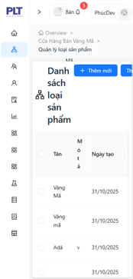
DF_02 | Focus on first textbox | Product Update Type | Login | 1. Open website PRS 2. Click tab product type management. 3. Click Button Update. 4. Check if it focus on the first field | 1. Website PRS open 2. Switch to tab product type management 3. Form Update open 4. First field has been focus on form Update | 4. First field not being focus | Low | High | 2025-10-31 | Hồ Phạm Phước Duy | TC_ID_PTM_37 | 1.1 | Windows 11 | Dev | New | 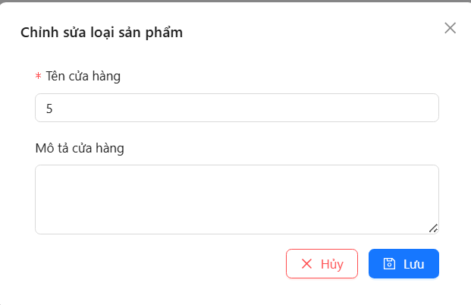
DF_03 | DateTimePicker (DateOfBirth) disable | Employee Add Management | Login | 1. Open website PRS 2. Click tab employee management. 3. Click button add 4. Pick a date 5. Check if it has pick | 1. Website PRS open 2. Switch to tab employee management. 3. Form add open 4. Date time picker open 5. Date choose show | 4. Date time picker Calendar disable | High | High | 2025-10-31 | Hồ Phạm Phước Duy | TC_ID_EM_67 | 1.1 | Windows 11 | Dev | New | 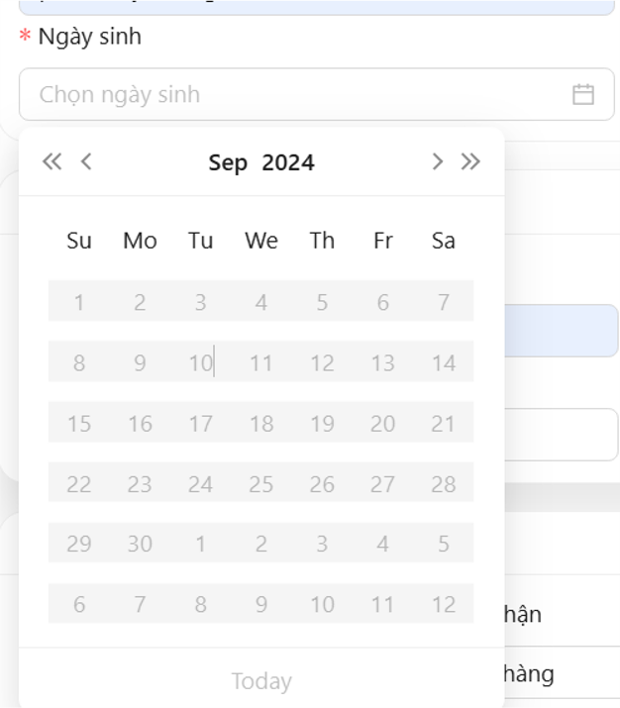
DF_04 | DateTimePicker (StartDateOfWork) disable | Employee Update Management | Login | 1. Open website PRS 2. Click tab employee management. 3. Click button update 4. Pick a date (start date of work) 5. Check if it has pick | 1. Website PRS open 2. Switch to tab employee management. 3. Form update open 4. Date time picker open 5. Date time picker disable future date | 5. Can choose future date | Low | Low | 2025-10-31 | Hồ Phạm Phước Duy | TC_ID_EM_69 | 1.1 | Windows 11 | Dev | New
DF_05 | DateTimePicker (DateOfBirth) disable | Employee Update Management | Login | 1. Open website PRS 2. Click tab employee management. 3. Click button update 4. Pick a date 5. Check if it has pick | 1. Website PRS open 2. Switch to tab employee management. 3. Form update open 4. Date time picker open 5. Date choose show | 5. Date time picker Calendar disable | High | High | 2025-10-31 | Hồ Phạm Phước Duy | TC_ID_EM_68 | 1.1 | Windows 11 | Dev | New
DF_06 | DateTimePicker (StartDateOfWork) disable | Employee Add Management | Login | 1. Open website PRS 2. Click tab employee management. 3. Click button add 4. Pick a date (start date of work) 5. Check if it has pick | 1. Website PRS open 2. Switch to tab employee management. 3. Form add open 4. Date time picker open 5. Date time picker disable future date | 5. Can choose future date | Low | Low | 2025-10-31 | Hồ Phạm Phước Duy | TC_ID_EM_70 | 1.1 | Windows 11 | Dev | New
DF_07 | Enter 11 digit phone number | Employee Add Management | Login | 1. Open website PRS 2. Click tab employee management. 3. Click button add. 4. Click field phone number 5. Enter 11 number 6. Check if message error | 1. Website PRS open 2. Switch to tab employee management. 3. Form Add open 6. No message error | 6. Message error "Invail Phone number" | Medium | Low | 2025-10-31 | Hồ Phạm Phước Duy | TC_ID_EM_20 | 1.1 | Windows 11 | Dev | New
DF_08 | The first digit not being 0 can still be entered | Employee Add Management | Login | 1. Open website PRS 2. Click tab employee management. 3. Click button add. 4. Click field phone number 5. Enter 10 number but don't enter 0 in the first number 6. Check if message error | 1. Website PRS open 2. Switch to tab employee management. 3. Form Add open 6. Message error "Invail phone number" | 6. No message error show | Medium | High | 2025-10-31 | Hồ Phạm Phước Duy | TC_ID_EM_21 | 1.1 | Windows 11 | Dev | New
DF_09 | Enter 11 digit phone number | Employee Update Management | Login | 1. Open website PRS 2. Click tab employee management. 3. Click button add. 4. Click field phone number 5. Enter 11 number 6. Check if message error | 1. Website PRS open 2. Switch to tab employee management. 3. Form Add open 6. No message error | 6. Message error "Invail Phone number" | Medium | Low | 2025-10-31 | Hồ Phạm Phước Duy | TC_ID_EM_27 | 1.1 | Windows 11 | Dev | New
DF_10 | The first digit not being 0 can still be entered | Employee Update Management | Login | 1. Open website PRS 2. Click tab employee management. 3. Click button add. 4. Click field phone number 5. Enter 10 number but don't enter 0 in the first number 6. Check if message error | 1. Website PRS open 2. Switch to tab employee management. 3. Form Add open 6. Message error "Invail phone number" | 6. No message error show | Medium | High | 2025-10-31 | Hồ Phạm Phước Duy | TC_ID_EM_28 | 1.1 | Windows 11 | Dev | New
DF_11 | Can switch down date time picker (Date Of Birth) | Employee Add Management | Login | 1. Open website PRS 2. Click tab employee management. 3. Click button Add 4. Click a date (Date Of Birth) 5. Switch down past date | 1. Website PRS open 2. Switch to tab employee management. 3. Form Add open 4. Date time picker open 5. Date time picker switch down date past | 5. Can't scroll down date time picker | Low | High | 2025-10-31 | Hồ Phạm Phước Duy | TC_ID_EM_71 | 1.1 | Windows 11 | Dev | New | 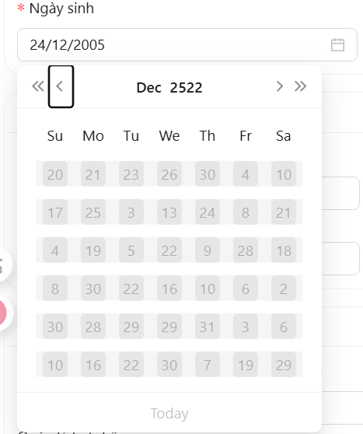
DF_12 | Can switch down date time picker (Date Start Work) | Employee Add Management | Login | 1. Open website PRS 2. Click tab employee management. 3. Click button add 4. Click a date (Date Start Work) 5. Switch down past date | 1. Website PRS open 2. Switch to tab employee management. 3. Form add open 4. Date time picker open 5. Date time picker switch down date past | 5. Can't scroll down date time picker | Low | High | 2025-10-31 | Hồ Phạm Phước Duy | TC_ID_EM_73 | 1.1 | Windows 11 | Dev | New | 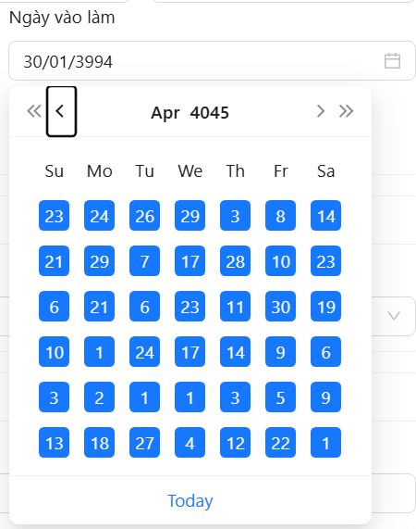
DF_13 | Can switch down date time picker (Date Of Birth) | Employee Update Management | Login | 1. Open website PRS 2. Click tab employee management. 3. Click button Update 4. Click a date (Date Of Birth) 5. Switch down past date | 1. Website PRS open 2. Switch to tab employee management. 3. Form Update open 4. Date time picker open 5. Date time picker switch down date past | 5. Can't scroll down date time picker | Low | High | 2025-10-31 | Hồ Phạm Phước Duy | TC_ID_EM_75 | 1.1 | Windows 11 | Dev | New
DF_14 | Can switch down date time picker (Date Start Work) | Employee Update Management | Login | 1. Open website PRS 2. Click tab employee management. 3. Click button Update 4. Click a date (Date Start Work) 5. Switch down past date | 1. Website PRS open 2. Switch to tab employee management. 3. Form Update open 4. Date time picker open 5. Date time picker switch down date past | 5. Can't scroll down date time picker | Low | High | 2025-10-31 | Hồ Phạm Phước Duy | TC_ID_EM_77 | 1.1 | Windows 11 | Dev | New
DF_15 | The first digit not being 0 can still be entered | Employee Add Management | Login | 1. Open website PRS 2. Click tab employee management. 3. Click button add. 4. Click field phone number emergency contact 5. Enter 10 number but don't enter 0 in the first number 6. Check if message error | 1. Website PRS open 2. Switch to tab employee management. 3. Form Add open 6. Message error "Invail phone number" | 6. No message error show | Medium | High | 2025-10-31 | Hồ Phạm Phước Duy | TC_ID_EM_81 | 1.1 | Windows 11 | Dev | New | 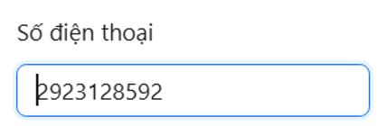
DF_16 | Can enter below 10 digit phone number | Employee Add Management | Login | 1. Open website PRS 2. Click tab employee management. 3. Click button Add. 4. Click field phone number emergency contact 5. Enter below 10 number but don't enter 0 in the first number 6. Check if message error | 1. Website PRS open 2. Switch to tab employee management. 3. Form Add open 6. Message error "Invail phone number" | 6. No message error show | Medium | Low | 2025-10-31 | Hồ Phạm Phước Duy | TC_ID_EM_82 | 1.1 | Windows 11 | Dev | New | 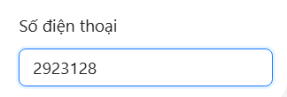
DF_17 | The first digit not being 0 can still be entered | Employee Update Management | Login | 1. Open website PRS 2. Click tab employee management. 3. Click button Update. 4. Click field phone number emergency contact 5. Enter 10 number but don't enter 0 in the first number 6. Check if message error | 1. Website PRS open 2. Switch to tab employee management. 3. Form Update open 6. Message error "Invail phone number" | 6. No message error show | Medium | High | 2025-10-31 | Hồ Phạm Phước Duy | TC_ID_EM_85 | 1.1 | Windows 11 | Dev | New
DF_18 | Can enter below 10 digit phone number | Employee Update Management | Login | 1. Open website PRS 2. Click tab employee management. 3. Click button Update. 4. Click field phone number emergency contact 5. Enter below 10 number but don't enter 0 in the first number 6. Check if message error | 1. Website PRS open 2. Switch to tab employee management. 3. Form Update open 6. Message error "Invail phone number" | 6. No message error show | Medium | Low | 2025-10-31 | Hồ Phạm Phước Duy | TC_ID_EM_86 | 1.1 | Windows 11 | Dev | New
DF_19 | Mobile Screen UI | Employee Management | Login | 1. Use a phone 2. Choose a browser to open web 3. Open website PRS 4. Click tab employee management.. 5. Check if website working well | 3. Website PRS open 4. Switch to Product Type 5. Website work well no error | 5. Website UI does not resize itself and overflows the screen | Medium | Medium | 2025-10-31 | Hồ Phạm Phước Duy | TC_ID_PTM_53 | 1.1 | Oppo A3 | Dev | New | 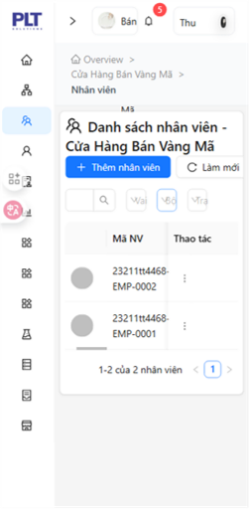
DF_20 | Mobile Screen UI | Supplier Management | Login | 1. Use a phone 2. Choose a browser to open web 3. Open website PRS 4. Click tab Supplier 5. Check if website working well | 3. Website PRS open 4. Switch to Supplier 5. Website UI no screen overflow | 5. Website UI does not resize itself and overflows the screen and title error when name too long | Low | Low | 2025-10-31 | Hồ Phạm Phước Duy | TC_ID_EM_1 | 1.1 | Oppo A3 | Dev | New | 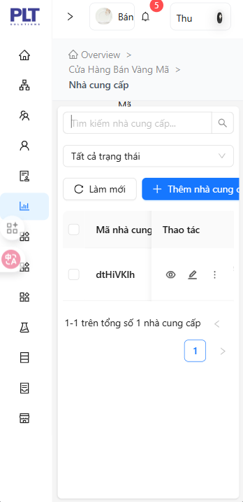
DF_21 | Doesn't auto refresh page when add new supplier | Supplier Management | Login | 1. Open website PRS 2. Click tab Supplier 3. Click add new supplier 4. Enter valid all fields in add new supplier 5. Click add new 6. Check if website auto refresh when add new | 1. Website PRS open 2. Switch to Supplier 3. Form add new supplier open 5. Message "Add successfully" 6. Website refresh and form add new close | 6. Website didn't refresh | Medium | High | 2025-03-11 | Hồ Phạm Phước Duy | TC_ID_EM_55 | 1.1 | Windows 11 | Dev | New | No picture
DF_22 | Can enter below 10 digit phone number (phone number) | Supplier Add Management | Login | 1. Open website PRS 2. Click tab supplier management. 3. Click button add. 4. Enter all valid on all fields except phone number fields 5. Click field phone number 6. Enter below 10 number but don't enter 0 in the first number 7. Check if message error | 1. Website PRS open 2. Switch to tab supplier management. 3. Form add open 7. Message error "Invail phone number" | 6. No message error show | Medium | Low | 2025-03-11 | Hồ Phạm Phước Duy | TC_ID_EM_21 | 1.1 | Windows 11 | Dev | New
DF_23 | Can enter below 10 digit phone number (phone number) | Supplier Update Management | Login | 1. Open website PRS 2. Click tab supplier management. 3. Click button add. 4. Enter all valid on all fields except phone number fields 5. Click field phone number 6. Enter below 10 number but don't enter 0 in the first number 7. Check if message error | 1. Website PRS open 2. Switch to tab supplier management. 3. Form add open 7. Message error "Invail phone number" | 6. No message error show | Medium | Low | 2025-03-11 | Hồ Phạm Phước Duy | TC_ID_EM_22 | 1.1 | Windows 11 | Dev | New
DF_24 | The first digit not being 0 can still be entered (phone number) | Supplier Add Management | Login | 1. Open website PRS 2. Click tab supplier management. 3. Click button add. 4. Enter valid all fields 5. Click field phone number 6. Enter 10 number but don't enter 0 in the first number 7. Check if message error | 1. Website PRS open 2. Switch to tab supplier management. 3. Form add open 7. Message error "Invail phone number" | 7. No message error show | Medium | High | 2025-03-11 | Hồ Phạm Phước Duy | TC_ID_EM_23 | 1.1 | Windows 11 | Dev | New
DF_25 | The first digit not being 0 can still be entered (phone number) | Supplier Update Management | Login | 1. Open website PRS 2. Click tab supplier management. 3. Click button update. 4. Click field phone number 5. Enter 10 number but don't enter 0 in the first number 6. Check if message error | 1. Website PRS open 2. Switch to tab supplier management. 3. Form update open 6. Message error "Invail phone number" | 6. No message error show | Medium | High | 2025-03-11 | Hồ Phạm Phước Duy | TC_ID_EM_24 | 1.1 | Windows 11 | Dev | New
DF_26 | Can enter below 10 digit phone number (phone) | Supplier Add Management | Login | 1. Open website PRS 2. Click tab supplier management. 3. Click button add. 4. Enter all valid on all fields except phone number fields 5. Click field phone number phone 6. Enter below 10 number but don't enter 0 in the first number 7. Check if message error | 1. Website PRS open 2. Switch to tab supplier management. 3. Form add open 7. Message error "Invail phone number" | 6. No message error show | Medium | Low | 2025-03-11 | Hồ Phạm Phước Duy | TC_ID_EM_35 | 1.1 | Windows 11 | Dev | New
DF_27 | Can enter below 10 digit phone number (phone) | Supplier Update Management | Login | 1. Open website PRS 2. Click tab supplier management. 3. Click button add. 4. Enter all valid on all fields except phone number fields 5. Click field phone 6. Enter below 10 number but don't enter 0 in the first number 7. Check if message error | 1. Website PRS open 2. Switch to tab supplier management. 3. Form add open 7. Message error "Invail phone number" | 6. No message error show | Medium | Low | 2025-03-11 | Hồ Phạm Phước Duy | TC_ID_EM_36 | 1.1 | Windows 11 | Dev | New
DF_28 | The first digit not being 0 can still be entered (phone) | Supplier Add Management | Login | 1. Open website PRS 2. Click tab supplier management. 3. Click button add. 4. Enter valid all fields 5. Click field phone 6. Enter 10 number but don't enter 0 in the first number 7. Check if message error | 1. Website PRS open 2. Switch to tab supplier management. 3. Form add open 7. Message error "Invail phone number" | 7. No message error show | Medium | High | 2025-03-11 | Hồ Phạm Phước Duy | TC_ID_EM_37 | 1.1 | Windows 11 | Dev | New
DF_29 | The first digit not being 0 can still be entered (phone) | Supplier Update Management | Login | 1. Open website PRS 2. Click tab supplier management. 3. Click button update. 4. Click field phone 5. Enter 10 number but don't enter 0 in the first number 6. Check if message error | 1. Website PRS open 2. Switch to tab supplier management. 3. Form update open 6. Message error "Invail phone number" | 6. No message error show | Medium | High | 2025-03-11 | Hồ Phạm Phước Duy | TC_ID_EM_38 | 1.1 | Windows 11 | Dev | New
DF_30 | Can enter below 10 digit phone number (Phone Contract) | Supplier Add Management | Login | 1. Open website PRS 2. Click tab supplier management. 3. Click button add. 4. Enter all valid on all fields except phone contract fields 5. Click field phone contract 6. Enter below 10 number but don't enter 0 in the first number 7. Check if message error | 1. Website PRS open 2. Switch to tab supplier management. 3. Form add open 7. Message error "Invail phone number" | 6. No message error show | Medium | Low | 2025-03-11 | Hồ Phạm Phước Duy | TC_ID_EM_35 | 1.1 | Windows 11 | Dev | New
DF_31 | Can enter below 10 digit phone number (Phone Contract) | Supplier Update Management | Login | 1. Open website PRS 2. Click tab supplier management. 3. Click button add. 4. Enter all valid on all fields except phone contract fields 5. Click field phone 6. Enter below 10 number but don't enter 0 in the first number 7. Check if message error | 1. Website PRS open 2. Switch to tab supplier management. 3. Form add open 7. Message error "Invail phone number" | 6. No message error show | Medium | Low | 2025-03-11 | Hồ Phạm Phước Duy | TC_ID_EM_36 | 1.1 | Windows 11 | Dev | New
DF_32 | The first digit not being 0 can still be entered (Phone Contract) | Supplier Add Management | Login | 1. Open website PRS 2. Click tab supplier management. 3. Click button add. 4. Enter valid all fields 5. Click field phone contract 6. Enter 10 number but don't enter 0 in the first number 7. Check if message error | 1. Website PRS open 2. Switch to tab supplier management. 3. Form add open 7. Message error "Invail phone number" | 7. No message error show | Medium | High | 2025-03-11 | Hồ Phạm Phước Duy | TC_ID_EM_37 | 1.1 | Windows 11 | Dev | New
DF_33 | The first digit not being 0 can still be entered (Phone Contract) | Supplier Update Management | Login | 1. Open website PRS 2. Click tab supplier management. 3. Click button update. 4. Click field phone contract 5. Enter 10 number but don't enter 0 in the first number 6. Check if message error | 1. Website PRS open 2. Switch to tab supplier management. 3. Form update open 6. Message error "Invail phone number" | 6. No message error show | Medium | High | 2025-03-11 | Hồ Phạm Phước Duy | TC_ID_EM_38 | 1.1 | Windows 11 | Dev | New
DF_34 | Dropdown default not a selector (Storage) | Ingredient Management | Login | 1. Open website PRS 2. Click tab ingredient management. 3. Check dropdown storage default value | 1. Website PRS open 2. Switch to tab supplier management. 3. Dropdown default is "All item in storage" | 3. Dropdown storage all item is default but it is a item in dropdown and can be delete | Low | Low | 2025-03-11 | Hồ Phạm Phước Duy |  | 1.1 | Windows 11 | Dev | New | 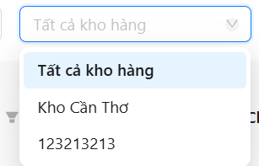
DF_35 | Dropdown default not a selector (Catalog) | Ingredient Management | Login | 1. Open website PRS 2. Click tab ingredient management. 3. Check dropdown catalog default value | 1. Website PRS open 2. Switch to tab supplier management. 3. Dropdown default is "All item in catalog" | 3. Dropdown catalog all item is default but it is a item in dropdown and can be delete | Low | Low | 2025-03-11 | Hồ Phạm Phước Duy |  | 1.1 | Windows 11 | Dev | New | 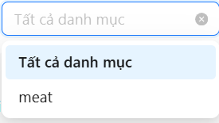
DF_36 | Dropdown default not a selector (Status) | Ingredient Management | Login | 1. Open website PRS 2. Click tab ingredient management. 3. Check dropdown status default value | 1. Website PRS open 2. Switch to tab supplier management. 3. Dropdown default is "All item in status" | 3. Dropdown status all item is default but it is a item in dropdown and can be delete | Low | Low | 2025-03-11 | Hồ Phạm Phước Duy |  | 1.1 | Windows 11 | Dev | New | 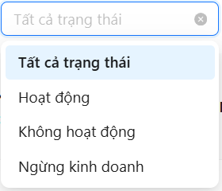
DF_37 | Dropdown default (Status) | Account Seller Management | Login | 1. Open website PRS 2. Click tab account seller management. 3. Click dropdown status 4. Choose random item include in the list 5. Click button 'x' next to dropdown 6. Check if it comeback to default item | 1. Website PRS open 2. Switch to tab supplier management. 3. Dropdown list showed 6. Comeback to default item | 6. Not comeback to default item | Medium | High | 2025-03-11 | Hồ Phạm Phước Duy |  | 1.1 | Windows 11 | Dev | New | 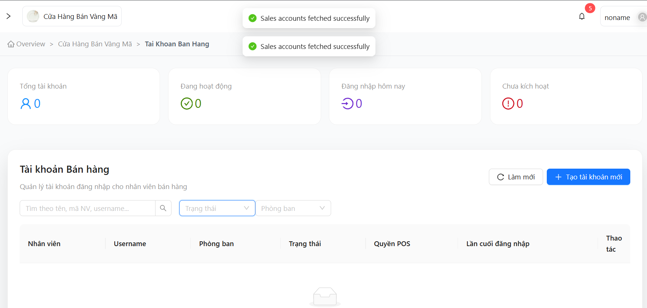
DF_38 | UI Ingredient Mobile | Ingredient Management | Login | 1. Open website PRS on a phone 2. Click tab ingredient management. 3. Check UI mobile ingredient screen | 1. Website PRS open 2. Switch to tab ingredient management. 3. Website UI no screen overflow | 5. Website UI does not resize itself and overflows the screen | Low | Low | 2025-03-11 | Hồ Phạm Phước Duy |  | 1.1 | Oppo A3 | Dev | New | 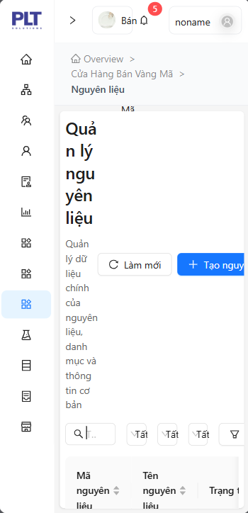
DF_39 | Update Ingredient | Ingredient Management | Login | 1. Open website PRS on a phone 2. Click tab ingredient management. 3. Choose a ingredient to update 4. Click button update 5. Change field name 6. Click button update | 1. Website PRS open 2. Switch to tab ingredient management. 4. Form update open 6. Update successfully | 6. Can't update ingredient message error "Update ingredient failed" | High | High | 2025-03-11 | Hồ Phạm Phước Duy |  | 1.1 | Windows 11 | Dev | New | 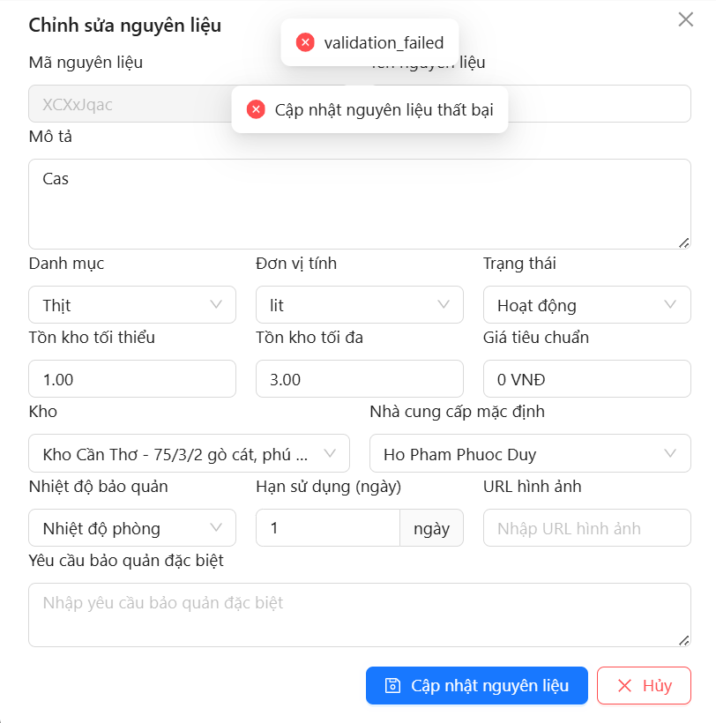
DF_40 | Export file execl | Home Screen | Login | 1. Open website PRS on a phone 2. Click export file excel 3. Check if it export file excel | 1. Website PRS open 3. export file excel | 3. Export file json | Medium | High | 2025-03-11 | Hồ Phạm Phước Duy |  | 1.1 | Windows 11 | Dev | New | 