Defect_List
Defect ID | Title | Screen | Pre-condition | Steps | Expected Results | Actual results | Priority | Serverity | Date | Owner | TC'ID | Build | System | Assign To | Status | Evident (Hình ảnh lỗi)
DF_01 | Mobile Screen UI | Product Type | Login | 1. Use a phone 2. Choose a browser to open web 3. Open website PRS 4. Click tab Product Type. 5. Check if website working well | 3. Website PRS open 4. Switch to Product Type 5. Website UI no screen overflow | 5. Website UI does not resize itself and overflows the screen | Medium | Medium | 2025-10-31 | Hồ Phạm Phước Duy | TC_ID_PTM_53 | 1.1 | Oppo A3 | Dev | New | 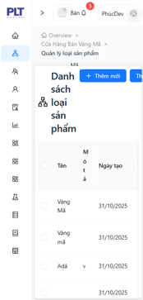
DF_02 | Focus on first textbox | Product Update Type | Login | 1. Open website PRS 2. Click tab product type management. 3. Click Button Update. 4. Check if it focus on the first field | 1. Website PRS open 2. Switch to tab product type management 3. Form Update open 4. First field has been focus on form Update | 4. First field not being focus | Low | High | 2025-10-31 | Hồ Phạm Phước Duy | TC_ID_PTM_37 | 1.1 | Windows 11 | Dev | New | 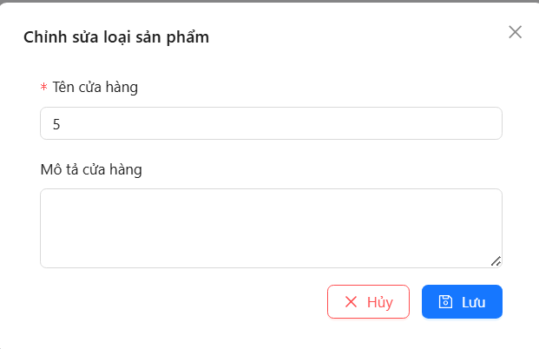
DF_03 | DateTimePicker (DateOfBirth) disable | Employee Add Management | Login | 1. Open website PRS 2. Click tab employee management. 3. Click button add 4. Pick a date 5. Check if it has pick | 1. Website PRS open 2. Switch to tab employee management. 3. Form add open 4. Date time picker open 5. Date choose show | 4. Date time picker Calendar disable | High | High | 2025-10-31 | Hồ Phạm Phước Duy | TC_ID_EM_67 | 1.1 | Windows 11 | Dev | New | 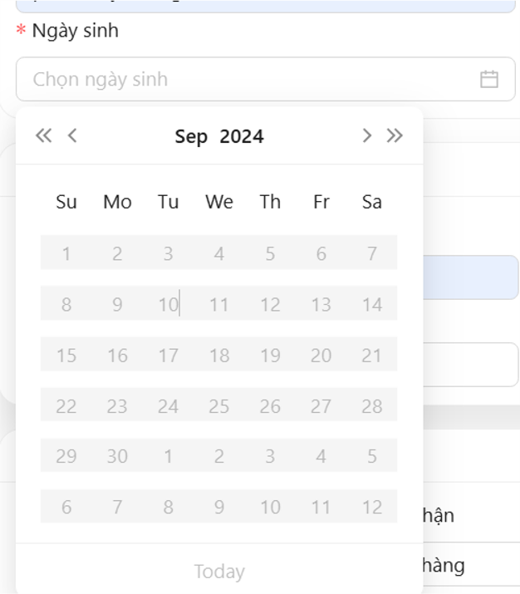
DF_04 | DateTimePicker (StartDateOfWork) disable | Employee Update Management | Login | 1. Open website PRS 2. Click tab employee management. 3. Click button update 4. Pick a date (start date of work) 5. Check if it has pick | 1. Website PRS open 2. Switch to tab employee management. 3. Form update open 4. Date time picker open 5. Date time picker disable future date | 5. Can choose future date | Low | Low | 2025-10-31 | Hồ Phạm Phước Duy | TC_ID_EM_69 | 1.1 | Windows 11 | Dev | New
DF_05 | DateTimePicker (DateOfBirth) disable | Employee Update Management | Login | 1. Open website PRS 2. Click tab employee management. 3. Click button update 4. Pick a date 5. Check if it has pick | 1. Website PRS open 2. Switch to tab employee management. 3. Form update open 4. Date time picker open 5. Date choose show | 5. Date time picker Calendar disable | High | High | 2025-10-31 | Hồ Phạm Phước Duy | TC_ID_EM_68 | 1.1 | Windows 11 | Dev | New
DF_06 | DateTimePicker (StartDateOfWork) disable | Employee Add Management | Login | 1. Open website PRS 2. Click tab employee management. 3. Click button add 4. Pick a date (start date of work) 5. Check if it has pick | 1. Website PRS open 2. Switch to tab employee management. 3. Form add open 4. Date time picker open 5. Date time picker disable future date | 5. Can choose future date | Low | Low | 2025-10-31 | Hồ Phạm Phước Duy | TC_ID_EM_70 | 1.1 | Windows 11 | Dev | New
DF_07 | Enter 11 digit phone number | Employee Add Management | Login | 1. Open website PRS 2. Click tab employee management. 3. Click button add. 4. Click field phone number 5. Enter 11 number 6. Check if message error | 1. Website PRS open 2. Switch to tab employee management. 3. Form Add open 6. No message error | 6. Message error "Invail Phone number" | Medium | Low | 2025-10-31 | Hồ Phạm Phước Duy | TC_ID_EM_20 | 1.1 | Windows 11 | Dev | New
DF_08 | The first digit not being 0 can still be entered | Employee Add Management | Login | 1. Open website PRS 2. Click tab employee management. 3. Click button add. 4. Click field phone number 5. Enter 10 number but don't enter 0 in the first number 6. Check if message error | 1. Website PRS open 2. Switch to tab employee management. 3. Form Add open 6. Message error "Invail phone number" | 6. No message error show | Medium | High | 2025-10-31 | Hồ Phạm Phước Duy | TC_ID_EM_21 | 1.1 | Windows 11 | Dev | New
DF_09 | Enter 11 digit phone number | Employee Update Management | Login | 1. Open website PRS 2. Click tab employee management. 3. Click button add. 4. Click field phone number 5. Enter 11 number 6. Check if message error | 1. Website PRS open 2. Switch to tab employee management. 3. Form Add open 6. No message error | 6. Message error "Invail Phone number" | Medium | Low | 2025-10-31 | Hồ Phạm Phước Duy | TC_ID_EM_27 | 1.1 | Windows 11 | Dev | New
DF_10 | The first digit not being 0 can still be entered | Employee Update Management | Login | 1. Open website PRS 2. Click tab employee management. 3. Click button add. 4. Click field phone number 5. Enter 10 number but don't enter 0 in the first number 6. Check if message error | 1. Website PRS open 2. Switch to tab employee management. 3. Form Add open 6. Message error "Invail phone number" | 6. No message error show | Medium | High | 2025-10-31 | Hồ Phạm Phước Duy | TC_ID_EM_28 | 1.1 | Windows 11 | Dev | New
DF_11 | Can switch down date time picker (Date Of Birth) | Employee Add Management | Login | 1. Open website PRS 2. Click tab employee management. 3. Click button Add 4. Click a date (Date Of Birth) 5. Switch down past date | 1. Website PRS open 2. Switch to tab employee management. 3. Form Add open 4. Date time picker open 5. Date time picker switch down date past | 5. Can't scroll down date time picker | Low | High | 2025-10-31 | Hồ Phạm Phước Duy | TC_ID_EM_71 | 1.1 | Windows 11 | Dev | New | 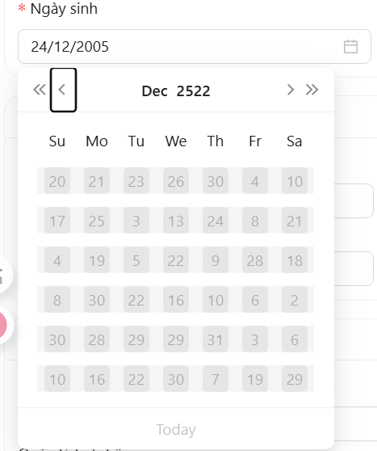
DF_12 | Can switch down date time picker (Date Start Work) | Employee Add Management | Login | 1. Open website PRS 2. Click tab employee management. 3. Click button add 4. Click a date (Date Start Work) 5. Switch down past date | 1. Website PRS open 2. Switch to tab employee management. 3. Form add open 4. Date time picker open 5. Date time picker switch down date past | 5. Can't scroll down date time picker | Low | High | 2025-10-31 | Hồ Phạm Phước Duy | TC_ID_EM_73 | 1.1 | Windows 11 | Dev | New | 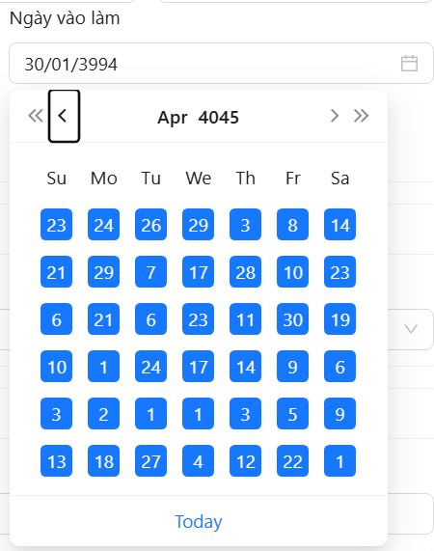
DF_13 | Can switch down date time picker (Date Of Birth) | Employee Update Management | Login | 1. Open website PRS 2. Click tab employee management. 3. Click button Update 4. Click a date (Date Of Birth) 5. Switch down past date | 1. Website PRS open 2. Switch to tab employee management. 3. Form Update open 4. Date time picker open 5. Date time picker switch down date past | 5. Can't scroll down date time picker | Low | High | 2025-10-31 | Hồ Phạm Phước Duy | TC_ID_EM_75 | 1.1 | Windows 11 | Dev | New
DF_14 | Can switch down date time picker (Date Start Work) | Employee Update Management | Login | 1. Open website PRS 2. Click tab employee management. 3. Click button Update 4. Click a date (Date Start Work) 5. Switch down past date | 1. Website PRS open 2. Switch to tab employee management. 3. Form Update open 4. Date time picker open 5. Date time picker switch down date past | 5. Can't scroll down date time picker | Low | High | 2025-10-31 | Hồ Phạm Phước Duy | TC_ID_EM_77 | 1.1 | Windows 11 | Dev | New
DF_15 | The first digit not being 0 can still be entered | Employee Add Management | Login | 1. Open website PRS 2. Click tab employee management. 3. Click button add. 4. Click field phone number emergency contact 5. Enter 10 number but don't enter 0 in the first number 6. Check if message error | 1. Website PRS open 2. Switch to tab employee management. 3. Form Add open 6. Message error "Invail phone number" | 6. No message error show | Medium | High | 2025-10-31 | Hồ Phạm Phước Duy | TC_ID_EM_81 | 1.1 | Windows 11 | Dev | New | 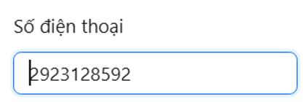
DF_16 | Can enter below 10 digit phone number | Employee Add Management | Login | 1. Open website PRS 2. Click tab employee management. 3. Click button Add. 4. Click field phone number emergency contact 5. Enter below 10 number but don't enter 0 in the first number 6. Check if message error | 1. Website PRS open 2. Switch to tab employee management. 3. Form Add open 6. Message error "Invail phone number" | 6. No message error show | Medium | Low | 2025-10-31 | Hồ Phạm Phước Duy | TC_ID_EM_82 | 1.1 | Windows 11 | Dev | New | 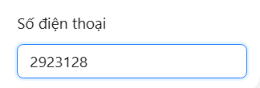
DF_17 | The first digit not being 0 can still be entered | Employee Update Management | Login | 1. Open website PRS 2. Click tab employee management. 3. Click button Update. 4. Click field phone number emergency contact 5. Enter 10 number but don't enter 0 in the first number 6. Check if message error | 1. Website PRS open 2. Switch to tab employee management. 3. Form Update open 6. Message error "Invail phone number" | 6. No message error show | Medium | High | 2025-10-31 | Hồ Phạm Phước Duy | TC_ID_EM_85 | 1.1 | Windows 11 | Dev | New
DF_18 | Can enter below 10 digit phone number | Employee Update Management | Login | 1. Open website PRS 2. Click tab employee management. 3. Click button Update. 4. Click field phone number emergency contact 5. Enter below 10 number but don't enter 0 in the first number 6. Check if message error | 1. Website PRS open 2. Switch to tab employee management. 3. Form Update open 6. Message error "Invail phone number" | 6. No message error show | Medium | Low | 2025-10-31 | Hồ Phạm Phước Duy | TC_ID_EM_86 | 1.1 | Windows 11 | Dev | New
DF_19 | Mobile Screen UI | Employee Management | Login | 1. Use a phone 2. Choose a browser to open web 3. Open website PRS 4. Click tab employee management.. 5. Check if website working well | 3. Website PRS open 4. Switch to Product Type 5. Website work well no error | 5. Website UI does not resize itself and overflows the screen | Medium | Medium | 2025-10-31 | Hồ Phạm Phước Duy | TC_ID_PTM_53 | 1.1 | Oppo A3 | Dev | New | 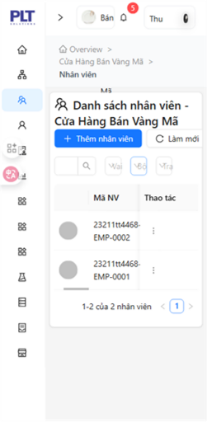
DF_20 | Mobile Screen UI | Supplier Management | Login | 1. Use a phone 2. Choose a browser to open web 3. Open website PRS 4. Click tab Supplier 5. Check if website working well | 3. Website PRS open 4. Switch to Supplier 5. Website UI no screen overflow | 5. Website UI does not resize itself and overflows the screen and title error when name too long | Low | Low | 2025-10-31 | Hồ Phạm Phước Duy | TC_ID_EM_1 | 1.1 | Oppo A3 | Dev | New | 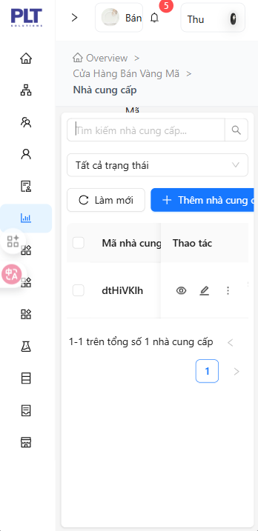
DF_21 | Doesn't auto refresh page when add new supplier | Supplier Management | Login | 1. Open website PRS 2. Click tab Supplier 3. Click add new supplier 4. Enter valid all fields in add new supplier 5. Click add new 6. Check if website auto refresh when add new | 1. Website PRS open 2. Switch to Supplier 3. Form add new supplier open 5. Message "Add successfully" 6. Website refresh and form add new close | 6. Website didn't refresh | Medium | High | 2025-03-11 | Hồ Phạm Phước Duy | TC_ID_EM_55 | 1.1 | Windows 11 | Dev | New | No picture
DF_22 | Can enter below 10 digit phone number (phone number) | Supplier Add Management | Login | 1. Open website PRS 2. Click tab supplier management. 3. Click button add. 4. Enter all valid on all fields except phone number fields 5. Click field phone number 6. Enter below 10 number but don't enter 0 in the first number 7. Check if message error | 1. Website PRS open 2. Switch to tab supplier management. 3. Form add open 7. Message error "Invail phone number" | 6. No message error show | Medium | Low | 2025-03-11 | Hồ Phạm Phước Duy | TC_ID_EM_21 | 1.1 | Windows 11 | Dev | New
DF_23 | Can enter below 10 digit phone number (phone number) | Supplier Update Management | Login | 1. Open website PRS 2. Click tab supplier management. 3. Click button add. 4. Enter all valid on all fields except phone number fields 5. Click field phone number 6. Enter below 10 number but don't enter 0 in the first number 7. Check if message error | 1. Website PRS open 2. Switch to tab supplier management. 3. Form add open 7. Message error "Invail phone number" | 6. No message error show | Medium | Low | 2025-03-11 | Hồ Phạm Phước Duy | TC_ID_EM_22 | 1.1 | Windows 11 | Dev | New
DF_24 | The first digit not being 0 can still be entered (phone number) | Supplier Add Management | Login | 1. Open website PRS 2. Click tab supplier management. 3. Click button add. 4. Enter valid all fields 5. Click field phone number 6. Enter 10 number but don't enter 0 in the first number 7. Check if message error | 1. Website PRS open 2. Switch to tab supplier management. 3. Form add open 7. Message error "Invail phone number" | 7. No message error show | Medium | High | 2025-03-11 | Hồ Phạm Phước Duy | TC_ID_EM_23 | 1.1 | Windows 11 | Dev | New
DF_25 | The first digit not being 0 can still be entered (phone number) | Supplier Update Management | Login | 1. Open website PRS 2. Click tab supplier management. 3. Click button update. 4. Click field phone number 5. Enter 10 number but don't enter 0 in the first number 6. Check if message error | 1. Website PRS open 2. Switch to tab supplier management. 3. Form update open 6. Message error "Invail phone number" | 6. No message error show | Medium | High | 2025-03-11 | Hồ Phạm Phước Duy | TC_ID_EM_24 | 1.1 | Windows 11 | Dev | New
DF_26 | Can enter below 10 digit phone number (phone) | Supplier Add Management | Login | 1. Open website PRS 2. Click tab supplier management. 3. Click button add. 4. Enter all valid on all fields except phone number fields 5. Click field phone number phone 6. Enter below 10 number but don't enter 0 in the first number 7. Check if message error | 1. Website PRS open 2. Switch to tab supplier management. 3. Form add open 7. Message error "Invail phone number" | 6. No message error show | Medium | Low | 2025-03-11 | Hồ Phạm Phước Duy | TC_ID_EM_35 | 1.1 | Windows 11 | Dev | New
DF_27 | Can enter below 10 digit phone number (phone) | Supplier Update Management | Login | 1. Open website PRS 2. Click tab supplier management. 3. Click button add. 4. Enter all valid on all fields except phone number fields 5. Click field phone 6. Enter below 10 number but don't enter 0 in the first number 7. Check if message error | 1. Website PRS open 2. Switch to tab supplier management. 3. Form add open 7. Message error "Invail phone number" | 6. No message error show | Medium | Low | 2025-03-11 | Hồ Phạm Phước Duy | TC_ID_EM_36 | 1.1 | Windows 11 | Dev | New
DF_28 | The first digit not being 0 can still be entered (phone) | Supplier Add Management | Login | 1. Open website PRS 2. Click tab supplier management. 3. Click button add. 4. Enter valid all fields 5. Click field phone 6. Enter 10 number but don't enter 0 in the first number 7. Check if message error | 1. Website PRS open 2. Switch to tab supplier management. 3. Form add open 7. Message error "Invail phone number" | 7. No message error show | Medium | High | 2025-03-11 | Hồ Phạm Phước Duy | TC_ID_EM_37 | 1.1 | Windows 11 | Dev | New
DF_29 | The first digit not being 0 can still be entered (phone) | Supplier Update Management | Login | 1. Open website PRS 2. Click tab supplier management. 3. Click button update. 4. Click field phone 5. Enter 10 number but don't enter 0 in the first number 6. Check if message error | 1. Website PRS open 2. Switch to tab supplier management. 3. Form update open 6. Message error "Invail phone number" | 6. No message error show | Medium | High | 2025-03-11 | Hồ Phạm Phước Duy | TC_ID_EM_38 | 1.1 | Windows 11 | Dev | New
DF_30 | Can enter below 10 digit phone number (Phone Contract) | Supplier Add Management | Login | 1. Open website PRS 2. Click tab supplier management. 3. Click button add. 4. Enter all valid on all fields except phone contract fields 5. Click field phone contract 6. Enter below 10 number but don't enter 0 in the first number 7. Check if message error | 1. Website PRS open 2. Switch to tab supplier management. 3. Form add open 7. Message error "Invail phone number" | 6. No message error show | Medium | Low | 2025-03-11 | Hồ Phạm Phước Duy | TC_ID_EM_35 | 1.1 | Windows 11 | Dev | New
DF_31 | Can enter below 10 digit phone number (Phone Contract) | Supplier Update Management | Login | 1. Open website PRS 2. Click tab supplier management. 3. Click button add. 4. Enter all valid on all fields except phone contract fields 5. Click field phone 6. Enter below 10 number but don't enter 0 in the first number 7. Check if message error | 1. Website PRS open 2. Switch to tab supplier management. 3. Form add open 7. Message error "Invail phone number" | 6. No message error show | Medium | Low | 2025-03-11 | Hồ Phạm Phước Duy | TC_ID_EM_36 | 1.1 | Windows 11 | Dev | New
DF_32 | The first digit not being 0 can still be entered (Phone Contract) | Supplier Add Management | Login | 1. Open website PRS 2. Click tab supplier management. 3. Click button add. 4. Enter valid all fields 5. Click field phone contract 6. Enter 10 number but don't enter 0 in the first number 7. Check if message error | 1. Website PRS open 2. Switch to tab supplier management. 3. Form add open 7. Message error "Invail phone number" | 7. No message error show | Medium | High | 2025-03-11 | Hồ Phạm Phước Duy | TC_ID_EM_37 | 1.1 | Windows 11 | Dev | New
DF_33 | The first digit not being 0 can still be entered (Phone Contract) | Supplier Update Management | Login | 1. Open website PRS 2. Click tab supplier management. 3. Click button update. 4. Click field phone contract 5. Enter 10 number but don't enter 0 in the first number 6. Check if message error | 1. Website PRS open 2. Switch to tab supplier management. 3. Form update open 6. Message error "Invail phone number" | 6. No message error show | Medium | High | 2025-03-11 | Hồ Phạm Phước Duy | TC_ID_EM_38 | 1.1 | Windows 11 | Dev | New
DF_34 | Dropdown default not a selector (Storage) | Ingredient Management | Login | 1. Open website PRS 2. Click tab ingredient management. 3. Check dropdown storage default value | 1. Website PRS open 2. Switch to tab supplier management. 3. Dropdown default is "All item in storage" | 3. Dropdown storage all item is default but it is a item in dropdown and can be delete | Low | Low | 2025-03-11 | Hồ Phạm Phước Duy |  | 1.1 | Windows 11 | Dev | New | 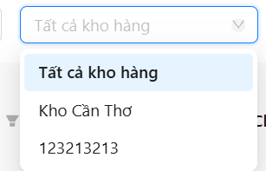
DF_35 | Dropdown default not a selector (Catalog) | Ingredient Management | Login | 1. Open website PRS 2. Click tab ingredient management. 3. Check dropdown catalog default value | 1. Website PRS open 2. Switch to tab supplier management. 3. Dropdown default is "All item in catalog" | 3. Dropdown catalog all item is default but it is a item in dropdown and can be delete | Low | Low | 2025-03-11 | Hồ Phạm Phước Duy |  | 1.1 | Windows 11 | Dev | New | 
DF_36 | Dropdown default not a selector (Status) | Ingredient Management | Login | 1. Open website PRS 2. Click tab ingredient management. 3. Check dropdown status default value | 1. Website PRS open 2. Switch to tab supplier management. 3. Dropdown default is "All item in status" | 3. Dropdown status all item is default but it is a item in dropdown and can be delete | Low | Low | 2025-03-11 | Hồ Phạm Phước Duy |  | 1.1 | Windows 11 | Dev | New | 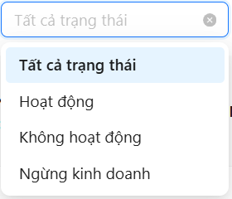
DF_37 | Dropdown default (Status) | Account Seller Management | Login | 1. Open website PRS 2. Click tab account seller management. 3. Click dropdown status 4. Choose random item include in the list 5. Click button 'x' next to dropdown 6. Check if it comeback to default item | 1. Website PRS open 2. Switch to tab supplier management. 3. Dropdown list showed 6. Comeback to default item | 6. Not comeback to default item | Medium | High | 2025-03-11 | Hồ Phạm Phước Duy |  | 1.1 | Windows 11 | Dev | New | 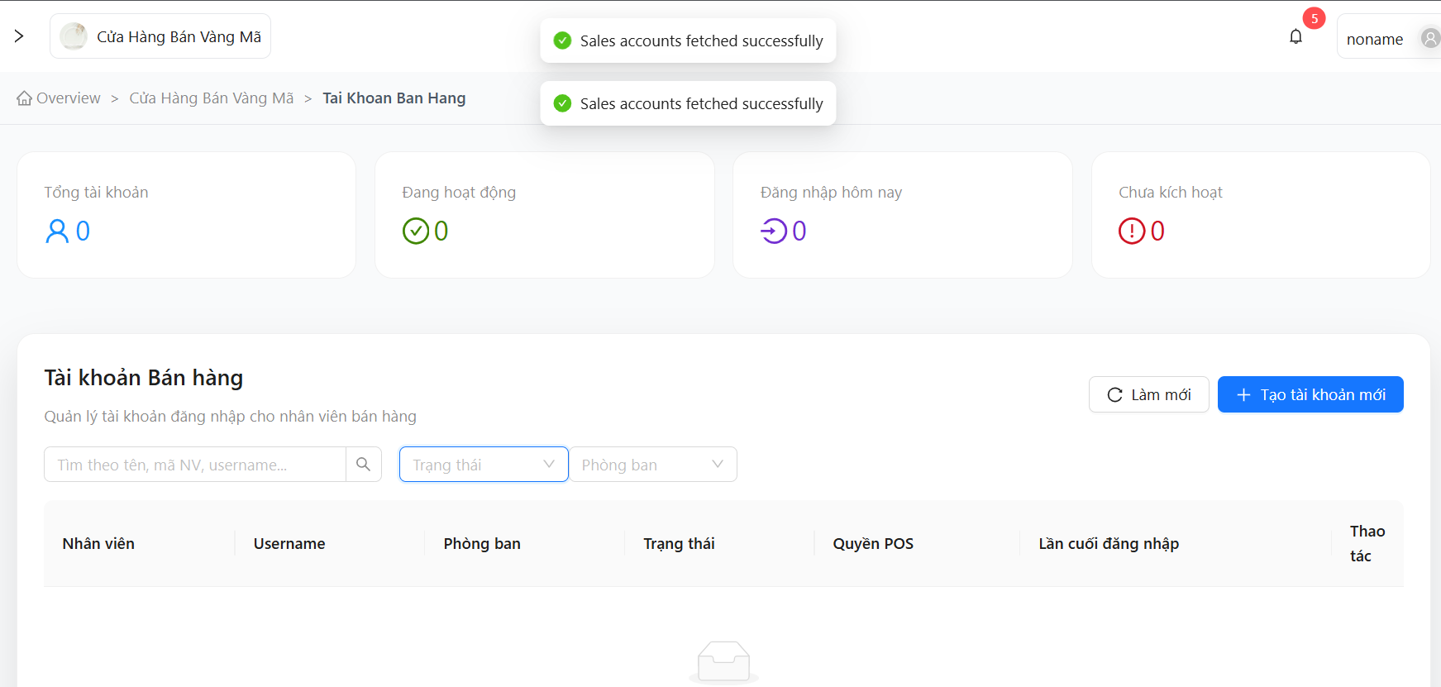
DF_38 | UI Ingredient Mobile | Ingredient Management | Login | 1. Open website PRS on a phone 2. Click tab ingredient management. 3. Check UI mobile ingredient screen | 1. Website PRS open 2. Switch to tab ingredient management. 3. Website UI no screen overflow | 5. Website UI does not resize itself and overflows the screen | Low | Low | 2025-03-11 | Hồ Phạm Phước Duy |  | 1.1 | Oppo A3 | Dev | New | 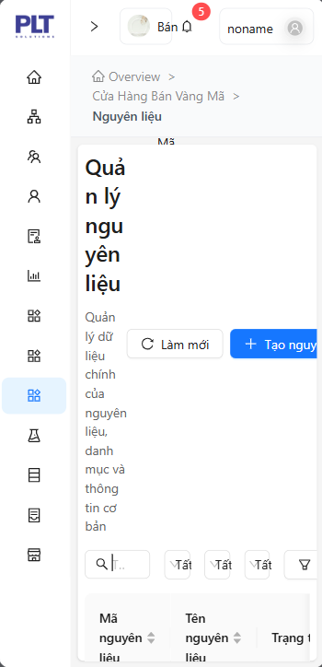
DF_39 | Update Ingredient | Ingredient Management | Login | 1. Open website PRS on a phone 2. Click tab ingredient management. 3. Choose a ingredient to update 4. Click button update 5. Change field name 6. Click button update | 1. Website PRS open 2. Switch to tab ingredient management. 4. Form update open 6. Update successfully | 6. Can't update ingredient message error "Update ingredient failed" | High | High | 2025-03-11 | Hồ Phạm Phước Duy |  | 1.1 | Windows 11 | Dev | New | 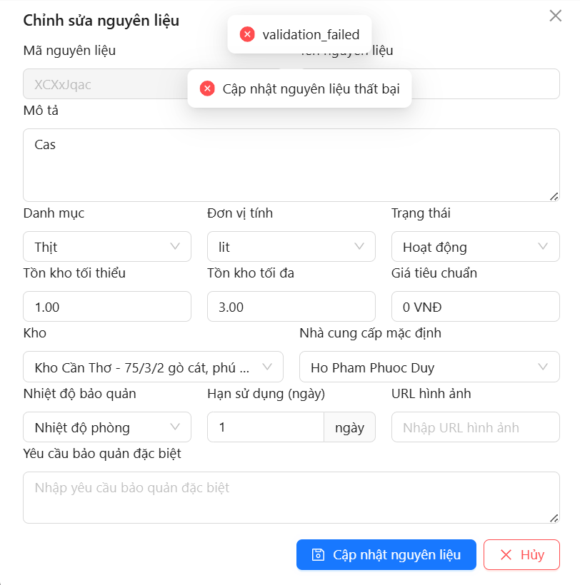
DF_40 | Export file execl | Home Screen | Login | 1. Open website PRS on a phone 2. Click export file excel 3. Check if it export file excel | 1. Website PRS open 3. export file excel | 3. Export file json | Medium | High | 2025-03-11 | Hồ Phạm Phước Duy |  | 1.1 | Windows 11 | Dev | New | 