template_package_import (4)
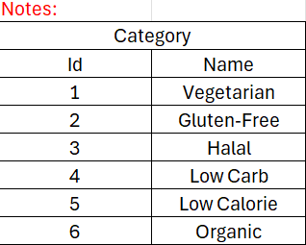
name | categoryId | averageCalories | breakfastPrice | lunchPrice | dinnerPrice
Paket Sehat A | 1 | 200.0 | 15000.0 | 25000.0 | 20000.0

